Main
...
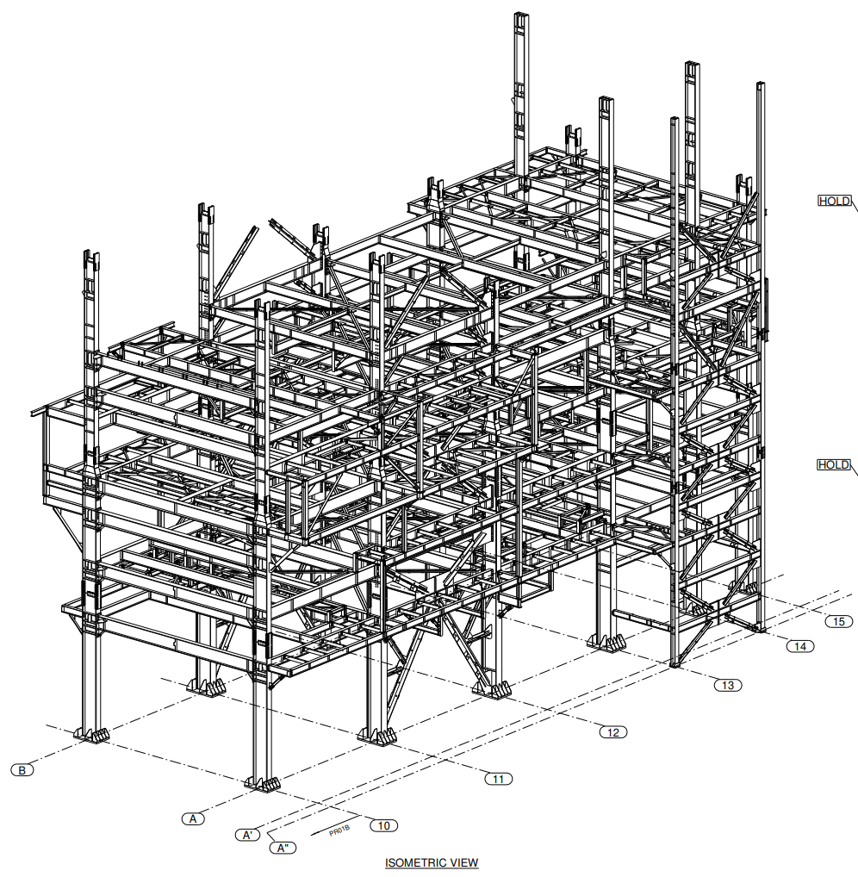
L2 | P
A | 1 | MarkNo | UsedQty
A | 2 | 1BE01 | 0
A | 3 | 1BE02 | 1
A" | 4 | 1BE03 | 0
A" | 5 | 1BE04 | 0
A" | 6 | 1BE05 | 1
 |  | 1BE06 | 1
 |  | 1BE07 | 1
 |  | 1BE08 | 1
 |  | 1BE09 | 0
 |  | 1BE10 | 1
 |  | 1BE11 | 0
 |  | 1BE12 | 0
 |  | 1BE13 | 0
 |  | 1BE14 | 0
 |  | 1BE15 | 0
 |  | 1BE16 | 0
 |  | 1BE19 | 0
 |  | 1BE26 | 0
 |  | 1BE27 | 0
 |  | 1BE28 | 1
 |  | 1BE29 | 0
 |  | 1BE30 | 0
 |  | 1BE31 | 0
 |  | 1BE32 | 0
 |  | 1BE33 | 0
 |  | 1BE34 | 0
 |  | 1BE35 | 0
 |  | 1BE36 | 0
 |  | 1BE37 | 0
 |  | 1BE38 | 0
 |  | 1BE39 | 0
 |  | 1BE40 | 0
 |  | 1BE99 | 0
 |  | 1BE100 | 0
 |  | 1FR01 | 0
 |  | 1FR02 | 0
 |  | 1HA02 | 0
 |  | 1HA03 | 0
 |  | 1HA04 | 0
 |  | 1HB01 | 0
 |  | 1HB02 | 0
 |  | 1HB03 | 0
 |  | 1HB04 | 0
 |  | 1HB05 | 0
 |  | 1HB06 | 0
 |  | 1HB07 | 0
 |  | 1HB08 | 0
 |  | 1HB09 | 0
 |  | 1HB10 | 0
 |  | 1HB11 | 0
 |  | 1SC01 | 0
 |  | 1SC02 | 0
 |  | 1SC03 | 0
 |  | 1SC04 | 0
 |  | 1SC05 | 0
 |  | 1SC06 | 0
 |  | 2BE01 | 0
 |  | 2BE02 | 0
 |  | 2BE04 | 0
 |  | 2BE05 | 0
 |  | 2BE06 | 0
...

