Sheet1
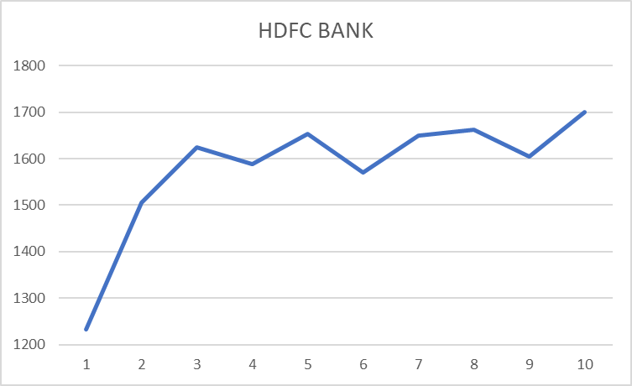
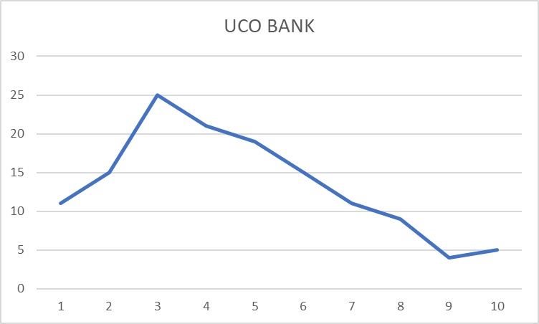
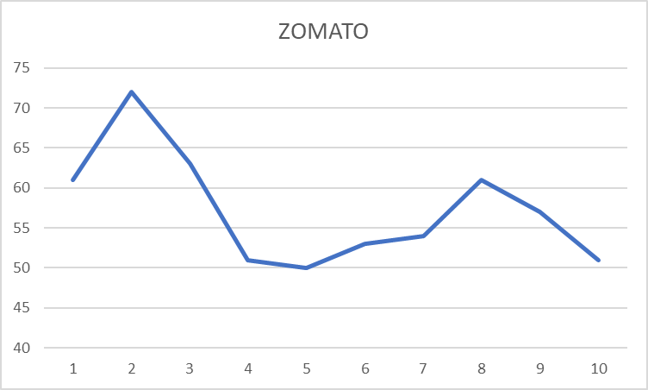
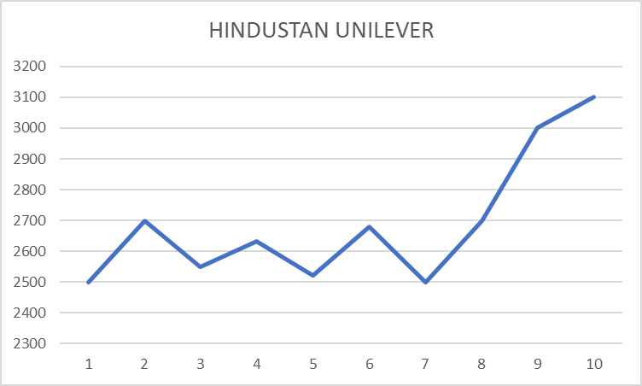
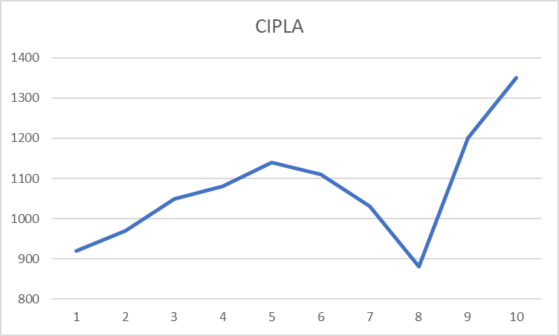
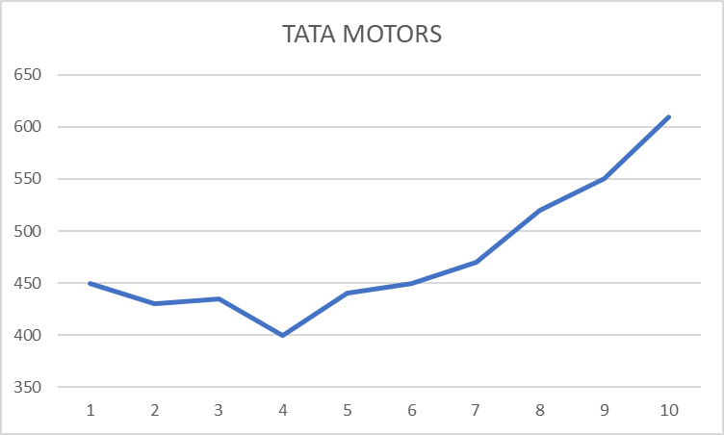
 | Mo 1 | Mo 2 | Mo 3 | Mo 4 | Mo 5 | Mo 6 | Mo 7 | Mo 8 | Mo 9 | Mo 10 | description
HDFC Bank | 1232 | 1506 | 1624 | 1588 | 1654 | 1570 | 1650 | 1662 | 1605 | 1700 | big bank
UCO bank | 11 | 15 | 25 | 21 | 19 | 15 | 11 | 9 | 4 | 5 | small bank
Zomato | 61 | 72 | 63 | 51 | 50 | 53 | 54 | 61 | 57 | 51 | loss making startup
Hindustan Unilever | 2500 | 2700 | 2550 | 2633 | 2520 | 2680 | 2500 | 2700 | 3000 | 3100 | FMC (very stable)
Cipla | 920 | 970 | 1050 | 1080 | 1140 | 1111 | 1030 | 880 | 1200 | 1350 | Pharmaceutical
Tata Motors | 450 | 430 | 435 | 400 | 440 | 450 | 470 | 520 | 550 | 610 | Automobile

