Listing
Folder Name | Sequence Name | Number of images | Image size | Turbulence level | Ground Truth
Fixed Background | Door | 300 | 520x520 | Strong | No
Fixed Patterns | Pattern1 | 64 | 302x309 | Weak | Yes
 | Pattern2 | 64 | 291x287 | Weak | Yes
 | Pattern3 | 300 | 113x117 | Strong | Yes
 | Pattern4 | 300 | 109x113 | Strong | Yes
 | Pattern5 | 300 | 113x117 | Strong | Yes
 | Pattern6 | 300 | 109x113 | Strong | Yes
 | Pattern7 | 300 | 122x125 | Strong | Yes
 | Pattern8 | 300 | 119x122 | Strong | Yes
 | Pattern9 | 300 | 152x157 | Medium | Yes
 | Pattern10 | 300 | 149x149 | Medium | Yes
 | Pattern11 | 300 | 172x183 | Medium | Yes
 | Pattern12 | 300 | 172x173 | Medium | Yes
 | Pattern13 | 300 | 202x202 | Weak | Yes
 | Pattern14 | 300 | 196x193 | Weak | Yes
 | Pattern15 | 300 | 134x139 | Strong | Yes
 | Pattern16 | 300 | 135x135 | Strong | Yes
Moving Target | Car1 | 100 | 200x200 | Medium | Yes
 | Car2 | 315 | 500x200 | Medium | Yes
 | Car3 | 51 | 300x300 | Medium | Yes
 | Car4 | 101 | 300x300 | Medium | Yes

Preview
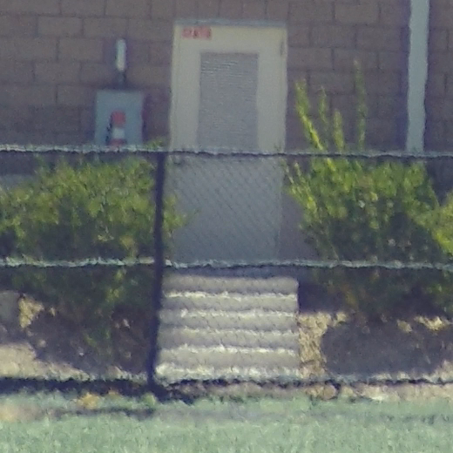
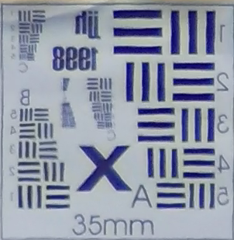
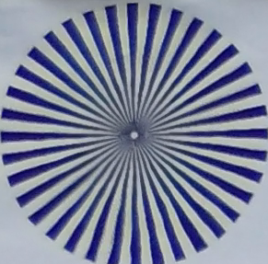
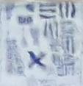

Door |  | Pattern1 |  | Pattern2 |  | Pattern3
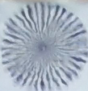
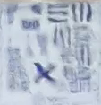
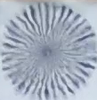
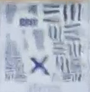

Pattern4 |  | Pattern5 |  | Pattern6 |  | Pattern7
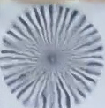
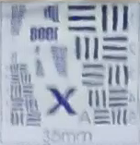
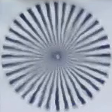
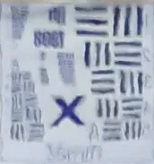

Pattern8 |  | Pattern9 |  | Pattern10 |  | Pattern11
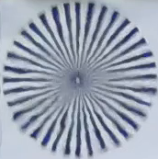
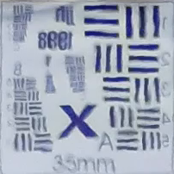
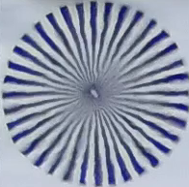
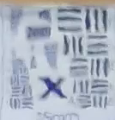

Pattern12 |  | Pattern13 |  | Pattern14 |  | Pattern15
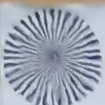
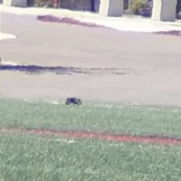
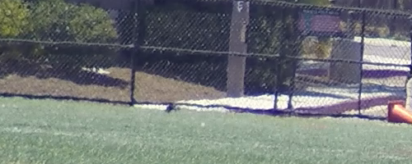

Pattern16 |  | Car1 |  | Car2
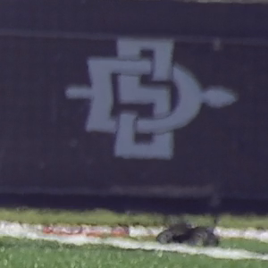
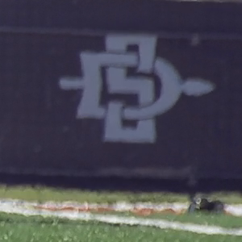

Car3 |  | Car4

