Sheet1
 | smiles | 7npc | 7np5 | 7kxd
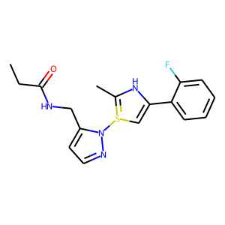 | CCC(=O)NCC1=CC=NN1S=2C=C(C3=CC=CC=C3F)NC=2C | (-7.9, [-1.5603076923076924, -32.682461538461546, -6.968961538461539]) | (-8.2, [-1.6278846153846152, 32.524846153846156, 5.149307692307692]) | (-8.6, [-3.5059615384615386, 26.17238461538462, 13.014384615384618])
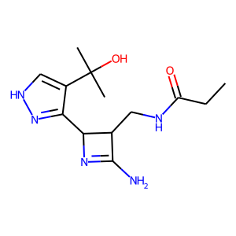 | CCC(=O)NCC1C(C2=N[NH1]C=C2C(C)(C)O)N=C1N | (-6.5, [6.566520000000001, -50.055200000000006, 2.71128]) | (-6.9, [0.018399999999999944, 33.205799999999996, 4.54868]) | (-6.7, [-1.2255999999999998, 25.088359999999998, 13.3074])
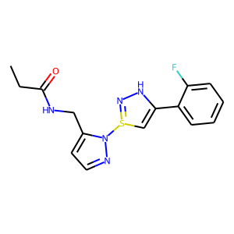 | CCC(=O)NCC1=CC=NN1S=2C=C(C3=CC=CC=C3F)[NH1]N=2 | (-8.6, [-6.91092, -35.7778, -5.566839999999998]) | (-8.1, [-6.647, 35.882400000000004, 5.6596400000000004]) | (-8.7, [-3.5684800000000005, 25.929920000000003, 14.315839999999998])
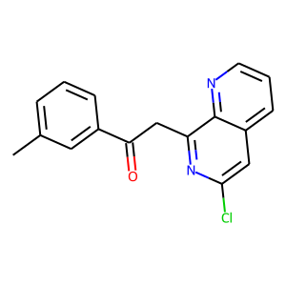 | CC1=CC=CC(C(=O)CC2=NC(Cl)=CC3=CC=CN=C23)=C1 | (-9.2, [-7.255761904761905, -35.670428571428566, -6.232571428571428]) | (-10.9, [-1.9836190476190476, 44.10057142857142, 14.134809523809524]) | (-8.7, [-4.162761904761905, 26.858333333333338, 13.637571428571428])
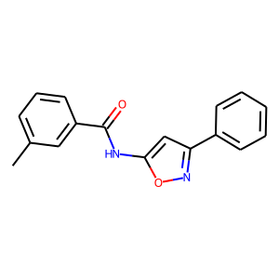 | CC1=CC=CC(C(=O)NC2=CC(C3=CC=CC=C3)=NO2)=C1 | (-8.8, [-2.549909090909092, -33.33081818181818, -5.46859090909091]) | (-9.0, [-6.642318181818182, 36.212090909090904, 4.586181818181818]) | (-9.2, [-2.9607272727272727, 26.677272727272726, 13.54590909090909])
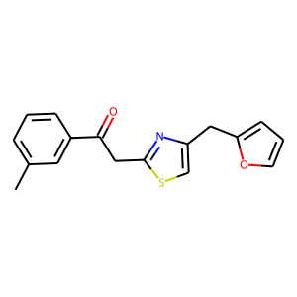 | CC1=CC=CC(C(=O)CC2=NC(CC3=CC=CO3)=CS2)=C1 | (-8.0, [-6.5961428571428575, -35.446952380952375, -6.160000000000001]) | (-8.2, [-1.9789523809523806, 33.327571428571424, 4.127095238095238]) | (-8.5, [-3.7171428571428566, 25.950095238095237, 14.582333333333333])
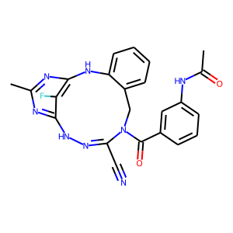 | CC(=O)NC1=CC=CC(=C1)C(=O)N(CC2=CC=CC=C2NC3=NC(C)=NC4=C3F)C(C#N)=N[NH1]4 | (-10.4, [5.901891891891893, -51.18116216216216, 3.362054054054054]) | (-9.1, [6.755432432432433, 51.42083783783784, -3.465108108108108]) | (-9.2, [-2.161945945945946, 25.743675675675675, 11.845216216216217])
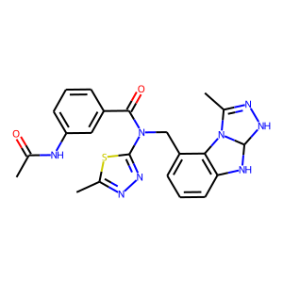 | CC(=O)NC1=CC=CC(=C1)C(=O)N(CC2=CC=CC3=C2N4C(C)=N[NH1]C4[NH1]3)C5=NN=C(C)S5 | (-8.7, [6.189722222222223, -51.45594444444444, 3.598333333333334]) | (-8.8, [-1.0261666666666667, 31.650222222222226, 7.602916666666668]) | (-10.4, [-2.5820833333333333, 25.34788888888889, 13.746444444444446])
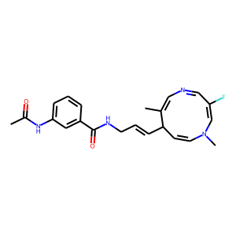 | CC(=O)NC1=CC=CC(=C1)C(=O)NCC=CC2C=CN(C)C=C(F)C=NC=C2C | (-9.9, [-2.7632903225806453, -34.154612903225804, -5.903709677419355]) | (-9.5, [-2.899806451612903, 33.06416129032258, 5.97558064516129]) | (-10.0, [-3.678193548387097, 25.629, 14.237258064516132])
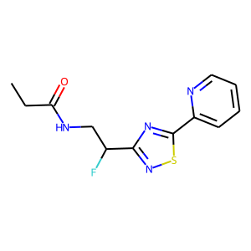 | CCC(=O)NCC(F)C1=NSC(C2=CC=CC=N2)=N1 | (-6.6, [4.98065, -51.441449999999996, 1.5425499999999999]) | (-6.9, [-6.8134500000000005, 36.058550000000004, 6.2532499999999995]) | (-7.2, [0.47814999999999996, 24.667299999999997, 13.57695])
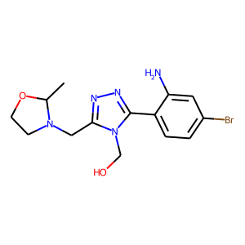 | CC1OCCN1CC2=NN=C(C3=CC=C(Br)C=C3N)N2CO | (-7.0, [-2.0474799999999997, -33.61176, -5.452280000000001]) | (-7.1, [-2.00568, 33.25452, 4.54188]) | (-7.3, [-2.4982, 24.80296, 14.24644])
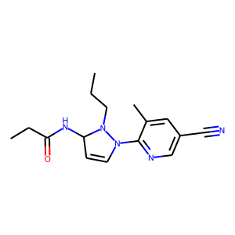 | CCC(=O)NC1C=CN(C2=NC=C(C#N)C=C2C)N1CCC | (-7.5, [-3.5370000000000004, -33.8934347826087, -4.55795652173913]) | (-7.4, [-0.9611304347826086, 33.03926086956521, 5.109304347826088]) | (-7.7, [-0.12278260869565219, 24.881478260869564, 13.008739130434781])
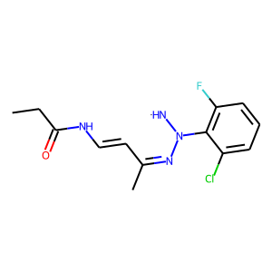 | CCC(=O)NC=CC(C)=NN(C1=C(Cl)C=CC=C1F)[NH1] | (-7.0, [-0.9829545454545454, -33.49813636363637, -5.5315]) | (-7.1, [-0.3643636363636363, 33.032590909090914, 5.237227272727273]) | (-7.3, [-4.4089090909090904, 25.312045454545455, 14.367000000000003])
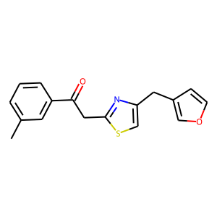 | CC1=CC=CC(C(=O)CC2=NC(CC=3C=COC=3)=CS2)=C1 | (-9.7, [-1.741809523809524, -43.29757142857144, -15.787523809523808]) | (-8.1, [-1.218666666666667, 33.399857142857144, 4.113380952380952]) | (-8.3, [-3.5396666666666667, 25.775142857142857, 14.661428571428571])
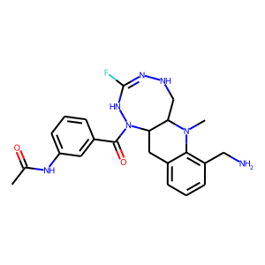 | CC(=O)NC1=CC=CC(=C1)C(=O)N(C2CC3=CC=CC(CN)=C3N(C)C2C4)NC(F)=N[NH1]4 | (-8.8, [-0.12559459459459466, -29.813945945945953, -7.996135135135136]) | (-10.1, [-2.2596486486486485, 33.84359459459459, 5.340837837837838]) | (-10.2, [-3.326972972972973, 25.61481081081081, 12.364324324324325])
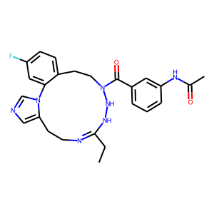 | CC(=O)NC1=CC=CC(=C1)C(=O)N(CCC2=CC=C(F)C=C2N3C=NC=C3CC4)N[NH1]C(CC)=N4 | (-9.5, [6.158473684210527, -51.012184210526314, 3.833473684210527]) | (-10.8, [-2.213973684210526, 33.18894736842106, 5.3115000000000006]) | (-9.6, [1.5035263157894736, 25.301868421052628, 10.216973684210526])
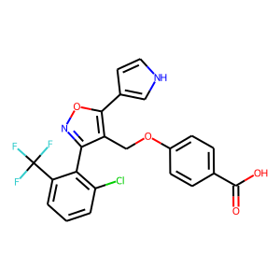 | C1=CC(=C(C(=C1)Cl)C2=NOC(=C2COC3=CC=C(C=C3)C(=O)O)C4=CNC=C4)C(F)(F)F | (-8.0, [4.68914705882353, -52.04635294117647, 2.4742941176470588]) | (-9.2, [-1.3171470588235294, 32.72873529411765, 5.836970588235294]) | (-9.5, [-0.3705, 24.863735294117646, 12.299117647058823])
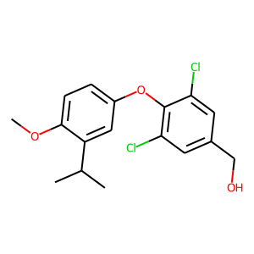 | CC(C)C1=C(C=CC(=C1)OC2=C(C=C(C=C2Cl)CO)Cl)OC | (-7.5, [-2.920695652173914, -33.113130434782605, -5.6530000000000005]) | (-7.7, [-2.84204347826087, 34.54004347826088, 4.752347826086956]) | (-7.7, [-2.611478260869565, 25.828217391304353, 14.329043478260866])

