extracted figures for metadata
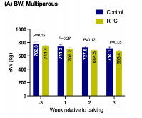
2023 Effect of rumen-protected choline on dairy cow metabolism, immunity, lactation performance, and vaginal discharge microbiome
 |  | Area | Mean | Min | Max | Angle | Length | sd
 | 1 | 120.143 | 130.133 | 105.333 | 147.333 | 90 | 19.608 | 67.92410447
 | 2 | 120.143 | 181.333 | 130.333 | 204.667 | 90 | 19.608 | 67.92410447
 | 3 | 96.115 | 245.583 | 222.667 | 254 | 90 | 14.706 | 50.943078352
 | 4 | 96.115 | 231.417 | 170.667 | 255 | 90 | 14.706 | 50.943078352
 | 5 | 96.115 | 253.833 | 253 | 255 | 90 | 14.706 | 50.943078352
 | 6 | 72.086 | 253.778 | 253.333 | 254 | 90 | 9.804 | 33.962052235
 | 7 | 96.115 | 239.5 | 202 | 255 | 90 | 14.706 | 50.943078352
 | 8 | 72.086 | 255 | 255 | 255 | 90 | 9.804 | 33.962052235

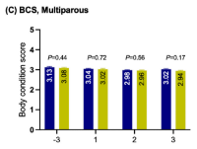
 |  | Area | Mean | Min | Max | Angle | Length | sd
 | 1 | 0.002 | 156.667 | 132.667 | 180.667 | -90 | 0.04 | 0.138564
 | 2 | 0.002 | 139.333 | 92.625 | 186.042 | -90 | 0.038 | 0.1316358
 | 3 | 0.002 | 123.646 | 95.25 | 152.042 | -90 | 0.023 | 0.0796743
 | 4 | 0.002 | 176.333 | 151.667 | 201 | -90 | 0.023 | 0.0796743
 | 5 | 0.002 | 170.833 | 163 | 178.667 | -90 | 0.015 | 0.0519615
 | 6 | 0.002 | 163.375 | 156.417 | 170.333 | -90 | 0.03 | 0.103923
 | 7 | 0.002 | 181.034 | 161.109 | 200.958 | -90 | 0.027 | 0.0935307
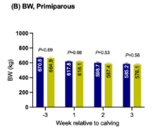
 | 8 | 0.003 | 163.992 | 137.908 | 196.392 | 90 | 0.051 | 0.1766691

 |  | Area | Mean | Min | Max | Angle | Length | sd
 | 1 | 124.87 | 126.043 | 113.426 | 149.704 | -90 | 10.753 | 37.2494673
 | 2 | 83.247 | 119.068 | 81.512 | 156.625 | -90 | 8.602 | 29.7981882
 | 3 | 124.87 | 136.395 | 124.37 | 152.481 | -90 | 10.753 | 37.2494673
 | 4 | 124.87 | 117.917 | 85.417 | 171 | -90 | 11.828 | 40.9733748
 | 5 | 83.247 | 176.375 | 166.625 | 186.125 | 90 | 8.065 | 27.9379665
 | 6 | 124.87 | 168.546 | 154.889 | 181 | 90 | 13.978 | 48.4211898
 | 7 | 83.247 | 178.677 | 171.646 | 185.708 | 90 | 8.065 | 27.9379665
 | 8 | 124.87 | 170.49 | 156.417 | 183.469 | 90 | 11.29 | 39.109689

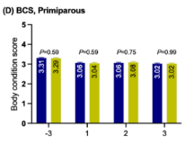
 |  | Area | Mean | Min | Max | Angle | Length | sd
 | 1 | 0.002 | 75.562 | 59.25 | 91.875 | 90 | 0.026 | 0.0900666
 | 2 | 0.002 | 110.177 | 71.139 | 149.215 | 90 | 0.043 | 0.1489563
 | 3 | 0.002 | 94.083 | 65.583 | 122.583 | 90 | 0.034 | 0.1177794
 | 4 | 0.002 | 75.529 | 57.12 | 93.938 | 90 | 0.045 | 0.1558845
 | 5 | 0.002 | 193.359 | 173.321 | 213.396 | -90 | 0.045 | 0.1558845
 | 5 | 0.002 | 167.552 | 156.396 | 178.708 | 90 | 0.043 | 0.1489563
 | 6 | 0.002 | 154.224 | 143.115 | 165.333 | 90 | 0.038 | 0.1316358
 | 7 | 0.002 | 158.457 | 147.685 | 169.229 | 95.711 | 0.028 | 0.0969948

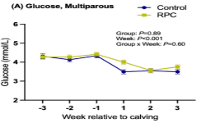
 |  | Area | Mean | Min | Max | Angle | Length | mean | sd
 | 1 | 0.049 | 240.864 | 1 | 255 | -90 | 2.289 | 4.29 | 0.18
 | 2 | 0.046 | 239.083 | 41.667 | 255 | -90 | 2.118 | 4.12 | 0.12
 | 3 | 0.049 | 247.315 | 79.333 | 255 | -90 | 2.267 | 4.27 | 0.19
 | 4 | 0.032 | 235.043 | 42 | 255 | -90 | 1.455 | 3.46 | 0.14
 | 5 | 0.033 | 241.218 | 113 | 255 | -90 | 1.519 | 3.52 | 0.07
 | 6 | 0.032 | 233.448 | 41.667 | 255 | -90 | 1.476 | 3.48 | 0.15
 | 7 | 0.048 | 245.883 | 116.667 | 255 | -90 | 2.225 | 4.23 | 0.14
 | 8 | 0.049 | 231.439 | 41.667 | 255 | -90 | 2.267 | 4.27 | 0.16
 | 9 | 0.051 | 240.875 | 81 | 255 | -90 | 2.374 | 4.37 | 0.17
 | 10 | 0.043 | 221.857 | 42 | 255 | -90 | 1.968 | 3.97 | 0.11
 | 11 | 0.033 | 238.868 | 78 | 255 | -90 | 1.54 | 3.54 | 0.12
 | 12 | 0.037 | 219.099 | 41.667 | 255 | -90 | 1.711 | 3.71 | 0.15
 | 13 | 0.002 | 122.319 | 117.519 | 128.75 | 90 | 0.053
 | 14 | 0.001 | 114.741 | 84.611 | 147.111 | 90 | 0.036
 | 15 | 0.002 | 94.203 | 85.417 | 105.729 | 90 | 0.056
 | 16 | 0.001 | 86.907 | 58.5 | 115.306 | -90 | 0.041
 | 17 | 9.15E-04 | 132.5 | 123.167 | 141.833 | -90 | 0.021
 | 18 | 0.001 | 85.778 | 57.833 | 114.667 | 90 | 0.043
 | 19 | 0.001 | 108.267 | 101.431 | 114.146 | 90 | 0.039
 | 20 | 0.001 | 164.153 | 146.611 | 182.306 | 90 | 0.046
 | 21 | 0.001 | 164.569 | 140.521 | 188.438 | 90 | 0.048
 | 22 | 0.001 | 147.166 | 135.169 | 159.708 | 90 | 0.033
 | 23 | 0.001 | 131.368 | 124.052 | 145.812 | 90 | 0.036
 | 24 | 0.001 | 160.246 | 140.197 | 183.928 | 90 | 0.043

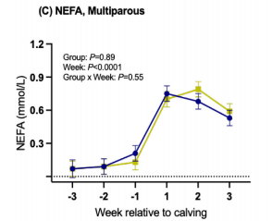
 |  | Area | Mean | Min | Max | Angle | Length | mean | sd
 | 1 | 3.69E-04 | 75.727 | 42 | 106.667 | -90 | 0.075 | 0.075 | 0.2113101
 | 2 | 4.51E-04 | 95.338 | 42.667 | 249.659 | -90 | 0.093 | 0.093 | 0.1628127
 | 3 | 9.84E-04 | 153.099 | 42.167 | 254.5 | -90 | 0.211 | 0.211 | 0.1454922
 | 4 | 0.003 | 224.088 | 42 | 254 | -90 | 0.747 | 0.747 | 0.1558845
 | 5 | 0.003 | 231.953 | 42 | 255 | -90 | 0.67 | 0.67 | 0.138564
 | 6 | 0.002 | 228.519 | 42 | 254.5 | -90 | 0.525 | 0.525 | 0.1247076
 | 7 | 3.49E-04 | 77.813 | 42.287 | 105.285 | -90 | 0.074 | 0.074 | 0.1524204
 | 8 | 4.31E-04 | 108.813 | 42.411 | 250.333 | -90 | 0.089 | 0.089 | 0.1420281
 | 9 | 5.95E-04 | 184.793 | 121.333 | 255 | -90 | 0.125 | 0.125 | 0.1420281
 | 10 | 0.003 | 238.464 | 50.333 | 254 | -90 | 0.688 | 0.688 | 0.1316358
 | 11 | 0.004 | 224.299 | 42 | 255 | -90 | 0.783 | 0.783 | 0.1420281
 | 12 | 0.003 | 221.382 | 16 | 255 | -90 | 0.589 | 0.589 | 0.1454922
 | 13 | 3.08E-04 | 98.804 | 52.188 | 146.688 | -90 | 0.061
 | 14 | 2.26E-04 | 87.474 | 68.019 | 101.713 | -90 | 0.047
 | 15 | 2.05E-04 | 104.355 | 82.842 | 109.667 | 90 | 0.042
 | 16 | 2.26E-04 | 122.606 | 94.583 | 131.417 | 90 | 0.045
 | 17 | 2.05E-04 | 100.884 | 73.625 | 106.75 | 90 | 0.04
 | 18 | 1.85E-04 | 169.204 | 139.917 | 177.5 | 90 | 0.036
 | 19 | 2.26E-04 | 232.425 | 149.611 | 254 | 90 | 0.044
 | 20 | 2.05E-04 | 217.911 | 122.889 | 243.012 | 88.939 | 0.041
 | 21 | 2.05E-04 | 159.554 | 143.426 | 163.093 | 90 | 0.041
 | 22 | 2.05E-04 | 213.215 | 180.833 | 222.139 | 90 | 0.038
 | 23 | 2.05E-04 | 235.058 | 179.333 | 250.333 | 90 | 0.041
 | 24 | 2.05E-04 | 191.639 | 153.812 | 202.25 | 90 | 0.042

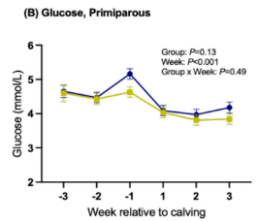
 |  | Area | Mean | Min | Max | Angle | Length | mean | sd
 | 1 | 0.051 | 241.715 | 99.917 | 255 | -90 | 2.651 | 4.651 | 0.3152331
 | 2 | 0.047 | 241.998 | 85.75 | 255 | -90 | 2.481 | 4.481 | 0.2182383
 | 3 | 0.06 | 232.904 | 41.5 | 255 | -90 | 3.17 | 5.17 | 0.1974537
 | 4 | 0.04 | 240.913 | 122 | 255 | -90 | 2.075 | 4.075 | 0.2217024
 | 5 | 0.037 | 233.497 | 69.375 | 255 | 90 | 1.953 | 3.953 | 0.2355588
 | 6 | 0.042 | 222.208 | 42 | 255 | -90 | 2.189 | 4.189 | 0.3256254
 | 7 | 0.049 | 244.935 | 128 | 255 | -90 | 2.585 | 4.585 | 0.5403996
 | 8 | 0.046 | 244.969 | 120.996 | 255 | -90 | 2.425 | 4.425 | 0.3256254
 | 9 | 0.05 | 247.552 | 127 | 255 | -90 | 2.623 | 4.623 | 0.2286306
 | 10 | 0.038 | 245.124 | 124.704 | 255 | -90 | 2.009 | 4.009 | 0.173205
 | 11 | 0.035 | 242.936 | 127.677 | 255 | -90 | 1.821 | 3.821 | 0.1524204
 | 12 | 0.036 | 240.003 | 16 | 255 | -90 | 1.868 | 3.868 | 0.173205
 | 13 | 0.002 | 204.709 | 153.611 | 237.233 | -90 | 0.091
 | 14 | 0.001 | 174.035 | 136.5 | 198.63 | 90 | 0.063
 | 15 | 0.001 | 127.083 | 107.667 | 155 | -90 | 0.057
 | 16 | 0.001 | 126.526 | 111.146 | 140.958 | -90 | 0.064
 | 17 | 0.002 | 137 | 104.389 | 160.213 | -90 | 0.068
 | 18 | 0.002 | 180.889 | 129.333 | 245.333 | -90 | 0.094
 | 19 | 0.003 | 172.205 | 134.75 | 197.344 | 90 | 0.156
 | 20 | 0.002 | 152.333 | 131 | 185.333 | -90 | 0.094
 | 21 | 0.002 | 168.417 | 138.417 | 184.583 | -90 | 0.066
 | 22 | 0.001 | 147.938 | 126.333 | 168.556 | -90 | 0.05
 | 23 | 0.001 | 195.16 | 179.074 | 211.963 | 90 | 0.044
 | 24 | 0.001 | 202.295 | 189.148 | 217.037 | 90 | 0.05

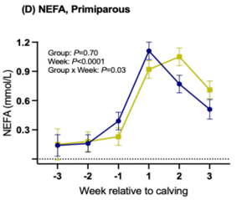
 |  | Area | Mean | Min | Max | Angle | Length | mean | sd
 | 1 | 7.95E-04 | 143.269 | 41.667 | 213 | -90 | 0.138 | 0.138 | 0.2667357
 | 2 | 9.17E-04 | 163.611 | 41.667 | 255 | -90 | 0.16 | 0.16 | 0.2043819
 | 3 | 0.002 | 183.148 | 41.667 | 255 | -90 | 0.393 | 0.393 | 0.2251665
 | 4 | 0.006 | 234.454 | 40.667 | 255 | -90 | 1.106 | 1.106 | 0.2251665
 | 5 | 0.004 | 236.038 | 41.333 | 255 | -90 | 0.763 | 0.763 | 0.2286306
 | 6 | 0.003 | 229.086 | 40.667 | 255 | -90 | 0.509 | 0.509 | 0.2598075
 | 7 | 8.87E-04 | 126.765 | 41.589 | 198 | -90 | 0.157 | 0.157 | 0.4399407
 | 8 | 0.001 | 161.262 | 41.5 | 255 | -90 | 0.181 | 0.181 | 0.2390229
 | 9 | 0.001 | 214.493 | 126.889 | 255 | -90 | 0.229 | 0.229 | 0.2009178
 | 10 | 0.005 | 246.156 | 126.667 | 255 | -90 | 0.918 | 0.918 | 0.2043819
 | 11 | 0.006 | 225.274 | 40.333 | 255 | -90 | 1.045 | 1.045 | 0.1974537
 | 12 | 0.004 | 203.135 | 41.333 | 255 | -90 | 0.702 | 0.702 | 0.2113101
 | 13 | 4.59E-04 | 131.956 | 65.708 | 147.292 | 90 | 0.077
 | 14 | 3.67E-04 | 126.874 | 77.417 | 152.299 | 90 | 0.059
 | 15 | 3.98E-04 | 133.855 | 57.667 | 157.787 | -90 | 0.065
 | 16 | 3.98E-04 | 160.319 | 129.259 | 172.941 | -90 | 0.065
 | 17 | 3.98E-04 | 154.474 | 100.667 | 170 | -90 | 0.066
 | 18 | 4.59E-04 | 140.24 | 67.222 | 155.921 | -90 | 0.075
 | 19 | 7.34E-04 | 160.882 | 114.958 | 199.5 | 90 | 0.127
 | 20 | 4.28E-04 | 144.172 | 109.84 | 190.006 | -90 | 0.069
 | 21 | 3.67E-04 | 184.783 | 150.222 | 192.384 | -90.909 | 0.058
 | 22 | 3.67E-04 | 191.758 | 151.354 | 201.521 | -90 | 0.059
 | 23 | 3.36E-04 | 196.242 | 171.611 | 202.817 | 90 | 0.057
 | 24 | 3.67E-04 | 195.997 | 168.438 | 203.604 | 90 | 0.061

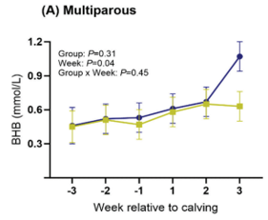
 |  | Area | Mean | Min | Max | Angle | Length | mean | sd
 | 1 | 0.002 | 219.525 | 90.412 | 255 | -90 | 0.471 | 0.471 | 0.4537971
 | 2 | 0.003 | 230.822 | 120.333 | 254 | -90 | 0.528 | 0.528 | 0.3671946
 | 3 | 0.003 | 224.611 | 39.667 | 255 | -90 | 0.533 | 0.533 | 0.3498741
 | 4 | 0.003 | 223.453 | 108 | 255 | -90 | 0.607 | 0.607 | 0.3533382
 | 5 | 0.003 | 226.824 | 132 | 255 | -90 | 0.672 | 0.672 | 0.3498741
 | 6 | 0.005 | 221.094 | 63.667 | 255 | -90 | 1.076 | 1.076 | 0.3602664
 | 7 | 0.002 | 222.531 | 81.167 | 255 | -90 | 0.448 | 0.448 | 0.3845151
 | 8 | 0.003 | 233.838 | 39.667 | 254 | -90 | 0.508 | 0.508 | 0.3637305
 | 9 | 0.002 | 222.635 | 119.333 | 255 | -90 | 0.468 | 0.468 | 0.3533382
 | 10 | 0.003 | 233.096 | 38.667 | 254 | -90 | 0.583 | 0.583 | 0.34641
 | 11 | 0.003 | 241.912 | 117.667 | 255 | -90 | 0.637 | 0.637 | 0.34641
 | 12 | 0.003 | 233.943 | 39.333 | 255 | -90 | 0.632 | 0.632 | 0.34641
 | 13 | 6.69E-04 | 184.16 | 107.963 | 198.251 | 90 | 0.131
 | 14 | 5.45E-04 | 178.452 | 104.556 | 190.636 | 90 | 0.106
 | 15 | 5.37E-04 | 170.263 | 121.292 | 194.137 | 90 | 0.101
 | 16 | 5.37E-04 | 178.463 | 109.333 | 193 | 90 | 0.102
 | 17 | 5.37E-04 | 188.083 | 116 | 201.333 | 90 | 0.101
 | 18 | 5.37E-04 | 143.966 | 102.481 | 148.778 | 90 | 0.104
 | 19 | 5.85E-04 | 174.916 | 109.5 | 184.388 | 90 | 0.111
 | 20 | 5.37E-04 | 147.615 | 114.032 | 153 | 90 | 0.105
 | 21 | 5.37E-04 | 138.721 | 95.944 | 178.661 | 90 | 0.102
 | 22 | 5.12E-04 | 140.195 | 101.496 | 157.09 | 90 | 0.1
 | 23 | 5.12E-04 | 169.73 | 88.364 | 190.722 | 90 | 0.1
 | 24 | 5.12E-04 | 194.003 | 169.269 | 196.667 | 90 | 0.1

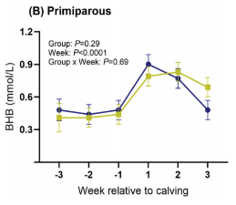
 |  | Area | Mean | Min | Max | Angle | Length | mean | sd
 | 1 | 0.002 | 211.438 | 103.333 | 255 | -90 | 0.479 | 0.479 | 0.2459511
 | 2 | 0.002 | 222.817 | 98 | 254 | -90 | 0.427 | 0.427 | 0.2251665
 | 3 | 0.002 | 223.186 | 86.667 | 254 | -90 | 0.479 | 0.479 | 0.207846
 | 4 | 0.004 | 236.033 | 64 | 255 | 90 | 0.901 | 0.901 | 0.2147742
 | 5 | 0.004 | 230.929 | 3.667 | 254 | -90 | 0.778 | 0.778 | 0.207846
 | 6 | 0.002 | 232.407 | 63.667 | 255 | 90 | 0.47 | 0.47 | 0.2147742
 | 7 | 0.002 | 223.227 | 124.333 | 255 | -90 | 0.413 | 0.413 | 0.3671946
 | 8 | 0.002 | 227.115 | 114.233 | 254 | -90 | 0.415 | 0.415 | 0.2217024
 | 9 | 0.002 | 241.33 | 128.333 | 255 | -90 | 0.436 | 0.436 | 0.2043819
 | 10 | 0.004 | 247.074 | 120.667 | 255 | 90 | 0.783 | 0.783 | 0.2182383
 | 11 | 0.004 | 234.339 | 64.667 | 255 | 90 | 0.825 | 0.825 | 0.2043819
 | 12 | 0.003 | 197.037 | 63.667 | 254 | 90 | 0.674 | 0.674 | 0.2147742
 | 13 | 3.60E-04 | 148.396 | 99.5 | 174.667 | 90 | 0.071
 | 14 | 3.38E-04 | 201.723 | 107.019 | 229.218 | 90 | 0.065
 | 15 | 3.15E-04 | 201.199 | 115.639 | 229.919 | 90 | 0.06
 | 16 | 3.15E-04 | 136.516 | 98.278 | 142.333 | 90 | 0.062
 | 17 | 3.15E-04 | 178.348 | 102.944 | 192.611 | 90 | 0.06
 | 18 | 3.15E-04 | 113.62 | 93.935 | 118.333 | 90 | 0.062
 | 19 | 5.17E-04 | 186.109 | 116.921 | 197 | 90 | 0.106
 | 20 | 3.38E-04 | 158.51 | 122.857 | 180.083 | 90 | 0.064
 | 21 | 3.15E-04 | 177.234 | 141.122 | 188.939 | 90 | 0.059
 | 22 | 3.15E-04 | 162.52 | 148.981 | 165.111 | 90 | 0.063
 | 23 | 3.15E-04 | 165.4 | 124.231 | 175.805 | 90 | 0.059
 | 24 | 3.15E-04 | 165.429 | 158.833 | 167 | 90 | 0.062

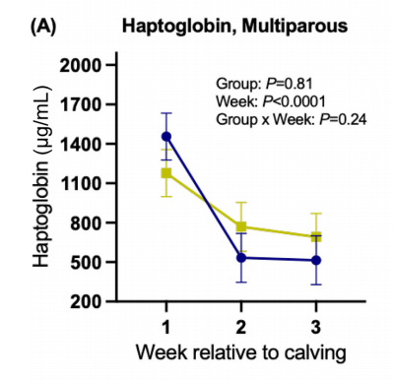
 |  | Area | Mean | Min | Max | Angle | Length | mean | sd
 | 1 | 8426.356 | 210.951 | 0 | 255 | -90 | 1261.993 | 1461.993 | 418.449
 | 2 | 2205.852 | 168.867 | 0 | 255 | -90 | 325.461 | 525.461 | 448.338
 | 3 | 2073.501 | 154.56 | 42 | 255 | -90 | 305.535 | 505.535 | 440.868
 | 4 | 6529.323 | 237.952 | 127 | 254.5 | 90 | 973.063 | 1173.063 | 383.58
 | 5 | 3794.066 | 176.224 | 41.667 | 254.035 | -90 | 561.255 | 761.255 | 408.486
 | 6 | 3176.427 | 145.912 | 41.667 | 255 | -90 | 471.587 | 671.587 | 410.979
 | 7 | 970.575 | 126.665 | 89.458 | 133.25 | 90 | 139.483
 | 8 | 1058.809 | 112.478 | 54.583 | 119.156 | -90 | 149.446
 | 9 | 1014.692 | 136.83 | 78.229 | 145.143 | 90 | 146.956
 | 10 | 882.341 | 251.486 | 196.167 | 255 | 90 | 127.86
 | 11 | 970.575 | 250.244 | 202.75 | 254.667 | 90 | 136.162
 | 12 | 970.575 | 237.198 | 183.438 | 245.427 | 90 | 136.993
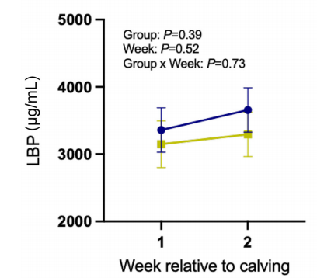
 |  | Area | Mean | Min | Max | Angle | Length | mean | sd
 | 1 | 16089.778 | 182.871 | 13 | 254 | -90 | 1372.093 | 3372.093 | 732.558
 | 2 | 18929.151 | 206.657 | 42 | 255 | -90 | 1616.279 | 3616.279 | 802.326
 | 3 | 13520.822 | 207.28 | 51.333 | 254 | -90 | 1151.163 | 3151.163 | 802.326
 | 4 | 15008.112 | 232.054 | 119 | 255 | -90 | 1279.07 | 3279.07 | 767.442
 | 5 | 2974.581 | 178.424 | 104.333 | 192.667 | -90 | 244.186
 | 6 | 3244.997 | 246.042 | 161.333 | 255 | -90 | 267.442
 | 7 | 3244.997 | 187.28 | 93.611 | 206 | -90 | 267.442
 | 8 | 3109.789 | 182.066 | 149.056 | 184.778 | -90 | 255.814

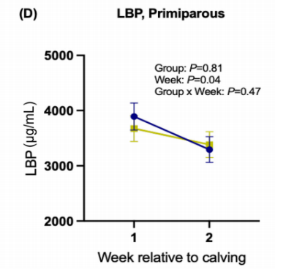
 |  | Area | Mean | Min | Max | Angle | Length | mean | sd
 | 1 | 22422.145 | 215.543 | 41.343 | 255 | -90 | 1888.235 | 3888.235 | 601.1218089
 | 2 | 15224.913 | 236.352 | 35.5 | 255 | 90 | 1282.353 | 3282.353 | 556.9718544
 | 3 | 19792.388 | 240.185 | 64.015 | 254.5 | -90 | 1664.706 | 3664.706 | 536.5960182
 | 4 | 16193.772 | 210.426 | 42.028 | 254.5 | -90 | 1364.706 | 3364.706 | 590.9338908
 | 5 | 2214.533 | 130.421 | 100.458 | 135.667 | 90 | 173.529
 | 6 | 2076.125 | 186.78 | 118.5 | 203 | 90 | 160.784
 | 7 | 1937.716 | 222.226 | 198.056 | 226.389 | 90 | 154.902
 | 8 | 2214.533 | 222.841 | 130.767 | 250.833 | 90 | 170.588

2018 Methionine and choline supply alter transmethylation, transsulfuration, and cytidine 5′-diphosphocholine pathways to different extents in isolated primary liver cells from dairy
 |  | Area | Mean | Min | Max | Angle | Length | mean | sd
 | 1 | 0.009 | 116.036 | 49.333 | 124.333 | -90 | 1.08 | 1.08 | 0.109116
 | 2 | 0.01 | 227.593 | 67.667 | 233.333 | -90 | 1.308 | 1.308 | 0.055424
 | 3 | 5.59E-04 | 96.556 | 49.333 | 190.333 | -90 | 0.063
 | 4 | 3.11E-04 | 152.267 | 73.667 | 238 | -90 | 0.032

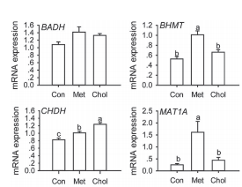
 |  | Area | Mean | Min | Max | Angle | Length | mean | sd
 | 1 | 0.003 | 249.586 | 81.667 | 255 | -90 | 0.513 | 0.513 | 0.062352
 | 2 | 0.004 | 250.197 | 59.667 | 255 | -90 | 0.651 | 0.651 | 0.05196
 | 3 | 2.50E-04 | 240.333 | 170.333 | 255 | -90 | 0.036
 | 4 | 2.14E-04 | 165.222 | 70.333 | 212.333 | -90 | 0.03

 |  | Area | Mean | Min | Max | Angle | Length | mean | sd
 | 1 | 0.007 | 251.078 | 61 | 255 | -90 | 0.808 | 0.808 | 0.036372
 | 2 | 0.01 | 252.314 | 75.333 | 255 | -90 | 1.224 | 1.224 | 0.074476
 | 3 | 2.56E-04 | 126.049 | 68.472 | 176.889 | -90 | 0.021
 | 4 | 3.84E-04 | 67.202 | 47.506 | 99.731 | -90 | 0.043

 |  | Area | Mean | Min | Max | Angle | Length | mean | sd
 | 1 | 0.003 | 184.95 | 61.333 | 212.667 | -90 | 0.235 | 0.235 | 0.06928
 | 2 | 0.006 | 121.528 | 79 | 143.333 | -90 | 0.433 | 0.433 | 0.185324
 | 3 | 6.13E-04 | 90.988 | 67.889 | 133.229 | -90 | 0.04
 | 4 | 0.002 | 85.243 | 60.376 | 114.102 | -90 | 0.107

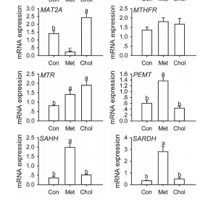
 |  | Area | Mean | Min | Max | Angle | Length | mean | sd
 | 1 | 0.021 | 95.739 | 47.667 | 107 | -90 | 1.426 | 1.426 | 0.310028
 | 2 | 0.017 | 85.482 | 57.667 | 99 | -90 | 1.356 | 1.356 | 0.171468
 | 3 | 0.011 | 215.054 | 44.333 | 232.333 | -90 | 0.833 | 0.833 | 0.036372
 | 4 | 0.005 | 64.82 | 56.333 | 88.333 | -90 | 0.594 | 0.594 | 0.09526
 | 5 | 0.005 | 64.448 | 48.333 | 142 | -90 | 0.386 | 0.386 | 0.0866
 | 6 | 0.007 | 217.235 | 70 | 255 | -90 | 0.317 | 0.317 | 0.06928
 | 7 | 0.037 | 65.089 | 46 | 67.667 | -90 | 2.433 | 2.433 | 0.436464
 | 8 | 0.021 | 249.301 | 76.667 | 255 | -90 | 1.679 | 1.679 | 0.514404
 | 9 | 0.024 | 152.056 | 42.333 | 158 | -90 | 1.915 | 1.915 | 0.40702
 | 10 | 0.004 | 146.778 | 46.667 | 161 | -90 | 0.446 | 0.446 | 0.055424
 | 11 | 0.006 | 242 | 60.333 | 255 | -90 | 0.498 | 0.498 | 0.036372
 | 12 | 0.01 | 221.147 | 58 | 255 | -90 | 0.475 | 0.475 | 0.136828
 | 13 | 0.003 | 76.692 | 52.333 | 138.333 | -90 | 0.179
 | 14 | 0.001 | 248.778 | 207.667 | 255 | -90 | 0.099
 | 15 | 4.60E-04 | 63.201 | 52.759 | 73.028 | -90 | 0.021
 | 16 | 5.02E-04 | 203.75 | 92.667 | 255 | -90 | 0.055
 | 17 | 7.81E-04 | 58.267 | 52.667 | 64.667 | -90 | 0.05
 | 18 | 0.001 | 68.056 | 37.5 | 110.667 | -90 | 0.04
 | 19 | 0.004 | 109.611 | 60 | 119 | -90 | 0.252
 | 20 | 0.004 | 232.453 | 78.333 | 255 | -90 | 0.297
 | 21 | 0.003 | 225.55 | 46.333 | 255 | -90 | 0.235
 | 22 | 3.20E-04 | 55.733 | 49.333 | 59 | -90 | 0.032
 | 23 | 4.74E-04 | 52.5 | 40.185 | 69.833 | -90 | 0.021
 | 24 | 0.002 | 133.6 | 63.333 | 189.667 | -90 | 0.079

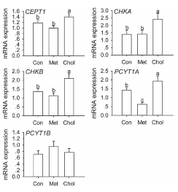
 |  | Area | Mean | Min | Max | Angle | Length | mean | sd
 | 1 | 0.01 | 106.049 | 74.333 | 112 | -90 | 1.192 | 1.192 | 0.16454
 | 2 | 0.021 | 141.617 | 64 | 148.667 | -90 | 1.395 | 1.395 | 0.417412
 | 3 | 0.017 | 228.607 | 64 | 242 | -90 | 1.361 | 1.361 | 0.214768
 | 4 | 0.018 | 95.374 | 57.667 | 113.333 | -90 | 1.423 | 1.423 | 0.235552
 | 5 | 0.005 | 215.026 | 90.667 | 227 | -90 | 0.707 | 0.707 | 0.15588
 | 6 | 0.011 | 249.51 | 76 | 255 | -90 | 1.41 | 1.41 | 0.192252
 | 7 | 0.035 | 93.199 | 82.667 | 176.333 | -90 | 2.353 | 2.353 | 0.561168
 | 8 | 0.026 | 214.964 | 91.333 | 220.333 | -90 | 2.075 | 2.075 | 0.45032
 | 9 | 0.024 | 252.796 | 98.667 | 255 | -90 | 1.925 | 1.925 | 0.36372
 | 10 | 0.005 | 252.639 | 92.333 | 255 | -90 | 0.749 | 0.749 | 0.12124
 | 11 | 8.16E-04 | 218.667 | 77 | 255 | -90 | 0.095
 | 12 | 0.004 | 251.059 | 207 | 255 | -90 | 0.241
 | 13 | 0.002 | 232.545 | 114.667 | 255 | -90 | 0.124
 | 14 | 0.002 | 193.833 | 99.667 | 229 | -90 | 0.136
 | 15 | 6.66E-04 | 239.238 | 131.667 | 255 | -90 | 0.09
 | 16 | 9.41E-04 | 245.533 | 168.333 | 255 | -90 | 0.111
 | 17 | 0.005 | 254.174 | 254 | 255 | -90 | 0.324
 | 18 | 0.003 | 237.106 | 140.667 | 255 | -90 | 0.26
 | 19 | 0.003 | 238.796 | 146.667 | 249.333 | -90 | 0.21
 | 20 | 5.39E-04 | 92.818 | 58.333 | 100.667 | -90 | 0.07

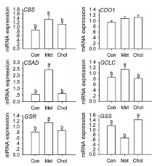
 |  | Area | Mean | Min | Max | Angle | Length | mean | sd
 | 1 | 0.009 | 247.114 | 63 | 255 | -90 | 0.86 | 0.86 | 0.084868
 | 2 | 0.011 | 251.851 | 89.333 | 255 | -90 | 1.098 | 1.098 | 0.06928
 | 3 | 5.87E-04 | 212.833 | 81.333 | 255 | -90 | 0.049
 | 4 | 4.89E-04 | 215.467 | 104 | 255 | -90 | 0.04

 |  | Area | Mean | Min | Max | Angle | Length | mean | sd
 | 1 | 0.007 | 252.7 | 174.333 | 255 | -90 | 0.928 | 0.928 | 0.079672
 | 2 | 0.009 | 251.486 | 79.333 | 255 | -90 | 1.122 | 1.122 | 0.107384
 | 3 | 4.19E-04 | 88.286 | 60.333 | 137.333 | -90 | 0.046
 | 4 | 5.38E-04 | 214.296 | 90 | 255 | -90 | 0.062

 |  | Area | Mean | Min | Max | Angle | Length | mean | sd
 | 1 | 0.009 | 239.029 | 66 | 255 | -90 | 0.541 | 0.541 | 0.114312
 | 2 | 0.01 | 239.811 | 82.667 | 255 | -90 | 0.59 | 0.59 | 0.057156
 | 3 | 0.001 | 88.533 | 57.333 | 116 | -90 | 0.066
 | 4 | 8.06E-04 | 129.222 | 93 | 150.333 | -90 | 0.033

 |  | Area | Mean | Min | Max | Angle | Length | mean | sd
 | 1 | 0.006 | 249.173 | 64.333 | 255 | -90 | 0.845 | 0.845 | 0.079672
 | 2 | 0.006 | 250.619 | 116.333 | 255 | -90 | 0.791 | 0.791 | 0.022516
 | 3 | 4.05E-04 | 76.333 | 56 | 89.333 | -90 | 0.046
 | 4 | 1.74E-04 | 139.593 | 96.917 | 172.194 | -90 | 0.013

 |  | Area | Mean | Min | Max | Angle | Length | mean | sd
 | 1 | 0.01 | 140.003 | 64.667 | 143 | 90 | 1.152 | 1.152 | 0.107384
 | 2 | 0.013 | 199.981 | 47.333 | 206 | 90 | 1.415 | 1.415 | 0.107384
 | 3 | 6.18E-04 | 78.292 | 48.333 | 92 | 90 | 0.062
 | 4 | 6.18E-04 | 101.208 | 71 | 147.667 | 90 | 0.062

2009 Rumen protected choline supplementation in beef cattle: effect on growth performance
 |  | Area | Mean | Min | Max | Angle | Length | mean | sd
 | 1 | 19.765 | 235.789 | 32.667 | 255 | 90 | 23.539 | 423.539 | 16.232
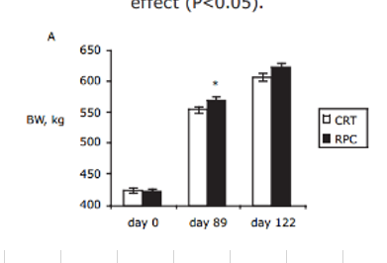
 | 2 | 125.838 | 248.813 | 40.667 | 255 | -90 | 154.221 | 554.221 | 8.116
 | 3 | 171.298 | 249.655 | 10.667 | 255 | -90 | 210.227 | 610.227 | 22.728
 | 4 | 19.106 | 36.333 | 28.667 | 109.667 | -90 | 22.727 | 422.727 | 9.74
 | 5 | 139.015 | 33.082 | 29.667 | 113.333 | -90 | 170.455 | 570.455 | 14.068
 | 6 | 181.839 | 33.723 | 29.333 | 235 | -90 | 223.214 | 623.214 | 22.728
 | 7 | 3.953 | 93.611 | 17.667 | 194 | -90 | 4.058
 | 8 | 2.635 | 57.722 | 31.889 | 108.333 | -90 | 2.029
 | 9 | 5.271 | 13.333 | 0 | 45.667 | -90 | 5.682
 | 10 | 2.635 | 31.917 | 19.667 | 39.667 | -90 | 2.435
 | 11 | 3.294 | 144.672 | 34.389 | 213.431 | -90 | 3.517
 | 12 | 5.271 | 92.604 | 20.167 | 153.333 | -90 | 5.682
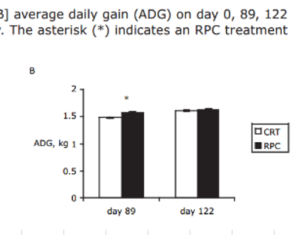
 |  | Area | Mean | Min | Max | Angle | Length | mean | sd
 | 1 | 0.021 | 253.025 | 41.667 | 255 | -90 | 1.476 | 1.48 | 0.01
 | 2 | 0.023 | 164.997 | 32.667 | 168.333 | -90 | 1.628 | 1.63 | 0.01
 | 3 | 0.022 | 32.753 | 32.667 | 42.667 | -90 | 1.586 | 1.59 | 0.01
 | 4 | 0.023 | 34.519 | 32.667 | 255 | -90 | 1.641 | 1.64 | 0.03
 | 5 | 3.80E-04 | 32.667 | 32.667 | 32.667 | 90 | 0.014
 | 6 | 3.80E-04 | 50.333 | 50.333 | 50.333 | 0 | 0.014
 | 7 | 3.80E-04 | 80 | 32.667 | 127.333 | -90 | 0.014
 | 8 | 15.57 | 228.589 | 0 | 255 | -90 | 0.028

2007 Effects of Rumen-protected Choline Supplementation in Periparturient Dairy Goats
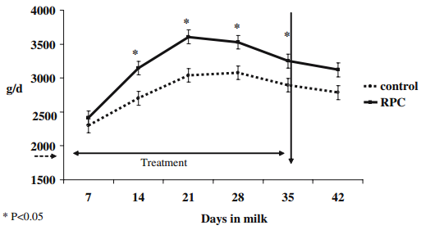
 |  |  | Area | Mean | Min | Max | Angle | Length | mean | sd
 |  | 1 | 11377.162 | 195.303 | 19.667 | 255 | -90 | 929.952 | 2429.95 | 96.62
 |  | 2 | 20274.686 | 210.201 | 19.667 | 255 | -90 | 1666.667 | 3166.67 | 96.62
 |  | 3 | 25671.544 | 235.729 | 19.667 | 255 | -90 | 2113.527 | 3613.53 | 96.62
 |  | 4 | 24796.378 | 240.49 | 19.667 | 255 | -90 | 2041.063 | 3541.06 | 84.54
 |  | 5 | 21295.713 | 241.466 | 19.667 | 255 | -90 | 1751.208 | 3251.21 | 96.62
 |  | 6 | 19691.241 | 219.793 | 19.667 | 255 | -90 | 1618.357 | 3118.36 | 96.62
 |  | 7 | 9772.69 | 219.149 | 19.667 | 255 | -90 | 797.101 | 2297.10 | 132.85
 |  | 8 | 14586.105 | 240.82 | 19.667 | 255 | -90 | 1195.652 | 2695.65 | 108.70
 |  | 9 | 18816.075 | 244.806 | 19.667 | 255 | -90 | 1545.894 | 3045.89 | 96.62
 |  | 10 | 19253.658 | 238.487 | 19.667 | 255 | -90 | 1582.126 | 3082.13 | 72.46
 |  | 11 | 16919.881 | 245.468 | 19.667 | 255 | -90 | 1388.889 | 2888.89 | 120.77
 |  | 12 | 15898.854 | 241.015 | 19.667 | 255 | -90 | 1304.348 | 2804.35 | 120.77
 |  | 13 | 1312.749 | 53.296 | 19.667 | 93 | -90 | 96.618
 |  | 14 | 1312.749 | 120.37 | 19.667 | 202 | -90 | 96.618
 |  | 15 | 1312.749 | 146.852 | 19.667 | 218.667 | -90 | 96.618
 |  | 16 | 1166.888 | 73.958 | 19.667 | 130 | -90 | 84.541
 |  | 17 | 1312.749 | 157.889 | 19.667 | 255 | -90 | 96.618
 |  | 18 | 1312.749 | 160.852 | 19.667 | 255 | -90 | 96.618
 |  | 19 | 1750.333 | 134.75 | 19.667 | 255 | 90 | 132.85
 |  | 20 | 1458.61 | 94.933 | 19.667 | 255 | 90 | 108.696
 |  | 21 | 1312.749 | 161.333 | 32.667 | 221 | 90 | 96.618
 |  | 22 | 1021.027 | 104.476 | 34.667 | 130.667 | 90 | 72.464
 |  | 23 | 1604.472 | 116.515 | 19.667 | 255 | 90 | 120.773
 |  | 24 | 1604.472 | 137.939 | 19.667 | 255 | 90 | 120.773

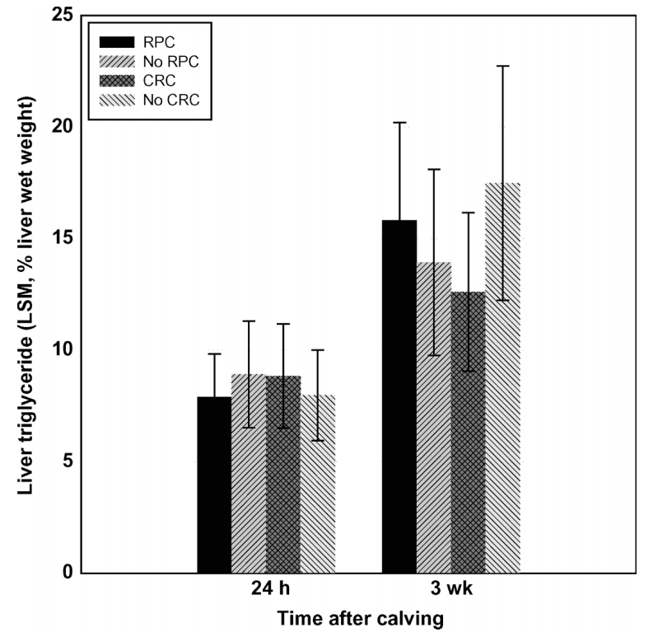
2006 Effects of Rumen-Protected Choline and Monensin on Milk Production and Metabolism of Periparturient Dairy Cows
 |  |  |  |  | Area | Mean | Min | Max | Angle | Length | mean | sd
 |  |  |  | 1 | 0.294 | 120.443 | 1 | 209 | -90 | 8.893 | 8.89 | 2.40
 |  |  |  | 2 | 0.261 | 2.361 | 2 | 88 | -90 | 7.905 | 7.91 | 1.94
 |  |  |  | 3 | 0.459 | 135.033 | 0 | 210 | -90 | 13.9 | 13.90 | 4.18
 |  |  |  | 4 | 0.523 | 2.191 | 2 | 88 | -90 | 15.843 | 15.84 | 4.41
 |  |  |  | 5 | 0.08 | 0.014 | 0 | 1 | -90 | 2.404
 |  |  |  | 6 | 0.065 | 0.067 | 0 | 2 | -90 | 1.943
 |  |  |  | 7 | 0.139 | 109.227 | 2 | 111 | -90 | 4.183
 |  |  |  | 8 | 0.146 | 1.97 | 1 | 2 | -90 | 4.414

