Sheet1
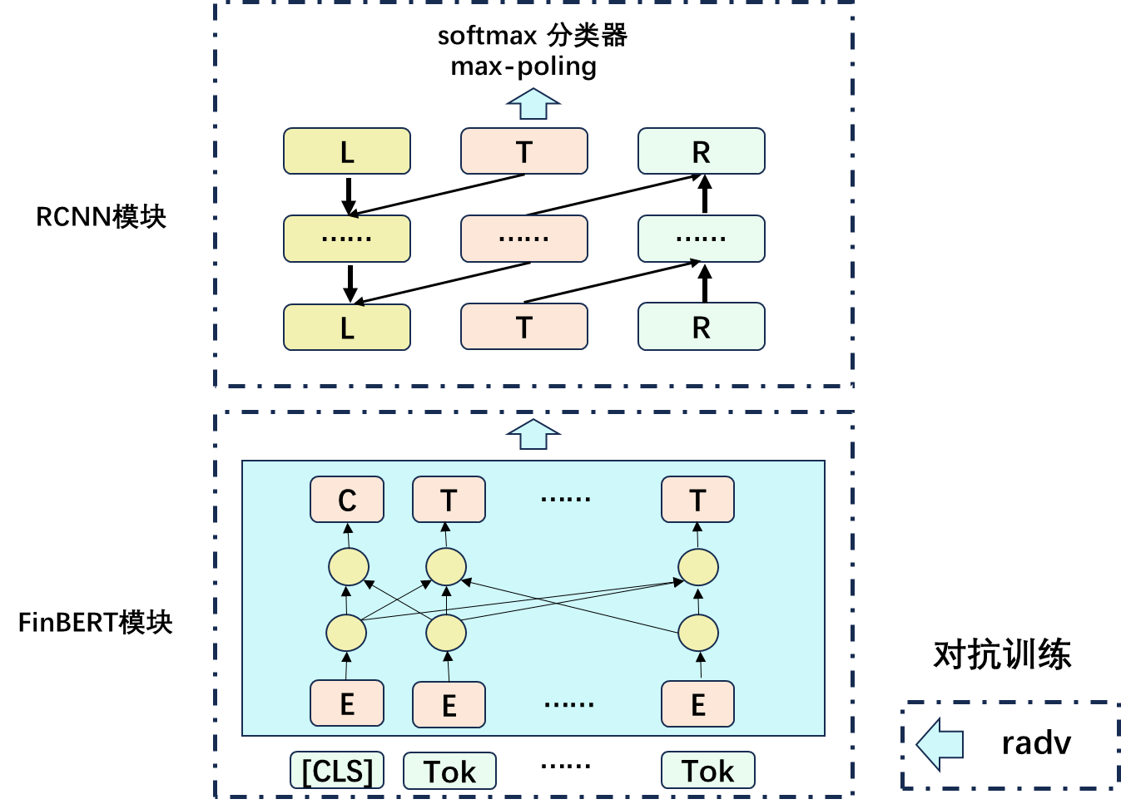
对比实验

Model | Precision | F1-score | Recall
BERT-CNN | 75.22% | 75.11% | 75.15%
BERT-wwm | 7.92% | 12.36% | 28.14%
FinBERT | 78.62% | 77.55% | 75.45%
BiLSTM | 74.90% | 74.71% | 74.95%
OurModel | 85.65% | 85.65% | 85.77%

消融实验
Model | Precision | F1-score | Recall
FindBERT-RCNN | 84.64% | 84.57% | 84.54%
FindBERT-Attack | 80.92% | 79.36% | 80.25%
FinBERT | 78.62% | 77.55% | 78.45%
Our Model | 86.65% | 86.12% | 86.51%

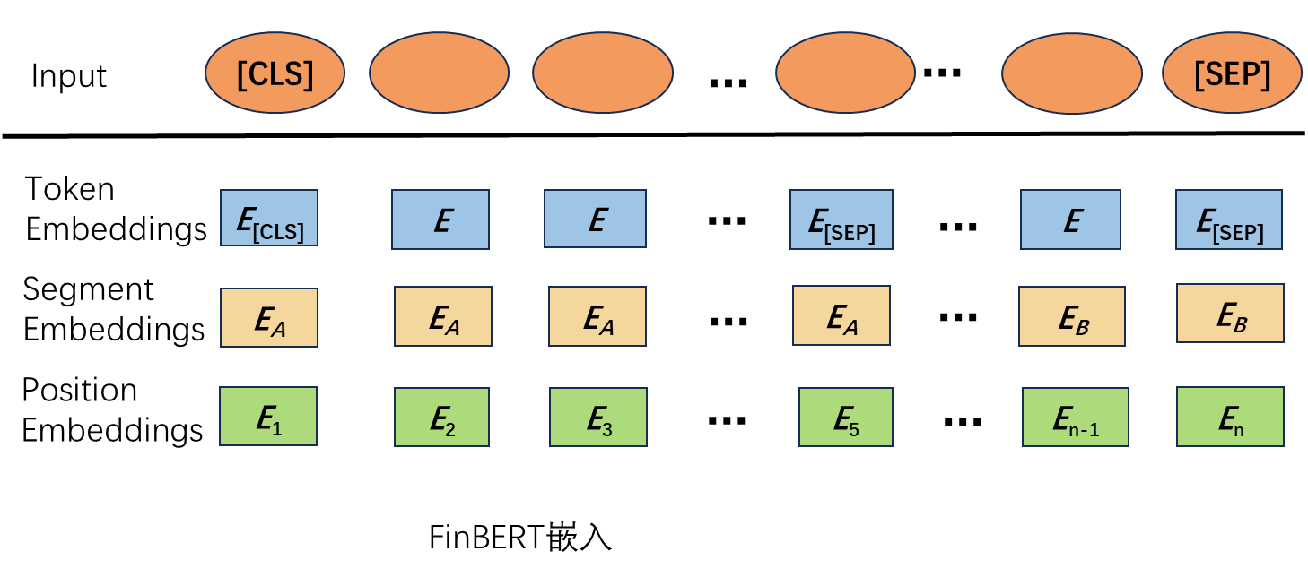
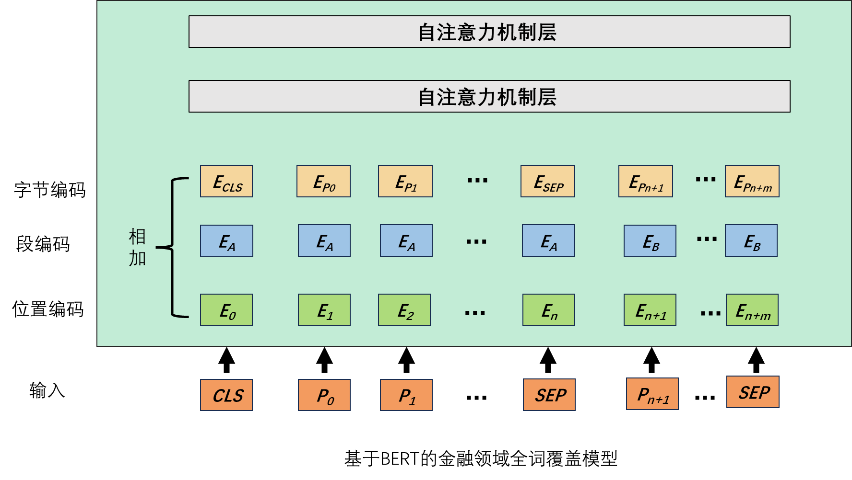

 |  |  |  | Bert wmm

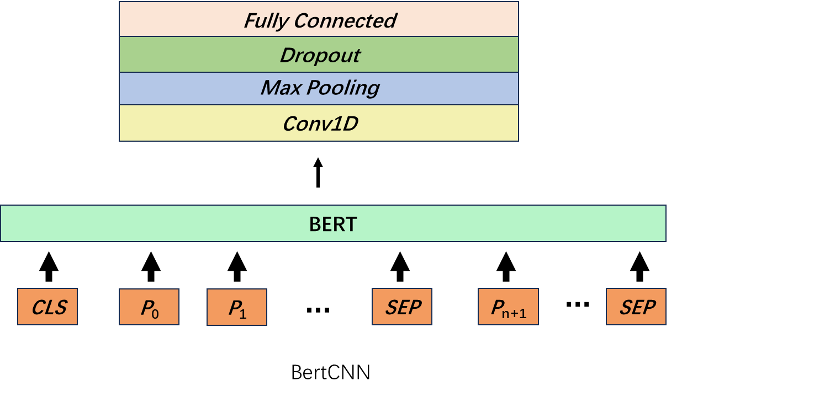
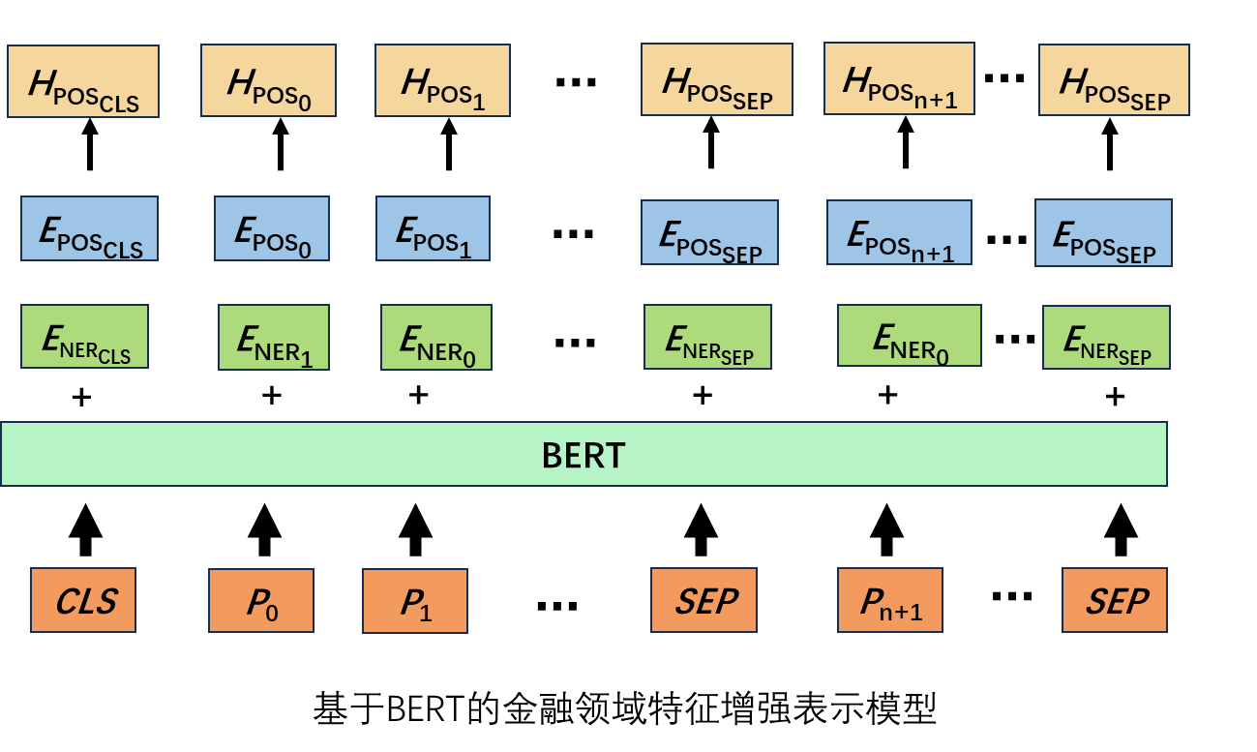

 |  |  |  | BERTwmm

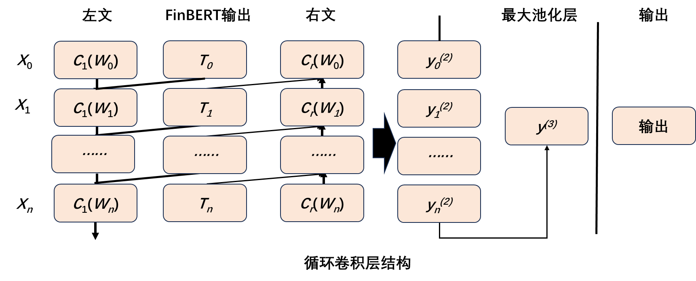

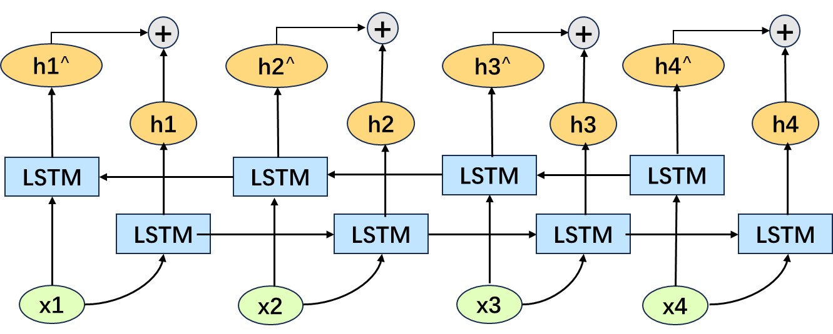

 |  |  |  | BiLSTM

