PictureSheet
The basic elements of statistics used to organize, summarize and describe data in a meaningful way is known as __________ statistics
Score: 0 |  |  |  |  |  | Lives: 10

pictureCor1 |  | pictureCor0 |  | pictureNegSkew |  |  | picturePosSkewed | pictureFake95 | pictureReal95
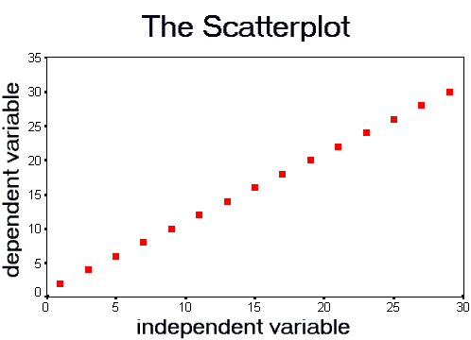
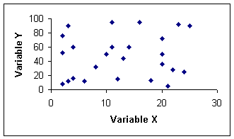

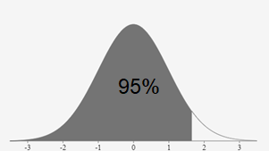
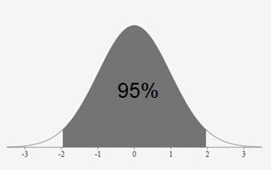

 | pictureNormal |  | pictureAbnormal




 |  |  |  |  |  |  |  |  |  | \

 |  |  |  |  | \

