Bug Report
Category | Label | Value
Bug ID | ID number | #3452
 | Name | Long response time and inconsistency when opening two item pages at once, or shortly after each other.

 | Reporter | Peter Leško
 | Submit Date | 2022-06-01
Bug overview | Summary | While testing I found out that when I click on an item on the main page and immediately click on another one, one time it redirects me to the first item's sub-page and another time to the second item's one. When clicked on each of the item images multiple times (E.g. 3 times on the first one, 4 times on the second one) the page seems to load for quite a while and is unresponsive. Notice how the analytics.js file fails to load (see screenshot). | Made by Gary Gaspar
 | URL | vyplnit | https://getmarker.io
 | Screenshot | https://www.alza.sk/
Environment | Platform
 | Operating System | Windows 10
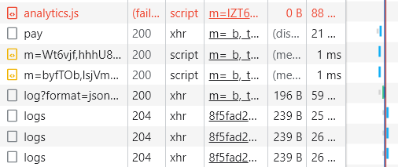
 | Browser | Google Chrome
Bug details | Steps to reproduce | Main page (alza.sk) > click one one item redirect image > immediately click on another one
 | Expected result | Redirect to the second item I clicked with <1s response time
 | Actual result | Long wait time and redirect inconsistent, sometimes I'm redirected to the first one and the other time to the second one.
 | Description
Bug tracking | Severity | Low
 | Assigned to
 | Priority | Low
Notes | Notes

