result
 | Learning Curve | Average Precision | F1-score & Average IoU | test result
darknet53_mask_origin | 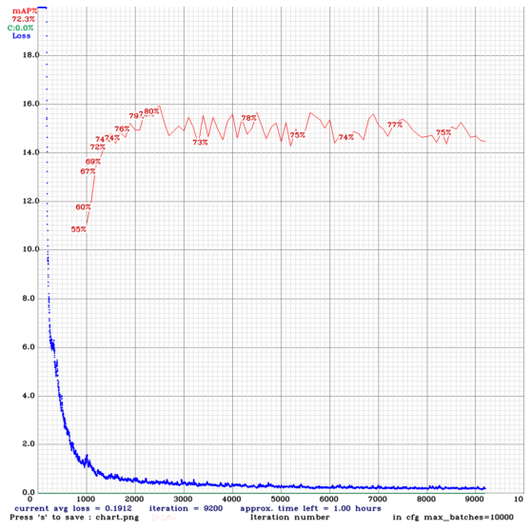 |  |  | 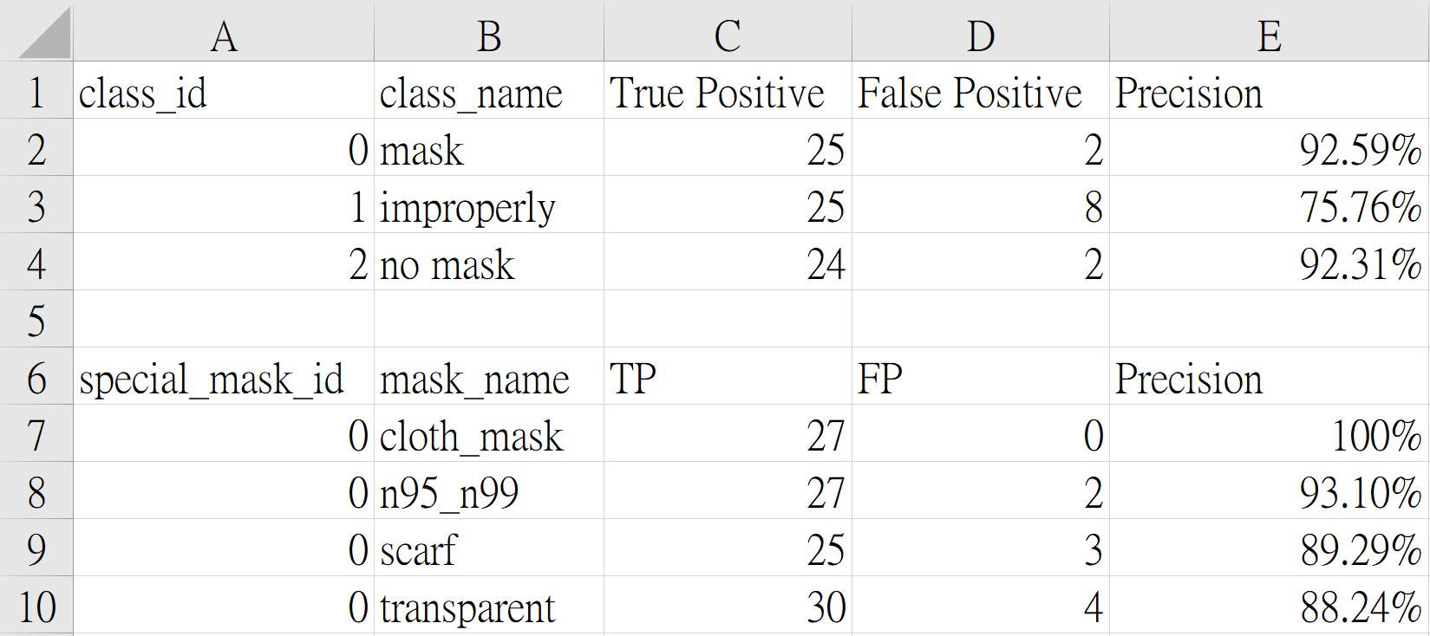
darknet53_mask_MFN | 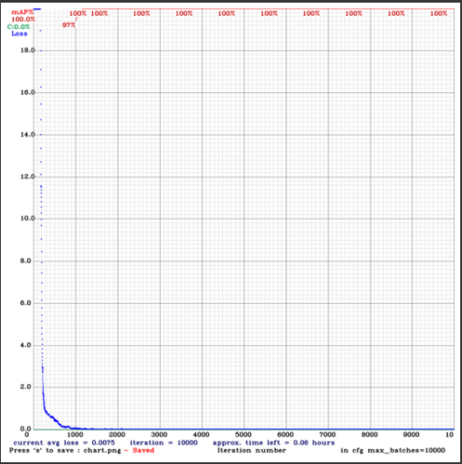 |  |  | 