G

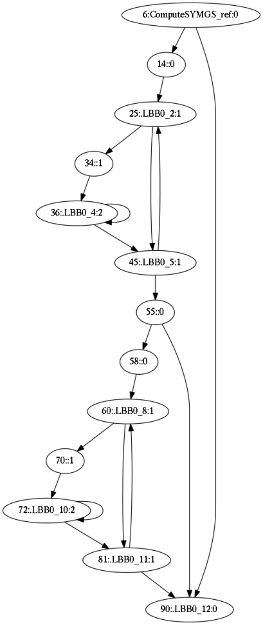
LLVM
GCC
GCC
CFG | DEPTH | add | adrp | bgt | ble | bmi | cbz | cmp | fdiv | fmadd | fmsub | ldp | ldr | ldrb | ldrsw | mov | ret | str | sub | subs | sxtw | tbz
ComputeSYMGS_ref cond .L2 | 0 | 1 | 3 | 0 | 1 | 0 | 0 | 1 | 0 | 0 | 0 | 0 | 4 | 0 | 0 | 0 | 0 | 0 | 0 | 0 | 0 | 0
 | 0 | 0 | 0 | 0 | 0 | 0 | 0 | 0 | 0 | 0 | 0 | 1 | 1 | 0 | 0 | 1 | 0 | 0 | 0 | 0 | 0 | 0
.L5 cond .L3 | 1 | 0 | 0 | 0 | 0 | 0 | 1 | 0 | 0 | 0 | 0 | 0 | 5 | 1 | 0 | 0 | 0 | 0 | 0 | 0 | 0 | 0
 | 1 | 0 | 0 | 0 | 0 | 0 | 0 | 0 | 0 | 0 | 0 | 0 | 0 | 0 | 0 | 1 | 0 | 0 | 0 | 0 | 0 | 0
.L4 cond .L4 | 2 | 1 | 0 | 1 | 0 | 0 | 0 | 1 | 0 | 0 | 1 | 0 | 2 | 0 | 1 | 0 | 0 | 0 | 0 | 0 | 0 | 0
.L3 cond .L5 | 1 | 1 | 0 | 1 | 0 | 0 | 0 | 1 | 1 | 1 | 0 | 0 | 1 | 0 | 0 | 0 | 0 | 1 | 0 | 0 | 0 | 0
.L2 cond .L6 | 0 | 0 | 0 | 0 | 0 | 1 | 0 | 0 | 0 | 0 | 0 | 0 | 0 | 0 | 0 | 0 | 0 | 0 | 0 | 1 | 0 | 0
 | 0 | 1 | 0 | 0 | 0 | 0 | 0 | 0 | 0 | 0 | 0 | 1 | 1 | 0 | 0 | 0 | 0 | 0 | 0 | 0 | 1 | 0
.L9 cond .L7 | 1 | 0 | 0 | 0 | 0 | 0 | 1 | 0 | 0 | 0 | 0 | 0 | 5 | 1 | 0 | 0 | 0 | 0 | 0 | 0 | 0 | 0
 | 1 | 0 | 0 | 0 | 0 | 0 | 0 | 0 | 0 | 0 | 0 | 0 | 0 | 0 | 0 | 1 | 0 | 0 | 0 | 0 | 0 | 0
.L8 cond .L8 | 2 | 1 | 0 | 1 | 0 | 0 | 0 | 1 | 0 | 0 | 1 | 0 | 2 | 0 | 1 | 0 | 0 | 0 | 0 | 0 | 0 | 0
.L7 cond .L9 | 1 | 0 | 0 | 0 | 0 | 0 | 0 | 0 | 1 | 1 | 0 | 0 | 1 | 0 | 0 | 0 | 0 | 1 | 1 | 0 | 0 | 1
.L6 end | 0 | 0 | 0 | 0 | 0 | 0 | 0 | 0 | 0 | 0 | 0 | 0 | 0 | 0 | 0 | 1 | 1 | 0 | 0 | 0 | 0 | 0
*SUMMARY* | - | 5 | 3 | 3 | 1 | 1 | 2 | 4 | 2 | 2 | 2 | 2 | 22 | 2 | 2 | 4 | 1 | 2 | 1 | 1 | 1 | 1

LLVM
CFG | DEPTH | add | adrp | b.gt | b.lt | b.ne | cbnz | cbz | cmp | fadd | fdiv | fmul | fsub | ldp | ldr | ldrb | ldrsw | lsl | mov | ret | str | sub | sxtw
ComputeSYMGS_ref cond .LBB0_12 | 0 | 1 | 1 | 0 | 1 | 0 | 0 | 0 | 1 | 0 | 0 | 0 | 0 | 0 | 1 | 0 | 0 | 0 | 0 | 0 | 0 | 0 | 0
 | 0 | 2 | 2 | 0 | 0 | 0 | 0 | 0 | 0 | 0 | 0 | 0 | 0 | 1 | 4 | 0 | 0 | 0 | 1 | 0 | 0 | 0 | 1
.LBB0_2 cond .LBB0_5 | 1 | 0 | 0 | 0 | 0 | 0 | 0 | 1 | 0 | 0 | 0 | 0 | 0 | 0 | 3 | 1 | 0 | 1 | 0 | 0 | 0 | 0 | 0
 | 1 | 0 | 0 | 0 | 0 | 0 | 0 | 0 | 0 | 0 | 0 | 0 | 0 | 0 | 2 | 0 | 0 | 0 | 0 | 0 | 0 | 0 | 0
.LBB0_4 cond .LBB0_4 | 2 | 0 | 0 | 0 | 0 | 0 | 1 | 0 | 0 | 0 | 0 | 1 | 1 | 0 | 2 | 0 | 1 | 0 | 0 | 0 | 0 | 1 | 0
.LBB0_5 cond .LBB0_2 | 1 | 1 | 0 | 0 | 0 | 1 | 0 | 0 | 1 | 1 | 1 | 1 | 0 | 0 | 1 | 0 | 0 | 0 | 0 | 0 | 1 | 0 | 0
cond .LBB0_12 | 0 | 0 | 0 | 0 | 1 | 0 | 0 | 0 | 1 | 0 | 0 | 0 | 0 | 0 | 0 | 0 | 0 | 0 | 0 | 0 | 0 | 0 | 0
 | 0 | 0 | 0 | 0 | 0 | 0 | 0 | 0 | 0 | 0 | 0 | 0 | 0 | 1 | 1 | 0 | 0 | 0 | 0 | 0 | 0 | 0 | 0
.LBB0_8 cond .LBB0_11 | 1 | 0 | 0 | 0 | 0 | 0 | 0 | 1 | 0 | 0 | 0 | 0 | 0 | 0 | 3 | 1 | 0 | 1 | 0 | 0 | 0 | 1 | 0
 | 1 | 0 | 0 | 0 | 0 | 0 | 0 | 0 | 0 | 0 | 0 | 0 | 0 | 0 | 2 | 0 | 0 | 0 | 0 | 0 | 0 | 0 | 0
.LBB0_10 cond .LBB0_10 | 2 | 0 | 0 | 0 | 0 | 0 | 1 | 0 | 0 | 0 | 0 | 1 | 1 | 0 | 2 | 0 | 1 | 0 | 0 | 0 | 0 | 1 | 0
.LBB0_11 cond .LBB0_8 | 1 | 0 | 0 | 1 | 0 | 0 | 0 | 0 | 1 | 1 | 1 | 1 | 0 | 0 | 1 | 0 | 0 | 0 | 1 | 0 | 1 | 0 | 0
.LBB0_12 end | 0 | 0 | 0 | 0 | 0 | 0 | 0 | 0 | 0 | 0 | 0 | 0 | 0 | 0 | 0 | 0 | 0 | 0 | 1 | 1 | 0 | 0 | 0
*SUMMARY* | - | 4 | 3 | 1 | 2 | 1 | 2 | 2 | 4 | 2 | 2 | 4 | 2 | 2 | 22 | 2 | 2 | 2 | 3 | 1 | 2 | 3 | 1

