data Chart
Trace Element Patterns of Zircons
 | STDGJ-01 | STDGJ-02 | 91500-01 | INT1-01 | INT1-02 | INT1-03 | INT1-04 | INT1-07 | INT1-08 | INT1-09 | INT1-10 | INT1-11
P | 39.43 | 46.08 | 25.2 | 231.04 | 93011.24 | 334.26 | 7481.11 | 357.42 | 809.86 | 310.28 | 347.65 | 342.76
Ca | 0 | 0 | 0 | 0 | 0 | 825.51 | 21425.73 | 0 | 0 | 0 | 0 | 0
Ti | 5.21 | 5.75 | 4.01 | 22.48 | 0 | 933.77 | 484.69 | 25.65 | 19.87 | 10.34 | 29.08 | 10.54
Y | 275.17 | 273.51 | 135.09 | 957.73 | 568349.31 | 1068.42 | 2183.8 | 1999.21 | 2933.12 | 3133.56 | 1964.3 | 2160.93
Zr | 341150.34 | 340280.16 | 269616.56 | 488604.09 | 488604.06 | 488604.03 | 488604 | 488604.03 | 488604 | 488604 | 488603.94 | 488603.94
Nb | 2.134 | 2.001 | 1.077 | 4.5 | 612387.81 | 94.6 | 10.2 | 33.35 | 29.6 | 3.26 | 1.165 | 10.7
La | 0 | 0 | 0 | 0.0112 | 934180.13 | 15.25 | 110.06 | 1.47 | 0.242 | 0.027 | 0.076 | 0.365
Ce | 20.4 | 20.29 | 2.291 | 9.33 | 2025930.75 | 71.56 | 239.43 | 30.08 | 11.61 | 13.36 | 25.42 | 19.66
Pr | 0.0444 | 0.0419 | 0.0092 | 0.121 | 204801.42 | 3.96 | 28.62 | 1.38 | 0.271 | 0.488 | 0.395 | 0.482
Nd | 0.865 | 0.811 | 0.203 | 1.94 | 704432.06 | 24.38 | 125.73 | 8.65 | 2.08 | 8.99 | 7.12 | 4.93
Sm | 1.803 | 1.802 | 0.346 | 3.97 | 118856.55 | 8.16 | 31.08 | 6.66 | 4.23 | 15.82 | 11.54 | 6.67
Eu | 1.148 | 1.166 | 0.192 | 0.221 | 29643.63 | 1.859 | 3.96 | 0.764 | 0.43 | 2.48 | 4.89 | 1.5
Gd | 7.94 | 7.93 | 1.907 | 22.49 | 101348.79 | 29.06 | 66.28 | 31.23 | 36.57 | 82.34 | 53.17 | 35.77
Tb | 2.091 | 2.041 | 0.727 | 7.11 | 15416.39 | 8.29 | 17.69 | 11.17 | 17.4 | 25.14 | 15.08 | 13.09
Dy | 21.86 | 22.06 | 10.68 | 86.75 | 99892.02 | 97.47 | 205.21 | 150.7 | 257.36 | 300.27 | 178.25 | 167.19
Ho | 7.35 | 7.37 | 4.43 | 31.74 | 20661.52 | 34.85 | 74.67 | 61.76 | 91.65 | 109.15 | 64.9 | 69.34
Er | 32.5 | 32.49 | 24.08 | 140.27 | 59442.51 | 152.97 | 326.44 | 313.09 | 397.32 | 465.29 | 286.51 | 336.62
Tm | 6.74 | 6.81 | 5.97 | 28.09 | 9180.18 | 31.17 | 65.61 | 71.73 | 79.83 | 90.22 | 61.32 | 75.14
Yb | 65.99 | 65.93 | 62.29 | 249.03 | 68393.7 | 282.42 | 584.58 | 709.37 | 715.23 | 788.47 | 580.79 | 739.56
Lu | 13.61 | 13.52 | 12.65 | 48.11 | 10717.66 | 55.23 | 112.29 | 151.23 | 137.62 | 151.61 | 115.38 | 158.66
Hf | 7801.4 | 7801.4 | 5596.66 | 16939.83 | 35851.63 | 17530.85 | 13899.52 | 21317.78 | 25596.02 | 16998.29 | 14636.83 | 19166.87
Ta | 0.505 | 0.517 | 0.422 | 1.509 | 35797.6 | 2.346 | 2.245 | 14.78 | 15.14 | 0.979 | 0.434 | 1.2
Th | 18.47 | 18.3 | 28.52 | 59.09 | 319817.28 | 102.36 | 84.72 | 230.6 | 42.75 | 88.41 | 134.96 | 267.62
U | 289.05 | 287.12 | 78.67 | 133.66 | 47092.73 | 148.56 | 140.78 | 1126.86 | 509.08 | 149.53 | 135.06 | 471.74

Unknown Chart
Trace Element Patterns of Zircons
 | INT1-01 | INT1-02 | INT1-03 | INT1-04 | INT1-07 | INT1-08 | INT1-09 | INT1-10 | INT1-11 | INT1-12 | INT1-13 | INT1-14C
P | 231.04 | 93011.24 | 334.26 | 7481.11 | 357.42 | 809.86 | 310.28 | 347.65 | 342.76 | 171.15 | 113.79 | 44.74
Ca | 0 | 0 | 825.51 | 21425.73 | 0 | 0 | 0 | 0 | 0 | 0 | 0 | 131.82
Ti | 22.48 | 0 | 933.77 | 484.69 | 25.65 | 19.87 | 10.34 | 29.08 | 10.54 | 7.91 | 9.69 | 22.78
Y | 957.73 | 568349.31 | 1068.42 | 2183.8 | 1999.21 | 2933.12 | 3133.56 | 1964.3 | 2160.93 | 1951.75 | 1493.34 | 2313.36
Zr | 488604.09 | 488604.06 | 488604.03 | 488604 | 488604.03 | 488604 | 488604 | 488603.94 | 488603.94 | 488603.94 | 274883.06 | 276752.84
Nb | 4.5 | 612387.81 | 94.6 | 10.2 | 33.35 | 29.6 | 3.26 | 1.165 | 10.7 | 11.04 | 3.59 | 52.59
La | 0.0112 | 934180.13 | 15.25 | 110.06 | 1.47 | 0.242 | 0.027 | 0.076 | 0.365 | 1.287 | 0.354 | 5.26
Ce | 9.33 | 2025930.75 | 71.56 | 239.43 | 30.08 | 11.61 | 13.36 | 25.42 | 19.66 | 72.57 | 8 | 132.89
Pr | 0.121 | 204801.42 | 3.96 | 28.62 | 1.38 | 0.271 | 0.488 | 0.395 | 0.482 | 0.836 | 0.516 | 4.88
Nd | 1.94 | 704432.06 | 24.38 | 125.73 | 8.65 | 2.08 | 8.99 | 7.12 | 4.93 | 6.13 | 7.35 | 29.8
Sm | 3.97 | 118856.55 | 8.16 | 31.08 | 6.66 | 4.23 | 15.82 | 11.54 | 6.67 | 5.23 | 10.37 | 16.29
Eu | 0.221 | 29643.63 | 1.859 | 3.96 | 0.764 | 0.43 | 2.48 | 4.89 | 1.5 | 2.64 | 1.007 | 4.97
Gd | 22.49 | 101348.79 | 29.06 | 66.28 | 31.23 | 36.57 | 82.34 | 53.17 | 35.77 | 27.3 | 42.71 | 41.68
Tb | 7.11 | 15416.39 | 8.29 | 17.69 | 11.17 | 17.4 | 25.14 | 15.08 | 13.09 | 8.94 | 12.39 | 11.71
Dy | 86.75 | 99892.02 | 97.47 | 205.21 | 150.7 | 257.36 | 300.27 | 178.25 | 167.19 | 127.71 | 142.58 | 147.43
Ho | 31.74 | 20661.52 | 34.85 | 74.67 | 61.76 | 91.65 | 109.15 | 64.9 | 69.34 | 55.89 | 50.68 | 63.13
Er | 140.27 | 59442.51 | 152.97 | 326.44 | 313.09 | 397.32 | 465.29 | 286.51 | 336.62 | 301.19 | 220.1 | 351
Tm | 28.09 | 9180.18 | 31.17 | 65.61 | 71.73 | 79.83 | 90.22 | 61.32 | 75.14 | 73.35 | 43.81 | 89.52
Yb | 249.03 | 68393.7 | 282.42 | 584.58 | 709.37 | 715.23 | 788.47 | 580.79 | 739.56 | 811.35 | 392.6 | 993.7
Lu | 48.11 | 10717.66 | 55.23 | 112.29 | 151.23 | 137.62 | 151.61 | 115.38 | 158.66 | 193.42 | 70.11 | 231.17
Hf | 16939.83 | 35851.63 | 17530.85 | 13899.52 | 21317.78 | 25596.02 | 16998.29 | 14636.83 | 19166.87 | 18189.65 | 9153 | 10067.87
Ta | 1.509 | 35797.6 | 2.346 | 2.245 | 14.78 | 15.14 | 0.979 | 0.434 | 1.2 | 1.745 | 0.581 | 2.18
Th | 59.09 | 319817.28 | 102.36 | 84.72 | 230.6 | 42.75 | 88.41 | 134.96 | 267.62 | 610.53 | 81.37 | 587.04
U | 133.66 | 47092.73 | 148.56 | 140.78 | 1126.86 | 509.08 | 149.53 | 135.06 | 471.74 | 1018.04 | 158.56 | 626.86

CART1 Chart
Modelled Rock Types of Zircons
Ne-syenite&Syenite Pegmatites | 3
Granitoid (>65% SiO2) | 21
Granitoid (70-75% SiO2) | 7
Dolerite | 18
Carbonite | 5
Basalt | 1

Y-U Plot
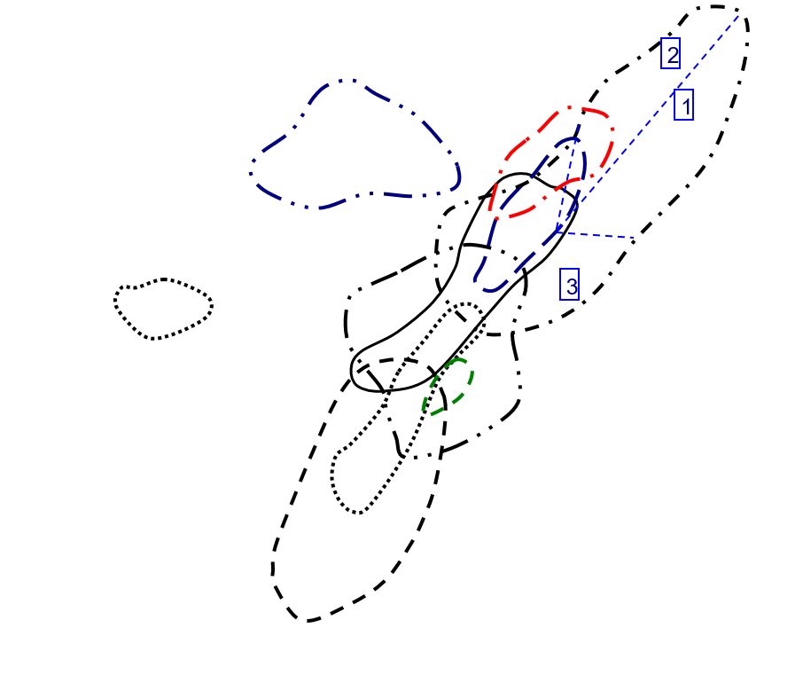
Y vs U in Zircon
 | Basalt |  | Carbonite |  | Dolerite |  | Granitoid (70-75% SiO2) |  | Granitoid (>65% SiO2) |  | Ne-syenite&Syenite Pegmatites
121.19 | 1496.03 | 134.14 | 434.93 | 158.56 | 1493.34 | 140.78 | 2183.8 | 133.66 | 957.73 | 47092.73 | 568349.31
 |  | 102.82 | 268.67 | 626.86 | 2313.36 | 1126.86 | 1999.21 | 148.56 | 1068.42 | 2220.34 | 360301.38
 |  | 114.66 | 479.76 | 146.95 | 714.16 | 509.08 | 2933.12 | 348.78 | 590.23 | 25309.41 | 387642.94
 |  | 147.5 | 255.17 | 131.64 | 1272.73 | 149.53 | 3133.56 | 64.9 | 674.88
 |  | 106.61 | 291.55 | 191 | 809.1 | 135.06 | 1964.3 | 334.47 | 696.56
 |  |  |  | 261.27 | 1149.48 | 471.74 | 2160.93 | 167.19 | 369.66
 |  |  |  | 525.36 | 1296.41 | 1018.04 | 1951.75 | 832.58 | 1052.49
 |  |  |  | 180.97 | 1064.57 |  |  | 702.58 | 808.09
 |  |  |  | 583.52 | 2055.66 |  |  | 545.11 | 1079.02
 |  |  |  | 105.99 | 809.26 |  |  | 417.29 | 448.63
 |  |  |  | 251.21 | 1826.98 |  |  | 183.76 | 714.88
 |  |  |  | 130.38 | 799.51 |  |  | 178.79 | 805.32
 |  |  |  | 165.91 | 836.73 |  |  | 248.05 | 856.39
 |  |  |  | 155.27 | 953.87 |  |  | 149.2 | 774.38
 |  |  |  | 75.99 | 817.44 |  |  | 484.94 | 1032.48
 |  |  |  | 423.32 | 4271.52 |  |  | 47.91 | 1529.04
 |  |  |  | 182.41 | 1209.34 |  |  | 385.77 | 446.54
 |  |  |  | 100.54 | 612.48 |  |  | 547.25 | 1076.28
 |  |  |  |  |  |  |  | 487.68 | 1748.43
 |  |  |  |  |  |  |  | 325.7 | 1538.97
 |  |  |  |  |  |  |  | 250.91 | 890.49

Y-Th Plot
Y vs Th in Zircon
 | Basalt |  | Carbonite |  | Dolerite |  | Granitoid (70-75% SiO2) |  | Granitoid (>65% SiO2) |  | Ne-syenite&Syenite Pegmatites
48.16 | 1496.03 | 146.89 | 434.93 | 81.37 | 1493.34 | 84.72 | 2183.8 | 59.09 | 957.73 | 319817.28 | 568349.31
 |  | 65.68 | 268.67 | 587.04 | 2313.36 | 230.6 | 1999.21 | 102.36 | 1068.42 | 18425.47 | 360301.38
 |  | 109.06 | 479.76 | 67.68 | 714.16 | 42.75 | 2933.12 | 179.74 | 590.23 | 175891.02 | 387642.94
 |  | 116.55 | 255.17 | 73.32 | 1272.73 | 88.41 | 3133.56 | 53.3 | 674.88
 |  | 47.78 | 291.55 | 52 | 809.1 | 134.96 | 1964.3 | 244.12 | 696.56
 |  |  |  | 202.08 | 1149.48 | 267.62 | 2160.93 | 54.23 | 369.66
 |  |  |  | 191.07 | 1296.41 | 610.53 | 1951.75 | 259.47 | 1052.49
 |  |  |  | 184.91 | 1064.57 |  |  | 53.77 | 808.09
 |  |  |  | 415.89 | 2055.66 |  |  | 288.96 | 1079.02
 |  |  |  | 78.76 | 809.26 |  |  | 116.34 | 448.63
 |  |  |  | 277.5 | 1826.98 |  |  | 168.84 | 714.88
 |  |  |  | 68.14 | 799.51 |  |  | 161.88 | 805.32
 |  |  |  | 97.4 | 836.73 |  |  | 119.38 | 856.39
 |  |  |  | 81.34 | 953.87 |  |  | 56.58 | 774.38
 |  |  |  | 88.68 | 817.44 |  |  | 178.7 | 1032.48
 |  |  |  | 285.06 | 4271.52 |  |  | 93.5 | 1529.04
 |  |  |  | 236.94 | 1209.34 |  |  | 104.11 | 446.54
 |  |  |  | 55.44 | 612.48 |  |  | 235.54 | 1076.28
 |  |  |  |  |  |  |  | 376.4 | 1748.43
 |  |  |  |  |  |  |  | 292.48 | 1538.97
 |  |  |  |  |  |  |  | 322.68 | 890.49

Y-YbSm Plot
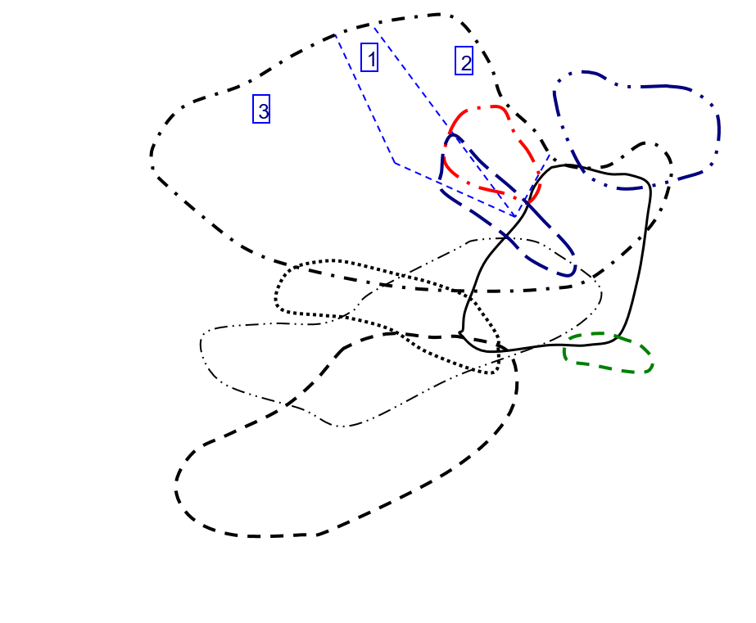
Y vs Yb/Sm in Zircon
 | Basalt |  | Carbonite |  | Dolerite |  | Granitoid (70-75% SiO2) |  | Granitoid (>65% SiO2) |  | Ne-syenite&Syenite Pegmatites
59.310116086 | 1496.03 | 22.64047619 | 434.93 | 37.859209257 | 1493.34 | 18.808880309 | 2183.8 | 62.727959698 | 957.73 | 0.57543063466 | 568349.31
 |  | 30.90625 | 268.67 | 61.000613874 | 2313.36 | 106.51201201 | 1999.21 | 34.610294118 | 1068.42 | 0.28176589597 | 360301.38
 |  | 19.436493739 | 479.76 | 90.752 | 714.16 | 169.08510638 | 2933.12 | 176.67647059 | 590.23 | 0.37345844825 | 387642.94
 |  | 27.471962617 | 255.17 | 48.787878788 | 1272.73 | 49.840075853 | 3133.56 | 73.586345382 | 674.88
 |  | 53.973684211 | 291.55 | 73.987138264 | 809.1 | 50.328422877 | 1964.3 | 23.135761589 | 696.56
 |  |  |  | 69.213084112 | 1149.48 | 110.87856072 | 2160.93 | 64.714876033 | 369.66
 |  |  |  | 122.41573034 | 1296.41 | 155.13384321 | 1951.75 | 14.604536489 | 1052.49
 |  |  |  | 23.684258417 | 1064.57 |  |  | 16.063094642 | 808.09
 |  |  |  | 7.2581201946 | 2055.66 |  |  | 11.122857143 | 1079.02
 |  |  |  | 51.923076923 | 809.26 |  |  | 23.129098361 | 448.63
 |  |  |  | 84.333333333 | 1826.98 |  |  | 131.7016129 | 714.88
 |  |  |  | 69.035928144 | 799.51 |  |  | 35.596560847 | 805.32
 |  |  |  | 62.379576108 | 836.73 |  |  | 47.20537428 | 856.39
 |  |  |  | 14.715254237 | 953.87 |  |  | 59.723557692 | 774.38
 |  |  |  | 21.706349206 | 817.44 |  |  | 63.135135135 | 1032.48
 |  |  |  | 74.183615819 | 4271.52 |  |  | 8.8825104105 | 1529.04
 |  |  |  | 59.565495208 | 1209.34 |  |  | 18.543296089 | 446.54
 |  |  |  | 55.449044586 | 612.48 |  |  | 33.377985462 | 1076.28
 |  |  |  |  |  |  |  | 18.301079914 | 1748.43
 |  |  |  |  |  |  |  | 48.181818182 | 1538.97
 |  |  |  |  |  |  |  | 16.355011933 | 890.49

Y-NbTa Plot
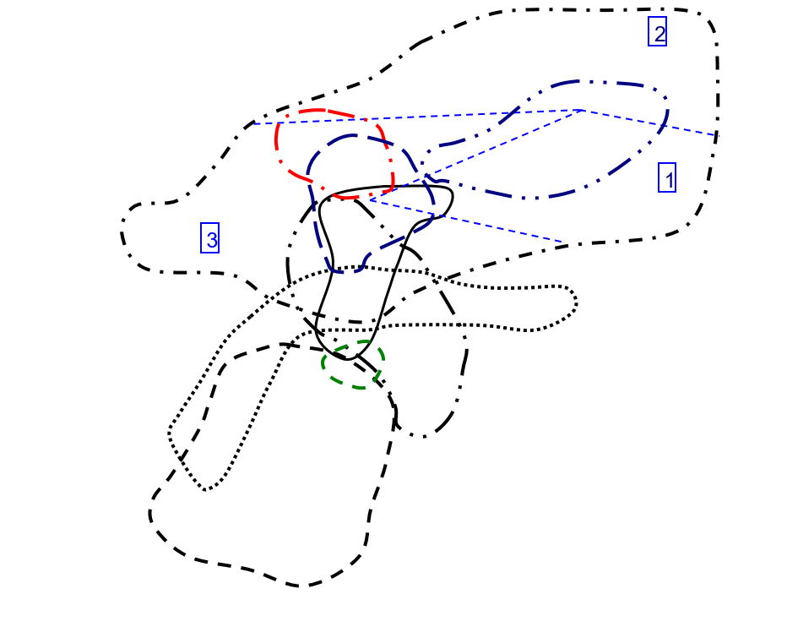
Y vs Nb/Ta in Zircon
 | Basalt |  | Carbonite |  | Dolerite |  | Granitoid (70-75% SiO2) |  | Granitoid (>65% SiO2) |  | Ne-syenite&Syenite Pegmatites
3.1791044776 | 1496.03 | 4.6346938776 | 434.93 | 6.1790017212 | 1493.34 | 4.5434298441 | 2183.8 | 2.9821073559 | 957.73 | 17.106951583 | 568349.31
 |  | 4.2134831461 | 268.67 | 24.123853211 | 2313.36 | 2.2564276049 | 1999.21 | 40.323955669 | 1068.42 | 12.532710776 | 360301.38
 |  | 16.148648649 | 479.76 | 2.8358208955 | 714.16 | 1.9550858653 | 2933.12 | 11.315789474 | 590.23 | 12.953453241 | 387642.94
 |  | 3.6182572614 | 255.17 | 2.8479381443 | 1272.73 | 3.3299284985 | 3133.56 | 3.2018561485 | 674.88
 |  | 3.4525547445 | 291.55 | 2.5191204589 | 809.1 | 2.6843317972 | 1964.3 | 6.5133171913 | 696.56
 |  |  |  | 5.1222351572 | 1149.48 | 8.9166666667 | 2160.93 | 6.9230769231 | 369.66
 |  |  |  | 2.9122055675 | 1296.41 | 6.3266475645 | 1951.75 | 8.7415730337 | 1052.49
 |  |  |  | 13.953750705 | 1064.57 |  |  | 7.2840867328 | 808.09
 |  |  |  | 30.082524272 | 2055.66 |  |  | 24.576271186 | 1079.02
 |  |  |  | 15.189873418 | 809.26 |  |  | 5.6959314775 | 448.63
 |  |  |  | 3.6857825568 | 1826.98 |  |  | 5.2165354331 | 714.88
 |  |  |  | 3.0285714286 | 799.51 |  |  | 14.589892295 | 805.32
 |  |  |  | 6.2380538662 | 836.73 |  |  | 6.5394402036 | 856.39
 |  |  |  | 3.0270655271 | 953.87 |  |  | 7.1980676329 | 774.38
 |  |  |  | 3.851044505 | 817.44 |  |  | 3.4788108792 | 1032.48
 |  |  |  | 3.1629701061 | 4271.52 |  |  | 15.092624357 | 1529.04
 |  |  |  | 4.1028938907 | 1209.34 |  |  | 3.056379822 | 446.54
 |  |  |  | 3.5815508021 | 612.48 |  |  | 4.4338235294 | 1076.28
 |  |  |  |  |  |  |  | 14.516034985 | 1748.43
 |  |  |  |  |  |  |  | 9.3159609121 | 1538.97
 |  |  |  |  |  |  |  | 20.647302905 | 890.49

Y-ThU Plot
Y vs Th/U in Zircon
 | Basalt |  | Carbonite |  | Dolerite |  | Granitoid (70-75% SiO2) |  | Granitoid (>65% SiO2) |  | Ne-syenite&Syenite Pegmatites
0.39739252414 | 1496.03 | 1.0950499478 | 434.93 | 0.51318113017 | 1493.34 | 0.60179002699 | 2183.8 | 0.44209187491 | 957.73 | 6.7912240382 | 568349.31
 |  | 0.63878622836 | 268.67 | 0.93647704432 | 2313.36 | 0.20463944057 | 1999.21 | 0.68901453958 | 1068.42 | 8.2984903213 | 360301.38
 |  | 0.95115995116 | 479.76 | 0.46056481797 | 714.16 | 0.08397501375 | 2933.12 | 0.51533918229 | 590.23 | 6.9496294066 | 387642.94
 |  | 0.79016949153 | 255.17 | 0.55697356427 | 1272.73 | 0.59125259145 | 3133.56 | 0.82126348228 | 674.88
 |  | 0.44817559328 | 291.55 | 0.2722513089 | 809.1 | 0.99925958833 | 1964.3 | 0.72987113941 | 696.56
 |  |  |  | 0.77345275003 | 1149.48 | 0.5673040234 | 2160.93 | 0.32436150487 | 369.66
 |  |  |  | 0.36369346734 | 1296.41 | 0.59971120978 | 1951.75 | 0.31164572774 | 1052.49
 |  |  |  | 1.0217715643 | 1064.57 |  |  | 0.076532209855 | 808.09
 |  |  |  | 0.71272621333 | 2055.66 |  |  | 0.53009484324 | 1079.02
 |  |  |  | 0.74308897066 | 809.26 |  |  | 0.27879891682 | 448.63
 |  |  |  | 1.1046534772 | 1826.98 |  |  | 0.91880713975 | 714.88
 |  |  |  | 0.52262616966 | 799.51 |  |  | 0.90541976621 | 805.32
 |  |  |  | 0.58706527635 | 836.73 |  |  | 0.48127393671 | 856.39
 |  |  |  | 0.52386166033 | 953.87 |  |  | 0.37922252011 | 774.38
 |  |  |  | 1.1669956573 | 817.44 |  |  | 0.36849919578 | 1032.48
 |  |  |  | 0.67339128791 | 4271.52 |  |  | 1.9515758714 | 1529.04
 |  |  |  | 1.298941944 | 1209.34 |  |  | 0.26987583275 | 446.54
 |  |  |  | 0.55142231947 | 612.48 |  |  | 0.43040657835 | 1076.28
 |  |  |  |  |  |  |  | 0.7718175853 | 1748.43
 |  |  |  |  |  |  |  | 0.89800429843 | 1538.97
 |  |  |  |  |  |  |  | 1.2860388187 | 890.49

Y-CeCe Plot
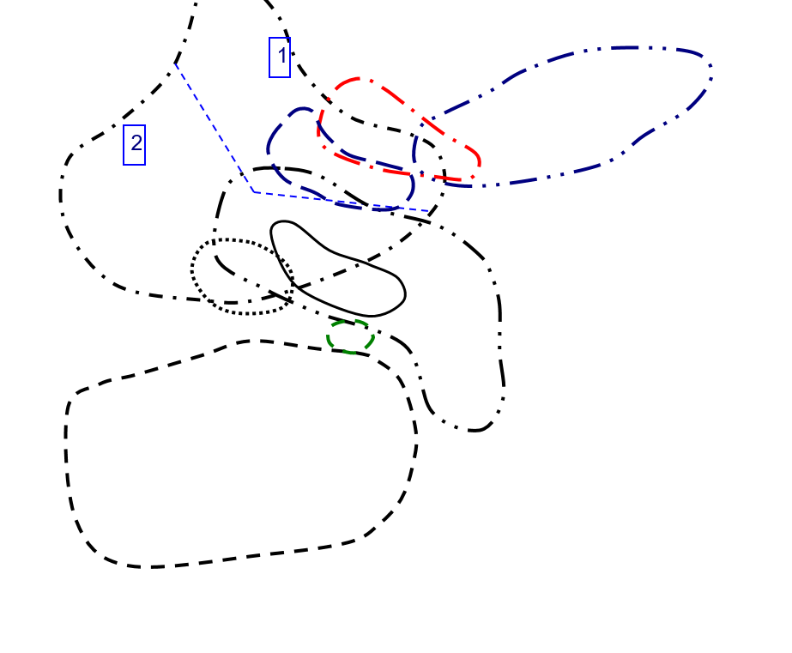
Y vs Ce/Ce in Zircon
 | Basalt |  | Carbonite |  | Dolerite |  | Granitoid (70-75% SiO2) |  | Granitoid (>65% SiO2) |  | Ne-syenite&Syenite Pegmatites
8.3907580057 | 1496.03 | 42.342995169 | 434.93 | 18.390804598 | 1493.34 | 3.4529852899 | 2183.8 | 141.14977307 | 957.73 | 3.5574426118 | 568349.31
 |  | 41.358490566 | 268.67 | 26.211045365 | 2313.36 | 21.10877193 | 1999.21 | 7.4502863092 | 1068.42 | 4.5615444217 | 360301.38
 |  | 61.053677932 | 479.76 | 160.45895852 | 714.16 | 45.263157895 | 2933.12 | 124.1503268 | 590.23 | 3.9685356991 | 387642.94
 |  | 212.14007782 | 255.17 | 45.347313237 | 1272.73 | 51.883495146 | 3133.56 | 125.85669782 | 674.88
 |  | 18.070175439 | 291.55 | 83.426883309 | 809.1 | 107.94055202 | 1964.3 | 8.0603968939 | 696.56
 |  |  |  | 17.257064094 | 1149.48 | 46.422668241 | 2160.93 | 17.137254902 | 369.66
 |  |  |  | 282.93612965 | 1296.41 | 68.36552049 | 1951.75 | 6.5634458673 | 1052.49
 |  |  |  | 6.502170767 | 1064.57 |  |  | 4.3879615579 | 808.09
 |  |  |  | 5.1253815163 | 2055.66 |  |  | 6.0026200873 | 1079.02
 |  |  |  | 12.621507845 | 809.26 |  |  | 14.17766051 | 448.63
 |  |  |  | 158.7434555 | 1826.98 |  |  | 15.887468031 | 714.88
 |  |  |  | 57.068403909 | 799.51 |  |  | 12.91278113 | 805.32
 |  |  |  | 10.108339632 | 836.73 |  |  | 9.2976266838 | 856.39
 |  |  |  | 3.770745429 | 953.87 |  |  | 5.3651429612 | 774.38
 |  |  |  | 45.688073394 | 817.44 |  |  | 13.098299461 | 1032.48
 |  |  |  | 27.93867121 | 4271.52 |  |  | 6.7825651303 | 1529.04
 |  |  |  | 219.33333333 | 1209.34 |  |  | 10.60362173 | 446.54
 |  |  |  | 41.884057971 | 612.48 |  |  | 5.4663651781 | 1076.28
 |  |  |  |  |  |  |  | 7.7282518641 | 1748.43
 |  |  |  |  |  |  |  | 8.1434407626 | 1538.97
 |  |  |  |  |  |  |  | 7.2867582578 | 890.49

Y-EuEu Plot
Y vs Eu/Eu in Zircon
 | Basalt |  | Carbonite |  | Dolerite |  | Granitoid (70-75% SiO2) |  | Granitoid (>65% SiO2) |  | Ne-syenite&Syenite Pegmatites
0.020157894737 | 1496.03 | 0.04831625183 | 434.93 | 0.037942727958 | 1493.34 | 0.081347576007 | 2183.8 | 0.016704459562 | 957.73 | 0.26923625013 | 568349.31
 |  | 0.17394711068 | 268.67 | 0.17146800069 | 2313.36 | 0.04032726313 | 1999.21 | 0.099892530897 | 1068.42 | 0.20042176513 | 360301.38
 |  | 0.1477394636 | 479.76 | 0.017602040816 | 714.16 | 0.021078431373 | 2933.12 | 0.13467202142 | 590.23 | 0.22879809992 | 387642.94
 |  | 0.10243462579 | 255.17 | 0.052513089005 | 1272.73 | 0.050529747351 | 3133.56 | 0.020764403879 | 674.88
 |  | 0.020881670534 | 291.55 | 0.044634760705 | 809.1 | 0.15113583681 | 1964.3 | 0.20048729551 | 696.56
 |  |  |  | 0.16780487805 | 1149.48 | 0.07068803016 | 2160.93 | 0.14462809917 | 369.66
 |  |  |  | 0.066981132075 | 1296.41 | 0.16231171227 | 1951.75 | 0.32292200034 | 1052.49
 |  |  |  | 0.10638662666 | 1064.57 |  |  | 0.81784867428 | 808.09
 |  |  |  | 0.14966714218 | 2055.66 |  |  | 0.1612112473 | 1079.02
 |  |  |  | 0.042660944206 | 809.26 |  |  | 0.17702702703 | 448.63
 |  |  |  | 0.08222737819 | 1826.98 |  |  | 0.93617021277 | 714.88
 |  |  |  | 0.023976023976 | 799.51 |  |  | 0.14268333897 | 805.32
 |  |  |  | 0.18509566969 | 836.73 |  |  | 0.060442900564 | 856.39
 |  |  |  | 0.033079613248 | 953.87 |  |  | 0.090858104319 | 774.38
 |  |  |  | 0.036428389723 | 817.44 |  |  | 0.069427527406 | 1032.48
 |  |  |  | 0.032501660184 | 4271.52 |  |  | 0.12352485141 | 1529.04
 |  |  |  | 0.15859487475 | 1209.34 |  |  | 0.16784347086 | 446.54
 |  |  |  | 0.046256239601 | 612.48 |  |  | 0.077393767705 | 1076.28
 |  |  |  |  |  |  |  | 0.054295609429 | 1748.43
 |  |  |  |  |  |  |  | 0.10310654685 | 1538.97
 |  |  |  |  |  |  |  | 0.23799955347 | 890.49

Hf-Y Plot
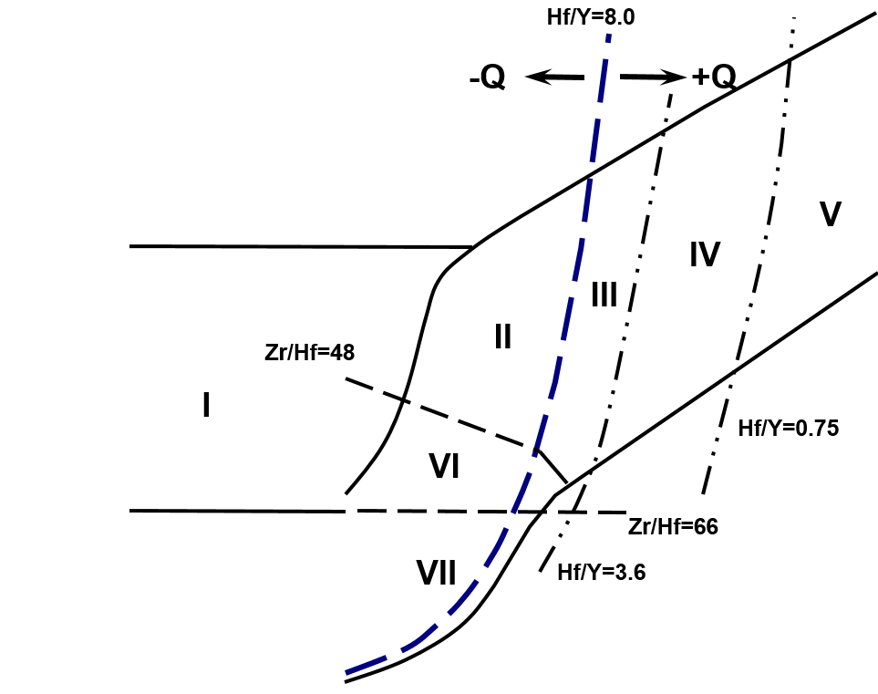
Hf vs Y in Zircon
 | Basalt |  | Carbonite |  | Dolerite |  | Granitoid (70-75% SiO2) |  | Granitoid (>65% SiO2) |  | Ne-syenite&Syenite Pegmatites
1496.03 | 0.774608 | 434.93 | 1.296375 | 1493.34 | 0.9153 | 2183.8 | 1.389952 | 957.73 | 1.693983 | 568349.31 | 3.585163
 |  | 268.67 | 1.03521 | 2313.36 | 1.006787 | 1999.21 | 2.131778 | 1068.42 | 1.753085 | 360301.38 | 1.845081
 |  | 479.76 | 0.825458 | 714.16 | 1.011569 | 2933.12 | 2.559602 | 590.23 | 1.133913 | 387642.94 | 1.794029
 |  | 255.17 | 1.016371 | 1272.73 | 0.872389 | 3133.56 | 1.699829 | 674.88 | 1.063995
 |  | 291.55 | 1.06063 | 809.1 | 0.996848 | 1964.3 | 1.463683 | 696.56 | 1.183609
 |  |  |  | 1149.48 | 0.904046 | 2160.93 | 1.916687 | 369.66 | 1.295716
 |  |  |  | 1296.41 | 0.943387 | 1951.75 | 1.818965 | 1052.49 | 1.301479
 |  |  |  | 1064.57 | 0.991075 |  |  | 808.09 | 1.333259
 |  |  |  | 2055.66 | 0.975309 |  |  | 1079.02 | 1.12337
 |  |  |  | 809.26 | 1.010605 |  |  | 448.63 | 1.049555
 |  |  |  | 1826.98 | 0.906326 |  |  | 714.88 | 1.053153
 |  |  |  | 799.51 | 0.978506 |  |  | 805.32 | 1.058633
 |  |  |  | 836.73 | 1.001201 |  |  | 856.39 | 1.087227
 |  |  |  | 953.87 | 1.01016 |  |  | 774.38 | 1.163814
 |  |  |  | 817.44 | 0.997554 |  |  | 1032.48 | 1.051696
 |  |  |  | 4271.52 | 0.809023 |  |  | 1529.04 | 1.063045
 |  |  |  | 1209.34 | 0.882812 |  |  | 446.54 | 1.253785
 |  |  |  | 612.48 | 0.973173 |  |  | 1076.28 | 1.29812
 |  |  |  |  |  |  |  | 1748.43 | 1.049062
 |  |  |  |  |  |  |  | 1538.97 | 1.064626
 |  |  |  |  |  |  |  | 890.49 | 1.087047

Nb-Ta Plot
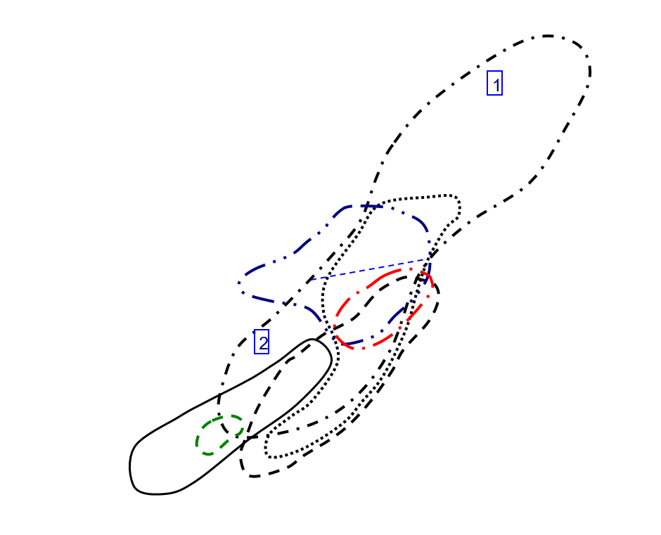
Nb vs Ta in Zircon
 | Basalt |  | Carbonite |  | Dolerite |  | Granitoid (70-75% SiO2) |  | Granitoid (>65% SiO2) |  | Ne-syenite&Syenite Pegmatites
1.34 | 4.26 | 0.49 | 2.271 | 0.581 | 3.59 | 2.245 | 10.2 | 1.509 | 4.5 | 35797.6 | 612387.81
 |  | 0.712 | 3 | 2.18 | 52.59 | 14.78 | 33.35 | 2.346 | 94.6 | 13010.85 | 163061.22
 |  | 0.296 | 4.78 | 1.742 | 4.94 | 15.14 | 29.6 | 0.304 | 3.44 | 30007.03 | 388694.66
 |  | 0.482 | 1.744 | 1.552 | 4.42 | 0.979 | 3.26 | 0.862 | 2.76
 |  | 0.411 | 1.419 | 2.092 | 5.27 | 0.434 | 1.165 | 2.065 | 13.45
 |  |  |  | 0.859 | 4.4 | 1.2 | 10.7 | 0.585 | 4.05
 |  |  |  | 1.401 | 4.08 | 1.745 | 11.04 | 4.45 | 38.9
 |  |  |  | 1.773 | 24.74 |  |  | 2.721 | 19.82
 |  |  |  | 12.36 | 371.82 |  |  | 4.72 | 116
 |  |  |  | 0.948 | 14.4 |  |  | 1.868 | 10.64
 |  |  |  | 1.674 | 6.17 |  |  | 1.016 | 5.3
 |  |  |  | 1.4 | 4.24 |  |  | 1.207 | 17.61
 |  |  |  | 1.151 | 7.18 |  |  | 3.93 | 25.7
 |  |  |  | 1.404 | 4.25 |  |  | 0.621 | 4.47
 |  |  |  | 1.101 | 4.24 |  |  | 1.581 | 5.5
 |  |  |  | 1.037 | 3.28 |  |  | 5.83 | 87.99
 |  |  |  | 0.622 | 2.552 |  |  | 1.011 | 3.09
 |  |  |  | 0.748 | 2.679 |  |  | 4.08 | 18.09
 |  |  |  |  |  |  |  | 3.43 | 49.79
 |  |  |  |  |  |  |  | 3.07 | 28.6
 |  |  |  |  |  |  |  | 4.82 | 99.52

U-Th Plot
U vs Th in Zircon
 | Basalt |  | Carbonite |  | Dolerite |  | Granitoid (70-75% SiO2) |  | Granitoid (>65% SiO2) |  | Ne-syenite&Syenite Pegmatites
48.16 | 121.19 | 146.89 | 134.14 | 81.37 | 158.56 | 84.72 | 140.78 | 59.09 | 133.66 | 319817.28 | 47092.73
 |  | 65.68 | 102.82 | 587.04 | 626.86 | 230.6 | 1126.86 | 102.36 | 148.56 | 18425.47 | 2220.34
 |  | 109.06 | 114.66 | 67.68 | 146.95 | 42.75 | 509.08 | 179.74 | 348.78 | 175891.02 | 25309.41
 |  | 116.55 | 147.5 | 73.32 | 131.64 | 88.41 | 149.53 | 53.3 | 64.9
 |  | 47.78 | 106.61 | 52 | 191 | 134.96 | 135.06 | 244.12 | 334.47
 |  |  |  | 202.08 | 261.27 | 267.62 | 471.74 | 54.23 | 167.19
 |  |  |  | 191.07 | 525.36 | 610.53 | 1018.04 | 259.47 | 832.58
 |  |  |  | 184.91 | 180.97 |  |  | 53.77 | 702.58
 |  |  |  | 415.89 | 583.52 |  |  | 288.96 | 545.11
 |  |  |  | 78.76 | 105.99 |  |  | 116.34 | 417.29
 |  |  |  | 277.5 | 251.21 |  |  | 168.84 | 183.76
 |  |  |  | 68.14 | 130.38 |  |  | 161.88 | 178.79
 |  |  |  | 97.4 | 165.91 |  |  | 119.38 | 248.05
 |  |  |  | 81.34 | 155.27 |  |  | 56.58 | 149.2
 |  |  |  | 88.68 | 75.99 |  |  | 178.7 | 484.94
 |  |  |  | 285.06 | 423.32 |  |  | 93.5 | 47.91
 |  |  |  | 236.94 | 182.41 |  |  | 104.11 | 385.77
 |  |  |  | 55.44 | 100.54 |  |  | 235.54 | 547.25
 |  |  |  |  |  |  |  | 376.4 | 487.68
 |  |  |  |  |  |  |  | 292.48 | 325.7
 |  |  |  |  |  |  |  | 322.68 | 250.91

CeCe-EuEu Plot
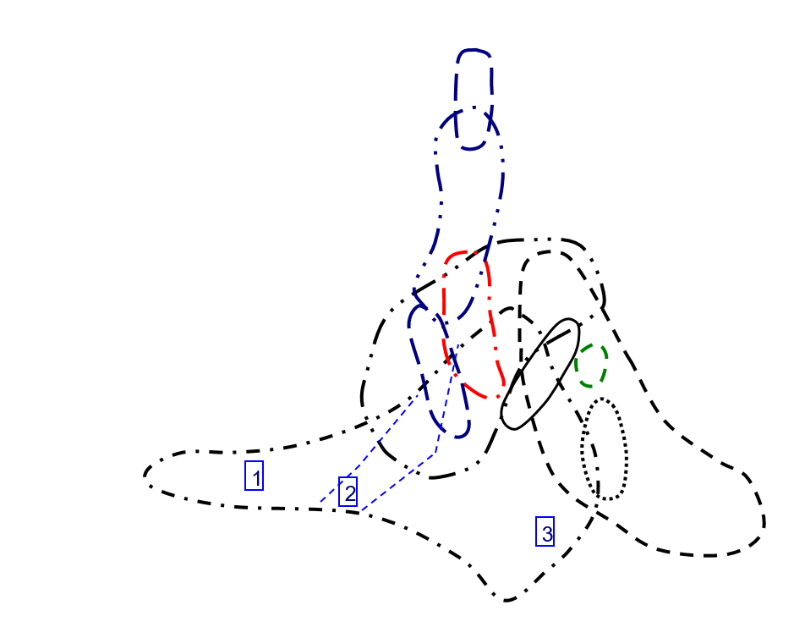
Ce/Ce vs Eu/Eu in Zircon
 | Basalt |  | Carbonite |  | Dolerite |  | Granitoid (70-75% SiO2) |  | Granitoid (>65% SiO2) |  | Ne-syenite&Syenite Pegmatites
0.020157894737 | 8.3907580057 | 0.04831625183 | 42.342995169 | 0.037942727958 | 18.390804598 | 0.081347576007 | 3.4529852899 | 0.016704459562 | 141.14977307 | 0.26923625013 | 3.5574426118
 |  | 0.17394711068 | 41.358490566 | 0.17146800069 | 26.211045365 | 0.04032726313 | 21.10877193 | 0.099892530897 | 7.4502863092 | 0.20042176513 | 4.5615444217
 |  | 0.1477394636 | 61.053677932 | 0.017602040816 | 160.45895852 | 0.021078431373 | 45.263157895 | 0.13467202142 | 124.1503268 | 0.22879809992 | 3.9685356991
 |  | 0.10243462579 | 212.14007782 | 0.052513089005 | 45.347313237 | 0.050529747351 | 51.883495146 | 0.020764403879 | 125.85669782
 |  | 0.020881670534 | 18.070175439 | 0.044634760705 | 83.426883309 | 0.15113583681 | 107.94055202 | 0.20048729551 | 8.0603968939
 |  |  |  | 0.16780487805 | 17.257064094 | 0.07068803016 | 46.422668241 | 0.14462809917 | 17.137254902
 |  |  |  | 0.066981132075 | 282.93612965 | 0.16231171227 | 68.36552049 | 0.32292200034 | 6.5634458673
 |  |  |  | 0.10638662666 | 6.502170767 |  |  | 0.81784867428 | 4.3879615579
 |  |  |  | 0.14966714218 | 5.1253815163 |  |  | 0.1612112473 | 6.0026200873
 |  |  |  | 0.042660944206 | 12.621507845 |  |  | 0.17702702703 | 14.17766051
 |  |  |  | 0.08222737819 | 158.7434555 |  |  | 0.93617021277 | 15.887468031
 |  |  |  | 0.023976023976 | 57.068403909 |  |  | 0.14268333897 | 12.91278113
 |  |  |  | 0.18509566969 | 10.108339632 |  |  | 0.060442900564 | 9.2976266838
 |  |  |  | 0.033079613248 | 3.770745429 |  |  | 0.090858104319 | 5.3651429612
 |  |  |  | 0.036428389723 | 45.688073394 |  |  | 0.069427527406 | 13.098299461
 |  |  |  | 0.032501660184 | 27.93867121 |  |  | 0.12352485141 | 6.7825651303
 |  |  |  | 0.15859487475 | 219.33333333 |  |  | 0.16784347086 | 10.60362173
 |  |  |  | 0.046256239601 | 41.884057971 |  |  | 0.077393767705 | 5.4663651781
 |  |  |  |  |  |  |  | 0.054295609429 | 7.7282518641
 |  |  |  |  |  |  |  | 0.10310654685 | 8.1434407626
 |  |  |  |  |  |  |  | 0.23799955347 | 7.2867582578

TrElem Chart
Trace Element Patterns of Zircons
 | INT1-01 | INT1-02 | INT1-03 | INT1-04 | INT1-07 | INT1-08 | INT1-09 | INT1-10 | INT1-11 | INT1-12 | INT1-13 | INT1-14C
La | 974.85232068 | 392452.48945 | 1410.3797468 | 31565.864979 | 1508.1012658 | 3417.1308017 | 1309.1983122 | 1466.8776371 | 1446.2447257 | 722.15189873 | 480.12658228 | 188.77637131
Ce | 36.672104405 | 0 | 1523.278956 | 790.68515498 | 41.843393148 | 32.414355628 | 16.867862969 | 47.438825449 | 17.194127243 | 12.903752039 | 15.807504078 | 37.161500816
Pr | 10320.366379 | 6124453.7716 | 11513.146552 | 23532.327586 | 21543.211207 | 31606.896552 | 33766.810345 | 21167.025862 | 23285.883621 | 21031.788793 | 16092.025862 | 24928.448276
Nd | 9.8468271335 | 1340017.0897 | 207.00218818 | 22.319474836 | 72.975929978 | 64.7702407 | 7.1334792123 | 2.5492341357 | 23.41356674 | 24.157549234 | 7.8555798687 | 115.07658643
Sm | 0.075675675676 | 6312027.9054 | 103.04054054 | 743.64864865 | 9.9324324324 | 1.6351351351 | 0.18243243243 | 0.51351351351 | 2.4662162162 | 8.6959459459 | 2.3918918919 | 35.540540541
Eu | 165.71936057 | 35984560.391 | 1271.0479574 | 4252.7531083 | 534.28063943 | 206.21669627 | 237.30017762 | 451.50976909 | 349.20071048 | 1288.9875666 | 142.09591474 | 2360.3907638
Gd | 0.60804020101 | 1029152.8643 | 19.899497487 | 143.81909548 | 6.9346733668 | 1.3618090452 | 2.4522613065 | 1.9849246231 | 2.4221105528 | 4.2010050251 | 2.5929648241 | 24.522613065
Th | 65.986394558 | 23960274.15 | 829.25170068 | 4276.5306122 | 294.21768707 | 70.74829932 | 305.78231293 | 242.17687075 | 167.68707483 | 208.50340136 | 250 | 1013.6054422
Dy | 16.138211382 | 483156.70732 | 33.170731707 | 126.34146341 | 27.073170732 | 17.195121951 | 64.308943089 | 46.910569106 | 27.113821138 | 21.260162602 | 42.154471545 | 66.219512195
Y | 0.14076433121 | 18881.292994 | 1.1840764331 | 2.5222929936 | 0.48662420382 | 0.27388535032 | 1.5796178344 | 3.1146496815 | 0.95541401274 | 1.6815286624 | 0.64140127389 | 3.1656050955
Ho | 411.9047619 | 1856204.9451 | 532.23443223 | 1213.9194139 | 571.97802198 | 669.78021978 | 1508.0586081 | 973.80952381 | 655.12820513 | 500 | 782.23443223 | 763.36996337
Er | 542.1875 | 624325.125 | 609.1875 | 1282.5625 | 941.875 | 1608.5 | 1876.6875 | 1114.0625 | 1044.9375 | 798.1875 | 891.125 | 921.4375
U | 4289.1891892 | 2792097.2973 | 4709.4594595 | 10090.540541 | 8345.9459459 | 12385.135135 | 14750 | 8770.2702703 | 9370.2702703 | 7552.7027027 | 6848.6486486 | 8531.0810811
Yb | 871.24223602 | 369208.13665 | 950.1242236 | 2027.5776398 | 1944.6583851 | 2467.826087 | 2890 | 1779.5652174 | 2090.8074534 | 1870.7453416 | 1367.0807453 | 2180.1242236
Lu | 10123.170732 | 2780231.7073 | 11480.487805 | 23763.414634 | 28836.178862 | 29074.390244 | 32051.626016 | 23609.349593 | 30063.414634 | 32981.707317 | 15959.349593 | 40394.308943
Hf | 467.08737864 | 104054.95146 | 536.21359223 | 1090.1941748 | 1468.2524272 | 1336.1165049 | 1471.9417476 | 1120.1941748 | 1540.3883495 | 1877.8640777 | 680.67961165 | 2244.368932
Nb | 70582.625 | 149381.79167 | 73045.208333 | 57914.666667 | 88824.083333 | 106650.08333 | 70826.208333 | 60986.791667 | 79861.958333 | 75790.208333 | 38137.5 | 41949.458333
Ta | 110.95588235 | 2632176.4706 | 172.5 | 165.07352941 | 1086.7647059 | 1113.2352941 | 71.985294118 | 31.911764706 | 88.235294118 | 128.30882353 | 42.720588235 | 160.29411765
Ti | 0.13429545455 | 726.85745455 | 0.23263636364 | 0.19254545455 | 0.52409090909 | 0.097159090909 | 0.20093181818 | 0.30672727273 | 0.60822727273 | 1.3875681818 | 0.18493181818 | 1.3341818182
P | 0.12375925926 | 43.60437963 | 0.13755555556 | 0.13035185185 | 1.0433888889 | 0.47137037037 | 0.1384537037 | 0.12505555556 | 0.4367962963 | 0.94262962963 | 0.14681481481 | 0.58042592593

REE Chart
Trace Element Patterns of Zircons
 | INT1-01 | INT1-02 | INT1-03 | INT1-04 | INT1-07 | INT1-08 | INT1-09 | INT1-10 | INT1-11 | INT1-12 | INT1-13 | INT1-14C
La | 0.047257383966 | 3941688.3122 | 64.345991561 | 464.38818565 | 6.2025316456 | 1.0210970464 | 0.11392405063 | 0.32067510549 | 1.5400843882 | 5.4303797468 | 1.4936708861 | 22.194092827
Ce | 15.220228385 | 3304944.1272 | 116.73735726 | 390.58727569 | 49.070146819 | 18.939641109 | 21.794453507 | 41.468189233 | 32.07177814 | 118.38499184 | 13.050570962 | 216.7862969
Pr | 1.3038793103 | 2206911.8534 | 42.672413793 | 308.40517241 | 14.870689655 | 2.9202586207 | 5.2586206897 | 4.2564655172 | 5.1939655172 | 9.0086206897 | 5.5603448276 | 52.586206897
Nd | 4.2450765864 | 1541426.8271 | 53.347921225 | 275.12035011 | 18.927789934 | 4.5514223195 | 19.671772429 | 15.579868709 | 10.787746171 | 13.41356674 | 16.083150985 | 65.207877462
Sm | 26.824324324 | 803084.7973 | 55.135135135 | 210 | 45 | 28.581081081 | 106.89189189 | 77.972972973 | 45.067567568 | 35.337837838 | 70.067567568 | 110.06756757
Eu | 3.9253996448 | 526529.84014 | 33.019538188 | 70.337477798 | 13.570159858 | 7.6376554174 | 44.04973357 | 86.856127886 | 26.642984014 | 46.891651865 | 17.886323268 | 88.277087034
Gd | 113.01507538 | 509290.40201 | 146.03015075 | 333.06532663 | 156.93467337 | 183.76884422 | 413.76884422 | 267.18592965 | 179.74874372 | 137.18592965 | 214.62311558 | 209.44723618
Tb | 196.95290859 | 427046.8144 | 229.6398892 | 490.02770083 | 309.41828255 | 481.99445983 | 696.39889197 | 417.72853186 | 362.60387812 | 247.64542936 | 343.2132964 | 324.3767313
Dy | 352.64227642 | 406065.12195 | 396.2195122 | 834.18699187 | 612.60162602 | 1046.1788618 | 1220.6097561 | 724.59349593 | 679.63414634 | 519.14634146 | 579.59349593 | 599.30894309
Ho | 581.31868132 | 378416.11722 | 638.27838828 | 1367.5824176 | 1131.1355311 | 1678.5714286 | 1999.0842491 | 1188.6446886 | 1269.96337 | 1023.6263736 | 928.20512821 | 1156.2271062
Er | 876.6875 | 371515.6875 | 956.0625 | 2040.25 | 1956.8125 | 2483.25 | 2908.0625 | 1790.6875 | 2103.875 | 1882.4375 | 1375.625 | 2193.75
Tm | 1137.2469636 | 371667.20648 | 1261.9433198 | 2656.2753036 | 2904.048583 | 3231.9838057 | 3652.6315789 | 2482.5910931 | 3042.1052632 | 2969.6356275 | 1773.6842105 | 3624.291498
Yb | 1546.7701863 | 424805.59006 | 1754.1614907 | 3630.931677 | 4406.0248447 | 4442.4223602 | 4897.3291925 | 3607.3913043 | 4593.5403727 | 5039.4409938 | 2438.5093168 | 6172.0496894
Lu | 1955.6910569 | 435677.23577 | 2245.1219512 | 4564.6341463 | 6147.5609756 | 5594.3089431 | 6163.0081301 | 4690.2439024 | 6449.5934959 | 7862.601626 | 2850 | 9397.1544715

