Y-U data Plot

U vs Y in Zircon
 | Basalt |  | Carbonite |  | Dolerite |  | Granitoid (70-75% SiO2) |  | Granitoid (>65% SiO2) |  | Ne-syenite&Syenite Pegmatites
1496.03 | 121.19 | 434.93 | 134.14 | 1493.34 | 158.56 | 2183.8 | 140.78 | 957.73 | 133.66 | 568349.31 | 47092.73
 |  | 268.67 | 102.82 | 2313.36 | 626.86 | 1999.21 | 1126.86 | 1068.42 | 148.56 | 360301.38 | 2220.34
 |  | 479.76 | 114.66 | 714.16 | 146.95 | 2933.12 | 509.08 | 590.23 | 348.78 | 387642.94 | 25309.41
 |  | 255.17 | 147.5 | 1272.73 | 131.64 | 3133.56 | 149.53 | 674.88 | 64.9
 |  | 291.55 | 106.61 | 809.1 | 191 | 1964.3 | 135.06 | 696.56 | 334.47
 |  |  |  | 1149.48 | 261.27 | 2160.93 | 471.74 | 369.66 | 167.19
 |  |  |  | 1296.41 | 525.36 | 1951.75 | 1018.04 | 1052.49 | 832.58
 |  |  |  | 1064.57 | 180.97 |  |  | 808.09 | 702.58
 |  |  |  | 2055.66 | 583.52 |  |  | 1079.02 | 545.11
 |  |  |  | 809.26 | 105.99 |  |  | 448.63 | 417.29
 |  |  |  | 1826.98 | 251.21 |  |  | 714.88 | 183.76
 |  |  |  | 799.51 | 130.38 |  |  | 805.32 | 178.79
 |  |  |  | 836.73 | 165.91 |  |  | 856.39 | 248.05
 |  |  |  | 953.87 | 155.27 |  |  | 774.38 | 149.2
 |  |  |  | 817.44 | 75.99 |  |  | 1032.48 | 484.94
 |  |  |  | 4271.52 | 423.32 |  |  | 1529.04 | 47.91
 |  |  |  | 1209.34 | 182.41 |  |  | 446.54 | 385.77
 |  |  |  | 612.48 | 100.54 |  |  | 1076.28 | 547.25
 |  |  |  |  |  |  |  | 1748.43 | 487.68
 |  |  |  |  |  |  |  | 1538.97 | 325.7
 |  |  |  |  |  |  |  | 890.49 | 250.91

Y-Th data Plot

Th vs Y in Zircon
 | Basalt |  | Carbonite |  | Dolerite |  | Granitoid (70-75% SiO2) |  | Granitoid (>65% SiO2) |  | Ne-syenite&Syenite Pegmatites
1496.03 | 48.16 | 434.93 | 146.89 | 1493.34 | 81.37 | 2183.8 | 84.72 | 957.73 | 59.09 | 568349.31 | 319817.28
 |  | 268.67 | 65.68 | 2313.36 | 587.04 | 1999.21 | 230.6 | 1068.42 | 102.36 | 360301.38 | 18425.47
 |  | 479.76 | 109.06 | 714.16 | 67.68 | 2933.12 | 42.75 | 590.23 | 179.74 | 387642.94 | 175891.02
 |  | 255.17 | 116.55 | 1272.73 | 73.32 | 3133.56 | 88.41 | 674.88 | 53.3
 |  | 291.55 | 47.78 | 809.1 | 52 | 1964.3 | 134.96 | 696.56 | 244.12
 |  |  |  | 1149.48 | 202.08 | 2160.93 | 267.62 | 369.66 | 54.23
 |  |  |  | 1296.41 | 191.07 | 1951.75 | 610.53 | 1052.49 | 259.47
 |  |  |  | 1064.57 | 184.91 |  |  | 808.09 | 53.77
 |  |  |  | 2055.66 | 415.89 |  |  | 1079.02 | 288.96
 |  |  |  | 809.26 | 78.76 |  |  | 448.63 | 116.34
 |  |  |  | 1826.98 | 277.5 |  |  | 714.88 | 168.84
 |  |  |  | 799.51 | 68.14 |  |  | 805.32 | 161.88
 |  |  |  | 836.73 | 97.4 |  |  | 856.39 | 119.38
 |  |  |  | 953.87 | 81.34 |  |  | 774.38 | 56.58
 |  |  |  | 817.44 | 88.68 |  |  | 1032.48 | 178.7
 |  |  |  | 4271.52 | 285.06 |  |  | 1529.04 | 93.5
 |  |  |  | 1209.34 | 236.94 |  |  | 446.54 | 104.11
 |  |  |  | 612.48 | 55.44 |  |  | 1076.28 | 235.54
 |  |  |  |  |  |  |  | 1748.43 | 376.4
 |  |  |  |  |  |  |  | 1538.97 | 292.48
 |  |  |  |  |  |  |  | 890.49 | 322.68

Y-YbSm data Plot
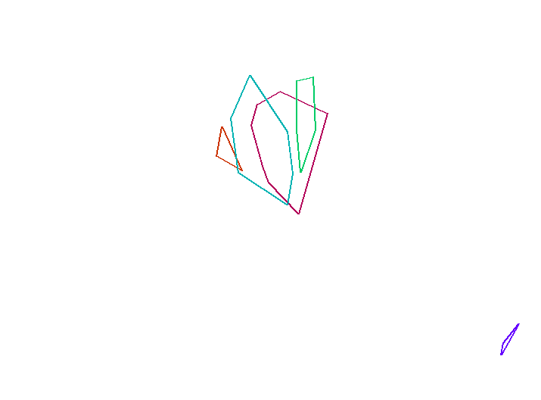
Yb/Sm vs Y in Zircon
 | Basalt |  | Carbonite |  | Dolerite |  | Granitoid (70-75% SiO2) |  | Granitoid (>65% SiO2) |  | Ne-syenite&Syenite Pegmatites
1496.03 | 59.310116086 | 434.93 | 22.64047619 | 1493.34 | 37.859209257 | 2183.8 | 18.808880309 | 957.73 | 62.727959698 | 568349.31 | 0.57543063466
 |  | 268.67 | 30.90625 | 2313.36 | 61.000613874 | 1999.21 | 106.51201201 | 1068.42 | 34.610294118 | 360301.38 | 0.28176589597
 |  | 479.76 | 19.436493739 | 714.16 | 90.752 | 2933.12 | 169.08510638 | 590.23 | 176.67647059 | 387642.94 | 0.37345844825
 |  | 255.17 | 27.471962617 | 1272.73 | 48.787878788 | 3133.56 | 49.840075853 | 674.88 | 73.586345382
 |  | 291.55 | 53.973684211 | 809.1 | 73.987138264 | 1964.3 | 50.328422877 | 696.56 | 23.135761589
 |  |  |  | 1149.48 | 69.213084112 | 2160.93 | 110.87856072 | 369.66 | 64.714876033
 |  |  |  | 1296.41 | 122.41573034 | 1951.75 | 155.13384321 | 1052.49 | 14.604536489
 |  |  |  | 1064.57 | 23.684258417 |  |  | 808.09 | 16.063094642
 |  |  |  | 2055.66 | 7.2581201946 |  |  | 1079.02 | 11.122857143
 |  |  |  | 809.26 | 51.923076923 |  |  | 448.63 | 23.129098361
 |  |  |  | 1826.98 | 84.333333333 |  |  | 714.88 | 131.7016129
 |  |  |  | 799.51 | 69.035928144 |  |  | 805.32 | 35.596560847
 |  |  |  | 836.73 | 62.379576108 |  |  | 856.39 | 47.20537428
 |  |  |  | 953.87 | 14.715254237 |  |  | 774.38 | 59.723557692
 |  |  |  | 817.44 | 21.706349206 |  |  | 1032.48 | 63.135135135
 |  |  |  | 4271.52 | 74.183615819 |  |  | 1529.04 | 8.8825104105
 |  |  |  | 1209.34 | 59.565495208 |  |  | 446.54 | 18.543296089
 |  |  |  | 612.48 | 55.449044586 |  |  | 1076.28 | 33.377985462
 |  |  |  |  |  |  |  | 1748.43 | 18.301079914
 |  |  |  |  |  |  |  | 1538.97 | 48.181818182
 |  |  |  |  |  |  |  | 890.49 | 16.355011933

Y-NbTa data Plot
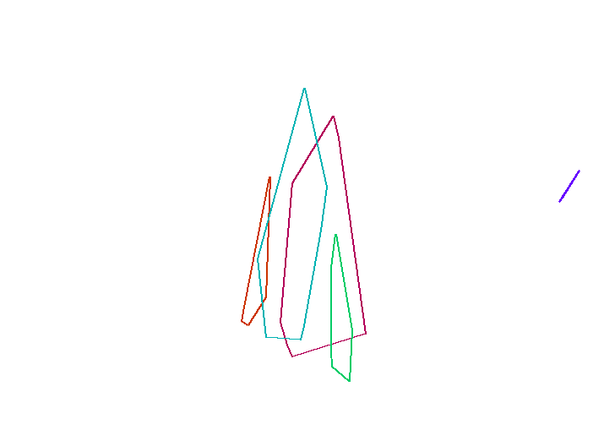
Nb/Ta vs Y in Zircon
 | Basalt |  | Carbonite |  | Dolerite |  | Granitoid (70-75% SiO2) |  | Granitoid (>65% SiO2) |  | Ne-syenite&Syenite Pegmatites
1496.03 | 3.1791044776 | 434.93 | 4.6346938776 | 1493.34 | 6.1790017212 | 2183.8 | 4.5434298441 | 957.73 | 2.9821073559 | 568349.31 | 17.106951583
 |  | 268.67 | 4.2134831461 | 2313.36 | 24.123853211 | 1999.21 | 2.2564276049 | 1068.42 | 40.323955669 | 360301.38 | 12.532710776
 |  | 479.76 | 16.148648649 | 714.16 | 2.8358208955 | 2933.12 | 1.9550858653 | 590.23 | 11.315789474 | 387642.94 | 12.953453241
 |  | 255.17 | 3.6182572614 | 1272.73 | 2.8479381443 | 3133.56 | 3.3299284985 | 674.88 | 3.2018561485
 |  | 291.55 | 3.4525547445 | 809.1 | 2.5191204589 | 1964.3 | 2.6843317972 | 696.56 | 6.5133171913
 |  |  |  | 1149.48 | 5.1222351572 | 2160.93 | 8.9166666667 | 369.66 | 6.9230769231
 |  |  |  | 1296.41 | 2.9122055675 | 1951.75 | 6.3266475645 | 1052.49 | 8.7415730337
 |  |  |  | 1064.57 | 13.953750705 |  |  | 808.09 | 7.2840867328
 |  |  |  | 2055.66 | 30.082524272 |  |  | 1079.02 | 24.576271186
 |  |  |  | 809.26 | 15.189873418 |  |  | 448.63 | 5.6959314775
 |  |  |  | 1826.98 | 3.6857825568 |  |  | 714.88 | 5.2165354331
 |  |  |  | 799.51 | 3.0285714286 |  |  | 805.32 | 14.589892295
 |  |  |  | 836.73 | 6.2380538662 |  |  | 856.39 | 6.5394402036
 |  |  |  | 953.87 | 3.0270655271 |  |  | 774.38 | 7.1980676329
 |  |  |  | 817.44 | 3.851044505 |  |  | 1032.48 | 3.4788108792
 |  |  |  | 4271.52 | 3.1629701061 |  |  | 1529.04 | 15.092624357
 |  |  |  | 1209.34 | 4.1028938907 |  |  | 446.54 | 3.056379822
 |  |  |  | 612.48 | 3.5815508021 |  |  | 1076.28 | 4.4338235294
 |  |  |  |  |  |  |  | 1748.43 | 14.516034985
 |  |  |  |  |  |  |  | 1538.97 | 9.3159609121
 |  |  |  |  |  |  |  | 890.49 | 20.647302905

Y-ThU data Plot
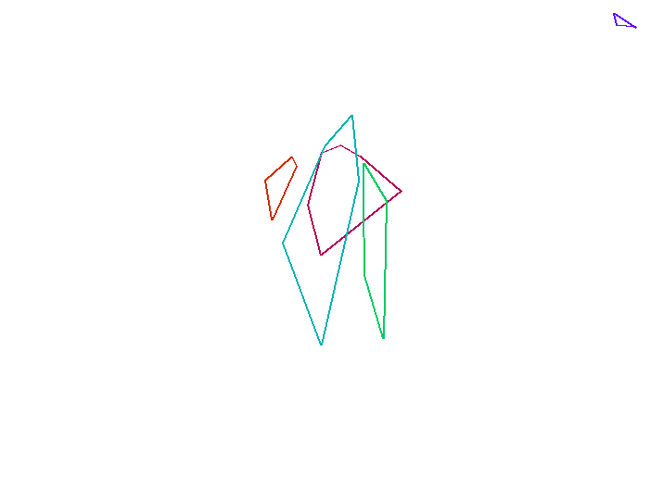
Th/U vs Y in Zircon
 | Basalt |  | Carbonite |  | Dolerite |  | Granitoid (70-75% SiO2) |  | Granitoid (>65% SiO2) |  | Ne-syenite&Syenite Pegmatites
1496.03 | 0.39739252414 | 434.93 | 1.0950499478 | 1493.34 | 0.51318113017 | 2183.8 | 0.60179002699 | 957.73 | 0.44209187491 | 568349.31 | 6.7912240382
 |  | 268.67 | 0.63878622836 | 2313.36 | 0.93647704432 | 1999.21 | 0.20463944057 | 1068.42 | 0.68901453958 | 360301.38 | 8.2984903213
 |  | 479.76 | 0.95115995116 | 714.16 | 0.46056481797 | 2933.12 | 0.08397501375 | 590.23 | 0.51533918229 | 387642.94 | 6.9496294066
 |  | 255.17 | 0.79016949153 | 1272.73 | 0.55697356427 | 3133.56 | 0.59125259145 | 674.88 | 0.82126348228
 |  | 291.55 | 0.44817559328 | 809.1 | 0.2722513089 | 1964.3 | 0.99925958833 | 696.56 | 0.72987113941
 |  |  |  | 1149.48 | 0.77345275003 | 2160.93 | 0.5673040234 | 369.66 | 0.32436150487
 |  |  |  | 1296.41 | 0.36369346734 | 1951.75 | 0.59971120978 | 1052.49 | 0.31164572774
 |  |  |  | 1064.57 | 1.0217715643 |  |  | 808.09 | 0.076532209855
 |  |  |  | 2055.66 | 0.71272621333 |  |  | 1079.02 | 0.53009484324
 |  |  |  | 809.26 | 0.74308897066 |  |  | 448.63 | 0.27879891682
 |  |  |  | 1826.98 | 1.1046534772 |  |  | 714.88 | 0.91880713975
 |  |  |  | 799.51 | 0.52262616966 |  |  | 805.32 | 0.90541976621
 |  |  |  | 836.73 | 0.58706527635 |  |  | 856.39 | 0.48127393671
 |  |  |  | 953.87 | 0.52386166033 |  |  | 774.38 | 0.37922252011
 |  |  |  | 817.44 | 1.1669956573 |  |  | 1032.48 | 0.36849919578
 |  |  |  | 4271.52 | 0.67339128791 |  |  | 1529.04 | 1.9515758714
 |  |  |  | 1209.34 | 1.298941944 |  |  | 446.54 | 0.26987583275
 |  |  |  | 612.48 | 0.55142231947 |  |  | 1076.28 | 0.43040657835
 |  |  |  |  |  |  |  | 1748.43 | 0.7718175853
 |  |  |  |  |  |  |  | 1538.97 | 0.89800429843
 |  |  |  |  |  |  |  | 890.49 | 1.2860388187

Y-CeCe data Plot
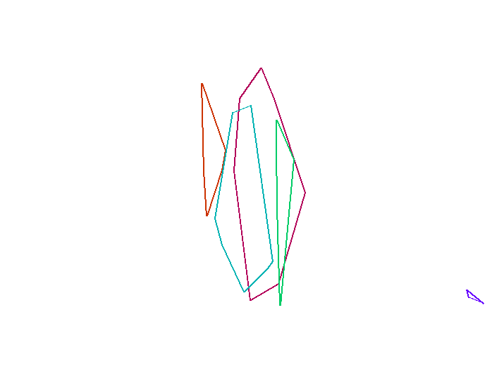
Ce/Ce vs Y in Zircon
 | Basalt |  | Carbonite |  | Dolerite |  | Granitoid (70-75% SiO2) |  | Granitoid (>65% SiO2) |  | Ne-syenite&Syenite Pegmatites
1496.03 | 8.3907580057 | 434.93 | 42.342995169 | 1493.34 | 18.390804598 | 2183.8 | 3.4529852899 | 957.73 | 141.14977307 | 568349.31 | 3.5574426118
 |  | 268.67 | 41.358490566 | 2313.36 | 26.211045365 | 1999.21 | 21.10877193 | 1068.42 | 7.4502863092 | 360301.38 | 4.5615444217
 |  | 479.76 | 61.053677932 | 714.16 | 160.45895852 | 2933.12 | 45.263157895 | 590.23 | 124.1503268 | 387642.94 | 3.9685356991
 |  | 255.17 | 212.14007782 | 1272.73 | 45.347313237 | 3133.56 | 51.883495146 | 674.88 | 125.85669782
 |  | 291.55 | 18.070175439 | 809.1 | 83.426883309 | 1964.3 | 107.94055202 | 696.56 | 8.0603968939
 |  |  |  | 1149.48 | 17.257064094 | 2160.93 | 46.422668241 | 369.66 | 17.137254902
 |  |  |  | 1296.41 | 282.93612965 | 1951.75 | 68.36552049 | 1052.49 | 6.5634458673
 |  |  |  | 1064.57 | 6.502170767 |  |  | 808.09 | 4.3879615579
 |  |  |  | 2055.66 | 5.1253815163 |  |  | 1079.02 | 6.0026200873
 |  |  |  | 809.26 | 12.621507845 |  |  | 448.63 | 14.17766051
 |  |  |  | 1826.98 | 158.7434555 |  |  | 714.88 | 15.887468031
 |  |  |  | 799.51 | 57.068403909 |  |  | 805.32 | 12.91278113
 |  |  |  | 836.73 | 10.108339632 |  |  | 856.39 | 9.2976266838
 |  |  |  | 953.87 | 3.770745429 |  |  | 774.38 | 5.3651429612
 |  |  |  | 817.44 | 45.688073394 |  |  | 1032.48 | 13.098299461
 |  |  |  | 4271.52 | 27.93867121 |  |  | 1529.04 | 6.7825651303
 |  |  |  | 1209.34 | 219.33333333 |  |  | 446.54 | 10.60362173
 |  |  |  | 612.48 | 41.884057971 |  |  | 1076.28 | 5.4663651781
 |  |  |  |  |  |  |  | 1748.43 | 7.7282518641
 |  |  |  |  |  |  |  | 1538.97 | 8.1434407626
 |  |  |  |  |  |  |  | 890.49 | 7.2867582578

Y-EuEu data Plot
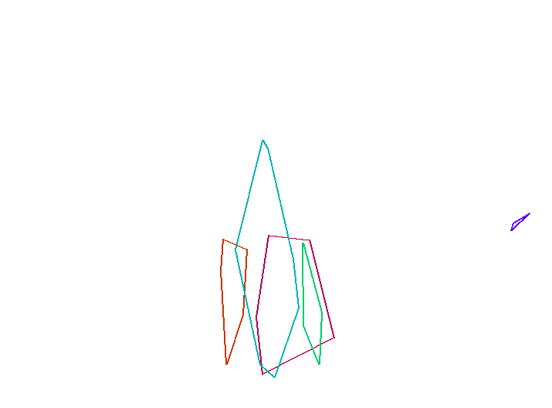
Eu/Eu vs Y in Zircon
 | Basalt |  | Carbonite |  | Dolerite |  | Granitoid (70-75% SiO2) |  | Granitoid (>65% SiO2) |  | Ne-syenite&Syenite Pegmatites
1496.03 | 0.020157894737 | 434.93 | 0.04831625183 | 1493.34 | 0.037942727958 | 2183.8 | 0.081347576007 | 957.73 | 0.016704459562 | 568349.31 | 0.26923625013
 |  | 268.67 | 0.17394711068 | 2313.36 | 0.17146800069 | 1999.21 | 0.04032726313 | 1068.42 | 0.099892530897 | 360301.38 | 0.20042176513
 |  | 479.76 | 0.1477394636 | 714.16 | 0.017602040816 | 2933.12 | 0.021078431373 | 590.23 | 0.13467202142 | 387642.94 | 0.22879809992
 |  | 255.17 | 0.10243462579 | 1272.73 | 0.052513089005 | 3133.56 | 0.050529747351 | 674.88 | 0.020764403879
 |  | 291.55 | 0.020881670534 | 809.1 | 0.044634760705 | 1964.3 | 0.15113583681 | 696.56 | 0.20048729551
 |  |  |  | 1149.48 | 0.16780487805 | 2160.93 | 0.07068803016 | 369.66 | 0.14462809917
 |  |  |  | 1296.41 | 0.066981132075 | 1951.75 | 0.16231171227 | 1052.49 | 0.32292200034
 |  |  |  | 1064.57 | 0.10638662666 |  |  | 808.09 | 0.81784867428
 |  |  |  | 2055.66 | 0.14966714218 |  |  | 1079.02 | 0.1612112473
 |  |  |  | 809.26 | 0.042660944206 |  |  | 448.63 | 0.17702702703
 |  |  |  | 1826.98 | 0.08222737819 |  |  | 714.88 | 0.93617021277
 |  |  |  | 799.51 | 0.023976023976 |  |  | 805.32 | 0.14268333897
 |  |  |  | 836.73 | 0.18509566969 |  |  | 856.39 | 0.060442900564
 |  |  |  | 953.87 | 0.033079613248 |  |  | 774.38 | 0.090858104319
 |  |  |  | 817.44 | 0.036428389723 |  |  | 1032.48 | 0.069427527406
 |  |  |  | 4271.52 | 0.032501660184 |  |  | 1529.04 | 0.12352485141
 |  |  |  | 1209.34 | 0.15859487475 |  |  | 446.54 | 0.16784347086
 |  |  |  | 612.48 | 0.046256239601 |  |  | 1076.28 | 0.077393767705
 |  |  |  |  |  |  |  | 1748.43 | 0.054295609429
 |  |  |  |  |  |  |  | 1538.97 | 0.10310654685
 |  |  |  |  |  |  |  | 890.49 | 0.23799955347

Y-Hf-Y data Plot

Y vs Hf in Zircon
 | Basalt |  | Carbonite |  | Dolerite |  | Granitoid (70-75% SiO2) |  | Granitoid (>65% SiO2) |  | Ne-syenite&Syenite Pegmatites
7746.08 | 1496.03 | 12963.75 | 434.93 | 9153 | 1493.34 | 13899.52 | 2183.8 | 16939.83 | 957.73 | 35851.63 | 568349.31
 |  | 10352.1 | 268.67 | 10067.87 | 2313.36 | 21317.78 | 1999.21 | 17530.85 | 1068.42 | 18450.81 | 360301.38
 |  | 8254.58 | 479.76 | 10115.69 | 714.16 | 25596.02 | 2933.12 | 11339.13 | 590.23 | 17940.29 | 387642.94
 |  | 10163.71 | 255.17 | 8723.89 | 1272.73 | 16998.29 | 3133.56 | 10639.95 | 674.88
 |  | 10606.3 | 291.55 | 9968.48 | 809.1 | 14636.83 | 1964.3 | 11836.09 | 696.56
 |  |  |  | 9040.46 | 1149.48 | 19166.87 | 2160.93 | 12957.16 | 369.66
 |  |  |  | 9433.87 | 1296.41 | 18189.65 | 1951.75 | 13014.79 | 1052.49
 |  |  |  | 9910.75 | 1064.57 |  |  | 13332.59 | 808.09
 |  |  |  | 9753.09 | 2055.66 |  |  | 11233.7 | 1079.02
 |  |  |  | 10106.05 | 809.26 |  |  | 10495.55 | 448.63
 |  |  |  | 9063.26 | 1826.98 |  |  | 10531.53 | 714.88
 |  |  |  | 9785.06 | 799.51 |  |  | 10586.33 | 805.32
 |  |  |  | 10012.01 | 836.73 |  |  | 10872.27 | 856.39
 |  |  |  | 10101.6 | 953.87 |  |  | 11638.14 | 774.38
 |  |  |  | 9975.54 | 817.44 |  |  | 10516.96 | 1032.48
 |  |  |  | 8090.23 | 4271.52 |  |  | 10630.45 | 1529.04
 |  |  |  | 8828.12 | 1209.34 |  |  | 12537.85 | 446.54
 |  |  |  | 9731.73 | 612.48 |  |  | 12981.2 | 1076.28
 |  |  |  |  |  |  |  | 10490.62 | 1748.43
 |  |  |  |  |  |  |  | 10646.26 | 1538.97
 |  |  |  |  |  |  |  | 10870.47 | 890.49

Nb-Ta data Plot

Ta vs Nb in Zircon
 | Basalt |  | Carbonite |  | Dolerite |  | Granitoid (70-75% SiO2) |  | Granitoid (>65% SiO2) |  | Ne-syenite&Syenite Pegmatites
4.26 | 1.34 | 2.271 | 0.49 | 3.59 | 0.581 | 10.2 | 2.245 | 4.5 | 1.509 | 612387.81 | 35797.6
 |  | 3 | 0.712 | 52.59 | 2.18 | 33.35 | 14.78 | 94.6 | 2.346 | 163061.22 | 13010.85
 |  | 4.78 | 0.296 | 4.94 | 1.742 | 29.6 | 15.14 | 3.44 | 0.304 | 388694.66 | 30007.03
 |  | 1.744 | 0.482 | 4.42 | 1.552 | 3.26 | 0.979 | 2.76 | 0.862
 |  | 1.419 | 0.411 | 5.27 | 2.092 | 1.165 | 0.434 | 13.45 | 2.065
 |  |  |  | 4.4 | 0.859 | 10.7 | 1.2 | 4.05 | 0.585
 |  |  |  | 4.08 | 1.401 | 11.04 | 1.745 | 38.9 | 4.45
 |  |  |  | 24.74 | 1.773 |  |  | 19.82 | 2.721
 |  |  |  | 371.82 | 12.36 |  |  | 116 | 4.72
 |  |  |  | 14.4 | 0.948 |  |  | 10.64 | 1.868
 |  |  |  | 6.17 | 1.674 |  |  | 5.3 | 1.016
 |  |  |  | 4.24 | 1.4 |  |  | 17.61 | 1.207
 |  |  |  | 7.18 | 1.151 |  |  | 25.7 | 3.93
 |  |  |  | 4.25 | 1.404 |  |  | 4.47 | 0.621
 |  |  |  | 4.24 | 1.101 |  |  | 5.5 | 1.581
 |  |  |  | 3.28 | 1.037 |  |  | 87.99 | 5.83
 |  |  |  | 2.552 | 0.622 |  |  | 3.09 | 1.011
 |  |  |  | 2.679 | 0.748 |  |  | 18.09 | 4.08
 |  |  |  |  |  |  |  | 49.79 | 3.43
 |  |  |  |  |  |  |  | 28.6 | 3.07
 |  |  |  |  |  |  |  | 99.52 | 4.82

U-Th data Plot
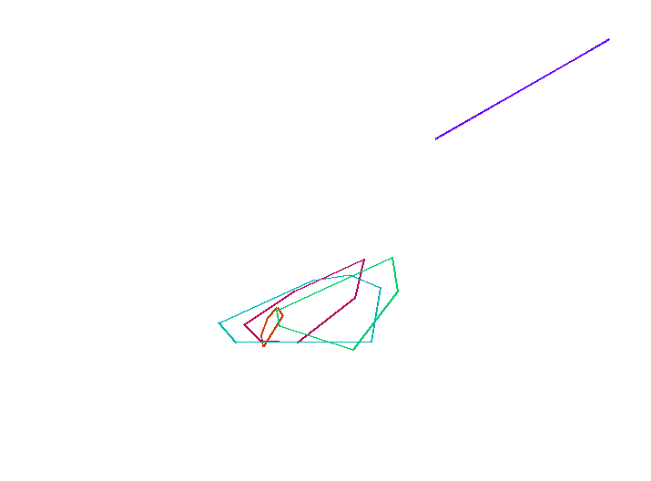
Th vs U in Zircon
 | Basalt |  | Carbonite |  | Dolerite |  | Granitoid (70-75% SiO2) |  | Granitoid (>65% SiO2) |  | Ne-syenite&Syenite Pegmatites
121.19 | 48.16 | 134.14 | 146.89 | 158.56 | 81.37 | 140.78 | 84.72 | 133.66 | 59.09 | 47092.73 | 319817.28
 |  | 102.82 | 65.68 | 626.86 | 587.04 | 1126.86 | 230.6 | 148.56 | 102.36 | 2220.34 | 18425.47
 |  | 114.66 | 109.06 | 146.95 | 67.68 | 509.08 | 42.75 | 348.78 | 179.74 | 25309.41 | 175891.02
 |  | 147.5 | 116.55 | 131.64 | 73.32 | 149.53 | 88.41 | 64.9 | 53.3
 |  | 106.61 | 47.78 | 191 | 52 | 135.06 | 134.96 | 334.47 | 244.12
 |  |  |  | 261.27 | 202.08 | 471.74 | 267.62 | 167.19 | 54.23
 |  |  |  | 525.36 | 191.07 | 1018.04 | 610.53 | 832.58 | 259.47
 |  |  |  | 180.97 | 184.91 |  |  | 702.58 | 53.77
 |  |  |  | 583.52 | 415.89 |  |  | 545.11 | 288.96
 |  |  |  | 105.99 | 78.76 |  |  | 417.29 | 116.34
 |  |  |  | 251.21 | 277.5 |  |  | 183.76 | 168.84
 |  |  |  | 130.38 | 68.14 |  |  | 178.79 | 161.88
 |  |  |  | 165.91 | 97.4 |  |  | 248.05 | 119.38
 |  |  |  | 155.27 | 81.34 |  |  | 149.2 | 56.58
 |  |  |  | 75.99 | 88.68 |  |  | 484.94 | 178.7
 |  |  |  | 423.32 | 285.06 |  |  | 47.91 | 93.5
 |  |  |  | 182.41 | 236.94 |  |  | 385.77 | 104.11
 |  |  |  | 100.54 | 55.44 |  |  | 547.25 | 235.54
 |  |  |  |  |  |  |  | 487.68 | 376.4
 |  |  |  |  |  |  |  | 325.7 | 292.48
 |  |  |  |  |  |  |  | 250.91 | 322.68

CeCe-EuEu data Plot
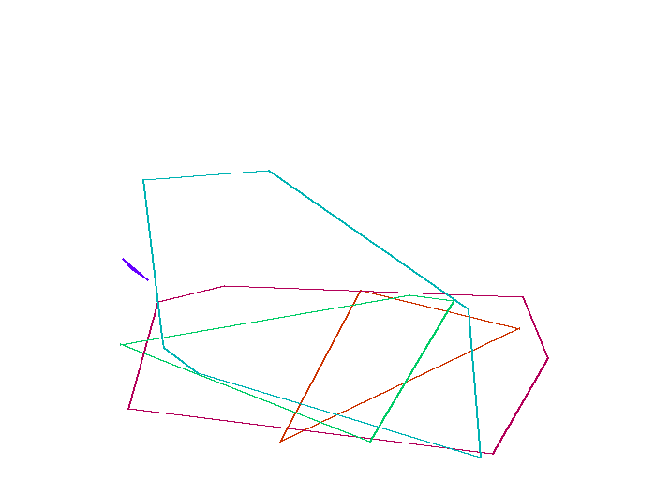
Eu/Eu vs Ce/Ce in Zircon
 | Basalt |  | Carbonite |  | Dolerite |  | Granitoid (70-75% SiO2) |  | Granitoid (>65% SiO2) |  | Ne-syenite&Syenite Pegmatites
8.3907580057 | 0.020157894737 | 42.342995169 | 0.04831625183 | 18.390804598 | 0.037942727958 | 3.4529852899 | 0.081347576007 | 141.14977307 | 0.016704459562 | 3.5574426118 | 0.26923625013
 |  | 41.358490566 | 0.17394711068 | 26.211045365 | 0.17146800069 | 21.10877193 | 0.04032726313 | 7.4502863092 | 0.099892530897 | 4.5615444217 | 0.20042176513
 |  | 61.053677932 | 0.1477394636 | 160.45895852 | 0.017602040816 | 45.263157895 | 0.021078431373 | 124.1503268 | 0.13467202142 | 3.9685356991 | 0.22879809992
 |  | 212.14007782 | 0.10243462579 | 45.347313237 | 0.052513089005 | 51.883495146 | 0.050529747351 | 125.85669782 | 0.020764403879
 |  | 18.070175439 | 0.020881670534 | 83.426883309 | 0.044634760705 | 107.94055202 | 0.15113583681 | 8.0603968939 | 0.20048729551
 |  |  |  | 17.257064094 | 0.16780487805 | 46.422668241 | 0.07068803016 | 17.137254902 | 0.14462809917
 |  |  |  | 282.93612965 | 0.066981132075 | 68.36552049 | 0.16231171227 | 6.5634458673 | 0.32292200034
 |  |  |  | 6.502170767 | 0.10638662666 |  |  | 4.3879615579 | 0.81784867428
 |  |  |  | 5.1253815163 | 0.14966714218 |  |  | 6.0026200873 | 0.1612112473
 |  |  |  | 12.621507845 | 0.042660944206 |  |  | 14.17766051 | 0.17702702703
 |  |  |  | 158.7434555 | 0.08222737819 |  |  | 15.887468031 | 0.93617021277
 |  |  |  | 57.068403909 | 0.023976023976 |  |  | 12.91278113 | 0.14268333897
 |  |  |  | 10.108339632 | 0.18509566969 |  |  | 9.2976266838 | 0.060442900564
 |  |  |  | 3.770745429 | 0.033079613248 |  |  | 5.3651429612 | 0.090858104319
 |  |  |  | 45.688073394 | 0.036428389723 |  |  | 13.098299461 | 0.069427527406
 |  |  |  | 27.93867121 | 0.032501660184 |  |  | 6.7825651303 | 0.12352485141
 |  |  |  | 219.33333333 | 0.15859487475 |  |  | 10.60362173 | 0.16784347086
 |  |  |  | 41.884057971 | 0.046256239601 |  |  | 5.4663651781 | 0.077393767705
 |  |  |  |  |  |  |  | 7.7282518641 | 0.054295609429
 |  |  |  |  |  |  |  | 8.1434407626 | 0.10310654685
 |  |  |  |  |  |  |  | 7.2867582578 | 0.23799955347

