Chart of data Chart
Trace Element Patterns of Zircons
 | STDGJ-01 | STDGJ-02 | STDGJ-03 | STDGJ-04 | MT-01 | STDGJ-05 | MIR1-01 | MIR1-06 | MIR1-11 | MIR1-12 | MIR1-14 | MIR1-17

Chart of Unknown Chart
Trace Element Patterns of Zircons
 | MIR1-01 | MIR1-06 | MIR1-11 | MIR1-12 | MIR1-14 | MIR1-17 | MIR1-19 | MIR1-20 | MIR1-26 | MIR1-29 | MIR1-35 | MIR1-36

Bar Chart of CART1 Chart
Modelled Rock Types of Zircons

Bar Chart of CART2 Chart
Modelled Rock Types of Zircons

Y-U data Plot
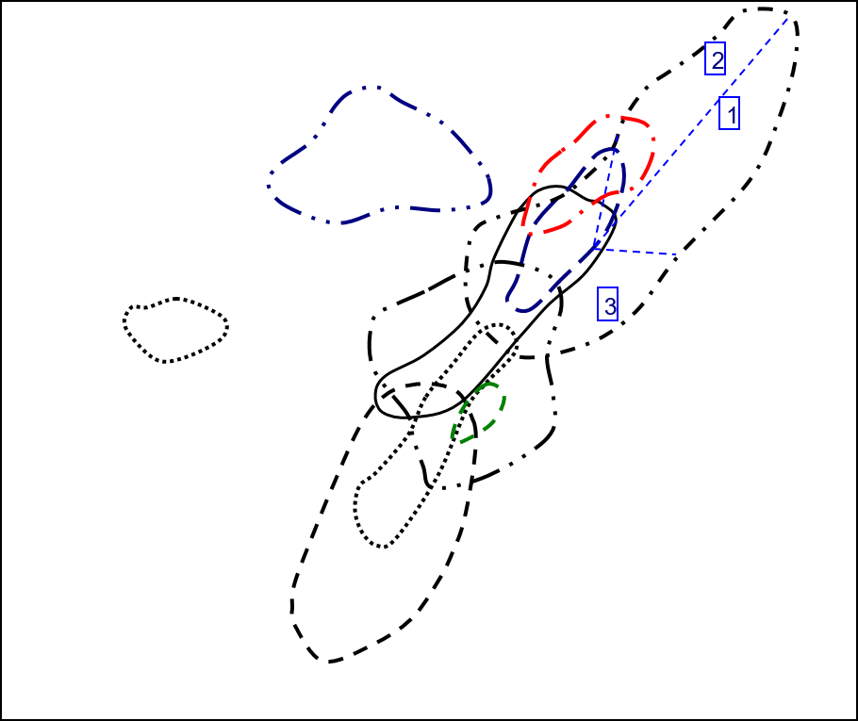
Y vs U in Zircon
 | Carbonite |  | Granitoid (70-75% SiO2) |  | Granitoid (>65% SiO2) |  | Granitoid(>75% SiO2) |  | Syenite/Monzonite
564.26 | 713.73 | 240.73 | 2075.45 | 994.2 | 727.47 | 1876.66 | 20403.98 | 297.39 | 4600.38
255.02 | 229.72 | 152.72 | 2638.44 | 98.74 | 1582.09 | 1256.3 | 4545.83 | 334.79 | 4546.51
1189.07 | 892.81 | 105.08 | 2087.41 | 100.66 | 1224.86 | 1170.22 | 5596.03 | 474.13 | 4697.07
 |  | 397.87 | 3486.13 | 939.81 | 594.71 | 1270.65 | 7372.5 | 503.53 | 5724.08
 |  | 668.14 | 2578.05 | 532.78 | 1077.37
 |  | 346.19 | 1582.9 | 162.01 | 868.03
 |  | 123.29 | 2118.13 | 503.98 | 717.22
 |  | 181.57 | 3841.02 | 91.3 | 1669.06
 |  | 326.56 | 1667.49 | 368.4 | 788.4
 |  | 386.1 | 2539.75 | 240.99 | 1386.85
 |  | 238.45 | 1560.77 | 921.16 | 847.86
 |  | 139.9 | 2185.1 | 68.09 | 865.37
 |  | 812.74 | 3056.08 | 221.63 | 591.91
 |  | 194.74 | 2856.4 | 583.08 | 1501.58
 |  | 343.17 | 2068.5 | 434.57 | 2317.91
 |  | 146.44 | 2000.35 | 276.18 | 1490.48
 |  | 410.96 | 2472.33 | 341.95 | 1394.09
 |  | 339.73 | 2718.92 | 99.21 | 1460.3
 |  | 851.58 | 2369.58 | 331.02 | 900.98
 |  | 143.71 | 1681.19 | 82.22 | 1088.44
 |  | 251.76 | 1584.14
 |  | 1311.15 | 3297.31
 |  | 140.8 | 2214.34
 |  | 604.31 | 2573.83
 |  | 972.25 | 3715.1
 |  | 348.95 | 2081.71
 |  | 205.65 | 3093.97
 |  | 352.41 | 2664.79
 |  | 209.99 | 2746.28
 |  | 280.69 | 1995.81
 |  | 733.01 | 1874.39
 |  | 220.52 | 1605.48
 |  | 244.65 | 961.26
 |  | 604.38 | 1803.12
 |  | 270.14 | 2922.26
 |  | 172.19 | 3582.44
 |  | 76.71 | 1718.8
 |  | 293.35 | 2221.39
 |  | 33.41 | 1333.86
 |  | 608.27 | 3228.13
 |  | 174.95 | 2554.96

Y-Th data Plot
Y vs Th in Zircon
 | Carbonite |  | Granitoid (70-75% SiO2) |  | Granitoid (>65% SiO2) |  | Granitoid(>75% SiO2) |  | Syenite/Monzonite
1105.96 | 713.73 | 218.74 | 2075.45 | 170.08 | 727.47 | 1514.88 | 20403.98 | 166.27 | 4600.38
95.41 | 229.72 | 474.32 | 2638.44 | 171.22 | 1582.09 | 1214.2 | 4545.83 | 506.24 | 4546.51
123.1 | 892.81 | 100.25 | 2087.41 | 60.56 | 1224.86 | 653.16 | 5596.03 | 620.34 | 4697.07
 |  | 946.9 | 3486.13 | 84.18 | 594.71 | 1054.09 | 7372.5 | 410.37 | 5724.08
 |  | 270.91 | 2578.05 | 250.8 | 1077.37
 |  | 262.3 | 1582.9 | 126.82 | 868.03
 |  | 201.22 | 2118.13 | 553.05 | 717.22
 |  | 227.24 | 3841.02 | 59.65 | 1669.06
 |  | 263.63 | 1667.49 | 220.82 | 788.4
 |  | 286.45 | 2539.75 | 191.03 | 1386.85
 |  | 250.69 | 1560.77 | 331.68 | 847.86
 |  | 96.44 | 2185.1 | 53.28 | 865.37
 |  | 634.27 | 3056.08 | 122.1 | 591.91
 |  | 122.49 | 2856.4 | 296.41 | 1501.58
 |  | 411.34 | 2068.5 | 285.91 | 2317.91
 |  | 86.96 | 2000.35 | 314.21 | 1490.48
 |  | 488.14 | 2472.33 | 156.68 | 1394.09
 |  | 334.57 | 2718.92 | 95.8 | 1460.3
 |  | 779.54 | 2369.58 | 274.35 | 900.98
 |  | 106.03 | 1681.19 | 90.91 | 1088.44
 |  | 134.94 | 1584.14
 |  | 613.15 | 3297.31
 |  | 140.24 | 2214.34
 |  | 400.76 | 2573.83
 |  | 933.26 | 3715.1
 |  | 317.98 | 2081.71
 |  | 242.1 | 3093.97
 |  | 236.81 | 2664.79
 |  | 193.04 | 2746.28
 |  | 275.13 | 1995.81
 |  | 199.1 | 1874.39
 |  | 94.04 | 1605.48
 |  | 138.4 | 961.26
 |  | 339.28 | 1803.12
 |  | 172.4 | 2922.26
 |  | 91.52 | 3582.44
 |  | 90.33 | 1718.8
 |  | 237.17 | 2221.39
 |  | 49.6 | 1333.86
 |  | 430.8 | 3228.13
 |  | 178.24 | 2554.96

Y-YbSm data Plot
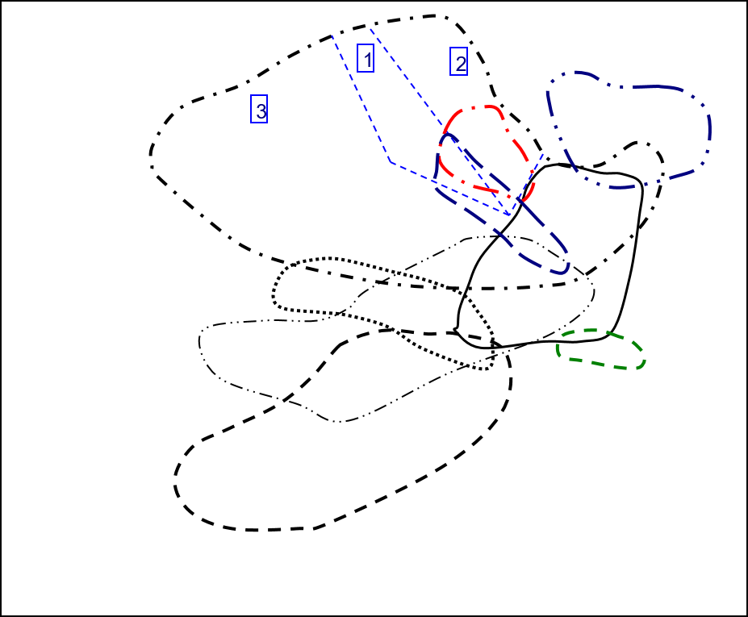
Y vs Yb/Sm in Zircon
 | Carbonite |  | Granitoid (70-75% SiO2) |  | Granitoid (>65% SiO2) |  | Granitoid(>75% SiO2) |  | Syenite/Monzonite
4.8219235615 | 713.73 | 28.087004405 | 2075.45 | 13.96275395 | 727.47 | 4.4738023952 | 20403.98 | 51.675042589 | 4600.38
132.16066482 | 229.72 | 59.628183362 | 2638.44 | 30.398210291 | 1582.09 | 163.04387417 | 4545.83 | 25.005048187 | 4546.51
41.498442368 | 892.81 | 85.669064748 | 2087.41 | 60.215815486 | 1224.86 | 53.5320117 | 5596.03 | 51.62290024 | 4697.07
 |  | 5.7430887158 | 3486.13 | 143.68252272 | 594.71 | 75.058669656 | 7372.5 | 74.389071487 | 5724.08
 |  | 18.169176262 | 2578.05 | 32.86801676 | 1077.37
 |  | 67.62406015 | 1582.9 | 60.843096234 | 868.03
 |  | 34.15274463 | 2118.13 | 23.177589852 | 717.22
 |  | 54.974928072 | 3841.02 | 43.65873742 | 1669.06
 |  | 184.52392344 | 1667.49 | 121.29069767 | 788.4
 |  | 74.455830389 | 2539.75 | 70.293777135 | 1386.85
 |  | 70.401204819 | 1560.77 | 24.43438914 | 847.86
 |  | 45.994289793 | 2185.1 | 68 | 865.37
 |  | 138.25814863 | 3056.08 | 103.59895833 | 591.91
 |  | 88.285462555 | 2856.4 | 61.761780105 | 1501.58
 |  | 34.108404967 | 2068.5 | 13.611032028 | 2317.91
 |  | 97.484398217 | 2000.35 | 30.218829517 | 1490.48
 |  | 66.274611399 | 2472.33 | 89.296153846 | 1394.09
 |  | 44.852037968 | 2718.92 | 38.759599332 | 1460.3
 |  | 181.36119874 | 2369.58 | 104.01515152 | 900.98
 |  | 41.261712439 | 1681.19 | 51.14921466 | 1088.44
 |  | 144.49056604 | 1584.14
 |  | 66.795287187 | 3297.31
 |  | 51.461663948 | 2214.34
 |  | 30.161664666 | 2573.83
 |  | 50.777866242 | 3715.1
 |  | 69.457746479 | 2081.71
 |  | 59.558179724 | 3093.97
 |  | 60.768374165 | 2664.79
 |  | 62.22832981 | 2746.28
 |  | 25.967386701 | 1995.81
 |  | 111.1392 | 1874.39
 |  | 165.19347826 | 1605.48
 |  | 295.0969163 | 961.26
 |  | 100.57580398 | 1803.12
 |  | 47.004410838 | 2922.26
 |  | 45.851279575 | 3582.44
 |  | 45.586206897 | 1718.8
 |  | 76.997265269 | 2221.39
 |  | 148.84927536 | 1333.86
 |  | 65.95481336 | 3228.13
 |  | 45.772577093 | 2554.96

Y-NbTa data Plot
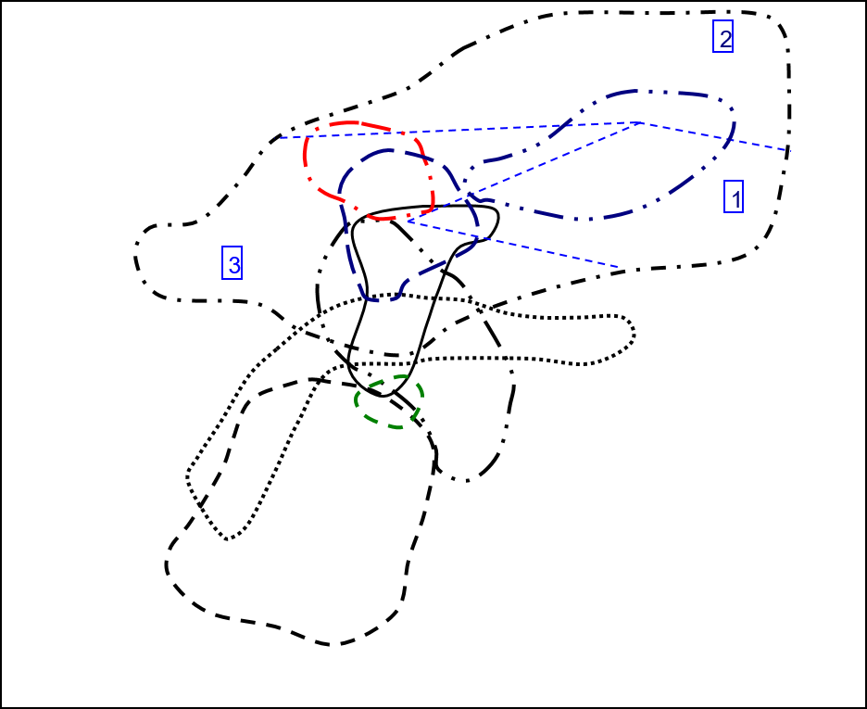
Y vs Nb/Ta in Zircon
 | Carbonite |  | Granitoid (70-75% SiO2) |  | Granitoid (>65% SiO2) |  | Granitoid(>75% SiO2) |  | Syenite/Monzonite
1.3973872735 | 713.73 | 2.8746835443 | 2075.45 | 3.5119047619 | 727.47 | 3.6703601108 | 20403.98 | 4.2914979757 | 4600.38
2.2170418006 | 229.72 | 3.7901234568 | 2638.44 | 3.2576769025 | 1582.09 | 6.2672064777 | 4545.83 | 8.8281786942 | 4546.51
1.7946768061 | 892.81 | 2.8919925512 | 2087.41 | 2.8728717367 | 1224.86 | 4.3014492754 | 5596.03 | 2.8295964126 | 4697.07
 |  | 6.3014084507 | 3486.13 | 1.9547038328 | 594.71 | 5.558778626 | 7372.5 | 4.2615803815 | 5724.08
 |  | 2.8 | 2578.05 | 2.7065527066 | 1077.37
 |  | 2.5536881419 | 1582.9 | 3.0051546392 | 868.03
 |  | 3.1501057082 | 2118.13 | 3.302919708 | 717.22
 |  | 2.9235294118 | 3841.02 | 3.1121323529 | 1669.06
 |  | 3.4270952928 | 1667.49 | 2.8978288633 | 788.4
 |  | 4.0168324407 | 2539.75 | 2.6839464883 | 1386.85
 |  | 3.1612403101 | 1560.77 | 2.7445394112 | 847.86
 |  | 3.0192802057 | 2185.1 | 3.5109114249 | 865.37
 |  | 2.2127396413 | 3056.08 | 1.8925831202 | 591.91
 |  | 2.9571663921 | 2856.4 | 2.2985283812 | 1501.58
 |  | 3.1406844106 | 2068.5 | 3.1191588785 | 2317.91
 |  | 3.172143975 | 2000.35 | 3.1117824773 | 1490.48
 |  | 3.1111111111 | 2472.33 | 2.8617886179 | 1394.09
 |  | 3.7785388128 | 2718.92 | 2.8296943231 | 1460.3
 |  | 4.85995086 | 2369.58 | 2.5560165975 | 900.98
 |  | 2.7237442922 | 1681.19 | 2.7639484979 | 1088.44
 |  | 2.7306273063 | 1584.14
 |  | 2.3417721519 | 3297.31
 |  | 2.9372937294 | 2214.34
 |  | 2.9565217391 | 2573.83
 |  | 5.5426356589 | 3715.1
 |  | 2.477665277 | 2081.71
 |  | 3.1827242525 | 3093.97
 |  | 3.4297108674 | 2664.79
 |  | 2.6739526412 | 2746.28
 |  | 3.7185069984 | 1995.81
 |  | 3.0029806259 | 1874.39
 |  | 2.6898047722 | 1605.48
 |  | 3.2065217391 | 961.26
 |  | 3.0025873221 | 1803.12
 |  | 4.1273584906 | 2922.26
 |  | 4.143454039 | 3582.44
 |  | 3.8626865672 | 1718.8
 |  | 6.0593220339 | 2221.39
 |  | 2.5307557118 | 1333.86
 |  | 3.3221925134 | 3228.13
 |  | 3.499194847 | 2554.96

Y-ThU data Plot
Y vs Th/U in Zircon
 | Carbonite |  | Granitoid (70-75% SiO2) |  | Granitoid (>65% SiO2) |  | Granitoid(>75% SiO2) |  | Syenite/Monzonite
1.9600184312 | 713.73 | 0.90865284759 | 2075.45 | 0.17107221887 | 727.47 | 0.80722134004 | 20403.98 | 0.55909748142 | 4600.38
0.37412751941 | 229.72 | 3.1058145626 | 2638.44 | 1.7340490176 | 1582.09 | 0.96648889596 | 4545.83 | 1.5121120703 | 4546.51
0.10352628525 | 892.81 | 0.95403502094 | 2087.41 | 0.60162924697 | 1224.86 | 0.5581514587 | 5596.03 | 1.3083753401 | 4697.07
 |  | 2.3799230905 | 3486.13 | 0.089571296326 | 594.71 | 0.82956754417 | 7372.5 | 0.81498619745 | 5724.08
 |  | 0.4054689137 | 2578.05 | 0.47073839108 | 1077.37
 |  | 0.75767642046 | 1582.9 | 0.78279118573 | 868.03
 |  | 1.6320869495 | 2118.13 | 1.0973649748 | 717.22
 |  | 1.2515283362 | 3841.02 | 0.65334063527 | 1669.06
 |  | 0.80729421852 | 1667.49 | 0.59940282302 | 788.4
 |  | 0.74190624191 | 2539.75 | 0.7926884933 | 1386.85
 |  | 1.051331516 | 1560.77 | 0.36006774067 | 847.86
 |  | 0.68934953538 | 2185.1 | 0.78249375826 | 865.37
 |  | 0.78040947905 | 3056.08 | 0.55091819699 | 591.91
 |  | 0.62899250282 | 2856.4 | 0.50835219867 | 1501.58
 |  | 1.1986479005 | 2068.5 | 0.6579147203 | 2317.91
 |  | 0.59382682327 | 2000.35 | 1.1377000507 | 1490.48
 |  | 1.1878041659 | 2472.33 | 0.45819564264 | 1394.09
 |  | 0.98481146793 | 2718.92 | 0.96562846487 | 1460.3
 |  | 0.91540430729 | 2369.58 | 0.82880188508 | 900.98
 |  | 0.73780530235 | 1681.19 | 1.1056920457 | 1088.44
 |  | 0.53598665396 | 1584.14
 |  | 0.4676429089 | 3297.31
 |  | 0.99602272727 | 2214.34
 |  | 0.66316956529 | 2573.83
 |  | 0.9598971458 | 3715.1
 |  | 0.9112480298 | 2081.71
 |  | 1.1772428884 | 3093.97
 |  | 0.67197298601 | 2664.79
 |  | 0.91928187057 | 2746.28
 |  | 0.98019167053 | 1995.81
 |  | 0.27161975962 | 1874.39
 |  | 0.42644658081 | 1605.48
 |  | 0.56570611077 | 961.26
 |  | 0.56136867534 | 1803.12
 |  | 0.63818760643 | 2922.26
 |  | 0.53150589465 | 3582.44
 |  | 1.1775518185 | 1718.8
 |  | 0.80848815408 | 2221.39
 |  | 1.4845854535 | 1333.86
 |  | 0.70823811794 | 3228.13
 |  | 1.018805373 | 2554.96

Y-CeCe data Plot
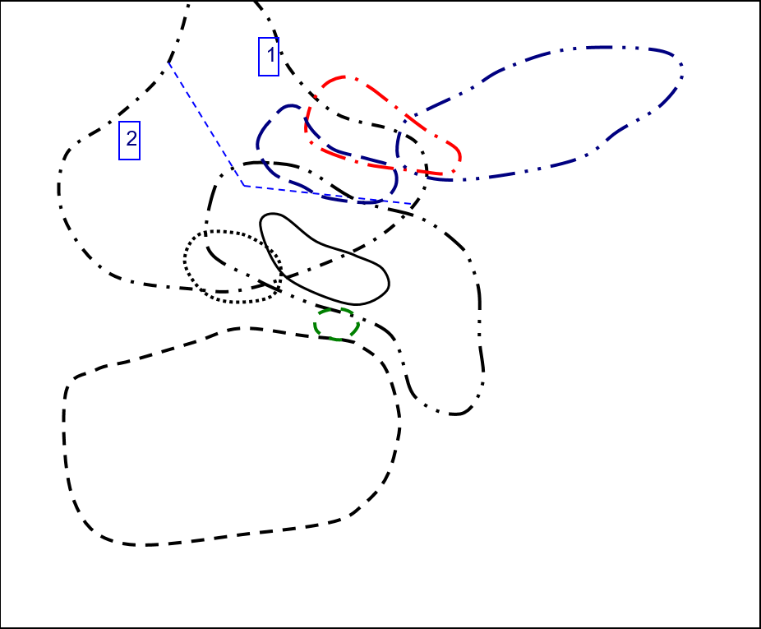
Y vs Ce/Ce in Zircon
 | Carbonite |  | Granitoid (70-75% SiO2) |  | Granitoid (>65% SiO2) |  | Granitoid(>75% SiO2) |  | Syenite/Monzonite
25.024903154 | 713.73 | 31.494692883 | 2075.45 | 17.237066515 | 727.47 | 4.0725014178 | 20403.98 | 17.107573278 | 4600.38
218.09045226 | 229.72 | 325.95505618 | 2638.44 | 30.386533666 | 1582.09 | 197.61316872 | 4545.83 | 42.076095947 | 4546.51
66.253869969 | 892.81 | 78.085916259 | 2087.41 | 29.747675963 | 1224.86 | 10.427253371 | 5596.03 | 269.21135647 | 4697.07
 |  | 11.782430587 | 3486.13 | 111.03448276 | 594.71 | 82.261904762 | 7372.5 | 5.5434398368 | 5724.08
 |  | 31.710618436 | 2578.05 | 3.6499627884 | 1077.37
 |  | 85.402097902 | 1582.9 | 311.67048055 | 868.03
 |  | 156.52520422 | 2118.13 | 8.9187306502 | 717.22
 |  | 153.28366762 | 3841.02 | 26.285930408 | 1669.06
 |  | 133.23076923 | 1667.49 | 156.86556434 | 788.4
 |  | 229.63235294 | 2539.75 | 153.59553177 | 1386.85
 |  | 38.641358641 | 1560.77 | 22.03207331 | 847.86
 |  | 29.349025377 | 2185.1 | 107.08050436 | 865.37
 |  | 287.5699888 | 3056.08 | 450.47169811 | 591.91
 |  | 83.599033816 | 2856.4 | 172.63361236 | 1501.58
 |  | 22.243169399 | 2068.5 | 284.93297587 | 2317.91
 |  | 305.69574621 | 2000.35 | 75.711340206 | 1490.48
 |  | 180.38403614 | 2472.33 | 70.24822695 | 1394.09
 |  | 41.750186986 | 2718.92 | 27.701056052 | 1460.3
 |  | 10.857923497 | 2369.58 | 1241.0471204 | 900.98
 |  | 69.63103122 | 1681.19 | 103.06366683 | 1088.44
 |  | 65.425531915 | 1584.14
 |  | 91.306173877 | 3297.31
 |  | 279.67269595 | 2214.34
 |  | 4.9802350427 | 2573.83
 |  | 108.4137931 | 3715.1
 |  | 183.93421885 | 2081.71
 |  | 56.652092442 | 3093.97
 |  | 14.224137931 | 2664.79
 |  | 9.2076875387 | 2746.28
 |  | 11.097969991 | 1995.81
 |  | 25.458612975 | 1874.39
 |  | 216.87014428 | 1605.48
 |  | 817.74193548 | 961.26
 |  | 11.913119789 | 1803.12
 |  | 13.167736534 | 2922.26
 |  | 8.3283378747 | 3582.44
 |  | 182.44531688 | 1718.8
 |  | 6.4971659919 | 2221.39
 |  | 52.931726908 | 1333.86
 |  | 14.307100951 | 3228.13
 |  | 6.6596858639 | 2554.96

Y-EuEu data Plot
Y vs Eu/Eu in Zircon
 | Carbonite |  | Granitoid (70-75% SiO2) |  | Granitoid (>65% SiO2) |  | Granitoid(>75% SiO2) |  | Syenite/Monzonite
0.30122591944 | 713.73 | 0.0090486257928 | 2075.45 | 0.11942201445 | 727.47 | 0.47588978186 | 20403.98 | 0.062993245645 | 4600.38
0.09505541347 | 229.72 | 0.042002853807 | 2638.44 | 0.13189600507 | 1582.09 | 0.052220923437 | 4545.83 | 0.12254435309 | 4546.51
0.011998378597 | 892.81 | 0.10292819896 | 2087.41 | 0.052267239066 | 1224.86 | 0.063382415318 | 5596.03 | 0.043699731903 | 4697.07
 |  | 0.20522046422 | 3486.13 | 0.043196160341 | 594.71 | 0.0047291530699 | 7372.5 | 0.052905267918 | 5724.08
 |  | 0.18557692308 | 2578.05 | 0.16618075802 | 1077.37
 |  | 0.057411133467 | 1582.9 | 0.078395762391 | 868.03
 |  | 0.069753878456 | 2118.13 | 0.10754558205 | 717.22
 |  | 0.060520876395 | 3841.02 | 0.082360809229 | 1669.06
 |  | 0.080229007634 | 1667.49 | 0.045505269684 | 788.4
 |  | 0.14193168433 | 2539.75 | 0.06925684485 | 1386.85
 |  | 0.075241157556 | 1560.77 | 0.19194061506 | 847.86
 |  | 0.060131578947 | 2185.1 | 0.028866799205 | 865.37
 |  | 0.008340759223 | 3056.08 | 0.053626373626 | 591.91
 |  | 0.076900412493 | 2856.4 | 0.056247259974 | 1501.58
 |  | 0.13867212486 | 2068.5 | 0.16006183249 | 2317.91
 |  | 0.06096187175 | 2000.35 | 0.033186619718 | 1490.48
 |  | 0.089234312032 | 2472.33 | 0.014251639833 | 1394.09
 |  | 0.049398099261 | 2718.92 | 0.15186707165 | 1460.3
 |  | 0.048447204969 | 2369.58 | 0.042735896156 | 900.98
 |  | 0.062393998695 | 1681.19 | 0.14095034704 | 1088.44
 |  | 0.056674632981 | 1584.14
 |  | 0.021395553599 | 3297.31
 |  | 0.060204081633 | 2214.34
 |  | 0.018064648118 | 2573.83
 |  | 0.10281002861 | 3715.1
 |  | 0.074594009383 | 2081.71
 |  | 0.084361678259 | 3093.97
 |  | 0.058771588105 | 2664.79
 |  | 0.065979381443 | 2746.28
 |  | 0.17640398551 | 1995.81
 |  | 0.040602655771 | 1874.39
 |  | 0.14204807376 | 1605.48
 |  | 0.07121332276 | 961.26
 |  | 0.016671091054 | 1803.12
 |  | 0.040658955485 | 2922.26
 |  | 0.043517844137 | 3582.44
 |  | 0.077892325315 | 1718.8
 |  | 0.12540064103 | 2221.39
 |  | 0.12521891419 | 1333.86
 |  | 0.051877748957 | 3228.13
 |  | 0.085906993255 | 2554.96

Nb-Ta data Plot
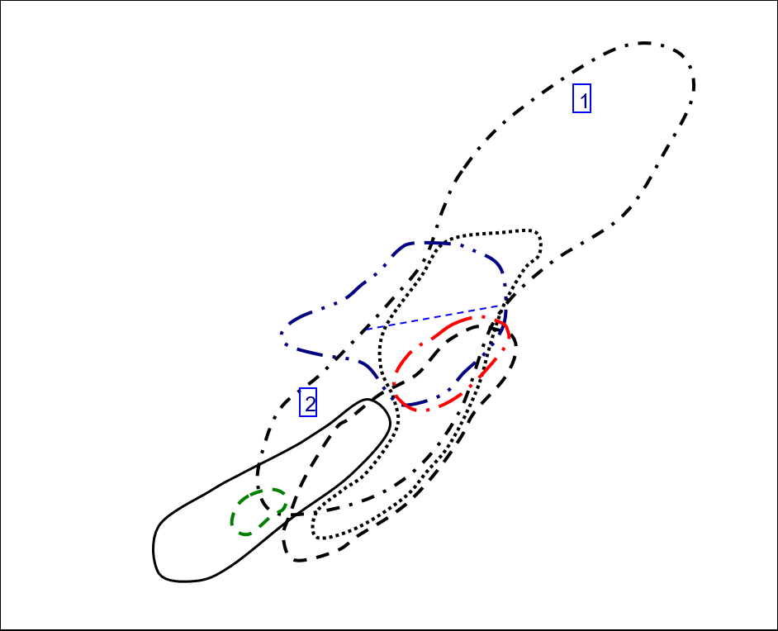
Nb vs Ta in Zircon
 | Carbonite |  | Granitoid (70-75% SiO2) |  | Granitoid (>65% SiO2) |  | Granitoid(>75% SiO2) |  | Syenite/Monzonite
23.73 | 33.16 | 0.79 | 2.271 | 1.176 | 4.13 | 3.61 | 13.25 | 1.976 | 8.48
0.622 | 1.379 | 2.43 | 9.21 | 1.498 | 4.88 | 2.47 | 15.48 | 2.91 | 25.69
1.052 | 1.888 | 0.537 | 1.553 | 0.881 | 2.531 | 3.45 | 14.84 | 6.69 | 18.93
 |  | 3.55 | 22.37 | 2.87 | 5.61 | 6.55 | 36.41 | 1.835 | 7.82
 |  | 2.75 | 7.7 | 1.053 | 2.85
 |  | 2.142 | 5.47 | 0.776 | 2.332
 |  | 0.946 | 2.98 | 1.096 | 3.62
 |  | 3.4 | 9.94 | 0.544 | 1.693
 |  | 1.742 | 5.97 | 0.783 | 2.269
 |  | 1.307 | 5.25 | 1.196 | 3.21
 |  | 0.645 | 2.039 | 2.106 | 5.78
 |  | 0.778 | 2.349 | 1.558 | 5.47
 |  | 16.17 | 35.78 | 1.173 | 2.22
 |  | 1.214 | 3.59 | 1.427 | 3.28
 |  | 1.315 | 4.13 | 1.712 | 5.34
 |  | 0.639 | 2.027 | 0.993 | 3.09
 |  | 1.125 | 3.5 | 3.69 | 10.56
 |  | 0.876 | 3.31 | 0.458 | 1.296
 |  | 4.07 | 19.78 | 2.41 | 6.16
 |  | 0.876 | 2.386 | 0.699 | 1.932
 |  | 1.626 | 4.44
 |  | 2.37 | 5.55
 |  | 0.909 | 2.67
 |  | 2.53 | 7.48
 |  | 3.87 | 21.45
 |  | 1.679 | 4.16
 |  | 0.602 | 1.916
 |  | 1.003 | 3.44
 |  | 0.549 | 1.468
 |  | 0.643 | 2.391
 |  | 1.342 | 4.03
 |  | 1.383 | 3.72
 |  | 2.76 | 8.85
 |  | 7.73 | 23.21
 |  | 2.12 | 8.75
 |  | 1.436 | 5.95
 |  | 0.335 | 1.294
 |  | 1.652 | 10.01
 |  | 0.569 | 1.44
 |  | 1.496 | 4.97
 |  | 0.621 | 2.173

U-Th data Plot
U vs Th in Zircon
 | Carbonite |  | Granitoid (70-75% SiO2) |  | Granitoid (>65% SiO2) |  | Granitoid(>75% SiO2) |  | Syenite/Monzonite
1105.96 | 564.26 | 218.74 | 240.73 | 170.08 | 994.2 | 1514.88 | 1876.66 | 166.27 | 297.39
95.41 | 255.02 | 474.32 | 152.72 | 171.22 | 98.74 | 1214.2 | 1256.3 | 506.24 | 334.79
123.1 | 1189.07 | 100.25 | 105.08 | 60.56 | 100.66 | 653.16 | 1170.22 | 620.34 | 474.13
 |  | 946.9 | 397.87 | 84.18 | 939.81 | 1054.09 | 1270.65 | 410.37 | 503.53
 |  | 270.91 | 668.14 | 250.8 | 532.78
 |  | 262.3 | 346.19 | 126.82 | 162.01
 |  | 201.22 | 123.29 | 553.05 | 503.98
 |  | 227.24 | 181.57 | 59.65 | 91.3
 |  | 263.63 | 326.56 | 220.82 | 368.4
 |  | 286.45 | 386.1 | 191.03 | 240.99
 |  | 250.69 | 238.45 | 331.68 | 921.16
 |  | 96.44 | 139.9 | 53.28 | 68.09
 |  | 634.27 | 812.74 | 122.1 | 221.63
 |  | 122.49 | 194.74 | 296.41 | 583.08
 |  | 411.34 | 343.17 | 285.91 | 434.57
 |  | 86.96 | 146.44 | 314.21 | 276.18
 |  | 488.14 | 410.96 | 156.68 | 341.95
 |  | 334.57 | 339.73 | 95.8 | 99.21
 |  | 779.54 | 851.58 | 274.35 | 331.02
 |  | 106.03 | 143.71 | 90.91 | 82.22
 |  | 134.94 | 251.76
 |  | 613.15 | 1311.15
 |  | 140.24 | 140.8
 |  | 400.76 | 604.31
 |  | 933.26 | 972.25
 |  | 317.98 | 348.95
 |  | 242.1 | 205.65
 |  | 236.81 | 352.41
 |  | 193.04 | 209.99
 |  | 275.13 | 280.69
 |  | 199.1 | 733.01
 |  | 94.04 | 220.52
 |  | 138.4 | 244.65
 |  | 339.28 | 604.38
 |  | 172.4 | 270.14
 |  | 91.52 | 172.19
 |  | 90.33 | 76.71
 |  | 237.17 | 293.35
 |  | 49.6 | 33.41
 |  | 430.8 | 608.27
 |  | 178.24 | 174.95

CeCe-EuEu data Plot
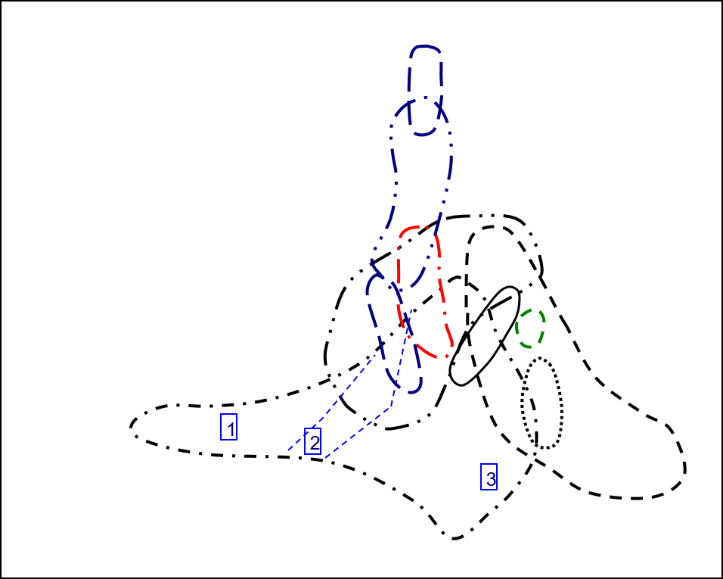
Ce/Ce vs Eu/Eu in Zircon
 | Carbonite |  | Granitoid (70-75% SiO2) |  | Granitoid (>65% SiO2) |  | Granitoid(>75% SiO2) |  | Syenite/Monzonite
0.30122591944 | 25.024903154 | 0.0090486257928 | 31.494692883 | 0.11942201445 | 17.237066515 | 0.47588978186 | 4.0725014178 | 0.062993245645 | 17.107573278
0.09505541347 | 218.09045226 | 0.042002853807 | 325.95505618 | 0.13189600507 | 30.386533666 | 0.052220923437 | 197.61316872 | 0.12254435309 | 42.076095947
0.011998378597 | 66.253869969 | 0.10292819896 | 78.085916259 | 0.052267239066 | 29.747675963 | 0.063382415318 | 10.427253371 | 0.043699731903 | 269.21135647
 |  | 0.20522046422 | 11.782430587 | 0.043196160341 | 111.03448276 | 0.0047291530699 | 82.261904762 | 0.052905267918 | 5.5434398368
 |  | 0.18557692308 | 31.710618436 | 0.16618075802 | 3.6499627884
 |  | 0.057411133467 | 85.402097902 | 0.078395762391 | 311.67048055
 |  | 0.069753878456 | 156.52520422 | 0.10754558205 | 8.9187306502
 |  | 0.060520876395 | 153.28366762 | 0.082360809229 | 26.285930408
 |  | 0.080229007634 | 133.23076923 | 0.045505269684 | 156.86556434
 |  | 0.14193168433 | 229.63235294 | 0.06925684485 | 153.59553177
 |  | 0.075241157556 | 38.641358641 | 0.19194061506 | 22.03207331
 |  | 0.060131578947 | 29.349025377 | 0.028866799205 | 107.08050436
 |  | 0.008340759223 | 287.5699888 | 0.053626373626 | 450.47169811
 |  | 0.076900412493 | 83.599033816 | 0.056247259974 | 172.63361236
 |  | 0.13867212486 | 22.243169399 | 0.16006183249 | 284.93297587
 |  | 0.06096187175 | 305.69574621 | 0.033186619718 | 75.711340206
 |  | 0.089234312032 | 180.38403614 | 0.014251639833 | 70.24822695
 |  | 0.049398099261 | 41.750186986 | 0.15186707165 | 27.701056052
 |  | 0.048447204969 | 10.857923497 | 0.042735896156 | 1241.0471204
 |  | 0.062393998695 | 69.63103122 | 0.14095034704 | 103.06366683
 |  | 0.056674632981 | 65.425531915
 |  | 0.021395553599 | 91.306173877
 |  | 0.060204081633 | 279.67269595
 |  | 0.018064648118 | 4.9802350427
 |  | 0.10281002861 | 108.4137931
 |  | 0.074594009383 | 183.93421885
 |  | 0.084361678259 | 56.652092442
 |  | 0.058771588105 | 14.224137931
 |  | 0.065979381443 | 9.2076875387
 |  | 0.17640398551 | 11.097969991
 |  | 0.040602655771 | 25.458612975
 |  | 0.14204807376 | 216.87014428
 |  | 0.07121332276 | 817.74193548
 |  | 0.016671091054 | 11.913119789
 |  | 0.040658955485 | 13.167736534
 |  | 0.043517844137 | 8.3283378747
 |  | 0.077892325315 | 182.44531688
 |  | 0.12540064103 | 6.4971659919
 |  | 0.12521891419 | 52.931726908
 |  | 0.051877748957 | 14.307100951
 |  | 0.085906993255 | 6.6596858639

Chart of TrElem Chart
Trace Element Patterns of Zircons
 | MIR1-01 | MIR1-06 | MIR1-11 | MIR1-12 | MIR1-14 | MIR1-17 | MIR1-19 | MIR1-20 | MIR1-26 | MIR1-29 | MIR1-35 | MIR1-36

Chart of REE Chart
Trace Element Patterns of Zircons
 | MIR1-01 | MIR1-06 | MIR1-11 | MIR1-12 | MIR1-14 | MIR1-17 | MIR1-19 | MIR1-20 | MIR1-26 | MIR1-29 | MIR1-35 | MIR1-36

