TrElem Chart
Trace Element Patterns of Zircons
 | INT1-01 | INT1-02 | INT1-03 | INT1-04 | INT1-07 | INT1-08 | INT1-09 | INT1-10 | INT1-11 | INT1-12 | INT1-13 | INT1-14C
La | 0.047257383966 | 3941688.3122 | 64.345991561 | 464.38818565 | 6.2025316456 | 1.0210970464 | 0.11392405063 | 0.32067510549 | 1.5400843882 | 5.4303797468 | 1.4936708861 | 22.194092827
Ce | 15.220228385 | 3304944.1272 | 116.73735726 | 390.58727569 | 49.070146819 | 18.939641109 | 21.794453507 | 41.468189233 | 32.07177814 | 118.38499184 | 13.050570962 | 216.7862969
Pr | 1.3038793103 | 2206911.8534 | 42.672413793 | 308.40517241 | 14.870689655 | 2.9202586207 | 5.2586206897 | 4.2564655172 | 5.1939655172 | 9.0086206897 | 5.5603448276 | 52.586206897
Nd | 4.2450765864 | 1541426.8271 | 53.347921225 | 275.12035011 | 18.927789934 | 4.5514223195 | 19.671772429 | 15.579868709 | 10.787746171 | 13.41356674 | 16.083150985 | 65.207877462
Sm | 26.824324324 | 803084.7973 | 55.135135135 | 210 | 45 | 28.581081081 | 106.89189189 | 77.972972973 | 45.067567568 | 35.337837838 | 70.067567568 | 110.06756757
Eu | 3.9253996448 | 526529.84014 | 33.019538188 | 70.337477798 | 13.570159858 | 7.6376554174 | 44.04973357 | 86.856127886 | 26.642984014 | 46.891651865 | 17.886323268 | 88.277087034
Gd | 113.01507538 | 509290.40201 | 146.03015075 | 333.06532663 | 156.93467337 | 183.76884422 | 413.76884422 | 267.18592965 | 179.74874372 | 137.18592965 | 214.62311558 | 209.44723618
Th | 2009.8639456 | 10878138.776 | 3481.6326531 | 2881.6326531 | 7843.537415 | 1454.0816327 | 3007.1428571 | 4590.4761905 | 9102.7210884 | 20766.326531 | 2767.6870748 | 19967.346939
Dy | 352.64227642 | 406065.12195 | 396.2195122 | 834.18699187 | 612.60162602 | 1046.1788618 | 1220.6097561 | 724.59349593 | 679.63414634 | 519.14634146 | 579.59349593 | 599.30894309
Y | 1518.5993658 | 901188.12368 | 1694.1120507 | 3462.6849894 | 3169.9947146 | 4650.8245243 | 4968.6469345 | 3114.640592 | 3426.4217759 | 3094.7410148 | 2367.8752643 | 3668.1183932
Ho | 581.31868132 | 378416.11722 | 638.27838828 | 1367.5824176 | 1131.1355311 | 1678.5714286 | 1999.0842491 | 1188.6446886 | 1269.96337 | 1023.6263736 | 928.20512821 | 1156.2271062
Er | 876.6875 | 371515.6875 | 956.0625 | 2040.25 | 1956.8125 | 2483.25 | 2908.0625 | 1790.6875 | 2103.875 | 1882.4375 | 1375.625 | 2193.75
U | 18062.162162 | 6363882.4324 | 20075.675676 | 19024.324324 | 152278.37838 | 68794.594595 | 20206.756757 | 18251.351351 | 63748.648649 | 137572.97297 | 21427.027027 | 84710.810811
Yb | 1546.7701863 | 424805.59006 | 1754.1614907 | 3630.931677 | 4406.0248447 | 4442.4223602 | 4897.3291925 | 3607.3913043 | 4593.5403727 | 5039.4409938 | 2438.5093168 | 6172.0496894
Lu | 1955.6910569 | 435677.23577 | 2245.1219512 | 4564.6341463 | 6147.5609756 | 5594.3089431 | 6163.0081301 | 4690.2439024 | 6449.5934959 | 7862.601626 | 2850 | 9397.1544715
Hf | 164464.36893 | 348074.07767 | 170202.42718 | 134946.79612 | 206968.73786 | 248505.04854 | 165031.94175 | 142105.14563 | 186086.1165 | 176598.54369 | 88864.07767 | 97746.31068
Nb | 18.75 | 2551615.875 | 394.16666667 | 42.5 | 138.95833333 | 123.33333333 | 13.583333333 | 4.8541666667 | 44.583333333 | 46 | 14.958333333 | 219.125
Ta | 110.95588235 | 2632176.4706 | 172.5 | 165.07352941 | 1086.7647059 | 1113.2352941 | 71.985294118 | 31.911764706 | 88.235294118 | 128.30882353 | 42.720588235 | 160.29411765
Ti | 0.051090909091 | 0 | 2.1222045455 | 1.1015681818 | 0.058295454545 | 0.045159090909 | 0.0235 | 0.066090909091 | 0.023954545455 | 0.017977272727 | 0.022022727273 | 0.051772727273
P | 0.64166750603 | 258.32016276 | 0.92834046297 | 20.777290495 | 0.9926627424 | 2.2492245777 | 0.86174079714 | 0.96552851658 | 0.95194751717 | 0.47533497947 | 0.31602902316 | 0.12425642408

REE Chart
Trace Element Patterns of Zircons
 | INT1-01 | INT1-02 | INT1-03 | INT1-04 | INT1-07 | INT1-08 | INT1-09 | INT1-10 | INT1-11 | INT1-12 | INT1-13 | INT1-14C
La | 0.047257383966 | 3941688.3122 | 64.345991561 | 464.38818565 | 6.2025316456 | 1.0210970464 | 0.11392405063 | 0.32067510549 | 1.5400843882 | 5.4303797468 | 1.4936708861 | 22.194092827
Ce | 15.220228385 | 3304944.1272 | 116.73735726 | 390.58727569 | 49.070146819 | 18.939641109 | 21.794453507 | 41.468189233 | 32.07177814 | 118.38499184 | 13.050570962 | 216.7862969
Pr | 1.3038793103 | 2206911.8534 | 42.672413793 | 308.40517241 | 14.870689655 | 2.9202586207 | 5.2586206897 | 4.2564655172 | 5.1939655172 | 9.0086206897 | 5.5603448276 | 52.586206897
Nd | 4.2450765864 | 1541426.8271 | 53.347921225 | 275.12035011 | 18.927789934 | 4.5514223195 | 19.671772429 | 15.579868709 | 10.787746171 | 13.41356674 | 16.083150985 | 65.207877462
Sm | 26.824324324 | 803084.7973 | 55.135135135 | 210 | 45 | 28.581081081 | 106.89189189 | 77.972972973 | 45.067567568 | 35.337837838 | 70.067567568 | 110.06756757
Eu | 3.9253996448 | 526529.84014 | 33.019538188 | 70.337477798 | 13.570159858 | 7.6376554174 | 44.04973357 | 86.856127886 | 26.642984014 | 46.891651865 | 17.886323268 | 88.277087034
Gd | 113.01507538 | 509290.40201 | 146.03015075 | 333.06532663 | 156.93467337 | 183.76884422 | 413.76884422 | 267.18592965 | 179.74874372 | 137.18592965 | 214.62311558 | 209.44723618
Tb | 196.95290859 | 427046.8144 | 229.6398892 | 490.02770083 | 309.41828255 | 481.99445983 | 696.39889197 | 417.72853186 | 362.60387812 | 247.64542936 | 343.2132964 | 324.3767313
Dy | 352.64227642 | 406065.12195 | 396.2195122 | 834.18699187 | 612.60162602 | 1046.1788618 | 1220.6097561 | 724.59349593 | 679.63414634 | 519.14634146 | 579.59349593 | 599.30894309
Ho | 581.31868132 | 378416.11722 | 638.27838828 | 1367.5824176 | 1131.1355311 | 1678.5714286 | 1999.0842491 | 1188.6446886 | 1269.96337 | 1023.6263736 | 928.20512821 | 1156.2271062
Er | 876.6875 | 371515.6875 | 956.0625 | 2040.25 | 1956.8125 | 2483.25 | 2908.0625 | 1790.6875 | 2103.875 | 1882.4375 | 1375.625 | 2193.75
Tm | 1137.2469636 | 371667.20648 | 1261.9433198 | 2656.2753036 | 2904.048583 | 3231.9838057 | 3652.6315789 | 2482.5910931 | 3042.1052632 | 2969.6356275 | 1773.6842105 | 3624.291498
Yb | 1546.7701863 | 424805.59006 | 1754.1614907 | 3630.931677 | 4406.0248447 | 4442.4223602 | 4897.3291925 | 3607.3913043 | 4593.5403727 | 5039.4409938 | 2438.5093168 | 6172.0496894
Lu | 1955.6910569 | 435677.23577 | 2245.1219512 | 4564.6341463 | 6147.5609756 | 5594.3089431 | 6163.0081301 | 4690.2439024 | 6449.5934959 | 7862.601626 | 2850 | 9397.1544715

CART1 Chart
Modelled Rock Types of Zircons
Ne-syenite&Syenite Pegmatites | 3
Granitoid (>65% SiO2) | 21
Granitoid (70-75% SiO2) | 7
Dolerite | 18
Carbonite | 5
Basalt | 1

CART2 Chart
Modelled Rock Types of Zircons
Larvikite (72%) | 47
Dolerite (71%) | 2
Syenite (93%) | 4
Carbonite (79%) | 1
Basalt (94%) | 1

Y-U Plot
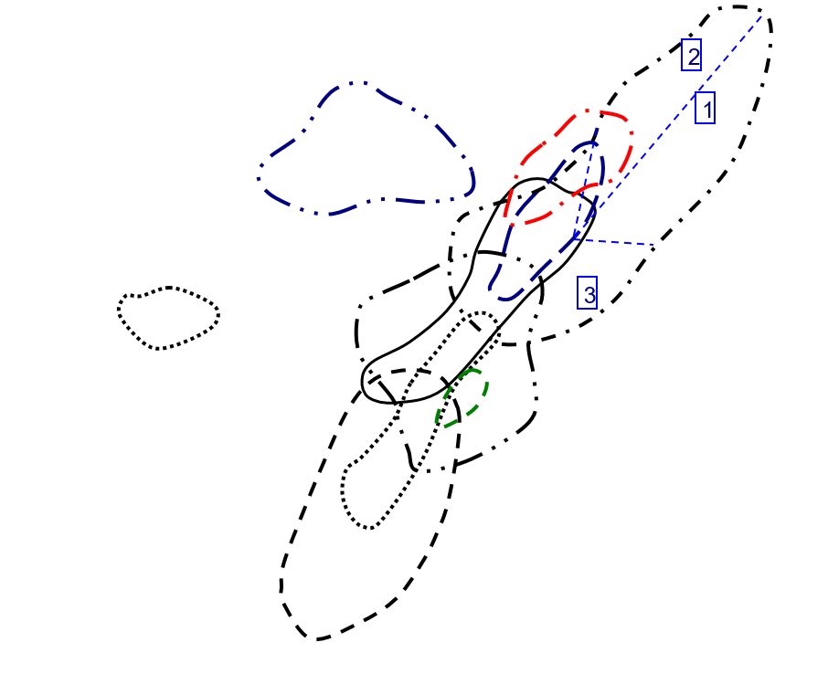
Y vs U in Zircon
 | INT1 |  | INT2
133.66 | 957.73 | 155.27 | 953.87
47092.73 | 568349.31 | 47.91 | 1529.04
148.56 | 1068.42 | 385.77 | 446.54
140.78 | 2183.8 | 75.99 | 817.44
1126.86 | 1999.21 | 423.32 | 4271.52
509.08 | 2933.12 | 547.25 | 1076.28
149.53 | 3133.56 | 487.68 | 1748.43
135.06 | 1964.3 | 325.7 | 1538.97
471.74 | 2160.93 | 182.41 | 1209.34
1018.04 | 1951.75 | 250.91 | 890.49
158.56 | 1493.34 | 114.66 | 479.76
626.86 | 2313.36 | 147.5 | 255.17
348.78 | 590.23 | 121.19 | 1496.03
64.9 | 674.88 | 106.61 | 291.55
146.95 | 714.16 | 100.54 | 612.48
2220.34 | 360301.38
131.64 | 1272.73
191 | 809.1
261.27 | 1149.48
525.36 | 1296.41
180.97 | 1064.57
334.47 | 696.56
167.19 | 369.66
832.58 | 1052.49
702.58 | 808.09
134.14 | 434.93
583.52 | 2055.66
545.11 | 1079.02
417.29 | 448.63
102.82 | 268.67
183.76 | 714.88
178.79 | 805.32
105.99 | 809.26
251.21 | 1826.98
130.38 | 799.51
248.05 | 856.39
25309.41 | 387642.94
149.2 | 774.38
484.94 | 1032.48
165.91 | 836.73

Y-Th Plot
Y vs Th in Zircon
 | INT1 |  | INT2
59.09 | 957.73 | 81.34 | 953.87
319817.28 | 568349.31 | 93.5 | 1529.04
102.36 | 1068.42 | 104.11 | 446.54
84.72 | 2183.8 | 88.68 | 817.44
230.6 | 1999.21 | 285.06 | 4271.52
42.75 | 2933.12 | 235.54 | 1076.28
88.41 | 3133.56 | 376.4 | 1748.43
134.96 | 1964.3 | 292.48 | 1538.97
267.62 | 2160.93 | 236.94 | 1209.34
610.53 | 1951.75 | 322.68 | 890.49
81.37 | 1493.34 | 109.06 | 479.76
587.04 | 2313.36 | 116.55 | 255.17
179.74 | 590.23 | 48.16 | 1496.03
53.3 | 674.88 | 47.78 | 291.55
67.68 | 714.16 | 55.44 | 612.48
18425.47 | 360301.38
73.32 | 1272.73
52 | 809.1
202.08 | 1149.48
191.07 | 1296.41
184.91 | 1064.57
244.12 | 696.56
54.23 | 369.66
259.47 | 1052.49
53.77 | 808.09
146.89 | 434.93
415.89 | 2055.66
288.96 | 1079.02
116.34 | 448.63
65.68 | 268.67
168.84 | 714.88
161.88 | 805.32
78.76 | 809.26
277.5 | 1826.98
68.14 | 799.51
119.38 | 856.39
175891.02 | 387642.94
56.58 | 774.38
178.7 | 1032.48
97.4 | 836.73

Y-YbSm Plot
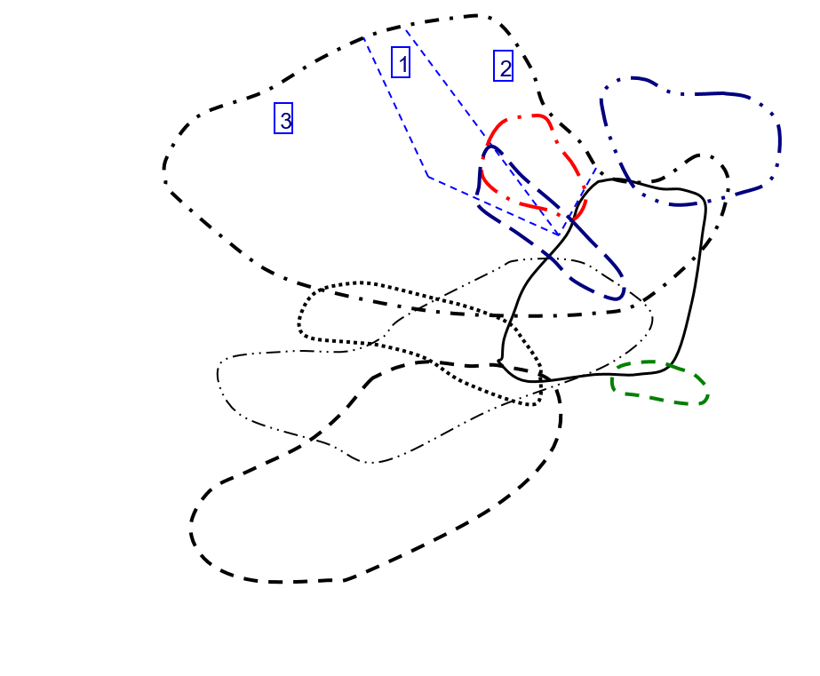
Y vs Yb/Sm in Zircon
 | INT1 |  | INT2
62.727959698 | 957.73 | 14.715254237 | 953.87
0.57543063466 | 568349.31 | 8.8825104105 | 1529.04
34.610294118 | 1068.42 | 18.543296089 | 446.54
18.808880309 | 2183.8 | 21.706349206 | 817.44
106.51201201 | 1999.21 | 74.183615819 | 4271.52
169.08510638 | 2933.12 | 33.377985462 | 1076.28
49.840075853 | 3133.56 | 18.301079914 | 1748.43
50.328422877 | 1964.3 | 48.181818182 | 1538.97
110.87856072 | 2160.93 | 59.565495208 | 1209.34
155.13384321 | 1951.75 | 16.355011933 | 890.49
37.859209257 | 1493.34 | 19.436493739 | 479.76
61.000613874 | 2313.36 | 27.471962617 | 255.17
176.67647059 | 590.23 | 59.310116086 | 1496.03
73.586345382 | 674.88 | 53.973684211 | 291.55
90.752 | 714.16 | 55.449044586 | 612.48
0.28176589597 | 360301.38
48.787878788 | 1272.73
73.987138264 | 809.1
69.213084112 | 1149.48
122.41573034 | 1296.41
23.684258417 | 1064.57
23.135761589 | 696.56
64.714876033 | 369.66
14.604536489 | 1052.49
16.063094642 | 808.09
22.64047619 | 434.93
7.2581201946 | 2055.66
11.122857143 | 1079.02
23.129098361 | 448.63
30.90625 | 268.67
131.7016129 | 714.88
35.596560847 | 805.32
51.923076923 | 809.26
84.333333333 | 1826.98
69.035928144 | 799.51
47.20537428 | 856.39
0.37345844825 | 387642.94
59.723557692 | 774.38
63.135135135 | 1032.48
62.379576108 | 836.73

Y-NbTa Plot
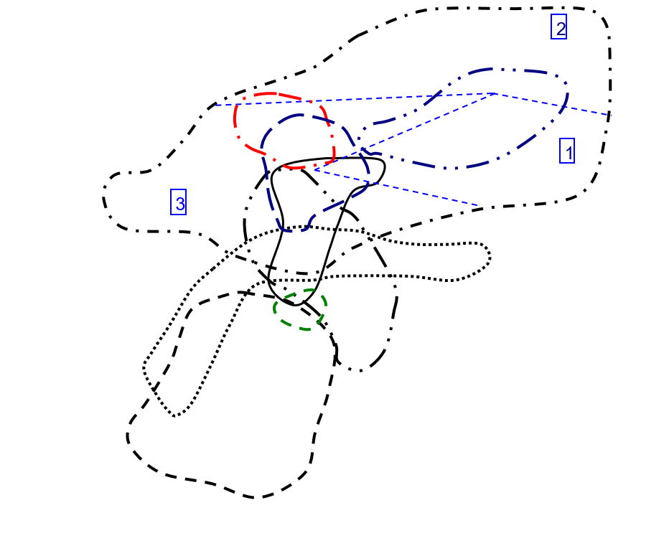
Y vs Nb/Ta in Zircon
 | INT1 |  | INT2
2.9821073559 | 957.73 | 3.0270655271 | 953.87
17.106951583 | 568349.31 | 15.092624357 | 1529.04
40.323955669 | 1068.42 | 3.056379822 | 446.54
4.5434298441 | 2183.8 | 3.851044505 | 817.44
2.2564276049 | 1999.21 | 3.1629701061 | 4271.52
1.9550858653 | 2933.12 | 4.4338235294 | 1076.28
3.3299284985 | 3133.56 | 14.516034985 | 1748.43
2.6843317972 | 1964.3 | 9.3159609121 | 1538.97
8.9166666667 | 2160.93 | 4.1028938907 | 1209.34
6.3266475645 | 1951.75 | 20.647302905 | 890.49
6.1790017212 | 1493.34 | 16.148648649 | 479.76
24.123853211 | 2313.36 | 3.6182572614 | 255.17
11.315789474 | 590.23 | 3.1791044776 | 1496.03
3.2018561485 | 674.88 | 3.4525547445 | 291.55
2.8358208955 | 714.16 | 3.5815508021 | 612.48
12.532710776 | 360301.38
2.8479381443 | 1272.73
2.5191204589 | 809.1
5.1222351572 | 1149.48
2.9122055675 | 1296.41
13.953750705 | 1064.57
6.5133171913 | 696.56
6.9230769231 | 369.66
8.7415730337 | 1052.49
7.2840867328 | 808.09
4.6346938776 | 434.93
30.082524272 | 2055.66
24.576271186 | 1079.02
5.6959314775 | 448.63
4.2134831461 | 268.67
5.2165354331 | 714.88
14.589892295 | 805.32
15.189873418 | 809.26
3.6857825568 | 1826.98
3.0285714286 | 799.51
6.5394402036 | 856.39
12.953453241 | 387642.94
7.1980676329 | 774.38
3.4788108792 | 1032.48
6.2380538662 | 836.73

Y-ThU Plot
Y vs Th/U in Zircon
 | INT1 |  | INT2
0.44209187491 | 957.73 | 0.52386166033 | 953.87
6.7912240382 | 568349.31 | 1.9515758714 | 1529.04
0.68901453958 | 1068.42 | 0.26987583275 | 446.54
0.60179002699 | 2183.8 | 1.1669956573 | 817.44
0.20463944057 | 1999.21 | 0.67339128791 | 4271.52
0.08397501375 | 2933.12 | 0.43040657835 | 1076.28
0.59125259145 | 3133.56 | 0.7718175853 | 1748.43
0.99925958833 | 1964.3 | 0.89800429843 | 1538.97
0.5673040234 | 2160.93 | 1.298941944 | 1209.34
0.59971120978 | 1951.75 | 1.2860388187 | 890.49
0.51318113017 | 1493.34 | 0.95115995116 | 479.76
0.93647704432 | 2313.36 | 0.79016949153 | 255.17
0.51533918229 | 590.23 | 0.39739252414 | 1496.03
0.82126348228 | 674.88 | 0.44817559328 | 291.55
0.46056481797 | 714.16 | 0.55142231947 | 612.48
8.2984903213 | 360301.38
0.55697356427 | 1272.73
0.2722513089 | 809.1
0.77345275003 | 1149.48
0.36369346734 | 1296.41
1.0217715643 | 1064.57
0.72987113941 | 696.56
0.32436150487 | 369.66
0.31164572774 | 1052.49
0.076532209855 | 808.09
1.0950499478 | 434.93
0.71272621333 | 2055.66
0.53009484324 | 1079.02
0.27879891682 | 448.63
0.63878622836 | 268.67
0.91880713975 | 714.88
0.90541976621 | 805.32
0.74308897066 | 809.26
1.1046534772 | 1826.98
0.52262616966 | 799.51
0.48127393671 | 856.39
6.9496294066 | 387642.94
0.37922252011 | 774.38
0.36849919578 | 1032.48
0.58706527635 | 836.73

Y-CeCe Plot
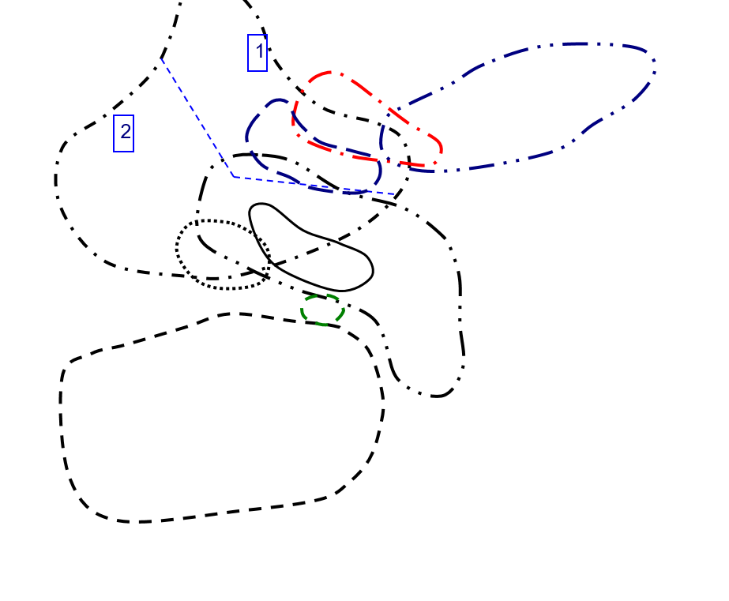
Y vs Ce/Ce in Zircon
 | INT1 |  | INT2
5.6323791845 | 957.73 | 0.2654531824 | 953.87
0.26875581744 | 568349.31 | 0.37585031195 | 1529.04
0.54540785238 | 1068.42 | 0.62712249085 | 446.54
0.25271133067 | 2183.8 | 2.3680276001 | 817.44
1.16427731 | 1999.21 | 1.1439430459 | 4271.52
2.4026810454 | 2933.12 | 0.37028243696 | 1076.28
2.0283175442 | 3133.56 | 0.44401888198 | 1748.43
4.5299230078 | 1964.3 | 0.54309490836 | 1538.97
2.3813142604 | 2160.93 | 10.337761129 | 1209.34
4.0994870928 | 1951.75 | 0.46126841444 | 890.49
0.92504549835 | 1493.34 | 3.3857332601 | 479.76
1.4494880182 | 2313.36 | 11.678337767 | 255.17
7.7370105121 | 590.23 | 0.57363330927 | 1496.03
5.3898472054 | 674.88 | 1.0514766652 | 291.55
6.7750260061 | 714.16 | 2.1424990248 | 612.48
0.28285679059 | 360301.38
2.7805415654 | 1272.73
5.4835468696 | 809.1
1.2123056014 | 1149.48
12.018751509 | 1296.41
0.45876657366 | 1064.57
0.5212237716 | 696.56
0.9266120261 | 369.66
0.3552075088 | 1052.49
0.27767726417 | 808.09
2.3302990658 | 434.93
0.2962680037 | 2055.66
0.34123416094 | 1079.02
0.79012675058 | 448.63
2.3224827977 | 268.67
1.1410871123 | 714.88
0.74207454609 | 805.32
0.83169274078 | 809.26
8.2748636288 | 1826.98
3.0392798882 | 799.51
0.60929432902 | 856.39
0.28801196446 | 387642.94
0.36181493105 | 774.38
0.80652281518 | 1032.48
0.68498688661 | 836.73

Y-EuEu Plot
Y vs Eu/Eu in Zircon
 | INT1 |  | INT2
0.014035385067 | 957.73 | 0.025972238572 | 953.87
0.20060187072 | 568349.31 | 0.099249209343 | 1529.04
0.082070666523 | 1068.42 | 0.1342294487 | 446.54
0.064759683916 | 2183.8 | 0.029880043305 | 817.44
0.033600370931 | 1999.21 | 0.027449727702 | 4271.52
0.017983654589 | 2933.12 | 0.062513036099 | 1076.28
0.042301762467 | 3133.56 | 0.044052709797 | 1748.43
0.12582049489 | 1964.3 | 0.083773604684 | 1538.97
0.059255006591 | 2160.93 | 0.13194817168 | 1209.34
0.13589910697 | 1951.75 | 0.18628951044 | 890.49
0.031413608395 | 1493.34 | 0.12157833746 | 479.76
0.13814240529 | 2313.36 | 0.084873584815 | 255.17
0.11035027318 | 590.23 | 0.016889175321 | 1496.03
0.017492449198 | 674.88 | 0.017395272934 | 291.55
0.014744132933 | 714.16 | 0.038560618388 | 612.48
0.14928320581 | 360301.38
0.043796157762 | 1272.73
0.037421540879 | 809.1
0.13933210999 | 1149.48
0.056230455392 | 1296.41
0.086952145834 | 1064.57
0.15979754324 | 696.56
0.11766521763 | 369.66
0.25494420756 | 1052.49
0.62934190507 | 808.09
0.039878311729 | 434.93
0.11698430228 | 2055.66
0.1269955163 | 1079.02
0.14385799082 | 448.63
0.14290600798 | 268.67
0.76410259929 | 714.88
0.11588111542 | 805.32
0.035384650953 | 809.26
0.068846390211 | 1826.98
0.02003483012 | 799.51
0.049548299967 | 856.39
0.16739629808 | 387642.94
0.074312898843 | 774.38
0.057481952957 | 1032.48
0.15004912506 | 836.73

Hf-Y Plot
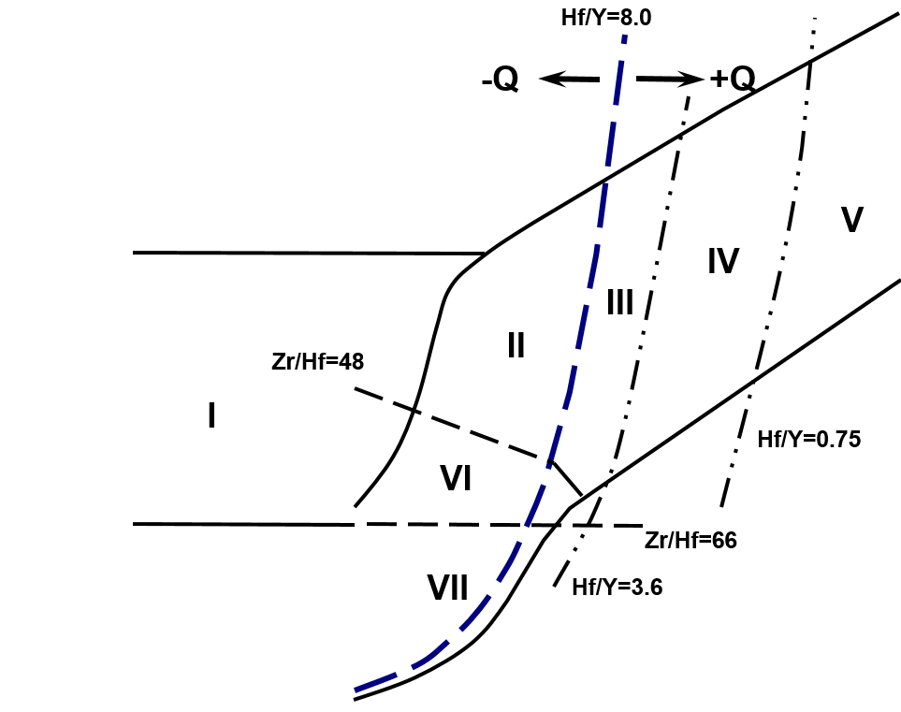
Hf vs Y in Zircon
 | INT1 |  | INT2
957.73 | 1.693983 | 953.87 | 1.01016
568349.31 | 3.585163 | 1529.04 | 1.063045
1068.42 | 1.753085 | 446.54 | 1.253785
2183.8 | 1.389952 | 817.44 | 0.997554
1999.21 | 2.131778 | 4271.52 | 0.809023
2933.12 | 2.559602 | 1076.28 | 1.29812
3133.56 | 1.699829 | 1748.43 | 1.049062
1964.3 | 1.463683 | 1538.97 | 1.064626
2160.93 | 1.916687 | 1209.34 | 0.882812
1951.75 | 1.818965 | 890.49 | 1.087047
1493.34 | 0.9153 | 479.76 | 0.825458
2313.36 | 1.006787 | 255.17 | 1.016371
590.23 | 1.133913 | 1496.03 | 0.774608
674.88 | 1.063995 | 291.55 | 1.06063
714.16 | 1.011569 | 612.48 | 0.973173
360301.38 | 1.845081
1272.73 | 0.872389
809.1 | 0.996848
1149.48 | 0.904046
1296.41 | 0.943387
1064.57 | 0.991075
696.56 | 1.183609
369.66 | 1.295716
1052.49 | 1.301479
808.09 | 1.333259
434.93 | 1.296375
2055.66 | 0.975309
1079.02 | 1.12337
448.63 | 1.049555
268.67 | 1.03521
714.88 | 1.053153
805.32 | 1.058633
809.26 | 1.010605
1826.98 | 0.906326
799.51 | 0.978506
856.39 | 1.087227
387642.94 | 1.794029
774.38 | 1.163814
1032.48 | 1.051696
836.73 | 1.001201

Nb-Ta Plot
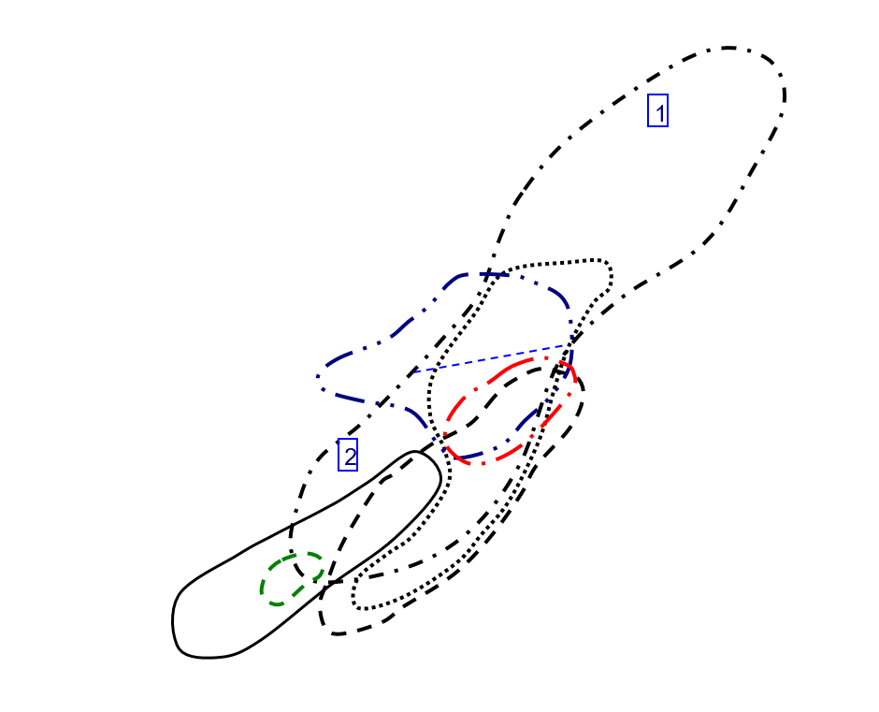
Nb vs Ta in Zircon
 | INT1 |  | INT2
1.509 | 4.5 | 1.404 | 4.25
35797.6 | 612387.81 | 5.83 | 87.99
2.346 | 94.6 | 1.011 | 3.09
2.245 | 10.2 | 1.101 | 4.24
14.78 | 33.35 | 1.037 | 3.28
15.14 | 29.6 | 4.08 | 18.09
0.979 | 3.26 | 3.43 | 49.79
0.434 | 1.165 | 3.07 | 28.6
1.2 | 10.7 | 0.622 | 2.552
1.745 | 11.04 | 4.82 | 99.52
0.581 | 3.59 | 0.296 | 4.78
2.18 | 52.59 | 0.482 | 1.744
0.304 | 3.44 | 1.34 | 4.26
0.862 | 2.76 | 0.411 | 1.419
1.742 | 4.94 | 0.748 | 2.679
13010.85 | 163061.22
1.552 | 4.42
2.092 | 5.27
0.859 | 4.4
1.401 | 4.08
1.773 | 24.74
2.065 | 13.45
0.585 | 4.05
4.45 | 38.9
2.721 | 19.82
0.49 | 2.271
12.36 | 371.82
4.72 | 116
1.868 | 10.64
0.712 | 3
1.016 | 5.3
1.207 | 17.61
0.948 | 14.4
1.674 | 6.17
1.4 | 4.24
3.93 | 25.7
30007.03 | 388694.66
0.621 | 4.47
1.581 | 5.5
1.151 | 7.18

U-Th Plot
U vs Th in Zircon
 | INT1 |  | INT2
59.09 | 133.66 | 81.34 | 155.27
319817.28 | 47092.73 | 93.5 | 47.91
102.36 | 148.56 | 104.11 | 385.77
84.72 | 140.78 | 88.68 | 75.99
230.6 | 1126.86 | 285.06 | 423.32
42.75 | 509.08 | 235.54 | 547.25
88.41 | 149.53 | 376.4 | 487.68
134.96 | 135.06 | 292.48 | 325.7
267.62 | 471.74 | 236.94 | 182.41
610.53 | 1018.04 | 322.68 | 250.91
81.37 | 158.56 | 109.06 | 114.66
587.04 | 626.86 | 116.55 | 147.5
179.74 | 348.78 | 48.16 | 121.19
53.3 | 64.9 | 47.78 | 106.61
67.68 | 146.95 | 55.44 | 100.54
18425.47 | 2220.34
73.32 | 131.64
52 | 191
202.08 | 261.27
191.07 | 525.36
184.91 | 180.97
244.12 | 334.47
54.23 | 167.19
259.47 | 832.58
53.77 | 702.58
146.89 | 134.14
415.89 | 583.52
288.96 | 545.11
116.34 | 417.29
65.68 | 102.82
168.84 | 183.76
161.88 | 178.79
78.76 | 105.99
277.5 | 251.21
68.14 | 130.38
119.38 | 248.05
175891.02 | 25309.41
56.58 | 149.2
178.7 | 484.94
97.4 | 165.91

CeCe-EuEu Plot
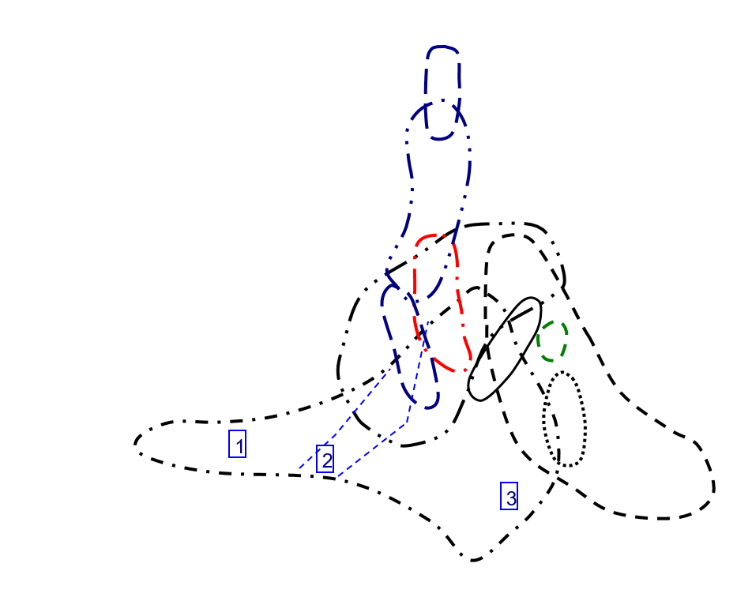
Ce/Ce vs Eu/Eu in Zircon
 | INT1 |  | INT2
0.014035385067 | 5.6323791845 | 0.025972238572 | 0.2654531824
0.20060187072 | 0.26875581744 | 0.099249209343 | 0.37585031195
0.082070666523 | 0.54540785238 | 0.1342294487 | 0.62712249085
0.064759683916 | 0.25271133067 | 0.029880043305 | 2.3680276001
0.033600370931 | 1.16427731 | 0.027449727702 | 1.1439430459
0.017983654589 | 2.4026810454 | 0.062513036099 | 0.37028243696
0.042301762467 | 2.0283175442 | 0.044052709797 | 0.44401888198
0.12582049489 | 4.5299230078 | 0.083773604684 | 0.54309490836
0.059255006591 | 2.3813142604 | 0.13194817168 | 10.337761129
0.13589910697 | 4.0994870928 | 0.18628951044 | 0.46126841444
0.031413608395 | 0.92504549835 | 0.12157833746 | 3.3857332601
0.13814240529 | 1.4494880182 | 0.084873584815 | 11.678337767
0.11035027318 | 7.7370105121 | 0.016889175321 | 0.57363330927
0.017492449198 | 5.3898472054 | 0.017395272934 | 1.0514766652
0.014744132933 | 6.7750260061 | 0.038560618388 | 2.1424990248
0.14928320581 | 0.28285679059
0.043796157762 | 2.7805415654
0.037421540879 | 5.4835468696
0.13933210999 | 1.2123056014
0.056230455392 | 12.018751509
0.086952145834 | 0.45876657366
0.15979754324 | 0.5212237716
0.11766521763 | 0.9266120261
0.25494420756 | 0.3552075088
0.62934190507 | 0.27767726417
0.039878311729 | 2.3302990658
0.11698430228 | 0.2962680037
0.1269955163 | 0.34123416094
0.14385799082 | 0.79012675058
0.14290600798 | 2.3224827977
0.76410259929 | 1.1410871123
0.11588111542 | 0.74207454609
0.035384650953 | 0.83169274078
0.068846390211 | 8.2748636288
0.02003483012 | 3.0392798882
0.049548299967 | 0.60929432902
0.16739629808 | 0.28801196446
0.074312898843 | 0.36181493105
0.057481952957 | 0.80652281518
0.15004912506 | 0.68498688661

