data Chart
Trace Element Patterns of Zircons
 | STDGJ-01 | STDGJ-02 | 91500-01 | 610-01 | MT-01 | INT1-01 | INT1-02 | INT1-03 | INT1-04 | INT1-07 | INT1-08 | INT1-09
P | 39.43 | 46.08 | 25.2 | 342.5 | 84.67 | 231.04 | 93011.24 | 334.26 | 7481.11 | 357.42 | 809.86 | 310.28
Ca | 0 | 0 | 0 | 81905.33 | 0 | 0 | 0 | 825.51 | 21425.73 | 0 | 0 | 0
Ti | 5.21 | 5.75 | 4.01 | 476 | 7.26 | 22.48 | 0 | 933.77 | 484.69 | 25.65 | 19.87 | 10.34
Y | 275.17 | 273.51 | 135.09 | 490 | 493.41 | 957.73 | 568349.31 | 1068.42 | 2183.8 | 1999.21 | 2933.12 | 3133.56
Zr | 341150.34 | 340280.16 | 269616.56 | 490 | 488604.06 | 488604.09 | 488604.06 | 488604.03 | 488604 | 488604.03 | 488604 | 488604
Nb | 2.134 | 2.001 | 1.077 | 512 | 15.29 | 4.5 | 612387.81 | 94.6 | 10.2 | 33.35 | 29.6 | 3.26
La | 0 | 0 | 0 | 440 | 0 | 0.0112 | 934180.13 | 15.25 | 110.06 | 1.47 | 0.242 | 0.027
Ce | 20.4 | 20.29 | 2.291 | 446 | 5.16 | 9.33 | 2025930.75 | 71.56 | 239.43 | 30.08 | 11.61 | 13.36
Pr | 0.0444 | 0.0419 | 0.0092 | 468 | 0.0677 | 0.121 | 204801.42 | 3.96 | 28.62 | 1.38 | 0.271 | 0.488
Nd | 0.865 | 0.811 | 0.203 | 454 | 1.033 | 1.94 | 704432.06 | 24.38 | 125.73 | 8.65 | 2.08 | 8.99
Sm | 1.803 | 1.802 | 0.346 | 463 | 2.91 | 3.97 | 118856.55 | 8.16 | 31.08 | 6.66 | 4.23 | 15.82
Eu | 1.148 | 1.166 | 0.192 | 452 | 1.926 | 0.221 | 29643.63 | 1.859 | 3.96 | 0.764 | 0.43 | 2.48
Gd | 7.94 | 7.93 | 1.907 | 450 | 16.13 | 22.49 | 101348.79 | 29.06 | 66.28 | 31.23 | 36.57 | 82.34
Tb | 2.091 | 2.041 | 0.727 | 442 | 5.1 | 7.11 | 15416.39 | 8.29 | 17.69 | 11.17 | 17.4 | 25.14
Dy | 21.86 | 22.06 | 10.68 | 453 | 60.23 | 86.75 | 99892.02 | 97.47 | 205.21 | 150.7 | 257.36 | 300.27
Ho | 7.35 | 7.37 | 4.43 | 475 | 19.51 | 31.74 | 20661.52 | 34.85 | 74.67 | 61.76 | 91.65 | 109.15
Er | 32.5 | 32.49 | 24.08 | 463 | 69.51 | 140.27 | 59442.51 | 152.97 | 326.44 | 313.09 | 397.32 | 465.29
Tm | 6.74 | 6.81 | 5.97 | 454 | 11.8 | 28.09 | 9180.18 | 31.17 | 65.61 | 71.73 | 79.83 | 90.22
Yb | 65.99 | 65.93 | 62.29 | 479 | 89.21 | 249.03 | 68393.7 | 282.42 | 584.58 | 709.37 | 715.23 | 788.47
Lu | 13.61 | 13.52 | 12.65 | 467 | 14.34 | 48.11 | 10717.66 | 55.23 | 112.29 | 151.23 | 137.62 | 151.61
Hf | 7801.4 | 7801.4 | 5596.66 | 458 | 18128.68 | 16939.83 | 35851.63 | 17530.85 | 13899.52 | 21317.78 | 25596.02 | 16998.29
Ta | 0.505 | 0.517 | 0.422 | 490.6 | 13.07 | 1.509 | 35797.6 | 2.346 | 2.245 | 14.78 | 15.14 | 0.979
Th | 18.47 | 18.3 | 28.52 | 481 | 170.89 | 59.09 | 319817.28 | 102.36 | 84.72 | 230.6 | 42.75 | 88.41
U | 289.05 | 287.12 | 78.67 | 487 | 191.83 | 133.66 | 47092.73 | 148.56 | 140.78 | 1126.86 | 509.08 | 149.53

Unknown Chart
Trace Element Patterns of Zircons
 | STDGJ-01 | STDGJ-02 | 91500-01 | 610-01 | MT-01 | INT1-01 | INT1-02 | INT1-03 | INT1-04 | INT1-07 | INT1-08 | INT1-09
P | 39.43 | 46.08 | 25.2 | 342.5 | 84.67 | 231.04 | 93011.24 | 334.26 | 7481.11 | 357.42 | 809.86 | 310.28
Ca | 0 | 0 | 0 | 81905.33 | 0 | 0 | 0 | 825.51 | 21425.73 | 0 | 0 | 0
Ti | 5.21 | 5.75 | 4.01 | 476 | 7.26 | 22.48 | 0 | 933.77 | 484.69 | 25.65 | 19.87 | 10.34
Y | 275.17 | 273.51 | 135.09 | 490 | 493.41 | 957.73 | 568349.31 | 1068.42 | 2183.8 | 1999.21 | 2933.12 | 3133.56
Zr | 341150.34 | 340280.16 | 269616.56 | 490 | 488604.06 | 488604.09 | 488604.06 | 488604.03 | 488604 | 488604.03 | 488604 | 488604
Nb | 2.134 | 2.001 | 1.077 | 512 | 15.29 | 4.5 | 612387.81 | 94.6 | 10.2 | 33.35 | 29.6 | 3.26
La | 0 | 0 | 0 | 440 | 0 | 0.0112 | 934180.13 | 15.25 | 110.06 | 1.47 | 0.242 | 0.027
Ce | 20.4 | 20.29 | 2.291 | 446 | 5.16 | 9.33 | 2025930.75 | 71.56 | 239.43 | 30.08 | 11.61 | 13.36
Pr | 0.0444 | 0.0419 | 0.0092 | 468 | 0.0677 | 0.121 | 204801.42 | 3.96 | 28.62 | 1.38 | 0.271 | 0.488
Nd | 0.865 | 0.811 | 0.203 | 454 | 1.033 | 1.94 | 704432.06 | 24.38 | 125.73 | 8.65 | 2.08 | 8.99
Sm | 1.803 | 1.802 | 0.346 | 463 | 2.91 | 3.97 | 118856.55 | 8.16 | 31.08 | 6.66 | 4.23 | 15.82
Eu | 1.148 | 1.166 | 0.192 | 452 | 1.926 | 0.221 | 29643.63 | 1.859 | 3.96 | 0.764 | 0.43 | 2.48
Gd | 7.94 | 7.93 | 1.907 | 450 | 16.13 | 22.49 | 101348.79 | 29.06 | 66.28 | 31.23 | 36.57 | 82.34
Tb | 2.091 | 2.041 | 0.727 | 442 | 5.1 | 7.11 | 15416.39 | 8.29 | 17.69 | 11.17 | 17.4 | 25.14
Dy | 21.86 | 22.06 | 10.68 | 453 | 60.23 | 86.75 | 99892.02 | 97.47 | 205.21 | 150.7 | 257.36 | 300.27
Ho | 7.35 | 7.37 | 4.43 | 475 | 19.51 | 31.74 | 20661.52 | 34.85 | 74.67 | 61.76 | 91.65 | 109.15
Er | 32.5 | 32.49 | 24.08 | 463 | 69.51 | 140.27 | 59442.51 | 152.97 | 326.44 | 313.09 | 397.32 | 465.29
Tm | 6.74 | 6.81 | 5.97 | 454 | 11.8 | 28.09 | 9180.18 | 31.17 | 65.61 | 71.73 | 79.83 | 90.22
Yb | 65.99 | 65.93 | 62.29 | 479 | 89.21 | 249.03 | 68393.7 | 282.42 | 584.58 | 709.37 | 715.23 | 788.47
Lu | 13.61 | 13.52 | 12.65 | 467 | 14.34 | 48.11 | 10717.66 | 55.23 | 112.29 | 151.23 | 137.62 | 151.61
Hf | 7801.4 | 7801.4 | 5596.66 | 458 | 18128.68 | 16939.83 | 35851.63 | 17530.85 | 13899.52 | 21317.78 | 25596.02 | 16998.29
Ta | 0.505 | 0.517 | 0.422 | 490.6 | 13.07 | 1.509 | 35797.6 | 2.346 | 2.245 | 14.78 | 15.14 | 0.979
Th | 18.47 | 18.3 | 28.52 | 481 | 170.89 | 59.09 | 319817.28 | 102.36 | 84.72 | 230.6 | 42.75 | 88.41
U | 289.05 | 287.12 | 78.67 | 487 | 191.83 | 133.66 | 47092.73 | 148.56 | 140.78 | 1126.86 | 509.08 | 149.53

CART1 Chart
Modelled Rock Types of Zircons
Basalt | 6
Syenite | 4
Granitoid (>65% SiO2) | 21
Ne-syenite&Syenite Pegmatites | 3
Granitoid (70-75% SiO2) | 7
Dolerite | 18
Carbonite | 23

CART2 Chart
Modelled Rock Types of Zircons
Basalt (94%) | 6
Syenite (93%) | 12
Larvikite (72%) | 47
Dolerite (71%) | 2
Carbonite (79%) | 15

Y-U Plot
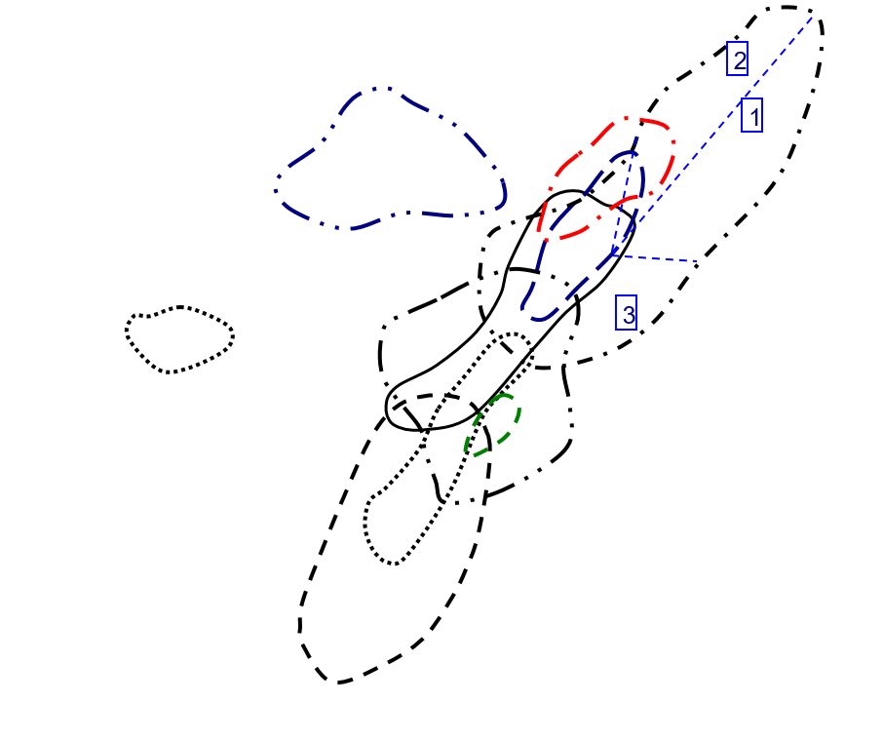
Y vs U in Zircon
 | Basalt |  | Carbonite |  | Dolerite |  | Granitoid (70-75% SiO2) |  | Granitoid (>65% SiO2) |  | Ne-syenite&Syenite Pegmatites |  | Syenite
487 | 490 | 289.05 | 275.17 | 158.56 | 1493.34 | 140.78 | 2183.8 | 133.66 | 957.73 | 47092.73 | 568349.31 | 78.67 | 135.09
487 | 490 | 287.12 | 273.51 | 626.86 | 2313.36 | 1126.86 | 1999.21 | 148.56 | 1068.42 | 2220.34 | 360301.38 | 83.07 | 140.59
487 | 490 | 191.83 | 493.41 | 146.95 | 714.16 | 509.08 | 2933.12 | 348.78 | 590.23 | 25309.41 | 387642.94 | 79.64 | 136.13
487 | 490 | 287.87 | 270.96 | 131.64 | 1272.73 | 149.53 | 3133.56 | 64.9 | 674.88 |  |  | 79.65 | 136.05
487 | 490 | 285.65 | 270.56 | 191 | 809.1 | 135.06 | 1964.3 | 334.47 | 696.56
121.19 | 1496.03 | 287.87 | 270.96 | 261.27 | 1149.48 | 471.74 | 2160.93 | 167.19 | 369.66
 |  | 285.65 | 270.56 | 525.36 | 1296.41 | 1018.04 | 1951.75 | 832.58 | 1052.49
 |  | 105.11 | 277.28 | 180.97 | 1064.57 |  |  | 702.58 | 808.09
 |  | 288.35 | 269.34 | 583.52 | 2055.66 |  |  | 545.11 | 1079.02
 |  | 289.24 | 269.2 | 105.99 | 809.26 |  |  | 417.29 | 448.63
 |  | 288.35 | 269.34 | 251.21 | 1826.98 |  |  | 183.76 | 714.88
 |  | 289.24 | 269.2 | 130.38 | 799.51 |  |  | 178.79 | 805.32
 |  | 134.14 | 434.93 | 165.91 | 836.73 |  |  | 248.05 | 856.39
 |  | 102.82 | 268.67 | 155.27 | 953.87 |  |  | 149.2 | 774.38
 |  | 289.72 | 269.68 | 75.99 | 817.44 |  |  | 484.94 | 1032.48
 |  | 291.88 | 270.18 | 423.32 | 4271.52 |  |  | 47.91 | 1529.04
 |  | 289.72 | 269.68 | 182.41 | 1209.34 |  |  | 385.77 | 446.54
 |  | 291.88 | 270.18 | 100.54 | 612.48 |  |  | 547.25 | 1076.28
 |  | 114.66 | 479.76 |  |  |  |  | 487.68 | 1748.43
 |  | 147.5 | 255.17 |  |  |  |  | 325.7 | 1538.97
 |  | 106.61 | 291.55 |  |  |  |  | 250.91 | 890.49
 |  | 294.29 | 273.06
 |  | 289.17 | 269.01

Y-Th Plot
Y vs Th in Zircon
 | Basalt |  | Carbonite |  | Dolerite |  | Granitoid (70-75% SiO2) |  | Granitoid (>65% SiO2) |  | Ne-syenite&Syenite Pegmatites |  | Syenite
481 | 490 | 18.47 | 275.17 | 81.37 | 1493.34 | 84.72 | 2183.8 | 59.09 | 957.73 | 319817.28 | 568349.31 | 28.52 | 135.09
481 | 490 | 18.3 | 273.51 | 587.04 | 2313.36 | 230.6 | 1999.21 | 102.36 | 1068.42 | 18425.47 | 360301.38 | 29.55 | 140.59
481 | 490 | 170.89 | 493.41 | 67.68 | 714.16 | 42.75 | 2933.12 | 179.74 | 590.23 | 175891.02 | 387642.94 | 29.01 | 136.13
481 | 490 | 18.32 | 270.96 | 73.32 | 1272.73 | 88.41 | 3133.56 | 53.3 | 674.88 |  |  | 28.51 | 136.05
481 | 490 | 18.05 | 270.56 | 52 | 809.1 | 134.96 | 1964.3 | 244.12 | 696.56
48.16 | 1496.03 | 18.32 | 270.96 | 202.08 | 1149.48 | 267.62 | 2160.93 | 54.23 | 369.66
 |  | 18.05 | 270.56 | 191.07 | 1296.41 | 610.53 | 1951.75 | 259.47 | 1052.49
 |  | 91.59 | 277.28 | 184.91 | 1064.57 |  |  | 53.77 | 808.09
 |  | 18.29 | 269.34 | 415.89 | 2055.66 |  |  | 288.96 | 1079.02
 |  | 18.03 | 269.2 | 78.76 | 809.26 |  |  | 116.34 | 448.63
 |  | 18.29 | 269.34 | 277.5 | 1826.98 |  |  | 168.84 | 714.88
 |  | 18.03 | 269.2 | 68.14 | 799.51 |  |  | 161.88 | 805.32
 |  | 146.89 | 434.93 | 97.4 | 836.73 |  |  | 119.38 | 856.39
 |  | 65.68 | 268.67 | 81.34 | 953.87 |  |  | 56.58 | 774.38
 |  | 18.2 | 269.68 | 88.68 | 817.44 |  |  | 178.7 | 1032.48
 |  | 18.58 | 270.18 | 285.06 | 4271.52 |  |  | 93.5 | 1529.04
 |  | 18.2 | 269.68 | 236.94 | 1209.34 |  |  | 104.11 | 446.54
 |  | 18.58 | 270.18 | 55.44 | 612.48 |  |  | 235.54 | 1076.28
 |  | 109.06 | 479.76 |  |  |  |  | 376.4 | 1748.43
 |  | 116.55 | 255.17 |  |  |  |  | 292.48 | 1538.97
 |  | 47.78 | 291.55 |  |  |  |  | 322.68 | 890.49
 |  | 18.77 | 273.06
 |  | 18.49 | 269.01

Y-YbSm Plot
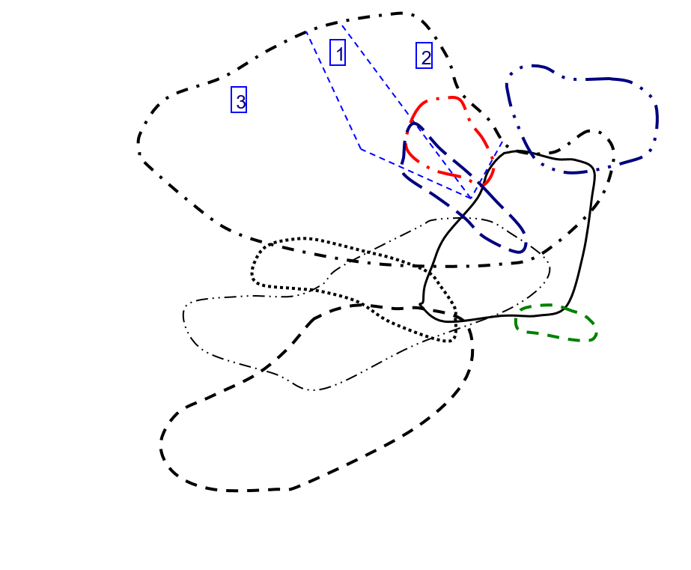
Y vs Yb/Sm in Zircon
 | Basalt |  | Carbonite |  | Dolerite |  | Granitoid (70-75% SiO2) |  | Granitoid (>65% SiO2) |  | Ne-syenite&Syenite Pegmatites |  | Syenite
1.0345572354 | 490 | 36.600110926 | 275.17 | 37.859209257 | 1493.34 | 18.808880309 | 2183.8 | 62.727959698 | 957.73 | 0.57543063466 | 568349.31 | 180.02890173 | 135.09
1.0345572354 | 490 | 36.587125416 | 273.51 | 61.000613874 | 2313.36 | 106.51201201 | 1999.21 | 34.610294118 | 1068.42 | 0.28176589597 | 360301.38 | 146.92307692 | 140.59
1.0345572354 | 490 | 30.656357388 | 493.41 | 90.752 | 714.16 | 169.08510638 | 2933.12 | 176.67647059 | 590.23 | 0.37345844825 | 387642.94 | 160.4822335 | 136.13
1.0345572354 | 490 | 34.391534392 | 270.96 | 48.787878788 | 1272.73 | 49.840075853 | 3133.56 | 73.586345382 | 674.88 |  |  | 170.13623978 | 136.05
1.0345572354 | 490 | 37.01622248 | 270.56 | 73.987138264 | 809.1 | 50.328422877 | 1964.3 | 23.135761589 | 696.56
59.310116086 | 1496.03 | 34.391534392 | 270.96 | 69.213084112 | 1149.48 | 110.87856072 | 2160.93 | 64.714876033 | 369.66
 |  | 37.01622248 | 270.56 | 122.41573034 | 1296.41 | 155.13384321 | 1951.75 | 14.604536489 | 1052.49
 |  | 37.391963609 | 277.28 | 23.684258417 | 1064.57 |  |  | 16.063094642 | 808.09
 |  | 35.31147541 | 269.34 | 7.2581201946 | 2055.66 |  |  | 11.122857143 | 1079.02
 |  | 33.523316062 | 269.2 | 51.923076923 | 809.26 |  |  | 23.129098361 | 448.63
 |  | 35.31147541 | 269.34 | 84.333333333 | 1826.98 |  |  | 131.7016129 | 714.88
 |  | 33.523316062 | 269.2 | 69.035928144 | 799.51 |  |  | 35.596560847 | 805.32
 |  | 22.64047619 | 434.93 | 62.379576108 | 836.73 |  |  | 47.20537428 | 856.39
 |  | 30.90625 | 268.67 | 14.715254237 | 953.87 |  |  | 59.723557692 | 774.38
 |  | 39.272727273 | 269.68 | 21.706349206 | 817.44 |  |  | 63.135135135 | 1032.48
 |  | 34.273195876 | 270.18 | 74.183615819 | 4271.52 |  |  | 8.8825104105 | 1529.04
 |  | 39.272727273 | 269.68 | 59.565495208 | 1209.34 |  |  | 18.543296089 | 446.54
 |  | 34.273195876 | 270.18 | 55.449044586 | 612.48 |  |  | 33.377985462 | 1076.28
 |  | 19.436493739 | 479.76 |  |  |  |  | 18.301079914 | 1748.43
 |  | 27.471962617 | 255.17 |  |  |  |  | 48.181818182 | 1538.97
 |  | 53.973684211 | 291.55 |  |  |  |  | 16.355011933 | 890.49
 |  | 41.432114073 | 273.06
 |  | 39.203592814 | 269.01

Y-NbTa Plot
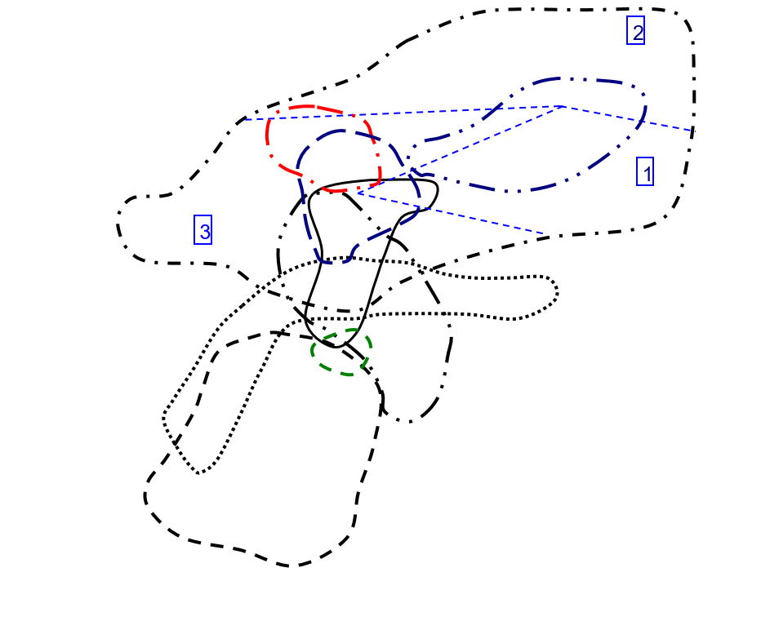
Y vs Nb/Ta in Zircon
 | Basalt |  | Carbonite |  | Dolerite |  | Granitoid (70-75% SiO2) |  | Granitoid (>65% SiO2) |  | Ne-syenite&Syenite Pegmatites |  | Syenite
1.0436200571 | 490 | 4.2257425743 | 275.17 | 6.1790017212 | 1493.34 | 4.5434298441 | 2183.8 | 2.9821073559 | 957.73 | 17.106951583 | 568349.31 | 2.5521327014 | 135.09
1.0436200571 | 490 | 3.8704061896 | 273.51 | 24.123853211 | 2313.36 | 2.2564276049 | 1999.21 | 40.323955669 | 1068.42 | 12.532710776 | 360301.38 | 2.3741007194 | 140.59
1.0436200571 | 490 | 1.1698546289 | 493.41 | 2.8358208955 | 714.16 | 1.9550858653 | 2933.12 | 11.315789474 | 590.23 | 12.953453241 | 387642.94 | 2.399026764 | 136.13
1.0436200571 | 490 | 4.0371134021 | 270.96 | 2.8479381443 | 1272.73 | 3.3299284985 | 3133.56 | 3.2018561485 | 674.88 |  |  | 2.5131894484 | 136.05
1.0436200571 | 490 | 3.7131630648 | 270.56 | 2.5191204589 | 809.1 | 2.6843317972 | 1964.3 | 6.5133171913 | 696.56
3.1791044776 | 1496.03 | 4.0371134021 | 270.96 | 5.1222351572 | 1149.48 | 8.9166666667 | 2160.93 | 6.9230769231 | 369.66
 |  | 3.7131630648 | 270.56 | 2.9122055675 | 1296.41 | 6.3266475645 | 1951.75 | 8.7415730337 | 1052.49
 |  | 1.1680216802 | 277.28 | 13.953750705 | 1064.57 |  |  | 7.2840867328 | 808.09
 |  | 3.4 | 269.34 | 30.082524272 | 2055.66 |  |  | 24.576271186 | 1079.02
 |  | 4.0997876858 | 269.2 | 15.189873418 | 809.26 |  |  | 5.6959314775 | 448.63
 |  | 3.4 | 269.34 | 3.6857825568 | 1826.98 |  |  | 5.2165354331 | 714.88
 |  | 4.0997876858 | 269.2 | 3.0285714286 | 799.51 |  |  | 14.589892295 | 805.32
 |  | 4.6346938776 | 434.93 | 6.2380538662 | 836.73 |  |  | 6.5394402036 | 856.39
 |  | 4.2134831461 | 268.67 | 3.0270655271 | 953.87 |  |  | 7.1980676329 | 774.38
 |  | 3.7290076336 | 269.68 | 3.851044505 | 817.44 |  |  | 3.4788108792 | 1032.48
 |  | 3.7949183303 | 270.18 | 3.1629701061 | 4271.52 |  |  | 15.092624357 | 1529.04
 |  | 3.7290076336 | 269.68 | 4.1028938907 | 1209.34 |  |  | 3.056379822 | 446.54
 |  | 3.7949183303 | 270.18 | 3.5815508021 | 612.48 |  |  | 4.4338235294 | 1076.28
 |  | 16.148648649 | 479.76 |  |  |  |  | 14.516034985 | 1748.43
 |  | 3.6182572614 | 255.17 |  |  |  |  | 9.3159609121 | 1538.97
 |  | 3.4525547445 | 291.55 |  |  |  |  | 20.647302905 | 890.49
 |  | 3.6097087379 | 273.06
 |  | 3.9485148515 | 269.01

Y-ThU Plot
Y vs Th/U in Zircon
 | Basalt |  | Carbonite |  | Dolerite |  | Granitoid (70-75% SiO2) |  | Granitoid (>65% SiO2) |  | Ne-syenite&Syenite Pegmatites |  | Syenite
0.98767967146 | 490 | 0.063898979415 | 275.17 | 0.51318113017 | 1493.34 | 0.60179002699 | 2183.8 | 0.44209187491 | 957.73 | 6.7912240382 | 568349.31 | 0.36252701157 | 135.09
0.98767967146 | 490 | 0.063736416829 | 273.51 | 0.93647704432 | 2313.36 | 0.20463944057 | 1999.21 | 0.68901453958 | 1068.42 | 8.2984903213 | 360301.38 | 0.35572408812 | 140.59
0.98767967146 | 490 | 0.89084084867 | 493.41 | 0.46056481797 | 714.16 | 0.08397501375 | 2933.12 | 0.51533918229 | 590.23 | 6.9496294066 | 387642.94 | 0.36426418885 | 136.13
0.98767967146 | 490 | 0.063639837427 | 270.96 | 0.55697356427 | 1272.73 | 0.59125259145 | 3133.56 | 0.82126348228 | 674.88 |  |  | 0.35794099184 | 136.05
0.98767967146 | 490 | 0.063189217574 | 270.56 | 0.2722513089 | 809.1 | 0.99925958833 | 1964.3 | 0.72987113941 | 696.56
0.39739252414 | 1496.03 | 0.063639837427 | 270.96 | 0.77345275003 | 1149.48 | 0.5673040234 | 2160.93 | 0.32436150487 | 369.66
 |  | 0.063189217574 | 270.56 | 0.36369346734 | 1296.41 | 0.59971120978 | 1951.75 | 0.31164572774 | 1052.49
 |  | 0.87137284749 | 277.28 | 1.0217715643 | 1064.57 |  |  | 0.076532209855 | 808.09
 |  | 0.063429859546 | 269.34 | 0.71272621333 | 2055.66 |  |  | 0.53009484324 | 1079.02
 |  | 0.062335776518 | 269.2 | 0.74308897066 | 809.26 |  |  | 0.27879891682 | 448.63
 |  | 0.063429859546 | 269.34 | 1.1046534772 | 1826.98 |  |  | 0.91880713975 | 714.88
 |  | 0.062335776518 | 269.2 | 0.52262616966 | 799.51 |  |  | 0.90541976621 | 805.32
 |  | 1.0950499478 | 434.93 | 0.58706527635 | 836.73 |  |  | 0.48127393671 | 856.39
 |  | 0.63878622836 | 268.67 | 0.52386166033 | 953.87 |  |  | 0.37922252011 | 774.38
 |  | 0.062819273782 | 269.68 | 1.1669956573 | 817.44 |  |  | 0.36849919578 | 1032.48
 |  | 0.063656297108 | 270.18 | 0.67339128791 | 4271.52 |  |  | 1.9515758714 | 1529.04
 |  | 0.062819273782 | 269.68 | 1.298941944 | 1209.34 |  |  | 0.26987583275 | 446.54
 |  | 0.063656297108 | 270.18 | 0.55142231947 | 612.48 |  |  | 0.43040657835 | 1076.28
 |  | 0.95115995116 | 479.76 |  |  |  |  | 0.7718175853 | 1748.43
 |  | 0.79016949153 | 255.17 |  |  |  |  | 0.89800429843 | 1538.97
 |  | 0.44817559328 | 291.55 |  |  |  |  | 1.2860388187 | 890.49
 |  | 0.063780624554 | 273.06
 |  | 0.063941626033 | 269.01

Y-CeCe Plot
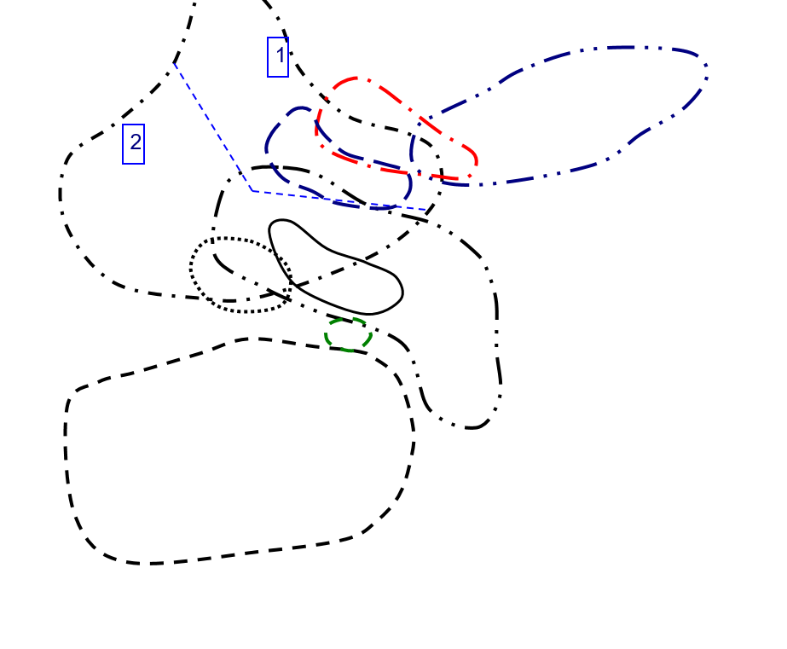
Y vs Ce/Ce in Zircon
 | Basalt |  | Carbonite |  | Dolerite |  | Granitoid (70-75% SiO2) |  | Granitoid (>65% SiO2) |  | Ne-syenite&Syenite Pegmatites |  | Syenite
0.98237885463 | 490 | 918.91891892 | 275.17 | 18.390804598 | 1493.34 | 3.4529852899 | 2183.8 | 141.14977307 | 957.73 | 3.5574426118 | 568349.31 | 498.04347826 | 135.09
0.98237885463 | 490 | 968.49642005 | 273.51 | 26.211045365 | 2313.36 | 21.10877193 | 1999.21 | 7.4502863092 | 1068.42 | 4.5615444217 | 360301.38 | 234.53658537 | 140.59
0.98237885463 | 490 | 152.43722304 | 493.41 | 160.45895852 | 714.16 | 45.263157895 | 2933.12 | 124.1503268 | 590.23 | 3.9685356991 | 387642.94 | 333.09352518 | 136.13
0.98237885463 | 490 | 1082.2281167 | 270.96 | 45.347313237 | 1272.73 | 51.883495146 | 3133.56 | 125.85669782 | 674.88 |  |  | 456.15384615 | 136.05
0.98237885463 | 490 | 724.54873646 | 270.56 | 83.426883309 | 809.1 | 107.94055202 | 1964.3 | 8.0603968939 | 696.56
8.3907580057 | 1496.03 | 1082.2281167 | 270.96 | 17.257064094 | 1149.48 | 46.422668241 | 2160.93 | 17.137254902 | 369.66
 |  | 724.54873646 | 270.56 | 282.93612965 | 1296.41 | 68.36552049 | 1951.75 | 6.5634458673 | 1052.49
 |  | 157.06371191 | 277.28 | 6.502170767 | 1064.57 |  |  | 4.3879615579 | 808.09
 |  | 793.63817097 | 269.34 | 5.1253815163 | 2055.66 |  |  | 6.0026200873 | 1079.02
 |  | 981.55339806 | 269.2 | 12.621507845 | 809.26 |  |  | 14.17766051 | 448.63
 |  | 793.63817097 | 269.34 | 158.7434555 | 1826.98 |  |  | 15.887468031 | 714.88
 |  | 981.55339806 | 269.2 | 57.068403909 | 799.51 |  |  | 12.91278113 | 805.32
 |  | 42.342995169 | 434.93 | 10.108339632 | 836.73 |  |  | 9.2976266838 | 856.39
 |  | 41.358490566 | 268.67 | 3.770745429 | 953.87 |  |  | 5.3651429612 | 774.38
 |  | 785 | 269.68 | 45.688073394 | 817.44 |  |  | 13.098299461 | 1032.48
 |  | 1022.0551378 | 270.18 | 27.93867121 | 4271.52 |  |  | 6.7825651303 | 1529.04
 |  | 785 | 269.68 | 219.33333333 | 1209.34 |  |  | 10.60362173 | 446.54
 |  | 1022.0551378 | 270.18 | 41.884057971 | 612.48 |  |  | 5.4663651781 | 1076.28
 |  | 61.053677932 | 479.76 |  |  |  |  | 7.7282518641 | 1748.43
 |  | 212.14007782 | 255.17 |  |  |  |  | 8.1434407626 | 1538.97
 |  | 18.070175439 | 291.55 |  |  |  |  | 7.2867582578 | 890.49
 |  | 930.57471264 | 273.06
 |  | 888.10572687 | 269.01

Y-EuEu Plot
Y vs Eu/Eu in Zircon
 | Basalt |  | Carbonite |  | Dolerite |  | Granitoid (70-75% SiO2) |  | Granitoid (>65% SiO2) |  | Ne-syenite&Syenite Pegmatites |  | Syenite
0.99014238773 | 490 | 0.23565636867 | 275.17 | 0.037942727958 | 1493.34 | 0.081347576007 | 2183.8 | 0.016704459562 | 957.73 | 0.26923625013 | 568349.31 | 0.17043941411 | 135.09
0.99014238773 | 490 | 0.23962186601 | 273.51 | 0.17146800069 | 2313.36 | 0.04032726313 | 1999.21 | 0.099892530897 | 1068.42 | 0.20042176513 | 360301.38 | 0.15348837209 | 140.59
0.99014238773 | 490 | 0.20231092437 | 493.41 | 0.017602040816 | 714.16 | 0.021078431373 | 2933.12 | 0.13467202142 | 590.23 | 0.22879809992 | 387642.94 | 0.17219078416 | 136.13
0.99014238773 | 490 | 0.22605042017 | 270.96 | 0.052513089005 | 1272.73 | 0.050529747351 | 3133.56 | 0.020764403879 | 674.88 |  |  | 0.19047619048 | 136.05
0.99014238773 | 490 | 0.23292999136 | 270.56 | 0.044634760705 | 809.1 | 0.15113583681 | 1964.3 | 0.20048729551 | 696.56
0.020157894737 | 1496.03 | 0.22605042017 | 270.96 | 0.16780487805 | 1149.48 | 0.07068803016 | 2160.93 | 0.14462809917 | 369.66
 |  | 0.23292999136 | 270.56 | 0.066981132075 | 1296.41 | 0.16231171227 | 1951.75 | 0.32292200034 | 1052.49
 |  | 0.20340257543 | 277.28 | 0.10638662666 | 1064.57 |  |  | 0.81784867428 | 808.09
 |  | 0.22556237219 | 269.34 | 0.14966714218 | 2055.66 |  |  | 0.1612112473 | 1079.02
 |  | 0.23771186441 | 269.2 | 0.042660944206 | 809.26 |  |  | 0.17702702703 | 448.63
 |  | 0.22556237219 | 269.34 | 0.08222737819 | 1826.98 |  |  | 0.93617021277 | 714.88
 |  | 0.23771186441 | 269.2 | 0.023976023976 | 799.51 |  |  | 0.14268333897 | 805.32
 |  | 0.04831625183 | 434.93 | 0.18509566969 | 836.73 |  |  | 0.060442900564 | 856.39
 |  | 0.17394711068 | 268.67 | 0.033079613248 | 953.87 |  |  | 0.090858104319 | 774.38
 |  | 0.2367768595 | 269.68 | 0.036428389723 | 817.44 |  |  | 0.069427527406 | 1032.48
 |  | 0.23200815494 | 270.18 | 0.032501660184 | 4271.52 |  |  | 0.12352485141 | 1529.04
 |  | 0.2367768595 | 269.68 | 0.15859487475 | 1209.34 |  |  | 0.16784347086 | 446.54
 |  | 0.23200815494 | 270.18 | 0.046256239601 | 612.48 |  |  | 0.077393767705 | 1076.28
 |  | 0.1477394636 | 479.76 |  |  |  |  | 0.054295609429 | 1748.43
 |  | 0.10243462579 | 255.17 |  |  |  |  | 0.10310654685 | 1538.97
 |  | 0.020881670534 | 291.55 |  |  |  |  | 0.23799955347 | 890.49
 |  | 0.22327341533 | 273.06
 |  | 0.25227513228 | 269.01

Hf-Y Plot
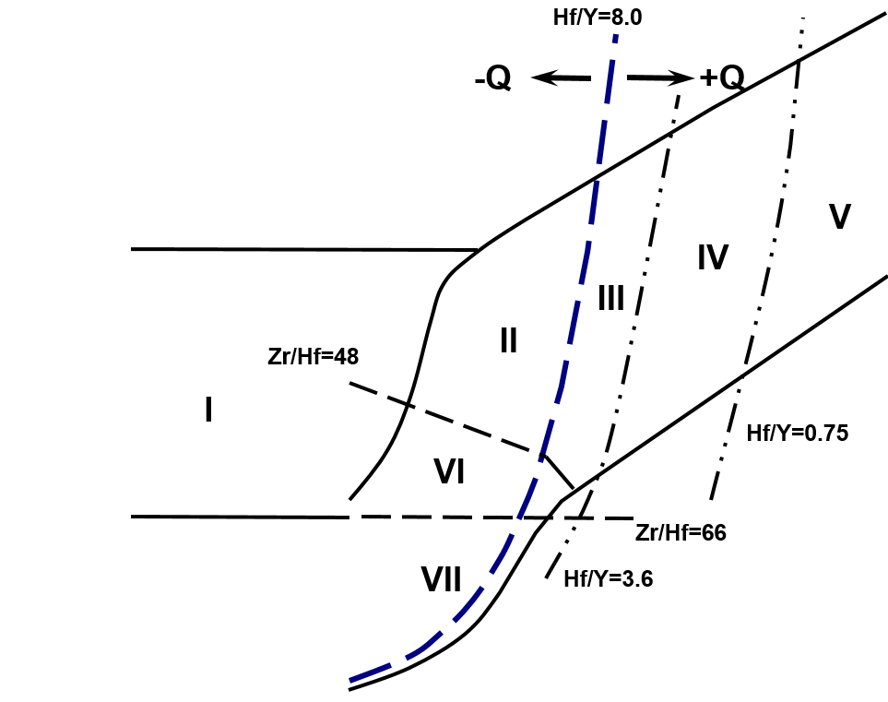
Hf vs Y in Zircon
 | Basalt |  | Carbonite |  | Dolerite |  | Granitoid (70-75% SiO2) |  | Granitoid (>65% SiO2) |  | Ne-syenite&Syenite Pegmatites |  | Syenite
490 | 0.0458 | 275.17 | 0.78014 | 1493.34 | 0.9153 | 2183.8 | 1.389952 | 957.73 | 1.693983 | 568349.31 | 3.585163 | 135.09 | 0.559666
490 | 0.0458 | 273.51 | 0.78014 | 2313.36 | 1.006787 | 1999.21 | 2.131778 | 1068.42 | 1.753085 | 360301.38 | 1.845081 | 140.59 | 0.562975
490 | 0.0458 | 493.41 | 1.812868 | 714.16 | 1.011569 | 2933.12 | 2.559602 | 590.23 | 1.133913 | 387642.94 | 1.794029 | 136.13 | 0.56094
490 | 0.0458 | 270.96 | 0.78014 | 1272.73 | 0.872389 | 3133.56 | 1.699829 | 674.88 | 1.063995 |  |  | 136.05 | 0.554604
490 | 0.0458 | 270.56 | 0.78014 | 809.1 | 0.996848 | 1964.3 | 1.463683 | 696.56 | 1.183609
1496.03 | 0.774608 | 270.96 | 0.78014 | 1149.48 | 0.904046 | 2160.93 | 1.916687 | 369.66 | 1.295716
 |  | 270.56 | 0.78014 | 1296.41 | 0.943387 | 1951.75 | 1.818965 | 1052.49 | 1.301479
 |  | 277.28 | 1.033409 | 1064.57 | 0.991075 |  |  | 808.09 | 1.333259
 |  | 269.34 | 0.78014 | 2055.66 | 0.975309 |  |  | 1079.02 | 1.12337
 |  | 269.2 | 0.78014 | 809.26 | 1.010605 |  |  | 448.63 | 1.049555
 |  | 269.34 | 0.78014 | 1826.98 | 0.906326 |  |  | 714.88 | 1.053153
 |  | 269.2 | 0.78014 | 799.51 | 0.978506 |  |  | 805.32 | 1.058633
 |  | 434.93 | 1.296375 | 836.73 | 1.001201 |  |  | 856.39 | 1.087227
 |  | 268.67 | 1.03521 | 953.87 | 1.01016 |  |  | 774.38 | 1.163814
 |  | 269.68 | 0.783205 | 817.44 | 0.997554 |  |  | 1032.48 | 1.051696
 |  | 270.18 | 0.782054 | 4271.52 | 0.809023 |  |  | 1529.04 | 1.063045
 |  | 269.68 | 0.783205 | 1209.34 | 0.882812 |  |  | 446.54 | 1.253785
 |  | 270.18 | 0.782054 | 612.48 | 0.973173 |  |  | 1076.28 | 1.29812
 |  | 479.76 | 0.825458 |  |  |  |  | 1748.43 | 1.049062
 |  | 255.17 | 1.016371 |  |  |  |  | 1538.97 | 1.064626
 |  | 291.55 | 1.06063 |  |  |  |  | 890.49 | 1.087047
 |  | 273.06 | 0.784445
 |  | 269.01 | 0.782355

Nb-Ta Plot
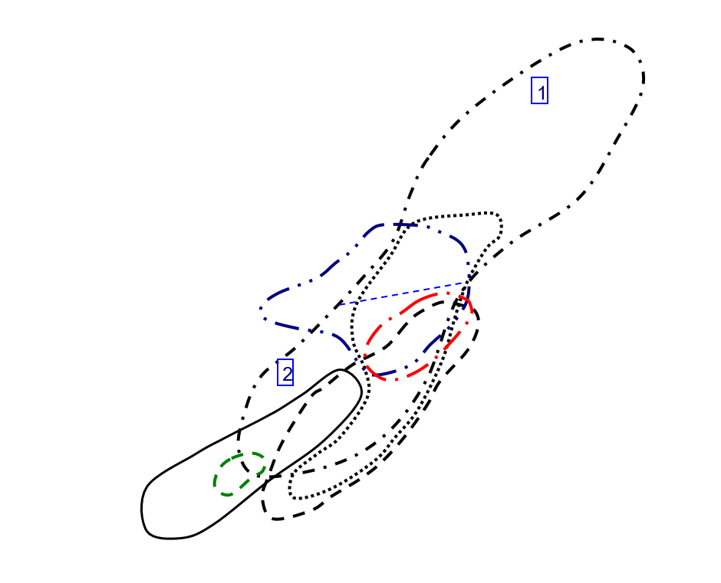
Nb vs Ta in Zircon
 | Basalt |  | Carbonite |  | Dolerite |  | Granitoid (70-75% SiO2) |  | Granitoid (>65% SiO2) |  | Ne-syenite&Syenite Pegmatites |  | Syenite
490.6 | 512 | 0.505 | 2.134 | 0.581 | 3.59 | 2.245 | 10.2 | 1.509 | 4.5 | 35797.6 | 612387.81 | 0.422 | 1.077
490.6 | 512 | 0.517 | 2.001 | 2.18 | 52.59 | 14.78 | 33.35 | 2.346 | 94.6 | 13010.85 | 163061.22 | 0.417 | 0.99
490.6 | 512 | 13.07 | 15.29 | 1.742 | 4.94 | 15.14 | 29.6 | 0.304 | 3.44 | 30007.03 | 388694.66 | 0.411 | 0.986
490.6 | 512 | 0.485 | 1.958 | 1.552 | 4.42 | 0.979 | 3.26 | 0.862 | 2.76 |  |  | 0.417 | 1.048
490.6 | 512 | 0.509 | 1.89 | 2.092 | 5.27 | 0.434 | 1.165 | 2.065 | 13.45
1.34 | 4.26 | 0.485 | 1.958 | 0.859 | 4.4 | 1.2 | 10.7 | 0.585 | 4.05
 |  | 0.509 | 1.89 | 1.401 | 4.08 | 1.745 | 11.04 | 4.45 | 38.9
 |  | 7.38 | 8.62 | 1.773 | 24.74 |  |  | 2.721 | 19.82
 |  | 0.535 | 1.819 | 12.36 | 371.82 |  |  | 4.72 | 116
 |  | 0.471 | 1.931 | 0.948 | 14.4 |  |  | 1.868 | 10.64
 |  | 0.535 | 1.819 | 1.674 | 6.17 |  |  | 1.016 | 5.3
 |  | 0.471 | 1.931 | 1.4 | 4.24 |  |  | 1.207 | 17.61
 |  | 0.49 | 2.271 | 1.151 | 7.18 |  |  | 3.93 | 25.7
 |  | 0.712 | 3 | 1.404 | 4.25 |  |  | 0.621 | 4.47
 |  | 0.524 | 1.954 | 1.101 | 4.24 |  |  | 1.581 | 5.5
 |  | 0.551 | 2.091 | 1.037 | 3.28 |  |  | 5.83 | 87.99
 |  | 0.524 | 1.954 | 0.622 | 2.552 |  |  | 1.011 | 3.09
 |  | 0.551 | 2.091 | 0.748 | 2.679 |  |  | 4.08 | 18.09
 |  | 0.296 | 4.78 |  |  |  |  | 3.43 | 49.79
 |  | 0.482 | 1.744 |  |  |  |  | 3.07 | 28.6
 |  | 0.411 | 1.419 |  |  |  |  | 4.82 | 99.52
 |  | 0.515 | 1.859
 |  | 0.505 | 1.994

U-Th Plot
U vs Th in Zircon
 | Basalt |  | Carbonite |  | Dolerite |  | Granitoid (70-75% SiO2) |  | Granitoid (>65% SiO2) |  | Ne-syenite&Syenite Pegmatites |  | Syenite
481 | 487 | 18.47 | 289.05 | 81.37 | 158.56 | 84.72 | 140.78 | 59.09 | 133.66 | 319817.28 | 47092.73 | 28.52 | 78.67
481 | 487 | 18.3 | 287.12 | 587.04 | 626.86 | 230.6 | 1126.86 | 102.36 | 148.56 | 18425.47 | 2220.34 | 29.55 | 83.07
481 | 487 | 170.89 | 191.83 | 67.68 | 146.95 | 42.75 | 509.08 | 179.74 | 348.78 | 175891.02 | 25309.41 | 29.01 | 79.64
481 | 487 | 18.32 | 287.87 | 73.32 | 131.64 | 88.41 | 149.53 | 53.3 | 64.9 |  |  | 28.51 | 79.65
481 | 487 | 18.05 | 285.65 | 52 | 191 | 134.96 | 135.06 | 244.12 | 334.47
48.16 | 121.19 | 18.32 | 287.87 | 202.08 | 261.27 | 267.62 | 471.74 | 54.23 | 167.19
 |  | 18.05 | 285.65 | 191.07 | 525.36 | 610.53 | 1018.04 | 259.47 | 832.58
 |  | 91.59 | 105.11 | 184.91 | 180.97 |  |  | 53.77 | 702.58
 |  | 18.29 | 288.35 | 415.89 | 583.52 |  |  | 288.96 | 545.11
 |  | 18.03 | 289.24 | 78.76 | 105.99 |  |  | 116.34 | 417.29
 |  | 18.29 | 288.35 | 277.5 | 251.21 |  |  | 168.84 | 183.76
 |  | 18.03 | 289.24 | 68.14 | 130.38 |  |  | 161.88 | 178.79
 |  | 146.89 | 134.14 | 97.4 | 165.91 |  |  | 119.38 | 248.05
 |  | 65.68 | 102.82 | 81.34 | 155.27 |  |  | 56.58 | 149.2
 |  | 18.2 | 289.72 | 88.68 | 75.99 |  |  | 178.7 | 484.94
 |  | 18.58 | 291.88 | 285.06 | 423.32 |  |  | 93.5 | 47.91
 |  | 18.2 | 289.72 | 236.94 | 182.41 |  |  | 104.11 | 385.77
 |  | 18.58 | 291.88 | 55.44 | 100.54 |  |  | 235.54 | 547.25
 |  | 109.06 | 114.66 |  |  |  |  | 376.4 | 487.68
 |  | 116.55 | 147.5 |  |  |  |  | 292.48 | 325.7
 |  | 47.78 | 106.61 |  |  |  |  | 322.68 | 250.91
 |  | 18.77 | 294.29
 |  | 18.49 | 289.17

CeCe-EuEu Plot
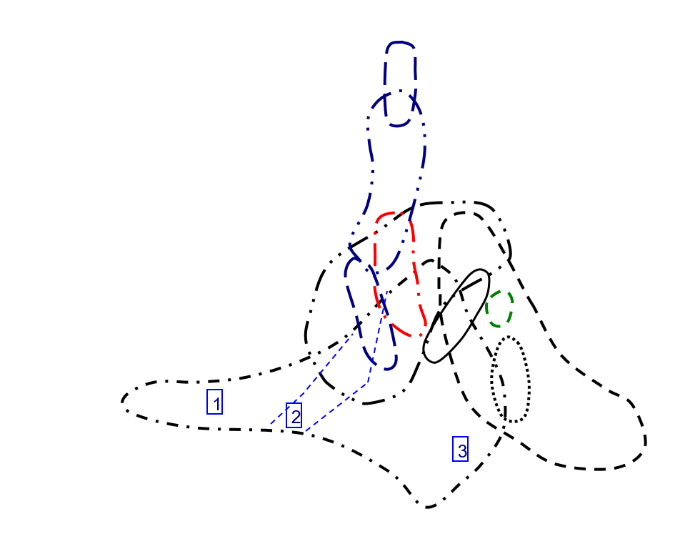
Ce/Ce vs Eu/Eu in Zircon
 | Basalt |  | Carbonite |  | Dolerite |  | Granitoid (70-75% SiO2) |  | Granitoid (>65% SiO2) |  | Ne-syenite&Syenite Pegmatites |  | Syenite
0.99014238773 | 0.98237885463 | 0.23565636867 | 918.91891892 | 0.037942727958 | 18.390804598 | 0.081347576007 | 3.4529852899 | 0.016704459562 | 141.14977307 | 0.26923625013 | 3.5574426118 | 0.17043941411 | 498.04347826
0.99014238773 | 0.98237885463 | 0.23962186601 | 968.49642005 | 0.17146800069 | 26.211045365 | 0.04032726313 | 21.10877193 | 0.099892530897 | 7.4502863092 | 0.20042176513 | 4.5615444217 | 0.15348837209 | 234.53658537
0.99014238773 | 0.98237885463 | 0.20231092437 | 152.43722304 | 0.017602040816 | 160.45895852 | 0.021078431373 | 45.263157895 | 0.13467202142 | 124.1503268 | 0.22879809992 | 3.9685356991 | 0.17219078416 | 333.09352518
0.99014238773 | 0.98237885463 | 0.22605042017 | 1082.2281167 | 0.052513089005 | 45.347313237 | 0.050529747351 | 51.883495146 | 0.020764403879 | 125.85669782 |  |  | 0.19047619048 | 456.15384615
0.99014238773 | 0.98237885463 | 0.23292999136 | 724.54873646 | 0.044634760705 | 83.426883309 | 0.15113583681 | 107.94055202 | 0.20048729551 | 8.0603968939
0.020157894737 | 8.3907580057 | 0.22605042017 | 1082.2281167 | 0.16780487805 | 17.257064094 | 0.07068803016 | 46.422668241 | 0.14462809917 | 17.137254902
 |  | 0.23292999136 | 724.54873646 | 0.066981132075 | 282.93612965 | 0.16231171227 | 68.36552049 | 0.32292200034 | 6.5634458673
 |  | 0.20340257543 | 157.06371191 | 0.10638662666 | 6.502170767 |  |  | 0.81784867428 | 4.3879615579
 |  | 0.22556237219 | 793.63817097 | 0.14966714218 | 5.1253815163 |  |  | 0.1612112473 | 6.0026200873
 |  | 0.23771186441 | 981.55339806 | 0.042660944206 | 12.621507845 |  |  | 0.17702702703 | 14.17766051
 |  | 0.22556237219 | 793.63817097 | 0.08222737819 | 158.7434555 |  |  | 0.93617021277 | 15.887468031
 |  | 0.23771186441 | 981.55339806 | 0.023976023976 | 57.068403909 |  |  | 0.14268333897 | 12.91278113
 |  | 0.04831625183 | 42.342995169 | 0.18509566969 | 10.108339632 |  |  | 0.060442900564 | 9.2976266838
 |  | 0.17394711068 | 41.358490566 | 0.033079613248 | 3.770745429 |  |  | 0.090858104319 | 5.3651429612
 |  | 0.2367768595 | 785 | 0.036428389723 | 45.688073394 |  |  | 0.069427527406 | 13.098299461
 |  | 0.23200815494 | 1022.0551378 | 0.032501660184 | 27.93867121 |  |  | 0.12352485141 | 6.7825651303
 |  | 0.2367768595 | 785 | 0.15859487475 | 219.33333333 |  |  | 0.16784347086 | 10.60362173
 |  | 0.23200815494 | 1022.0551378 | 0.046256239601 | 41.884057971 |  |  | 0.077393767705 | 5.4663651781
 |  | 0.1477394636 | 61.053677932 |  |  |  |  | 0.054295609429 | 7.7282518641
 |  | 0.10243462579 | 212.14007782 |  |  |  |  | 0.10310654685 | 8.1434407626
 |  | 0.020881670534 | 18.070175439 |  |  |  |  | 0.23799955347 | 7.2867582578
 |  | 0.22327341533 | 930.57471264
 |  | 0.25227513228 | 888.10572687

TrElem Chart
Trace Element Patterns of Zircons
 | STDGJ-01 | STDGJ-02 | 91500-01 | 610-01 | MT-01 | INT1-01 | INT1-02 | INT1-03 | INT1-04 | INT1-07 | INT1-08 | INT1-09
La | 166.37130802 | 194.43037975 | 106.32911392 | 1445.1476793 | 357.25738397 | 974.85232068 | 392452.48945 | 1410.3797468 | 31565.864979 | 1508.1012658 | 3417.1308017 | 1309.1983122
Ce | 8.4991843393 | 9.3800978793 | 6.5415986949 | 776.50897227 | 11.843393148 | 36.672104405 | 0 | 1523.278956 | 790.68515498 | 41.843393148 | 32.414355628 | 16.867862969
Pr | 2965.1939655 | 2947.3060345 | 1455.7112069 | 5280.1724138 | 5316.9181034 | 10320.366379 | 6124453.7716 | 11513.146552 | 23532.327586 | 21543.211207 | 31606.896552 | 33766.810345
Nd | 4.6695842451 | 4.3785557987 | 2.3566739606 | 1120.3501094 | 33.457330416 | 9.8468271335 | 1340017.0897 | 207.00218818 | 22.319474836 | 72.975929978 | 64.7702407 | 7.1334792123
Sm | 0 | 0 | 0 | 2972.972973 | 0 | 0.075675675676 | 6312027.9054 | 103.04054054 | 743.64864865 | 9.9324324324 | 1.6351351351 | 0.18243243243
Eu | 362.34458259 | 360.39076377 | 40.692717584 | 7921.8472469 | 91.651865009 | 165.71936057 | 35984560.391 | 1271.0479574 | 4252.7531083 | 534.28063943 | 206.21669627 | 237.30017762
Gd | 0.22311557789 | 0.21055276382 | 0.046231155779 | 2351.758794 | 0.34020100503 | 0.60804020101 | 1029152.8643 | 19.899497487 | 143.81909548 | 6.9346733668 | 1.3618090452 | 2.4522613065
Th | 29.421768707 | 27.585034014 | 6.9047619048 | 15442.176871 | 35.136054422 | 65.986394558 | 23960274.15 | 829.25170068 | 4276.5306122 | 294.21768707 | 70.74829932 | 305.78231293
Dy | 7.3292682927 | 7.325203252 | 1.406504065 | 1882.1138211 | 11.829268293 | 16.138211382 | 483156.70732 | 33.170731707 | 126.34146341 | 27.073170732 | 17.195121951 | 64.308943089
Y | 0.73121019108 | 0.74267515924 | 0.12229299363 | 287.89808917 | 1.2267515924 | 0.14076433121 | 18881.292994 | 1.1840764331 | 2.5222929936 | 0.48662420382 | 0.27388535032 | 1.5796178344
Ho | 145.42124542 | 145.23809524 | 34.926739927 | 8241.7582418 | 295.42124542 | 411.9047619 | 1856204.9451 | 532.23443223 | 1213.9194139 | 571.97802198 | 669.78021978 | 1508.0586081
Er | 136.625 | 137.875 | 66.75 | 2831.25 | 376.4375 | 542.1875 | 624325.125 | 609.1875 | 1282.5625 | 941.875 | 1608.5 | 1876.6875
U | 993.24324324 | 995.94594595 | 598.64864865 | 64189.189189 | 2636.4864865 | 4289.1891892 | 2792097.2973 | 4709.4594595 | 10090.540541 | 8345.9459459 | 12385.135135 | 14750
Yb | 201.86335404 | 201.80124224 | 149.56521739 | 2875.7763975 | 431.73913043 | 871.24223602 | 369208.13665 | 950.1242236 | 2027.5776398 | 1944.6583851 | 2467.826087 | 2890
Lu | 2682.5203252 | 2680.0813008 | 2532.1138211 | 19471.544715 | 3626.4227642 | 10123.170732 | 2780231.7073 | 11480.487805 | 23763.414634 | 28836.178862 | 29074.390244 | 32051.626016
Hf | 132.13592233 | 131.26213592 | 122.81553398 | 4533.9805825 | 139.22330097 | 467.08737864 | 104054.95146 | 536.21359223 | 1090.1941748 | 1468.2524272 | 1336.1165049 | 1471.9417476
Nb | 32505.833333 | 32505.833333 | 23319.416667 | 1908.3333333 | 75536.166667 | 70582.625 | 149381.79167 | 73045.208333 | 57914.666667 | 88824.083333 | 106650.08333 | 70826.208333
Ta | 37.132352941 | 38.014705882 | 31.029411765 | 36073.529412 | 961.02941176 | 110.95588235 | 2632176.4706 | 172.5 | 165.07352941 | 1086.7647059 | 1113.2352941 | 71.985294118
Ti | 0.041977272727 | 0.041590909091 | 0.064818181818 | 1.0931818182 | 0.38838636364 | 0.13429545455 | 726.85745455 | 0.23263636364 | 0.19254545455 | 0.52409090909 | 0.097159090909 | 0.20093181818
P | 0.26763888889 | 0.26585185185 | 0.072842592593 | 0.45092592593 | 0.17762037037 | 0.12375925926 | 43.60437963 | 0.13755555556 | 0.13035185185 | 1.0433888889 | 0.47137037037 | 0.1384537037

REE Chart
Trace Element Patterns of Zircons
 | STDGJ-01 | STDGJ-02 | 91500-01 | 610-01 | MT-01 | INT1-01 | INT1-02 | INT1-03 | INT1-04 | INT1-07 | INT1-08 | INT1-09
La | 0 | 0 | 0 | 1856.5400844 | 0 | 0.047257383966 | 3941688.3122 | 64.345991561 | 464.38818565 | 6.2025316456 | 1.0210970464 | 0.11392405063
Ce | 33.278955954 | 33.099510604 | 3.7373572594 | 727.56933116 | 8.4176182708 | 15.220228385 | 3304944.1272 | 116.73735726 | 390.58727569 | 49.070146819 | 18.939641109 | 21.794453507
Pr | 0.47844827586 | 0.45150862069 | 0.099137931034 | 5043.1034483 | 0.72952586207 | 1.3038793103 | 2206911.8534 | 42.672413793 | 308.40517241 | 14.870689655 | 2.9202586207 | 5.2586206897
Nd | 1.8927789934 | 1.7746170678 | 0.44420131291 | 993.43544858 | 2.2603938731 | 4.2450765864 | 1541426.8271 | 53.347921225 | 275.12035011 | 18.927789934 | 4.5514223195 | 19.671772429
Sm | 12.182432432 | 12.175675676 | 2.3378378378 | 3128.3783784 | 19.662162162 | 26.824324324 | 803084.7973 | 55.135135135 | 210 | 45 | 28.581081081 | 106.89189189
Eu | 20.390763766 | 20.710479574 | 3.4103019538 | 8028.4191829 | 34.209591474 | 3.9253996448 | 526529.84014 | 33.019538188 | 70.337477798 | 13.570159858 | 7.6376554174 | 44.04973357
Gd | 39.899497487 | 39.849246231 | 9.5829145729 | 2261.3065327 | 81.055276382 | 113.01507538 | 509290.40201 | 146.03015075 | 333.06532663 | 156.93467337 | 183.76884422 | 413.76884422
Tb | 57.922437673 | 56.537396122 | 20.138504155 | 12243.767313 | 141.27423823 | 196.95290859 | 427046.8144 | 229.6398892 | 490.02770083 | 309.41828255 | 481.99445983 | 696.39889197
Dy | 88.861788618 | 89.674796748 | 43.414634146 | 1841.4634146 | 244.83739837 | 352.64227642 | 406065.12195 | 396.2195122 | 834.18699187 | 612.60162602 | 1046.1788618 | 1220.6097561
Ho | 134.61538462 | 134.98168498 | 81.135531136 | 8699.6336996 | 357.32600733 | 581.31868132 | 378416.11722 | 638.27838828 | 1367.5824176 | 1131.1355311 | 1678.5714286 | 1999.0842491
Er | 203.125 | 203.0625 | 150.5 | 2893.75 | 434.4375 | 876.6875 | 371515.6875 | 956.0625 | 2040.25 | 1956.8125 | 2483.25 | 2908.0625
Tm | 272.87449393 | 275.70850202 | 241.70040486 | 18380.566802 | 477.73279352 | 1137.2469636 | 371667.20648 | 1261.9433198 | 2656.2753036 | 2904.048583 | 3231.9838057 | 3652.6315789
Yb | 409.8757764 | 409.50310559 | 386.89440994 | 2975.1552795 | 554.09937888 | 1546.7701863 | 424805.59006 | 1754.1614907 | 3630.931677 | 4406.0248447 | 4442.4223602 | 4897.3291925
Lu | 553.25203252 | 549.59349593 | 514.22764228 | 18983.739837 | 582.92682927 | 1955.6910569 | 435677.23577 | 2245.1219512 | 4564.6341463 | 6147.5609756 | 5594.3089431 | 6163.0081301

