TrElem Chart
Trace Element Patterns of Zircons
 | MIR1-01 | MIR1-06 | MIR1-11 | MIR1-12 | MIR1-14 | MIR1-17 | MIR1-19 | MIR1-20 | MIR1-26 | MIR1-29 | MIR1-35 | MIR1-36
La | 187.97468354 | 183.08016878 | 178.73417722 | 176.37130802 | 127.97468354 | 184.1350211 | 1035.1898734 | 3762.2362869 | 56792.489451 | 2075.1898734 | 1994.6413502 | 1301.9831224
Ce | 0 | 0 | 0 | 0 | 33.001631321 | 0 | 45.383360522 | 271.01141925 | 21195.497553 | 167.89559543 | 0 | 0
Pr | 44748.491379 | 42362.284483 | 39535.12931 | 41192.456897 | 42262.607759 | 37674.676724 | 52563.469828 | 52225.75431 | 62301.077586 | 51855.818966 | 51128.448276 | 51402.801724
Nd | 597.59299781 | 597.74617068 | 587.28665208 | 591.90371991 | 363.82932166 | 617.35229759 | 1591.8380744 | 4541.4660832 | 44647.658643 | 3461.9037199 | 5773.3916849 | 4567.6367615
Sm | 2328106.2162 | 2297217.5 | 2269221.8919 | 2301970 | 2477275.1351 | 2328686.2162 | 3301378.5811 | 3301378.3784 | 3301378.3784 | 3301378.3784 | 3301378.1757 | 3301378.3784
Eu | 39.396092362 | 38.419182948 | 38.206039076 | 38.330373002 | 26.305506217 | 38.152753108 | 73.357015986 | 40.337477798 | 235.34635879 | 86.678507993 | 163.58792185 | 27.584369449
Gd | 0.017085427136 | 0 | 0.018592964824 | 0 | 0.029648241206 | 0.020100502513 | 4.2462311558 | 0.24974874372 | 4007.5376884 | 9.4874371859 | 1.391959799 | 0.68190954774
Th | 696.59863946 | 687.75510204 | 679.93197279 | 695.91836735 | 96.19047619 | 699.65986395 | 515.6462585 | 307.82312925 | 75716.666667 | 1657.8231293 | 3946.9387755 | 732.65306122
Dy | 0.19593495935 | 0.18008130081 | 0.17276422764 | 0.17520325203 | 0.072357723577 | 0.18780487805 | 3.7154471545 | 2.1341463415 | 1202.1138211 | 5.3658536585 | 1.7682926829 | 1.6910569106
Y | 0.56878980892 | 0.55987261146 | 0.57579617834 | 0.5847133758 | 0.16815286624 | 0.56942675159 | 4.0127388535 | 5.847133758 | 934.82165605 | 7.7961783439 | 4 | 3.5605095541
Ho | 34.120879121 | 34.432234432 | 34.78021978 | 33.36996337 | 10.476190476 | 35.256410256 | 162.27106227 | 332.6007326 | 15170.695971 | 245.6043956 | 215.75091575 | 152.74725275
Er | 7.19375 | 7.16875 | 7.04375 | 7.2625 | 1.7875 | 7.40625 | 17.5625 | 2.675 | 3523.25 | 26 | 10.11875 | 16.0375
U | 1095.9459459 | 1102.7027027 | 1098.6486486 | 1082.4324324 | 358.51351351 | 1145.9459459 | 5162.1621622 | 10329.72973 | 208216.21622 | 6712.1621622 | 8825.6756757 | 5610.8108108
Yb | 13.608695652 | 13.422360248 | 13.285714286 | 13.310559006 | 6.2173913043 | 13.757763975 | 61.49068323 | 131.61490683 | 2392.6708075 | 88.571428571 | 128.19875776 | 84.161490683
Lu | 937.80487805 | 943.90243902 | 928.04878049 | 936.17886179 | 553.65853659 | 954.87804878 | 3517.0731707 | 9173.9837398 | 131612.60163 | 6526.0162602 | 10094.308943 | 7040.6504065
Hf | 75.048543689 | 75.242718447 | 73.689320388 | 74.466019417 | 54.660194175 | 76.213592233 | 224.95145631 | 702.33009709 | 6960.4854369 | 520.67961165 | 865.24271845 | 666.99029126
Nb | 136.58333333 | 138.5 | 136.125 | 137.75 | 123.625 | 139.875 | 338.58333333 | 1200.9583333 | 9774.5833333 | 926.625 | 1611.8333333 | 1366.4583333
Ta | 533.82352941 | 542.64705882 | 535.29411765 | 535.29411765 | 570.58823529 | 543.38235294 | 1091.1764706 | 4248.5294118 | 32475 | 3366.1764706 | 5888.9705882 | 5428.6764706
Ti | 0.16138636364 | 0.16222727273 | 0.1605 | 0.16304545455 | 0.18893181818 | 0.16545454545 | 0.28115909091 | 1.1592272727 | 8.4221363636 | 0.92645454545 | 1.5964090909 | 1.6238181818
P | 141.48706897 | 143.64224138 | 142.78017241 | 144.2887931 | 163.25431034 | 144.71982759 | 226.07758621 | 881.35775862 | 4787.8232759 | 734.59051724 | 1283.512931 | 1443.3189655

REE Chart
Trace Element Patterns of Zircons
 | MIR1-01 | MIR1-06 | MIR1-11 | MIR1-12 | MIR1-14 | MIR1-17 | MIR1-19 | MIR1-20 | MIR1-26 | MIR1-29 | MIR1-35 | MIR1-36
La | 187.97468354 | 183.08016878 | 178.73417722 | 176.37130802 | 127.97468354 | 184.1350211 | 1035.1898734 | 3762.2362869 | 56792.489451 | 2075.1898734 | 1994.6413502 | 1301.9831224
Ce | 0 | 0 | 0 | 0 | 33.001631321 | 0 | 45.383360522 | 271.01141925 | 21195.497553 | 167.89559543 | 0 | 0
Pr | 44748.491379 | 42362.284483 | 39535.12931 | 41192.456897 | 42262.607759 | 37674.676724 | 52563.469828 | 52225.75431 | 62301.077586 | 51855.818966 | 51128.448276 | 51402.801724
Nd | 597.59299781 | 597.74617068 | 587.28665208 | 591.90371991 | 363.82932166 | 617.35229759 | 1591.8380744 | 4541.4660832 | 44647.658643 | 3461.9037199 | 5773.3916849 | 4567.6367615
Sm | 2328106.2162 | 2297217.5 | 2269221.8919 | 2301970 | 2477275.1351 | 2328686.2162 | 3301378.5811 | 3301378.3784 | 3301378.3784 | 3301378.3784 | 3301378.1757 | 3301378.3784
Eu | 39.396092362 | 38.419182948 | 38.206039076 | 38.330373002 | 26.305506217 | 38.152753108 | 73.357015986 | 40.337477798 | 235.34635879 | 86.678507993 | 163.58792185 | 27.584369449
Gd | 0.017085427136 | 0 | 0.018592964824 | 0 | 0.029648241206 | 0.020100502513 | 4.2462311558 | 0.24974874372 | 4007.5376884 | 9.4874371859 | 1.391959799 | 0.68190954774
Tb | 567.31301939 | 560.11080332 | 553.73961219 | 566.75900277 | 78.337950139 | 569.80609418 | 419.94459834 | 250.69252078 | 61663.98892 | 1350.1385042 | 3214.4044321 | 596.67590028
Dy | 0.19593495935 | 0.18008130081 | 0.17276422764 | 0.17520325203 | 0.072357723577 | 0.18780487805 | 3.7154471545 | 2.1341463415 | 1202.1138211 | 5.3658536585 | 1.7682926829 | 1.6910569106
Ho | 16.355311355 | 16.098901099 | 16.556776557 | 16.813186813 | 4.8351648352 | 16.373626374 | 115.38461538 | 168.13186813 | 26880.40293 | 224.17582418 | 115.01831502 | 102.38095238
Er | 11.64375 | 11.75 | 11.86875 | 11.3875 | 3.575 | 12.03125 | 55.375 | 113.5 | 5177 | 83.8125 | 73.625 | 52.125
Tm | 46.599190283 | 46.437246964 | 45.627530364 | 47.044534413 | 11.578947368 | 47.975708502 | 113.76518219 | 17.327935223 | 22822.672065 | 168.42105263 | 65.546558704 | 103.88663968
Yb | 50.372670807 | 50.683229814 | 50.49689441 | 49.751552795 | 16.47826087 | 52.670807453 | 237.26708075 | 474.7826087 | 9570.1863354 | 308.50931677 | 405.65217391 | 257.88819876
Lu | 89.06504065 | 87.845528455 | 86.951219512 | 87.113821138 | 40.691056911 | 90.040650407 | 402.43902439 | 861.38211382 | 15659.349593 | 579.67479675 | 839.02439024 | 550.81300813

CART1 Chart
Modelled Rock Types of Zircons
Granitoid (70-75% SiO2) | 41
Granitoid(>75% SiO2) | 4
Granitoid (>65% SiO2) | 20
Carbonite | 3
Syenite/Monzonite | 4

CART2 Chart
Modelled Rock Types of Zircons
Larvikite (72%) | 63
Dolerite (71%) | 5
Carbonite (79%) | 3
Ne-syenite & Syenite Pegmatites (93%) | 1

Y-U Plot
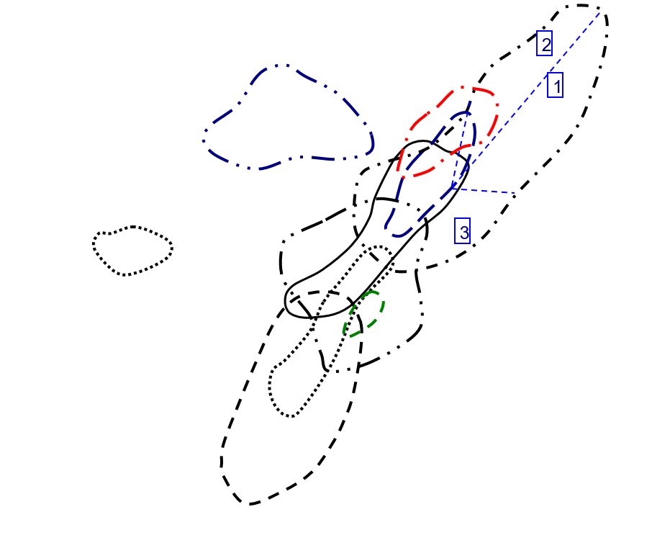
Y vs U in Zircon
 | Carbonite |  | Granitoid (70-75% SiO2) |  | Granitoid (>65% SiO2) |  | Granitoid(>75% SiO2) |  | Syenite/Monzonite
564.26 | 713.73 | 240.73 | 2075.45 | 994.2 | 727.47 | 1876.66 | 20403.98 | 297.39 | 4600.38
255.02 | 229.72 | 152.72 | 2638.44 | 98.74 | 1582.09 | 1256.3 | 4545.83 | 334.79 | 4546.51
1189.07 | 892.81 | 105.08 | 2087.41 | 100.66 | 1224.86 | 1170.22 | 5596.03 | 474.13 | 4697.07
 |  | 397.87 | 3486.13 | 939.81 | 594.71 | 1270.65 | 7372.5 | 503.53 | 5724.08
 |  | 668.14 | 2578.05 | 532.78 | 1077.37
 |  | 346.19 | 1582.9 | 162.01 | 868.03
 |  | 123.29 | 2118.13 | 503.98 | 717.22
 |  | 181.57 | 3841.02 | 91.3 | 1669.06
 |  | 326.56 | 1667.49 | 368.4 | 788.4
 |  | 386.1 | 2539.75 | 240.99 | 1386.85
 |  | 238.45 | 1560.77 | 921.16 | 847.86
 |  | 139.9 | 2185.1 | 68.09 | 865.37
 |  | 812.74 | 3056.08 | 221.63 | 591.91
 |  | 194.74 | 2856.4 | 583.08 | 1501.58
 |  | 343.17 | 2068.5 | 434.57 | 2317.91
 |  | 146.44 | 2000.35 | 276.18 | 1490.48
 |  | 410.96 | 2472.33 | 341.95 | 1394.09
 |  | 339.73 | 2718.92 | 99.21 | 1460.3
 |  | 851.58 | 2369.58 | 331.02 | 900.98
 |  | 143.71 | 1681.19 | 82.22 | 1088.44
 |  | 251.76 | 1584.14
 |  | 1311.15 | 3297.31
 |  | 140.8 | 2214.34
 |  | 604.31 | 2573.83
 |  | 972.25 | 3715.1
 |  | 348.95 | 2081.71
 |  | 205.65 | 3093.97
 |  | 352.41 | 2664.79
 |  | 209.99 | 2746.28
 |  | 280.69 | 1995.81
 |  | 733.01 | 1874.39
 |  | 220.52 | 1605.48
 |  | 244.65 | 961.26
 |  | 604.38 | 1803.12
 |  | 270.14 | 2922.26
 |  | 172.19 | 3582.44
 |  | 76.71 | 1718.8
 |  | 293.35 | 2221.39
 |  | 33.41 | 1333.86
 |  | 608.27 | 3228.13
 |  | 174.95 | 2554.96

Y-Th Plot
Y vs Th in Zircon
 | Carbonite |  | Granitoid (70-75% SiO2) |  | Granitoid (>65% SiO2) |  | Granitoid(>75% SiO2) |  | Syenite/Monzonite
1105.96 | 713.73 | 218.74 | 2075.45 | 170.08 | 727.47 | 1514.88 | 20403.98 | 166.27 | 4600.38
95.41 | 229.72 | 474.32 | 2638.44 | 171.22 | 1582.09 | 1214.2 | 4545.83 | 506.24 | 4546.51
123.1 | 892.81 | 100.25 | 2087.41 | 60.56 | 1224.86 | 653.16 | 5596.03 | 620.34 | 4697.07
 |  | 946.9 | 3486.13 | 84.18 | 594.71 | 1054.09 | 7372.5 | 410.37 | 5724.08
 |  | 270.91 | 2578.05 | 250.8 | 1077.37
 |  | 262.3 | 1582.9 | 126.82 | 868.03
 |  | 201.22 | 2118.13 | 553.05 | 717.22
 |  | 227.24 | 3841.02 | 59.65 | 1669.06
 |  | 263.63 | 1667.49 | 220.82 | 788.4
 |  | 286.45 | 2539.75 | 191.03 | 1386.85
 |  | 250.69 | 1560.77 | 331.68 | 847.86
 |  | 96.44 | 2185.1 | 53.28 | 865.37
 |  | 634.27 | 3056.08 | 122.1 | 591.91
 |  | 122.49 | 2856.4 | 296.41 | 1501.58
 |  | 411.34 | 2068.5 | 285.91 | 2317.91
 |  | 86.96 | 2000.35 | 314.21 | 1490.48
 |  | 488.14 | 2472.33 | 156.68 | 1394.09
 |  | 334.57 | 2718.92 | 95.8 | 1460.3
 |  | 779.54 | 2369.58 | 274.35 | 900.98
 |  | 106.03 | 1681.19 | 90.91 | 1088.44
 |  | 134.94 | 1584.14
 |  | 613.15 | 3297.31
 |  | 140.24 | 2214.34
 |  | 400.76 | 2573.83
 |  | 933.26 | 3715.1
 |  | 317.98 | 2081.71
 |  | 242.1 | 3093.97
 |  | 236.81 | 2664.79
 |  | 193.04 | 2746.28
 |  | 275.13 | 1995.81
 |  | 199.1 | 1874.39
 |  | 94.04 | 1605.48
 |  | 138.4 | 961.26
 |  | 339.28 | 1803.12
 |  | 172.4 | 2922.26
 |  | 91.52 | 3582.44
 |  | 90.33 | 1718.8
 |  | 237.17 | 2221.39
 |  | 49.6 | 1333.86
 |  | 430.8 | 3228.13
 |  | 178.24 | 2554.96

Y-YbSm Plot
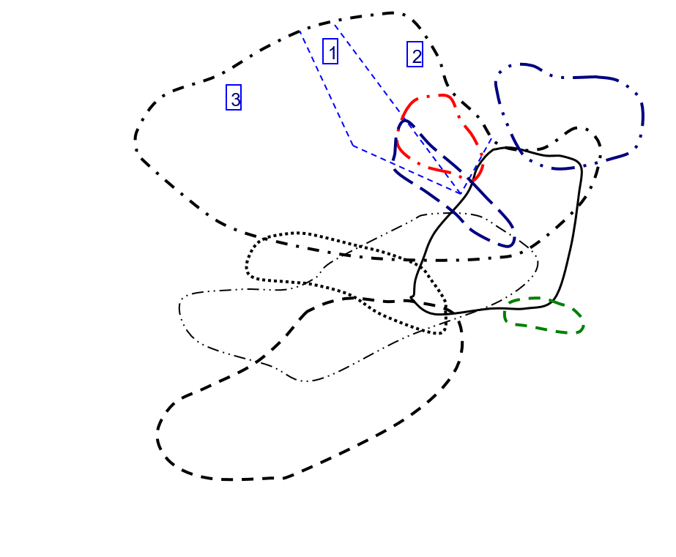
Y vs Yb/Sm in Zircon
 | Carbonite |  | Granitoid (70-75% SiO2) |  | Granitoid (>65% SiO2) |  | Granitoid(>75% SiO2) |  | Syenite/Monzonite
4.8219235615 | 713.73 | 28.087004405 | 2075.45 | 13.96275395 | 727.47 | 4.4738023952 | 20403.98 | 51.675042589 | 4600.38
132.16066482 | 229.72 | 59.628183362 | 2638.44 | 30.398210291 | 1582.09 | 163.04387417 | 4545.83 | 25.005048187 | 4546.51
41.498442368 | 892.81 | 85.669064748 | 2087.41 | 60.215815486 | 1224.86 | 53.5320117 | 5596.03 | 51.62290024 | 4697.07
 |  | 5.7430887158 | 3486.13 | 143.68252272 | 594.71 | 75.058669656 | 7372.5 | 74.389071487 | 5724.08
 |  | 18.169176262 | 2578.05 | 32.86801676 | 1077.37
 |  | 67.62406015 | 1582.9 | 60.843096234 | 868.03
 |  | 34.15274463 | 2118.13 | 23.177589852 | 717.22
 |  | 54.974928072 | 3841.02 | 43.65873742 | 1669.06
 |  | 184.52392344 | 1667.49 | 121.29069767 | 788.4
 |  | 74.455830389 | 2539.75 | 70.293777135 | 1386.85
 |  | 70.401204819 | 1560.77 | 24.43438914 | 847.86
 |  | 45.994289793 | 2185.1 | 68 | 865.37
 |  | 138.25814863 | 3056.08 | 103.59895833 | 591.91
 |  | 88.285462555 | 2856.4 | 61.761780105 | 1501.58
 |  | 34.108404967 | 2068.5 | 13.611032028 | 2317.91
 |  | 97.484398217 | 2000.35 | 30.218829517 | 1490.48
 |  | 66.274611399 | 2472.33 | 89.296153846 | 1394.09
 |  | 44.852037968 | 2718.92 | 38.759599332 | 1460.3
 |  | 181.36119874 | 2369.58 | 104.01515152 | 900.98
 |  | 41.261712439 | 1681.19 | 51.14921466 | 1088.44
 |  | 144.49056604 | 1584.14
 |  | 66.795287187 | 3297.31
 |  | 51.461663948 | 2214.34
 |  | 30.161664666 | 2573.83
 |  | 50.777866242 | 3715.1
 |  | 69.457746479 | 2081.71
 |  | 59.558179724 | 3093.97
 |  | 60.768374165 | 2664.79
 |  | 62.22832981 | 2746.28
 |  | 25.967386701 | 1995.81
 |  | 111.1392 | 1874.39
 |  | 165.19347826 | 1605.48
 |  | 295.0969163 | 961.26
 |  | 100.57580398 | 1803.12
 |  | 47.004410838 | 2922.26
 |  | 45.851279575 | 3582.44
 |  | 45.586206897 | 1718.8
 |  | 76.997265269 | 2221.39
 |  | 148.84927536 | 1333.86
 |  | 65.95481336 | 3228.13
 |  | 45.772577093 | 2554.96

Y-NbTa Plot
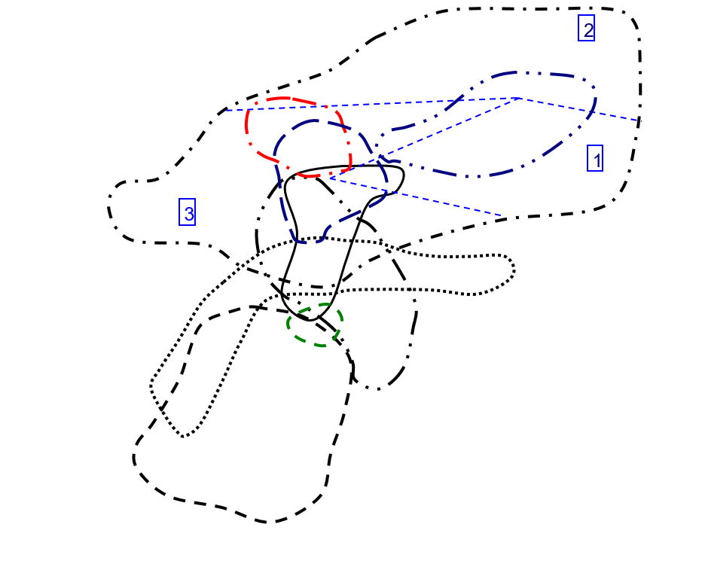
Y vs Nb/Ta in Zircon
 | Carbonite |  | Granitoid (70-75% SiO2) |  | Granitoid (>65% SiO2) |  | Granitoid(>75% SiO2) |  | Syenite/Monzonite
1.3973872735 | 713.73 | 2.8746835443 | 2075.45 | 3.5119047619 | 727.47 | 3.6703601108 | 20403.98 | 4.2914979757 | 4600.38
2.2170418006 | 229.72 | 3.7901234568 | 2638.44 | 3.2576769025 | 1582.09 | 6.2672064777 | 4545.83 | 8.8281786942 | 4546.51
1.7946768061 | 892.81 | 2.8919925512 | 2087.41 | 2.8728717367 | 1224.86 | 4.3014492754 | 5596.03 | 2.8295964126 | 4697.07
 |  | 6.3014084507 | 3486.13 | 1.9547038328 | 594.71 | 5.558778626 | 7372.5 | 4.2615803815 | 5724.08
 |  | 2.8 | 2578.05 | 2.7065527066 | 1077.37
 |  | 2.5536881419 | 1582.9 | 3.0051546392 | 868.03
 |  | 3.1501057082 | 2118.13 | 3.302919708 | 717.22
 |  | 2.9235294118 | 3841.02 | 3.1121323529 | 1669.06
 |  | 3.4270952928 | 1667.49 | 2.8978288633 | 788.4
 |  | 4.0168324407 | 2539.75 | 2.6839464883 | 1386.85
 |  | 3.1612403101 | 1560.77 | 2.7445394112 | 847.86
 |  | 3.0192802057 | 2185.1 | 3.5109114249 | 865.37
 |  | 2.2127396413 | 3056.08 | 1.8925831202 | 591.91
 |  | 2.9571663921 | 2856.4 | 2.2985283812 | 1501.58
 |  | 3.1406844106 | 2068.5 | 3.1191588785 | 2317.91
 |  | 3.172143975 | 2000.35 | 3.1117824773 | 1490.48
 |  | 3.1111111111 | 2472.33 | 2.8617886179 | 1394.09
 |  | 3.7785388128 | 2718.92 | 2.8296943231 | 1460.3
 |  | 4.85995086 | 2369.58 | 2.5560165975 | 900.98
 |  | 2.7237442922 | 1681.19 | 2.7639484979 | 1088.44
 |  | 2.7306273063 | 1584.14
 |  | 2.3417721519 | 3297.31
 |  | 2.9372937294 | 2214.34
 |  | 2.9565217391 | 2573.83
 |  | 5.5426356589 | 3715.1
 |  | 2.477665277 | 2081.71
 |  | 3.1827242525 | 3093.97
 |  | 3.4297108674 | 2664.79
 |  | 2.6739526412 | 2746.28
 |  | 3.7185069984 | 1995.81
 |  | 3.0029806259 | 1874.39
 |  | 2.6898047722 | 1605.48
 |  | 3.2065217391 | 961.26
 |  | 3.0025873221 | 1803.12
 |  | 4.1273584906 | 2922.26
 |  | 4.143454039 | 3582.44
 |  | 3.8626865672 | 1718.8
 |  | 6.0593220339 | 2221.39
 |  | 2.5307557118 | 1333.86
 |  | 3.3221925134 | 3228.13
 |  | 3.499194847 | 2554.96

Y-ThU Plot
Y vs Th/U in Zircon
 | Carbonite |  | Granitoid (70-75% SiO2) |  | Granitoid (>65% SiO2) |  | Granitoid(>75% SiO2) |  | Syenite/Monzonite
1.9600184312 | 713.73 | 0.90865284759 | 2075.45 | 0.17107221887 | 727.47 | 0.80722134004 | 20403.98 | 0.55909748142 | 4600.38
0.37412751941 | 229.72 | 3.1058145626 | 2638.44 | 1.7340490176 | 1582.09 | 0.96648889596 | 4545.83 | 1.5121120703 | 4546.51
0.10352628525 | 892.81 | 0.95403502094 | 2087.41 | 0.60162924697 | 1224.86 | 0.5581514587 | 5596.03 | 1.3083753401 | 4697.07
 |  | 2.3799230905 | 3486.13 | 0.089571296326 | 594.71 | 0.82956754417 | 7372.5 | 0.81498619745 | 5724.08
 |  | 0.4054689137 | 2578.05 | 0.47073839108 | 1077.37
 |  | 0.75767642046 | 1582.9 | 0.78279118573 | 868.03
 |  | 1.6320869495 | 2118.13 | 1.0973649748 | 717.22
 |  | 1.2515283362 | 3841.02 | 0.65334063527 | 1669.06
 |  | 0.80729421852 | 1667.49 | 0.59940282302 | 788.4
 |  | 0.74190624191 | 2539.75 | 0.7926884933 | 1386.85
 |  | 1.051331516 | 1560.77 | 0.36006774067 | 847.86
 |  | 0.68934953538 | 2185.1 | 0.78249375826 | 865.37
 |  | 0.78040947905 | 3056.08 | 0.55091819699 | 591.91
 |  | 0.62899250282 | 2856.4 | 0.50835219867 | 1501.58
 |  | 1.1986479005 | 2068.5 | 0.6579147203 | 2317.91
 |  | 0.59382682327 | 2000.35 | 1.1377000507 | 1490.48
 |  | 1.1878041659 | 2472.33 | 0.45819564264 | 1394.09
 |  | 0.98481146793 | 2718.92 | 0.96562846487 | 1460.3
 |  | 0.91540430729 | 2369.58 | 0.82880188508 | 900.98
 |  | 0.73780530235 | 1681.19 | 1.1056920457 | 1088.44
 |  | 0.53598665396 | 1584.14
 |  | 0.4676429089 | 3297.31
 |  | 0.99602272727 | 2214.34
 |  | 0.66316956529 | 2573.83
 |  | 0.9598971458 | 3715.1
 |  | 0.9112480298 | 2081.71
 |  | 1.1772428884 | 3093.97
 |  | 0.67197298601 | 2664.79
 |  | 0.91928187057 | 2746.28
 |  | 0.98019167053 | 1995.81
 |  | 0.27161975962 | 1874.39
 |  | 0.42644658081 | 1605.48
 |  | 0.56570611077 | 961.26
 |  | 0.56136867534 | 1803.12
 |  | 0.63818760643 | 2922.26
 |  | 0.53150589465 | 3582.44
 |  | 1.1775518185 | 1718.8
 |  | 0.80848815408 | 2221.39
 |  | 1.4845854535 | 1333.86
 |  | 0.70823811794 | 3228.13
 |  | 1.018805373 | 2554.96

Y-CeCe Plot
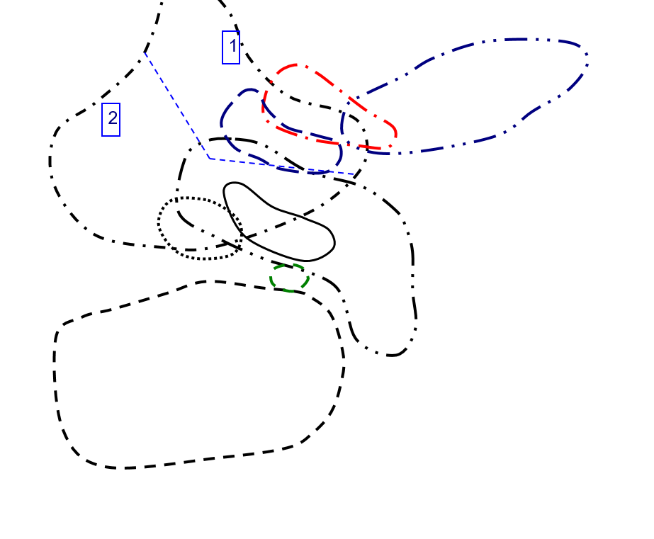
Y vs Ce/Ce in Zircon
 | Carbonite |  | Granitoid (70-75% SiO2) |  | Granitoid (>65% SiO2) |  | Granitoid(>75% SiO2) |  | Syenite/Monzonite
1.0292433094 | 713.73 | 1.258170897 | 2075.45 | 0.92179210888 | 727.47 | 0.2771404109 | 20403.98 | 1.1009474186 | 4600.38
9.4535070834 | 229.72 | 16.162021719 | 2638.44 | 1.7915554864 | 1582.09 | 12.189306209 | 4545.83 | 2.434884899 | 4546.51
3.4707317202 | 892.81 | 3.4754056822 | 2087.41 | 1.4444889677 | 1224.86 | 0.65475660361 | 5596.03 | 10.789299147 | 4697.07
 |  | 0.59016108745 | 3486.13 | 5.4260963395 | 594.71 | 4.5576287508 | 7372.5 | 0.44876926807 | 5724.08
 |  | 1.5515285554 | 2578.05 | 0.27510873838 | 1077.37
 |  | 5.1361648604 | 1582.9 | 12.934766366 | 868.03
 |  | 6.2013597117 | 2118.13 | 0.66770910035 | 717.22
 |  | 7.1592341117 | 3841.02 | 1.0776641203 | 1669.06
 |  | 7.4784278259 | 1667.49 | 9.9347687578 | 788.4
 |  | 11.789539306 | 2539.75 | 7.2465080721 | 1386.85
 |  | 2.5044473382 | 1560.77 | 1.2198067431 | 847.86
 |  | 1.1763055973 | 2185.1 | 5.064303885 | 865.37
 |  | 14.760525352 | 3056.08 | 19.73988141 | 591.91
 |  | 4.3630147513 | 2856.4 | 8.0005388165 | 1501.58
 |  | 1.2055859791 | 2068.5 | 11.468450124 | 2317.91
 |  | 12.378658124 | 2000.35 | 3.0944615281 | 1490.48
 |  | 8.3144972526 | 2472.33 | 4.0536685717 | 1394.09
 |  | 2.1192065279 | 2718.92 | 1.130935099 | 1460.3
 |  | 0.84139930052 | 2369.58 | 49.92775829 | 900.98
 |  | 2.886686756 | 1681.19 | 4.5639268849 | 1088.44
 |  | 4.3474424605 | 1584.14
 |  | 3.9456519271 | 3297.31
 |  | 11.88311362 | 2214.34
 |  | 0.32842996896 | 2573.83
 |  | 5.663711835 | 3715.1
 |  | 7.9424679804 | 2081.71
 |  | 2.33422551 | 3093.97
 |  | 0.92937255932 | 2664.79
 |  | 0.63231182411 | 2746.28
 |  | 0.65062084252 | 1995.81
 |  | 1.402645232 | 1874.39
 |  | 9.8509161462 | 1605.48
 |  | 34.441375902 | 961.26
 |  | 0.86799114288 | 1803.12
 |  | 0.81546582676 | 2922.26
 |  | 0.55198864266 | 3582.44
 |  | 7.4461704837 | 1718.8
 |  | 0.48374033097 | 2221.39
 |  | 3.8518057674 | 1333.86
 |  | 0.947226898 | 3228.13
 |  | 0.44112917685 | 2554.96

Y-EuEu Plot
Y vs Eu/Eu in Zircon
 | Carbonite |  | Granitoid (70-75% SiO2) |  | Granitoid (>65% SiO2) |  | Granitoid(>75% SiO2) |  | Syenite/Monzonite
0.013548827228 | 713.73 | 0.0003877492057 | 2075.45 | 0.0051044426545 | 727.47 | 0.022877575048 | 20403.98 | 0.0026536177313 | 4600.38
0.0039691443112 | 229.72 | 0.0017526162889 | 2638.44 | 0.0057334192687 | 1582.09 | 0.0022141728107 | 4545.83 | 0.0052390023369 | 4546.51
0.00049313966677 | 892.81 | 0.0043368616181 | 2087.41 | 0.0021957225633 | 1224.86 | 0.0027057652776 | 5596.03 | 0.001877190889 | 4697.07
 |  | 0.0112744397 | 3486.13 | 0.0018188650555 | 594.71 | 0.00019491501309 | 7372.5 | 0.0022538358776 | 5724.08
 |  | 0.0084126138022 | 2578.05 | 0.0079782377435 | 1077.37
 |  | 0.0024373929807 | 1582.9 | 0.0033338745072 | 868.03
 |  | 0.00299636323 | 2118.13 | 0.0048539258405 | 717.22
 |  | 0.0026099498462 | 3841.02 | 0.0035070251146 | 1669.06
 |  | 0.0033628352187 | 1667.49 | 0.0019078990824 | 788.4
 |  | 0.0059778302671 | 2539.75 | 0.0029438773785 | 1386.85
 |  | 0.0032212465651 | 1560.77 | 0.0092408219395 | 847.86
 |  | 0.0025632788103 | 2185.1 | 0.0012102087821 | 865.37
 |  | 0.00034430613456 | 3056.08 | 0.0022195322516 | 591.91
 |  | 0.0032400503876 | 2856.4 | 0.0023702928561 | 1501.58
 |  | 0.0062702459653 | 2068.5 | 0.0068848990959 | 2317.91
 |  | 0.0025317952204 | 2000.35 | 0.001461022887 | 1490.48
 |  | 0.0037583403158 | 2472.33 | 0.00059555672594 | 1394.09
 |  | 0.0021126564677 | 2718.92 | 0.0066082704861 | 1460.3
 |  | 0.0021151043564 | 2369.58 | 0.0017976064978 | 900.98
 |  | 0.0026920981868 | 1681.19 | 0.0060902481004 | 1088.44
 |  | 0.0023521127869 | 1584.14
 |  | 0.00089075319691 | 3297.31
 |  | 0.0025565146824 | 2214.34
 |  | 0.00080960695165 | 2573.83
 |  | 0.0044651855488 | 3715.1
 |  | 0.0031689561016 | 2081.71
 |  | 0.0036219890415 | 3093.97
 |  | 0.0024892194157 | 2664.79
 |  | 0.0028097057439 | 2746.28
 |  | 0.0079731298062 | 1995.81
 |  | 0.0017019471294 | 1874.39
 |  | 0.005921780083 | 1605.48
 |  | 0.0030266960034 | 961.26
 |  | 0.00070533798972 | 1803.12
 |  | 0.0017344829776 | 2922.26
 |  | 0.001860432367 | 3582.44
 |  | 0.0033112777795 | 1718.8
 |  | 0.0054784999545 | 2221.39
 |  | 0.0052187469314 | 1333.86
 |  | 0.0021932036339 | 3228.13
 |  | 0.0037403200634 | 2554.96

Hf-Y Plot
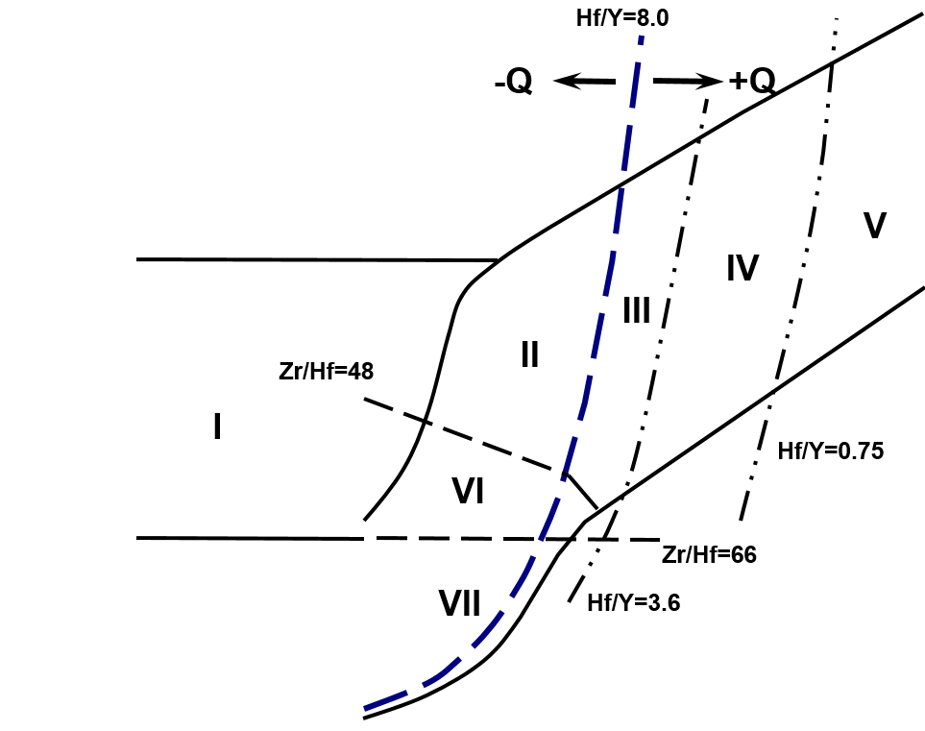
Hf vs Y in Zircon
 | Carbonite |  | Granitoid (70-75% SiO2) |  | Granitoid (>65% SiO2) |  | Granitoid(>75% SiO2) |  | Syenite/Monzonite
713.73 | 1.541132 | 2075.45 | 2.055654 | 727.47 | 1.736713 | 20403.98 | 1.866619 | 4600.38 | 1.294073
229.72 | 1.746806 | 2638.44 | 1.932908 | 1582.09 | 1.71653 | 4545.83 | 1.568696 | 4546.51 | 1.649916
892.81 | 2.523835 | 2087.41 | 1.704635 | 1224.86 | 1.546783 | 5596.03 | 1.643136 | 4697.07 | 1.839904
 |  | 3486.13 | 2.110422 | 594.71 | 1.84995 | 7372.5 | 1.88489 | 5724.08 | 1.920305
 |  | 2578.05 | 1.790961 | 1077.37 | 1.560968
 |  | 1582.9 | 1.671323 | 868.03 | 1.603395
 |  | 2118.13 | 1.690649 | 717.22 | 1.788359
 |  | 3841.02 | 1.538271 | 1669.06 | 1.559379
 |  | 1667.49 | 1.937439 | 788.4 | 2.045976
 |  | 2539.75 | 1.666345 | 1386.85 | 1.72663
 |  | 1560.77 | 1.749517 | 847.86 | 2.030316
 |  | 2185.1 | 1.573718 | 865.37 | 1.775864
 |  | 3056.08 | 2.364019 | 591.91 | 1.982471
 |  | 2856.4 | 1.794162 | 1501.58 | 1.781339
 |  | 2068.5 | 1.637907 | 2317.91 | 1.863142
 |  | 2000.35 | 1.818474 | 1490.48 | 1.624637
 |  | 2472.33 | 1.694448 | 1394.09 | 1.930304
 |  | 2718.92 | 1.691538 | 1460.3 | 1.370769
 |  | 2369.58 | 2.285647 | 900.98 | 2.147391
 |  | 1681.19 | 1.408348 | 1088.44 | 1.532156
 |  | 1584.14 | 2.018317
 |  | 3297.31 | 1.811099
 |  | 2214.34 | 1.447461
 |  | 2573.83 | 1.530813
 |  | 3715.1 | 1.661929
 |  | 2081.71 | 1.606096
 |  | 3093.97 | 1.596341
 |  | 2664.79 | 1.88269
 |  | 2746.28 | 1.826658
 |  | 1995.81 | 1.39103
 |  | 1874.39 | 2.026463
 |  | 1605.48 | 1.803424
 |  | 961.26 | 2.043075
 |  | 1803.12 | 2.056821
 |  | 2922.26 | 1.720611
 |  | 3582.44 | 1.381127
 |  | 1718.8 | 1.367377
 |  | 2221.39 | 1.529941
 |  | 1333.86 | 1.822969
 |  | 3228.13 | 1.588285
 |  | 2554.96 | 1.987354

Nb-Ta Plot
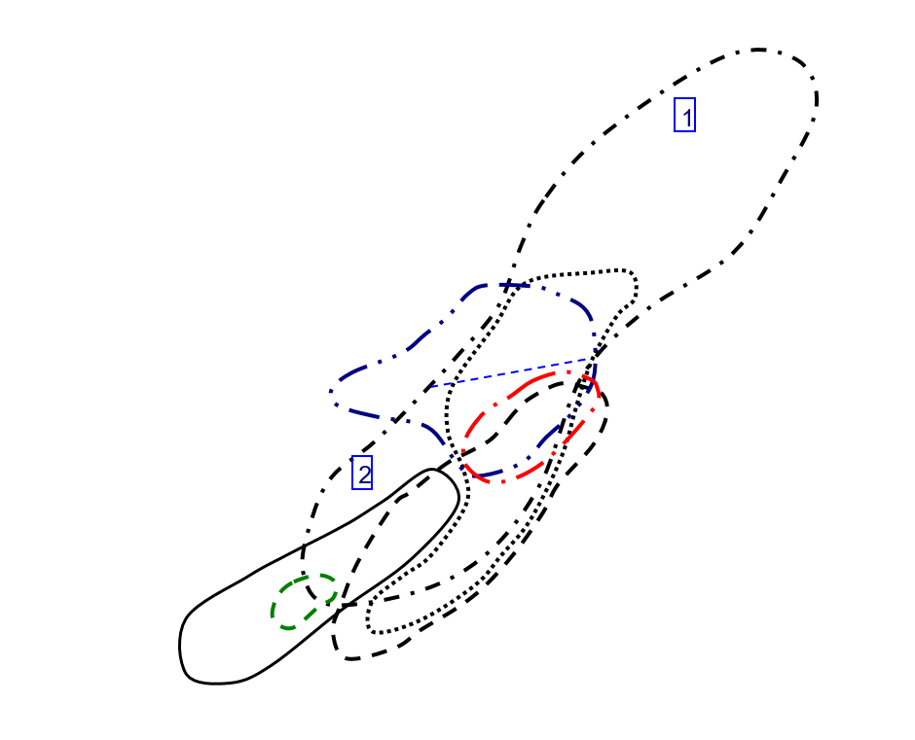
Nb vs Ta in Zircon
 | Carbonite |  | Granitoid (70-75% SiO2) |  | Granitoid (>65% SiO2) |  | Granitoid(>75% SiO2) |  | Syenite/Monzonite
23.73 | 33.16 | 0.79 | 2.271 | 1.176 | 4.13 | 3.61 | 13.25 | 1.976 | 8.48
0.622 | 1.379 | 2.43 | 9.21 | 1.498 | 4.88 | 2.47 | 15.48 | 2.91 | 25.69
1.052 | 1.888 | 0.537 | 1.553 | 0.881 | 2.531 | 3.45 | 14.84 | 6.69 | 18.93
 |  | 3.55 | 22.37 | 2.87 | 5.61 | 6.55 | 36.41 | 1.835 | 7.82
 |  | 2.75 | 7.7 | 1.053 | 2.85
 |  | 2.142 | 5.47 | 0.776 | 2.332
 |  | 0.946 | 2.98 | 1.096 | 3.62
 |  | 3.4 | 9.94 | 0.544 | 1.693
 |  | 1.742 | 5.97 | 0.783 | 2.269
 |  | 1.307 | 5.25 | 1.196 | 3.21
 |  | 0.645 | 2.039 | 2.106 | 5.78
 |  | 0.778 | 2.349 | 1.558 | 5.47
 |  | 16.17 | 35.78 | 1.173 | 2.22
 |  | 1.214 | 3.59 | 1.427 | 3.28
 |  | 1.315 | 4.13 | 1.712 | 5.34
 |  | 0.639 | 2.027 | 0.993 | 3.09
 |  | 1.125 | 3.5 | 3.69 | 10.56
 |  | 0.876 | 3.31 | 0.458 | 1.296
 |  | 4.07 | 19.78 | 2.41 | 6.16
 |  | 0.876 | 2.386 | 0.699 | 1.932
 |  | 1.626 | 4.44
 |  | 2.37 | 5.55
 |  | 0.909 | 2.67
 |  | 2.53 | 7.48
 |  | 3.87 | 21.45
 |  | 1.679 | 4.16
 |  | 0.602 | 1.916
 |  | 1.003 | 3.44
 |  | 0.549 | 1.468
 |  | 0.643 | 2.391
 |  | 1.342 | 4.03
 |  | 1.383 | 3.72
 |  | 2.76 | 8.85
 |  | 7.73 | 23.21
 |  | 2.12 | 8.75
 |  | 1.436 | 5.95
 |  | 0.335 | 1.294
 |  | 1.652 | 10.01
 |  | 0.569 | 1.44
 |  | 1.496 | 4.97
 |  | 0.621 | 2.173

U-Th Plot
U vs Th in Zircon
 | Carbonite |  | Granitoid (70-75% SiO2) |  | Granitoid (>65% SiO2) |  | Granitoid(>75% SiO2) |  | Syenite/Monzonite
1105.96 | 564.26 | 218.74 | 240.73 | 170.08 | 994.2 | 1514.88 | 1876.66 | 166.27 | 297.39
95.41 | 255.02 | 474.32 | 152.72 | 171.22 | 98.74 | 1214.2 | 1256.3 | 506.24 | 334.79
123.1 | 1189.07 | 100.25 | 105.08 | 60.56 | 100.66 | 653.16 | 1170.22 | 620.34 | 474.13
 |  | 946.9 | 397.87 | 84.18 | 939.81 | 1054.09 | 1270.65 | 410.37 | 503.53
 |  | 270.91 | 668.14 | 250.8 | 532.78
 |  | 262.3 | 346.19 | 126.82 | 162.01
 |  | 201.22 | 123.29 | 553.05 | 503.98
 |  | 227.24 | 181.57 | 59.65 | 91.3
 |  | 263.63 | 326.56 | 220.82 | 368.4
 |  | 286.45 | 386.1 | 191.03 | 240.99
 |  | 250.69 | 238.45 | 331.68 | 921.16
 |  | 96.44 | 139.9 | 53.28 | 68.09
 |  | 634.27 | 812.74 | 122.1 | 221.63
 |  | 122.49 | 194.74 | 296.41 | 583.08
 |  | 411.34 | 343.17 | 285.91 | 434.57
 |  | 86.96 | 146.44 | 314.21 | 276.18
 |  | 488.14 | 410.96 | 156.68 | 341.95
 |  | 334.57 | 339.73 | 95.8 | 99.21
 |  | 779.54 | 851.58 | 274.35 | 331.02
 |  | 106.03 | 143.71 | 90.91 | 82.22
 |  | 134.94 | 251.76
 |  | 613.15 | 1311.15
 |  | 140.24 | 140.8
 |  | 400.76 | 604.31
 |  | 933.26 | 972.25
 |  | 317.98 | 348.95
 |  | 242.1 | 205.65
 |  | 236.81 | 352.41
 |  | 193.04 | 209.99
 |  | 275.13 | 280.69
 |  | 199.1 | 733.01
 |  | 94.04 | 220.52
 |  | 138.4 | 244.65
 |  | 339.28 | 604.38
 |  | 172.4 | 270.14
 |  | 91.52 | 172.19
 |  | 90.33 | 76.71
 |  | 237.17 | 293.35
 |  | 49.6 | 33.41
 |  | 430.8 | 608.27
 |  | 178.24 | 174.95

CeCe-EuEu Plot
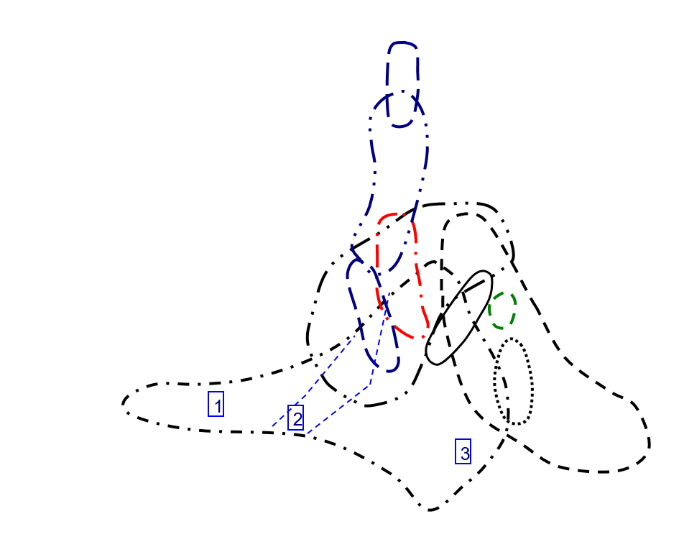
Ce/Ce vs Eu/Eu in Zircon
 | Carbonite |  | Granitoid (70-75% SiO2) |  | Granitoid (>65% SiO2) |  | Granitoid(>75% SiO2) |  | Syenite/Monzonite
0.013548827228 | 1.0292433094 | 0.0003877492057 | 1.258170897 | 0.0051044426545 | 0.92179210888 | 0.022877575048 | 0.2771404109 | 0.0026536177313 | 1.1009474186
0.0039691443112 | 9.4535070834 | 0.0017526162889 | 16.162021719 | 0.0057334192687 | 1.7915554864 | 0.0022141728107 | 12.189306209 | 0.0052390023369 | 2.434884899
0.00049313966677 | 3.4707317202 | 0.0043368616181 | 3.4754056822 | 0.0021957225633 | 1.4444889677 | 0.0027057652776 | 0.65475660361 | 0.001877190889 | 10.789299147
 |  | 0.0112744397 | 0.59016108745 | 0.0018188650555 | 5.4260963395 | 0.00019491501309 | 4.5576287508 | 0.0022538358776 | 0.44876926807
 |  | 0.0084126138022 | 1.5515285554 | 0.0079782377435 | 0.27510873838
 |  | 0.0024373929807 | 5.1361648604 | 0.0033338745072 | 12.934766366
 |  | 0.00299636323 | 6.2013597117 | 0.0048539258405 | 0.66770910035
 |  | 0.0026099498462 | 7.1592341117 | 0.0035070251146 | 1.0776641203
 |  | 0.0033628352187 | 7.4784278259 | 0.0019078990824 | 9.9347687578
 |  | 0.0059778302671 | 11.789539306 | 0.0029438773785 | 7.2465080721
 |  | 0.0032212465651 | 2.5044473382 | 0.0092408219395 | 1.2198067431
 |  | 0.0025632788103 | 1.1763055973 | 0.0012102087821 | 5.064303885
 |  | 0.00034430613456 | 14.760525352 | 0.0022195322516 | 19.73988141
 |  | 0.0032400503876 | 4.3630147513 | 0.0023702928561 | 8.0005388165
 |  | 0.0062702459653 | 1.2055859791 | 0.0068848990959 | 11.468450124
 |  | 0.0025317952204 | 12.378658124 | 0.001461022887 | 3.0944615281
 |  | 0.0037583403158 | 8.3144972526 | 0.00059555672594 | 4.0536685717
 |  | 0.0021126564677 | 2.1192065279 | 0.0066082704861 | 1.130935099
 |  | 0.0021151043564 | 0.84139930052 | 0.0017976064978 | 49.92775829
 |  | 0.0026920981868 | 2.886686756 | 0.0060902481004 | 4.5639268849
 |  | 0.0023521127869 | 4.3474424605
 |  | 0.00089075319691 | 3.9456519271
 |  | 0.0025565146824 | 11.88311362
 |  | 0.00080960695165 | 0.32842996896
 |  | 0.0044651855488 | 5.663711835
 |  | 0.0031689561016 | 7.9424679804
 |  | 0.0036219890415 | 2.33422551
 |  | 0.0024892194157 | 0.92937255932
 |  | 0.0028097057439 | 0.63231182411
 |  | 0.0079731298062 | 0.65062084252
 |  | 0.0017019471294 | 1.402645232
 |  | 0.005921780083 | 9.8509161462
 |  | 0.0030266960034 | 34.441375902
 |  | 0.00070533798972 | 0.86799114288
 |  | 0.0017344829776 | 0.81546582676
 |  | 0.001860432367 | 0.55198864266
 |  | 0.0033112777795 | 7.4461704837
 |  | 0.0054784999545 | 0.48374033097
 |  | 0.0052187469314 | 3.8518057674
 |  | 0.0021932036339 | 0.947226898
 |  | 0.0037403200634 | 0.44112917685

