题目
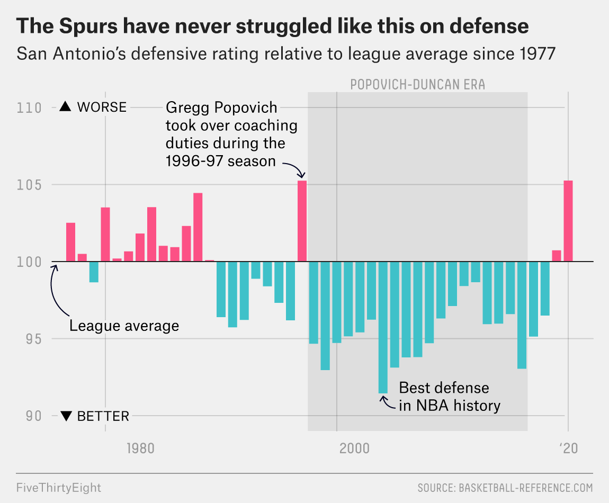
而自从1967年以来，圣安东尼奥马刺一直都是以稳定为名。在1976年加入NBA之后，马刺队只有四年没有打入季后赛，更是没有连续两年提前放暑假。上一次马刺未能打进季后赛，要回溯到1996-97年赛季。当年阵中大将大卫罗宾逊仅出赛了六场，而最后球队也以惨淡的20胜62败收尾。但马刺也因此在1997年选秀会上选入了永远都有未来的邓肯这位状元，建立了近代最长寿的夺冠劲旅之一。在邓肯坐镇的时代，马刺年年胜场都破50，打入了六次总决赛，并囊括了五座总冠军杯。
马刺已经连续22年都打进季后赛，但今年这项纪录却面临中断的危机。不仅9胜14败完全符合他们得失分毕氏定理的推估战绩，根据Basketball-Reference的SRS（Simple rating system，简易球队评比），马刺也位居联盟第23名，与公牛和骑士等球队当邻居。

本次数据提供了96-97赛季到19-20赛季的各队防守评分数据，试着找找防守数据里有哪些不为人知的秘密呢？

参考文章 https://fivethirtyeight.com/features/the-spurs-have-never-been-this-bad-at-defense/
数据源 https://stats.nba.com/teams/defense/?sort=DEF_RATING&dir=-1&Season=2019-20&SeasonType=Regular%20Season

