List of Databases
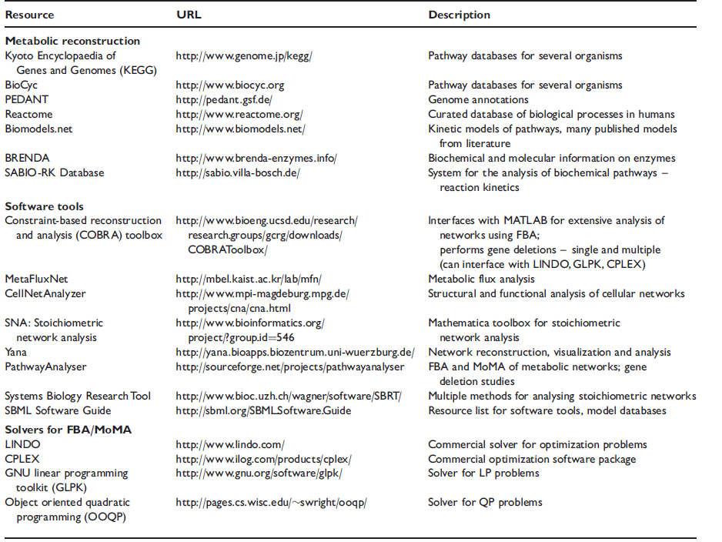
Access Date | SITE/PLACE | INFO | AUTHOR SOURCE | FOUND LINKS

 | Vizbi | Visual biological data | Karthik
2018-06-13 | KEGG | database aggregate metabolic dataon which GSMS are built | Aite
2018-06-13 | Biocyc | database aggregate metabolic dataon which GSMS are built | Aite
2018-06-13 | BiGG | database aggregate metabolic dataon which GSMS are built | Aite
2018-06-13 | MODEL SEED | database aggregate metabolic dataon which GSMS are built | Aite
 | Raven Toolbox | user chain tools | Aite
 | The SEED | user chain tools | Aite
 | Pathways Tools | user chain tools, Biocyc database | Aite
 | Galaxy | Online workspaces | Aite
 | Kbase | Online workspaces | Aite
 | AuReMe | AUtomatic Reconstruction of MEtabolic models - designed to house ªà la carteº reconstructions and analysis of GSMs while ensuring that their metadata is properly stored and can be efficiently explored | Aite
 | EXPASY | Database link known genes to functional categories and help bridge the genotype–phenotype gap | Oberhardt
 | KEGG | Database link known genes to functional categories and help bridge the genotype–phenotype gap | Oberhardt
 | BLAST-homology | semi-automated gene annotation | Oberhardt
 | Gnya gene (page 18( | Possible study | Dunphy YEN
 | AGORA | 700 Draft reconstructions | Dunphy YEN
 | NCBI SRA database (www.ncbi.nlm.nih.gov/sra) | Pseudomonas genome study | Dunphy YEN
 | BioProject number PRJNA376615 | Pseudomonas genome study | Dunphy YEN
 | Genewiz Incorporation | sequecning | Dunphy YEN
 | http://bme.virginia.edu/csbl/Downloads1-pseudomonas.html | model files in spreadsheet and SBML format | Barotelli
 | Burkholderia Genome Database | Burkholderia Genome Database | Barotelli
 | MetRxn | database | Barotelli
 | Biolog phenotype arrays PM1 and PM2a. |  | Barotelli
 | MetDraw | visualized using a command line implementation | Barotelli
 | Inkscape | colour overlay which was then edited in | Barotelli

