Sheet1
 | FineST | iStar |  | Supplymetary information
Image embeddings | 31 | 20 | python HIPT_image_feature_CRC16um_FineST.py: 30m55.936s where Image segmentation: 54.95056772232056 seconds | extract_features.py: 16m25.059s get_mask.py: 2m57.189s
Train and infer | 1078 | 135 | 1078m9s | select_genes.py: 12m16.014s impute.py: 121m27.898s
LRI discovery | SparseAEH | SpatialDE
 | 7 |  | 6m 22s: MixedGaussian(): 56.858 seconds run_cluster(): 324.949 seconds

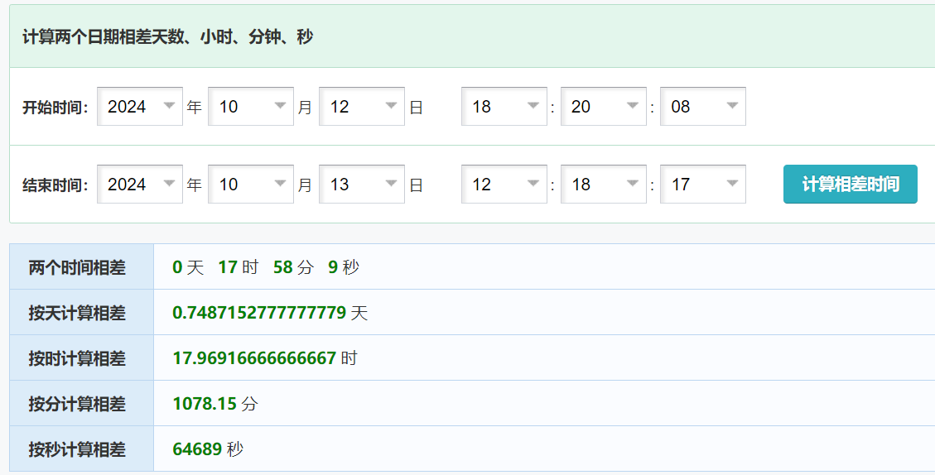

 | FineST | iStar
Image embeddings | 31 | 20
Train and infer | 1078 | 135
 | SparseAEH | SpatialDE
LRI discovery | 7 | NA

