Sheet1
Step | Source column | New column | Operation | GREL | Results | Notes
B1 | Title | Title_clean | Remove the fixed electronic-resource suffix and trim spaces | if(isBlank(value), null, value.replace(/\s*\[electronic resource\]\s*$/, "").trim()) | All 980 records were retained. The fixed [electronic resource] suffix was removed from Title_clean, and no blank titles were introduced. | The original Title column was preserved for traceability.
B2 | Personal author | Author_name_clean | Remove standard birth–death years from the end of the author field and trim spaces | if(isBlank(value), null, value.replace(/,\s*\d{4}-\d{4}\.?\s*$/, "").trim()) | Author_name_clean was created for all 980 records. 757 records contained author information and 223 were blank; standard terminal life-date ranges were removed while author names were retained. | The original Personal author column was preserved. Complex dates, roles and titles were left unchanged for later review.
B3 | Author_name_clean | Author_name_clean | Use Cluster and edit with the fingerprint method to merge clearly identical author-name variants caused by capitalization, punctuation or spacing differences | N/A — OpenRefine Cluster and edit, using key collision → fingerprint | Clear capitalization, punctuation and spacing variants were standardised in Author_name_clean without changing the total of 980 records. | Every proposed cluster was reviewed manually. Abbreviated and full names, similar names, and records with conflicting identity evidence were not merged. Clustering occurred before date extraction, but the original Personal author field remained available for checking life dates. | 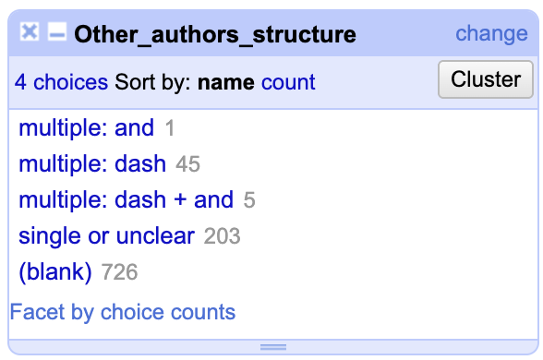
B4.1 | Personal author | Author_birth_year | Extract the first four-digit year from standard birth–death date expressions and convert it to a number | if(isBlank(value), null, if(value.match(/.*,\s*(\d{4})-(\d{4})\.?\s*$/) != null, value.match(/.*,\s*(\d{4})-(\d{4})\.?\s*$/)[0].toNumber(), null)) | 160 birth years were extracted as numeric values; 820 records remained blank. | Only complete four-digit birth–death ranges at the end of the field were processed. Complex or incomplete date formats were retained for manual review.
B4.2 | Personal author | Author_death_year | Extract the second four-digit year from standard birth–death date expressions and convert it to a number | if(isBlank(value), null, if(value.match(/.*,\s*(\d{4})-(\d{4})\.?\s*$/) != null, value.match(/.*,\s*(\d{4})-(\d{4})\.?\s*$/)[1].toNumber(), null)) | 160 death years were extracted as numeric values; 820 records remained blank. The number of extracted death years matched the number of extracted birth years. | En dashes, incomplete dates, active dates and other irregular formats were not processed automatically.
B5 | Personal author | Author_review_status | Classify author records according to missing information, successful life-date extraction or the need for manual review | if(isBlank(value), "missing", if(and(not(isBlank(cells["Author_birth_year"].value)), not(isBlank(cells["Author_death_year"].value))), "standardised", if(value.match(/.*\d{4}.*/) != null, "manual review", "unchanged"))) | Each record was assigned a workflow status—missing, standardised, manual review or unchanged—to support targeted checking and later reconciliation. | This field records processing status rather than the correctness of an author identity. Records initially marked manual review were subsequently inspected and adjusted before reconciliation.
B6.1 | Other personal authors | Other_personal_authors_clean | Create a lightly cleaned copy by trimming leading and trailing spaces and normalising repeated whitespace | if(isBlank(value), null, value.replace(/\s+/, " ").trim()) | 254 records containing other-person information were whitespace-normalised, while 726 records remained blank. | The field was not split into rows, and commas were not used as separators because they are part of catalogue-form names. | 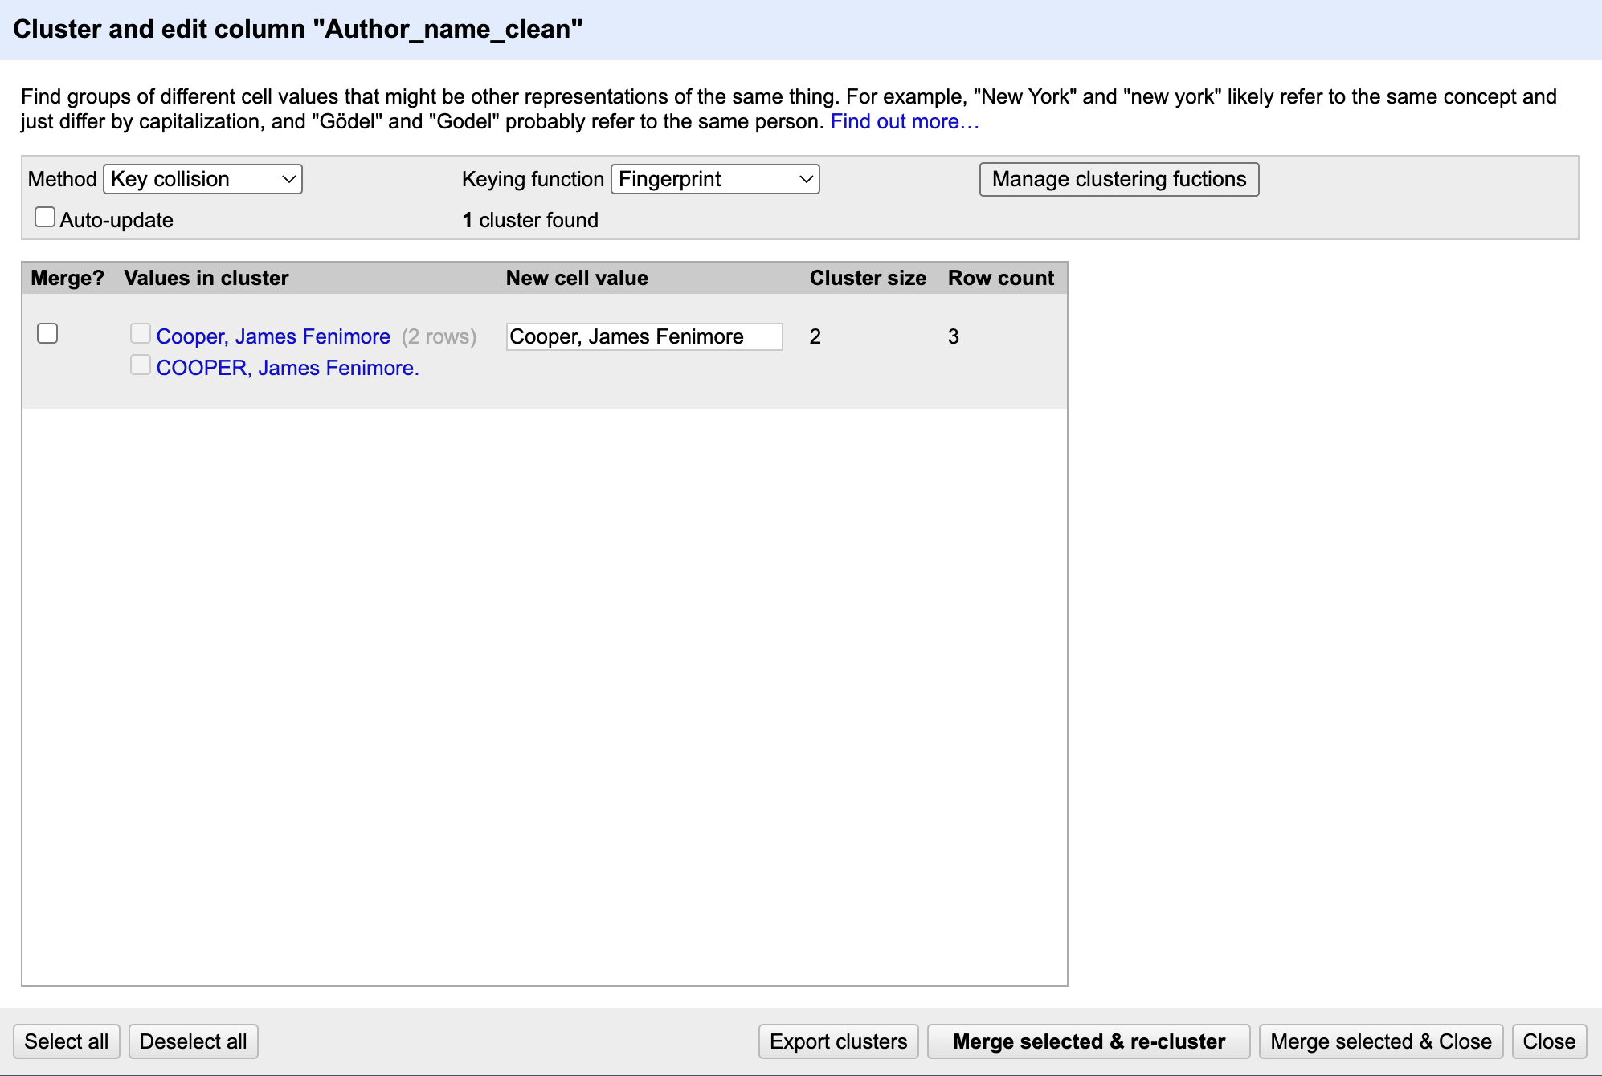
B6.2 | Other_personal_authors_clean | Other_authors_structure | Classify cells according to whether they are blank, contain multiple authors separated by dashes or conjunctions, or have no clear multi-author marker | if(isBlank(value), "blank", if(value.contains("--"), if(value.toLowercase().contains(" and "), "multiple: dash + and", "multiple: dash"), if(value.toLowercase().contains(" and "), "multiple: and", "single or unclear"))) | The records were classified as 726 blank, 203 single or unclear, 45 multiple: dash, 5 multiple: dash + and, and 1 multiple: and. No rows were split. | The classification is provisional: single or unclear does not guarantee that only one person is present. Full automatic parsing was avoided because the field mixes names, dates, titles, roles and several delimiter patterns.
B7 | Personal author; Author_name_clean; Author_birth_year; Author_death_year; Author_review_status | Reconciliation metadata attached to Author_name_clean | Reconcile cleaned author names against Wikidata human (Q5) in multiple rounds. First reconcile authors with standard birth–death information; then manually review irregular records and reconcile them together with previously unchanged names. Confirm candidates using names, life dates, roles, titles and publication context. | N/A — manual review and OpenRefine Wikidata reconciliation | The final reconciliation judgments were 309 matched, 356 none, 92 unreconciled and 223 blank, totalling 980 records. | None indicates that reconciliation was run but no candidate was confirmed. Unreconciled records had no completed judgment. Uncertain identities were retained without forcing a match.
B8.1 | Author_name_clean | Author_Wikidata_QID | Extract the Wikidata entity identifier from each confirmed reconciliation match | if(cell.recon.matched, cell.recon.match.id, null) | 309 matched records received valid Wikidata QIDs; the remaining 671 records were blank. | The column was created after all reconciliation rounds were complete. Only formally confirmed matches were assigned QIDs.
B8.2 | Author_name_clean | Author_Wikidata_label | Extract the standard Wikidata entity label from each confirmed reconciliation match | if(cell.recon.matched, cell.recon.match.name, null) | 309 matched records received Wikidata labels; the remaining 671 records were blank. | Wikidata labels may use natural name order rather than the original catalogue format. The nonblank label count matched the nonblank QID count.
B8.3 | Author_name_clean | Author_reconciliation_status | Convert the final OpenRefine reconciliation judgments into an explicit text-status column | if(isBlank(value), "blank", if(cell.recon.matched, "matched", if(cell.recon.judgment == "none", "none", "unreconciled"))) | All 980 records were classified as 309 matched, 356 none, 92 unreconciled and 223 blank. | The matched count equalled the number of nonblank QIDs and Wikidata labels.
B9 | Aleph system no.; DOM ID; Title_clean; Author_name_clean; Author_birth_year; Author_death_year; Author_Wikidata_QID; Author_Wikidata_label; Author_reconciliation_status; Other_authors_structure | N/A | Perform final quality-control checks on record count, identifiers, cleaned titles, author dates, Wikidata fields and multi-author structure | Multiple validation facets and expressions | Final checks confirmed 980 records, unique identifiers, no residual electronic-resource suffix in Title_clean, logically consistent extracted life dates, 309 matched records with QIDs and labels, and unchanged multi-author category totals. | This step validated existing transformations. Any confirmed corrections were documented separately rather than applied silently.

