example
id | title | title_source | start | end | title_uri | ccodes | variants | types | aat_types | matches | lon | lat | geowkt | geo_source | geo_id | description
717_1 | Marienborch | Croniken | 1480 | 1491 |  | PL | Marienburg;Malbork | town; castle | 300008375;300008063 |  |  |  | POINT(19.03797600030766901 54.03613199933293032)
717_2 | Eluinghen | Croniken | 1480 | 1491 |  | PL | Elbing;Elbląg | town;castle | 300008375;300008063 |  |  |  | POINT(19.40427425018878083 54.15598902161654848)
717_3 | Lossen | Croniken | 1480 | 1491 |  | PL | Lessen;Łasin | town | 300008375 |  |  |  | POINT(19.08709099729979997 53.51936100136739327)
10 | Sampit | Broek | 1800 | 2000 |  | ID |  | mine; settlement | 300000390 |  | 112.9496 | -2.5315 |  |  | http://sws.geonames.org/1628884
11 | Kuta Lingga | Broek | 1800 | 2000 |  | MY |  | mine; settlement | 300000390
12 | Kuta Waringin | Broek | 1800 | 2000 |  | ID |  | mine; settlement | 300000390
13 | Sambas | Broek | 1800 | 2000 |  | ID |  | mine; settlement | 300000390 |  | 109.25 | 1.33333 |  |  | http://sws.geonames.org/1628979

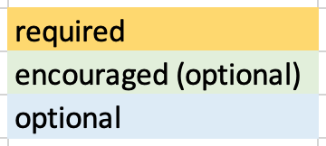
Examples drawn from two datasets
To create a LP-TSV file:
Copy/Paste | select all cells in rows 1-8, columns A-Q, copy and paste into a text editor (utf8 encoding)

NB: Excel files saved as UTF-16 and .CSV are incompatible with WHG

