Explanation
HUC 12 watersheds were clipped to Dane County area
Road area includes the total area of "road right of way" for land use from 2015. The right of way extends beyond the actual paved area, so the calculated density is a slight over estimate.
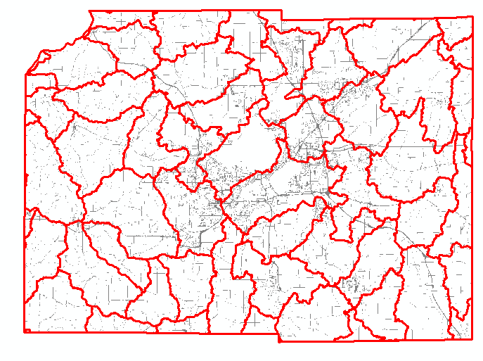

This map shows the clipped watersheds and the area designated as "road right of way" (when zoomed in, the roads are continuous, not dotted as they appear here)

