Sheet1
GIVEN DATA
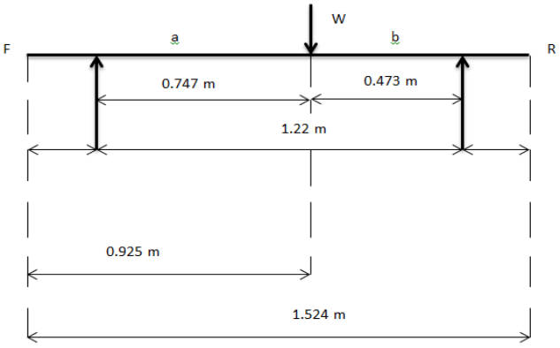

1 | Mass of kart with driver |  |  | m | 160 | kg
2 | Coefficient of friction between tyre and road |  |  | μr | 0.65 | -

3 | Wheel base |  |  | L | 1.016 | m
4 | C.G Height |  |  | h | 0.15 | m
5 | Acceleration due to gravity |  |  | g | 9.81 | m/s
6 | Disc Radius |  |  | R | 0.1025 | m
7 | Inner Disc Radius |  |  | r | 0.0725 | m
8 | Effective radius |  |  | Reff | 0.0875 | m
9 | Diameter of caliper piston |  |  | Dcp | 0.028 | m
10 | Area of caliper piston |  |  | Acp | 0.0006157521601 | m2
11 | Diameter of Master cylinder |  |  | Dmc | 0.01915 | m
12 | Area of master cylinder |  |  | Amc | 0.000288023178 | m2
13 | Velocity of Vehicle |  |  | u | 11.11111111 | m/s |  |  | Kerb Side View
14 | Coefficient of friction between pad and caliper |  |  | μbp | 0.4 | -

15 | Stopping distance |  |  | s | 5 | m
16 | Rear Tyre Radius |  |  | Rt | 0.1397 | m
17 | number of caliper pistons |  |  | n | 2 | -
18 | Pedal Ratio |  |  | P.R | 4 | - |  | -6
19 | CG from center to front wheel |  |  | a | 0.634 | m
20 | CG from center to rear wheel |  |  | b | 0.382 | m
21 | Mass of Disc |  |  | md | 0.793 | kg
22 | Specific heat of disc material |  |  | cp | 460.548 | J/KgK | (stainless steel)

 |  |  |  |  |  |  |  |  |  | 1
Deceleratio / Retardation : |  |  |  |  |  |  |  |  |  | Static Analysis : |  |  |  |  |  |  |  | Braking Energy :

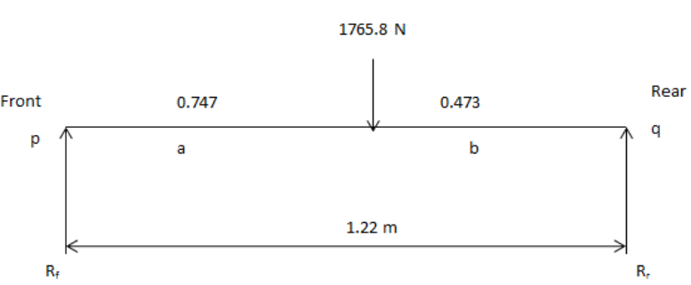
 | av = |  |  |  |  |  |  |  |  |  |  |  |  |  |  |  |  |  |  |  |  | considering change in both linear and rotational kinetic energy

 | Where, |  |  |  |  |  |  |  |  |  |  |  |  |  |  |  |  |  | Where, |  |  |  |  |  |  | k, is a factor multiplied to the result of an equation in order to correct the known amount of systemic error.
 | av = | deceleration |  |  |  |  |  |  |  |  |  |  |  |  |  |  |  |  | Eb = | Braking Energy ( kinetic energy while braking )
 | v = | 0 | m/s | [the value is zero as our kart is coming to rest after braking] |  |  |  |  |  |  |  |  |  |  |  |  |  |  | k = | Correction Factor for rotating masses = |  |  |  | 1.05
 | u = | 11.11111111 | m/s |  |  |  |  |  |  |  |  |  |  |  |  |  |  |  | m = | Mass of kart with driver = |  |  | 160 | kg |  | Typical values of k for bikes range from 1.05 - 1.11.
 | s = | 5 | m | [we want our kart to stop at this distance] |  |  |  |  |  |  |  |  |  |  |  |  |  |  | u = | Initial velocity of kart = |  |  | 11.11111111 | m/s

 | av = | -12.34567901 | m/s2 | [due to deceleration the value is negative, we can remove the negative sign] |  |  |  |  |  |  |  |  |  |  |  |  |  |  | therefore,
 |  |  |  |  |  |  |  |  |  |  |  |  |  |  |  |  |  |  | Eb = | 10370.37037 | J
 | therefore
0.9
 | av = | 12.34567901 | m/s2 |  |  |  |  |  |  |  |  |  |  |  |  |  |  |  | Assuming that 90% of the energy possessed by the vehicle to be converted into the thermal energy of disc brake system |  |  |  |  |  | i.e.,

Stopping time: |  |  |  |  |  |  |  |  |  |  | Taking moment at Rr,
 |  |  |  |  |  |  |  |  |  |  |  |  |  |  |  |  |  |  | Therefore,
 | tS = |  |  |  |  |  |  |  |  |  | Rf.L = W.b |  |  |  |  |  |  |  | Eb = | 9333.333333 | J

 |  |  |  |  |  |  |  |  |  |  | Where, |  |  |  |  |  |  | Brake Power :
 | Where, |  |  |  |  |  |  |  |  |  | Rf = | Static Front load (N)
 | tS = | Stopping time |  |  |  |  |  |  |  |  | L = | Wheel Base = |  | 1.016 | m
 | u = | 11.11111111 | m/s |  |  |  |  |  |  |  | W = | Weight of kart with driver = |  |  | 1569.6 | N
 | av = | 12.34567901 | m |  |  |  |  |  |  |  | b = | CG distance from center to rear wheel = |  |  |  | 0.382 | m
 |  |  |  |  |  |  |  |  |  |  |  |  |  |  |  |  |  |  | Where, |  |  |  |  |  | Braking power Pb is equal to the rate of change of braking energy with respect to time t during which braking occurs.
 | therefore |  |  |  |  |  |  |  |  |  | therefore |  |  |  |  |  |  |  | Pb = | Brake power
 | tS = | 0.9 | s |  |  |  |  |  |  |  | Rf = | 590.1448819 | N |  |  |  |  |  | Eb = | Braking Energy = |  | 9333.333333 | J
 |  |  |  |  |  |  |  |  |  |  |  |  |  |  |  |  |  |  | t = | Stopping time = |  | 0.9 | s
Total Braking Force :
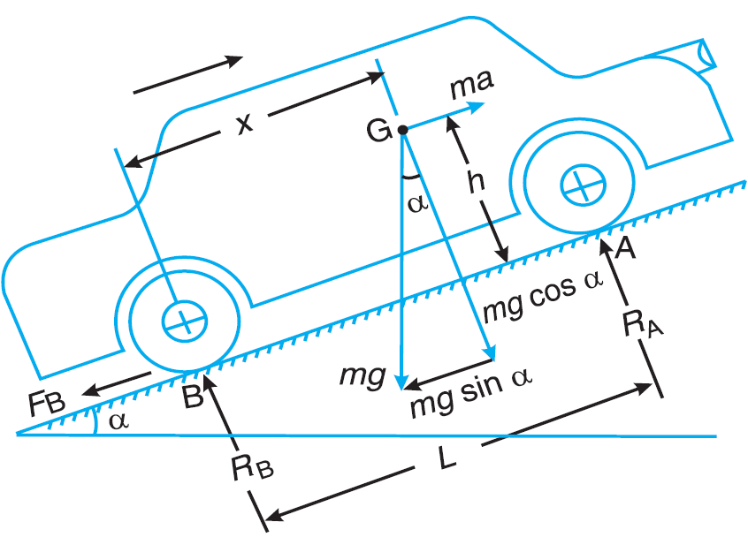
 |  |  |  |  |  |  |  |  |  |  | Taking moment at Rf, |  |  |  |  |  |  |  | therefore,
 | Fb = m x av |  |  |  |  |  |  |  |  |  |  |  |  |  |  |  |  |  | Pb = | 10370.37037 | W
 |  |  |  |  |  |  |  |  |  |  | Rr.L = W.a
 | Where, |  |  |  |  |  |  |  |  |  |  |  |  |  |  |  |  | Heat Flux :
 | Fb = | Total braking force |  |  |  |  |  |  |  |  | Where,
 | m = | 160 | kg |  |  |  |  |  |  |  | Rr = | Static rear load (N)
 | av = | 12.34567901 | m/s2 |  |  |  |  |  |  |  | L = | Wheel Base = |  | 1.016 | m
 |  |  |  |  |  |  |  |  |  |  | W = | Weight of kart with driver = |  |  | 1569.6 | N
 | therefore, |  |  |  |  | Fb , is the total braking force due to the application of brakes at the rear |  |  |  |  | a = | CG distance from center to front wheel = |  |  |  | 0.634 | m |  | Where, |  |  |  |  |  | Heat Flux is defined as the amount of heat transferred per unit area per unit time.
 | Fb = | 1975.308642 | N |  |  |  |  |  |  |  |  |  |  |  |  |  |  |  | Q = | Heat Flux | W/m2
 |  |  |  |  |  |  |  |  |  |  | therefore |  |  |  |  |  |  |  | Pb = | Brake power = |  | 10370.37037 | W
Torque on each Tyre: |  |  |  |  |  |  |  |  |  |  | Rr = | 979.4551181 | N |  |  |  |  |  | A = | Swept area of disc = |  | 0.01649336143 | m2

 | Tt = Ft x Rt |  |  |  |  |  |  |  |  | Dynamic Analysis : |  |  |  |  |  |  |  |  | therefore,
 |  |  |  |  |  | Ft, is the force acting on each rear wheel. It is the half of the braking force |  |  |  |  |  |  |  |  |  |  |  |  | Q = | 314380.1345 | W/m2
 | Where, |  |  |  |  |  |  |  |  |  | Rf dym =
 | Tt = | Torque on each tyre |  |  |  |  |  |  |  |  |  |  |  |  |  |  |  | Disc Temperature :
 | Ft = | 1975.308642 | N
 | Rt = | 0.1397 | m |  |  |  |  |  |  |  | Where,
 |  |  |  |  |  |  |  |  |  |  | Rf dym = | Dynamic Front load (N)
 | therefore, |  |  |  |  |  |  |  |  |  | L = | Wheel Base = |  | 1.016 | m |  |  |  | Where,
 | Tt = | 275.9506173 | Nm | [ This tyre torque is equal to the disc torque, as they are on the same shaft ] |  |  |  |  |  |  | m = | Mass of kart with driver = |  |  | 160 | kg |  |  | Δt = | Temperature difference °C
 |  |  |  |  |  |  |  |  |  |  | b = | CG distance from center to rear wheel = |  |  |  | 0.382 | m |  | tfinal = | Disc Temperature °C
Force on Disc / Rotor by the brake pads : |  |  |  |  |  |  |  |  |  |  | μr = | Coefficient of friction between tyre and road = |  |  |  |  | 0.65 |  | tinitial = | Room temperature= |  | 34 | °C
 |  |  |  |  |  |  |  |  |  |  | H = | C.G Height from ground = |  |  | 0.15 | m
 | Fbp = |  |  |  |  |  |  |  |  |  |  |  |  |  |  |  |  |  | We know,
 |  |  |  |  |  |  |  |  |  |  | therefore
 |  |  |  |  |  |  |  |  |  |  | Rf dym = | 675.9076785 | N
 | Where, |  |  |  |  |  |  |  |  |  |  |  |  |  |  |  |  |  | Where,
 | Fbp = | Force on disc by brake pad |  |  |  |  |  |  |  |  | Rr dym = |  |  |  |  |  |  |  | Hg = | Heat Generated = Eb = |  |  | 9333.333333 | J
 | Tr = | Tt = | 275.9506173 | Nm |  |  |  |  |  |  |  |  |  |  |  |  |  |  | md = | Mass of disc = |  | 0.793 | Kg
 | Reff = | 0.0875 | m |  |  |  |  |  |  |  |  |  |  |  |  |  |  |  | Cp = | Specific heat of disc = |  |  | 460.548 | J/Kgk
 |  |  |  |  |  |  |  |  |  |  | Where,
 | therefore, |  |  |  |  |  |  |  |  |  | Rr dym = | Dynamic rear load (N) |  |  |  |  |  |  | Thus,
 | Fbp = | 3153.72134 | N |  |  |  |  |  |  |  | L = | Wheel Base = |  | 1.016 | m
 |  |  |  |  |  |  |  |  |  |  | m = | Mass of kart with driver = |  |  | 160 | kg
Clamping Force : |  |  |  |  |  |  |  |  |  |  | b = | CG distance from center to rear wheel = |  |  |  | 0.382 | m
 |  |  |  |  |  |  |  |  |  |  | μr = | Coefficient of friction between tyre and road = |  |  |  |  | 0.65 |  | therefore,
 | Fcl = |  |  |  |  |  |  |  |  |  | H = | C.G Height from ground = |  |  | 0.15 | m |  |  | tfinal = | 59.55575339 | °C

 |  |  |  |  |  |  |  |  |  |  | therefore
 | Where, |  |  |  |  |  |  |  |  |  | Rr dym = | 893.6923215 | N
 | Fcl = | Clamping force
 | Fbp = | 3153.72134 | N |  |  |  |  |  |  | Dynamic Load transfer :
 | μbp = | 0.4
 |  |  |  |  |  |  |  |  |  |  | Wt dym =
 | therefore,
 | Fcl = | 7884.303351 | N
 |  |  |  |  |  |  |  |  |  |  | Where,
Force Generated by Caliper Piston : |  |  |  |  |  |  |  |  |  |  | Wt dym = | Dynamic load Transfer (N)
 |  |  |  |  |  |  |  |  |  |  | L = | Wheel Base = |  | 1.016 | m
 | Fcal = |  |  |  |  |  |  |  |  |  | Fb = | Total braking force = |  | 201.3566404 | kg
 |  |  |  |  |  |  |  |  |  |  | av = | Deceleration = |  | 12.34567901 | m/s2
 |  |  |  |  |  |  |  |  |  |  | H = | C.G Height from ground = |  |  | 0.15 | m
 | Where,
 | Fcal = | Force generated by caliper piston |  |  |  |  |  |  |  |  | therefore
 | Fcl = | 7884.303351 | N |  |  |  |  |  |  |  | Wt dym = | 367.0104994 | N
 | n = | 2 | ( no. of piston )
 |  |  |  |  |  |  |  |  |  | Dynamic weight transfer at Front and rear while braking :
 | therefore,
 | Fcal = | 3942.151675 | N |  |  |  |  |  |  |  | Rf wt = Wt dym + Rf dym

Pressure at caliper piston : |  |  |  |  |  |  |  |  |  |  | Where,
 |  |  |  |  |  |  |  |  |  |  | Rf wt = | Dynamic weight transfer at front while braking (N)
 | Pcal = |  |  |  |  |  |  |  |  |  | Rf dym = | Dynamic Front load = |  |  | 675.9076785 | N
 |  |  |  |  |  |  |  |  |  |  | Wt dym = | Dynamic load Transfer = |  |  | 367.0104994 | N

 | Where, |  |  |  |  |  |  |  |  |  | therefore
 | Pcal = | Pressure at caliper piston |  |  |  |  |  |  |  |  | Rf wt = | 1042.918178 | N
 | Fcal = | 3942.151675 | N
 | Acal = | 615.7521601 | mm2
 |  |  |  |  |  |  |  |  |  |  | Rr wt = Rr dym - Wt dym
 | therefore,
 | Pcal = | 6.40217271 | N/mm2 |  |  |  |  |  |  |  | Where,
 |  |  |  |  |  |  |  |  |  |  | Rr wt = | Dynamic weight transfer at rear while braking (N)
Brake Pedal Force : |  |  |  |  |  |  |  |  |  |  | Rr dym = | Dynamic rear load = |  |  | 893.6923215 | N
 |  |  |  |  |  |  |  |  |  |  | Wt dym = | Dynamic load Transfer = |  |  | 367.0104994 | N
 | FBrp = Pmc x Amc
 |  |  |  |  |  |  |  |  |  |  | therefore
 | Where, |  |  |  |  |  |  |  |  |  | Rr wt = | 526.6818222 | N
 | FBrp = | Brake Pedal Force
 | Pmc = | Pcal = | 6.40217271 | N/mm2 |  |  |  |  |  | Weight Percentage [static] :
 | Amc = | 288.023178 | mm2
 |  |  |  |  |  |  |  |  |  |  | Wf =
 | therefore,
 | FBrp = | 1843.97413 | N
 |  |  |  |  |  |  |  |  |  |  | Where,
Driver Effort : |  |  |  |  |  |  |  |  |  |  | Wf = | Percentage of front weight (N)
 |  |  |  |  |  |  |  |  |  |  | W = | Weight of kart with driver = |  |  | 1569.6 | N
 | Fd = |  |  |  |  |  |  |  |  |  | Rf = | Static Front load = |  | 590.1448819 | N

 |  |  |  |  |  |  |  |  |  |  | therefore
 | Where, |  |  |  |  |  |  |  |  |  | Wf = | 37.5984252 | %
 | Fd = | Brake Pedal Force
 | FBrp = | 1843.97413 | N |  |  |  |  |  |  |  | Wr =
 | P.R = | 4

 | therefore, |  |  |  |  |  |  |  |  |  | Where,
 | Fd = | 460.9935325 | N |  |  |  |  |  |  |  | Wr = | Percentage of rear weight (N)
 | = | 46.99220514 | kg |  |  |  |  |  |  |  | W = | Weight of kart with driver = |  |  | 1569.6 | N
 |  |  |  |  |  |  |  |  |  |  | Rr = | Static rear load = |  | 979.4551181 | N

 |  |  |  |  |  |  |  |  |  |  | therefore
 |  |  |  |  |  |  |  |  |  |  | Wr = | 62.4015748 | %

 |  |  |  |  |  |  |  |  |  | Weight Percentage [Dynamic] :

 |  |  |  |  |  |  |  |  |  |  | Wf =

 |  |  |  |  |  |  |  |  |  |  | Where,
 |  |  |  |  |  |  |  |  |  |  | Wf = | Percentage of front weight (N)
 |  |  |  |  |  |  |  |  |  |  | W = | Weight of kart with driver = |  |  | 1569.6 | N
 |  |  |  |  |  |  |  |  |  |  | Rf dym = | Dynamic Front load= |  | 675.9076785 | N

 |  |  |  |  |  |  |  |  |  |  | therefore
 |  |  |  |  |  |  |  |  |  |  | Wf = | 43.06241581 | %

 |  |  |  |  |  |  |  |  |  |  | Wr =

 |  |  |  |  |  |  |  |  |  |  | Where,
 |  |  |  |  |  |  |  |  |  |  | Wr = | Percentage of rear weight (N)
 |  |  |  |  |  |  |  |  |  |  | W = | Weight of kart with driver = |  |  | 1569.6 | N
 |  |  |  |  |  |  |  |  |  |  | Rr dym = | Dynamic rear load = |  | 893.6923215 | N

 |  |  |  |  |  |  |  |  |  |  | therefore
 |  |  |  |  |  |  |  |  |  |  | Wr = | 56.93758419 | %

