Sheet1
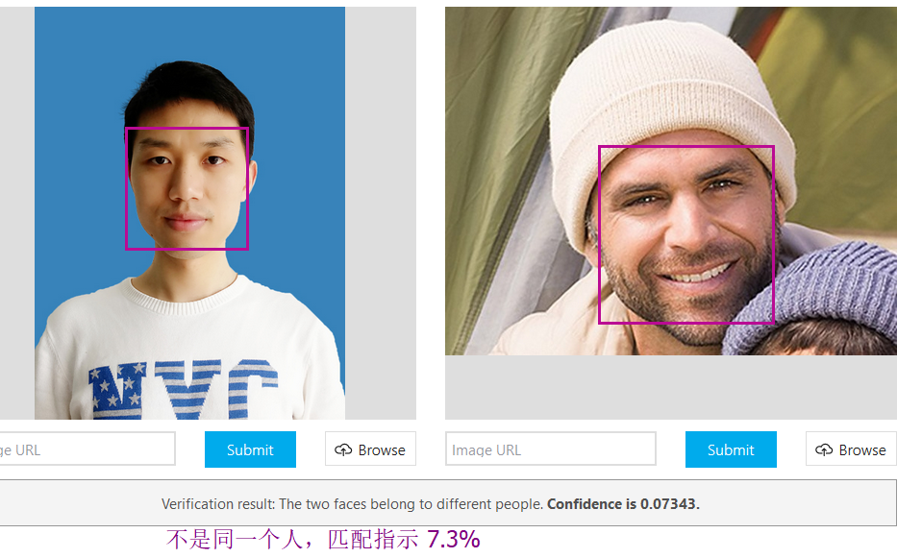
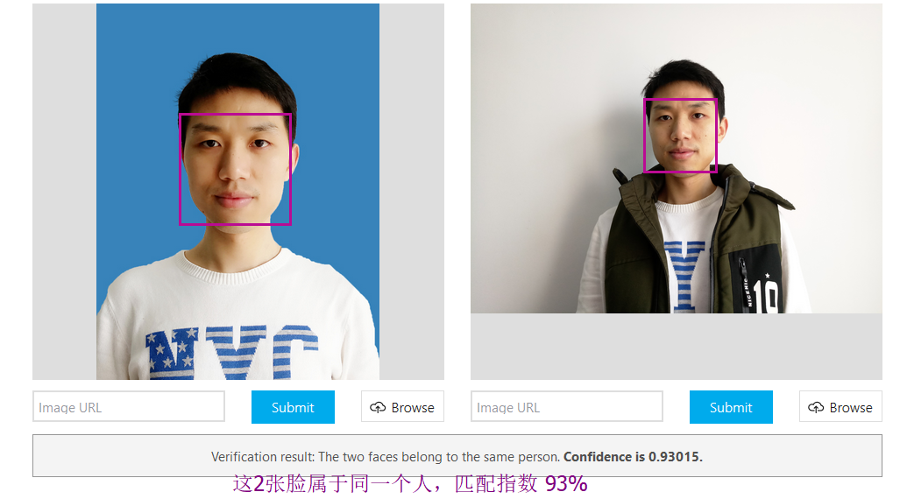
https://azure.microsoft.com/en-us/services/cognitive-services/face/
Face API Key 30天有效 suanrun@126.com Endpoint: https://westcentralus.api.cognitive.microsoft.com/face/v1.0 Key 1: 284b00a9e7d4491f9f0246d0ec0f42a1 Key 2: 7af4958377bd4a7c8494e1403b480bcd SDK https://www.nuget.org/packages/Microsoft.ProjectOxford.Face/1.3.0 开发引用 NuGet> Install-Package Microsoft.ProjectOxford.Face -Version 1.3.0 Demo https://docs.microsoft.com/en-us/azure/cognitive-services/face/quickstarts/csharp#Create
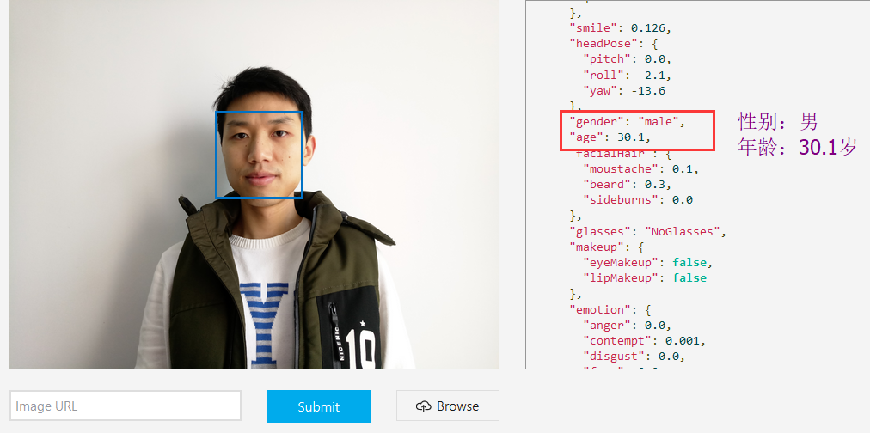 | 可以获得一些人脸面部特征的数学模型参数

