Sheet1
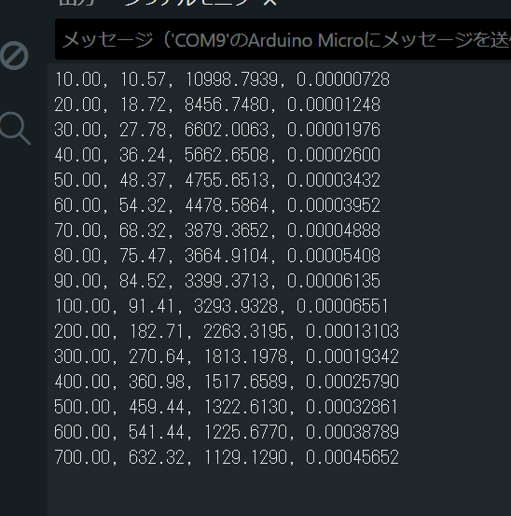

10 | 10.57 | 10998.7939 | 0.00000728 | 10 | 1070.38 | 889.4422 | 0.00102223
20 | 18.72 | 8456.748 | 0.00001248 | target_lux [lx] | current_lux [lx] | cds_ohm [Ω] | tr_current [A]
30 | 27.78 | 6602.0063 | 0.00001976 | 10 | 1073.35 | 841.7911 | 0.00102119
40 | 36.24 | 5662.6508 | 0.000026 | target_lux [lx] | current_lux [lx] | cds_ohm [Ω] | tr_current [A]
50 | 48.37 | 4755.6513 | 0.00003432 | 10 | 948.9 | 985.03 | 0.00099832
60 | 54.32 | 4478.5864 | 0.00003952 | target_lux [lx] | current_lux [lx] | cds_ohm [Ω] | tr_current [A]
70 | 68.32 | 3879.3652 | 0.00004888 | 10 | 907.93 | 985.03 | 0.00083609
80 | 75.47 | 3664.9104 | 0.00005408 | target_lux [lx] | current_lux [lx] | cds_ohm [Ω] | tr_current [A]
90 | 84.52 | 3399.3713 | 0.00006135 | 10 | 731.52 | 1081 | 0.00074562
100 | 91.41 | 3293.9328 | 0.00006551 | target_lux [lx] | current_lux [lx] | cds_ohm [Ω] | tr_current [A]
200 | 182.71 | 2263.3195 | 0.00013103 | 10 | 672.1 | 1225.677 | 0.00071962
300 | 270.64 | 1813.1978 | 0.00019342 | target_lux [lx] | current_lux [lx] | cds_ohm [Ω] | tr_current [A]
400 | 360.98 | 1517.6589 | 0.0002579 | 10 | 714.22 | 1129.129 | 0.00065826
500 | 459.44 | 1322.613 | 0.00032861 | target_lux [lx] | current_lux [lx] | cds_ohm [Ω] | tr_current [A]
600 | 541.44 | 1225.677 | 0.00038789 | 10 | 1087.19 | 937.1884 | 0.00094944
700 | 632.32 | 1129.129 | 0.00045652 | target_lux [lx] | current_lux [lx] | cds_ohm [Ω] | tr_current [A]
 |  |  |  | 10 | 1060.81 | 889.4422 | 0.00101599
 |  |  |  | target_lux [lx] | current_lux [lx] | cds_ohm [Ω] | tr_current [A]
 |  |  |  | 10 | 1113.51 | 794.2346 | 0.00102223
 |  |  |  | target_lux [lx] | current_lux [lx] | cds_ohm [Ω] | tr_current [A]
 |  |  |  | 10 | 1112.82 | 746.7726 | 0.00102431
 |  |  |  | target_lux [lx] | current_lux [lx] | cds_ohm [Ω] | tr_current [A]
 |  |  |  | 10 | 952.11 | 937.1884 | 0.00100247
 |  |  |  | target_lux [lx] | current_lux [lx] | cds_ohm [Ω] | tr_current [A]
 |  |  |  | 10 | 468.49 | 1566.6666 | 0.00068738
 |  |  |  | target_lux [lx] | current_lux [lx] | cds_ohm [Ω] | tr_current [A]
 |  |  |  | 10 | 147.68 | 2824.8703 | 0.00074146
 |  |  |  | target_lux [lx] | current_lux [lx] | cds_ohm [Ω] | tr_current [A]
 |  |  |  | 10 | 157.69 | 2876.5561 | 0.00030053
 |  |  |  | target_lux [lx] | current_lux [lx] | cds_ohm [Ω] | tr_current [A]
 |  |  |  | 10 | 1007.25 | 889.4422 | 0.00101599

