Sheet1
Part # | Is there jitter? | Is it stable? | Max speed | Picture
2.6 | Small amount | no | 12.52 MHz | 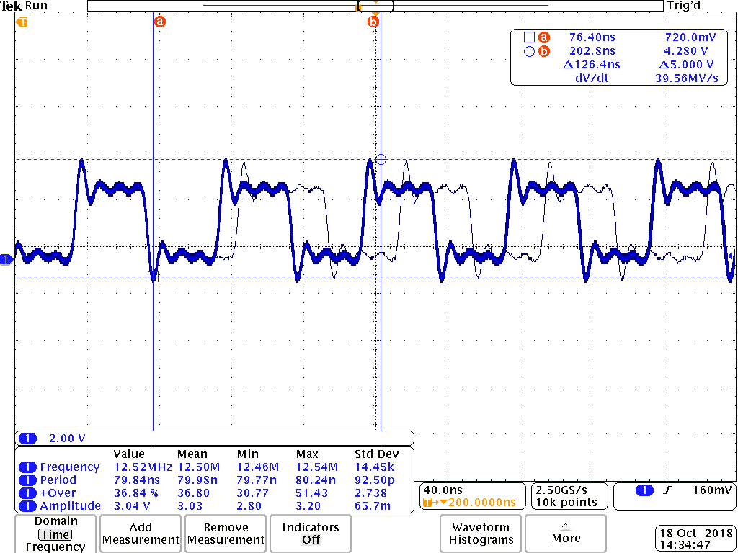
5.3 | no | yes | 33.33MHz | 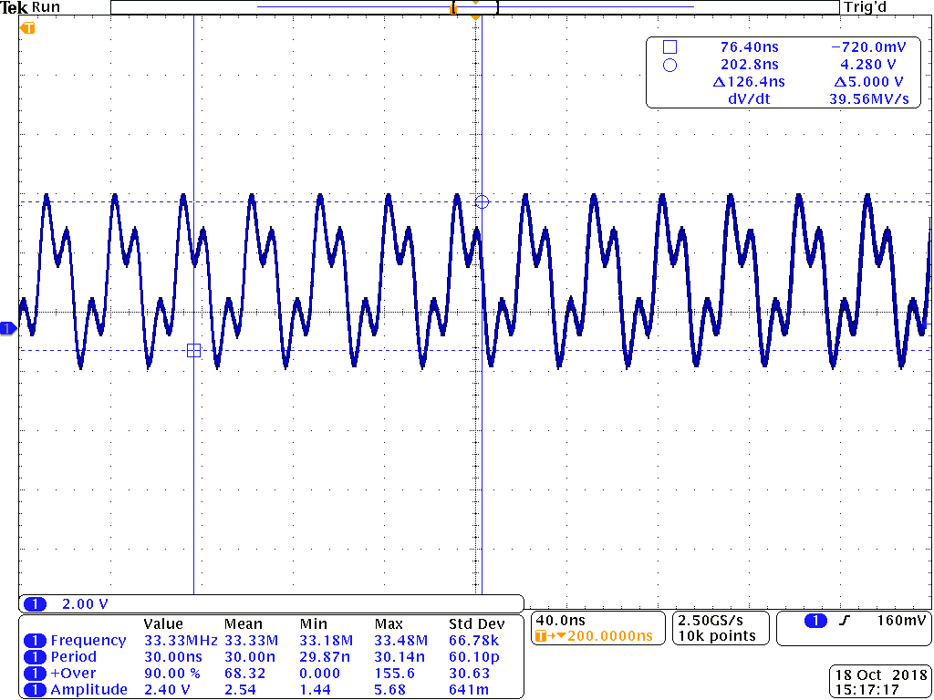 | 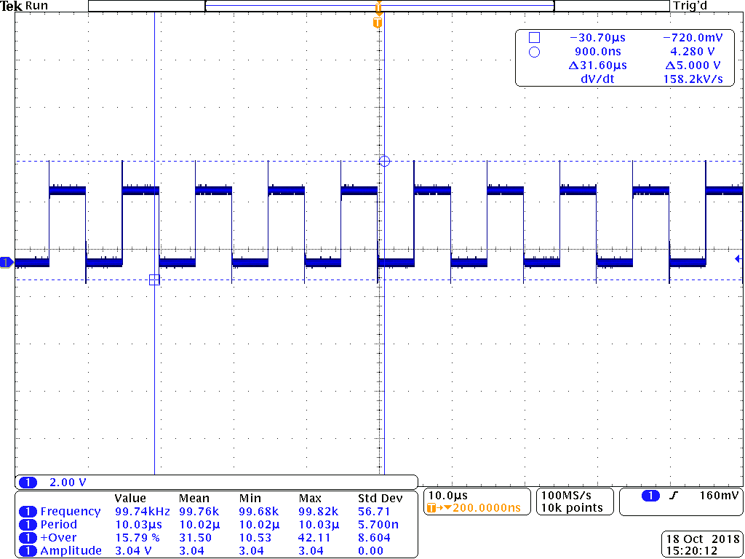
5.4 | no | yes | 326.8kHz | 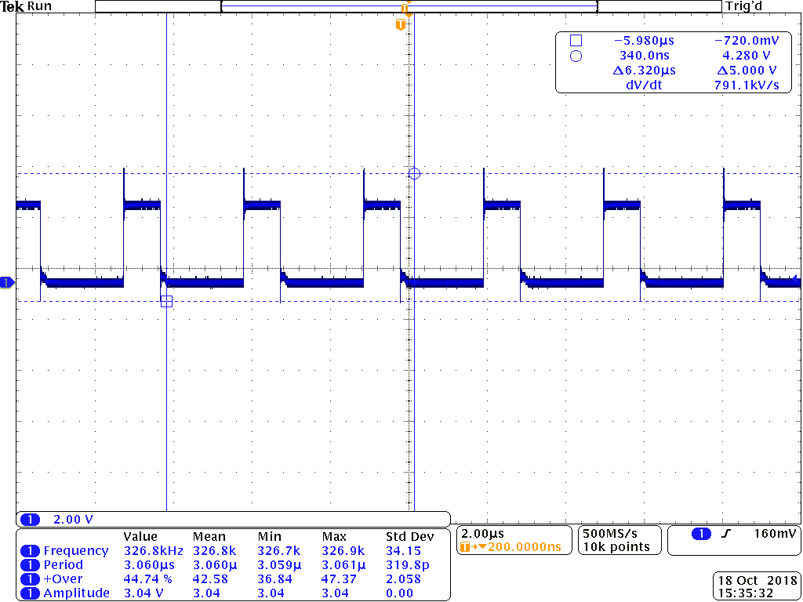
5.5 | no | yes | 1.681 MHz | 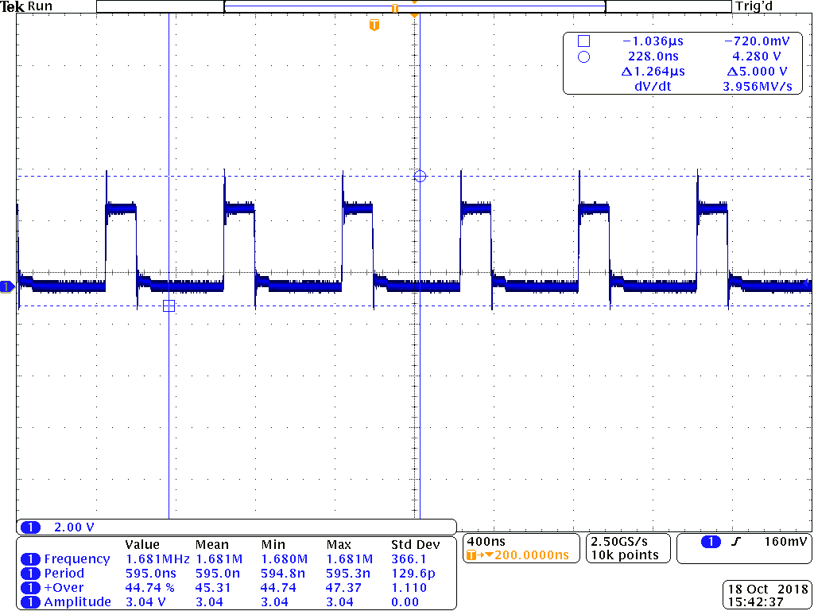
5.9 | yes | No | N/A | 