Appium
 | rahulonlinetutor@gmail.com

搭建MAVEN+TESTNG+OBJECT PAGE框架 | 1、创建Maven项目，导入appium，selenium和selenium standstone的包 2、创建三个类，一个类是Setup类里面就是DesiredCapabilities，另一个类是你要测的的page的所有元素并封装成方法，还有一个类是测试类，直接调用page里的方法，在main里面新建package把需要用的辅助类都放在里面，在test文件夹下放需要测试的类。 3、 加上@Test和AndroidFindBy的注解
如何查找APP的activity name和package name | .清除logcat内容，使用命令adb logcat -c .启动logcat，使用命令adb logcat ActivityManager:I *:s .启动要查看的程序，
设置 从本地启动的DesiredCapabilities，把这个作为一个类的方法 | DesiredCapabilities desiredCapabilities = new DesiredCapabilities(); desiredCapabilities.setCapability(MobileCapabilityType.PLATFORM_NAME, MobilePlatform.ANDROID); desiredCapabilities.setCapability(MobileCapabilityType.DEVICE_NAME, "Android Device");//设置虚拟机名称 desiredCapabilities.setCapability(MobileCapabilityType.NEW_COMMAND_TIMEOUT, "25"); desiredCapabilities.setCapability(AndroidMobileCapabilityType.APP_PACKAGE, ""); desiredCapabilities.setCapability(AndroidMobileCapabilityType.APP_ACTIVITY, ""); AndroidDriver<AndroidElement> driver = new AndroidDriver<AndroidElement>(new URL("http://localhost:4723/wd/hub"), desiredCapabilities);//连接服务器 return driver;
App安装在src文件夹里的，如果没安装可以直接安装 | public static AndroidDriver<AndroidElement> capabilities() throws MalformedURLException { //找到App如果虚拟机上没安装的话自动安装 File app = new File("E:\\SeleniumAndAppium\\AppiumNew\\Appium(Latest V)-Mobile Automation Testing from Scratch\\04 APPIUM first program\\attached_files\\019 Android App download for practise\\ApiDemos-debug.apk"); //新建一个DC对象 DesiredCapabilities desiredCapabilities = new DesiredCapabilities(); desiredCapabilities.setCapability(MobileCapabilityType.DEVICE_NAME,"Android Device");//设置虚拟机名称 desiredCapabilities.setCapability(MobileCapabilityType.APP,app.getAbsolutePath());//设置App路径 AndroidDriver<AndroidElement> driver = new AndroidDriver<AndroidElement>(new URL("http://127.0.0.1:4723/wd/hub"),desiredCapabilities );//连接服务器 return driver;
xpath语法 | //tagName[@attribute='value']
Xpath示例 | driver.findElementByXPath("//android.widget.TextView[@text='Preference']").click();
tagname大部分是class | tagName大部分来说都是UIAUTO里的class
查询element的语法汇总 | driver.findElementByXPath("//android.widget.TextView[@text='Preference']").click(); driver.findElementByXPath("//android.widget.TextView[@text='3. Preference dependencies']").click(); driver.findElementById("android:id/checkbox").click(); driver.findElementByXPath("(//android.widget.RelativeLayout)[2]").click(); driver.findElementByClassName("android.widget.EditText").sendKeys("hello"); driver.findElementsByClassName("android.widget.Button").get(1).click();
使用安卓UIautomator查找，不需要加tagname | driver.findElementByAndroidUIAutomator("text(\"Views\")").click();
使用安卓UIautomator的UiSelector查找去检查如clickable的情况 | driver.findElementsByAndroidUIAutomator("new UiSelector().clickable(true)")
滑动语句 | driver.findElementByAndroidUIAutomator("new UiScrollable(new UiSelector()).scrollIntoView(text(\"WebView\"));");
 | click，press，release
按住一个地方滑倒另一个地方 | t.press(driver.findElementByXPath("//*[@content-desc='15']")).waitAction(2000).moveTo(driver.findElementByXPath("//*[@content-desc='45']")).release().perform();
长按滑动 | t.longPress(driver.findElementsByClassName("android.view.View").get(0)).moveTo(driver.findElementsByClassName("android.view.View").get(1)).release().perform();
 | 只要用到TouchAction的都要加perfrom
 | driver.currentActivity()
 | driver.getContext()
 | driver.getOrientation()
 | driver.isLocked()
 | driver.hideKeyboard()
 | driver.pressKeyCode(AndroidKeyCode.BACK);
 | 获取package name和Activity:1,adb shell 2,dumpsys activity | grep mFocusedActivity
在Appium Desktop里设置登陆的参数 | { "platformName": "android", "appPackage": "com.yijiupi.retailtest", "appActivity": "com.yjp.entrance.view.StartActivity", "deviceName": "Android Device", "unicodeKeyboard": "True", "resetKeyboard": "True" }
向下滑动 | Dimension size = driver.manage().window().getSize(); int x = size.getWidth() / 2; int starty = (int) (size.getHeight() * 0.60); int endy = (int) (size.getHeight() * 0.10); touchAction.press(x, starty).waitAction(Duration.ofMillis(3000)).moveTo(x, endy).release().perform(); touchAction.press(x, starty).waitAction(Duration.ofMillis(1000)).moveTo(x, endy).release().perform();
在一个开关的控件里选择 | Point point= driver.findElementById("com.raaga.android:id/toggle_notifyrecommend").getLocation(); TouchAction t= new TouchAction(driver); //toggle on t.tap(point.x+20, point.y+30).perform(); //toggle off t.tap(point.x+100, point.y+30).perform();
设置登陆手机网页的需求 | DesiredCapabilities desiredCapabilities = new DesiredCapabilities(); desiredCapabilities.setCapability(MobileCapabilityType.DEVICE_NAME, "Android Device");//设置虚拟机 desiredCapabilities.setCapability(MobileCapabilityType.BROWSER_NAME,"Chrome"); // desiredCapabilities.setCapability(MobileCapabilityType.APP,app.getAbsolutePath());//设置App路径 AndroidDriver<AndroidElement> driver = new AndroidDriver<AndroidElement>(new URL("http://127.0.0.1:4723/wd/hub"), desiredCapabilities);//连接服务器 return driver; AndroidDriver<AndroidElement> driver = CapabilitiesBroswer.capabilities(); driver.get("https://www.baidu.com");

 | driver.get("http://cricbuzz.com"); driver.findElementByXPath("//a[@href='#menu']").click(); driver.findElementByCssSelector("a[title='Cricbuzz Home']").click(); System.out.println(driver.getCurrentUrl());
在网页里下滑 | JavascriptExecutor jse = (JavascriptExecutor) driver; jse.executeScript("window.scrollBy(0,480)", ""); Assert.assertTrue(driver.findElement(By.xpath("//h4[text()='Top Stories']")).getAttribute("class").contains("header"));
Switch frame/ HTML | 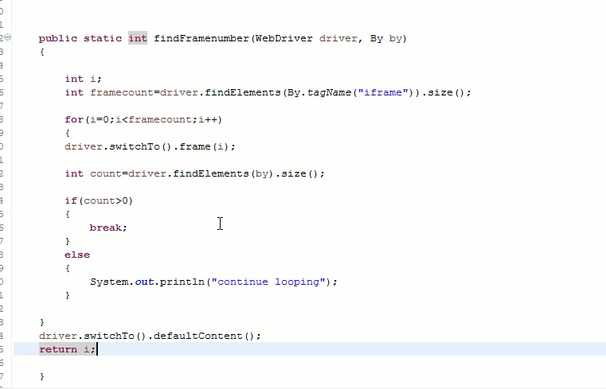

 | System.out.println(driver.getContext()); driver.findElement(By.id("com.example.testapp:id/urlField")).sendKeys("http://google.com"); driver.findElement(By.id("com.example.testapp:id/goButton")).click(); Set<String> s=driver.getContextHandles(); for(String handle : s) { System.out.println(handle); } driver.context("WEBVIEW_com.example.testapp"); //To enable WebView debugging, call the static method setWebContentsDebuggingEnabled on the WebView class. driver.findElement(By.name("q")).sendKeys("Handling hybrid app"); // driver.context("NATIVE_APP"); // //1 native 1 Web //driver.context(name)

TestNG XML | 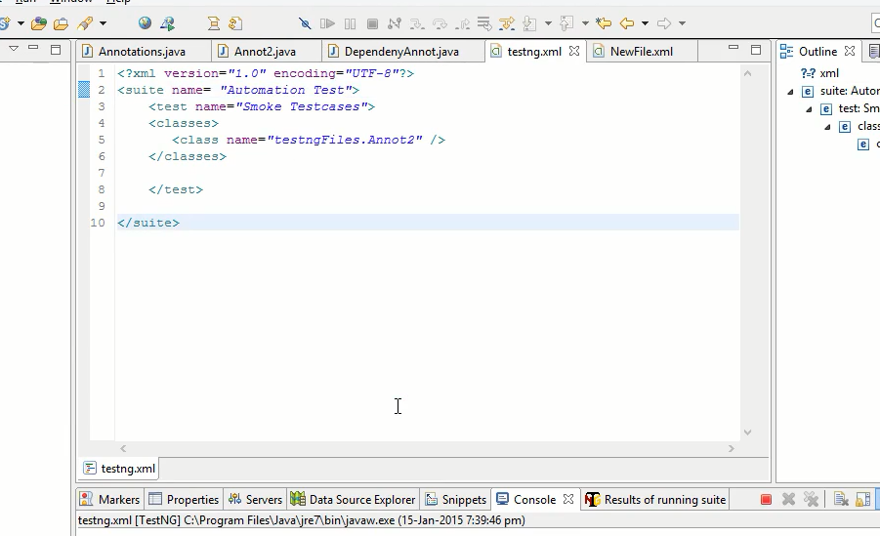
TestNG Annotation | @Before suit @Before test @Before method
a/t+shift+r | 重命名全局
 | WebElement CashButton = (new WebDriverWait(driver, 20)) .until(ExpectedConditions.presenceOfElementLocated(By.id("com.yijiupi.retail:id/xianjinLL"))); CashButton.click();
 | List<WebElement> infolists1 = driver.findElementsById(environment+":id/tv_product_name"); String text = orderlists.get(1).getText(); System.out.println(text);
 | 
jenkins | Continious Integration Tool -Jenkins 7am Jenkins-Triggering on time _reports Mail- Jenkins Command: java -jar jenkins.war -httpPort=8080 Scheduling: MINUTES Minutes in one hour (0-59) HOURS Hours in one day (0-23) DAYMONTH Day in a month (1-31) MONTH Month in a year (1-12) DAYWEEK Day of the week (0-7) where 0 and 7 are sunday If you want to shedule your build every 5 minutes, this will do the job : */5 * * * * If you want to shedule your build every day at 8h00, this will do the job : 0 8 * * *
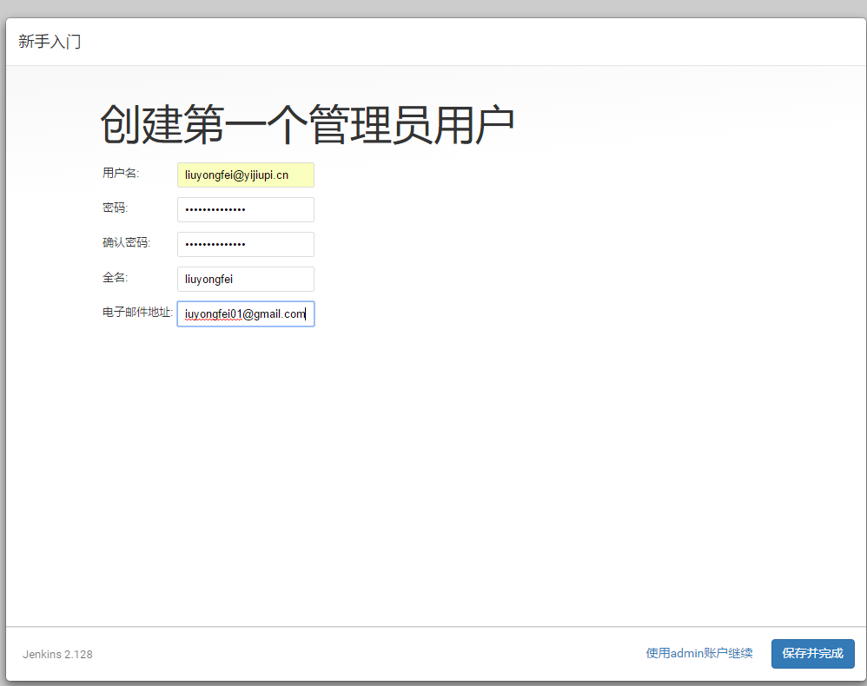
创建jenkins项目 | 在全局工具配置里配置好JAVA_HOME和M2_HOME
 | 新建一个FreesStyle的项目，
 | 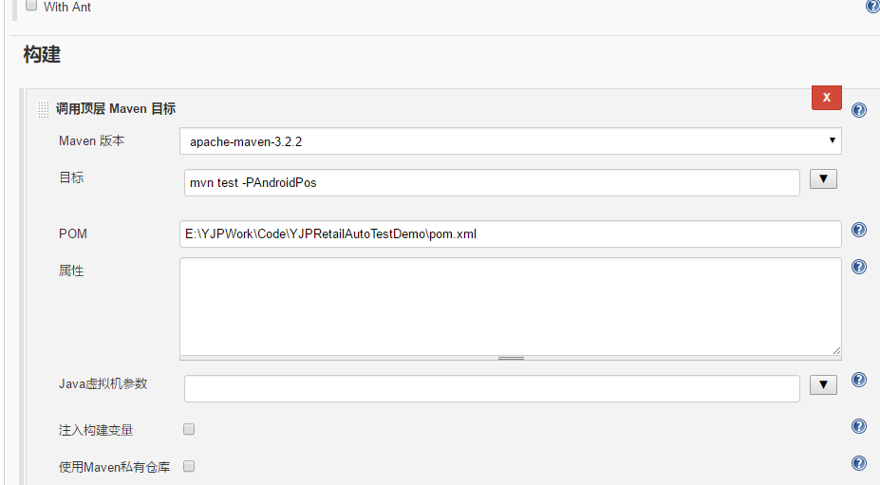 | 没有mvn
自己开启Appium的Server(注意中文分号) | “C:\Program Files\nodejs\node.exe” “C:\Users\liuyongfei\AppData\Local\Programs\Appium\resources\app\node_modules\appium\build\lib\main.js”
 | 把这句话放到一个exe文档里变成bat后缀
 | Runtime.getRuntime().exec("cmd /c start C:\\appiumstart.bat"); （记住是在TestNG里触发的）
在maven里触发testng文档,这里的id就是你要触发的testng文档的名字，如果要在添加一个就从profile开始复制就行了。 | <profiles> <profile> <id>1</id> <build> <plugins> <plugin> <groupId>org.apache.maven.plugins</groupId> <artifactId>maven-surefire-plugin</artifactId> <version>2.22.0</version> <configuration> <suiteXmlFiles> <suiteXmlFile>TestNG.xml</suiteXmlFile> </suiteXmlFiles> </configuration> </plugin> </plugins> </build> </profile> </profiles>
全部的maven | <?xml version="1.0" encoding="UTF-8"?> <project xmlns="http://maven.apache.org/POM/4.0.0" xmlns:xsi="http://www.w3.org/2001/XMLSchema-instance" xsi:schemaLocation="http://maven.apache.org/POM/4.0.0 http://maven.apache.org/xsd/maven-4.0.0.xsd"> <modelVersion>4.0.0</modelVersion> <groupId>YJPLAutomation</groupId> <artifactId>POSAutomation</artifactId> <version>1.0-SNAPSHOT</version> <build> <plugins> <plugin> <groupId>org.apache.maven.plugins</groupId> <artifactId>maven-compiler-plugin</artifactId> <configuration> <source>8</source> <target>8</target> </configuration> </plugin> </plugins> </build> <properties> <project.build.sourceEncoding>UTF-8</project.build.sourceEncoding> </properties> <profiles> <profile> <id>AndroidPos</id> <build> <plugins> <plugin> <groupId>org.apache.maven.plugins</groupId> <artifactId>maven-surefire-plugin</artifactId> <version>2.22.0</version> <configuration> <suiteXmlFiles> <suiteXmlFile>TestNG.xml</suiteXmlFile> </suiteXmlFiles> </configuration> </plugin> </plugins> </build> </profile> </profiles> <dependencies> <!-- https://mvnrepository.com/artifact/org.seleniumhq.selenium/selenium-server-standalone --> <!-- https://mvnrepository.com/artifact/org.seleniumhq.selenium/selenium-server-standalone --> <!--<dependency>--> <!--<groupId>org.seleniumhq.selenium</groupId>--> <!--<artifactId>selenium-server-standalone</artifactId>--> <!--<version>2.45.0</versio
maven package | <?xml version="1.0" encoding="utf-8" ?> <!DOCTYPE suite SYSTEM "http://testng.org/testng-1.0.dtd"> <suite name="Automation Test"> <test name="Regression test"> <packages> <package name="POSAutomationtest" /> </packages> </test> </suite>
 | E:\YJPWork\Code\YJPRetailAutoTestDemo>mvn test -PAndroidPos
连接POS机
 | 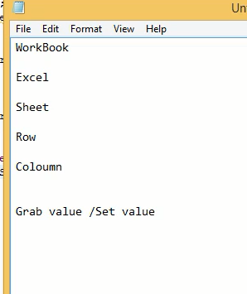
 | 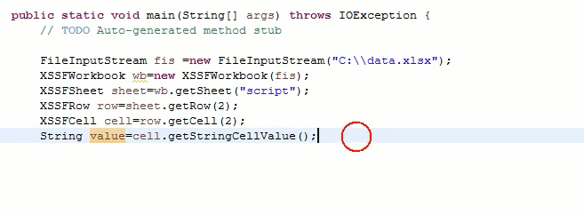
从Excel表里获取数据 | 首先添加 <dependency> <groupId>org.apache.poi</groupId> <artifactId>poi-ooxml</artifactId> <version>3.17</version> </dependency>
设置获取和设置Excel的方法 | public static String getValueFromExcel(int cell, int col) throws IOException { //使Excel表连接流 FileInputStream fileInputStream = new FileInputStream("E:\\AutomateTestExcelForm\\AppiumInfo.xlsx"); //实例化Excel表 XSSFWorkbook xssfWorkbook = new XSSFWorkbook(fileInputStream); XSSFSheet login = xssfWorkbook.getSheet("Login"); XSSFRow row = login.getRow(cell);//行 XSSFCell cells = row.getCell(col);//列 return cells.getRawValue(); } public static String setValueFormExcel(String address, int cell, int col, String value) throws IOException { //使Excel表连接流 FileInputStream fileInputStream = new FileInputStream("E:\\AutomateTestExcelForm\\AppiumInfo.xlsx"); //实例化Excel表 XSSFWorkbook xssfWorkbook = new XSSFWorkbook(fileInputStream); XSSFSheet login = xssfWorkbook.getSheet("Login"); XSSFRow row = login.getRow(cell);//行 XSSFCell cells = row.getCell(col);//列 cells.setCellValue(value); return cells.getStringCellValue(); }
截图 | public String refFormatNowDate() { Date nowTime = new Date(System.currentTimeMillis()); SimpleDateFormat sdFormatter = new SimpleDateFormat("yyyy-MM-dd HH-mm-ss"); String retStrFormatNowDate = sdFormatter.format(nowTime); return retStrFormatNowDate; } @BeforeMethod public void screenShot() throws IOException { String filePath = "E:\\YJPLPIC"; String fileName = refFormatNowDate()+".png"; File srcFile = driver.getScreenshotAs(OutputType.FILE); FileUtils.copyFile(srcFile, new File(filePath + "\\" + fileName)); }
 | 横row 竖coloum
Log4j日志等级 | OFF FATAL WARN INFO DEBUG TRACE ALL
testcase syntax

Jmeter学习
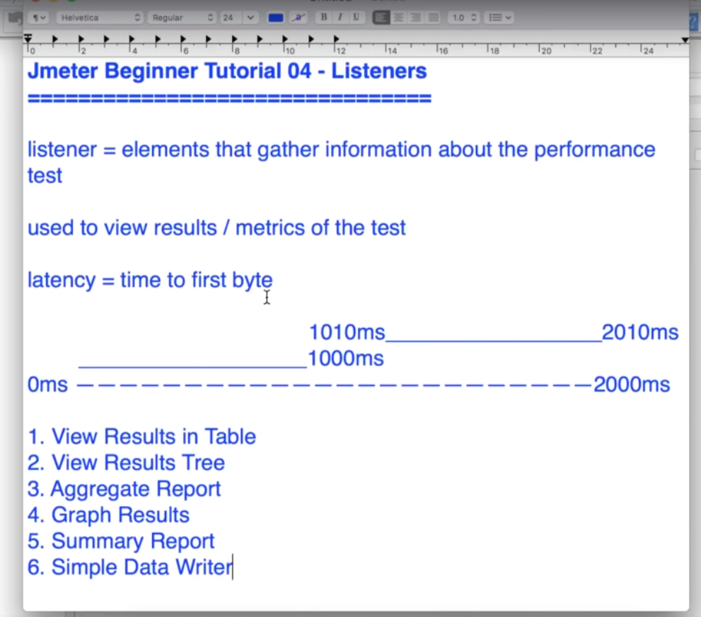
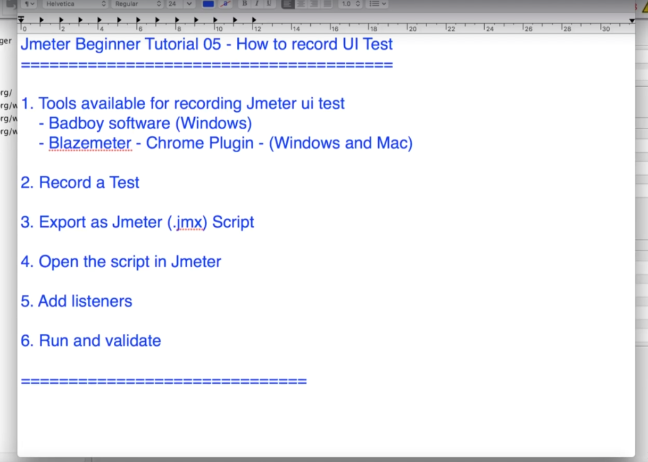
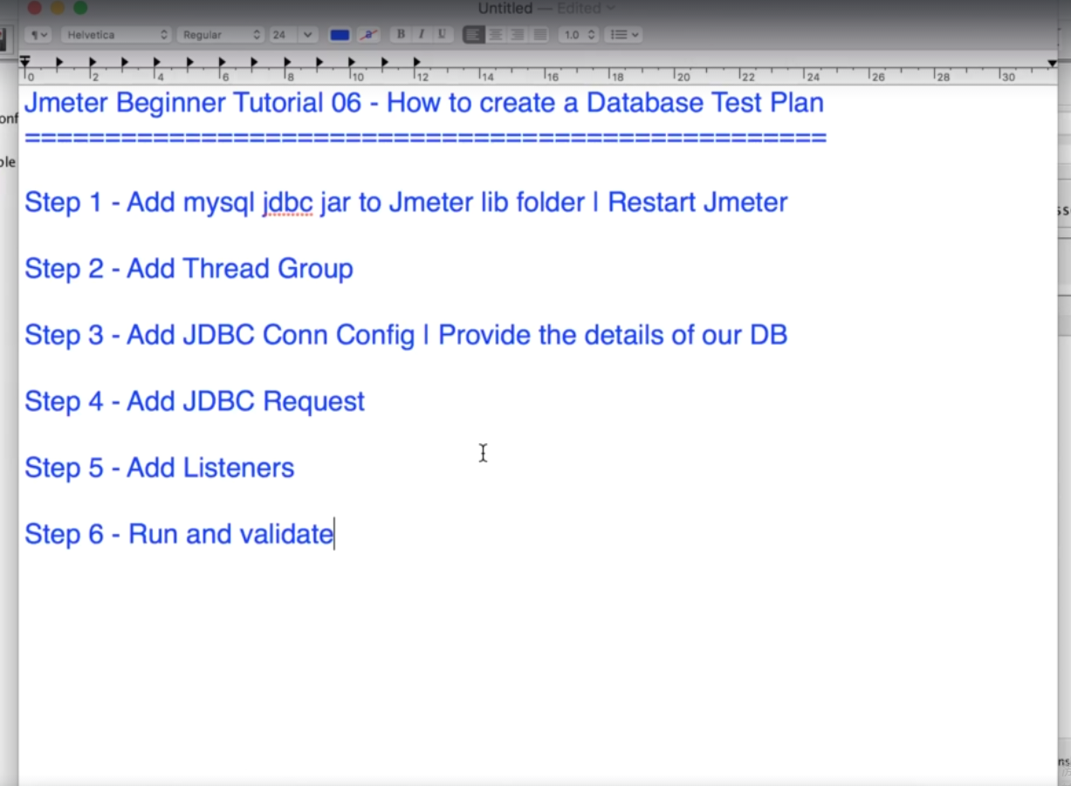
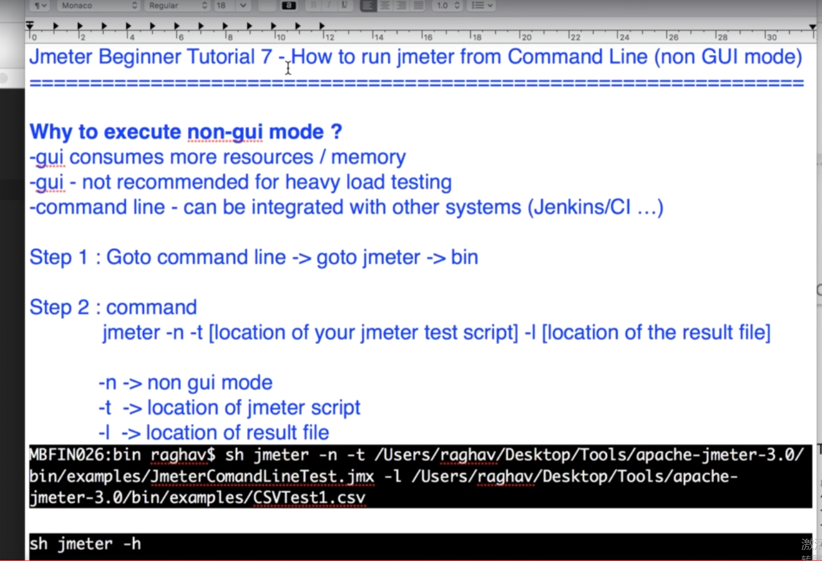
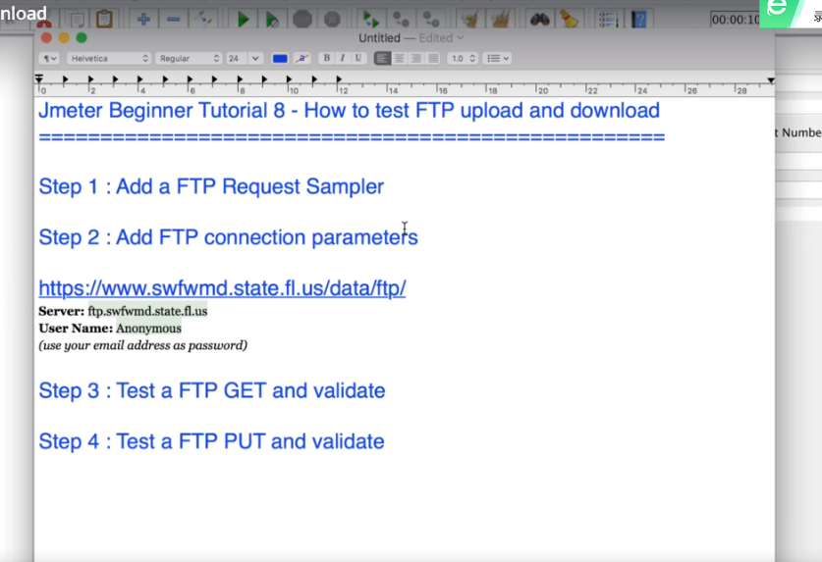
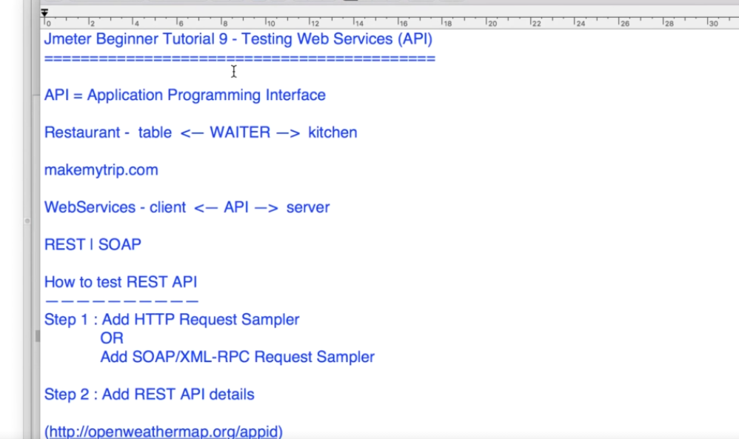
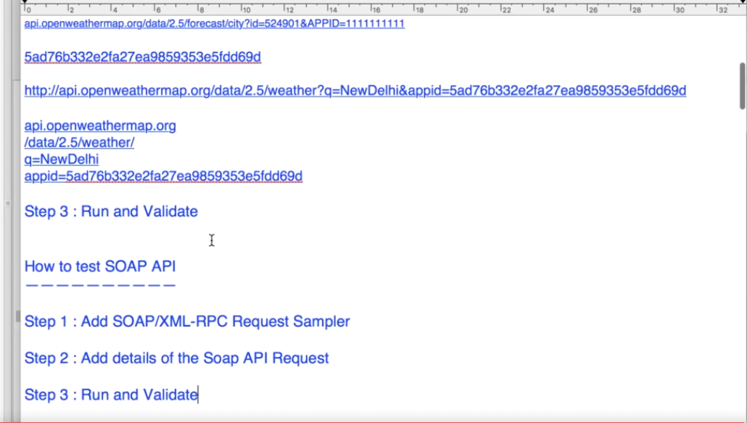
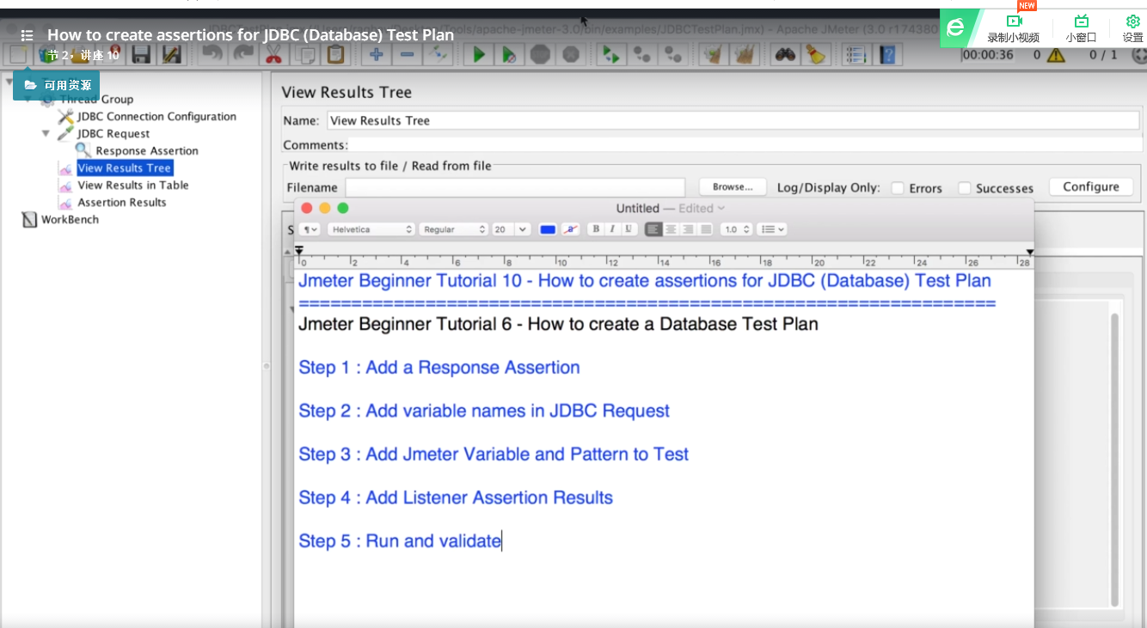
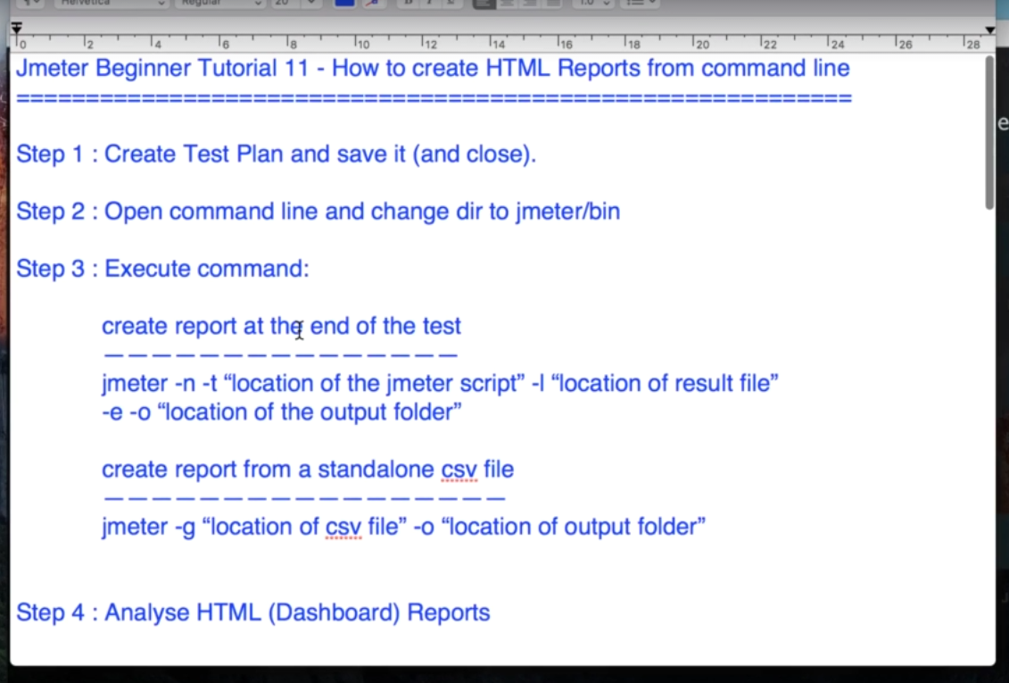
http://rap.yijiupidev.com:8182/workspace/myWorkspace.do?projectId=136#2091 | 登陆的接口不在执行的项目内
Latency | time of the first byte
 | 每两秒就有一个用户访问这个网站
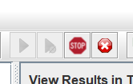 | Stop是马上全部停止，shutdown是当所有Thread结束后才关闭
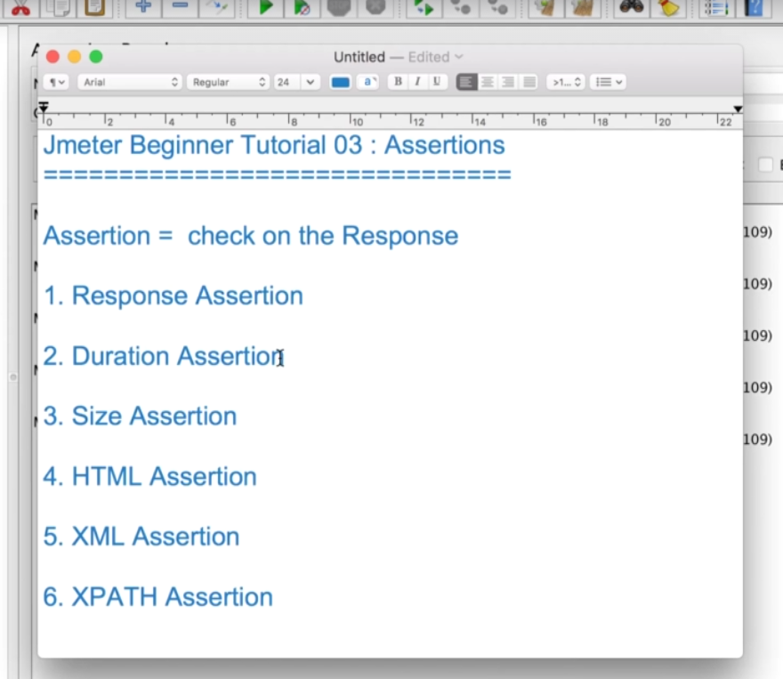

Tree listener和Graph是一个很耗内存的listener，如果做大容量的压力测试不要用这个

