Coordinates
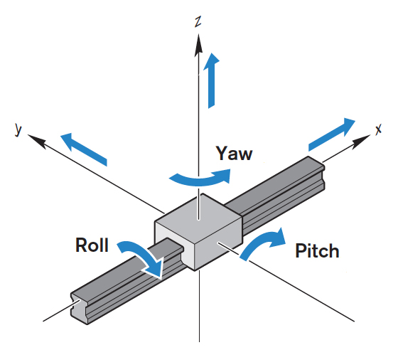
Setup |  |  |  | Implantation
 | AP | LM | DV |  | AP | Left | Right | DV | Angle
Bregma | 4.4 | 1.68 | 2.43 | fEPSP
Lambda | 31 | 1.98 | 6.09 | CA1 s. rad | 4.194 | 1.83 | 1.53 | 1.132
+2.5 lateral | 4.4 | 1.93 | 2.4 | CA1 s. LM | 4.08 | 1.96 | 1.4 | 5.478
-2.5 lateral | 4.4 | 1.43 | 0.07 | SC (stim) | 4.146 | 1.96 | 1.405 | 1.195
 |  |  |  | TA (stim) | 3.99 | 1.91 | 1.45 | 5.508
AP Distance | -26.6 |  | No!
Yaw | -0.3 |  | Yes :) | Virus / Pharma. Injections
Pitch | -3.66 |  | No! | Ventricle | 4.33 | 1.8 | 1.56 | 4.872
Roll | 2.33 |  | No! | CA1 cannula | 4.34 | 1.8 | 1.56 | 5.538 | 30P

Skull at Bregma |  |  | 5.072 | fEPSP depth
Pia |  |  | 5.688 |  | Pia | Exp. | Final | Dist. | Delta
 |  |  |  | Rec | 1.282 | 1.132 | 1.117 | 0.165 | 0.015
 |  |  |  | Stim | 1.415 | 1.195 | 1.146 | 0.269 | 0.049

