Lancet
Food Group FAO
Cereals and their products | Rice, wheat, corn, other | 811
Roots, tubers, plantains and their products | Potatoes and cassava | 39
Pulses, seeds and nuts and their products | Legumes and Nuts | 575
Milk and milk products | Whole milk and equivalents | 153
Eggs and their products | Eggs | 19
Fish, shellfish and their products | Fish | 40
Meat and meat products | Meat | 92
Vegetables and their products | Vegetables | 78
Fruits and their products | Fruits | 126
Fats and oils | Fats and Oils | 450
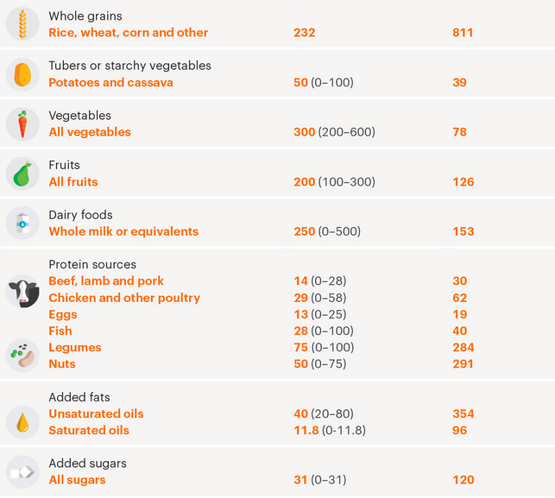
Sweets and sugars | All sugars | 120
Spices and condiments
Beverages
Miscellaneous
Foods for particular nutritional uses
Food additives
Composite dishes
Savoury snacks
Insects, grubs and their products

Lancet Diet |  | Target | Categorization
Rice, wheat, corn, other |  | 811 | Rice, wheat, corn, other | 811 | 32%
Potatoes and cassava |  | 39 | Potatoes and cassava | 39 | 2%
Vegetables |  | 78 | Vegetables | 78 | 3%
Fruits |  | 126 | Fruits | 126 | 5%
Whole milk and equivalents |  | 153 | Whole milk and equivalents | 153 | 6%
Beef, lamb, pork |  | 30 | Meat | 92 | 4%
Chicken and other poultry |  | 62 | Meat |  | 0%
Eggs |  | 19 | Eggs | 19 | 1%
Fish |  | 40 | Fish | 40 | 2%
Legumes |  | 284 | Legumes and Nuts | 575 | 23%
Nuts |  | 291 | Legumes and Nuts |  | 0%
Unsaturated oils |  | 354 | Fats and Oils | 450 | 18%
Saturated oils |  | 96 | Fats and Oils |  | 0%
All sugars |  | 120 | All sugars | 120 | 5%

 |  |  |  | 2503

