Figure_1
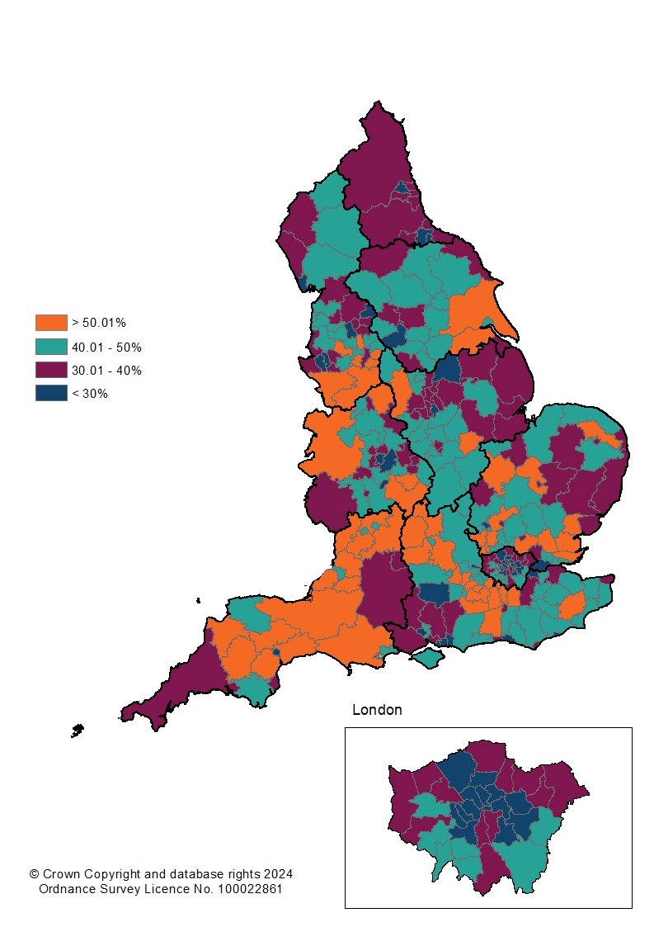
Map of "household waste" recycling rates for individual local authorities, England 2022/23

Figure_2
Map of change in "household waste" recycling rates for individual local authorities, England, 2022/23 compared to 2021/22
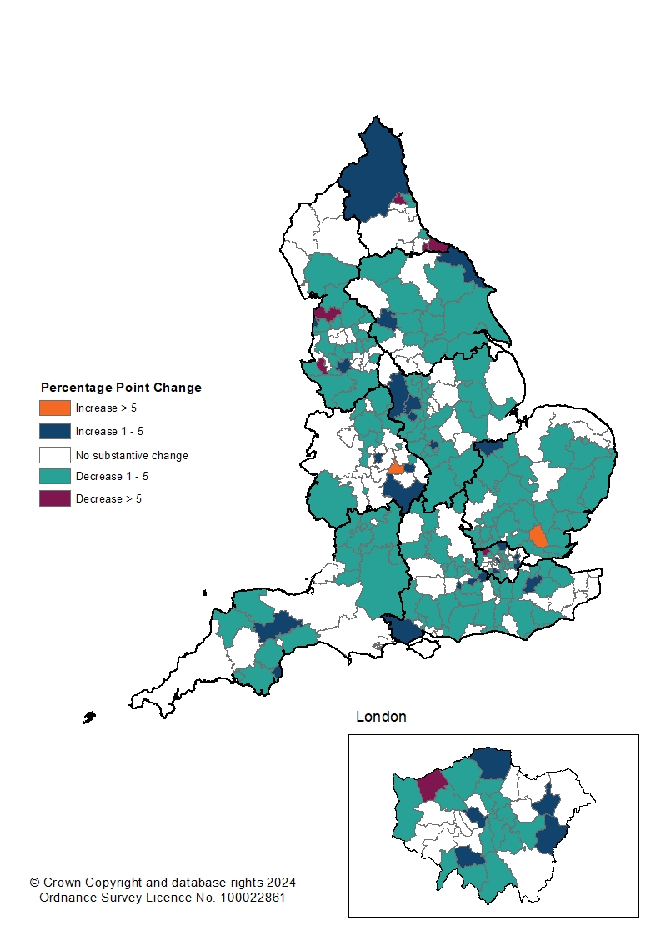

Notes
White areas in this map indicate a local authority where the increase or decrease in the
recycling rate was less than 1 percentage point.

