Diets
Diet | Wtloss
A | 3.709 |  |  |  |  |  | Class | Relative
A | 7.087 | Diet A | n | 50 | UCB | Frequency | Mark | Frequency
A | 6.754 |  | Mean | 5.341 | 0 | 1 | -1
A | 8.994 |  | SD | 2.536 | 2 | 3 | 1 | 0.06
A | 9.077 |  |  |  | 4 | 10 | 3 | 0.20
A | 6.413 |  | Min | -1.715 | 6 | 15 | 5 | 0.30
A | 5.877 |  | Max | 10.062 | 8 | 15 | 7 | 0.30
A | 2.572 |  | Range | 11.777 | 10 | 5 | 9 | 0.10
A | 7.520 |  |  |  | 12 | 1 | 11 | 0.02
A | 6.881 |  |  |  | Total | 50 | Total | 0.98
A | 7.265
Diet A
-1
1 | 0.06
3 | 0.20
5 | 0.30
7 | 0.30
9 | 0.10
11 | 0.02
A | 3.477
A | 3.755
A | 8.760
A | 7.032
A | 9.052
A | 10.062
A | 4.840
A | 6.449
A | 9.019
A | -1.715
A | 4.718
A | 4.007
A | 7.241
A | 2.128
A | 6.968
A | 4.853
A | 0.055
A | 2.680
A | 3.746
A | 7.033
A | 5.033
A | 5.569
A | 6.712
A | 3.663
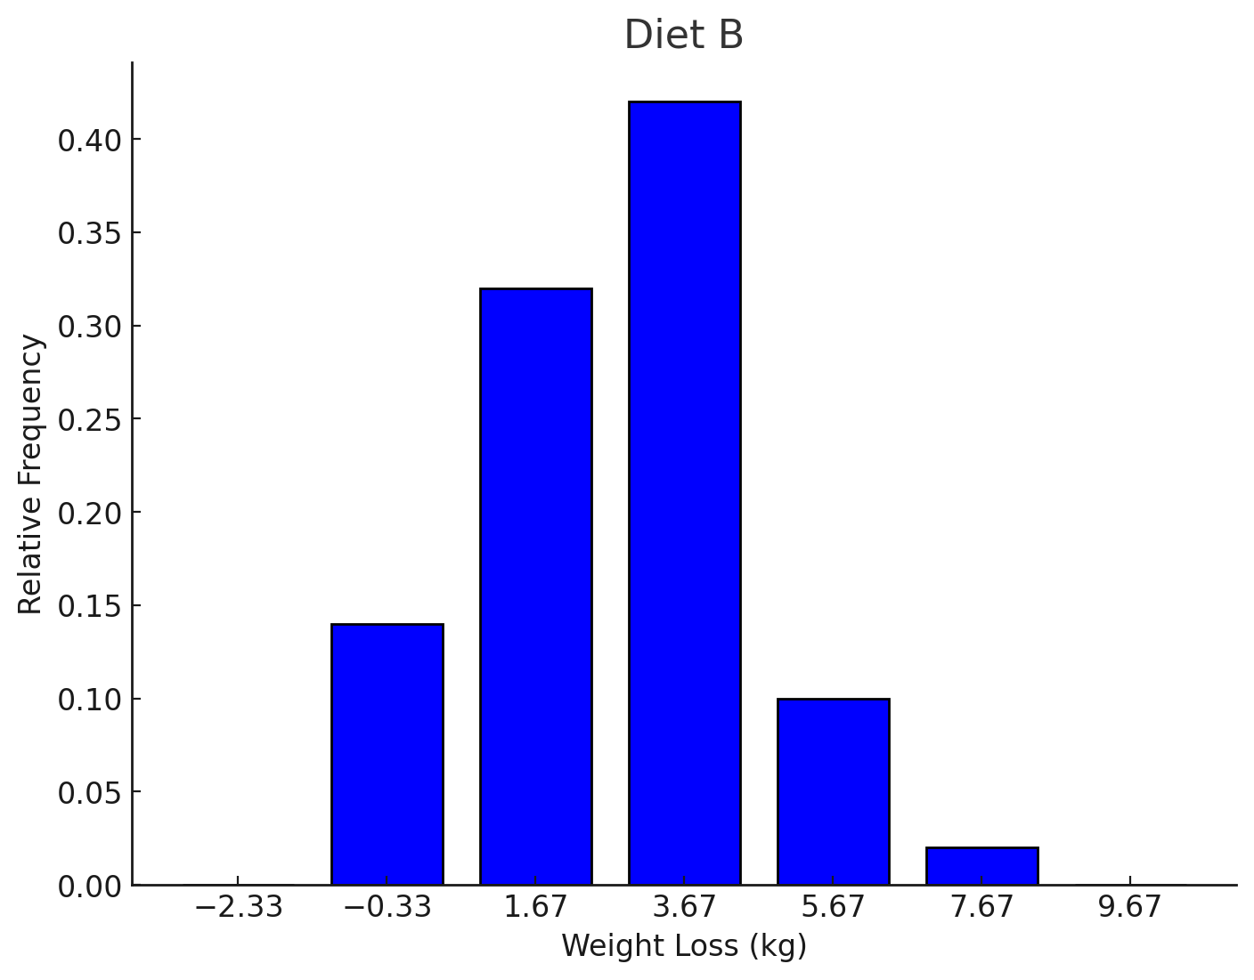
A | 2.741
A | 6.256
A | 5.349 |  |  |  |  |  | Class | Relative
A | 7.300 | Diet B | n | 50.00 | UCB | Frequency | Mark | Frequency
A | 5.445 |  | Mean | 3.71 | -2 | 0 | -2.33 | 0.00
A | 4.970 |  | SD | 2.77 | 1 | 7 | -0.33 | 0.14
A | 3.613 |  |  |  | 4 | 16 | 1.67 | 0.32
A | 7.568 |  | Min | -4.148 | 7 | 21 | 3.67 | 0.42
A | 5.861 |  | Max | 10.539 | 10 | 5 | 5.67 | 0.10
A | 4.157 |  | Range | 14.687 | 13 | 1 | 7.67 | 0.02
A | 0.203 |  |  |  | 16 | 0 | 9.67
A | 4.441 |  |  |  | Total | 50 | Total | 1
A | 5.875
A | 5.715
A | 0.280
B | -1.087
B | 1.819
B | 0.074
B | 1.755
B | 1.889
B | 3.089
B | 4.008
B | 4.551
B | 1.372
B | 3.413
B | -4.148
B | 2.823
B | 2.865
B | 4.369
B | 6.337
B | 6.308
B | 3.494
B | 10.539
B | 3.840
B | 5.123
B | 5.485
B | -1.894
B | 8.016
B | 2.310
B | 3.882
B | 7.030
B | 7.727
B | 0.105
B | 3.650
B | 4.547
B | 4.985
B | 5.159
B | 4.760
B | 4.934
B | 3.106
B | 5.598
B | 2.162
B | 6.520
B | 7.046
B | 1.757
B | 1.848
B | 1.096
B | 2.145
B | 8.435
B | 6.099
B | 3.972
B | 2.409
B | 0.569
B | 7.013
B | 2.594

