1. Title Page
Instacart Grocery Basket Analysis

Project Name: Instacart Grocery Basket Analysis
Date: December 2022
Analyst Name: Lisa Matzner

Contents:
Population Flow
Consistency checks
Wrangling steps
Column derivations
Visualizations
Recommendations

Data Citation:

“The Instacart Online Grocery Shopping Dataset 2017”, Accessed from https://www.instacart.com/datasets/grocery-shopping-2017 on 2022-12-02.

Data on product prices and customers are fabricated and are not liable to any PII (personal identifiable information) laws.

2. Population Flow
< Title page

Population flow

Exclusion flag
Condition: max_order < 5
Obervations to be removed: 1.440.295
Final total count of order_products_all:

Orders_products_profiled
Orders_products_combined
Orders_products_merged
Orders_products_all
after applying exclusion condition &
adding profiling flags
Total: 32.404.859
Total: 32.434.489
Total: 32.404.859
Total: 30.964.564

3. Consistency checks
 |  |  |  | < Title page
Consistency checks

Dataset | Missing values | Missing values treatment | Duplicates
orders | 206209 in column 'days_since_prior_order' | New variable was created to flag the order as first-time order or order from return customer. The new variable is named 'first_order' (boolean). | no duplicates
products | 16 in column 'product_name' | Missing values were subsetted and removed from the dataset. | 5 duplicants were found, subsetted and afterwards removed.
orders_products_prior | no missing values | no missing values | no duplicates
customers | 11259 in column 'first_name' | Missing values were left as is and column type was converted to string. | no duplicates

4. Wrangling steps
 |  |  |  | < Title page
Wrangling steps

Columns dropped | Columns renamed | Columns' type changed | Comment/Reason
'eval_set' in df_ords |  |  | Column contains only one value ('prior') which indicates that this was the prior data set released by Instacart. This makes the column irrelevant for our analysis.
 | 'order_dow' to 'orders_day_of_week' in df_ords |  | Column name before was obscure and unintuitive.
 | 'orders_day_of_week' to 'order_day_of_week' in df_ords |  | To clarify that the values specify the day of the week and not the amount of orders per weekday.
 |  | 'order_id' in df_ords changed from integer to string | The change optimizes calculations as strings are not automatically part of any calculations and the order_id is a unique identifier that should never be changed. The change also acts as protection.
 |  | 'user_id' in df_ords changed from integer to string | Same reason as order_id.
 | 'First Name' to 'first_name' in df customers |  | For consistency.
 | 'Surnam' to 'last_name' in df customers |  | Column name before was obscure and unintuitive.
 | 'Gender' to 'gender' in df customers |  | For consistency.
 | 'STATE' to 'state' in df customers |  | For consistency.
 | 'Age' to 'age' in df customers |  | For consistency.
 | 'n_dependants' to 'no_of_dependants' in df customers |  | Column name before was obscure and unintuitive.
 | 'fam_status' to 'marital_status' in df customers |  | Column name before was obscure and unintuitive.
 |  | 'first_name' in df customer changed from mixed-type to string | NaN values influenced the results for the overall type of the column (mixed type). But as we still can identify customers safely over their unique user_id, the missing values are left as they are and the column type is converted to string.

5. Column derivations
 |  |  |  | < Title page
Column Frequencies
Column derivations and aggregations

Dataset | New column | Column/s it was derived from | Conditions
ords_prods_merged | price_range_loc | prices | If value is greater than 15, the label changes to "High-range product". If the value is less or equal to 15 and greater than 5, the label changes to "Mid-range product". If the value is less or equal than 5, the label changes to "Low-range product"
ords_prods_merged | busiest_day | order_day_of_week | If the value is 0, the label changes to "Busiest day". If the value is 4, the label changes to "Least busy". Every other value changes the label to "Regularly busy".
ords_prods_merged | first_order | days_since_prior_order | If the value is NaN, the label changes to "True", else it is False.
ords_prods_merged | busiest_days | order_day_of_week | If the value is 0 or 1, the label changes to "Busy day". If the value is 4 or 3, the label changes to "Less busy". Every other value changes the label to "Regularly busy".
ords_prods_merged | busiest_period_of_day | order_hour_of_day | If value is greater or equal to 10, the label changes to "Most orders". If value is less or equal to 5, the label changes to "Fewest orders". Every other value changes the label to "Average orders".
ords_prods_merged | loyalty_flag | max_order (column created to calculate the number of orders per customer based on columns 'user_id' and 'order_number') | If value is greater than 40, the label changes to "Loyal customer". If value is less or equal to 40 and greater than 10, the label changes to "Regular customer". If value is less or equal to 10, label changes to "New customer".
ords_prods_merged | spending_flag | avg_price (column created to calculate average spending per customer based on columns 'user_id' and 'prices'.) | If value is less than 10, the label changes to "Low spender". If value is greater or equal to 10, the label changes to "High spender".
ords_prods_merged | frequency_flag | order_freq (column created to calculate the median order frequency per customer based on columns 'user_id' and 'days_since_prior_order') | If value is greater than 20, label changes to "non-frequent customer". If value is greater than 10 and less or equal to 20, label changes to "Regular customer". If value is less or equal to 10, label changes to "Frequent customer".
orders_products_all | low_activity_flag | max_order (column created to calculate the number of orders per customer based on columns 'user_id' and 'order_number') | If value greater or equal to 5, label changes to 'Normal activity'. If value less than 5, label changes to 'Low activity'
orders_products_final | region | state | If value is in list ('Maine','New Hampshire','Vermont','Massachusetts','Rhode Island','Connecticut','New York','Pennsylvania','New Jersey'), label changes to 'Northeast'. If value is in list ('Wisconsin','Michigan','Illinois','Indiana','Ohio','North Dakota','South Dakota','Nebraska','Kansas','Minnesota','Iowa','Missouri'), label changes to 'Midwest'. If value is in list ('Delaware','Maryland','District of Columbia','Virginia','West Virginia','North Carolina','South Carolina','Georgia','Florida','Kentucky','Tennessee','Mississippi','Alabama','Oklahoma','Texas','Arkansas','Louisiana'), label changes to 'South'. If value is in list ('Idaho','Montana','Wyoming','Nevada','Utah','Colorado','Arizona','New Mexico','Alaska','Washington','Oregon','California','Hawaii'), label changes to 'West'.
orders_products_final | age_group_flag | age | If value is greater or equal to 18 & less or equal to 30, label changes to 'Young adult'. If value is greater or equal to 31 & less or equal to 45, label changes to 'Middle-Aged adult'. If value is greater or equal to 46 & less or equal to 60, label changes to 'Old-Aged adult'. If value is greater than 60, label changed to 'Senior'.
orders_products_final | income_flag | income | If value is less than 30000, label changes to 'Low income'. If value is greater or equal to 30000 & less than 55000, label changes to 'Low middle income'. If value is greater or equal to 55000 & less than 100000, label changes to 'Middle income'. If value is greater or equal to 100000 & less than 375000, label changes to 'Upper middle income'. If value is greater than 375000, label changes to 'High income'.
orders_products_final | household_size_flag | no_of_dependants | If value is less or equal to 0, label changes to 'Small household'. If value is greater or equal to 1 & less or equal to 2, label changes to 'Middle household'. If value is greater or equal to 3, label changes to 'Large household'.
orders_products_final | child_age_flag | department_id no_of_dependants user_id | If user ever ordered from department_id 18 and no_of_dependants is greater than 0, label changes to 'Young children'. If user never ordered from department_id 18 & no_of_dependants is greater than 0, label changes to 'Older Children'. If no_of_dependants is 0, label changes to 'No children'.
orders_products_final | pets_flag | department_id user_id | If user ever ordered from department_id 8, label changes to 'Has Pets'. If user never ordered from department_id 8, label changed to 'No Pets'.

6. Visualizations
 |  |  | < Title page

Visualisations

What are the busiest days of the week and hours of the day are (i.e., the days and times with the most orders)?
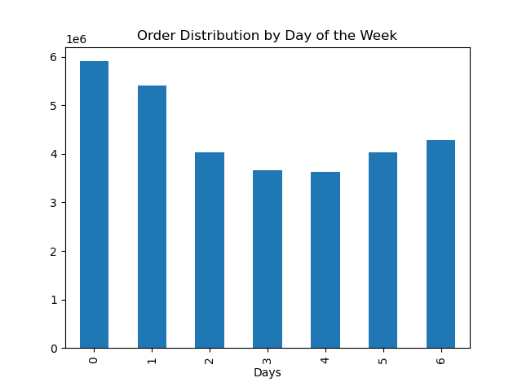
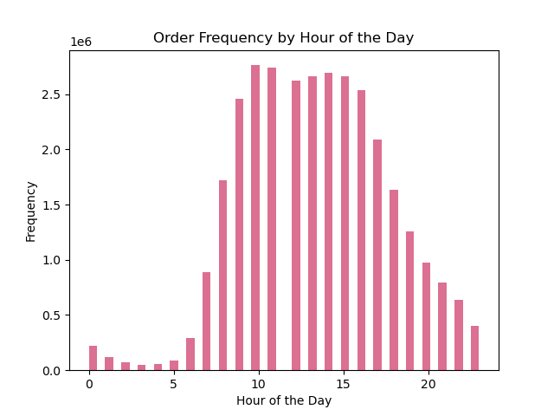

0 = Saturday
1 = Sunday
2 = Monday
3 = Tuesday
4 = Wednesday
5 = Thursday
6 = Friday

Most orders are placed over the weekend with Saturday being the busiest day.
The middle of the work week (Tuesday & Wednesday) is the least busy.
The order frequency increses rapidly from 6 am until it reaches it's peak at 10 am. The frequency stays stable until 15 pm and rapidly declines afterwards until it reaches it's lowest point at 3 am.
Visualization is the result of a small sample analysis.

Are there particular times of the day when people spend the most money?
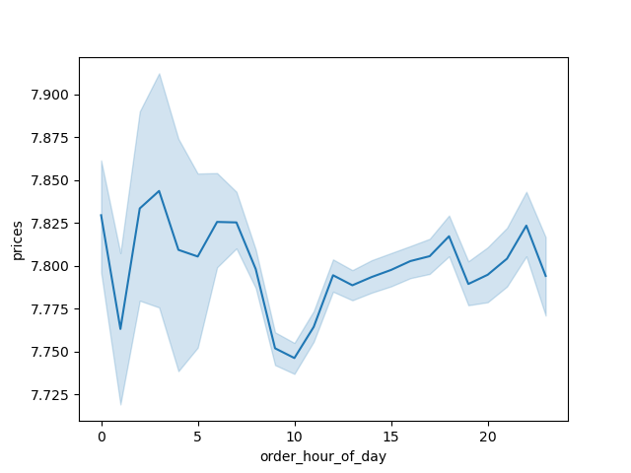

Customers seem to spend more on orders during the early morning hours (1am to around 6am). The lowest price per orders seem to occur around 10am after which they start to rise before slighty dipping and rising again until around 11pm from which the prices per order fall until 1am.
Visualization is the result of a small sample analysis.

What’s the distribution among users in regards to their brand loyalty (i.e., how often do they return to Instacart)?

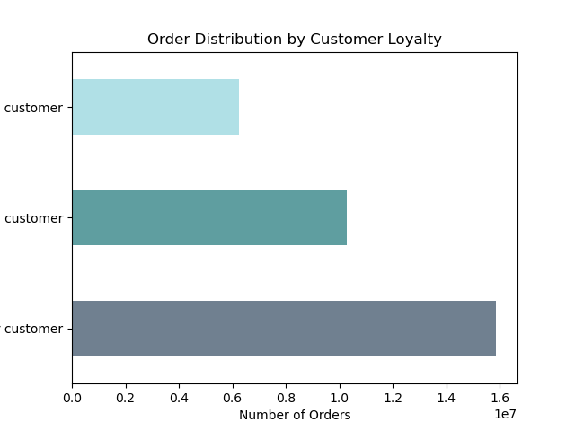
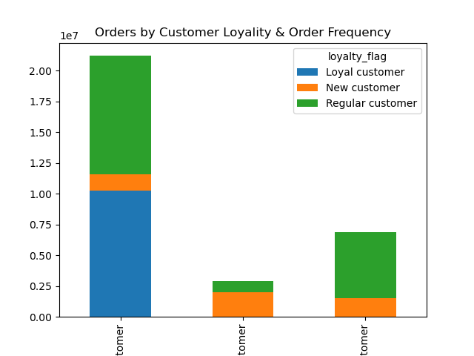

Loyalty Types
More than 40 orders = Loyal Customer
10 to 40 orders = Regular customer
Under 10 orders = New customer
Frequency Status
Order Frequency over 20 days =
Non-frequent customer
Order Frequency over 10-20 days =
Regular customer
Order Frequency 0-10 days =
Frequent customer
New customer
Loyal customer
Regular customer

Frequent Customers
Non-Frequent Customers
Regular Customers

Regular customers place the most orders with Loyal customers coming after that. New customer still place a large number of orders.
Cli

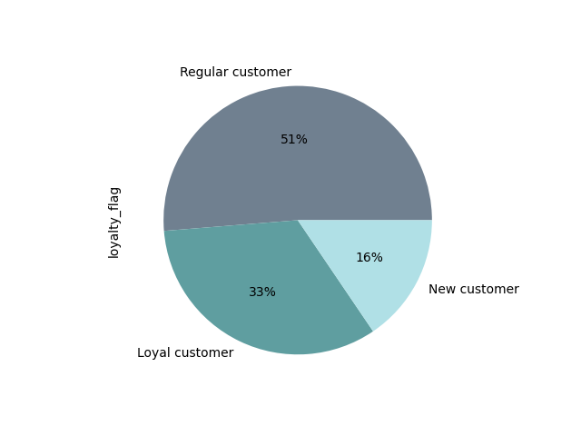

Are there certain types of products that are more popular than others? Which departments have the highest frequency of product orders?

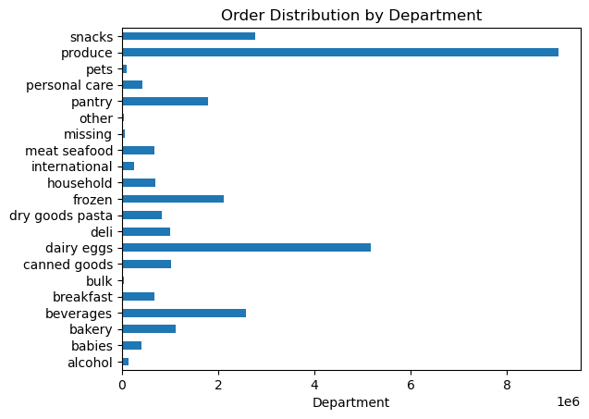

Most orders are in the produce and dairy and eggs departments with snacks and beverages close behind.

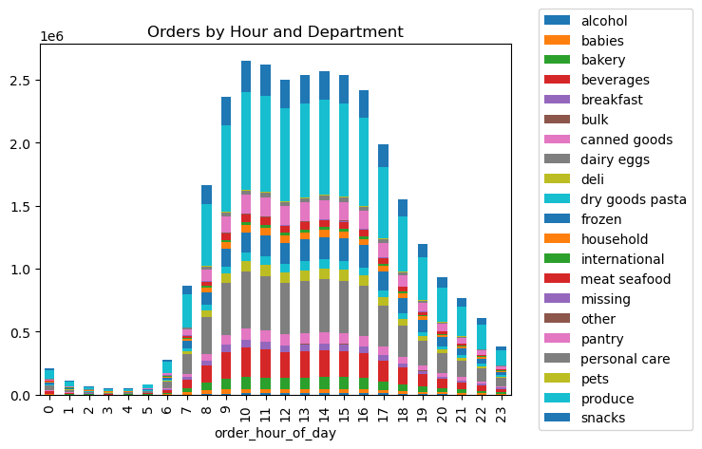

Are there differences in ordering habits based on a customer’s loyalty status?

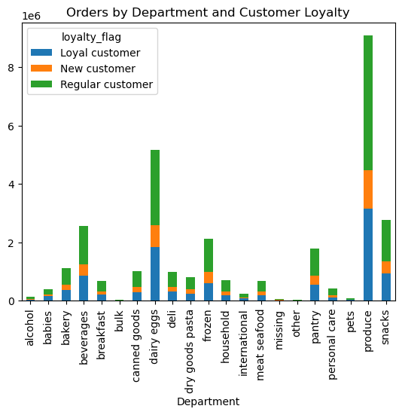
The ordering habits seem to be proportionally the same across all customer loyalty types with Regular Customers placing the most orders, especially in the produce department.

Is there a connection between age and number of dependants?

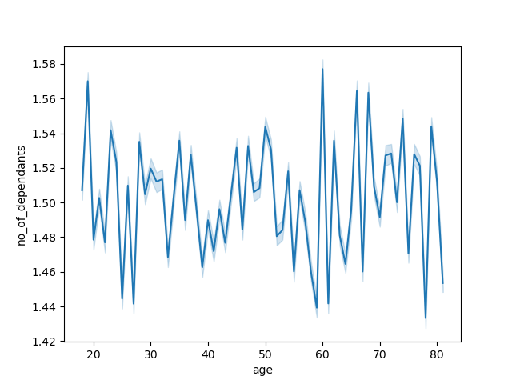

There is no clear trend between age and number of dependants noticeable.
Visualization is the result of a small sample analysis.

Are there differences in ordering habits based on a customer’s region?

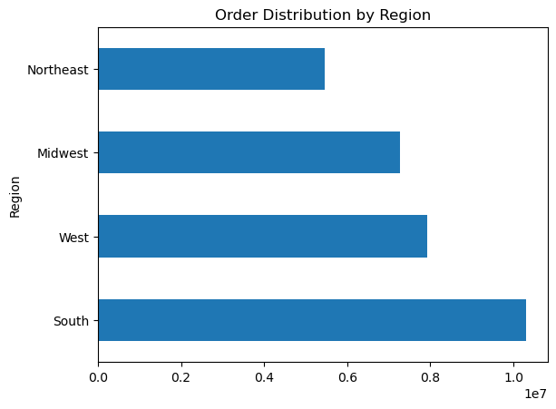
Most orders are placed in the South of the US.
Products from the top 4 departments (produce, dairy eggs, snacks, beverages) are most ordered in the south.
The alcohol, international and pets departments sold the least products.
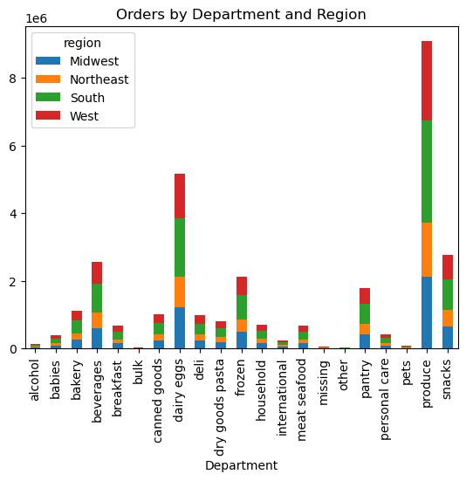

Is there a connection between age and family status in terms of ordering habits?
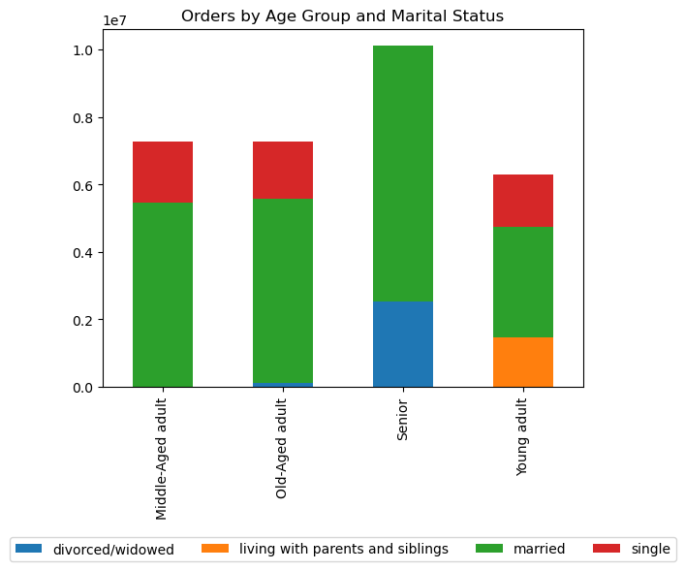

Most orders are placed by married customers.
Customers living with theirs parents make up one fourth of young adults.
Single senior customers are almost non-existing.
Two thirds of senior customers are married and one third is divorced or widowed.
Singles place a similar amount of orders in all age groups except senior customers.
Most orders are placed in middle-sized households. Small and large household place about half of the amount of orders each.
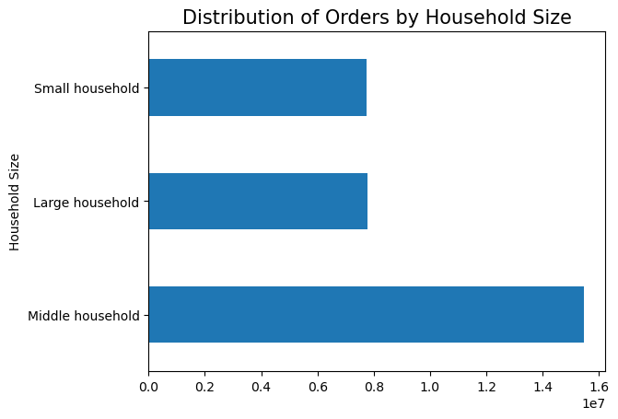

Is there a connection between age and spending power (income)?



- All throughout the ages, the distribution of customers with an income under 200k is somewhat even. A slight dip down is visible from the age of 40 on.
- There are only a few customers under 40 that have an income between 200k to 300k, as opposed to customers over 40, where there is a large concentration of customers.
- There are no customers under 40 that have an income larger than 400k.
- The number of customers under 40 with an income of 300kto 400k seems to be slighty higher than the number of customers under 40 with 200k to 300k income.
- The income of customers over the age of 40 reaches up to 600k.
- In conclusion:
- Majority of customers have an income under 200k. There is a large segment of customers
over 40 that have an income between 200k to 300k.

What different classifications does the demographic information suggest?

Age Groups
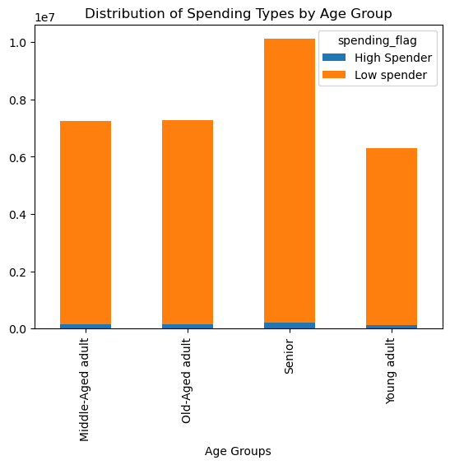
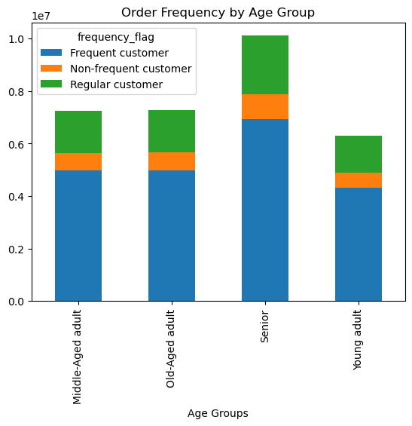
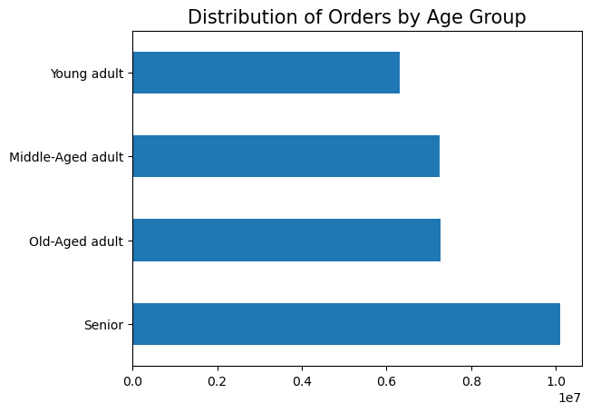

Senior customers are placing the most orders.
The majority of customers over all age groups are low spenders with only a small part of high spenders.
The frequency of ordering shows a very similar pattern over all age groups.
Most to least orders: Frequent customers, regular customers, non-frequent customers.

 | 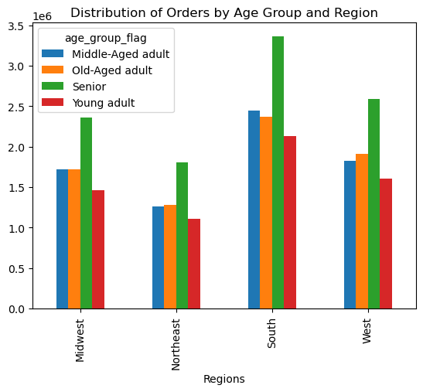
Income
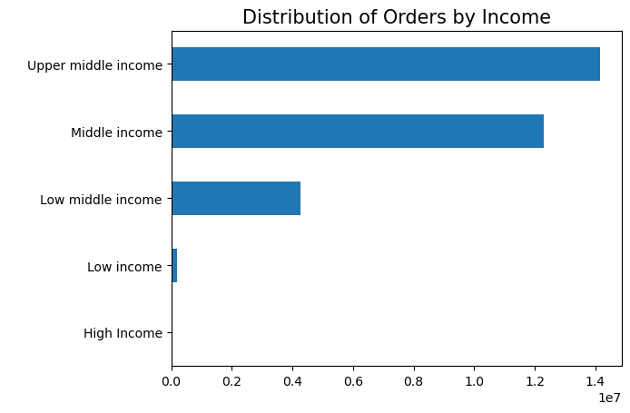
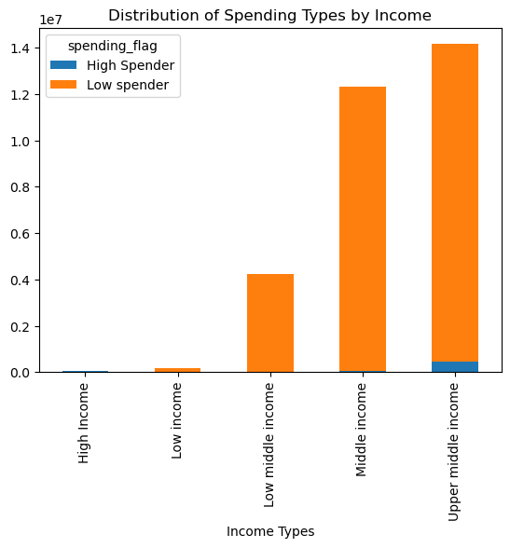
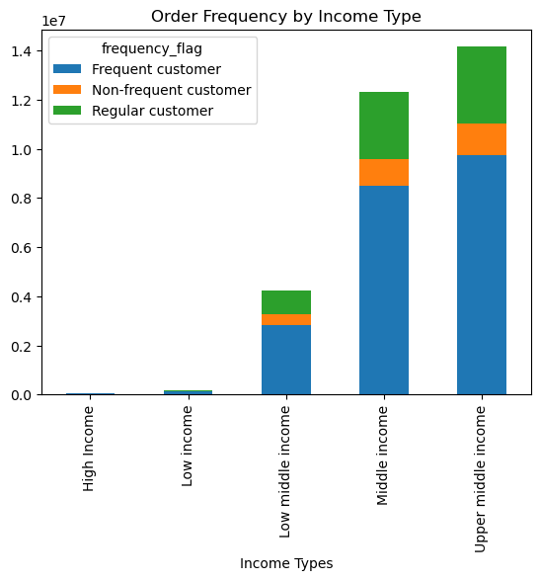

Most orders are place by customer with upper middle income with the category middle income close behind.
The amount of orders placed by customers with low income and high income in comparison are extremly low.
Distributed over all income types, allmost all customers are low spenders with high income types being the exception, as they also are mostly high spender.
A small part of customers with upper middle income are also high spenders.
A large part ofcustomers with upper middle income are frequent customers.
The South has the most customers with upper middle income.
 |  | 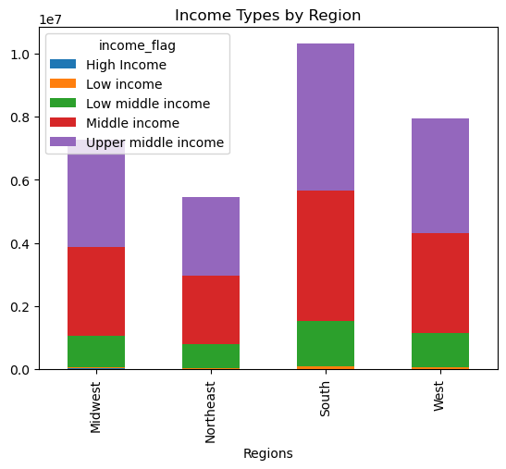

Household Size

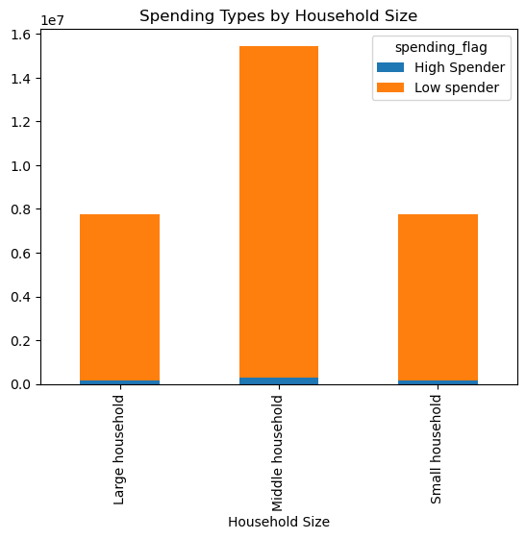
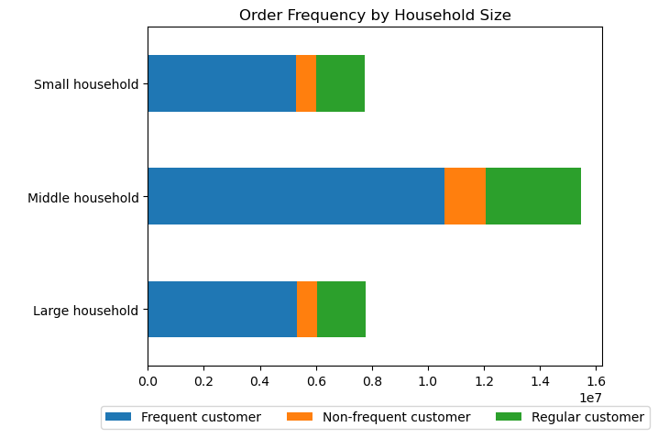

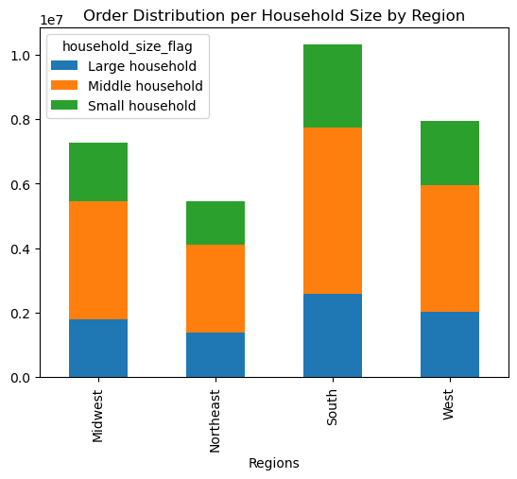
Most orders are placed by medium (middle) sized households. Large and small households place approximately the same amount of orders.

Child Age

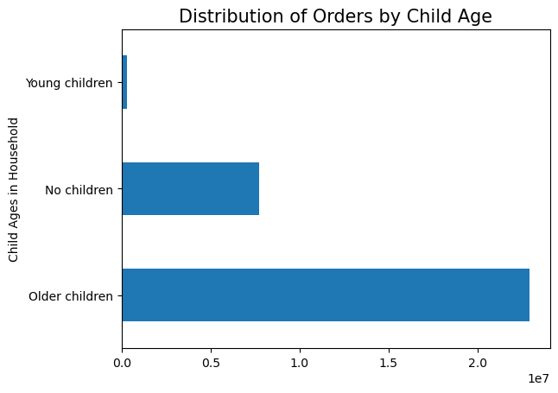
A very small part of orders are placed by customers with young children (babies and toddlers). The largest amount of orders are placed by customers with older children.
Based on the order distribution by marital_status and household size, we can hypothesize that most customers are shopping for medium (middle) sized families.
Further investigation is needed to compile the data for a fully formed profile.

Pet Status

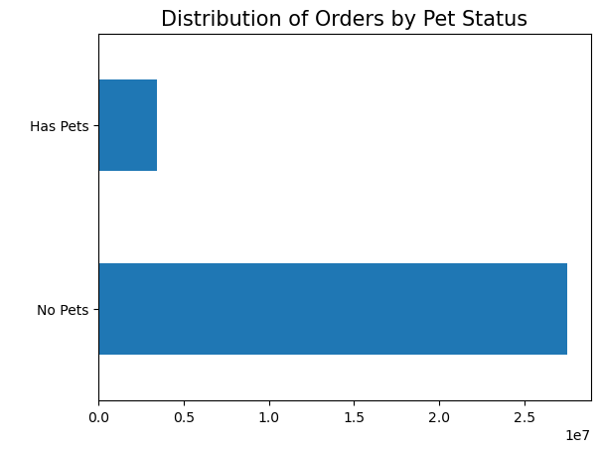

A small part of customers have pets.

7. Recommendations
 |  |  | < Title page

Recommendations

Question | Visualization / Supporting Data | Answer
What are the busiest days of the week and hours of the day are (i.e., the days and times with the most orders)? | Click for Visualization | Most orders are placed over the weekend with Saturday being the busiest day. The middle of the work week (Tuesday & Wednesday) is the least busy. The order frequency increses rapidly from 6 am until it reaches it's peak at 10 am. The frequency stays stable until 15 pm and rapidly declines afterwards until it reaches it's lowest point at 3 am.
Are there particular times of the day when people spend the most money? | Click for Visualization | Based on a sample size analysis we determinded that customers seem to spend more on orders during the early morning hours (1am to around 6am). The lowest price per orders seem to occur around 10am after which they start to rise before slighty dipping and rising again until around 11pm from which the prices per order fall until 1am.
Are there certain types of products that are more popular than others? Which departments have the highest frequency of product orders? What is the distribution of prices over the departments? | Click for Visualization | Most orders are in the produce and dairy and eggs departments with snacks and beverages close behind. Dairy & eggs, meat & seafood, and pantry items are the only departments that have items high-range priced products. Meat & seafood in fact, only have products of this category. The produce department has the highest number of orders and has mostly low-range products. Same with the dairy & eggs department.
 | 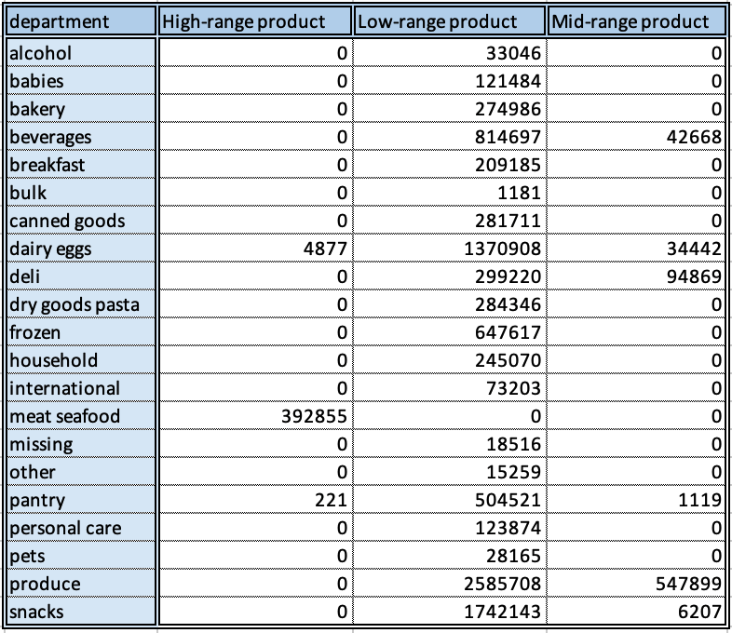 Price Range Distribution by Department
What’s the distribution among users in regards to their brand loyalty (i.e., how often do they return to Instacart)? | Click for Visualization | Regular customers place the most orders with Loyal customers coming after that. New customer still place a large number of orders. Frequent customers placed the most orders. Loyal customers and Regular Customers almost make up half of the frequent orders each.
Are there differences in ordering habits based on a customer’s loyalty status? | Click for Visualization | The ordering habits seem to be proportionally the same across all customer loyalty types with Regular Customers placing the most orders, especially in the produce department.
 | 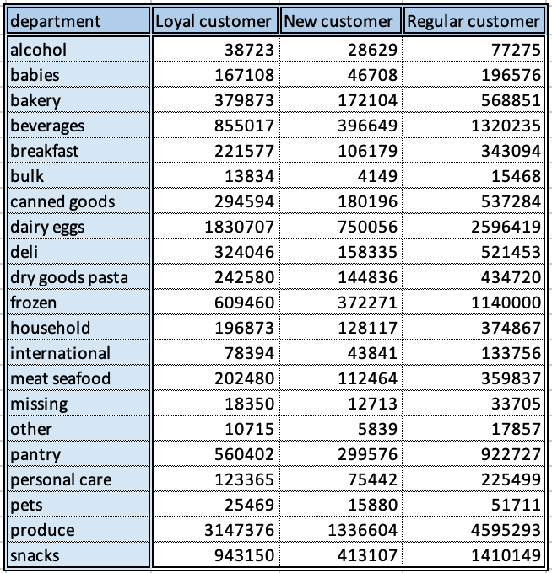
Are there differences in ordering habits based on a customer’s region? | Click for Visualization | Most orders are placed in the South of the US. Products from the top 4 departments (produce, dairy eggs, snacks, beverages) are most ordered in the south. The alcohol, international and pets departments sold the least products.
Is there a connection between age and family status in terms of ordering habits? | Click for Visualization | Most orders are placed by married customers. Customers living with theirs parents make up one fourth of young adults. Single senior customers are almost non-existing. Two thirds of senior customers are married and one third is divorced or widowed. Singles place a similar amount of orders (about one fourth of the orders) in all age groups except senior customers. Most orders are placed in middle-sized households. Small and large household place about half of the amount of orders each.
What different classifications does the demographic information suggest? Age? Income? Certain types of goods? Family status? | Click for Visualization | There is a moderate relationship between customer age and income as customers above 40 show and increased income. But all throughout the ages, the distribution of customers with an income under 200k is somewhat even. A slight dip down is visible from the age of 40 on. There are only a few customers under 40 that have an income between 200k to 300k, as opposed to customers over 40, where there is a large concentration of customers. No customers under 40 have an income larger than 400k. The number of customers under 40 with an income of 300kto 400k seems to be slighty higher than the number of customers under 40 with 200k to 300k income. The income of customers over the age of 40 reaches up to 600k. In conclusion: Majority of customers have an income under 200k. There is a large segment of customers over 40 that have an income between 200k to 300k.
What differences can you find in ordering habits of different customer profiles? | Click for Visualization | We can make classifications based on the created categories by grouping customer by individual variables such as income or age, or by creating multi-variant conditioning. For example: Creating the profile for a single parent by filtering the marital status and the number of dependants or profiling the different kinds of work situations (e.g. worker, student, retired) by filtering order hour of the day, income and age. Ultimately these profiles need to be more refined in the future and I recommend that we utilize more time to describe them fully and anylse the data accordingly.

