English
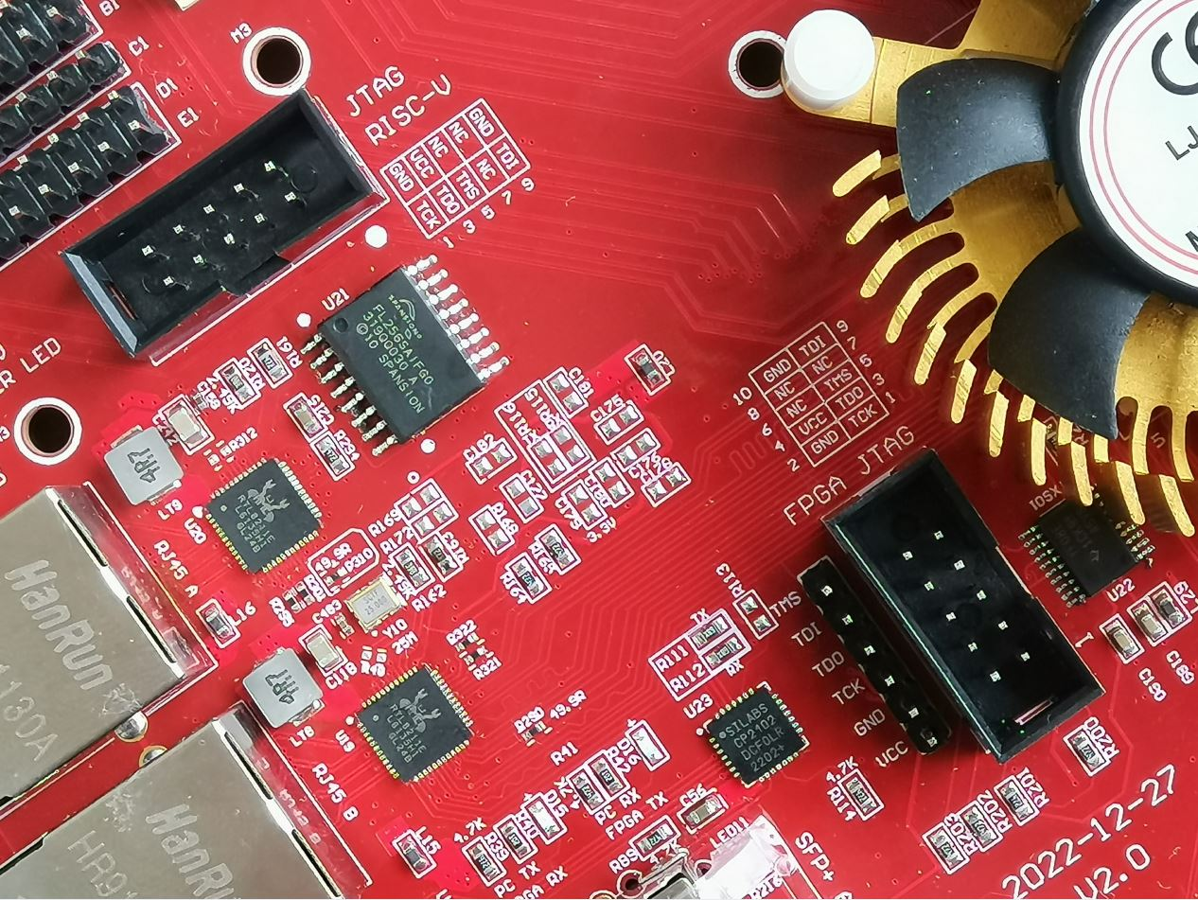
Translated from Chinese with Google Translate
XC7K325T-FFG676 FPGA board GPIO name 2023 version
my email:906606596@qq.com

key key | The default is 1, press down is 0. default is 1 , press down is 0
key3 | input | C24 | J4 can be set to 1.8V or 2.5V or 3.3V, J4 Jump cap can set 1.8V or 2.5V or 3.3V Do not charge the setting
key2 | input | AC16 | 1.5V

led lights | Low level LED lights, when IO is 0 , LED light
LED0 | output | AA2 | 1.5V
LED1 | output | AD5
LED2 | output | W10
LED3 | output | Y10
LED4 | output | AE10
LED5 | output | W11
LED6 | output | V11
LED7 | output | Y12

USB to TTL COM |  | The serial port level is controlled by jumping J4
FPGA_TX output |  | L23
FPGA_RX input |  | K21

Logic clock CLK | The level is controlled by the jumper J4
50M (Y2) | input | F17 | J4 can set 1.8V 2.5V or 3.3V, J4 Jump cap can set 1.8V 2.5V or 3.3V
The single-ended clock of the first version is 100M, and the red one of the second version is 50M

200M LVDS | input | clk_p | AB11 | DIFF_SSTL15
Y1 |  | clk_n | AC11 | DIFF_SSTL15

GTX refclk

156.25M LVDS | input | clk_p | D6
Y5 |  | clk_n | D5

150M LVDS | input | clk_p | F6
Y4 |  | clk_n | F5

Y3 (not use) | input | clk_p | K6
GTX refclk |  | clk_n | K5
Y3 users can post other frequencies, such as 125M

Programmable Clock | SI5338
CLK2A |  | clk_p | K6
CLK2B |  | clk_n | K5
5338_SCK |  |  | U26
5338_SDA |  |  | V26
If the programmable clock 5338 is used, the module needs to be added. By default there is no such function
SI5338 Programmable clock Need exception price, default does not have this function

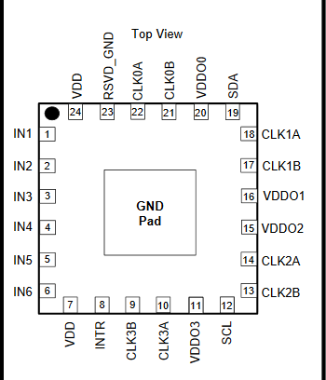

25M reference passive clock input by SI5338, input from pin 1 and pin 2

SI5338 refclk 25M input from pin1 and pin2

SATA A
SATA A_TXP |  | P2
SATA A_TXN |  | P1
SATA A_RXP |  | R4
SATA A_RXN |  | R3

SATA_B
SATA_B_TXP |  | M2
SATA_B_TXN |  | M1
SATA_B_RXP |  | N4
SATA_B_RXN |  | N3

HDMI output interface, maximum support 1920 X 1080 resolution
out_HDMI_D0P |  | G12 | 3.3V
out_HDMI_D0N |  | F12
out_HDMI_D1P |  | G10
out_HDMI_D1N |  | G9
out_HDMI_D2P |  | H9
out_HDMI_D2N |  | H8
out_HDMI_CLKP |  | F14
out_HDMI_CLKN |  | F13

HDMI input interface, maximum support 1920 X 1080 resolution
in_HDMI_D0P |  | J13 | 3.3V
in_HDMI_D0N |  | H13
in_HDMI_D1P |  | J11
in_HDMI_D1N |  | J10
in_HDMI_D2P |  | H14
in_HDMI_D2N |  | G14
in_HDMI_CLKP |  | G11
in_HDMI_CLKN |  | F10
in_hdmi_ddc_scl |  | U21 | I2C level is controlled by J4
in_hdmi_ddc_sda |  | Y20

SFP A
SFP A_TXP |  | H2
SFP A_TXN |  | H1
SFP A_RXP |  | J4
SFP A_RXN |  | J3
SFP_A_SDA |  | B21
SFP_A_SCL |  | C21

SFP B
SFP B_TXP |  | K2
SFP B_TXN |  | K1
SFP B_RXP |  | L4
SFP B_RXN |  | L3
SFP_B_SDA |  | D21
SFP_B_SCL |  | C22

RJ45-A RTL8211
A_TXD0 |  | E12 | 3.3V
A_TXD1 |  | D13
A_TXD2 |  | C13
A_TXD3 |  | D14

A_RXD0 |  | D8 | 3.3V
A_RXD1 |  | D9
A_RXD2 |  | C9
A_RXD3 |  | D10

A_MDIO |  | H11 | 3.3V
A_MDC |  | F9
A_Reset |  | J8
A_RXCLK |  | C12
A_RXCTL |  | F8
A_TXCTL |  | C14
A_TXCLK |  | D11

RJ45-B RTL8211
B_TXD0 |  | B12 | 3.3V
B_TXD1 |  | A12
B_TXD2 |  | A13
B_TXD3 |  | C11

B_RXD0 |  | B9 | 3.3V
B_RXD1 |  | A9
B_RXD2 |  | B10
B_RXD3 |  | A10

B_MDIO |  | B15 | 3.3V
B_MDC |  | A15
B_Reset |  | B14
B_RXCLK |  | E10
B_RXCTL |  | A8
B_TXCTL |  | A14
B_TXCLK |  | B11

PCIE gen2.0 X4
pcie_tx0p |  | A4
pcie_tx1p |  | B2
pcie_tx2p |  | D2
pcie_tx3p |  | F2
pcie_tx0n |  | A3
pcie_tx1n |  | B1
pcie_tx2n |  | D1
pcie_tx3n |  | F1

pcie_rx0p |  | B6
pcie_rx1p |  | C4
pcie_rx2p |  | E4
pcie_rx3p |  | G4
pcie_rx0n |  | B5
pcie_rx1n |  | C3
pcie_rx2n |  | E3
pcie_rx3n |  | G3

pcie_clkp |  | H6
pcie_clkn |  | H5

pcie_reset |  | E17

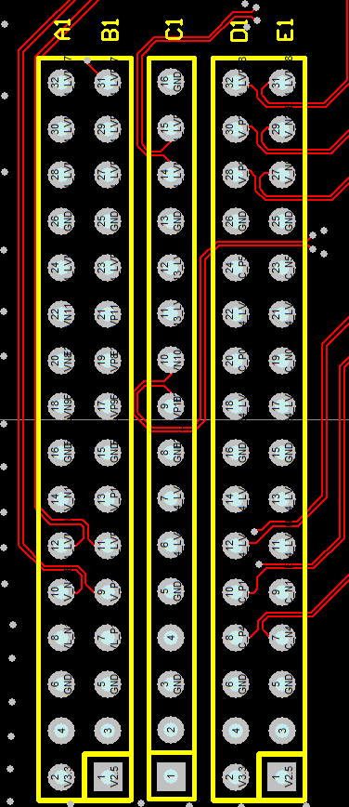
2.54 pins correspond to FPGA pins
J4 can be set to 1.8V or 2.5V or 3.3V, J4 Jump cap can set 1.8V or 2.5V or 3.3V Do not charge the setting
 | A1 side | B1 side | C1 side | D1 side | E1 side

1 | J20 | K20 | GND | J18 | J19
2 | G20 | H19 | D19 | L17 | K18
3 | L20 | L19 | D20 | K16 | K17
4 | GND | GND | GND | GND | GND
5 | E20 | F19 | NC | C19 | B19
6 | H18 | H17 | NC | C18 | C17
7 | F18 | G17 | D18 | C16 | B16
8 | G16 | H16 | E18 | D15 | D16
9 | GND | GND | GND | GND | GND
10 | F24 | G24 | E16 | G15 | F15
11 | F20 | G19 | E15 | J15 | J16
12 | L18 | M17 | GND | A18 | A19
13 | H24 | H23 | NC | B17 | A17
14 | GND | GND | GND | GND | GND
15 | NC | NC | NC | NC | NC
16 | 3.3 VCC | NC | NC | 3.3 VCC | NC

0.8 pitch board-to-board corresponds to FPGA pins,
J4 can be set to 1.8V or 2.5V or 3.3V, J4 Jump cap can set 1.8V or 2.5V or 3.3V Do not charge the setting

 |  |  | 3.3V side

 | NC |  | 3.3V VCC
 | NC |  | 3.3V VCC
 | NC |  | NC
 | NC |  | NC
 | NC |  | W20
 | NC |  | Y21
 | GND |  | GND
 | NC |  | N19
 | NC |  | M20
 | P19 |  | N26
 | P20 |  | M26
 | GND |  | GND
 | N21 |  | L22
 | N22 |  | K22
 | K23 |  | K25
 | J23 |  | K26
 | GND |  | GND
 | M24 |  | J21
 | L24 |  | H22
 | J24 |  | J26
 | J25 |  | H26
 | GND |  | GND
 | H21 |  | G25
 | G21 |  | G26
 | E21 |  | F25
 | E22 |  | E26
 | GND |  | GND
 | G22 |  | D26
 | F23 |  | C26
 | E25 |  | A23
 | D25 |  | A24
 | GND |  | GND
 | D23 |  | B20
 | D24 |  | A20
 | F22 |  | B26
 | E23 |  | NC
 | GND |  | GND
 | NC |  | K15
 | NC |  | M16
 | GND |  | GND

FMC LPC interface FMC ADJ supports 1.8V 2.5V 3.3V Set by J4
 | H1 side | G1 side | D1 side | C1 side
J4 can be set to 1.8V or 2.5V or 3.3V, J4 Jump cap can set 1.8V or 2.5V or 3.3V Do not charge the setting
1 | NC | GND | NC | GND
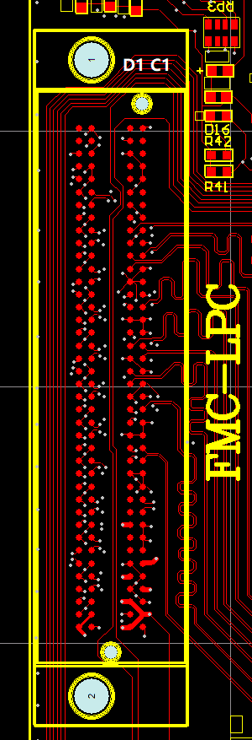
2 | NC | Y23 | GND | NC
3 | GND | AA24 | GND | NC
4 | Y22 | GND | NC | GND
5 | AA22 | GND | NC | GND
6 | GND | AC23 | GND | NC
7 | V23 | AC24 | GND | NC
8 | V24 | GND | AA23 | GND
9 | GND | U24 | AB24 | GND
10 | AD21 | U25 | GND | AE23
11 | AE21 | GND | AF24 | AF23
12 | GND | AE22 | AF25 | GND
13 | AB21 | AF22 | GND | GND
14 | AC21 | GND | AB22 | AD26
15 | GND | W25 | AC22 | AE26
16 | AD23 | W26 | GND | GND
17 | AD24 | GND | AB26 | GND
18 | GND | AA25 | AC26 | Y25
19 | AD25 | AB25 | GND | Y26
20 | AE25 | GND | R22 | GND
21 | GND | P24 | R23 | GND
22 | R25 | N24 | GND | P23
23 | P25 | GND | T24 | N23
24 | GND | M21 | T25 | GND
25 | U19 | M22 | GND | GND
26 | U20 | GND | U17 | R26
27 | GND | M25 | T17 | P26
28 | T18 | L25 | GND | GND
29 | T19 | GND | NC | GND
30 | GND | R16 | NC | U26
31 | R18 | R17 | NC | V26
32 | P18 | GND | 3.3 VCC | GND
33 | GND | P16 | NC | GND
34 | N18 | N17 | NC | GND
35 | M19 | GND | GND | 12V VCC
36 | GND | T22 | 3.3 VCC | GND
37 | T20 | T23 | GND | 12V VCC
38 | R20 | GND | 3.3 VCC | GND
39 | GND | VCC ADJ | GND | 3.3 VCC
40 | VCC ADJ | GND | 3.3 VCC | GND

The MINI SD card interface level is controlled by J4, do not plug in or out with power

SD mode |  |  | SPI mode

data0 |  | U22 | MISO
data1 |  | V21
data2 |  | W21
data3/CD |  | W23 | /CS
cmd |  | W24 | MOSI
CLK |  | V22 | SCK

AT24C04 | Two-wire Serial EEPROM https://ww1.microchip.com/downloads/en/devicedoc/doc0180.pdf
ATSCK |  |  | U26
ATSDA |  |  | V26

RISC-V JTAG
This interface is only useful when users develop RISC-V processors
TCK | R21
TMS | U16
TDO | N16
TDI | P21

U21 is a spi x1 FLASH, user can customize save rics-v boot firmware
spi_clk | E13
spi_cs | H12
spi_DO | J14
spi_DI | E11

