DEGs_inMeiosis
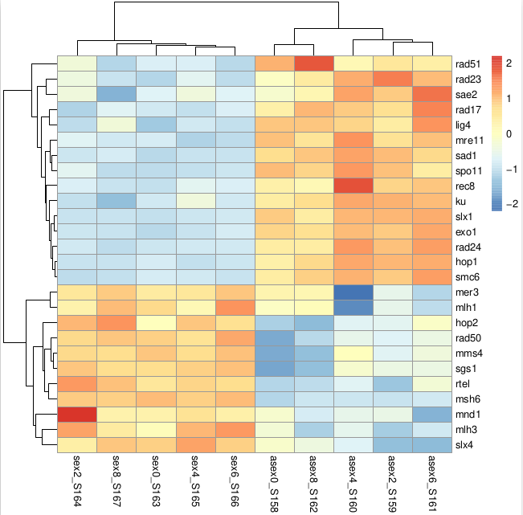
Row.names | baseMean | log2FoldChange | lfcSE | stat | pvalue | padj |  | X131270_S158 | X131272_S159 | X131274_S160 | X131276_S161 | X131278_S162 | X131280_S163 | X131282_S164 | X131284_S165 | X131286_S166 | X131288_S167
TRINITY_DN10085_c0_g1 | 9228.2101616 | 0.32037559893 | 0.074005466418 | 4.3290801941 | 1.50E-05 | 5.98E-05 | mms4 | 7177.4293532 | 8369.0569268 | 9270.9018433 | 8748.2911041 | 7476.9540232 | 10373.452327 | 10180.57571 | 10110.32012 | 10429.965633 | 10145.154576
TRINITY_DN10206_c7_g1 | 291.14020893 | -0.48677317644 | 0.10329448912 | -4.7124796354 | 2.45E-06 | 1.09E-05 | rad51 | 357.6426009 | 323.01302156 | 301.03509153 | 314.6999317 | 402.83646604 | 244.63750038 | 271.37594364 | 245.21468868 | 226.20591303 | 224.74093184
TRINITY_DN10316_c5_g2 | 6697.5437558 | -0.58415564272 | 0.097721162076 | -5.9777803529 | 2.26E-09 | 1.44E-08 | rad23 | 6556.2160203 | 9212.7339973 | 8599.0796268 | 8358.3567864 | 7453.7630113 | 4862.9412366 | 6053.3630685 | 5673.6662541 | 5055.7741963 | 5149.5433606
TRINITY_DN10426_c9_g1 | 1738.1529128 | -1.0367907769 | 0.062247312138 | -16.655992705 | 2.74E-62 | 1.75E-60 | sad1 | 2193.315287 | 2392.8585025 | 2526.981561 | 2244.1866849 | 2331.1261595 | 1059.7532054 | 1165.0602401 | 1128.5345152 | 1133.9111691 | 1205.8018032
TRINITY_DN10573_c3_g1 | 551.56620085 | -0.7143709175 | 0.088325314492 | -8.0879521529 | 6.07E-16 | 6.54E-15 | rad17 | 600.87346929 | 651.51634943 | 684.05941531 | 778.95114289 | 709.47317899 | 423.49012671 | 375.6833096 | 404.74097314 | 439.44460811 | 447.42943508
TRINITY_DN10614_c1_g2 | 387.0156336 | -0.41429364553 | 0.087449832847 | -4.7375007137 | 2.16E-06 | 9.73E-06 | rec8 | 408.4922598 | 440.13955629 | 516.40979117 | 451.40631602 | 397.68290784 | 319.67337235 | 334.13715536 | 343.66519566 | 334.26606256 | 324.283719
TRINITY_DN10617_c1_g1 | 13464.606246 | 0.20110129303 | 0.077649995864 | 2.589842933 | 0.0096019731321 | 0.022630509998 | mer3 | 13815.004828 | 12712.804273 | 10439.554333 | 11948.504987 | 13717.054078 | 14074.879381 | 14229.115846 | 14240.683519 | 14742.286001 | 14726.175214
TRINITY_DN11289_c0_g1 | 2429.3684681 | -1.1656717959 | 0.070829261272 | -16.457489109 | 7.41E-61 | 4.60E-59 | slx1 | 3350.1450269 | 3512.8809908 | 3488.8253901 | 3589.2307079 | 2861.9426542 | 1446.2393405 | 1500.0813562 | 1515.043913 | 1554.6253513 | 1474.66995
TRINITY_DN11766_c0_g1 | 2296.5753497 | -1.330882916 | 0.089602778022 | -14.853143455 | 6.64E-50 | 3.11E-48 | hop1 | 2645.8772512 | 3472.6187445 | 3622.2108575 | 3562.623425 | 3130.7866071 | 1411.2911262 | 1295.8864279 | 1242.4818612 | 1305.3666064 | 1276.61059
TRINITY_DN14049_c0_g1 | 37750.496741 | 0.34050031543 | 0.073132658215 | 4.6559269654 | 3.23E-06 | 1.41E-05 | sgs1 | 28986.848054 | 35433.521909 | 36627.159856 | 35306.946856 | 30229.91348 | 41503.060306 | 42653.75703 | 42273.553802 | 43013.702723 | 41476.503389
TRINITY_DN14686_c0_g1 | 540.01182583 | 0.35809661895 | 0.071569682979 | 5.0034680056 | 5.63E-07 | 2.72E-06 | rtel | 455.95194143 | 441.05460734 | 490.7116736 | 517.4657769 | 463.82023808 | 580.75709124 | 639.9875674 | 601.6419871 | 595.05122345 | 613.67615178
TRINITY_DN16869_c0_g1 | 5330.4639769 | -0.15922404294 | 0.05568791146 | -2.8592209469 | 4.25E-03 | 1.09E-02 | sae2 | 5249.3797867 | 5681.5519854 | 5816.34061 | 5977.4637172 | 5400.0700682 | 5039.7380856 | 5191.5013582 | 5190.5295069 | 5045.6885823 | 4712.3760685
TRINITY_DN22525_c0_g1 | 255.36047198 | -0.63672896956 | 0.090140918389 | -7.0637062606 | 1.62E-12 | 1.36E-11 | spo11 | 318.65786241 | 314.77756208 | 336.52296818 | 280.75270874 | 304.91886022 | 192.21517887 | 216.57037847 | 195.98943519 | 200.27147714 | 192.92828852
TRINITY_DN2256_c0_g1 | 207.25336398 | 0.39357939445 | 0.117147657 | 3.3596864378 | 7.80E-04 | 2.35E-03 | mnd1 | 199.16116401 | 187.58546578 | 186.00542241 | 148.63378698 | 176.0799052 | 217.9123953 | 289.05515821 | 231.54100716 | 219.00190306 | 217.55743173
TRINITY_DN25049_c0_g1 | 126.48263787 | 0.46389489902 | 0.1199712609 | 3.8667168749 | 1.10E-04 | 3.88E-04 | mlh3 | 119.49669841 | 96.995411572 | 112.58222935 | 105.51163891 | 97.05867945 | 128.48608213 | 156.46104894 | 152.23365431 | 158.48821932 | 137.51271628
TRINITY_DN2636_c0_g1 | 942.4920571 | -0.21591428246 | 0.056192698568 | -3.8423903454 | 1.22E-04 | 4.26E-04 | ku | 974.61846217 | 1030.3474852 | 1036.490742 | 1024.8391362 | 999.79029098 | 873.70535851 | 865.39755316 | 912.4903471 | 876.00761224 | 831.23358351
TRINITY_DN5430_c0_g1 | 44878.292208 | -0.65936538999 | 0.068440178472 | -9.6341857182 | 5.73E-22 | 8.93E-21 | rad24 | 49552.1451 | 56165.833607 | 60039.368682 | 59319.560886 | 49720.670596 | 34990.357775 | 35087.053195 | 35490.496187 | 35084.969351 | 33332.466699
TRINITY_DN6214_c0_g1 | 17158.131452 | 0.31647509555 | 0.057397104072 | 5.5137815864 | 3.51E-08 | 1.96E-07 | rad50 | 13692.965646 | 15642.797744 | 15996.466327 | 16202.000274 | 14885.193937 | 18986.131385 | 18783.281519 | 18507.783733 | 19751.954533 | 19132.739421
TRINITY_DN7195_c0_g2 | 635.02006627 | -1.1527417114 | 0.087590136197 | -13.160633851 | 1.48E-39 | 5.08E-38 | smc6 | 747.48998577 | 867.46839783 | 931.25083194 | 975.2945405 | 859.78529319 | 427.60168134 | 368.61162377 | 407.47570944 | 387.57573634 | 377.64686263
TRINITY_DN7414_c1_g1 | 167.14447155 | -0.56718835308 | 0.10197213171 | -5.5621898217 | 2.66E-08 | 1.51E-07 | mre11 | 202.55114127 | 190.33061893 | 216.59841952 | 201.84835269 | 188.10487433 | 137.73708005 | 142.31767728 | 125.79787003 | 129.67217944 | 136.48650198
TRINITY_DN7995_c0_g1 | 147.71485495 | 0.4587697054 | 0.14596283172 | 3.1430584075 | 1.67E-03 | 4.72E-03 | mlh1 | 144.92152785 | 129.02219841 | 81.989232247 | 112.851579 | 149.45318783 | 173.71318304 | 157.34500967 | 153.14523308 | 193.06746717 | 181.63993121
TRINITY_DN8359_c0_g1 | 1290.5149354 | 0.36477307233 | 0.080697845369 | 4.5202331074 | 6.18E-06 | 2.61E-05 | hop2 | 1053.4354335 | 1162.1148368 | 1152.744131 | 1272.5621145 | 1002.3670701 | 1296.1675966 | 1501.8492777 | 1477.6691835 | 1426.3939739 | 1559.845737
TRINITY_DN8416_c0_g1 | 66992.471731 | 0.84427818089 | 0.045734214377 | 18.460537529 | 4.29E-76 | 3.75E-74 | msh6 | 44455.31429 | 48292.73435 | 48369.975866 | 49763.876371 | 48773.274813 | 87855.699297 | 85609.82863 | 84090.406642 | 88273.615755 | 84439.991299
TRINITY_DN8537_c0_g1 | 530.82401759 | -0.59500051985 | 0.085451969179 | -6.9629819602 | 3.33E-12 | 2.73E-11 | lig4 | 643.24818503 | 581.05741838 | 628.99202052 | 695.45932427 | 645.05370148 | 377.23513714 | 405.73797436 | 428.44202111 | 413.51017222 | 489.5042214
TRINITY_DN8866_c0_g1 | 633.48807162 | -1.2768341407 | 0.078574757155 | -16.249927928 | 2.24E-59 | 1.33E-57 | exo1 | 867.83417849 | 884.85436783 | 921.46107286 | 977.12952553 | 830.58179671 | 327.8964816 | 378.33519178 | 369.18940117 | 409.18776624 | 368.41093393
TRINITY_DN9867_c0_g1 | 762.38079127 | 0.33851627166 | 0.077185591394 | 4.3857443539 | 1.16E-05 | 4.70E-05 | slx4 | 744.10000851 | 611.25410312 | 685.2831352 | 607.3800431 | 718.06244266 | 851.09180805 | 799.98445926 | 895.1703505 | 851.51397834 | 859.96758393

