dashboard
Historical Bitcoin network power demand
 | MAX | GUESS | MIN | MID
2017/3/2 | 2.12 | 1.16 | 0.34 | 1.16
2017/3/3 | 2.10 | 1.15 | 0.34 | 1.15
2017/3/4 | 2.05 | 1.12 | 0.33 | 1.12
2017/3/5 | 2.00 | 1.09 | 0.32 | 1.09
2017/3/6 | 2.01 | 1.10 | 0.32 | 1.10
2017/3/7 | 2.02 | 1.10 | 0.32 | 1.10
2017/3/8 | 2.03 | 1.11 | 0.32 | 1.11
2017/3/9 | 2.03 | 1.11 | 0.32 | 1.11
2017/3/10 | 2.05 | 1.12 | 0.33 | 1.12
2017/3/11 | 2.08 | 1.13 | 0.33 | 1.13
2017/3/12 | 2.10 | 1.14 | 0.34 | 1.14
2017/3/13 | 2.10 | 1.15 | 0.34 | 1.15
2017/3/14 | 2.11 | 1.15 | 0.34 | 1.15
2017/3/15 | 2.11 | 1.15 | 0.34 | 1.15
2017/3/16 | 2.12 | 1.16 | 0.34 | 1.16
2017/3/17 | 2.12 | 1.16 | 0.34 | 1.16
2017/3/18 | 2.15 | 1.17 | 0.34 | 1.17
2017/3/19 | 2.18 | 1.19 | 0.35 | 1.19
2017/3/20 | 2.17 | 1.18 | 0.35 | 1.18
2017/3/21 | 2.15 | 1.17 | 0.34 | 1.17
2017/3/22 | 2.19 | 1.20 | 0.35 | 1.20
2017/3/23 | 2.19 | 1.20 | 0.35 | 1.20
2017/3/24 | 2.24 | 1.22 | 0.36 | 1.22
2017/3/25 | 2.19 | 1.20 | 0.35 | 1.20
2017/3/26 | 2.20 | 1.20 | 0.35 | 1.20
2017/3/27 | 2.19 | 1.19 | 0.35 | 1.19
2017/3/28 | 2.21 | 1.21 | 0.35 | 1.21
2017/3/29 | 2.17 | 1.18 | 0.35 | 1.18
2017/3/30 | 1.93 | 1.08 | 0.35 | 1.08
2017/3/31 | 1.62 | 0.93 | 0.34 | 0.93
2017/4/1 | 1.40 | 0.83 | 0.34 | 0.83
2017/4/2 | 1.16 | 0.72 | 0.34 | 0.72
2017/4/3 | 1.01 | 0.66 | 0.36 | 0.66
2017/4/4 | 0.77 | 0.54 | 0.35 | 0.54
2017/4/5 | 0.59 | 0.47 | 0.36 | 0.47
2017/4/6 | 0.63 | 0.48 | 0.36 | 0.48
2017/4/7 | 0.92 | 0.57 | 0.37 | 0.57
2017/4/8 | 1.17 | 0.64 | 0.37 | 0.64
2017/4/9 | 1.41 | 0.70 | 0.37 | 0.70
2017/4/10 | 1.61 | 0.74 | 0.36 | 0.74
2017/4/11 | 1.89 | 0.82 | 0.38 | 0.82
2017/4/12 | 2.09 | 0.87 | 0.37 | 0.87
2017/4/13 | 2.27 | 0.91 | 0.36 | 0.91
2017/4/14 | 2.24 | 0.89 | 0.36 | 0.89
2017/4/15 | 2.28 | 0.91 | 0.36 | 0.91
2017/4/16 | 2.26 | 0.91 | 0.36 | 0.91
2017/4/17 | 2.26 | 0.90 | 0.36 | 0.90
2017/4/18 | 2.23 | 0.89 | 0.36 | 0.89
2017/4/19 | 2.24 | 0.90 | 0.36 | 0.90
2017/4/20 | 2.27 | 0.91 | 0.36 | 0.91
...
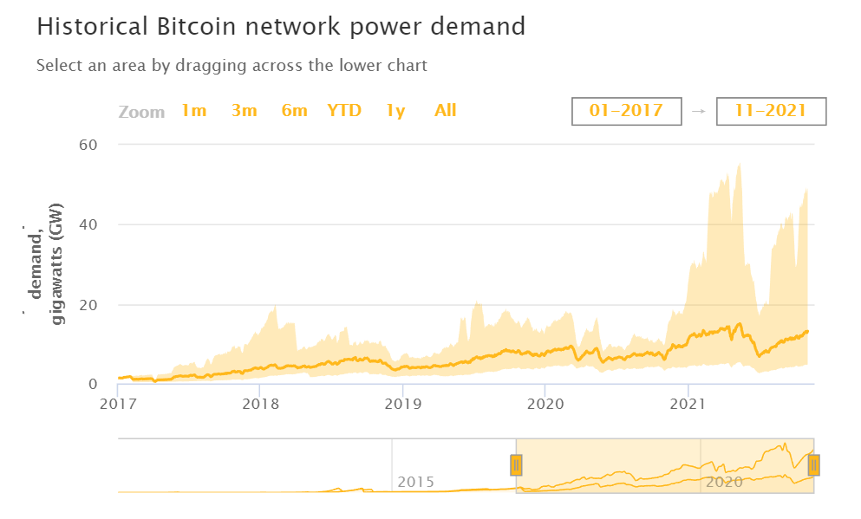
start_date | end_date
2017-03-02 | 2021-10-28
Date | MAX | GUESS | MIN
2017-03-02 | 2.12 | 1.16 | 0.34
2017-03-03 | 2.10 | 1.15 | 0.34
2017-03-04 | 2.05 | 1.12 | 0.33
Zoom
1m
3m
6m
YTD
1y
All
2017-03-05 | 2.00 | 1.09 | 0.32
2017-03-06 | 2.01 | 1.10 | 0.32
2017-03-07 | 2.02 | 1.10 | 0.32
2017-03-08 | 2.03 | 1.11 | 0.32
2017-03-09 | 2.03 | 1.11 | 0.32
2017-03-10 | 2.05 | 1.12 | 0.33
2017-03-11 | 2.08 | 1.13 | 0.33
2017-03-12 | 2.10 | 1.14 | 0.34
2017-03-13 | 2.10 | 1.15 | 0.34
2017-03-14 | 2.11 | 1.15 | 0.34
2017-03-15 | 2.11 | 1.15 | 0.34
2017-03-16 | 2.12 | 1.16 | 0.34
2017-03-17 | 2.12 | 1.16 | 0.34
2017-03-18 | 2.15 | 1.17 | 0.34
2017-03-19 | 2.18 | 1.19 | 0.35
2017-03-20 | 2.17 | 1.18 | 0.35
2017-03-21 | 2.15 | 1.17 | 0.34
2017-03-22 | 2.19 | 1.20 | 0.35
2017-03-23 | 2.19 | 1.20 | 0.35
2017-03-24 | 2.24 | 1.22 | 0.36
2017-03-25 | 2.19 | 1.20 | 0.35
 | medium | max
7/18/2010 | 9.39E-05 | 0.0001862676
7/19/2010 | 9.45E-05 | 0.00018735
7/20/2010 | 9.59E-05 | 0.000190238
7/21/2010 | 1.00E-04 | 0.0001987212
7/22/2010 | 9.94E-05 | 0.00019709664
7/23/2010 | 1.00E-04 | 0.0001992626
7/24/2010 | 1.01E-04 | 0.00020003605714
7/25/2010 | 1.01E-04 | 0.0002091636
7/26/2010 | 1.01E-04 | 0.00021983845714
7/27/2010 | 9.91E-05 | 0.00022595588571
7/28/2010 | 9.51E-05 | 0.00022702131429
7/29/2010 | 9.51E-05 | 0.0002372532
7/30/2010 | 9.39E-05 | 0.00024511645714
7/31/2010 | 9.46E-05 | 0.00025812377143
8/1/2010 | 9.98E-05 | 0.00027212554286
8/2/2010 | 1.04E-04 | 0.00028489508571
8/3/2010 | 1.09E-04 | 0.00029801725714
8/4/2010 | 1.16E-04 | 0.00031549885714
8/5/2010 | 1.20E-04 | 0.0003266268
8/6/2010 | 1.22E-04 | 0.0003328656
8/7/2010 | 1.24E-04 | 0.00033713468571
8/8/2010 | 1.27E-04 | 0.00034711628571
8/9/2010 | 1.30E-04 | 0.00035377268571
8/10/2010 | 1.33E-04 | 0.0003638508
8/11/2010 | 1.41E-04 | 0.00038320337143
8/12/2010 | 1.47E-04 | 0.00039973765714
8/13/2010 | 1.54E-04 | 0.00042014468571
8/14/2010 | 1.68E-04 | 0.00045795771429
8/15/2010 | 1.71E-04 | 0.00046770342857
8/16/2010 | 1.74E-04 | 0.00047479354286
8/17/2010 | 1.74E-04 | 0.00047373342857
8/18/2010 | 1.69E-04 | 0.00046181348571
8/19/2010 | 1.67E-04 | 0.00045556731429
8/20/2010 | 1.74E-04 | 0.00047521645714
8/21/2010 | 1.71E-04 | 0.00046633645714
8/22/2010 | 1.79E-04 | 0.00048932777143
8/23/2010 | 1.90E-04 | 0.00051811182857
8/24/2010 | 2.04E-04 | 0.00055561834286
8/25/2010 | 2.17E-04 | 0.00059181651429
8/26/2010 | 2.29E-04 | 0.00062585725714
8/27/2010 | 2.32E-04 | 0.00063252702857
8/28/2010 | 2.37E-04 | 0.000647388
8/29/2010 | 2.35E-04 | 0.00064099045714
8/30/2010 | 2.30E-04 | 0.00062725062857
8/31/2010 | 2.05E-04 | 0.00054325925143
9/1/2010 | 1.78E-04 | 0.00045739741714
9/2/2010 | 1.51E-04 | 0.00037276765714
9/3/2010 | 1.26E-04 | 0.00029063871429
9/4/2010 | 1.02E-04 | 0.00020994413143
9/5/2010 | 7.81E-05 | 0.00013264945714
...
2017-03-26 | 2.20 | 1.20 | 0.35
2015
2020
2017-03-27 | 2.19 | 1.19 | 0.35
2017-03-28 | 2.21 | 1.21 | 0.35
2017-03-29 | 2.17 | 1.18 | 0.35
2017-03-30 | 1.93 | 1.08 | 0.35
2017-03-31 | 1.62 | 0.93 | 0.34
2017-04-01 | 1.40 | 0.83 | 0.34
2017-04-02 | 1.16 | 0.72 | 0.34
2017-04-03 | 1.01 | 0.66 | 0.36
2017-04-04 | 0.77 | 0.54 | 0.35
2017-04-05 | 0.59 | 0.47 | 0.36
2017-04-06 | 0.63 | 0.48 | 0.36
2017-04-07 | 0.92 | 0.57 | 0.37
2017-04-08 | 1.17 | 0.64 | 0.37
2017-04-09 | 1.41 | 0.70 | 0.37
...

intermediate
Historical Bitcoin network power demand
 | MAX | GUESS | MIN | MID
2019/1/1 | 7.32 | 4.17 | 1.87 | 4.17
2019/1/2 | 7.40 | 4.21 | 1.89 | 4.21
2019/1/3 | 7.38 | 4.19 | 1.88 | 4.19
2019/1/4 | 7.36 | 4.17 | 1.88 | 4.17
2019/1/5 | 7.62 | 4.31 | 1.94 | 4.31
2019/1/6 | 7.49 | 4.23 | 1.91 | 4.23
2019/1/7 | 7.46 | 4.21 | 1.90 | 4.21
2019/1/8 | 7.53 | 4.27 | 1.94 | 4.27
2019/1/9 | 7.62 | 4.32 | 1.96 | 4.32
2019/1/10 | 7.63 | 4.32 | 1.96 | 4.32
2019/1/11 | 7.62 | 4.32 | 1.96 | 4.32
2019/1/12 | 7.43 | 4.21 | 1.92 | 4.21
2019/1/13 | 7.33 | 4.17 | 1.91 | 4.17
2019/1/14 | 7.35 | 4.21 | 1.94 | 4.21
2019/1/15 | 7.06 | 4.07 | 1.88 | 4.07
2019/1/16 | 6.82 | 3.95 | 1.84 | 3.95
2019/1/17 | 6.59 | 3.84 | 1.79 | 3.84
2019/1/18 | 6.49 | 3.81 | 1.79 | 3.81
2019/1/19 | 6.45 | 3.80 | 1.79 | 3.80
2019/1/20 | 6.58 | 3.90 | 1.84 | 3.90
2019/1/21 | 6.54 | 3.89 | 1.84 | 3.89
2019/1/22 | 6.49 | 3.88 | 1.84 | 3.88
2019/1/23 | 6.54 | 3.92 | 1.86 | 3.92
2019/1/24 | 6.73 | 4.05 | 1.93 | 4.05
2019/1/25 | 6.66 | 4.03 | 1.93 | 4.03
2019/1/26 | 6.70 | 4.08 | 1.96 | 4.08
2019/1/27 | 6.54 | 4.00 | 1.92 | 4.00
2019/1/28 | 6.46 | 3.96 | 1.91 | 3.96
2019/1/29 | 6.53 | 4.01 | 1.94 | 4.01
2019/1/30 | 6.42 | 3.96 | 1.92 | 3.96
2019/1/31 | 6.33 | 3.91 | 1.90 | 3.91
2019/2/1 | 6.44 | 3.98 | 1.93 | 3.98
2019/2/2 | 6.39 | 3.95 | 1.92 | 3.95
2019/2/3 | 6.39 | 3.95 | 1.92 | 3.95
2019/2/4 | 6.40 | 3.95 | 1.92 | 3.95
2019/2/5 | 6.34 | 3.94 | 1.92 | 3.94
2019/2/6 | 6.45 | 4.03 | 1.98 | 4.03
2019/2/7 | 6.49 | 4.08 | 2.01 | 4.08
2019/2/8 | 6.46 | 4.08 | 2.02 | 4.08
2019/2/9 | 6.43 | 4.09 | 2.03 | 4.09
2019/2/10 | 6.40 | 4.09 | 2.04 | 4.09
2019/2/11 | 6.36 | 4.08 | 2.05 | 4.08
2019/2/12 | 6.34 | 4.05 | 2.02 | 4.05
2019/2/13 | 6.38 | 4.05 | 2.01 | 4.05
2019/2/14 | 6.28 | 3.97 | 1.96 | 3.97
2019/2/15 | 6.16 | 3.87 | 1.91 | 3.87
2019/2/16 | 6.20 | 3.89 | 1.92 | 3.89
2019/2/17 | 6.40 | 4.00 | 1.96 | 4.00
2019/2/18 | 6.53 | 4.06 | 1.98 | 4.06
2019/2/19 | 6.71 | 4.17 | 2.04 | 4.17
...
...
Date | MAX | GUESS | MIN
2019-01-01 | 7.32 | 4.17 | 1.87
2019-01-02 | 7.40 | 4.21 | 1.89
2019-01-03 | 7.38 | 4.19 | 1.88
2019-01-04 | 7.36 | 4.17 | 1.88
2019-01-05 | 7.62 | 4.31 | 1.94
2019-01-06 | 7.49 | 4.23 | 1.91
2019-01-07 | 7.46 | 4.21 | 1.90
2019-01-08 | 7.53 | 4.27 | 1.94
2019-01-09 | 7.62 | 4.32 | 1.96
2019-01-10 | 7.63 | 4.32 | 1.96
2019-01-11 | 7.62 | 4.32 | 1.96
2019-01-12 | 7.43 | 4.21 | 1.92
2019-01-13 | 7.33 | 4.17 | 1.91
2019-01-14 | 7.35 | 4.21 | 1.94
2019-01-15 | 7.06 | 4.07 | 1.88
2019-01-16 | 6.82 | 3.95 | 1.84
2019-01-17 | 6.59 | 3.84 | 1.79
2019-01-18 | 6.49 | 3.81 | 1.79
2019-01-19 | 6.45 | 3.80 | 1.79
2019-01-20 | 6.58 | 3.90 | 1.84
2019-01-21 | 6.54 | 3.89 | 1.84
2019-01-22 | 6.49 | 3.88 | 1.84
2019-01-23 | 6.54 | 3.92 | 1.86
2019-01-24 | 6.73 | 4.05 | 1.93
2019-01-25 | 6.66 | 4.03 | 1.93
2019-01-26 | 6.70 | 4.08 | 1.96
2019-01-27 | 6.54 | 4.00 | 1.92
2019-01-28 | 6.46 | 3.96 | 1.91
2019-01-29 | 6.53 | 4.01 | 1.94
2019-01-30 | 6.42 | 3.96 | 1.92
2019-01-31 | 6.33 | 3.91 | 1.90
2019-02-01 | 6.44 | 3.98 | 1.93
2019-02-02 | 6.39 | 3.95 | 1.92
2019-02-03 | 6.39 | 3.95 | 1.92
2019-02-04 | 6.40 | 3.95 | 1.92
2019-02-05 | 6.34 | 3.94 | 1.92
2019-02-06 | 6.45 | 4.03 | 1.98
2019-02-07 | 6.49 | 4.08 | 2.01
2019-02-08 | 6.46 | 4.08 | 2.02
2019-02-09 | 6.43 | 4.09 | 2.03
2019-02-10 | 6.40 | 4.09 | 2.04
2019-02-11 | 6.36 | 4.08 | 2.05
2019-02-12 | 6.34 | 4.05 | 2.02
...

