Which fan is which port
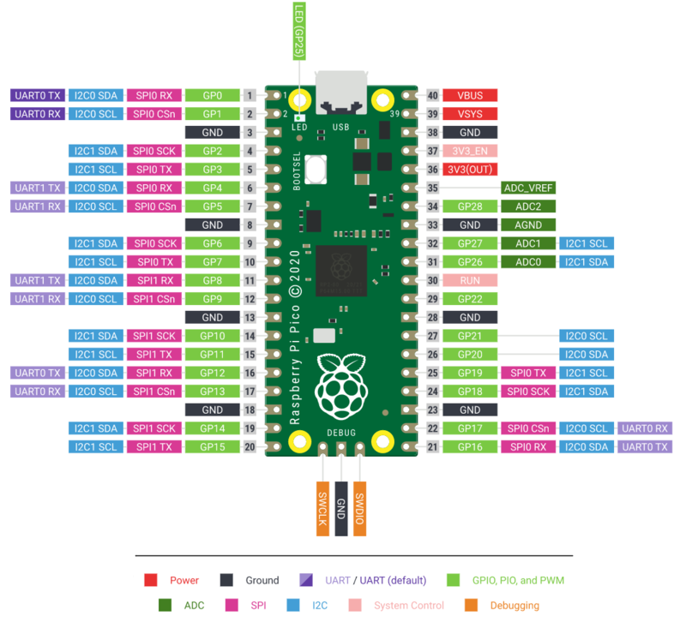
Row/Column | 1 | 2 | 3 | 4 | 5 | 6 | Pico
1 | 2 | 4 | 0 | 5 | 1 | 3 | 3
2 | 1 | 5 | 3 | 0 | 4 | 2 | 1
3 | 15 | 14 | 13 | 9 | 12 | 11 | 3
4 | 26 | 28 | 22 | 20 | 21 | 27 | 1
5 | 5 | 4 | 1 | 0 | 2 | 3 | 4
6 | 3 | 4 | 0 | 5 | 1 | 2 | 2
 | ↑↑↑↑↑↑↑↑↑↑↑↑ GP Pins Used

