Sheet1
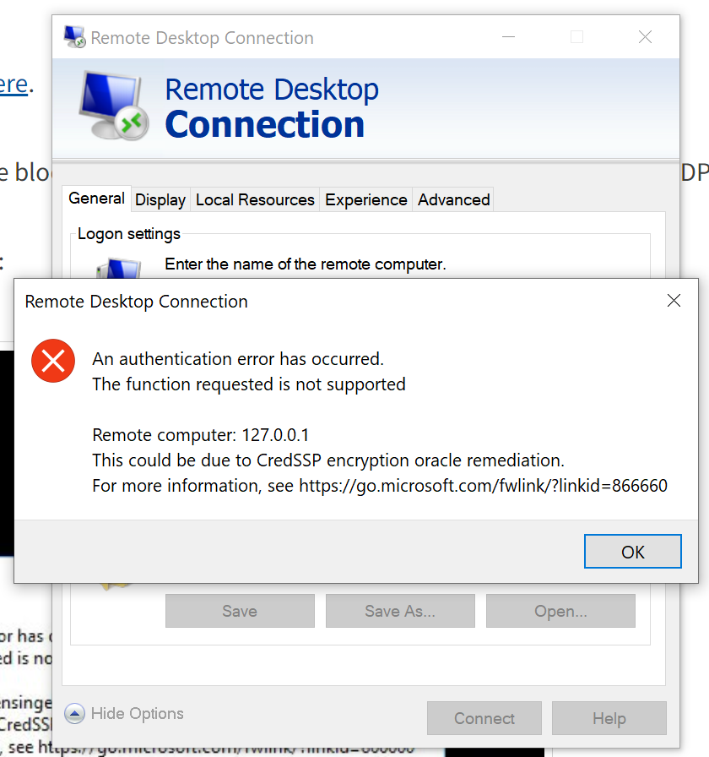
Image Name | Checked? | Comments | VM Type (Linux/Windows, 32/64bit) | VM OS + version + UI state | VM image min CPU limit | VM image min RAM limit config | VM image hard disk config | VM login detail | VM network interface config detail (DHCP, ipv4) | VM image lib/tools used (Docker, python) | VM remote desktop access enabled
ARP-Kali | Yes | Unable to create instance. (used m1.large as flavor) Error message: Build of instance a8eddb7c-cb51-48b9-850c-334ee87cc923 aborted: Flavor's disk is too small for requested image. Flavor disk is 85899345920 bytes, image is 107374182400 bytes.
ARP-outsider |  | Unable to login, stuck at login page, unable to access shell
ARP-win7 |  | Unable to install windows, no available hard drive partition | Windows | Windows 7 SP1_RM.0_E_VL_zh-cn |  |  | NA
CentOS-7-x86_64 |  | Same as ARP-outsider
Centos-7-x86_64_GenericCloud |  | Same as ARP-outsider
Corporate_Website_FINAL |  | Error installing image. OSError: [Errno 30] Read-only file system: '/var/lib/cloud/data'
CyberQuestS1 |  | Same as ARP-outsider
Debian-9-amd64 |  | Same as ARP-outsider
Fedora-27 |  | Same as ARP-outsider
Fedora_OS |  | Same as ARP-outsider
Kali 2020.1 32 Bit
Kali_2018.3 |  | Stuck at 'Booting from hard disk…'
Kali_2020.3
kali_FINAL
log4jshell-image | Yes |  | Linux x86-64 (64bit) | Lubuntu 20.04.1.04, CentOS | Intel Broadwell Dual-core 2GHz | 4GB | 27GB | NA | ipv4 (DHCP),ipv6,ethernet | cryptsetup 2.2.2, docker 20.10.12, git 2.25.1, python 3.8.10, netcat 1.206-1ubuntu1, xrdp0.9.12 | RDP
metasploitable3-ub1404
metasploitable3-win2k8
NUSMed_Dev_Machine(Windows)
NUSMed_Dev_Machine_FINAL
opensuse_OS
Site_Admin_Machine_FINAL
Ubuntu 18.04.4-AMD64 | Yes | Stuck in installer, cannot choose a disk to install. Able to open shell in installer | Linux x86_64 (64bit) | Linux ubuntu-server 4.15.0-76-generic | Intel Broadwell Dual-core 2GHz | 4GB | 12GB | NA | ipv4 (DHCP),ipv6,ethernet | cryptsetup 2.0.2, docker 1.5-1build1, git 2.17.1, python 2.7.15, netcat 1.187-1ubuntu0.1, xrdp 0.9.5-2
Ubuntu-18.04
ubuntu-20-focal-cloudimg-vagrant
ubuntu-groovy-20
Ubuntu14-64-MultiNICs
Ubuntu1404-64-GUI
Ubuntu1404-64-STD
Ubuntu16-64-MultiNICs
Ubuntu1604-64-STD
Ubuntu18-04-Cloud_image
ubuntu20 OS
ubuntu20-vagrant
Window Server 2016
Window10_Pro_x64 | Yes |  | Windows x64 | Windows 10 Pro 10.0.19043 | Intel Broadwell Dual-core 2GHz | 4GB | 19.4GB | ncl_win10_pro/123
Windows-Server-2012 | Yes | Unable to access via RDP | Windows x64 | Windows Server 2012 R2 Standard 6.3.9600 Build 9600 | Intel Broadwell Dual-core 2GHz | 4GB | 39.9GB |  | DHCP enabled | Cloudbase-Init 0.9.11 | No
Windows_2019

