Sheet1
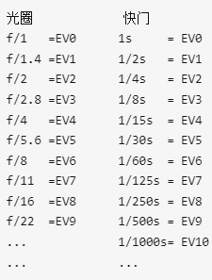
I-P/ A/W | SIZE |  | EV | lux | P W/m | P/uW | I/uA | RF k_omega | Uo mV | DIF | dif>50sent | 2nd AMP | Uo2 | DIF | dif>50sent
0.17 | 7.02 | 8s | 3 | 20 | 0.029282576867 | 0.2055636896 | 0.034945827233 | 22 | 0.76880819912 |  |  | 70 | 53.816573939
0.17 | 7.02 | 4s | 4 | 40 | 0.058565153734 | 0.41112737921 | 0.069891654466 | 22 | 1.5376163982 | 0.76880819912 | 0 | 70 | 107.63314788 | 53.816573939 | 1
0.17 | 7.02 | 2s | 5 | 80 | 0.11713030747 | 0.82225475842 | 0.13978330893 | 22 | 3.0752327965 | 1.5376163982 | 0 | 70 | 215.26629575 | 107.63314788 | 1
0.17 | 7.02 | 1s | 6 | 160 | 0.23426061493 | 1.6445095168 | 0.27956661786 | 22 | 6.150465593 | 3.0752327965 | 0 | 70 | 430.53259151 | 215.26629575 | 1
0.17 | 7.02 | 1//2 | 7 | 320 | 0.46852122987 | 3.2890190337 | 0.55913323572 | 22 | 12.300931186 | 6.150465593 | 0 | 70 | 861.06518302 | 430.53259151 | 1
0.17 | 7.02 | 1//4 | 8 | 640 | 0.93704245974 | 6.5780380673 | 1.1182664714 | 22 | 24.601862372 | 12.300931186 | 0 | 70 | 1722.130366 | 861.06518302 | 1
0.17 | 7.02 | 1//8 | 9 | 1280 | 1.8740849195 | 13.156076135 | 2.2365329429 | 22 | 49.203724744 | 24.601862372 | 0 | 70 | 3444.2607321 | 1722.130366 | 1
0.17 | 7.02 | 1//16 | 10 | 2560 | 3.7481698389 | 26.312152269 | 4.4730658858 | 22 | 98.407449488 | 49.203724744 | 1 | 70 | 6888.5214641 | 3444.2607321 | 1
0.17 | 7.02 | 1//30 | 11 | 5120 | 7.4963396779 | 52.624304539 | 8.9461317716 | 22 | 196.81489898 | 98.407449488 | 1 | 70 | 3300 | -3588.5214641 | 0
0.17 | 7.02 | 1//60 | 12 | 10240 | 14.992679356 | 105.24860908 | 17.892263543 | 22 | 393.62979795 | 196.81489898 | 1 | 70 | 3300 | 0 | 0
0.17 | 7.02 | 1//125 | 13 | 20480 | 29.985358712 | 210.49721816 | 35.784527086 | 22 | 787.2595959 | 393.62979795 | 1 | 70 | 3300 | 0 | 0
0.17 | 7.02 | 1//250 | 14 | 40960 | 59.970717423 | 420.99443631 | 71.569054173 | 22 | 1574.5191918 | 787.2595959 | 1 | 70 | 3300 | 0 | 0
0.17 | 7.02 | 1//500 | 15 | 81920 | 119.94143485 | 841.98887262 | 143.13810835 | 22 | 3149.0383836 | 1574.5191918 | 1 | 70 | 3300 | 0 | 0
0.17 | 7.02 | 1//1000 | 16 | 163840 | 239.88286969 | 1683.9777452 | 286.27621669 | 22 | 3280 | 130.9616164 | 1 | 70 | 3300 | 0 | 0

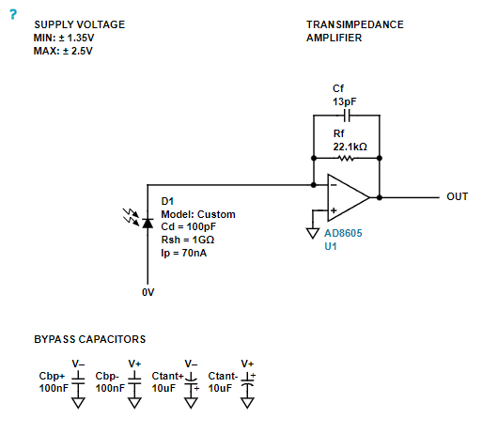
 | 0.8056640625 | 40.283203125
 | 0.8056640625 | 40.283203125
 | 0.8056640625 | 40.283203125
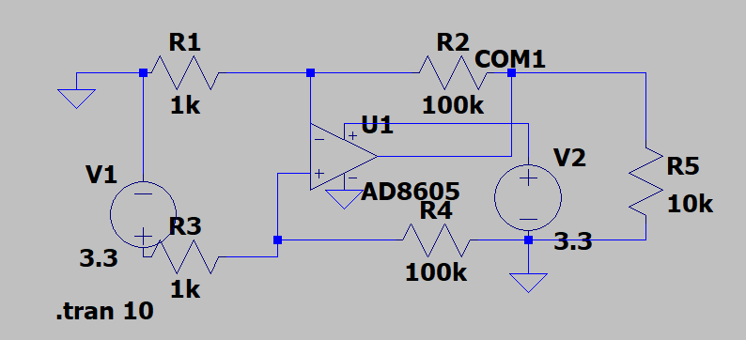
 | 0.8056640625 | 40.283203125
 | 0.8056640625 | 40.283203125
 | 0.8056640625 | 40.283203125
 | 0.8056640625 | 40.283203125
 | 0.8056640625 | 40.283203125
 | 0.8056640625 | 40.283203125
 | 0.8056640625 | 40.283203125
 | 0.8056640625 | 40.283203125
 | 0.8056640625 | 40.283203125
 | 0.8056640625 | 40.283203125

 | s1 | s2
 | 38 | 2980

