TS_NVDA
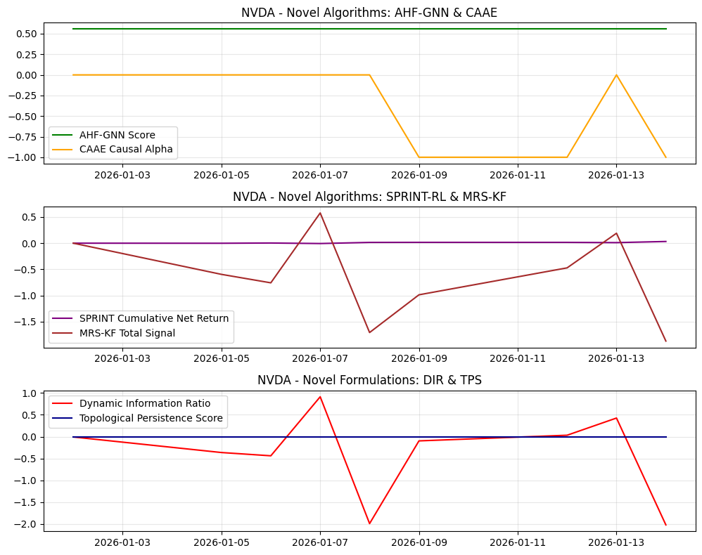
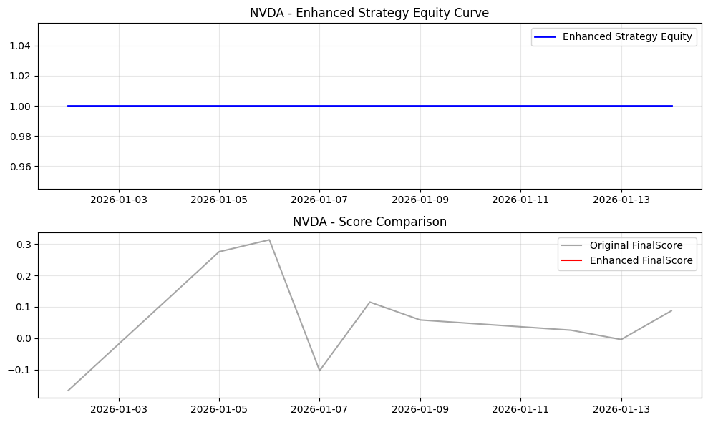
Date | Open | High | Low | Close | Volume | Adj Close | SMA_10 | SMA_20 | SMA_50 | EMA_12 | EMA_26 | RSI | MACD | MACD_Signal | MACD_Hist | BB_Mid | BB_Upper | BB_Lower | BB_Width | BB_Position | Daily_Return | Cumulative_Return | Volatility | MA_Signal | RSI_Signal | MACD_Signal_Flag | BB_Signal | Combined_Base_Signal | Hurst | VolRank | RABE_Regime | MACD_Mag | MA_Mag | RSI_Mag | BB_Mag | RegimeScore | W_trend | W_mean | AMSF_Score | Adaptive_SignalWeight_MACD | Adaptive_SignalWeight_MA | Adaptive_SignalWeight_RSI | Adaptive_SignalWeight_BB | AMSF_Signal | TechPerc | FundPerc | SignalConfidence | alpha_FTCS | FTCS_Score | FTCS_Formula | Drawdown | DPS_PositionSize | Dynamic_PositionSize | CASP_Adjustment | VR_MACD | VR_MACD_Signal | VR_EMA_Span | LWPC_Weight | MHRP_Short | MHRP_Long | MultiHorizon_ForecastBlend | MHRP_ReturnForecast | AHF_GNN_Score | AHF_Centrality | AHF_ClusterID | CAAE_CausalAlpha | CAAE_InstrumentStrength | CAAE_Attribution | SPRINT_Position | SPRINT_Action | SPRINT_ExecutionCost | SPRINT_NetReturn | MRS_Level1 | MRS_Level2 | MRS_Level3 | MRS_Trend | MRS_TotalSignal | MRS_Uncertainty | DFAM_GlobalModel | DFAM_PrivacyNoise | DFAM_FederatedScore | DIR_Alpha | DIR_ResidualVol | DIR_ConditionalVaR | DIR_VaRChange | DIR_Score | NEAD_MarketEntropy | NEAD_InitialAlpha | NEAD_DecayedAlpha | NEAD_DecayFactor | LACM_SpreadCost | LACM_ImpactElasticity | LACM_TradeSize | LACM_ExecutionRate | LACM_TotalCost | TPS_RawPersistence | TPS_NormalizedPersistence | TPS_RobustnessScore | WFO_Factor1 | WFO_Factor2 | WFO_Factor3 | WFO_Factor4 | WFO_WassersteinScore | WFO_OrthogonalityScore | SignalConfidence_Entropy | EnhancedFinalScore | FinalScore | FinalSignal | Position | StrategyRet | Equity
2026-01-02 | 189.83999634 | 192.92999268 | 188.25999451 | 188.8500061 | 148240500 | 188.8500061 | 188.8500061 | 188.8500061 | 188.8500061 | 188.8500061 | 188.8500061 | 50 | 0 | 0 | 0 | 188.8500061 | 188.8500061 | 188.8500061 | 0 | 0.5 | 0 | 0 |  | -1 | 0 | -1 | 0 | -2 |  |  | Neutral | 0 | 0 | 0 | 0 | 0.5 | 0.5 | 0.5 | 0 | 0.25 | 0.25 | 0.25 | 0.25 | 0 | 22.222222222 | 66 | 1 | 0 | 22.222222222 | 22.222222222 | 0 | 0 | 0 | 0 | 0 | 0 | 18 | 0.039971496885 | 0 | 0 | 0.45 | 0 | 0.55562898654 | 0.33422392602 | 1 | 0 | 0.006651262638 | 0 | 0 | 0 | 0 | 0 | 0 | 0 | 0 | 0 | 0 | 0.4 |  | 1.5840359163 |  | -7.9365079365E-05 | 0.010851257315 |  | 0 | -0.0073139063114 | 1 | 0 | 0 | 0.22313016015 |  | 8.1708643397E-05 | 7439175.4389 | 123986.25731 |  | 0 | 0 | 0 | 0.53436836797 | 0.41090436156 | -0.16584509483 | 0.27662073759 | 0.2744278227 | 0.31090522263 | 1 |  | -0.16666666667 | 0 | 0 |  | 1
2026-01-05 | 191.75999451 | 193.63000488 | 186.1499939 | 188.11999512 | 183529700 | 188.11999512 | 188.48500061 | 188.48500061 | 188.48500061 | 188.73769672 | 188.79593122 | 0 | -0.058234494636 | -0.011646898927 | -0.046587595709 | 188.48500061 | 189.51739205 | 187.45260917 | 2.0647828751 | 0.3232233047 | -0.0038655597709 | -0.0038655597709 | 0.043390800812 | -1 | 1 | -1 | 0 | -1 |  | 100 | Neutral | -0.024759767819 | 0 | 1 | 0.35355339059 | 0.5 | 0.5 | 0.5 | 0.31938349042 | 0.25 | 0.25 | 0.25 | 0.25 | 1 | 88.888888889 | 66 | 0.77930305738 | 0.22069694262 | 83.837381091 | 83.837381091 | 0.0038655597709 | 1000000 | 1000000 | 0 | -0.27809942336 | -0.055619884673 | 6 | 0.039971496885 | 0 | -0.48706053113 | 0.45 | -0.26788329212 | 0.55562898654 | 0.33422392602 | 1 | 0 | 0.006651262638 | 0 | -1 | 0 | 0.0053390800812 | -0.0014735203103 | -0.1280579879 | -0.14951272933 | -0.16687766068 | -0.15147047449 | -0.5959188524 | 0.28503433993 |  | 0.14248524315 |  | -0.0039449248503 | 0.010851257315 |  | 0 | -0.36354541558 | 1 | 0 | 0 | 0.22313016015 | 0.0043390800812 | 8.1708643397E-05 | 7439175.4389 | 123986.25731 | 0.033110068038 | 0 | 0 | 0 | 0 | -0.040695599258 | 0.67577539347 | 0.30567123923 | 0.2744278227 | 0.31090522263 | 0.78106517072 |  | 0.27529868537 | 0 | 0 | 0 | 1
2026-01-06 | 190.52000427 | 192.16999817 | 186.82000732 | 187.24000549 | 176862600 | 187.24000549 | 188.07000224 | 188.07000224 | 188.07000224 | 188.50728269 | 188.68067746 | 0 | -0.17339477247 | -0.043996473635 | -0.12939829883 | 188.07000224 | 189.6823297 | 186.45767478 | 3.2246549144 | 0.24260912661 | -0.0046778101577 | -0.0085252875738 | 0.039677913982 | -1 | 1 | -1 | 0 | -1 |  | 50 | Neutral | -0.068998444661 | 0 | 1 | 0.51478174677 | 0.5 | 0.5 | 0.5 | 0.34344755134 | 0.25 | 0.25 | 0.25 | 0.25 | 1 | 100 | 66 | 0.78944991756 | 0.21055008244 | 92.841297197 | 92.841297197 | 0.0085252875738 | 1000000 | 1000000 | 0 | -0.41141254741 | -0.12677841722 | 18 | 0.039971496885 | 0 | -0.717643074 | 0.45 | -0.3947036907 | 0.55562898654 | 0.33422392602 | 1 | 0 | 0.006651262638 | 0 | -1 | 0 | 0 | 0.0046778101577 | -0.15592286573 | -0.18874087446 | -0.22081033701 | -0.19236111769 | -0.75783519488 | 0.25590841901 |  | 0.42316767965 |  | -0.0047571752371 | 0.010851257315 |  | 0 | -0.43839852829 | 1 | 0 | 0 | 0.22313016015 | 0.0039677913982 | 8.1708643397E-05 | 7439175.4389 | 123986.25731 | 0.032738779355 | 0 | 0 | 0 | 0 | -0.12117224023 | 0.5371003223 | 0.35999576542 | 0.2744278227 | 0.31090522263 | 0.79149302347 |  | 0.31335973735 | 0 | 0 | 0 | 1
2026-01-07 | 188.57000732 | 191.36999512 | 186.55999756 | 189.11000061 | 153543200 | 189.11000061 | 188.33000183 | 188.33000183 | 188.33000183 | 188.60000852 | 188.71247917 | 53.735557845 | -0.1124706529 | -0.057691309489 | -0.054779343414 | 188.33000183 | 190.00769762 | 186.65230604 | 3.3553915822 | 0.73246132685 | 0.0099871558552 | 0.0013767249057 | 0.1069014288 | -1 | 0 | -1 | 0 | -2 |  | 100 | Neutral | -0.028958821261 | 0 | -0.074711156907 | -0.4649226537 | 0.5 | 0.5 | 0.5 | -0.14261719599 | 0.25 | 0.25 | 0.25 | 0.25 | 0 | 11.111111111 | 66 | 0.52045991419 | 0.47954008581 | 37.432533599 | 37.432533599 | 0 | 1000000 | 1000000 | 0 | 0.097562524268 | -0.081910228922 | 6 | 0.039971496885 | 0 | 0.090958513376 | 0.45 | 0.050027182357 | 0.55562898654 | 0.33422392602 | 1 | 0 | 0.006651262638 | 0 | -1 | 0 | 0 | -0.0099871558552 | -0.015858296727 | 0.10705521283 | 0.29260065405 | 0.19390722293 | 0.57770479309 | 0.24037715808 |  | 1.2429174386 |  | 0.0099077907758 | 0.010851257315 |  | 0 | 0.91305463395 | 1 | 0 | 0 | 0.22313016015 | 0.01069014288 | 8.1708643397E-05 | 7439175.4389 | 123986.25731 | 0.039461130836 | 0 | 0 | 0 | 0.57429164695 | 0.36300643235 | 0.24748710824 | -0.35882451596 | 0.2744278227 | 0.31090522263 | 0.52075902853 |  | -0.10394993217 | 0 | 0 | 0 | 1
2026-01-08 | 189.11000061 | 189.55000305 | 183.71000671 | 185.03999329 | 172457000 | 185.03999329 | 187.67200012 | 187.67200012 | 187.67200012 | 188.05231387 | 188.44044318 | 24.768137236 | -0.38812931269 | -0.12377891013 | -0.26435040256 | 187.67200012 | 190.95381705 | 184.39018319 | 6.5636338582 | 0.099001575529 | -0.021521904241 | -0.020174809077 | 0.18084644884 | -1 | 1 | -1 | 0 | -1 |  | 100 | Neutral | -0.14189719439 | 0 | 0.50463725528 | 0.80199684894 | 0.5 | 0.5 | 0.5 | 0.27668564349 | 0.25 | 0.25 | 0.25 | 0.25 | 0 | 77.777777778 | 66 | 0.4688071928 | 0.5311928072 | 71.521506937 | 71.521506937 | 0.021521904241 | 1000000 | 1000000 | 0 | -1.3503152535 | -0.33559123383 | 6 | 0.039971496885 | 0 | -1.0119371631 | 0.45 | -0.55656543968 | 0.55562898654 | 0.33422392602 | 1 | 0 | 0.006651262638 | 0 | -1 | 0 | 0 | 0.021521904241 | -0.23284856743 | -0.35979481607 | -0.60773236639 | -0.50741183001 | -1.7077875799 | 0.23166951035 |  | 3.1711037994 |  | -0.021601269321 | 0.010851257315 |  | 0 | -1.9906697163 | -1405.2739725 | 0 |  |  | 0.018084644884 | 8.1708643397E-05 | 7439175.4389 | 123986.25731 | 0.046855632841 | 0 | 0 | 0 | 0.26470618145 | -0.067686945081 | -0.29744304965 | 0.62628221966 | 0.2744278227 | 0.31090522263 | 0.47138792557 |  | 0.11488506832 | 0 | 0 | 0 | 1
2026-01-09 | 185.08000183 | 186.33999634 | 183.66999817 | 184.86000061 | 131327500 | 184.86000061 | 187.20333354 | 187.20333354 | 187.20333354 | 187.56118875 | 188.17522521 | 24.191412041 | -0.61403646116 | -0.22183042034 | -0.39220604083 | 187.20333354 | 190.92996992 | 183.47669716 | 7.4532727632 | 0.18559678401 | -0.00097272309939 | -0.021127907674 | 0.16295164525 | -1 | 1 | -1 | 0 | -1 |  | 80 | Neutral | -0.20903670273 | 0 | 0.51617175918 | 0.62880643199 | 0.5 | 0.5 | 0.5 | 0.21988335729 | 0.25 | 0.25 | 0.25 | 0.25 | 0 | 55.555555556 | 66 | 0.51857412729 | 0.48142587271 | 60.583781337 | 60.583781337 | 0.022473692487 | 1000000 | 1000000 | 0 | -1.4151659565 | -0.55150617837 | 10.8 | 0.039971496885 | 0 | -0.88413533939 | 0.45 | -0.48627443667 | 0.55562898654 | 0.33422392602 | 1 | -1 | 0.006651262638 | -0.21988335729 | -1 | 0 | 0 | 0.00097272309939 | -0.19084677429 | -0.23030918777 | -0.30854221683 | -0.25694109184 | -0.98663927073 | 0.22699306375 |  | 0.27813113068 |  | -0.0010520881788 | 0.010851257315 |  | 0 | -0.096955417072 | -1406.0730098 | 0 |  |  | 0.016295164525 | 8.1708643397E-05 | 7439175.4389 | 123986.25731 | 0.045066152481 | 0 | 0 | 0 | 0.25854250742 | -0.23029561491 | -0.054227438713 | 0.19180037161 | 0.2744278227 | 0.31090522263 | 0.51991700249 |  | 0.057900842527 | 0 | 0 | 0 | 1
2026-01-12 | 183.22000122 | 187.11999512 | 183.02000427 | 184.94000244 | 137968500 | 184.94000244 | 186.88000052 | 186.88000052 | 186.88000052 | 187.15792932 | 187.93557908 | 24.967958487 | -0.77764976235 | -0.33299428874 | -0.44465547361 | 186.88000052 | 190.68794235 | 183.0720587 | 7.6158836448 | 0.24526946941 | 0.00043276983009 | -0.020704281365 | 0.15062171587 | -1 | 1 | -1 | 0 | -1 |  | 66.666666667 | Neutral | -0.23590401899 | 0 | 0.50064083027 | 0.50946106118 | 0.5 | 0.5 | 0.5 | 0.17977897033 | 0.25 | 0.25 | 0.25 | 0.25 | 0 | 44.444444444 | 66 | 0.5544600284 | 0.4455399716 | 54.048306054 | 54.048306054 | 0.022050648593 | 1000000 | 1000000 | 0 | -1.3811762081 | -0.71744018432 | 14 | 0.039971496885 | 0 | -0.74225057703 | 0.45 | -0.40823781736 | 0.55562898654 | 0.33422392602 | 1 | -1 | 0.006651262638 | -0.17977897033 | -1 | 1 | 0 | -0.00043276983009 | -0.14152446774 | -0.13790424055 | -0.11180327688 | -0.08066778425 | -0.47189976942 | 0.22473924135 |  | 0.98326247159 |  | 0.00035340475073 | 0.010851257315 |  | 0 | 0.032568092384 | -1336.1995523 | 0 |  |  | 0.015062171587 | 8.1708643397E-05 | 7439175.4389 | 123986.25731 | 0.043833159543 | 0 | 0 | 0 | 0.26684174456 | -0.33825061244 | 0.087249746552 | -0.096082937364 | 0.2744278227 | 0.31090522263 | 0.55521376002 |  | 0.025296918856 | 0 | 0 | 0 | 1
2026-01-13 | 185 | 188.11000061 | 183.3999939 | 185.80999756 | 159752700 | 185.80999756 | 186.74625015 | 186.74625015 | 186.74625015 | 186.9505552 | 187.7781286 | 32.488415264 | -0.82757339623 | -0.43191011024 | -0.395663286 | 186.74625015 | 190.35199354 | 183.14050676 | 7.2114867792 | 0.37017204321 | 0.0047042019342 | -0.016097476551 | 0.14590819373 | -1 | 0 | -1 | 0 | -2 |  | 57.142857143 | Neutral | -0.20977857599 | 0 | 0.35023169471 | 0.25965591359 | 0.5 | 0.5 | 0.5 | 0.089299814513 | 0.25 | 0.25 | 0.25 | 0.25 | 0 | 33.333333333 | 66 | 0.46753082303 | 0.53246917697 | 50.727326448 | 50.727326448 | 0.017450177363 | 1000000 | 1000000 | 0 | -1.1591333549 | -0.80577881844 | 16.285714286 | 0.039971496885 | 0 | -0.50128689397 | 0.45 | -0.27570779168 | 0.55562898654 | 0.33422392602 | 1 | 0 | 0.006651262638 | 0 | -1 | 0 | 0 | -0.0047042019342 | -0.057224439525 | -0.016567563092 | 0.12193776204 | 0.14170071073 | 0.18984647015 | 0.22390384748 |  | 0.18972508353 |  | 0.0046248368548 | 0.010851257315 |  | 0 | 0.42620285562 | -1316.09812 | 0 |  |  | 0.014590819373 | 8.1708643397E-05 | 7439175.4389 | 123986.25731 | 0.043361807329 | 0 | 0 | 0 | 0.34721562885 | -0.31133462195 | 0.17564653299 | -0.36472872327 | 0.2744278227 | 0.31090522263 | 0.4676284235 |  | -0.0044965877639 | 0 | 0 | 0 | 1
2026-01-14 | 184.96000671 | 184.44999695 | 180.91000366 | 181.75 | 75369879 | 181.75 | 186.19111125 | 186.19111125 | 186.19111125 | 186.15046979 | 187.33160055 | 22.134962536 | -1.1811307677 | -0.58175424172 | -0.59937652595 | 186.19111125 | 190.9314344 | 181.45078809 | 9.480646305 | 0.031560285671 | -0.021850264313 | -0.037596006746 | 0.17225836961 | -1 | 1 | -1 | 0 | -1 |  | 87.5 | Neutral | -0.31832376344 | 0 | 0.55730074929 | 0.93687942866 | 0.5 | 0.5 | 0.5 | 0.27109742107 | 0.25 | 0.25 | 0.25 | 0.25 | 0 | 66.666666667 | 66 | 0.48429750155 | 0.51570249845 | 66.322865001 | 66.322865001 | 0.038919150688 | 1000000 | 1000000 | 0 | -2.0693777448 | -1.0584986037 | 9 | 0.039971496885 | 0 | -1.057395751 | 0.45 | -0.58156766302 | 0.55562898654 | 0.33422392602 | 1 | -1 | 0.006651262638 | -0.27109742107 | -1 | 0 | 0 | 0.021850264313 | -0.29432465313 | -0.37323627461 | -0.60728158633 | -0.59620654087 | -1.8710490549 | 0.22385562933 |  | 0.24829786153 |  | -0.021929629392 | 0.010851257315 |  | 0 | -2.0209298107 | -1316.09812 | 0 |  |  | 0.017225836961 | 8.1708643397E-05 | 7439175.4389 | 123986.25731 | 0.045996824918 | 0 | 0 | 0 | 0.2365644761 | -0.64349419232 | -0.19031340207 | -0.02045244636 | 0.2744278227 | 0.31090522263 | 0.48669647332 |  | 0.087099873091 | 0 | 0 | 0 | 1

TS_MSFT
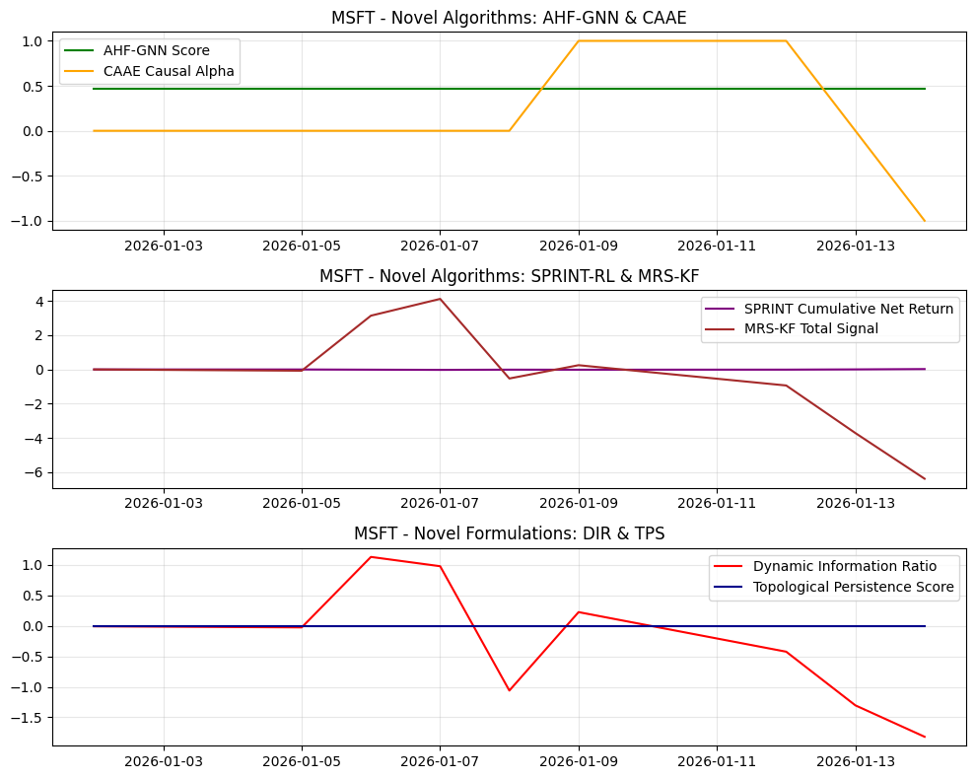
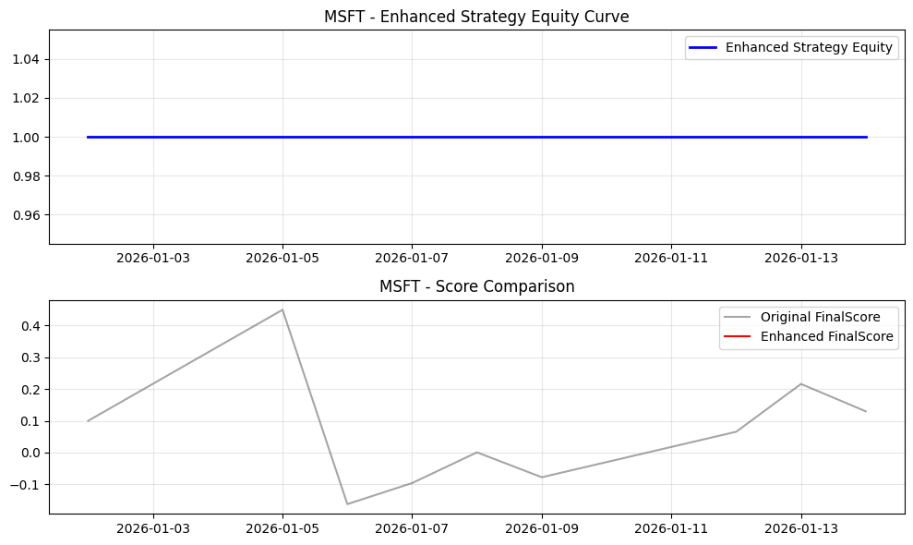
Date | Open | High | Low | Close | Volume | Adj Close | SMA_10 | SMA_20 | SMA_50 | EMA_12 | EMA_26 | RSI | MACD | MACD_Signal | MACD_Hist | BB_Mid | BB_Upper | BB_Lower | BB_Width | BB_Position | Daily_Return | Cumulative_Return | Volatility | MA_Signal | RSI_Signal | MACD_Signal_Flag | BB_Signal | Combined_Base_Signal | Hurst | VolRank | RABE_Regime | MACD_Mag | MA_Mag | RSI_Mag | BB_Mag | RegimeScore | W_trend | W_mean | AMSF_Score | Adaptive_SignalWeight_MACD | Adaptive_SignalWeight_MA | Adaptive_SignalWeight_RSI | Adaptive_SignalWeight_BB | AMSF_Signal | TechPerc | FundPerc | SignalConfidence | alpha_FTCS | FTCS_Score | FTCS_Formula | Drawdown | DPS_PositionSize | Dynamic_PositionSize | CASP_Adjustment | VR_MACD | VR_MACD_Signal | VR_EMA_Span | LWPC_Weight | MHRP_Short | MHRP_Long | MultiHorizon_ForecastBlend | MHRP_ReturnForecast | AHF_GNN_Score | AHF_Centrality | AHF_ClusterID | CAAE_CausalAlpha | CAAE_InstrumentStrength | CAAE_Attribution | SPRINT_Position | SPRINT_Action | SPRINT_ExecutionCost | SPRINT_NetReturn | MRS_Level1 | MRS_Level2 | MRS_Level3 | MRS_Trend | MRS_TotalSignal | MRS_Uncertainty | DFAM_GlobalModel | DFAM_PrivacyNoise | DFAM_FederatedScore | DIR_Alpha | DIR_ResidualVol | DIR_ConditionalVaR | DIR_VaRChange | DIR_Score | NEAD_MarketEntropy | NEAD_InitialAlpha | NEAD_DecayedAlpha | NEAD_DecayFactor | LACM_SpreadCost | LACM_ImpactElasticity | LACM_TradeSize | LACM_ExecutionRate | LACM_TotalCost | TPS_RawPersistence | TPS_NormalizedPersistence | TPS_RobustnessScore | WFO_Factor1 | WFO_Factor2 | WFO_Factor3 | WFO_Factor4 | WFO_WassersteinScore | WFO_OrthogonalityScore | SignalConfidence_Entropy | EnhancedFinalScore | FinalScore | FinalSignal | Position | StrategyRet | Equity
2026-01-02 | 484.39001465 | 484.66000366 | 470.16000366 | 472.94000244 | 25571600 | 472.94000244 | 472.94000244 | 472.94000244 | 472.94000244 | 472.94000244 | 472.94000244 | 50 | 0 | 0 | 0 | 472.94000244 | 472.94000244 | 472.94000244 | 0 | 0.5 | 0 | 0 |  | -1 | 0 | -1 | 0 | -2 |  |  | Neutral | 0 | 0 | 0 | 0 | 0.5 | 0.5 | 0.5 | 0 | 0.25 | 0.25 | 0.25 | 0.25 | 0 | 66.666666667 | 48 | 1 | 0 | 66.666666667 | 66.666666667 | 0 | 0 | 0 | 0 | 0 | 0 | 18 | 0.21710939502 | 0 | 0 | 0.45 | 0 | 0.46414249273 | 0.26438715457 | 1 | 0 | 0.0091422012726 | 0 | 0 | 0 | 0 | 0 | 0 | 0 | 0 | 0 | 0 | 0.4 |  | 0.91853306361 |  | -7.9365079365E-05 | 0.010526299922 |  | 0 | -0.0075396939054 | 1 | 0 | 0 | 0.22313016015 |  | 0.00020880717732 | 1096777.4889 | 18279.624815 |  | 0 | 0 | 0 | 0.25646331137 | -0.37271973225 | 0.26746282806 | 0.201202939 | 0.27328237641 | 0.19802487438 | 1 |  | 0.1 | 0 | 0 |  | 1
2026-01-05 | 474.05999756 | 476.07000732 | 469.5 | 472.8500061 | 25250300 | 472.8500061 | 472.89500427 | 472.89500427 | 472.89500427 | 472.92615685 | 472.93333605 | 0 | -0.0071791950454 | -0.0014358390091 | -0.0057433560363 | 472.89500427 | 473.02227831 | 472.76773023 | 0.25454808322 | 0.3232233047 | -0.00019029123658 | -0.00019029123658 | 0.0021360138329 | -1 | 1 | -1 | 0 | -1 |  | 100 | Neutral | -0.0012146247513 | 0 | 1 | 0.35355339059 | 0.5 | 0.5 | 0.5 | 0.32571212837 | 0.25 | 0.25 | 0.25 | 0.25 | 1 | 100 | 48 | 0.98074085631 | 0.019259143693 | 98.998524528 | 98.998524528 | 0.00019029123658 | 1000000 | 1000000 | 0 | -0.034284319196 | -0.0068568638393 | 6 | 0.21710939502 | 0 | -0.023976695809 | 0.45 | -0.013187182695 | 0.46414249273 | 0.26438715457 | 1 | 0 | 0.0091422012726 | 0 | -1 | 0 | 0.0012136013833 | -0.0010233101467 | -0.015787091105 | -0.018432048777 | -0.020572811393 | -0.018673401165 | -0.07346535244 | 0.28503433993 |  | 0.97902953476 |  | -0.00026965631594 | 0.010526299922 |  | 0 | -0.025617388631 | 1 | 0 | 0 | 0.22313016015 | 0.00021360138329 | 0.00020880717732 | 1096777.4889 | 18279.624815 | 0.028444783356 | 0 | 0 | 0 | 0 | -0.0043143503257 | 0.6484599642 | 0.64832288888 | 0.27328237641 | 0.19802487438 | 0.98091352244 |  | 0.44987514248 | 0 | 0 | 0 | 1
2026-01-06 | 473.79998779 | 478.73999023 | 469.75 | 478.51000977 | 23037700 | 478.51000977 | 474.76667277 | 474.76667277 | 474.76667277 | 473.78521115 | 473.34642299 | 98.434846298 | 0.43878815732 | 0.086608960258 | 0.35217919707 | 474.76667277 | 481.2509472 | 468.28239834 | 12.968548866 | 0.78864732932 | 0.011969976925 | 0.011777407907 | 0.11058898935 | -1 | -1 | 1 | 0 | -1 |  | 100 | Neutral | 0.07346652445 | 0 | -0.96869692595 | -0.57729465864 | 0.5 | 0.5 | 0.5 | -0.34913464864 | 0.25 | 0.25 | 0.25 | 0.25 | -1 | 11.111111111 | 48 | 0.57711816571 | 0.42288183429 | 26.710752109 | 26.710752109 | 0 | 1000000 | 1000000 | 0 | 2.1202749655 | 0.41856950202 | 6 | 0.21710939502 | 0 | 0.98949359784 | 0.45 | 0.54422147881 | 0.46414249273 | 0.26438715457 | 1 | 0 | 0.0091422012726 | 0 | -1 | 0 | 0 | -0.011969976925 | 0.43294096477 | 0.75302938845 | 1.1054526229 | 0.85432546332 | 3.1457484394 | 0.25590841901 |  | 1.0745111248 |  | 0.011890611846 | 0.010526299922 |  | 0 | 1.1296098282 | 1 | 0 | 0 | 0.22313016015 | 0.011058898935 | 0.00020880717732 | 1096777.4889 | 18279.624815 | 0.039290080907 | 0 | 0 | 0 | 0.50489853271 | -0.47008164956 | 0.099773713566 | -0.27171367268 | 0.27328237641 | 0.19802487438 | 0.58102110465 |  | -0.16241712488 | 0 | 0 | 0 | 1
2026-01-07 | 479.76000977 | 489.70001221 | 477.95001221 | 483.47000122 | 25564200 | 483.47000122 | 476.94250488 | 476.94250488 | 476.94250488 | 475.27517885 | 474.09631767 | 99.159697388 | 1.1788611773 | 0.30505940367 | 0.87380177364 | 476.94250488 | 487.12967669 | 466.75533308 | 20.374343612 | 0.82037823953 | 0.010365491534 | 0.022264978063 | 0.10375572939 | -1 | -1 | 1 | 0 | -1 |  | 66.666666667 | Neutral | 0.17879291981 | 0 | -0.98319394777 | -0.64075647906 | 0.5 | 0.5 | 0.5 | -0.33845775698 | 0.25 | 0.25 | 0.25 | 0.25 | -1 | 22.222222222 | 48 | 0.59627297641 | 0.40372702359 | 32.629407719 | 32.629407719 | 0 | 1000000 | 1000000 | 0 | 3.2049035866 | 0.97583631894 | 14 | 0.21710939502 | 0 | 1.395146165 | 0.45 | 0.76733039076 | 0.46414249273 | 0.26438715457 | 1 | 0 | 0.0091422012726 | 0 | -1 | 0 | 0 | -0.010365491534 | 0.62882630084 | 0.98109210495 | 1.4230662583 | 1.0936375596 | 4.1266222237 | 0.24037715808 |  | 1.3832409436 |  | 0.010286126454 | 0.010526299922 |  | 0 | 0.97718348623 | 1 | 0 | 0 | 0.22313016015 | 0.010375572939 | 0.00020880717732 | 1096777.4889 | 18279.624815 | 0.038606754911 | 0 | 0 | 0 | 0.50861648693 | -0.030736747665 | 0.094536933475 | -0.28286007345 | 0.27328237641 | 0.19802487438 | 0.5997473899 |  | -0.095973928335 | 0 | 0 | 0 | 1
2026-01-08 | 481.23999023 | 482.66000366 | 475.85998535 | 478.10998535 | 18162600 | 478.10998535 | 477.17600098 | 477.17600098 | 477.17600098 | 475.71130293 | 474.39362639 | 66.085813795 | 1.3176765376 | 0.50758283045 | 0.81009370712 | 477.17600098 | 486.0599337 | 468.29206826 | 17.767865439 | 0.55256593023 | -0.011086553159 | 0.010931583041 | 0.14832538235 | -1 | 0 | 1 | 0 | 0 |  | 100 | Neutral | 0.16783364963 | 0 | -0.32171627591 | -0.10513186046 | 0.5 | 0.5 | 0.5 | -0.056302333881 | 0.25 | 0.25 | 0.25 | 0.25 | 0 | 44.444444444 | 48 | 0.95631768429 | 0.043682315712 | 44.599759345 | 44.599759345 | 0.011086553159 | 1000000 | 1000000 | 0 | 1.9836005798 | 1.1773891711 | 6 | 0.21710939502 | 0 | 0.55735465281 | 0.45 | 0.30654505905 | 0.46414249273 | 0.26438715457 | 1 | 0 | 0.0091422012726 | 0 | -1 | 0 | 0 | 0.011086553159 | 0.21143843597 | 0.03249223558 | -0.42476214958 | -0.34773969856 | -0.5285711766 | 0.23166951035 |  | 0.38076655118 |  | -0.011165918238 | 0.010526299922 |  | 0 | -1.0607638317 | -2055.9087965 | 0 |  |  | 0.014832538235 | 0.00020880717732 | 1096777.4889 | 18279.624815 | 0.043063720208 | 0 | 0 | 0 | 0.33897173281 | 0.29923037641 | 0.032836922387 | 0.065291598321 | 0.27328237641 | 0.19802487438 | 0.95635555434 |  | 0.00073989458775 | 0 | 0 | 0 | 1
2026-01-09 | 474.05999756 | 479.82000732 | 472.20001221 | 479.27999878 | 18491000 | 479.27999878 | 477.52666728 | 477.52666728 | 477.52666728 | 476.26033306 | 474.7555799 | 68.387438244 | 1.5047531584 | 0.70701689603 | 0.79773626233 | 477.52666728 | 485.65628061 | 469.39705394 | 16.259226667 | 0.60783609443 | 0.0024471637564 | 0.013405498171 | 0.13267502916 | -1 | 0 | 1 | 0 | 0 |  | 80 | Neutral | 0.1649245132 | 0 | -0.36774876487 | -0.21567218886 | 0.5 | 0.5 | 0.5 | -0.09608058074 | 0.25 | 0.25 | 0.25 | 0.25 | 0 | 33.333333333 | 48 | 0.93833620926 | 0.061663790743 | 34.237735598 | 34.237735598 | 0.0086665200133 | 1000000 | 1000000 | 0 | 1.819876662 | 1.3058866693 | 10.8 | 0.21710939502 | 0 | 0.56724308845 | 0.45 | 0.31198369865 | 0.46414249273 | 0.26438715457 | 1 | 1 | 0.0091422012726 | -0.09608058074 | -1 | 0 | 0 | -0.0024471637564 | 0.23517876465 | 0.16292032764 | -0.085028103434 | -0.064072686811 | 0.24899830205 | 0.22699306375 |  | 0.66614081615 |  | 0.0023677986771 | 0.010526299922 |  | 0 | 0.22494121341 | -1956.7909466 | 0 |  |  | 0.013267502916 | 0.00020880717732 | 1096777.4889 | 18279.624815 | 0.041498684889 | 0 | 0 | 0 | 0.35077737736 | 0.39449719511 | 0.095092298448 | 0.0092999693811 | 0.27328237641 | 0.19802487438 | 0.9384888602 |  | -0.077750013289 | 0 | 0 | 0 | 1
2026-01-12 | 476.67001343 | 480.98999023 | 475.67999268 | 477.17999268 | 23519900 | 477.17999268 | 477.47714233 | 477.47714233 | 477.47714233 | 476.40181915 | 474.93516603 | 60.961696863 | 1.4666531218 | 0.85894414119 | 0.60770898065 | 477.47714233 | 484.90305554 | 470.05122913 | 14.851826414 | 0.47999238276 | -0.0043815851045 | 0.0089651757358 | 0.12748549688 | -1 | 0 | 1 | 0 | 0 |  | 66.666666667 | Neutral | 0.1266701596 | 0 | -0.21923393727 | 0.04001523448 | 0.5 | 0.5 | 0.5 | -0.0068035228416 | 0.25 | 0.25 | 0.25 | 0.25 | 0 | 55.555555556 | 48 | 0.99364958035 | 0.0063504196507 | 55.507574607 | 55.507574607 | 0.013010132023 | 836307.89193 | 836307.89193 | 0 | 1.2655371229 | 1.29781676 | 14 | 0.21710939502 | 0 | 0.32847129777 | 0.45 | 0.18065921377 | 0.46414249273 | 0.26438715457 | 1 | 1 | 0.0091422012726 | -0.0068035228416 | -1 | 1 | 0 | 0.0043815851045 | 0.058867495106 | -0.073100867459 | -0.49316110412 | -0.42950480246 | -0.93689927894 | 0.22473924135 |  | 0.3272704665 |  | -0.0044609501838 | 0.010526299922 |  | 0 | -0.42379090631 | -1724.7109807 | 0 |  |  | 0.012748549688 | 0.00020880717732 | 1096777.4889 | 18279.624815 | 0.04097973166 | 0 | 0 | 0 | 0.31268877288 | 0.42695531563 | -0.049047058888 | 0.11155067977 | 0.27328237641 | 0.19802487438 | 0.99364966608 |  | 0.06556668069 | 0 | 0 | 0 | 1
2026-01-13 | 474.67999268 | 475.77999878 | 465.95001221 | 470.67001343 | 28514200 | 470.67001343 | 476.62625122 | 476.62625122 | 476.62625122 | 475.52000289 | 474.6192288 | 45.60930662 | 0.90077408631 | 0.86731013022 | 0.033463956096 | 476.62625122 | 485.01880434 | 468.2336981 | 16.785106248 | 0.14514744768 | -0.013642607293 | -0.0047997399289 | 0.14480117981 | -1 | 0 | 1 | 0 | 0 |  | 85.714285714 | Neutral | 0.00710973533 | 0 | 0.087813867609 | 0.70970510465 | 0.5 | 0.5 | 0.5 | 0.19882862001 | 0.25 | 0.25 | 0.25 | 0.25 | 0 | 77.777777778 | 48 | 0.88261011024 | 0.11738988976 | 74.282167727 | 74.282167727 | 0.026475247194 | 1000000 | 1000000 | 0 | -1.2522533936 | 0.78780272931 | 9.4285714286 | 0.21710939502 | 0 | -0.14232974418 | 0.45 | -0.078281359298 | 0.46414249273 | 0.26438715457 | 1 | 0 | 0.0091422012726 | 0 | -1 | 1 | 0 | 0.013642607293 | -0.34164075454 | -0.60210351222 | -1.4423593914 | -1.3340193514 | -3.7201230095 | 0.22390384748 |  | 0.30352566971 |  | -0.013721972372 | 0.010526299922 |  | 0 | -1.3035893404 | -1302.8863542 | 0 |  |  | 0.014480117981 | 0.00020880717732 | 1096777.4889 | 18279.624815 | 0.042711299954 | 0 | 0 | 0 | 0.2339422761 | 0.20133205518 | -0.45013317158 | 0.36056779358 | 0.27328237641 | 0.19802487438 | 0.88379321592 |  | 0.21611916052 | 0 | 0 | 0 | 1
2026-01-14 | 466.34500122 | 468.20001221 | 461.19000244 | 461.70001221 | 9308448 | 461.70001221 | 474.96778022 | 474.96778022 | 474.96778022 | 473.39385048 | 473.66224979 | 33.859868079 | -0.26839931909 | 0.64016824036 | -0.90856755945 | 474.96778022 | 487.6425393 | 462.29302114 | 25.349518158 | -0.023393301979 | -0.019057940733 | -0.023766207503 | 0.16709983091 | -1 | 0 | -1 | 1 | -1 |  | 100 | Neutral | -0.19428594802 | 0 | 0.32280263843 | 1.046786604 | 0.5 | 0.5 | 0.5 | 0.27670610548 | 0.25 | 0.25 | 0.25 | 0.25 | 0 | 88.888888889 | 48 | 0.49056900226 | 0.50943099774 | 68.058821426 | 68.058821426 | 0.045028624235 | 1000000 | 1000000 | 0 | -5.7495040585 | -0.51965862825 | 6 | 0.21710939502 | 0 | -0.66013766868 | 0.45 | -0.36307571777 | 0.46414249273 | 0.26438715457 | 1 | -1 | 0.0091422012726 | -0.27670610548 | -1 | 0 | 0 | 0.019057940733 | -0.7829860485 | -1.1226414072 | -2.2972069068 | -2.1883454423 | -6.3911798049 | 0.22385562933 |  | 3.4683095064 |  | -0.019137305812 | 0.010526299922 |  | 0 | -1.8180467928 | -1302.8863542 | 0 |  |  | 0.016709983091 | 0.00020880717732 | 1096777.4889 | 18279.624815 | 0.044941165064 | 0 | 0 | 0 | 0.1736762778 | -0.41369987846 | -0.52337843812 | 0.48842041063 | 0.27328237641 | 0.19802487438 | 0.49307075914 |  | 0.12996496963 | 0 | 0 | 0 | 1

TS_AAPL
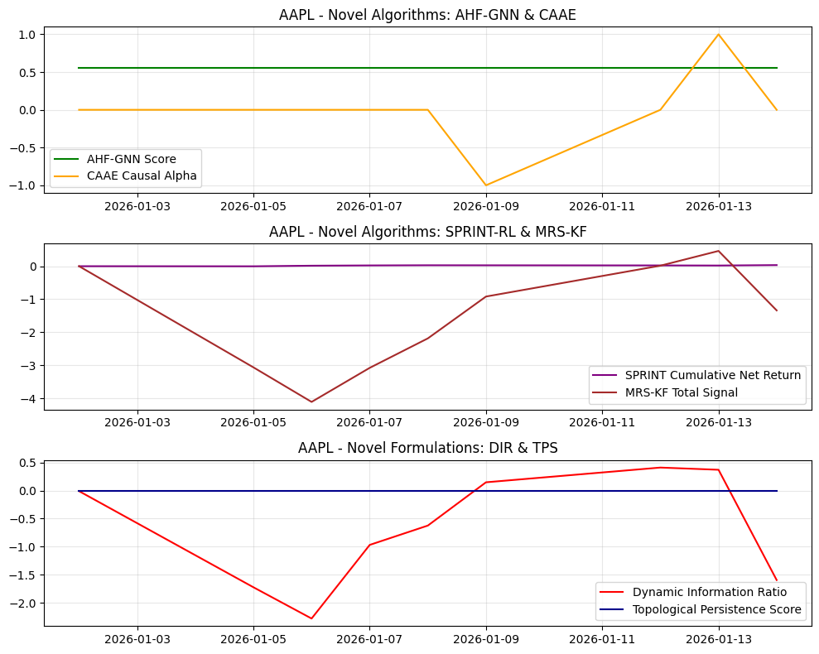
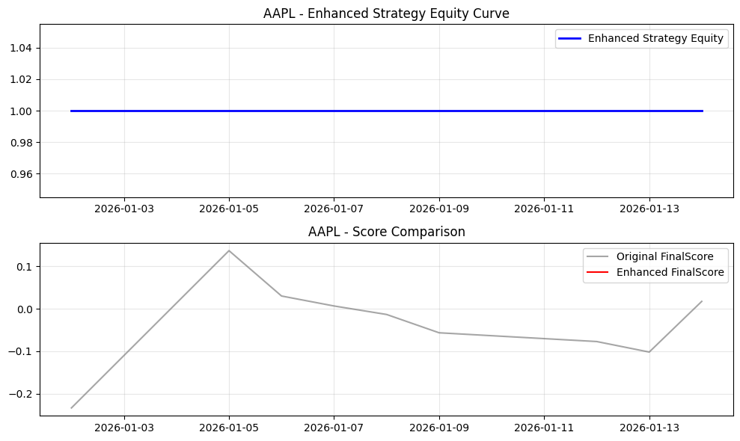
Date | Open | High | Low | Close | Volume | Adj Close | SMA_10 | SMA_20 | SMA_50 | EMA_12 | EMA_26 | RSI | MACD | MACD_Signal | MACD_Hist | BB_Mid | BB_Upper | BB_Lower | BB_Width | BB_Position | Daily_Return | Cumulative_Return | Volatility | MA_Signal | RSI_Signal | MACD_Signal_Flag | BB_Signal | Combined_Base_Signal | Hurst | VolRank | RABE_Regime | MACD_Mag | MA_Mag | RSI_Mag | BB_Mag | RegimeScore | W_trend | W_mean | AMSF_Score | Adaptive_SignalWeight_MACD | Adaptive_SignalWeight_MA | Adaptive_SignalWeight_RSI | Adaptive_SignalWeight_BB | AMSF_Signal | TechPerc | FundPerc | SignalConfidence | alpha_FTCS | FTCS_Score | FTCS_Formula | Drawdown | DPS_PositionSize | Dynamic_PositionSize | CASP_Adjustment | VR_MACD | VR_MACD_Signal | VR_EMA_Span | LWPC_Weight | MHRP_Short | MHRP_Long | MultiHorizon_ForecastBlend | MHRP_ReturnForecast | AHF_GNN_Score | AHF_Centrality | AHF_ClusterID | CAAE_CausalAlpha | CAAE_InstrumentStrength | CAAE_Attribution | SPRINT_Position | SPRINT_Action | SPRINT_ExecutionCost | SPRINT_NetReturn | MRS_Level1 | MRS_Level2 | MRS_Level3 | MRS_Trend | MRS_TotalSignal | MRS_Uncertainty | DFAM_GlobalModel | DFAM_PrivacyNoise | DFAM_FederatedScore | DIR_Alpha | DIR_ResidualVol | DIR_ConditionalVaR | DIR_VaRChange | DIR_Score | NEAD_MarketEntropy | NEAD_InitialAlpha | NEAD_DecayedAlpha | NEAD_DecayFactor | LACM_SpreadCost | LACM_ImpactElasticity | LACM_TradeSize | LACM_ExecutionRate | LACM_TotalCost | TPS_RawPersistence | TPS_NormalizedPersistence | TPS_RobustnessScore | WFO_Factor1 | WFO_Factor2 | WFO_Factor3 | WFO_Factor4 | WFO_WassersteinScore | WFO_OrthogonalityScore | SignalConfidence_Entropy | EnhancedFinalScore | FinalScore | FinalSignal | Position | StrategyRet | Equity
2026-01-02 | 272.26000977 | 277.83999634 | 269 | 271.01000977 | 37838100 | 271.01000977 | 271.01000977 | 271.01000977 | 271.01000977 | 271.01000977 | 271.01000977 | 50 | 0 | 0 | 0 | 271.01000977 | 271.01000977 | 271.01000977 | 0 | 0.5 | 0 | 0 |  | -1 | 0 | -1 | 0 | -2 |  |  | Neutral | 0 | 0 | 0 | 0 | 0.5 | 0.5 | 0.5 | 0 | 0.25 | 0.25 | 0.25 | 0.25 | 0 | 11.111111111 | 74 | 1 | 0 | 11.111111111 | 11.111111111 | 0 | 0 | 0 | 0 | 0 | 0 | 18 | 0.16283342683 | 0 | 0 | 0.45 | 0 | 0.55042567393 | 0.33722804466 | 1 | 0 | 0.0086950044591 | 0 | 0 | 0 | 0 | 0 | 0 | 0 | 0 | 0 | 0 | 0.4 |  | 0.64042637724 |  | -7.9365079365E-05 | 0.0080734928805 |  | 0 | -0.0098303275347 | 1 | 0 | 0 | 0.22313016015 |  | 0.00015233604519 | 2104590.0556 | 35076.500926 |  | 0 | 0 | 0 | 0.92325926591 | 0.31157879003 | 0.09744902406 | 0.084364108745 | 0.24879859364 | 0.2892721327 | 1 |  | -0.23333333333 | 0 | 0 |  | 1
2026-01-05 | 270.64001465 | 271.51000977 | 266.14001465 | 267.26000977 | 45647200 | 267.26000977 | 269.13500977 | 269.13500977 | 269.13500977 | 270.43308669 | 270.73223199 | 0 | -0.29914529915 | -0.059829059829 | -0.23931623932 | 269.13500977 | 274.43831062 | 263.83170891 | 10.606601718 | 0.3232233047 | -0.013837127283 | -0.013837127283 | 0.15532136853 | -1 | 1 | -1 | 0 | -1 |  | 100 | Neutral | -0.089305787468 | 0 | 1 | 0.35355339059 | 0.5 | 0.5 | 0.5 | 0.30188889686 | 0.25 | 0.25 | 0.25 | 0.25 | 1 | 100 | 74 | 0.50167136089 | 0.49832863911 | 87.043455383 | 87.043455383 | 0.013837127283 | 1000000 | 1000000 | 0 | -1.4285714286 | -0.28571428571 | 6 | 0.16283342683 | 0 | -1.7434780376 | 0.45 | -0.95891292069 | 0.55042567393 | 0.33722804466 | 1 | 0 | 0.0086950044591 | 0 | -1 | 0 | 0.016532136853 | -0.00269500957 | -0.65782222957 | -0.76803328374 | -0.85723535571 | -0.77809004243 | -3.0611809114 | 0.28503433993 |  | 0.013984255068 |  | -0.013916492362 | 0.0080734928805 |  | 0 | -1.7237263435 | 1 | 0 | 0 | 0.22313016015 | 0.015532136853 | 0.00015233604519 | 2104590.0556 | 35076.500926 | 0.04406273051 | 0 | 0 | 0 | 0 | -0.049796131527 | 0.76181846953 | 0.02695920031 | 0.24879859364 | 0.2892721327 | 0.50473247188 |  | 0.13649623611 | 0 | 0 | 0 | 1
2026-01-06 | 267 | 267.54998779 | 262.11999512 | 262.35998535 | 52352100 | 262.35998535 | 266.87666829 | 266.87666829 | 266.87666829 | 269.1910711 | 270.11206557 | 0 | -0.92099447197 | -0.23206214226 | -0.68893232971 | 266.87666829 | 275.55213799 | 258.2011986 | 17.350939388 | 0.23968654713 | -0.01833429707 | -0.031917730351 | 0.15168769633 | -1 | 1 | -1 | 0 | -1 |  | 50 | Neutral | -0.25671689011 | 0 | 1 | 0.52062690574 | 0.5 | 0.5 | 0.5 | 0.2941850228 | 0.25 | 0.25 | 0.25 | 0.25 | 1 | 88.888888889 | 74 | 0.51077509717 | 0.48922490283 | 81.604873669 | 81.604873669 | 0.031917730351 | 1000000 | 1000000 | 0 | -2.1683306013 | -0.66223754883 | 18 | 0.16283342683 | 0 | -2.7023996457 | 0.45 | -1.4863198051 | 0.55042567393 | 0.33722804466 | 1 | 0 | 0.0086950044591 | 0 | -1 | 0 | 0 | 0.01833429707 | -0.83071635864 | -1.0206292695 | -1.2088186995 | -1.0459213283 | -4.1060856559 | 0.25590841901 |  | 1.1453422496 |  | -0.01841366215 | 0.0080734928805 |  | 0 | -2.2807553586 | 1 | 0 | 0 | 0.22313016015 | 0.015168769633 | 0.00015233604519 | 2104590.0556 | 35076.500926 | 0.04369936329 | 0 | 0 | 0 | 0 | -0.1533099868 | 0.38663322678 | 0.41913499301 | 0.24879859364 | 0.2892721327 | 0.51360415302 |  | 0.029861739215 | 0 | 0 | 0 | 1
2026-01-07 | 263.20001221 | 263.67999268 | 259.80999756 | 260.32998657 | 48309800 | 260.32998657 | 265.23999786 | 265.23999786 | 265.23999786 | 267.82782733 | 269.38746713 | 0 | -1.5596398009 | -0.49757767399 | -1.0620621269 | 265.23999786 | 274.88545748 | 255.59453825 | 19.290919229 | 0.24547551451 | -0.0077374557579 | -0.039408224082 | 0.12610032145 | -1 | 1 | -1 | 0 | -1 |  | 33.333333333 | Neutral | -0.38674567248 | 0 | 1 | 0.50904897098 | 0.5 | 0.5 | 0.5 | 0.25545361653 | 0.25 | 0.25 | 0.25 | 0.25 | 0 | 77.777777778 | 74 | 0.57229509219 | 0.42770490781 | 76.162003682 | 76.162003682 | 0.039408224082 | 1000000 | 1000000 | 0 | -2.8782848413 | -1.1054470073 | 22 | 0.16283342683 | 0 | -2.514259447 | 0.45 | -1.3828426958 | 0.55042567393 | 0.33722804466 | 1 | 0 | 0.0086950044591 | 0 | -1 | 0 | 0 | 0.0077374557579 | -0.7663355467 | -0.79762315082 | -0.7865922198 | -0.72461514206 | -3.0751660594 | 0.24037715808 |  | 3.0157829729 |  | -0.0078168208372 | 0.0080734928805 |  | 0 | -0.96820805479 | 1 | 0 | 0 | 0.22313016015 | 0.012610032145 | 0.00015233604519 | 2104590.0556 | 35076.500926 | 0.041140625803 | 0 | 0 | 0 | 0 | -0.25961975295 | 0.2387824292 | 0.24248864388 | 0.24879859364 | 0.2892721327 | 0.574073054 |  | 0.0063988361377 | 0 | 0 | 0 | 1
2026-01-08 | 257.01998901 | 259.29000854 | 255.69999695 | 259.04000854 | 50419300 | 259.04000854 | 264 | 264 | 264 | 266.47585521 | 268.62098871 | 0 | -2.1451335075 | -0.8270888407 | -1.3180446668 | 264 | 274.02636836 | 253.97363164 | 20.052736714 | 0.25265264159 | -0.0049551649594 | -0.044168114791 | 0.11487866892 | -1 | 1 | -1 | 0 | -1 |  | 25 | Neutral | -0.46902447589 | 0 | 1 | 0.49469471682 | 0.5 | 0.5 | 0.5 | 0.22884124787 | 0.25 | 0.25 | 0.25 | 0.25 | 0 | 66.666666667 | 74 | 0.60396553882 | 0.39603446118 | 69.570919382 | 69.570919382 | 0.044168114791 | 1000000 | 1000000 | 0 | -3.422787679 | -1.5689151417 | 24 | 0.16283342683 | 0 | -2.2611478715 | 0.45 | -1.2436313293 | 0.55042567393 | 0.33722804466 | 1 | 0 | 0.0086950044591 | 0 | -1 | 0 | 0 | 0.0049551649594 | -0.67308776185 | -0.61289902226 | -0.44477803213 | -0.452804371 | -2.1835691872 | 0.23166951035 |  | 2.206701288 |  | -0.0050345300388 | 0.0080734928805 |  | 0 | -0.62358759873 | -2358.6868919 | 0 |  |  | 0.011487866892 | 0.00015233604519 | 2104590.0556 | 35076.500926 | 0.04001846055 | 0 | 0 | 0 | 0 | -0.35708182809 | 0.10808529565 | 0.11629386768 | 0.24879859364 | 0.2892721327 | 0.60522303809 |  | -0.013548183283 | 0 | 0 | 0 | 1
2026-01-09 | 259.07998657 | 260.20999146 | 256.22000122 | 259.36999512 | 39997000 | 259.36999512 | 263.22833252 | 263.22833252 | 263.22833252 | 265.38264596 | 267.93572993 | 2.6828203232 | -2.553083967 | -1.172287866 | -1.380796101 | 263.22833252 | 272.9604313 | 253.49623374 | 19.464197569 | 0.30177259357 | 0.0012738826489 | -0.042950497137 | 0.12234158672 | -1 | 1 | -1 | 0 | -1 |  | 40 | Neutral | -0.48718713435 | 0 | 0.94634359354 | 0.39645481286 | 0.5 | 0.5 | 0.5 | 0.1873057218 | 0.25 | 0.25 | 0.25 | 0.25 | 0 | 44.444444444 | 74 | 0.60273283291 | 0.39726716709 | 56.185896272 | 56.185896272 | 0.042950497137 | 1000000 | 1000000 | 0 | -3.7107910867 | -1.9972903307 | 20.4 | 0.16283342683 | 0 | -1.8307868217 | 0.45 | -1.0069327519 | 0.55042567393 | 0.33722804466 | 1 | -1 | 0.0086950044591 | -0.1873057218 | -1 | 0 | 0 | -0.0012738826489 | -0.50163447017 | -0.35742749113 | 0.0098874755418 | -0.068664893293 | -0.91783937905 | 0.22699306375 |  | 0.11697827885 |  | 0.0011945175696 | 0.0080734928805 |  | 0 | 0.14795548683 | -2103.8501159 | 0 |  |  | 0.012234158672 | 0.00015233604519 | 2104590.0556 | 35076.500926 | 0.040764752329 | 0 | 0 | 0 | 0.049538774444 | -0.40827161572 | 0.067083881508 | -0.16229504433 | 0.24879859364 | 0.2892721327 | 0.6034877149 |  | -0.056617797752 | 0 | 0 | 0 | 1
2026-01-12 | 259.16000366 | 261.29998779 | 256.79998779 | 260.25 | 45263800 | 260.25 | 262.80285645 | 262.80285645 | 262.80285645 | 264.59300812 | 267.3664166 | 9.1805169004 | -2.7734084791 | -1.4925119886 | -1.2808964905 | 262.80285645 | 271.96784194 | 253.63787095 | 18.329970999 | 0.36072774226 | 0.003392855378 | -0.039703366584 | 0.12869398988 | -1 | 1 | -1 | 0 | -1 |  | 66.666666667 | Neutral | -0.45594436043 | 0 | 0.81638966199 | 0.27854451548 | 0.5 | 0.5 | 0.5 | 0.13610042707 | 0.25 | 0.25 | 0.25 | 0.25 | 0 | 33.333333333 | 74 | 0.60966171887 | 0.39033828113 | 49.207090099 | 49.207090099 | 0.039703366584 | 1000000 | 1000000 | 0 | -3.7921473688 | -2.3562617383 | 14 | 0.16283342683 | 0 | -1.4471030536 | 0.45 | -0.79590667946 | 0.55042567393 | 0.33722804466 | 1 | 0 | 0.0086950044591 | 0 | -1 | 0 | 0 | -0.003392855378 | -0.33423453943 | -0.1637734046 | 0.30994515904 | 0.20398166018 | 0.015918875198 | 0.22473924135 |  | 0.10160131555 |  | 0.0033134902986 | 0.0080734928805 |  | 0 | 0.41041595597 | -2143.2635173 | 0 |  |  | 0.012869398988 | 0.00015233604519 | 2104590.0556 | 35076.500926 | 0.041399992646 | 0 | 0 | 0 | 0.16951994588 | -0.40445624357 | 0.0079483730235 | -0.36406302943 | 0.24879859364 | 0.2892721327 | 0.60998734165 |  | -0.07718970142 | 0 | 0 | 0 | 1
2026-01-13 | 258.72000122 | 261.80999756 | 258.39001465 | 261.04998779 | 45697500 | 261.04998779 | 262.58374786 | 262.58374786 | 262.58374786 | 264.04792807 | 266.89853298 | 14.37755405 | -2.8506049142 | -1.7641305737 | -1.0864743405 | 262.58374786 | 271.15892529 | 254.00857044 | 17.150354849 | 0.41056977629 | 0.0030739204341 | -0.03675149114 | 0.12901387239 | -1 | 1 | -1 | 0 | -1 |  | 71.428571429 | Neutral | -0.39371923103 | 0 | 0.712448919 | 0.17886044741 | 0.5 | 0.5 | 0.5 | 0.10433053953 | 0.25 | 0.25 | 0.25 | 0.25 | 0 | 22.222222222 | 74 | 0.62190834907 | 0.37809165093 | 41.798967704 | 41.798967704 | 0.03675149114 | 1000000 | 1000000 | 0 | -3.40984475 | -2.5669783406 | 12.857142857 | 0.16283342683 | 0 | -1.1693866782 | 0.45 | -0.64316267301 | 0.55042567393 | 0.33722804466 | 1 | 1 | 0.0086950044591 | 0.10433053953 | -1 | 0 | 0 | -0.0030739204341 | -0.21254388072 | -0.057414189781 | 0.42000393532 | 0.31202120581 | 0.46206707064 | 0.22390384748 |  | 0.90416669811 |  | 0.0029945553547 | 0.0080734928805 |  | 0 | 0.37091199547 | -2134.4732134 | 0 |  |  | 0.012901387239 | 0.00015233604519 | 2104590.0556 | 35076.500926 | 0.041431980897 | 0 | 0 | 0 | 0.26548419995 | -0.38492073574 | -0.0071272974613 | -0.49882505695 | 0.24879859364 | 0.2892721327 | 0.62206595432 |  | -0.10192531929 | 0 | 0 | 0 | 1
2026-01-14 | 258.72000122 | 261.80999756 | 257.25 | 257.70999146 | 13301410 | 257.70999146 | 262.04221937 | 262.04221937 | 262.04221937 | 263.0728609 | 266.21790028 | 11.604976557 | -3.1450393799 | -2.0403123349 | -1.1047270449 | 262.04221937 | 270.69664432 | 253.38779443 | 17.308849895 | 0.24971023811 | -0.012794470385 | -0.04907574566 | 0.12816272624 | -1 | 1 | -1 | 0 | -1 |  | 50 | Neutral | -0.40420973663 | 0 | 0.76790046886 | 0.50057952379 | 0.5 | 0.5 | 0.5 | 0.19339055773 | 0.25 | 0.25 | 0.25 | 0.25 | 0 | 55.555555556 | 74 | 0.58938061341 | 0.41061938659 | 63.129202019 | 63.129202019 | 0.04907574566 | 1000000 | 1000000 | 0 | -3.6424469065 | -2.7820720538 | 18 | 0.16283342683 | 0 | -1.3976999958 | 0.45 | -0.76873499772 | 0.55042567393 | 0.33722804466 | 1 | 0 | 0.0086950044591 | 0 | -1 | 1 | 0 | 0.012794470385 | -0.37077895956 | -0.34861552302 | -0.25337353065 | -0.36482466099 | -1.3375926742 | 0.22385562933 |  | 0.56589510536 |  | -0.012873835465 | 0.0080734928805 |  | 0 | -1.5945806425 | -2134.4732134 | 0 |  |  | 0.012816272624 | 0.00015233604519 | 2104590.0556 | 35076.500926 | 0.041346866282 | 0 | 0 | 0 | 0.21428804273 | -0.45121022236 | -0.43282485238 | 0.58004201657 | 0.24879859364 | 0.2892721327 | 0.59022478223 |  | 0.017272617221 | 0 | 0 | 0 | 1

TS_AMZN
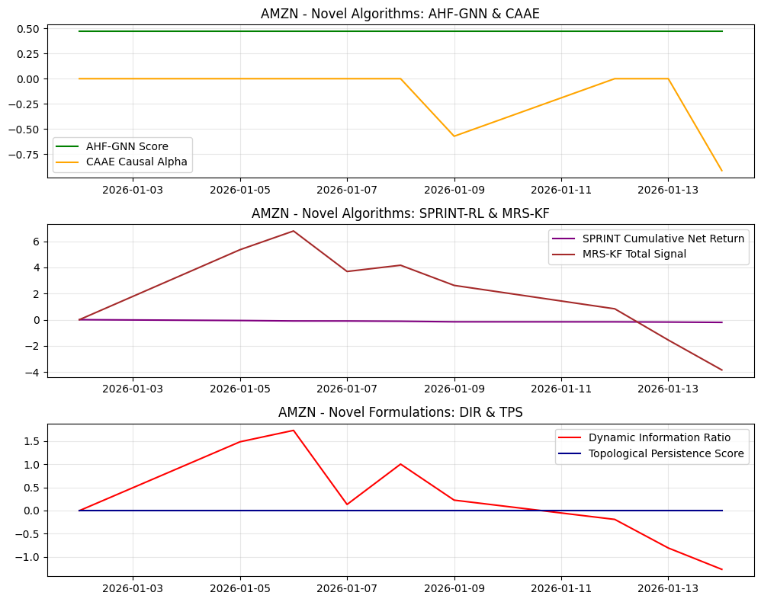
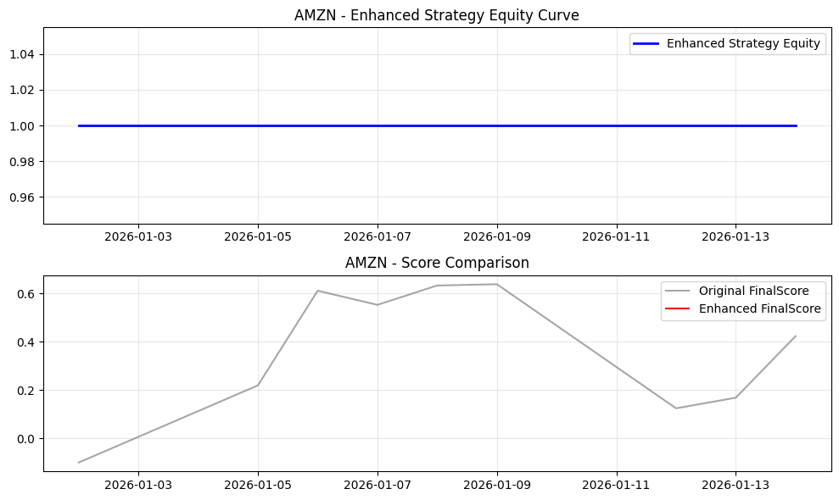
Date | Open | High | Low | Close | Volume | Adj Close | SMA_10 | SMA_20 | SMA_50 | EMA_12 | EMA_26 | RSI | MACD | MACD_Signal | MACD_Hist | BB_Mid | BB_Upper | BB_Lower | BB_Width | BB_Position | Daily_Return | Cumulative_Return | Volatility | MA_Signal | RSI_Signal | MACD_Signal_Flag | BB_Signal | Combined_Base_Signal | Hurst | VolRank | RABE_Regime | MACD_Mag | MA_Mag | RSI_Mag | BB_Mag | RegimeScore | W_trend | W_mean | AMSF_Score | Adaptive_SignalWeight_MACD | Adaptive_SignalWeight_MA | Adaptive_SignalWeight_RSI | Adaptive_SignalWeight_BB | AMSF_Signal | TechPerc | FundPerc | SignalConfidence | alpha_FTCS | FTCS_Score | FTCS_Formula | Drawdown | DPS_PositionSize | Dynamic_PositionSize | CASP_Adjustment | VR_MACD | VR_MACD_Signal | VR_EMA_Span | LWPC_Weight | MHRP_Short | MHRP_Long | MultiHorizon_ForecastBlend | MHRP_ReturnForecast | AHF_GNN_Score | AHF_Centrality | AHF_ClusterID | CAAE_CausalAlpha | CAAE_InstrumentStrength | CAAE_Attribution | SPRINT_Position | SPRINT_Action | SPRINT_ExecutionCost | SPRINT_NetReturn | MRS_Level1 | MRS_Level2 | MRS_Level3 | MRS_Trend | MRS_TotalSignal | MRS_Uncertainty | DFAM_GlobalModel | DFAM_PrivacyNoise | DFAM_FederatedScore | DIR_Alpha | DIR_ResidualVol | DIR_ConditionalVaR | DIR_VaRChange | DIR_Score | NEAD_MarketEntropy | NEAD_InitialAlpha | NEAD_DecayedAlpha | NEAD_DecayFactor | LACM_SpreadCost | LACM_ImpactElasticity | LACM_TradeSize | LACM_ExecutionRate | LACM_TotalCost | TPS_RawPersistence | TPS_NormalizedPersistence | TPS_RobustnessScore | WFO_Factor1 | WFO_Factor2 | WFO_Factor3 | WFO_Factor4 | WFO_WassersteinScore | WFO_OrthogonalityScore | SignalConfidence_Entropy | EnhancedFinalScore | FinalScore | FinalSignal | Position | StrategyRet | Equity
2026-01-02 | 231.33999634 | 235.46000671 | 224.69999695 | 226.5 | 51456200 | 226.5 | 226.5 | 226.5 | 226.5 | 226.5 | 226.5 | 50 | 0 | 0 | 0 | 226.5 | 226.5 | 226.5 | 0 | 0.5 | 0 | 0 |  | -1 | 0 | -1 | 0 | -2 |  |  | Neutral | 0 | 0 | 0 | 0 | 0.5 | 0.5 | 0.5 | 0 | 0.25 | 0.25 | 0.25 | 0.25 | 0 | 33.333333333 | 48 | 1 | 0 | 33.333333333 | 33.333333333 | 0 | 0 | 0 | 0 | 0 | 0 | 18 | 0.047110776985 | 0 | 0 | 0.45 | 0 | 0.46772689064 | 0.22842219333 | 1 | 0 | 0.0089771764267 | 0 | 0 | 0 | 0 | 0 | 0 | 0 | 0 | 0 | 0 | 0.4 |  | 1.4588493936 |  | -7.9365079365E-05 | 0.01946421491 |  | 0 | -0.0040774867999 | 1 | 0 | 0 | 0.22313016015 |  | 0.00015561030102 | 2014872.8722 | 33581.214537 |  | 0 | 0 | 0 | 0.26666834378 | -0.60887093527 | -0.078653942 | 0.35961798938 | 0.27332719818 | 0.26878068885 | 1 |  | -0.1 | 0 | 0 |  | 1
2026-01-05 | 228.83999634 | 234 | 227.17999268 | 233.05999756 | 49733300 | 233.05999756 | 229.77999878 | 229.77999878 | 229.77999878 | 227.50923039 | 226.98592575 | 50 | 0.52330464855 | 0.10466092971 | 0.41864371884 | 229.77999878 | 239.0572363 | 220.50276126 | 18.554475033 | 0.6767766953 | 0.028962461627 | 0.028962461627 | 0.32510282546 | -1 | 0 | 1 | 0 | 0 |  | 100 | Neutral | 0.17772176593 | 0 | 0 | -0.35355339059 | 0.5 | 0.5 | 0.5 | -0.035057445115 | 0.25 | 0.25 | 0.25 | 0.25 | 0 | 22.222222222 | 48 | 0.94377057412 | 0.056229425878 | 23.671691867 | 23.671691867 | 0 | 1000000 | 1000000 | 0 | 2.499046689 | 0.4998093378 | 6 | 0.047110776985 | 0 | 3.649270165 | 0.45 | 2.0070985908 | 0.46772689064 | 0.22842219333 | 1 | 0 | 0.0089771764267 | 0 | -1 | 0 | 0.033510282546 | -0.062472744173 | 1.1507499253 | 1.3435457243 | 1.4995898242 | 1.361138341 | 5.3550238148 | 0.28503433993 |  | 0.089570793549 |  | 0.028883096548 | 0.01946421491 |  | 0 | 1.4839076059 | 1 | 0 | 0 | 0.22313016015 | 0.032510282546 | 0.00015561030102 | 2014872.8722 | 33581.214537 | 0.061026147052 | 0 | 0 | 0 | 0.26666834378 | -0.48045353159 | 0.19527302374 | -0.086160009874 | 0.27332719818 | 0.26878068885 | 0.94378917715 |  | 0.21957154002 | 0 | 0 | 0 | 1
2026-01-06 | 232.1000061 | 243.17999268 | 232.07000732 | 240.92999268 | 53764700 | 240.92999268 | 233.49666341 | 233.49666341 | 233.49666341 | 229.57396305 | 228.01881959 | 50 | 1.5551434606 | 0.39475743589 | 1.1603860247 | 233.49666341 | 247.9464634 | 219.04686342 | 28.899599985 | 0.75721218523 | 0.033768107782 | 0.063708576935 | 0.28998715128 | -1 | 0 | 1 | 0 | 0 |  | 50 | Neutral | 0.44754638025 | 0 | 0 | -0.51442437045 | 0.5 | 0.5 | 0.5 | 0.0056577610916 | 0.25 | 0.25 | 0.25 | 0.25 | 0 | 55.555555556 | 48 | 0.98894669298 | 0.011053307019 | 55.47204168 | 55.47204168 | 0 | 309721.05483 | 309721.05483 | 0 | 3.6915584937 | 1.138159169 | 18 | 0.047110776985 | 0 | 5.2693678304 | 0.45 | 2.8981523067 | 0.46772689064 | 0.22842219333 | 1 | 0 | 0.0089771764267 | 0 | -1 | 0 | 0 | -0.033768107782 | 1.3981904024 | 1.690978029 | 1.9768281813 | 1.7228445705 | 6.7888411832 | 0.25590841901 |  | 0.67657346459 |  | 0.033688742702 | 0.01946421491 |  | 0 | 1.7308040863 | 1 | 0 | 0 | 0.22313016015 | 0.028998715128 | 0.00015561030102 | 2014872.8722 | 33581.214537 | 0.057514579634 | 0 | 0 | 0 | 0.26666834378 | -0.2272433573 | 0.34862975599 | -0.073425416728 | 0.27332719818 | 0.26878068885 | 0.98894679483 |  | 0.61189111987 | 0 | 0 | 0 | 1
2026-01-07 | 239.61000061 | 245.28999329 | 239.52000427 | 241.55999756 | 42236500 | 241.55999756 | 235.51249695 | 235.51249695 | 235.51249695 | 231.41796836 | 229.02186981 | 50 | 2.3960985495 | 0.79502565861 | 1.6010728909 | 235.51249695 | 249.8028843 | 221.22210959 | 28.580774712 | 0.71159330603 | 0.0026148877349 | 0.066490055446 | 0.27775697562 | -1 | 0 | 1 | 0 | 0 |  | 33.333333333 | Neutral | 0.58022741565 | 0 | 0 | -0.42318661207 | 0.5 | 0.5 | 0.5 | 0.06816569763 | 0.25 | 0.25 | 0.25 | 0.25 | 0 | 66.666666667 | 48 | 0.91573091008 | 0.084269089916 | 65.093643655 | 65.093643655 | 0 | 1000000 | 1000000 | 0 | 4.4760124271 | 1.8057298206 | 22 | 0.047110776985 | 0 | 4.1167638001 | 0.45 | 2.26422009 | 0.46772689064 | 0.22842219333 | 1 | 0 | 0.0089771764267 | 0 | -1 | 1 | 0 | -0.0026148877349 | 1.1305729902 | 1.0116228485 | 0.75190966018 | 0.79561504644 | 3.6897205454 | 0.24037715808 |  | 1.5417872343 |  | 0.0025355226555 | 0.01946421491 |  | 0 | 0.130265858 | 1 | 0 | 0 | 0.22313016015 | 0.027775697562 | 0.00015561030102 | 2014872.8722 | 33581.214537 | 0.056291562068 | 0 | 0 | 0 | 0.26666834378 | -0.02087548071 | 0.31325148822 | 0.20508494774 | 0.27332719818 | 0.26878068885 | 0.91583316015 |  | 0.55318602808 | 0 | 0 | 0 | 1
2026-01-08 | 243.05999756 | 246.41000366 | 241.88000488 | 246.28999329 | 39509800 | 246.28999329 | 237.66799622 | 237.66799622 | 237.66799622 | 233.7059722 | 230.30099007 | 50 | 3.4049821268 | 1.3170169522 | 2.0879651745 | 237.66799622 | 253.35509027 | 221.98090216 | 31.374188113 | 0.77481179877 | 0.019581038977 | 0.087373038791 | 0.2416450082 | -1 | 0 | 1 | 0 | 0 |  | 25 | Neutral | 0.68990107406 | 0 | 0 | -0.54962359754 | 0.5 | 0.5 | 0.5 | 0.069452427359 | 0.25 | 0.25 | 0.25 | 0.25 | 0 | 77.777777778 | 48 | 0.92334293821 | 0.076657061792 | 75.495100827 | 75.495100827 | 0 | 1000000 | 1000000 | 0 | 5.4482976438 | 2.5342433852 | 24 | 0.047110776985 | 0 | 4.2802954045 | 0.45 | 2.3541624725 | 0.46772689064 | 0.22842219333 | 1 | 0 | 0.0089771764267 | 0 | -1 | 0 | 0 | -0.019581038977 | 1.1428645178 | 1.1014437748 | 0.96769033177 | 0.95449452674 | 4.1664931511 | 0.23166951035 |  | 0.62114488516 |  | 0.019501673898 | 0.01946421491 |  | 0 | 1.0019245055 | -1424.9710665 | 0 |  |  | 0.02416450082 | 0.00015561030102 | 2014872.8722 | 33581.214537 | 0.052680365326 | 0 | 0 | 0 | 0.26666834378 | 0.22670154726 | 0.44094280843 | -0.012066497259 | 0.27332719818 | 0.26878068885 | 0.92344030868 |  | 0.63332091267 | 0 | 0 | 0 | 1
2026-01-09 | 244.57000732 | 247.86000061 | 242.24000549 | 247.38000488 | 34560000 | 247.38000488 | 239.28666433 | 239.28666433 | 239.28666433 | 235.80966953 | 231.56610228 | 50 | 4.2435672548 | 1.9023270128 | 2.341240242 | 239.28666433 | 255.40342612 | 223.16990253 | 32.233523596 | 0.75108457447 | 0.0044257242535 | 0.092185452021 | 0.23095248597 | -1 | 0 | 1 | 0 | 0 |  | 20 | Neutral | 0.73815551081 | 0 | 0 | -0.50216914895 | 0.5 | 0.5 | 0.5 | 0.095611412238 | 0.25 | 0.25 | 0.25 | 0.25 | 0 | 88.888888889 | 48 | 0.90491018233 | 0.095089817675 | 85.0007719 | 85.0007719 | 0 | 1000000 | 1000000 | 0 | 6.0738607275 | 3.2421668537 | 25.2 | 0.047110776985 | 0 | 3.7527932557 | 0.45 | 2.0640362907 | 0.46772689064 | 0.22842219333 | 1 | -0.57164701193 | 0.0089771764267 | -0.054655978113 | 1 | 2 | 0.048190497193 | -0.04376477294 | 0.94575599369 | 0.79443901483 | 0.4071490208 | 0.47790295129 | 2.6252469806 | 0.22699306375 |  | 0.51909886303 |  | 0.0043463591741 | 0.01946421491 |  | 0 | 0.22329999922 | -1013.6182036 | 0 |  |  | 0.023095248597 | 0.00015561030102 | 2014872.8722 | 33581.214537 | 0.051611113103 | 0 | 0 | 0 | 0.26666834378 | 0.43248784251 | 0.43705672644 | 0.02253239428 | 0.27332719818 | 0.26878068885 | 0.90513486547 |  | 0.63880848143 | 0 | 0 | 0 | 1
2026-01-12 | 246.72999573 | 248.94000244 | 245.96000671 | 246.47000122 | 35867800 | 246.47000122 | 240.31285531 | 240.31285531 | 240.31285531 | 237.44972056 | 232.67009479 | 95.823757204 | 4.7796257695 | 2.4777867641 | 2.3018390054 | 240.31285531 | 255.99546494 | 224.63024569 | 31.365219248 | 0.69630488983 | -0.0036785659477 | 0.088167775809 | 0.23846264109 | -1 | -1 | 1 | 0 | -1 |  | 33.333333333 | Neutral | 0.73241749706 | 0 | -0.91647514408 | -0.39260977965 | 0.5 | 0.5 | 0.5 | -0.10713326058 | 0.25 | 0.25 | 0.25 | 0.25 | 0 | 11.111111111 | 48 | 0.47286863245 | 0.52713136755 | 30.556401559 | 30.556401559 | 0.0036785659477 | 1000000 | 1000000 | 0 | 6.5248017045 | 3.8986938239 | 22 | 0.047110776985 | 0 | 3.0842515594 | 0.45 | 1.6963383577 | 0.46772689064 | 0.22842219333 | 1 | 0 | 0.0089771764267 | 0 | 1 | 2 | 0 | -0.0036785659477 | 0.67138763595 | 0.43921128887 | -0.20242425057 | -0.075394704742 | 0.83277996951 | 0.22473924135 |  | 4.2866136344 |  | -0.0037579310271 | 0.01946421491 |  | 0 | -0.19306871839 | -719.85539861 | 0 |  |  | 0.023846264109 | 0.00015561030102 | 2014872.8722 | 33581.214537 | 0.052362128615 | 0 | 0 | 0 | 0.51106325256 | 0.0060199288639 | -0.3556423846 | -0.62249122707 | 0.27332719818 | 0.26878068885 | 0.47310396812 |  | 0.12450634272 | 0 | 0 | 0 | 1
2026-01-13 | 246.52999878 | 247.66000366 | 240.25 | 242.6000061 | 38317900 | 242.6000061 | 240.59874916 | 240.59874916 | 240.59874916 | 238.24207218 | 233.40564378 | 81.371792295 | 4.8364284053 | 2.9495150923 | 1.886913313 | 240.59874916 | 255.20781764 | 225.98968068 | 29.218136963 | 0.56849365328 | -0.01570168823 | 0.071081704651 | 0.2707999085 | -1 | -1 | 1 | 0 | -1 |  | 57.142857143 | Neutral | 0.65143514149 | 0 | -0.6274358459 | -0.13698730657 | 0.5 | 0.5 | 0.5 | 0.0043247273678 | 0.25 | 0.25 | 0.25 | 0.25 | 0 | 44.444444444 | 48 | 0.52220916266 | 0.47779083734 | 46.143256311 | 46.143256311 | 0.019322494482 | 248714.76384 | 248714.76384 | 0 | 6.0529503888 | 4.3295451369 | 16.285714286 | 0.047110776985 | 0 | 2.2041169352 | 0.45 | 1.2122643144 | 0.46772689064 | 0.22842219333 | 1 | 0 | 0.0089771764267 | 0 | 1 | 2 | 0 | -0.01570168823 | 0.28544884173 | -0.028704694987 | -0.98565973881 | -0.82810406155 | -1.5570196536 | 0.22390384748 |  | 1.3740094788 |  | -0.015781053309 | 0.01946421491 |  | 0 | -0.81077266061 | -583.16911943 | 0 |  |  | 0.02707999085 | 0.00015561030102 | 2014872.8722 | 33581.214537 | 0.055595855355 | 0 | 0 | 0 | 0.43398562163 | 0.1959467545 | -0.30675192548 | -0.050890391216 | 0.27332719818 | 0.26878068885 | 0.52220919644 |  | 0.16856546159 | 0 | 0 | 0 | 1
2026-01-14 | 246.72999573 | 241.19999695 | 236.36000061 | 236.61000061 | 17230917 | 236.61000061 | 240.15555488 | 240.15555488 | 240.15555488 | 237.99098425 | 233.64300354 | 65.971560325 | 4.3479807057 | 3.229208215 | 1.1187724907 | 240.15555488 | 254.07740583 | 226.23370393 | 27.843701901 | 0.37266225304 | -0.024690871156 | 0.044635764284 | 0.3089848327 | -1 | 0 | 1 | 0 | 0 |  | 87.5 | Neutral | 0.44048627414 | 0 | -0.3194312065 | 0.25467549392 | 0.5 | 0.5 | 0.5 | 0.11544001457 | 0.25 | 0.25 | 0.25 | 0.25 | 0 | 100 | 48 | 0.86314473963 | 0.13685526037 | 92.883526461 | 92.883526461 | 0.043536276416 | 1000000 | 1000000 | 0 | 3.4224684912 | 4.1481298077 | 9 | 0.047110776985 | 0 | 1.2678706612 | 0.45 | 0.69732886363 | 0.46772689064 | 0.22842219333 | 1 | -0.91262679636 | 0.0089771764267 | -0.10535365067 | 1 | 2 | 0 | -0.024690871156 | -0.1266985456 | -0.48710962041 | -1.692598101 | -1.5407894876 | -3.8471957545 | 0.22385562933 |  | 1.1495582135 |  | -0.024770236235 | 0.01946421491 |  | 0 | -1.2726039221 | -583.16911943 | 0 |  |  | 0.03089848327 | 0.00015561030102 | 2014872.8722 | 33581.214537 | 0.059414347776 | 0 | 0 | 0 | 0.35185053456 | 0.26361821522 | -0.36053489393 | 0.65196760403 | 0.27332719818 | 0.26878068885 | 0.8635962089 |  | 0.42349006805 | 0 | 0 | 0 | 1

TS_GOOGL
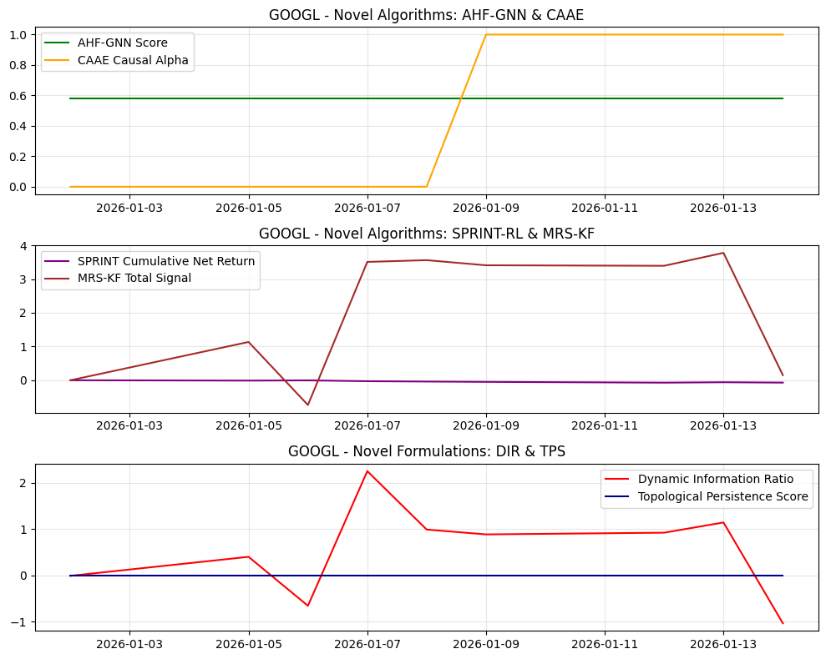
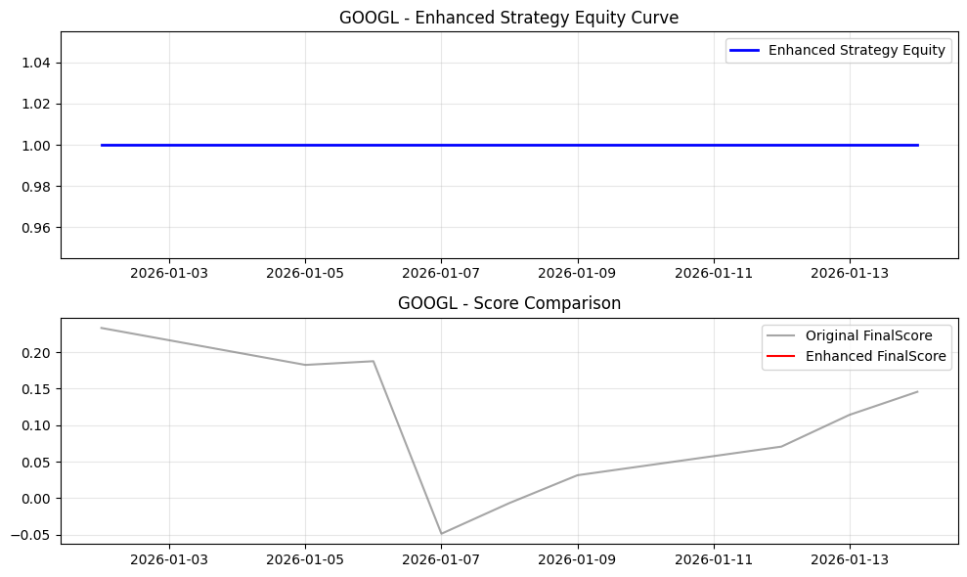
Date | Open | High | Low | Close | Volume | Adj Close | SMA_10 | SMA_20 | SMA_50 | EMA_12 | EMA_26 | RSI | MACD | MACD_Signal | MACD_Hist | BB_Mid | BB_Upper | BB_Lower | BB_Width | BB_Position | Daily_Return | Cumulative_Return | Volatility | MA_Signal | RSI_Signal | MACD_Signal_Flag | BB_Signal | Combined_Base_Signal | Hurst | VolRank | RABE_Regime | MACD_Mag | MA_Mag | RSI_Mag | BB_Mag | RegimeScore | W_trend | W_mean | AMSF_Score | Adaptive_SignalWeight_MACD | Adaptive_SignalWeight_MA | Adaptive_SignalWeight_RSI | Adaptive_SignalWeight_BB | AMSF_Signal | TechPerc | FundPerc | SignalConfidence | alpha_FTCS | FTCS_Score | FTCS_Formula | Drawdown | DPS_PositionSize | Dynamic_PositionSize | CASP_Adjustment | VR_MACD | VR_MACD_Signal | VR_EMA_Span | LWPC_Weight | MHRP_Short | MHRP_Long | MultiHorizon_ForecastBlend | MHRP_ReturnForecast | AHF_GNN_Score | AHF_Centrality | AHF_ClusterID | CAAE_CausalAlpha | CAAE_InstrumentStrength | CAAE_Attribution | SPRINT_Position | SPRINT_Action | SPRINT_ExecutionCost | SPRINT_NetReturn | MRS_Level1 | MRS_Level2 | MRS_Level3 | MRS_Trend | MRS_TotalSignal | MRS_Uncertainty | DFAM_GlobalModel | DFAM_PrivacyNoise | DFAM_FederatedScore | DIR_Alpha | DIR_ResidualVol | DIR_ConditionalVaR | DIR_VaRChange | DIR_Score | NEAD_MarketEntropy | NEAD_InitialAlpha | NEAD_DecayedAlpha | NEAD_DecayFactor | LACM_SpreadCost | LACM_ImpactElasticity | LACM_TradeSize | LACM_ExecutionRate | LACM_TotalCost | TPS_RawPersistence | TPS_NormalizedPersistence | TPS_RobustnessScore | WFO_Factor1 | WFO_Factor2 | WFO_Factor3 | WFO_Factor4 | WFO_WassersteinScore | WFO_OrthogonalityScore | SignalConfidence_Entropy | EnhancedFinalScore | FinalScore | FinalSignal | Position | StrategyRet | Equity
2026-01-02 | 316.8999939 | 322.5 | 310.32998657 | 315.1499939 | 32009400 | 315.1499939 | 315.1499939 | 315.1499939 | 315.1499939 | 315.1499939 | 315.1499939 | 50 | 0 | 0 | 0 | 315.1499939 | 315.1499939 | 315.1499939 | 0 | 0.5 | 0 | 0 |  | -1 | 0 | -1 | 0 | -2 |  |  | Neutral | 0 | 0 | 0 | 0 | 0.5 | 0.5 | 0.5 | 0 | 0.25 | 0.25 | 0.25 | 0.25 | 0 | 88.888888889 | 56 | 1 | 0 | 88.888888889 | 88.888888889 | 0 | 0 | 0 | 0 | 0 | 0 | 18 | 0.088750033889 | 0 | 0 | 0.45 | 0 | 0.58217785336 | 0.3031454122 | 1 | 0 | 0.0091636814956 | 0 | 0 | 0 | 0 | 0 | 0 | 0 | 0 | 0 | 0 | 0.4 |  | 0.21807779422 |  | -7.9365079365E-05 | 0.010742439062 |  | 0 | -0.0073879943751 | 1 | 0 | 0 | 0.22313016015 |  | 0.00018071158794 | 1481080.4111 | 24684.673519 |  | 0 | 0 | 0 | 0.22234554754 | -0.33196050145 | -0.13996269954 | 0.29939465643 | 0.27869740327 | 0.2533998879 | 1 |  | 0.23333333333 | 0 | 0 |  | 1
2026-01-05 | 317.66000366 | 319.01998901 | 314.63000488 | 316.54000854 | 30195600 | 316.54000854 | 315.84500122 | 315.84500122 | 315.84500122 | 315.3638423 | 315.25295794 | 50 | 0.11088435942 | 0.022176871884 | 0.088707487536 | 315.84500122 | 317.81077879 | 313.87922365 | 3.9315551354 | 0.6767766953 | 0.0044106446941 | 0.0044106446941 | 0.049509363901 | -1 | 0 | 1 | 0 | 0 |  | 100 | Neutral | 0.028016765736 | 0 | 0 | -0.35355339059 | 0.5 | 0.5 | 0.5 | -0.079813193328 | 0.25 | 0.25 | 0.25 | 0.25 | 0 | 77.777777778 | 56 | 0.97654300539 | 0.023456994606 | 77.266936562 | 77.266936562 | 0 | 1000000 | 1000000 | 0 | 0.52952938988 | 0.10590587798 | 6 | 0.088750033889 | 0 | 0.55574123146 | 0.45 | 0.3056576773 | 0.58217785336 | 0.3031454122 | 1 | 0 | 0.0091636814956 | 0 | -1 | 0 | 0.0059509363901 | -0.010361581084 | 0.24383534271 | 0.2846873373 | 0.31775192042 | 0.28841508181 | 1.1346896822 | 0.28503433993 |  | 0.91691263107 |  | 0.0043312796148 | 0.010742439062 |  | 0 | 0.40319331483 | 1 | 0 | 0 | 0.22313016015 | 0.0049509363901 | 0.00018071158794 | 1481080.4111 | 24684.673519 | 0.033343178904 | 0 | 0 | 0 | 0.22234554754 | -0.3029199815 | 0.72096042236 | 0.49349278279 | 0.27869740327 | 0.2533998879 | 0.97658508869 |  | 0.18266270943 | 0 | 0 | 0 | 1
2026-01-06 | 316.3999939 | 320.94000244 | 311.77999878 | 314.33999634 | 31212100 | 314.33999634 | 315.34333293 | 315.34333293 | 315.34333293 | 315.20632754 | 315.18533116 | 38.718781346 | 0.020996381089 | 0.021940773725 | -0.00094439263629 | 315.34333293 | 317.5686854 | 313.11798045 | 4.4507049566 | 0.27456681619 | -0.0069501868568 | -0.0025701969674 | 0.090921668785 | -1 | 0 | -1 | 0 | -2 |  | 100 | Neutral | -0.00030043666685 | 0 | 0.22562437308 | 0.45086636761 | 0.5 | 0.5 | 0.5 | 0.16744087638 | 0.25 | 0.25 | 0.25 | 0.25 | 0 | 100 | 56 | 0.55170053673 | 0.44829946327 | 80.274823616 | 80.274823616 | 0.0069501868568 | 1000000 | 1000000 | 0 | -0.28335481328 | 0.028053739725 | 6 | 0.088750033889 | 0 | -0.21332154166 | 0.45 | -0.11732684791 | 0.58217785336 | 0.3031454122 | 1 | 0 | 0.0091636814956 | 0 | -1 | 0 | 0 | 0.0069501868568 | -0.0068962681532 | -0.16217940484 | -0.34055022535 | -0.22364244993 | -0.73326834827 | 0.25590841901 |  | 2.2062679316 |  | -0.0070295519361 | 0.010742439062 |  | 0 | -0.65437205606 | 1 | 0 | 0 | 0.22313016015 | 0.0090921668785 | 0.00018071158794 | 1481080.4111 | 24684.673519 | 0.037484409393 | 0 | 0 | 0 | 0.17217897277 | -0.25156318697 | -0.64509558778 | 0.52996960647 | 0.27869740327 | 0.2533998879 | 0.55212613309 |  | 0.18773276805 | 0 | 0 | 0 | 1
2026-01-07 | 314.35998535 | 326.1499939 | 314.19000244 | 321.98001099 | 35104400 | 321.98001099 | 317.00250244 | 317.00250244 | 317.00250244 | 316.24843269 | 315.68864078 | 80.409580799 | 0.55979190984 | 0.12951100095 | 0.43028090889 | 317.00250244 | 323.88341503 | 310.12158985 | 13.761825185 | 0.86168956356 | 0.024304939675 | 0.021672274225 | 0.21298988456 | -1 | -1 | 1 | 0 | -1 |  | 100 | Neutral | 0.13284603437 | 0 | -0.60819161599 | -0.72337912711 | 0.5 | 0.5 | 0.5 | -0.28492938889 | 0.25 | 0.25 | 0.25 | 0.25 | 0 | 11.111111111 | 56 | 0.41992615428 | 0.58007384572 | 37.149981519 | 37.149981519 | 0 | 1000000 | 1000000 | 0 | 2.487555445 | 0.51995408079 | 6 | 0.088750033889 | 0 | 1.3712200433 | 0.45 | 0.7541710238 | 0.58217785336 | 0.3031454122 | 1 | 0 | 0.0091636814956 | 0 | -1 | 0 | 0 | -0.024304939675 | 0.42323100602 | 0.77589244875 | 1.3021160514 | 1.0073392381 | 3.5085787442 | 0.24037715808 |  | 1.2005190512 |  | 0.024225574596 | 0.010742439062 |  | 0 | 2.2551279515 | 1 | 0 | 0 | 0.22313016015 | 0.021298988456 | 0.00018071158794 | 1481080.4111 | 24684.673519 | 0.04969123097 | 0 | 0 | 0 | 0.3575742454 | -0.38724706753 | 0.12263503565 | -0.32999923148 | 0.27869740327 | 0.2533998879 | 0.42288031546 |  | -0.048897709311 | 0 | 0 | 0 | 1
2026-01-08 | 328.97000122 | 330.32000732 | 321.5 | 325.44000244 | 31896100 | 325.44000244 | 318.69000244 | 318.69000244 | 318.69000244 | 317.66252034 | 316.41096386 | 85.023776235 | 1.2515564782 | 0.35392009641 | 0.89763638183 | 318.69000244 | 328.30578861 | 309.07421628 | 19.231572331 | 0.85098534243 | 0.010745982164 | 0.032651146261 | 0.18825974157 | -1 | -1 | 1 | 0 | -1 |  | 75 | Neutral | 0.26903421338 | 0 | -0.70047552471 | -0.70197068486 | 0.5 | 0.5 | 0.5 | -0.26353298173 | 0.25 | 0.25 | 0.25 | 0.25 | 0 | 22.222222222 | 56 | 0.46271004432 | 0.53728995568 | 40.370682948 | 40.370682948 | 0 | 1000000 | 1000000 | 0 | 3.5359190326 | 1.1231470712 | 12 | 0.088750033889 | 0 | 1.6385735357 | 0.45 | 0.90121544462 | 0.58217785336 | 0.3031454122 | 1 | 0 | 0.0091636814956 | 0 | -1 | 1 | 0 | -0.010745982164 | 0.53534713272 | 0.80791664555 | 1.2493809441 | 0.96758762682 | 3.5602323492 | 0.23166951035 |  | 0.29973759596 |  | 0.010666617084 | 0.010742439062 |  | 0 | 0.99294182844 | -1419.2801029 | 0 |  |  | 0.018825974157 | 0.00018071158794 | 1481080.4111 | 24684.673519 | 0.047218216671 | 0 | 0 | 0 | 0.37809316162 | -0.23670912474 | -0.073734944704 | -0.31796620582 | 0.27869740327 | 0.2533998879 | 0.46501548539 |  | -0.006811812368 | 0 | 0 | 0 | 1
2026-01-09 | 327.08999634 | 330.82998657 | 325.79998779 | 328.57000732 | 26214200 | 328.57000732 | 320.33666992 | 320.33666992 | 320.33666992 | 319.34059526 | 317.31163375 | 87.654278703 | 2.0289615128 | 0.68892837968 | 1.3400331331 | 320.33666992 | 332.12848937 | 308.54485048 | 23.583638893 | 0.84911225701 | 0.0096177632108 | 0.042582940465 | 0.16959082285 | -1 | -1 | 1 | 0 | -1 |  | 60 | Neutral | 0.38663535429 | 0 | -0.75308557405 | -0.69822451403 | 0.5 | 0.5 | 0.5 | -0.24194302092 | 0.25 | 0.25 | 0.25 | 0.25 | 0 | 33.333333333 | 56 | 0.49948835781 | 0.50051164219 | 44.67826389 | 44.67826389 | 0 | 1000000 | 1000000 | 0 | 4.1575723638 | 1.7300321297 | 15.6 | 0.088750033889 | 0 | 1.7694240012 | 0.45 | 0.97318320068 | 0.58217785336 | 0.3031454122 | 1 | 1 | 0.0091636814956 | -0.24194302092 | -1 | 1 | 0 | -0.0096177632108 | 0.60221565852 | 0.79885668527 | 1.1338393357 | 0.87328172409 | 3.4081934036 | 0.22699306375 |  | 0.60464806164 |  | 0.0095383981315 | 0.010742439062 |  | 0 | 0.88791735995 | -1447.9876223 | 0 |  |  | 0.016959082285 | 0.00018071158794 | 1481080.4111 | 24684.673519 | 0.0453513248 | 0 | 0 | 0 | 0.38979077185 | -0.050571862048 | -0.11624858806 | -0.23392585497 | 0.27869740327 | 0.2533998879 | 0.50125122523 |  | 0.031327144522 | 0 | 0 | 0 | 1
2026-01-12 | 325.79998779 | 334.04000854 | 325 | 331.85998535 | 33923900 | 331.85998535 | 321.98285784 | 321.98285784 | 321.98285784 | 321.26665527 | 318.38928942 | 89.578348872 | 2.8773658524 | 1.1266158742 | 1.7507499782 | 321.98285784 | 335.83026465 | 308.13545103 | 27.694813626 | 0.85664177577 | 0.010013019917 | 0.053022344213 | 0.15585154825 | -1 | -1 | 1 | 0 | -1 |  | 50 | Neutral | 0.48351129567 | 0 | -0.79156697743 | -0.71328355154 | 0.5 | 0.5 | 0.5 | -0.2271280828 | 0.25 | 0.25 | 0.25 | 0.25 | 0 | 44.444444444 | 56 | 0.52753621597 | 0.47246378403 | 49.904025949 | 49.904025949 | 0 | 1000000 | 1000000 | 0 | 4.8803291285 | 2.3600915295 | 18 | 0.088750033889 | 0 | 1.8771178609 | 0.45 | 1.0324148235 | 0.58217785336 | 0.3031454122 | 1 | 1 | 0.0091636814956 | -0.2271280828 | 1 | 2 | 0.03317030965 | -0.023157289733 | 0.66288727843 | 0.81362347537 | 1.0845254553 | 0.83208570226 | 3.3931219113 | 0.22473924135 |  | 1.8842927291 |  | 0.0099336548373 | 0.010742439062 |  | 0 | 0.92471130437 | -1373.5604765 | 0 |  |  | 0.015585154825 | 0.00018071158794 | 1481080.4111 | 24684.673519 | 0.043977397339 | 0 | 0 | 0 | 0.39834694055 | 0.158850211 | -0.068799417622 | -0.12852370162 | 0.27869740327 | 0.2533998879 | 0.52897086166 |  | 0.070594938531 | 0 | 0 | 0 | 1
2026-01-13 | 334.95001221 | 340.48999023 | 333.61999512 | 335.97000122 | 33472800 | 335.97000122 | 323.73125076 | 323.73125076 | 323.73125076 | 323.5287085 | 319.69156437 | 91.276727048 | 3.8371441268 | 1.6687215247 | 2.1684226021 | 323.73125076 | 339.92315651 | 307.53934501 | 32.383811498 | 0.87792804157 | 0.012384788919 | 0.066063803673 | 0.14692579011 | -1 | -1 | 1 | 0 | -1 |  | 42.857142857 | Neutral | 0.56857967896 | 0 | -0.82553454097 | -0.75585608313 | 0.5 | 0.5 | 0.5 | -0.22106328749 | 0.25 | 0.25 | 0.25 | 0.25 | 0 | 55.555555556 | 56 | 0.54512394913 | 0.45487605087 | 55.757722689 | 55.757722689 | 0 | 1000000 | 1000000 | 0 | 5.9107427292 | 3.0702217694 | 19.714285714 | 0.088750033889 | 0 | 2.0325989792 | 0.45 | 1.1179294386 | 0.58217785336 | 0.3031454122 | 1 | 1 | 0.0091636814956 | -0.22106328749 | 1 | 2 | 0 | 0.012384788919 | 0.75980112328 | 0.89889427779 | 1.1856827133 | 0.93233868205 | 3.7767167964 | 0.22390384748 |  | 0.54836649183 |  | 0.012305423839 | 0.010742439062 |  | 0 | 1.1454962666 | -1107.9615457 | 0 |  |  | 0.014692579011 | 0.00018071158794 | 1481080.4111 | 24684.673519 | 0.043084821525 | 0 | 0 | 0 | 0.40589947706 | 0.39893943992 | 0.070279632414 | -0.0036539826348 | 0.27869740327 | 0.2533998879 | 0.54642165105 |  | 0.11412636639 | 0 | 0 | 0 | 1
2026-01-14 | 334.95001221 | 334.94000244 | 330.48001099 | 332.26998901 | 12565974 | 332.26998901 | 324.67999946 | 324.67999946 | 324.67999946 | 324.87352088 | 320.62329953 | 79.598840081 | 4.2502213552 | 2.1850214908 | 2.0651998644 | 324.67999946 | 340.86054495 | 308.49945397 | 32.361090982 | 0.7345405957 | -0.011012924349 | 0.054323323651 | 0.1705309334 | -1 | -1 | 1 | 0 | -1 |  | 75 | Neutral | 0.55220123285 | 0 | -0.59197680161 | -0.46908119139 | 0.5 | 0.5 | 0.5 | -0.09927604005 | 0.25 | 0.25 | 0.25 | 0.25 | 0 | 66.666666667 | 56 | 0.55929235096 | 0.44070764904 | 61.965785077 | 61.965785077 | 0.011012924349 | 1000000 | 1000000 | 0 | 5.9594827059 | 3.6480739567 | 12 | 0.088750033889 | 0 | 1.4983927664 | 0.45 | 0.82411602154 | 0.58217785336 | 0.3031454122 | 1 | 1 | 0.0091636814956 | -0.09927604005 | 1 | 2 | 0 | -0.011012924349 | 0.36044230137 | 0.27564264693 | -0.11178825171 | -0.37284299614 | 0.15145370044 | 0.22385562933 |  | 4.4933892101 |  | -0.011092289429 | 0.010742439062 |  | 0 | -1.032567126 | -1107.9615457 | 0 |  |  | 0.01705309334 | 0.00018071158794 | 1481080.4111 | 24684.673519 | 0.045445335854 | 0 | 0 | 0 | 0.35396895362 | 0.58465596094 | 0.028560093354 | 0.32358140959 | 0.27869740327 | 0.2533998879 | 0.55945380993 |  | 0.14579325462 | 0 | 0 | 0 | 1

TS_META
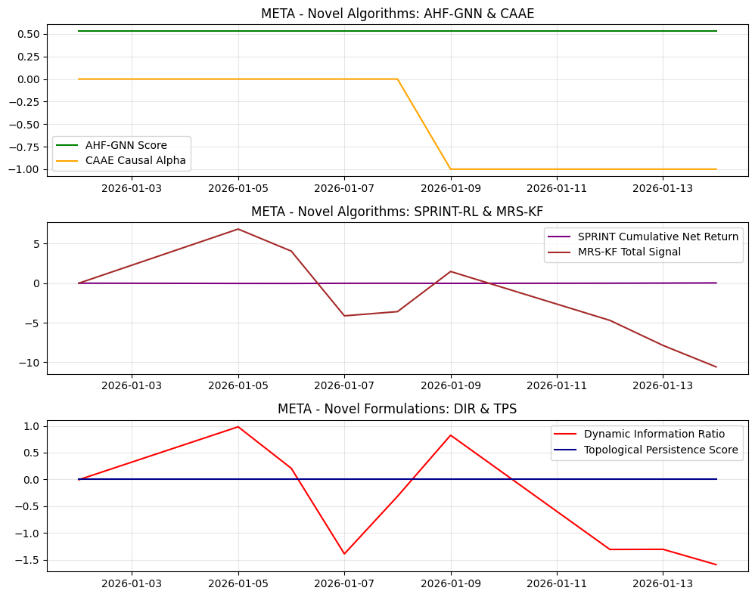
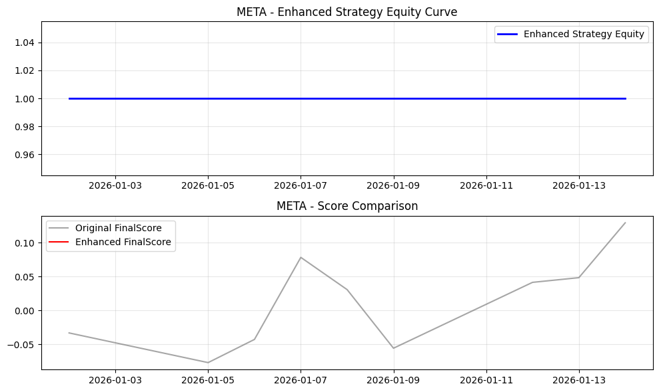
Date | Open | High | Low | Close | Volume | Adj Close | SMA_10 | SMA_20 | SMA_50 | EMA_12 | EMA_26 | RSI | MACD | MACD_Signal | MACD_Hist | BB_Mid | BB_Upper | BB_Lower | BB_Width | BB_Position | Daily_Return | Cumulative_Return | Volatility | MA_Signal | RSI_Signal | MACD_Signal_Flag | BB_Signal | Combined_Base_Signal | Hurst | VolRank | RABE_Regime | MACD_Mag | MA_Mag | RSI_Mag | BB_Mag | RegimeScore | W_trend | W_mean | AMSF_Score | Adaptive_SignalWeight_MACD | Adaptive_SignalWeight_MA | Adaptive_SignalWeight_RSI | Adaptive_SignalWeight_BB | AMSF_Signal | TechPerc | FundPerc | SignalConfidence | alpha_FTCS | FTCS_Score | FTCS_Formula | Drawdown | DPS_PositionSize | Dynamic_PositionSize | CASP_Adjustment | VR_MACD | VR_MACD_Signal | VR_EMA_Span | LWPC_Weight | MHRP_Short | MHRP_Long | MultiHorizon_ForecastBlend | MHRP_ReturnForecast | AHF_GNN_Score | AHF_Centrality | AHF_ClusterID | CAAE_CausalAlpha | CAAE_InstrumentStrength | CAAE_Attribution | SPRINT_Position | SPRINT_Action | SPRINT_ExecutionCost | SPRINT_NetReturn | MRS_Level1 | MRS_Level2 | MRS_Level3 | MRS_Trend | MRS_TotalSignal | MRS_Uncertainty | DFAM_GlobalModel | DFAM_PrivacyNoise | DFAM_FederatedScore | DIR_Alpha | DIR_ResidualVol | DIR_ConditionalVaR | DIR_VaRChange | DIR_Score | NEAD_MarketEntropy | NEAD_InitialAlpha | NEAD_DecayedAlpha | NEAD_DecayFactor | LACM_SpreadCost | LACM_ImpactElasticity | LACM_TradeSize | LACM_ExecutionRate | LACM_TotalCost | TPS_RawPersistence | TPS_NormalizedPersistence | TPS_RobustnessScore | WFO_Factor1 | WFO_Factor2 | WFO_Factor3 | WFO_Factor4 | WFO_WassersteinScore | WFO_OrthogonalityScore | SignalConfidence_Entropy | EnhancedFinalScore | FinalScore | FinalSignal | Position | StrategyRet | Equity
2026-01-02 | 662.72998047 | 664.39001465 | 643.5 | 650.40997314 | 13726500 | 650.40997314 | 650.40997314 | 650.40997314 | 650.40997314 | 650.40997314 | 650.40997314 | 50 | 0 | 0 | 0 | 650.40997314 | 650.40997314 | 650.40997314 | 0 | 0.5 | 0 | 0 |  | -1 | 0 | -1 | 0 | -2 |  |  | Neutral | 0 | 0 | 0 | 0 | 0.5 | 0.5 | 0.5 | 0 | 0.25 | 0.25 | 0.25 | 0.25 | 0 | 44.444444444 | 38 | 1 | 0 | 44.444444444 | 44.444444444 | 0 | 0 | 0 | 0 | 0 | 0 | 18 | 0.12080454994 | 0 | 0 | 0.45 | 0 | 0.52913888584 | 0.32237651463 | 1 | 0 | 0.010965310254 | 0 | 0 | 0 | 0 | 0 | 0 | 0 | 0 | 0 | 0 | 0.4 |  | 2.1220840223 |  | -7.9365079365E-05 | 0.013022112469 |  | 0 | -0.0060946393725 | 1 | 0 | 0 | 0.22313016015 |  | 0.00027216760352 | 624989.7 | 10416.495 |  | 0 | 0 | 0 | 0.37729650333 | 0.0025932359602 | 0.18102975316 | -0.31029500998 | 0.27474278039 | 0.25325893371 | 1 |  | -0.033333333333 | 0 | 0 |  | 1
2026-01-05 | 651.01000977 | 664.53997803 | 647.75 | 658.78997803 | 12213700 | 658.78997803 | 654.59997559 | 654.59997559 | 654.59997559 | 651.69920466 | 651.03071425 | 50 | 0.668490418 | 0.1336980836 | 0.5347923344 | 654.59997559 | 666.45109214 | 642.74885903 | 23.702233116 | 0.6767766953 | 0.012884188787 | 0.012884188787 | 0.14462466044 | -1 | 0 | 1 | 0 | 0 |  | 100 | Neutral | 0.081000122097 | 0 | 0 | -0.35355339059 | 0.5 | 0.5 | 0.5 | -0.064000711381 | 0.25 | 0.25 | 0.25 | 0.25 | 0 | 11.111111111 | 38 | 0.95247130457 | 0.047528695427 | 12.389104921 | 12.389104921 | 0 | 1000000 | 1000000 | 0 | 3.1923828125 | 0.6384765625 | 6 | 0.12080454994 | 0 | 1.6234077871 | 0.45 | 0.89287428293 | 0.52913888584 | 0.32237651463 | 1 | 0 | 0.010965310254 | 0 | -1 | 0 | 0.015462466044 | -0.028346654831 | 1.4700142656 | 1.7162993781 | 1.9156363911 | 1.7387728946 | 6.8407229294 | 0.28503433993 |  | 0.40820578157 |  | 0.012804823707 | 0.013022112469 |  | 0 | 0.98331386235 | 1 | 0 | 0 | 0.22313016015 | 0.014462466044 | 0.00027216760352 | 624989.7 | 10416.495 | 0.042240226867 | 0 | 0 | 0 | 0.37729650333 | 0.14042012818 | 0.47816872646 | 0.18992674417 | 0.27474278039 | 0.25325893371 | 0.952524308 |  | -0.077213422695 | 0 | 0 | 0 | 1
2026-01-06 | 659.57000732 | 665.52001953 | 651.90002441 | 660.61999512 | 11074400 | 660.61999512 | 656.60664876 | 656.60664876 | 656.60664876 | 653.07163397 | 651.74103135 | 50 | 1.3306026168 | 0.37307899025 | 0.9575236266 | 656.60664876 | 667.49450111 | 645.71879642 | 21.775704692 | 0.68430385656 | 0.0027778459765 | 0.015697825055 | 0.1076382385 | -1 | 0 | 1 | 0 | 0 |  | 50 | Neutral | 0.14393662318 | 0 | 0 | -0.36860771313 | 0.5 | 0.5 | 0.5 | -0.048931832239 | 0.25 | 0.25 | 0.25 | 0.25 | 0 | 22.222222222 | 38 | 0.97017860104 | 0.029821398959 | 22.692737628 | 22.692737628 | 0 | 1000000 | 1000000 | 0 | 3.5255118922 | 1.2158836284 | 18 | 0.12080454994 | 0 | 1.3156109201 | 0.45 | 0.72358600607 | 0.52913888584 | 0.32237651463 | 1 | 0 | 0.010965310254 | 0 | -1 | 0 | 0 | -0.0027778459765 | 1.1415107171 | 1.0534507701 | 0.91056437566 | 0.94911667772 | 4.0546425406 | 0.25590841901 |  | 0.95217361097 |  | 0.0026984808972 | 0.013022112469 |  | 0 | 0.20722297582 | 1 | 0 | 0 | 0.22313016015 | 0.01076382385 | 0.00027216760352 | 624989.7 | 10416.495 | 0.038541584672 | 0 | 0 | 0 | 0.37729650333 | 0.27693198266 | 0.37540991183 | 0.43753044504 | 0.27474278039 | 0.25325893371 | 0.970198492 |  | -0.042942731162 | 0 | 0 | 0 | 1
2026-01-07 | 655.64001465 | 659.15002441 | 644.80999756 | 648.69000244 | 12846300 | 648.69000244 | 654.62748718 | 654.62748718 | 654.62748718 | 652.39753681 | 651.51502921 | 46.115696556 | 0.88250760059 | 0.47496471232 | 0.40754288827 | 654.62748718 | 666.53141545 | 642.72355892 | 23.807856529 | 0.25060817701 | -0.018058782301 | -0.0026444408514 | 0.20461131559 | -1 | 0 | 1 | 0 | 0 |  | 100 | Neutral | 0.062742995112 | 0 | 0.077686068886 | 0.49878364598 | 0.5 | 0.5 | 0.5 | 0.16151348072 | 0.25 | 0.25 | 0.25 | 0.25 | 0 | 55.555555556 | 38 | 0.87026787928 | 0.12973212072 | 53.278036103 | 53.278036103 | 0.018058782301 | 1000000 | 1000000 | 0 | -0.70557860563 | 0.83159118163 | 6 | 0.12080454994 | 0 | -0.1509950949 | 0.45 | -0.083047302194 | 0.52913888584 | 0.32237651463 | 1 | 0 | 0.010965310254 | 0 | -1 | 1 | 0 | 0.018058782301 | 0.20457112716 | -0.76688574549 | -2.1800378289 | -1.3819060605 | -4.1242585078 | 0.24037715808 |  | 0.49462908562 |  | -0.018138147381 | 0.013022112469 |  | 0 | -1.3928728864 | 1 | 0 | 0 | 0.22313016015 | 0.020461131559 | 0.00027216760352 | 624989.7 | 10416.495 | 0.048238892382 | 0 | 0 | 0 | 0.34798582118 | 0.18434394431 | -0.49269505999 | 0.073581064986 | 0.27474278039 | 0.25325893371 | 0.87111562982 |  | 0.078414242799 | 0 | 0 | 0 | 1
2026-01-08 | 645.88000488 | 647.09997559 | 635.7199707 | 646.05999756 | 11921700 | 646.05999756 | 652.91398926 | 652.91398926 | 652.91398926 | 651.42253077 | 651.11095279 | 41.219273 | 0.31157798066 | 0.44228736599 | -0.13070938532 | 652.91398926 | 665.75918812 | 640.06879039 | 25.690397728 | 0.2332080347 | -0.0040543323821 | -0.0066880517913 | 0.178888288 | -1 | 0 | -1 | 0 | -2 |  | 75 | Neutral | -0.020229011938 | 0 | 0.17561454001 | 0.5335839306 | 0.5 | 0.5 | 0.5 | 0.16957681241 | 0.25 | 0.25 | 0.25 | 0.25 | 0 | 66.666666667 | 38 | 0.3902084968 | 0.6097915032 | 49.185976908 | 49.185976908 | 0.022039898378 | 1000000 | 1000000 | 0 | -1.9387710898 | 0.27751872735 | 12 | 0.12080454994 | 0 | -0.32513442797 | 0.45 | -0.17882393539 | 0.52913888584 | 0.32237651463 | 1 | 0 | 0.010965310254 | 0 | -1 | 0 | 0 | 0.0040543323821 | -0.024968842836 | -0.71027795215 | -1.7750338789 | -1.08291584 | -3.5931965139 | 0.23166951035 |  | 0.60855743203 |  | -0.0041336974614 | 0.013022112469 |  | 0 | -0.31743678081 | -1436.8418117 | 0 |  |  | 0.0178888288 | 0.00027216760352 | 624989.7 | 10416.495 | 0.045666589623 | 0 | 0 | 0 | 0.31103775145 | 0.066377826478 | -0.33163999823 | 0.3095870751 | 0.27474278039 | 0.25325893371 | 0.39081944953 |  | 0.030695024038 | 0 | 0 | 0 | 1
2026-01-09 | 645.44000244 | 654.95001221 | 642.84997559 | 653.05999756 | 11634900 | 653.05999756 | 652.93832397 | 652.93832397 | 652.93832397 | 651.67444874 | 651.25532648 | 54.170637055 | 0.41912226157 | 0.4376543451 | -0.018532083531 | 652.93832397 | 664.42803761 | 641.44861034 | 22.979427266 | 0.50529489193 | 0.010834907016 | 0.004074390805 | 0.1782571098 | -1 | 0 | -1 | 0 | -2 |  | 60 | Neutral | -0.0028377230045 | 0 | -0.083412741105 | -0.01058978386 | 0.5 | 0.5 | 0.5 | -0.024347135575 | 0.25 | 0.25 | 0.25 | 0.25 | 0 | 33.333333333 | 38 | 0.45780307366 | 0.54219692634 | 35.863585656 | 35.863585656 | 0.011443791612 | 1000000 | 1000000 | 0 | -1.0970405592 | 0.00260687004 | 15.6 | 0.12080454994 | 0 | 0.18412073801 | 0.45 | 0.1012664059 | 0.52913888584 | 0.32237651463 | 1 | -1 | 0.010965310254 | 0.024347135575 | -1 | 0 | 0 | -0.010834907016 | 0.36225960785 | 0.23888871868 | 0.27243096811 | 0.6070167582 | 1.4805960528 | 0.22699306375 |  | 0.32870956326 |  | 0.010755541936 | 0.013022112469 |  | 0 | 0.8259444819 | -1437.655467 | 0 |  |  | 0.01782571098 | 0.00027216760352 | 624989.7 | 10416.495 | 0.045603471802 | 0 | 0 | 0 | 0.40876783888 | 0.089222629072 | 0.033510188408 | -0.73656126263 | 0.27474278039 | 0.25325893371 | 0.45780603005 |  | -0.055935122768 | 0 | 0 | 0 | 1
2026-01-12 | 652.5300293 | 653.9699707 | 641.22998047 | 641.9699707 | 14797200 | 641.9699707 | 651.37141636 | 651.37141636 | 651.37141636 | 650.18145212 | 650.56752234 | 40.153997542 | -0.38607022774 | 0.27290943053 | -0.65897965828 | 651.37141636 | 664.74141453 | 638.0014182 | 26.739996334 | 0.14841260471 | -0.016981635526 | -0.012976434541 | 0.19435470393 | -1 | 0 | -1 | 0 | -2 |  | 83.333333333 | Neutral | -0.10229058344 | 0 | 0.19692004916 | 0.70317479058 | 0.5 | 0.5 | 0.5 | 0.19192645419 | 0.25 | 0.25 | 0.25 | 0.25 | 0 | 77.777777778 | 38 | 0.36333780474 | 0.63666219526 | 52.452770455 | 52.452770455 | 0.02823109284 | 1000000 | 1000000 | 0 | -3.4054616448 | -0.67900683293 | 10 | 0.12080454994 | 0 | -0.45352110352 | 0.45 | -0.24943660694 | 0.52913888584 | 0.32237651463 | 1 | -1 | 0.010965310254 | -0.19192645419 | -1 | 0 | 0 | 0.016981635526 | -0.41212116261 | -0.91827646089 | -1.9589599263 | -1.4103300952 | -4.699687645 | 0.22473924135 |  | 1.1549325399 |  | -0.017061000606 | 0.013022112469 |  | 0 | -1.3101561399 | -1454.6632357 | 0 |  |  | 0.019435470393 | 0.00027216760352 | 624989.7 | 10416.495 | 0.047213231216 | 0 | 0 | 0 | 0.30299925734 | -0.077515961786 | -0.38412008317 | 0.024800548608 | 0.27474278039 | 0.25325893371 | 0.36421626095 |  | 0.041467077923 | 0 | 0 | 0 | 1
2026-01-13 | 642.27001953 | 642.27001953 | 624.09997559 | 631.09002686 | 18003200 | 631.09002686 | 648.83624268 | 648.83624268 | 648.83624268 | 647.24430977 | 649.1247449 | 32.024609416 | -1.880435132 | -0.15775948197 | -1.72267565 | 648.83624268 | 667.78057001 | 629.89191534 | 37.888654671 | 0.031621907025 | -0.016947745758 | -0.029704258986 | 0.19901157487 | -1 | 0 | -1 | 0 | -2 |  | 85.714285714 | Neutral | -0.26638466665 | 0 | 0.35950781168 | 0.93675618595 | 0.5 | 0.5 | 0.5 | 0.23941231325 | 0.25 | 0.25 | 0.25 | 0.25 | 0 | 100 | 38 | 0.34073250553 | 0.65926749447 | 59.125415343 | 59.125415343 | 0.044700385214 | 1000000 | 1000000 | 0 | -7.2522670689 | -1.9936588801 | 9.4285714286 | 0.12080454994 | 0 | -0.93068495695 | 0.45 | -0.51187672632 | 0.52913888584 | 0.32237651463 | 1 | -1 | 0.010965310254 | -0.23941231325 | -1 | 0 | 0 | 0.016947745758 | -0.97638066537 | -1.5487159361 | -2.9609111739 | -2.3785151975 | -7.8645229729 | 0.22390384748 |  | 1.6914995541 |  | -0.017027110837 | 0.013022112469 |  | 0 | -1.3075536614 | -1232.7174436 | 0 |  |  | 0.019901157487 | 0.00027216760352 | 624989.7 | 10416.495 | 0.04767891831 | 0 | 0 | 0 | 0.24165546306 | -0.38604024217 | -0.22548795137 | 0.16878138841 | 0.27474278039 | 0.25325893371 | 0.34232294887 |  | 0.048379536204 | 0 | 0 | 0 | 1
2026-01-14 | 641.70001221 | 628.35998535 | 617.71008301 | 618.03997803 | 6280246 | 618.03997803 | 645.41443549 | 645.41443549 | 645.41443549 | 642.75133565 | 646.82216958 | 25.767348267 | -4.0708339221 | -0.94037436999 | -3.1304595521 | 645.41443549 | 672.53531517 | 618.29355582 | 54.241759348 | -0.0046749551375 | -0.020678585103 | -0.049768602041 | 0.20671962682 | -1 | 1 | -1 | 1 | 0 |  | 100 | Neutral | -0.46722469883 | 0 | 0.48465303467 | 1.0093499103 | 0.5 | 0.5 | 0.5 | 0.22918899014 | 0.25 | 0.25 | 0.25 | 0.25 | 0 | 88.888888889 | 38 | 0.83013998855 | 0.16986001145 | 80.24490164 | 80.24490164 | 0.064454629597 | 1000000 | 1000000 | 0 | -13.026493652 | -4.2002258346 | 6 | 0.12080454994 | 0 | -1.4062759002 | 0.45 | -0.7734517451 | 0.52913888584 | 0.32237651463 | 1 | -1 | 0.010965310254 | -0.22918899014 | -1 | 0 | 0 | 0.020678585103 | -1.5247813652 | -2.1085525941 | -3.756788657 | -3.1868256531 | -10.576948269 | 0.22385562933 |  | 0.85957055388 |  | -0.020757950183 | 0.013022112469 |  | 0 | -1.594053978 | -1232.7174436 | 0 |  |  | 0.020671962682 | 0.00027216760352 | 624989.7 | 10416.495 | 0.048449723505 | 0 | 0 | 0 | 0.19443860802 | -0.83797312819 | 0.21307462855 | 0.057696605971 | 0.27474278039 | 0.25325893371 | 0.83229968083 |  | 0.12951936067 | 0 | 0 | 0 | 1

TS_AVGO
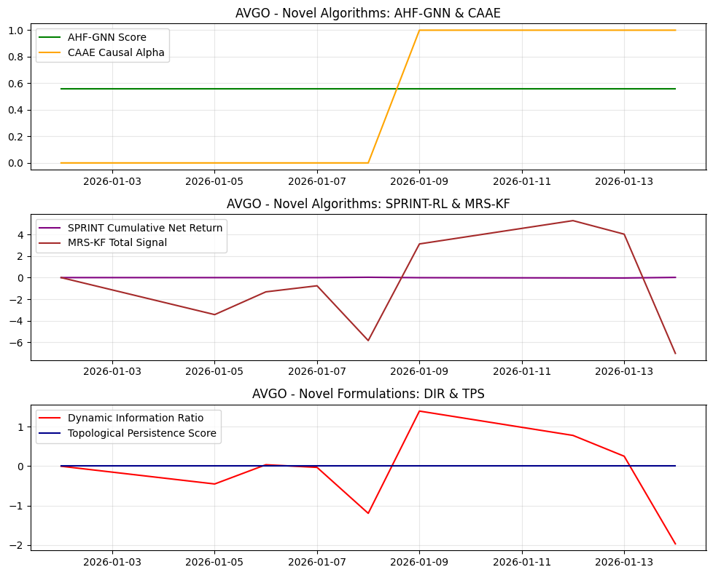
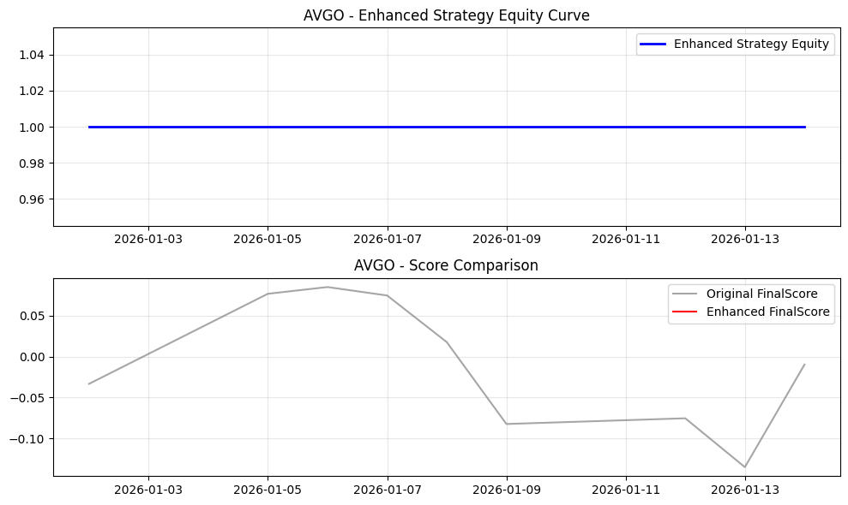
Date | Open | High | Low | Close | Volume | Adj Close | SMA_10 | SMA_20 | SMA_50 | EMA_12 | EMA_26 | RSI | MACD | MACD_Signal | MACD_Hist | BB_Mid | BB_Upper | BB_Lower | BB_Width | BB_Position | Daily_Return | Cumulative_Return | Volatility | MA_Signal | RSI_Signal | MACD_Signal_Flag | BB_Signal | Combined_Base_Signal | Hurst | VolRank | RABE_Regime | MACD_Mag | MA_Mag | RSI_Mag | BB_Mag | RegimeScore | W_trend | W_mean | AMSF_Score | Adaptive_SignalWeight_MACD | Adaptive_SignalWeight_MA | Adaptive_SignalWeight_RSI | Adaptive_SignalWeight_BB | AMSF_Signal | TechPerc | FundPerc | SignalConfidence | alpha_FTCS | FTCS_Score | FTCS_Formula | Drawdown | DPS_PositionSize | Dynamic_PositionSize | CASP_Adjustment | VR_MACD | VR_MACD_Signal | VR_EMA_Span | LWPC_Weight | MHRP_Short | MHRP_Long | MultiHorizon_ForecastBlend | MHRP_ReturnForecast | AHF_GNN_Score | AHF_Centrality | AHF_ClusterID | CAAE_CausalAlpha | CAAE_InstrumentStrength | CAAE_Attribution | SPRINT_Position | SPRINT_Action | SPRINT_ExecutionCost | SPRINT_NetReturn | MRS_Level1 | MRS_Level2 | MRS_Level3 | MRS_Trend | MRS_TotalSignal | MRS_Uncertainty | DFAM_GlobalModel | DFAM_PrivacyNoise | DFAM_FederatedScore | DIR_Alpha | DIR_ResidualVol | DIR_ConditionalVaR | DIR_VaRChange | DIR_Score | NEAD_MarketEntropy | NEAD_InitialAlpha | NEAD_DecayedAlpha | NEAD_DecayFactor | LACM_SpreadCost | LACM_ImpactElasticity | LACM_TradeSize | LACM_ExecutionRate | LACM_TotalCost | TPS_RawPersistence | TPS_NormalizedPersistence | TPS_RobustnessScore | WFO_Factor1 | WFO_Factor2 | WFO_Factor3 | WFO_Factor4 | WFO_WassersteinScore | WFO_OrthogonalityScore | SignalConfidence_Entropy | EnhancedFinalScore | FinalScore | FinalSignal | Position | StrategyRet | Equity
2026-01-02 | 352.77999878 | 360.66000366 | 345.55999756 | 347.61999512 | 25398600 | 347.61999512 | 347.61999512 | 347.61999512 | 347.61999512 | 347.61999512 | 347.61999512 | 50 | 0 | 0 | 0 | 347.61999512 | 347.61999512 | 347.61999512 | 0 | 0.5 | 0 | 0 |  | -1 | 0 | -1 | 0 | -2 |  |  | Neutral | 0 | 0 | 0 | 0 | 0.5 | 0.5 | 0.5 | 0 | 0.25 | 0.25 | 0.25 | 0.25 | 0 | 44.444444444 | 46 | 1 | 0 | 44.444444444 | 44.444444444 | 0 | 0 | 0 | 0 | 0 | 0 | 18 | 0.038552399135 | 0 | 0 | 0.45 | 0 | 0.56048802066 | 0.33422392602 | 1 | 0 | 0.0042788870158 | 0 | 0 | 0 | 0 | 0 | 0 | 0 | 0 | 0 | 0 | 0.4 |  | 0.37693689527 |  | -7.9365079365E-05 | 0.0268293786 |  | 0 | -0.0029581407958 | 1 | 0 | 0 | 0.22313016015 |  | 0.00020632174566 | 1124572.9556 | 18742.882593 |  | 0 | 0 | 0 | 0.43964238756 | 0.26266770517 | -0.1426508154 | 0.38713461567 | 0.26923858905 | 0.30861065184 | 1 |  | -0.033333333333 | 0 | 0 |  | 1
2026-01-05 | 354.73999023 | 355.02999878 | 336.5 | 343.42001343 | 31136000 | 343.42001343 | 345.52000427 | 345.52000427 | 345.52000427 | 346.97384409 | 347.30888536 | 0 | -0.33504127437 | -0.067008254874 | -0.2680330195 | 345.52000427 | 351.45967534 | 339.58033321 | 11.879342134 | 0.3232233047 | -0.012082106175 | -0.012082106175 | 0.13562130545 | -1 | 1 | -1 | 0 | -1 |  | 100 | Neutral | -0.077890073182 | 0 | 1 | 0.35355339059 | 0.5 | 0.5 | 0.5 | 0.3049982664 | 0.25 | 0.25 | 0.25 | 0.25 | 1 | 88.888888889 | 46 | 0.53725555458 | 0.46274444542 | 69.042293785 | 69.042293785 | 0.012082106175 | 1000000 | 1000000 | 0 | -1.5999930246 | -0.31999860491 | 6 | 0.038552399135 | 0 | -1.522345378 | 0.45 | -0.83728995791 | 0.56048802066 | 0.33422392602 | 1 | 0 | 0.0042788870158 | 0 | -1 | 0 | 0.014562130545 | -0.0024800243702 | -0.7367576851 | -0.86019352762 | -0.96009941267 | -0.87145704826 | -3.4285076736 | 0.28503433993 |  | 0.32494169094 |  | -0.012161471254 | 0.0268293786 |  | 0 | -0.4532893376 | 1 | 0 | 0 | 0.22313016015 | 0.013562130545 | 0.00020632174566 | 1124572.9556 | 18742.882593 | 0.041808536471 | 0 | 0 | 0 | 0 | -0.13720343336 | 0.4953474904 | 0.41223540269 | 0.26923858905 | 0.30861065184 | 0.54022458301 |  | 0.076468226311 | 0 | 0 | 0 | 1
2026-01-06 | 343.6000061 | 349.04998779 | 338 | 343.76998901 | 27135500 | 343.76998901 | 344.93666585 | 344.93666585 | 344.93666585 | 346.48094331 | 347.04674489 | 7.6918433461 | -0.56580158477 | -0.16676692085 | -0.39903466391 | 344.93666585 | 349.59748667 | 340.27584503 | 9.3216416436 | 0.37484212719 | 0.0010190890812 | -0.011075329836 | 0.1156875113 | -1 | 1 | -1 | 0 | -1 |  | 50 | Neutral | -0.11555753307 | 0 | 0.84616313308 | 0.25031574562 | 0.5 | 0.5 | 0.5 | 0.23497850827 | 0.25 | 0.25 | 0.25 | 0.25 | 0 | 77.777777778 | 46 | 0.6003013636 | 0.3996986364 | 65.076243332 | 65.076243332 | 0.011075329836 | 1000000 | 1000000 | 0 | -1.5835490406 | -0.57270869205 | 18 | 0.038552399135 | 0 | -0.92929343586 | 0.45 | -0.51111138972 | 0.56048802066 | 0.33422392602 | 1 | 0 | 0.0042788870158 | 0 | -1 | 0 | 0 | -0.0010190890812 | -0.47278806678 | -0.35745069552 | -0.2075520984 | -0.28280966743 | -1.3206005281 | 0.25590841901 |  | 0.059897542588 |  | 0.0009397240018 | 0.0268293786 |  | 0 | 0.035025932423 | 1 | 0 | 0 | 0.22313016015 | 0.01156875113 | 0.00020632174566 | 1124572.9556 | 18742.882593 | 0.039815157056 | 0 | 0 | 0 | 0.067633207469 | -0.19129458036 | 0.40208058928 | 0.25397784203 | 0.26923858905 | 0.30861065184 | 0.6016577207 |  | 0.084667179741 | 0 | 0 | 0 | 1
2026-01-07 | 341.70001221 | 349.70001221 | 335.88000488 | 343.5 | 20249300 | 343.5 | 344.57749939 | 344.57749939 | 344.57749939 | 346.02233664 | 346.78402305 | 7.2609851842 | -0.76168640358 | -0.2857508174 | -0.47593558618 | 344.57749939 | 348.64519848 | 340.50980029 | 8.1353981902 | 0.36755419164 | -0.00078537691567 | -0.011852008443 | 0.097226895813 | -1 | 1 | -1 | 0 | -1 |  | 33.333333333 | Neutral | -0.13767488038 | 0 | 0.85478029632 | 0.26489161673 | 0.5 | 0.5 | 0.5 | 0.23418761918 | 0.25 | 0.25 | 0.25 | 0.25 | 0 | 66.666666667 | 46 | 0.64146499077 | 0.35853500923 | 59.256943143 | 59.256943143 | 0.011852008443 | 1000000 | 1000000 | 0 | -1.5888929738 | -0.7759455484 | 22 | 0.038552399135 | 0 | -0.74644882258 | 0.45 | -0.41054685242 | 0.56048802066 | 0.33422392602 | 1 | 0 | 0.0042788870158 | 0 | -1 | 0 | 0 | 0.00078537691567 | -0.37800565206 | -0.22926326528 | -0.017484643242 | -0.13447505498 | -0.75922861557 | 0.24037715808 |  | 3.3149804071 |  | -0.00086474199504 | 0.0268293786 |  | 0 | -0.032231160025 | 1 | 0 | 0 | 0.22313016015 | 0.0097226895813 | 0.00020632174566 | 1124572.9556 | 18742.882593 | 0.037969095507 | 0 | 0 | 0 | 0.063844737249 | -0.27377522121 | 0.37354199208 | 0.18358174224 | 0.26923858905 | 0.30861065184 | 0.64268698214 |  | 0.074353021331 | 0 | 0 | 0 | 1
2026-01-08 | 342.77999878 | 343.67999268 | 330.5 | 332.48001099 | 24385200 | 332.48001099 | 342.15800171 | 342.15800171 | 342.15800171 | 343.93890193 | 345.7244666 | 2.2094508547 | -1.7855646712 | -0.58571358816 | -1.1998510831 | 342.15800171 | 353.53732561 | 330.77867781 | 22.758647805 | 0.07475545975 | -0.032081481845 | -0.043553260294 | 0.22321716255 | -1 | 1 | -1 | 0 | -1 |  | 100 | Neutral | -0.34598819023 | 0 | 0.95581098291 | 0.8504890805 | 0.5 | 0.5 | 0.5 | 0.33440398589 | 0.25 | 0.25 | 0.25 | 0.25 | 1 | 100 | 46 | 0.38753565292 | 0.61246434708 | 66.926925258 | 66.926925258 | 0.043553260294 | 1000000 | 1000000 | 0 | -5.6463487527 | -1.7500261893 | 6 | 0.038552399135 | 0 | -2.214065743 | 0.45 | -1.2177361587 | 0.56048802066 | 0.33422392602 | 1 | 0 | 0.0042788870158 | 0 | -1 | 1 | 0 | 0.032081481845 | -0.89840804427 | -1.2741993712 | -1.9899342741 | -1.6692072347 | -5.8317489243 | 0.23166951035 |  | 0.20575113139 |  | -0.032160846924 | 0.0268293786 |  | 0 | -1.1987175478 | -521.87178274 | 0 |  |  | 0.022321716255 | 0.00020632174566 | 1124572.9556 | 18742.882593 | 0.050568122181 | 0 | 0 | 0 | 0.01942736498 | -0.71960319058 | -0.14484493689 | 0.10288427394 | 0.26923858905 | 0.30861065184 | 0.39206722852 |  | 0.017551401308 | 0 | 0 | 0 | 1
2026-01-09 | 337.92001343 | 347.39001465 | 333.5 | 344.97000122 | 22482500 | 344.97000122 | 342.62666829 | 342.62666829 | 342.62666829 | 344.09753259 | 345.66858027 | 45.322977653 | -1.5710476865 | -0.78278040782 | -0.78826727865 | 342.62666829 | 353.06040065 | 332.19293594 | 20.867464707 | 0.61229600526 | 0.03756613878 | -0.0076232493346 | 0.36069169241 | -1 | 0 | -1 | 0 | -2 |  | 100 | Neutral | -0.22460748365 | 0 | 0.093540446939 | -0.22459201052 | 0.5 | 0.5 | 0.5 | -0.099811686796 | 0.25 | 0.25 | 0.25 | 0.25 | 0 | 33.333333333 | 46 | 0.30257697723 | 0.69742302277 | 42.167358288 | 42.167358288 | 0.0076232493346 | 1000000 | 1000000 | 0 | -0.77882313405 | -1.5557855782 | 6 | 0.038552399135 | 0 | -0.2672769571 | 0.45 | -0.1470023264 | 0.56048802066 | 0.33422392602 | 1 | 1 | 0.0042788870158 | -0.099811686796 | -1 | 0 | 0 | -0.03756613878 | 0.026068199388 | 0.44698812864 | 1.4444712738 | 1.1990485249 | 3.1165761267 | 0.22699306375 |  | 0.65554907367 |  | 0.037486773701 | 0.0268293786 |  | 0 | 1.3972285478 | -489.05926642 | 0 |  |  | 0.036069169241 | 0.00020632174566 | 1124572.9556 | 18742.882593 | 0.064315575167 | 0 | 0 | 0 | 0.39851804214 | -0.40526528116 | -0.063639139178 | -0.45594748996 | 0.26923858905 | 0.30861065184 | 0.30277135048 |  | -0.08227141709 | 0 | 0 | 0 | 1
2026-01-12 | 340.95001221 | 353.8999939 | 340.95001221 | 352.20999146 | 20949600 | 352.20999146 | 343.99571446 | 343.99571446 | 343.99571446 | 345.34560318 | 346.15312925 | 56.452076479 | -0.80752606791 | -0.78772953984 | -0.019796528069 | 343.99571446 | 355.96229388 | 332.02913504 | 23.933158839 | 0.84321741857 | 0.020987303849 | 0.013204063064 | 0.35484561815 | -1 | 0 | -1 | 0 | -2 |  | 83.333333333 | Neutral | -0.0056206013677 | 0 | -0.12904152957 | -0.68643483715 | 0.5 | 0.5 | 0.5 | -0.20270827318 | 0.25 | 0.25 | 0.25 | 0.25 | 0 | 11.111111111 | 46 | 0.2520198624 | 0.7479801376 | 37.207307023 | 37.207307023 | 0 | 1000000 | 1000000 | 0 | 2.4031878815 | -0.76399088627 | 10 | 0.038552399135 | 0 | 0.52644840391 | 0.45 | 0.28954662215 | 0.56048802066 | 0.33422392602 | 1 | 1 | 0.0042788870158 | -0.20270827318 | -1 | 0 | 0 | -0.020987303849 | 0.44161317675 | 0.90366778218 | 2.123635837 | 1.8056497477 | 5.2745665436 | 0.22473924135 |  | 0.42142389887 |  | 0.02090793877 | 0.0268293786 |  | 0 | 0.77929269555 | -462.18717995 | 0 | 0 | 1.2246522622E+301 | 0.035484561815 | 0.00020632174566 | 1124572.9556 | 18742.882593 | 0.06373096774 | 0 | 0 | 0 | 0.49637451372 | -0.034128894038 | 0.20035981619 | -0.37541026967 | 0.26923858905 | 0.30861065184 | 0.25324886077 |  | -0.075320864373 | 0 | 0 | 0 | 1
2026-01-13 | 352.88000488 | 359.48999023 | 350.91000366 | 354.60998535 | 18287500 | 354.60998535 | 345.32249832 | 345.32249832 | 345.32249832 | 346.77089275 | 346.77956304 | 59.204644277 | -0.008670288773 | -0.63191768963 | 0.62324740085 | 345.32249832 | 358.70432903 | 331.94066762 | 26.763661408 | 0.84701855207 | 0.0068140994143 | 0.020108136277 | 0.32959180708 | -1 | 0 | 1 | 0 | 0 |  | 71.428571429 | Neutral | 0.17396812079 | 0 | -0.18409288554 | -0.69403710414 | 0.5 | 0.5 | 0.5 | -0.16579731515 | 0.25 | 0.25 | 0.25 | 0.25 | 0 | 22.222222222 | 46 | 0.81326428506 | 0.18673571494 | 26.662382555 | 26.662382555 | 0 | 1000000 | 1000000 | 0 | 3.3695221855 | 0.062711728084 | 12.857142857 | 0.038552399135 | 0 | 0.67528648497 | 0.45 | 0.37140756673 | 0.56048802066 | 0.33422392602 | 1 | 1 | 0.0042788870158 | -0.16579731515 | -1 | 0 | 0 | -0.0068140994143 | 0.46313486427 | 0.74282077564 | 1.5546010695 | 1.2597637753 | 4.0203204847 | 0.22390384748 |  | 1.8163201588 |  | 0.0067347343349 | 0.0268293786 |  | 0 | 0.25102088406 | -309.64963879 | 0 | 0 | 5.2323185324E+201 | 0.032959180708 | 0.00020632174566 | 1124572.9556 | 18742.882593 | 0.061205586634 | 0 | 0 | 0 | 0.52057742329 | 0.30747237337 | 0.25421642448 | 0.0048475667172 | 0.26923858905 | 0.30861065184 | 0.81447293555 |  | -0.13485421319 | 0 | 0 | 0 | 1
2026-01-14 | 352.72000122 | 350.69000244 | 334.42010498 | 335.86859131 | 12398932 | 335.86859131 | 344.27206421 | 344.27206421 | 344.27206421 | 345.0936156 | 345.97134291 | 39.639275559 | -0.87772730526 | -0.68107961275 | -0.1966476925 | 344.27206421 | 358.28677236 | 330.25735606 | 28.029416302 | 0.20019094191 | -0.052850722814 | -0.033805316074 | 0.42590318164 | -1 | 0 | -1 | 0 | -2 |  | 100 | Neutral | -0.058482187208 | 0 | 0.20721448882 | 0.59961811618 | 0.5 | 0.5 | 0.5 | 0.18210931701 | 0.25 | 0.25 | 0.25 | 0.25 | 0 | 55.555555556 | 46 | 0.24280531253 | 0.75719468747 | 48.320139653 | 48.320139653 | 0.052850722814 | 1000000 | 1000000 | 0 | -2.8423040102 | -0.51829141957 | 6 | 0.038552399135 | 0 | -0.87956558549 | 0.45 | -0.48376107202 | 0.56048802066 | 0.33422392602 | 1 | 1 | 0.0042788870158 | 0.18210931701 | -1 | 0 | 0 | 0.052850722814 | -0.78744709545 | -1.1605785333 | -2.3712824478 | -2.6976272103 | -7.0169352868 | 0.22385562933 |  | 1.0812491827 |  | -0.052930087894 | 0.0268293786 |  | 0 | -1.9728406193 | -309.64963879 | 0 | 0 | 5.2323185324E+201 | 0.042590318164 | 0.00020632174566 | 1124572.9556 | 18742.882593 | 0.07083672409 | 0 | 0 | 0 | 0.34854211496 | -0.15120074215 | -0.550707859 | 0.47175428399 | 0.26923858905 | 0.30861065184 | 0.24378627141 |  | -0.0098114326165 | 0 | 0 | 0 | 1

TS_TSLA
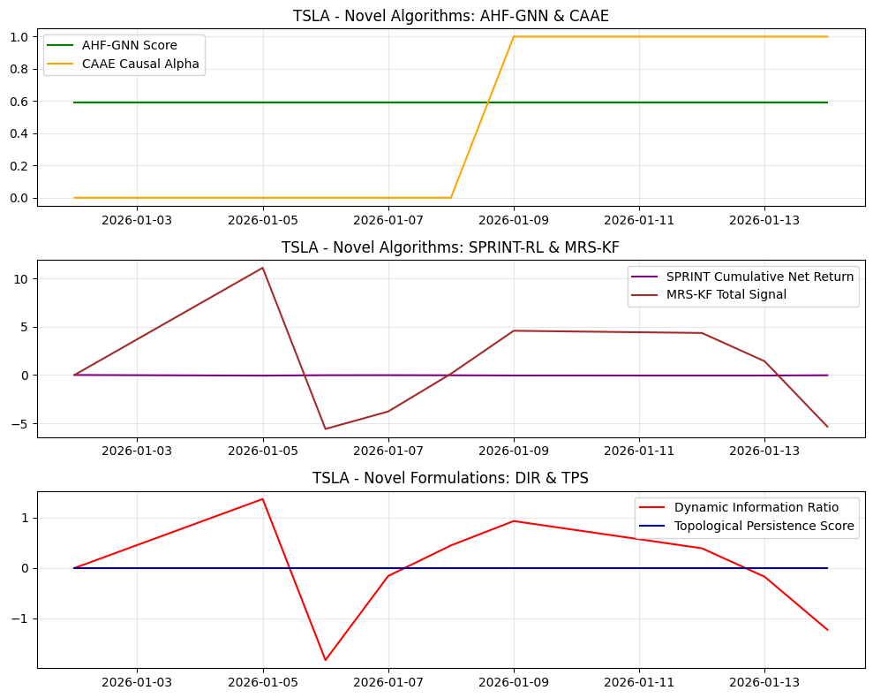
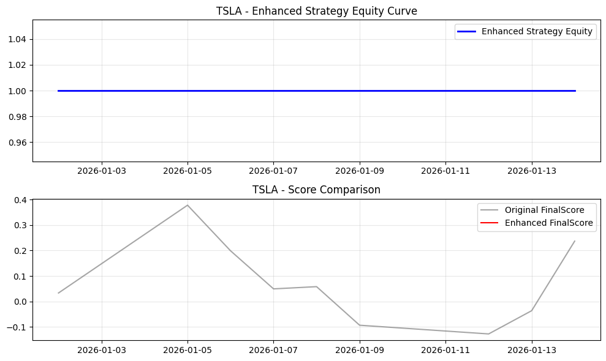
Date | Open | High | Low | Close | Volume | Adj Close | SMA_10 | SMA_20 | SMA_50 | EMA_12 | EMA_26 | RSI | MACD | MACD_Signal | MACD_Hist | BB_Mid | BB_Upper | BB_Lower | BB_Width | BB_Position | Daily_Return | Cumulative_Return | Volatility | MA_Signal | RSI_Signal | MACD_Signal_Flag | BB_Signal | Combined_Base_Signal | Hurst | VolRank | RABE_Regime | MACD_Mag | MA_Mag | RSI_Mag | BB_Mag | RegimeScore | W_trend | W_mean | AMSF_Score | Adaptive_SignalWeight_MACD | Adaptive_SignalWeight_MA | Adaptive_SignalWeight_RSI | Adaptive_SignalWeight_BB | AMSF_Signal | TechPerc | FundPerc | SignalConfidence | alpha_FTCS | FTCS_Score | FTCS_Formula | Drawdown | DPS_PositionSize | Dynamic_PositionSize | CASP_Adjustment | VR_MACD | VR_MACD_Signal | VR_EMA_Span | LWPC_Weight | MHRP_Short | MHRP_Long | MultiHorizon_ForecastBlend | MHRP_ReturnForecast | AHF_GNN_Score | AHF_Centrality | AHF_ClusterID | CAAE_CausalAlpha | CAAE_InstrumentStrength | CAAE_Attribution | SPRINT_Position | SPRINT_Action | SPRINT_ExecutionCost | SPRINT_NetReturn | MRS_Level1 | MRS_Level2 | MRS_Level3 | MRS_Trend | MRS_TotalSignal | MRS_Uncertainty | DFAM_GlobalModel | DFAM_PrivacyNoise | DFAM_FederatedScore | DIR_Alpha | DIR_ResidualVol | DIR_ConditionalVaR | DIR_VaRChange | DIR_Score | NEAD_MarketEntropy | NEAD_InitialAlpha | NEAD_DecayedAlpha | NEAD_DecayFactor | LACM_SpreadCost | LACM_ImpactElasticity | LACM_TradeSize | LACM_ExecutionRate | LACM_TotalCost | TPS_RawPersistence | TPS_NormalizedPersistence | TPS_RobustnessScore | WFO_Factor1 | WFO_Factor2 | WFO_Factor3 | WFO_Factor4 | WFO_WassersteinScore | WFO_OrthogonalityScore | SignalConfidence_Entropy | EnhancedFinalScore | FinalScore | FinalSignal | Position | StrategyRet | Equity
2026-01-02 | 457.79998779 | 458.33999634 | 435.29998779 | 438.07000732 | 85535400 | 438.07000732 | 438.07000732 | 438.07000732 | 438.07000732 | 438.07000732 | 438.07000732 | 50 | 0 | 0 | 0 | 438.07000732 | 438.07000732 | 438.07000732 | 0 | 0.5 | 0 | 0 |  | -1 | 0 | -1 | 0 | -2 |  |  | Neutral | 0 | 0 | 0 | 0 | 0.5 | 0.5 | 0.5 | 0 | 0.25 | 0.25 | 0.25 | 0.25 | 0 | 55.555555556 | 66 | 1 | 0 | 55.555555556 | 55.555555556 | 0 | 0 | 0 | 0 | 0 | 0 | 18 | 0.014672958973 | 0 | 0 | 0.45 | 0 | 0.59329725081 | 0.34439386537 | 1 | 0 | 0.00098666054674 | 0 | 0 | 0 | 0 | 0 | 0 | 0 | 0 | 0 | 0 | 0.4 |  | 2.944962694 |  | -7.9365079365E-05 | 0.022648697547 |  | 0 | -0.0035041785163 | 1 | 0 | 0 | 0.22313016015 |  | 0.00012444983375 | 3178355.5778 | 52972.592963 |  | 0 | 0 | 0 | 0.32797324407 | -0.32020005185 | 0.055316764541 | -0.04876896859 | 0.28130341976 | 0.28815149281 | 1 |  | 0.033333333333 | 0 | 0 |  | 1
2026-01-05 | 447.98999023 | 457.54998779 | 444.57000732 | 451.67001343 | 67940800 | 451.67001343 | 444.87001038 | 444.87001038 | 444.87001038 | 440.16231596 | 439.07741518 | 50 | 1.0849007718 | 0.21698015436 | 0.86792061743 | 444.87001038 | 464.10332346 | 425.6366973 | 38.46662616 | 0.6767766953 | 0.031045280152 | 0.031045280152 | 0.34848240541 | -1 | 0 | 1 | 0 | 0 |  | 100 | Neutral | 0.1898274109 | 0 | 0 | -0.35355339059 | 0.5 | 0.5 | 0.5 | -0.031429769146 | 0.25 | 0.25 | 0.25 | 0.25 | 0 | 44.444444444 | 66 | 0.94555324988 | 0.054446750118 | 45.618074391 | 45.618074391 | 0 | 1000000 | 1000000 | 0 | 5.1809547061 | 1.0361909412 | 6 | 0.014672958973 | 0 | 3.9117052991 | 0.45 | 2.1514379145 | 0.59329725081 | 0.34439386537 | 1 | 0 | 0.00098666054674 | 0 | -1 | 0 | 0.035848240541 | -0.066893520693 | 2.3857030232 | 2.7854019591 | 3.1089082853 | 2.821874487 | 11.101887755 | 0.28503433993 |  | 1.030610009 |  | 0.030965915073 | 0.022648697547 |  | 0 | 1.3672271886 | 1 | 0 | 0 | 0.22313016015 | 0.034848240541 | 0.00012444983375 | 3178355.5778 | 52972.592963 | 0.063491335097 | 0 | 0 | 0 | 0.32797324407 | 0.30547118315 | 0.33027930423 | 0.71381091122 | 0.28130341976 | 0.28815149281 | 0.94556775746 |  | 0.37771363796 | 0 | 0 | 0 | 1
2026-01-06 | 446.38000488 | 448.25 | 428.77999878 | 432.95999146 | 89093800 | 432.95999146 | 440.90000407 | 440.90000407 | 440.90000407 | 439.05426603 | 438.62427269 | 42.092213821 | 0.42999334706 | 0.2595827929 | 0.17041055416 | 440.90000407 | 460.24145094 | 421.5585572 | 38.682893736 | 0.29474098633 | -0.041424095947 | -0.011664838459 | 0.57717083772 | -1 | 0 | 1 | 0 | 0 |  | 100 | Neutral | 0.039339110774 | 0 | 0.15815572358 | 0.41051802733 | 0.5 | 0.5 | 0.5 | 0.15276488502 | 0.25 | 0.25 | 0.25 | 0.25 | 0 | 100 | 66 | 0.74268048288 | 0.25731951712 | 91.251136418 | 91.251136418 | 0.041424095947 | 1000000 | 1000000 | 0 | -1.6999605832 | 0.48896063634 | 6 | 0.014672958973 | 0 | -0.8718205268 | 0.45 | -0.47950128974 | 0.59329725081 | 0.34439386537 | 1 | 0 | 0.00098666054674 | 0 | -1 | 0 | 0 | 0.041424095947 | 0.15318499482 | -1.2079370867 | -2.7792162111 | -1.7596451251 | -5.5936134281 | 0.25590841901 |  | 0.35952365827 |  | -0.041503461026 | 0.022648697547 |  | 0 | -1.8324877596 | 1 | 0 | 0 | 0.22313016015 | 0.057717083772 | 0.00012444983375 | 3178355.5778 | 52972.592963 | 0.086360178327 | 0 | 0 | 0 | 0.27610239834 | -0.021577866509 | -0.43939466007 | 0.31817738501 | 0.28130341976 | 0.28815149281 | 0.74397619018 |  | 0.19880369649 | 0 | 0 | 0 | 1
2026-01-07 | 435.8999939 | 438.36999512 | 431.29000854 | 431.41000366 | 59828800 | 431.41000366 | 438.52750397 | 438.52750397 | 438.52750397 | 437.87822567 | 438.08988239 | 40.165386089 | -0.21165671958 | 0.1653348904 | -0.37699160998 | 438.52750397 | 456.95179461 | 420.10321332 | 36.848581285 | 0.30684465841 | -0.0035799792673 | -0.015203057846 | 0.47125898415 | -1 | 0 | -1 | 0 | -2 |  | 66.666666667 | Neutral | -0.087164164455 | 0 | 0.19669227823 | 0.38631068317 | 0.5 | 0.5 | 0.5 | 0.11903445476 | 0.25 | 0.25 | 0.25 | 0.25 | 0 | 77.777777778 | 66 | 0.27035594572 | 0.72964405428 | 69.18419225 | 69.18419225 | 0.04485577781 | 1000000 | 1000000 | 0 | -2.728409171 | -0.15451332513 | 14 | 0.014672958973 | 0 | -0.87940408894 | 0.45 | -0.48367224892 | 0.59329725081 | 0.34439386537 | 1 | 0 | 0.00098666054674 | 0 | -1 | 0 | 0 | 0.0035799792673 | -0.017025181117 | -0.84793462701 | -1.8427455736 | -1.0773185185 | -3.7850239002 | 0.24037715808 |  | 2.035756951 |  | -0.0036593443466 | 0.022648697547 |  | 0 | -0.16156974762 | 1 | 0 | 0 | 0.22313016015 | 0.047125898415 | 0.00012444983375 | 3178355.5778 | 52972.592963 | 0.07576899297 | 0 | 0 | 0 | 0.2634634395 | -0.37928335236 | -0.19207835528 | 0.34379957665 | 0.28130341976 | 0.28815149281 | 0.27069296686 |  | 0.049485823122 | 0 | 0 | 0 | 1
2026-01-08 | 427.89001465 | 436.89001465 | 424.36999512 | 435.79998779 | 57041100 | 435.79998779 | 437.98200073 | 437.98200073 | 437.98200073 | 437.55849676 | 437.92026057 | 47.032654208 | -0.36176380158 | 0.059915152006 | -0.42167895359 | 437.98200073 | 454.12332471 | 421.84067675 | 32.282647961 | 0.432409109 | 0.010175897855 | -0.0051818647552 | 0.41949481351 | -1 | 0 | -1 | 0 | -2 |  | 50 | Neutral | -0.096458901457 | 0 | 0.05934691585 | 0.13518178199 | 0.5 | 0.5 | 0.5 | 0.019691958093 | 0.25 | 0.25 | 0.25 | 0.25 | 0 | 66.666666667 | 66 | 0.34928442604 | 0.65071557396 | 66.232856284 | 66.232856284 | 0.035136327768 | 719981.20061 | 719981.20061 | 0 | -2.4113512914 | -0.60588091839 | 18 | 0.014672958973 | 0 | -0.19065801926 | 0.45 | -0.10486191059 | 0.59329725081 | 0.34439386537 | 1 | 0 | 0.00098666054674 | 0 | -1 | 0 | 0 | -0.010175897855 | 0.18701019957 | -0.070946607853 | -0.18770124217 | 0.19628774651 | 0.12465009605 | 0.23166951035 |  | 1.0588679864 |  | 0.010096532776 | 0.022648697547 |  | 0 | 0.44578867084 | -457.81246701 | 0 | 0 | 1.730383065E+298 | 0.041949481351 | 0.00012444983375 | 3178355.5778 | 52972.592963 | 0.070592575907 | 0 | 0 | 0 | 0.30850904355 | -0.5098293384 | 0.024099780657 | -0.083440600437 | 0.28130341976 | 0.28815149281 | 0.34928689684 |  | 0.05820198591 | 0 | 0 | 0 | 1
2026-01-09 | 435.95001221 | 449.04998779 | 430.39001465 | 445.01000977 | 67331500 | 445.01000977 | 439.15333557 | 439.15333557 | 439.15333557 | 438.70488338 | 438.44542717 | 57.31141933 | 0.25945620665 | 0.099823362934 | 0.15963284371 | 439.15333557 | 454.68918055 | 423.61749059 | 31.071689957 | 0.68848907808 | 0.02113359851 | 0.015842222306 | 0.40113124319 | -1 | 0 | 1 | 0 | 0 |  | 40 | Neutral | 0.035856363793 | 0 | -0.14622838661 | -0.37697815616 | 0.5 | 0.5 | 0.5 | -0.11947138692 | 0.25 | 0.25 | 0.25 | 0.25 | 0 | 22.222222222 | 66 | 0.83034320512 | 0.16965679488 | 29.649419687 | 29.649419687 | 0.014745286302 | 1000000 | 1000000 | 0 | -0.99252607975 | -0.68320995067 | 20.4 | 0.014672958973 | 0 | 0.7287294547 | 0.45 | 0.40080120009 | 0.59329725081 | 0.34439386537 | 1 | 1 | 0.00098666054674 | -0.11947138692 | -1 | 0 | 0 | -0.02113359851 | 0.65294695374 | 0.8030467559 | 1.5202581999 | 1.6030687454 | 4.5793206549 | 0.22699306375 |  | 0.52223075429 |  | 0.021054233431 | 0.022648697547 |  | 0 | 0.92960018505 | -432.65403919 | 0 | 0 | 7.0614305586E+281 | 0.040113124319 | 0.00012444983375 | 3178355.5778 | 52972.592963 | 0.068756218875 | 0 | 0 | 0 | 0.3759322424 | -0.21739185167 | 0.35077029177 | -0.31208930107 | 0.28130341976 | 0.28815149281 | 0.83092178763 |  | -0.093083089012 | 0 | 0 | 0 | 1
2026-01-12 | 441.23001099 | 454.29998779 | 438 | 448.95999146 | 61649600 | 448.95999146 | 440.55428641 | 440.55428641 | 440.55428641 | 440.28259231 | 439.22428379 | 60.591308457 | 1.0583085278 | 0.29152039592 | 0.76678813193 | 440.55428641 | 456.55709774 | 424.55147508 | 32.005622665 | 0.76263213596 | 0.0088761636879 | 0.024859004152 | 0.36793725401 | -1 | 0 | 1 | 0 | 0 |  | 33.333333333 | Neutral | 0.16915057108 | 0 | -0.21182616913 | -0.52526427192 | 0.5 | 0.5 | 0.5 | -0.13273947881 | 0.25 | 0.25 | 0.25 | 0.25 | 0 | 11.111111111 | 66 | 0.82790064984 | 0.17209935016 | 20.55745322 | 20.55745322 | 0.0060000041891 | 1000000 | 1000000 | 0 | 0.61331003677 | -0.42390595318 | 22 | 0.014672958973 | 0 | 0.94416713965 | 0.45 | 0.51929192681 | 0.59329725081 | 0.34439386537 | 1 | 1 | 0.00098666054674 | -0.13273947881 | -1 | 0 | 0 | -0.0088761636879 | 0.70727986547 | 0.80170855801 | 1.382870562 | 1.460420139 | 4.3522791245 | 0.22473924135 |  | 0.88132783477 |  | 0.0087967986086 | 0.022648697547 |  | 0 | 0.38840196397 | -438.71057978 | 0 | 0 | 6.2283918361E+285 | 0.036793725401 | 0.00012444983375 | 3178355.5778 | 52972.592963 | 0.065436819957 | 0 | 0 | 0 | 0.39744655994 | 0.22230846611 | 0.28758600753 | -0.26530168673 | 0.28130341976 | 0.28815149281 | 0.82862402272 |  | -0.12724172571 | 0 | 0 | 0 | 1
2026-01-13 | 450.20001221 | 451.80999756 | 443.95001221 | 447.20001221 | 53557200 | 447.20001221 | 441.38500214 | 441.38500214 | 441.38500214 | 441.34681076 | 439.81507848 | 58.585675961 | 1.5317322751 | 0.53956277175 | 0.99216950332 | 441.38500214 | 456.92812038 | 425.84188389 | 31.086236485 | 0.68706060071 | -0.0039201249143 | 0.020841428836 | 0.34335070689 | -1 | 0 | 1 | 0 | 0 |  | 14.285714286 | Neutral | 0.2182926098 | 0 | -0.17171351923 | -0.37412120142 | 0.5 | 0.5 | 0.5 | -0.070851979784 | 0.25 | 0.25 | 0.25 | 0.25 | 0 | 33.333333333 | 66 | 0.89765554245 | 0.10234445755 | 36.676585613 | 36.676585613 | 0.0098966083375 | 1000000 | 1000000 | 0 | 1.319644284 | -0.075195905751 | 26.571428571 | 0.014672958973 | 0 | 0.70266231239 | 0.45 | 0.38646427182 | 0.59329725081 | 0.34439386537 | 1 | 1 | 0.00098666054674 | -0.070851979784 | -1 | 0 | 0 | 0.0039201249143 | 0.40563698839 | 0.30458839351 | 0.3009158228 | 0.40966062333 | 1.420801828 | 0.22390384748 |  | 0.99884996036 |  | -0.0039994899937 | 0.022648697547 |  | 0 | -0.17658807909 | -416.86871256 | 0 | 0 | 3.6785131438E+271 | 0.034335070689 | 0.00012444983375 | 3178355.5778 | 52972.592963 | 0.062978165245 | 0 | 0 | 0 | 0.38429068402 | 0.50817992358 | 0.0031903169269 | -0.19075656355 | 0.28130341976 | 0.28815149281 | 0.89778713806 |  | -0.036127814922 | 0 | 0 | 0 | 1
2026-01-14 | 450.20001221 | 443.91000366 | 434.23001099 | 434.79000854 | 30125804 | 434.79000854 | 440.65222507 | 440.65222507 | 440.65222507 | 440.33807196 | 439.44285108 | 47.499237991 | 0.89522087577 | 0.61069439255 | 0.28452648322 | 440.65222507 | 455.84171484 | 425.46273531 | 30.37897953 | 0.30703049884 | -0.027750454659 | -0.0074873849487 | 0.35953692737 | -1 | 0 | 1 | 0 | 0 |  | 37.5 | Neutral | 0.065346723912 | 0 | 0.050015240178 | 0.38593900231 | 0.5 | 0.5 | 0.5 | 0.12788843048 | 0.25 | 0.25 | 0.25 | 0.25 | 0 | 88.888888889 | 66 | 0.83520942128 | 0.16479057872 | 85.117015643 | 85.117015643 | 0.037372427615 | 1000000 | 1000000 | 0 | 0.31970910665 | 0.0037850967288 | 21 | 0.014672958973 | 0 | -0.15242400832 | 0.45 | -0.083833204573 | 0.59329725081 | 0.34439386537 | 1 | 1 | 0.00098666054674 | 0.12788843048 | -1 | 0 | 0 | 0.027750454659 | -0.44995252629 | -0.88994931769 | -2.0470799394 | -1.9681180626 | -5.3550998459 | 0.22385562933 |  | 0.70519285892 |  | -0.027829819738 | 0.022648697547 |  | 0 | -1.2287602711 | -416.86871256 | 0 | 0 | 3.6785131438E+271 | 0.035953692737 | 0.00012444983375 | 3178355.5778 | 52972.592963 | 0.064596787293 | 0 | 0 | 0 | 0.3115695835 | 0.21209610309 | -0.67198019868 | -0.23984464696 | 0.28130341976 | 0.28815149281 | 0.83585732092 |  | 0.23671513837 | 0 | 0 | 0 | 1

TS_LLY
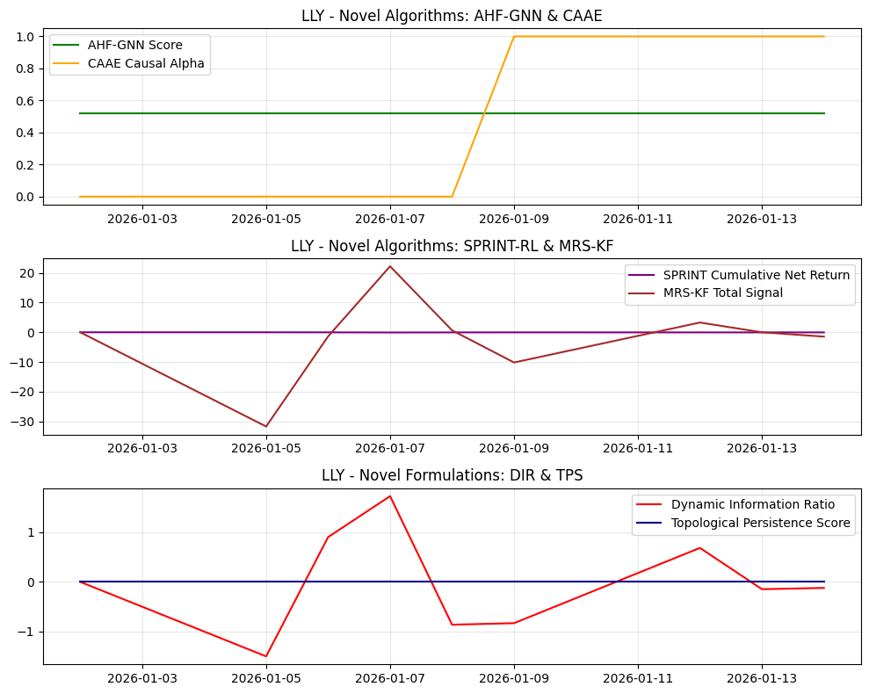
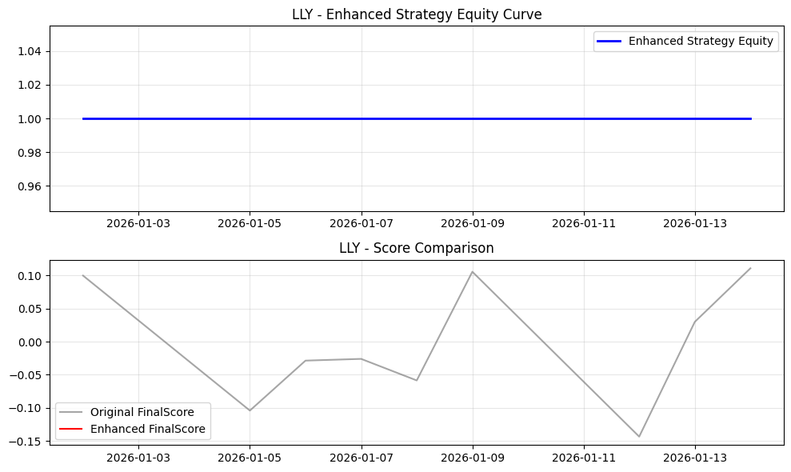
Date | Open | High | Low | Close | Volume | Adj Close | SMA_10 | SMA_20 | SMA_50 | EMA_12 | EMA_26 | RSI | MACD | MACD_Signal | MACD_Hist | BB_Mid | BB_Upper | BB_Lower | BB_Width | BB_Position | Daily_Return | Cumulative_Return | Volatility | MA_Signal | RSI_Signal | MACD_Signal_Flag | BB_Signal | Combined_Base_Signal | Hurst | VolRank | RABE_Regime | MACD_Mag | MA_Mag | RSI_Mag | BB_Mag | RegimeScore | W_trend | W_mean | AMSF_Score | Adaptive_SignalWeight_MACD | Adaptive_SignalWeight_MA | Adaptive_SignalWeight_RSI | Adaptive_SignalWeight_BB | AMSF_Signal | TechPerc | FundPerc | SignalConfidence | alpha_FTCS | FTCS_Score | FTCS_Formula | Drawdown | DPS_PositionSize | Dynamic_PositionSize | CASP_Adjustment | VR_MACD | VR_MACD_Signal | VR_EMA_Span | LWPC_Weight | MHRP_Short | MHRP_Long | MultiHorizon_ForecastBlend | MHRP_ReturnForecast | AHF_GNN_Score | AHF_Centrality | AHF_ClusterID | CAAE_CausalAlpha | CAAE_InstrumentStrength | CAAE_Attribution | SPRINT_Position | SPRINT_Action | SPRINT_ExecutionCost | SPRINT_NetReturn | MRS_Level1 | MRS_Level2 | MRS_Level3 | MRS_Trend | MRS_TotalSignal | MRS_Uncertainty | DFAM_GlobalModel | DFAM_PrivacyNoise | DFAM_FederatedScore | DIR_Alpha | DIR_ResidualVol | DIR_ConditionalVaR | DIR_VaRChange | DIR_Score | NEAD_MarketEntropy | NEAD_InitialAlpha | NEAD_DecayedAlpha | NEAD_DecayFactor | LACM_SpreadCost | LACM_ImpactElasticity | LACM_TradeSize | LACM_ExecutionRate | LACM_TotalCost | TPS_RawPersistence | TPS_NormalizedPersistence | TPS_RobustnessScore | WFO_Factor1 | WFO_Factor2 | WFO_Factor3 | WFO_Factor4 | WFO_WassersteinScore | WFO_OrthogonalityScore | SignalConfidence_Entropy | EnhancedFinalScore | FinalScore | FinalSignal | Position | StrategyRet | Equity
2026-01-02 | 1076.4000244 | 1080.6600342 | 1052.0799561 | 1080.3599854 | 2469100 | 1080.3599854 | 1080.3599854 | 1080.3599854 | 1080.3599854 | 1080.3599854 | 1080.3599854 | 50 | 0 | 0 | 0 | 1080.3599854 | 1080.3599854 | 1080.3599854 | 0 | 0.5 | 0 | 0 |  | -1 | 0 | -1 | 0 | -2 |  |  | Neutral | 0 | 0 | 0 | 0 | 0.5 | 0.5 | 0.5 | 0 | 0.25 | 0.25 | 0.25 | 0.25 | 0 | 66.666666667 | 78 | 1 | 0 | 66.666666667 | 66.666666667 | 0 | 0 | 0 | 0 | 0 | 0 | 18 | 0.2115975904 | 0 | 0 | 0.45 | 0 | 0.5172822408 | 0.28829388217 | 1 | 0 | 0.0056868857571 | 0 | 0 | 0 | 0 | 0 | 0 | 0 | 0 | 0 | 0 | 0.4 |  | 0.49279790833 |  | -7.9365079365E-05 | 0.023947080099 |  | 0 | -0.0033141860735 | 1 | 0 | 0 | 0.22313016015 |  | 0.00051492651261 | 138572.99444 | 2309.5499074 |  | 0 | 0 | 0 | 0.35580151494 | 0.19890110951 | -0.019902929672 | 0.28613353823 | 0.26123334285 | 0.26471656963 | 1 |  | 0.1 | 0 | 0 |  | 1
2026-01-05 | 1069.2299805 | 1085.3800049 | 1033.3800049 | 1041.5100098 | 4084800 | 1041.5100098 | 1060.9349976 | 1060.9349976 | 1060.9349976 | 1074.383066 | 1077.4822094 | 0 | -3.0991433516 | -0.61982867032 | -2.4793146813 | 1060.9349976 | 1115.8771599 | 1005.9928352 | 109.88432474 | 0.3232233047 | -0.035960213367 | -0.035960213367 | 0.40365239392 | -1 | 1 | -1 | 0 | -1 |  | 100 | Neutral | -0.23365305859 | 0 | 1 | 0.35355339059 | 0.5 | 0.5 | 0.5 | 0.2620352243 | 0.25 | 0.25 | 0.25 | 0.25 | 0 | 100 | 78 | 0.25832025934 | 0.74167974066 | 83.683045706 | 83.683045706 | 0.035960213367 | 1000000 | 1000000 | 0 | -14.799990699 | -2.9599981399 | 6 | 0.2115975904 | 0 | -4.5309868842 | 0.45 | -2.4920427863 | 0.5172822408 | 0.28829388217 | 1 | 0 | 0.0056868857571 | 0 | -1 | 0 | 0.041365239392 | -0.0054050260253 | -6.8150340156 | -7.9568198193 | -8.8809527042 | -8.0610077739 | -31.713814313 | 0.28503433993 |  | 0.80148526078 |  | -0.036039578446 | 0.023947080099 |  | 0 | -1.5049675492 | 1 | 0 | 0 | 0.22313016015 | 0.040365239392 | 0.00051492651261 | 138572.99444 | 2309.5499074 | 0.065111462784 | 0 | 0 | 0 | 0 | -0.67614372167 | 0.51026900029 | 0.51055914192 | 0.26123334285 | 0.26471656963 | 0.26111117885 |  | -0.10422621751 | 0 | 0 | 0 | 1
2026-01-06 | 1044.1099854 | 1070.8299561 | 1039.9300537 | 1064.0400391 | 2690700 | 1064.0400391 | 1061.9700114 | 1061.9700114 | 1061.9700114 | 1072.7918311 | 1076.4864931 | 36.705812161 | -3.6946619498 | -1.2347953262 | -2.4598666236 | 1061.9700114 | 1100.9850809 | 1022.9549419 | 78.030138964 | 0.52652856572 | 0.021632081387 | -0.015106026242 | 0.46181615913 | -1 | 0 | -1 | 0 | -2 |  | 100 | Neutral | -0.22714944952 | 0 | 0.26588375677 | -0.05305713143 | 0.5 | 0.5 | 0.5 | -0.014937067472 | 0.25 | 0.25 | 0.25 | 0.25 | 0 | 44.444444444 | 78 | 0.3504663987 | 0.6495336013 | 66.239905288 | 66.239905288 | 0.015106026242 | 505844.89323 | 505844.89323 | 0 | -6.9218838577 | -3.7523752834 | 6 | 0.2115975904 | 0 | -1.2035630863 | 0.45 | -0.66195969744 | 0.5172822408 | 0.28829388217 | 1 | 0 | 0.0056868857571 | 0 | -1 | 0 | 0 | -0.021632081387 | -2.861043563 | -0.710100202 | 1.8683709981 | 0.32060980687 | -1.3821629601 | 0.25590841901 |  | 0.13393724145 |  | 0.021552716308 | 0.023947080099 |  | 0 | 0.90001437414 | 1 | 0 | 0 | 0.22313016015 | 0.046181615913 | 0.00051492651261 | 138572.99444 | 2309.5499074 | 0.070927839305 | 0 | 0 | 0 | 0.26119967148 | -0.66005217391 | -0.26646485858 | -0.51111562819 | 0.26123334285 | 0.26471656963 | 0.35046758914 |  | -0.02864412082 | 0 | 0 | 0 | 1
2026-01-07 | 1077 | 1117.6600342 | 1075.9599609 | 1108.0899658 | 4652800 | 1108.0899658 | 1073.5 | 1073.5 | 1073.5 | 1078.2223134 | 1078.827491 | 63.150905078 | -0.60517766912 | -1.1088717948 | 0.50369412568 | 1073.5 | 1129.5520647 | 1017.4479353 | 112.10412947 | 0.8085521112 | 0.041398749239 | 0.025667352405 | 0.52583819084 | -1 | 0 | 1 | 0 | 0 |  | 100 | Neutral | 0.045424785679 | 0 | -0.26301810157 | -0.61710422239 | 0.5 | 0.5 | 0.5 | -0.20352116682 | 0.25 | 0.25 | 0.25 | 0.25 | 0 | 11.111111111 | 78 | 0.70830254791 | 0.29169745209 | 30.622429573 | 30.622429573 | 0 | 1000000 | 1000000 | 0 | 13.053234414 | -0.391253344 | 6 | 0.2115975904 | 0 | 1.7054488874 | 0.45 | 0.93799688806 | 0.5172822408 | 0.28829388217 | 1 | 0 | 0.0056868857571 | 0 | -1 | 0 | 0 | -0.041398749239 | 0.35884766815 | 4.6001837024 | 10.442365675 | 6.8119112258 | 22.213308272 | 0.24037715808 |  | 0.048115318716 |  | 0.04131938416 | 0.023947080099 |  | 0 | 1.7254456071 | 1 | 0 | 0 | 0.22313016015 | 0.052583819084 | 0.00051492651261 | 138572.99444 | 2309.5499074 | 0.077330042476 | 0 | 0 | 0 | 0.44938375394 | 0.11918338343 | 0.50838149167 | -0.49326783641 | 0.26123334285 | 0.26471656963 | 0.7108066457 |  | -0.026027039 | 0 | 0 | 0 | 1
2026-01-08 | 1113.6899414 | 1133.9499512 | 1070.1500244 | 1085.1899414 | 3156000 | 1085.1899414 | 1075.8379883 | 1075.8379883 | 1075.8379883 | 1079.2942561 | 1079.2987837 | 51.881850584 | -0.0045275145114 | -0.88800293874 | 0.88347542422 | 1075.8379883 | 1125.4937961 | 1026.1821804 | 99.311615729 | 0.59416776735 | -0.020666214044 | 0.0044706913623 | 0.49528906279 | -1 | 0 | 1 | 0 | 0 |  | 75 | Neutral | 0.081232665591 | 0 | -0.037637011678 | -0.1883355347 | 0.5 | 0.5 | 0.5 | -0.032112292025 | 0.25 | 0.25 | 0.25 | 0.25 | 0 | 33.333333333 | 78 | 0.92660320304 | 0.073396796961 | 36.611723598 | 36.611723598 | 0.020666214044 | 1000000 | 1000000 | 0 | 9.2844865001 | 1.5438946248 | 12 | 0.2115975904 | 0 | 0.32278192207 | 0.45 | 0.17753005714 | 0.5172822408 | 0.28829388217 | 1 | 0 | 0.0056868857571 | 0 | -1 | 1 | 0 | 0.020666214044 | -0.80192633663 | 0.34531377906 | 1.3344509199 | -0.22845649025 | 0.64938187208 | 0.23166951035 |  | 0.045005962947 |  | -0.020745579124 | 0.023947080099 |  | 0 | -0.86630933867 | -420.43557835 | 0 | 0 | 7.7495682773E+273 | 0.049528906279 | 0.00051492651261 | 138572.99444 | 2309.5499074 | 0.074275129672 | 0 | 0 | 0 | 0.36919282071 | 0.20539937977 | 0.26525548384 | 0.19262961709 | 0.26123334285 | 0.26471656963 | 0.92662318178 |  | -0.058646210247 | 0 | 0 | 0 | 1
2026-01-09 | 1086.8299561 | 1104.5200195 | 1063.0300293 | 1063.5600586 | 2561900 | 1063.5600586 | 1073.7916667 | 1073.7916667 | 1073.7916667 | 1076.8736104 | 1078.1329522 | 44.39852467 | -1.2593418056 | -0.96227071211 | -0.2970710935 | 1073.7916667 | 1119.3225109 | 1028.2608224 | 91.061688439 | 0.38764091411 | -0.019931886564 | -0.015550304515 | 0.46384073481 | -1 | 0 | -1 | 0 | -2 |  | 60 | Neutral | -0.027924503043 | 0 | 0.1120295066 | 0.22471817179 | 0.5 | 0.5 | 0.5 | 0.075664673608 | 0.25 | 0.25 | 0.25 | 0.25 | 0 | 88.888888889 | 78 | 0.29925542106 | 0.70074457894 | 81.258559029 | 81.258559029 | 0.040186183974 | 1000000 | 1000000 | 0 | 3.9580116425 | 2.0267180284 | 15.6 | 0.2115975904 | 0 | -0.56815430063 | 0.45 | -0.31248486535 | 0.5172822408 | 0.28829388217 | 1 | 1 | 0.0056868857571 | 0.075664673608 | -1 | 1 | 0 | 0.019931886564 | -1.7834338832 | -1.7479541893 | -2.9236639928 | -3.7130537328 | -10.168105798 | 0.22699306375 |  | 0.45508618297 |  | -0.020011251643 | 0.023947080099 |  | 0 | -0.83564474502 | -396.8673258 | 0 | 0 | 3.4350610722E+258 | 0.046384073481 | 0.00051492651261 | 138572.99444 | 2309.5499074 | 0.071130296873 | 0 | 0 | 0 | 0.31594124678 | -0.098133755012 | -0.52511095183 | 0.29017313418 | 0.26123334285 | 0.26471656963 | 0.29935681733 |  | 0.10582398368 | 0 | 0 | 0 | 1
2026-01-12 | 1058 | 1083.3599854 | 1058 | 1081 | 2380200 | 1081 | 1074.8214286 | 1074.8214286 | 1074.8214286 | 1077.5084395 | 1078.3453261 | 50.191163527 | -0.8368865448 | -0.93719387865 | 0.10030733385 | 1074.8214286 | 1116.7408705 | 1032.9019866 | 83.838883923 | 0.57369577384 | 0.016397702476 | 0.00059240869443 | 0.43796673987 | -1 | 0 | 1 | 0 | 0 |  | 33.333333333 | Neutral | 0.0092788580062 | 0 | -0.0038232705407 | -0.14739154768 | 0.5 | 0.5 | 0.5 | -0.035005737934 | 0.25 | 0.25 | 0.25 | 0.25 | 0 | 22.222222222 | 78 | 0.92870515591 | 0.071294844089 | 26.198890193 | 26.198890193 | 0.024447442587 | 1000000 | 1000000 | 0 | 3.4683946902 | 2.3150533607 | 22 | 0.2115975904 | 0 | 0.1033278886 | 0.45 | 0.05683033873 | 0.5172822408 | 0.28829388217 | 1 | 1 | 0.0056868857571 | -0.035005737934 | -1 | 1 | 0 | -0.016397702476 | -0.22523864781 | 0.70601246846 | 2.0183650162 | 0.78076548913 | 3.279904326 | 0.22473924135 |  | 0.13961417816 |  | 0.016318337397 | 0.023947080099 |  | 0 | 0.68143328244 | -376.9406522 | 0 | 0 | 3.588127613E+245 | 0.043796673987 | 0.00051492651261 | 138572.99444 | 2309.5499074 | 0.06854289738 | 0 | 0 | 0 | 0.35716184039 | 0.017077048152 | 0.058788687529 | 0.011351039455 | 0.26123334285 | 0.26471656963 | 0.92872827265 |  | -0.14363573123 | 0 | 0 | 0 | 1
2026-01-13 | 1083 | 1090.2199707 | 1069.0899658 | 1077.1899414 | 2193100 | 1077.1899414 | 1075.1174927 | 1075.1174927 | 1075.1174927 | 1077.4594398 | 1078.259742 | 49.074222613 | -0.80030220783 | -0.90981554448 | 0.10951333666 | 1075.1174927 | 1113.9634746 | 1036.2715108 | 77.691963813 | 0.52667520074 | -0.0035245685419 | -0.0029342478325 | 0.40607929709 | -1 | 0 | 1 | 0 | 0 |  | 28.571428571 | Neutral | 0.010166225985 | 0 | 0.018515547741 | -0.053350401477 | 0.5 | 0.5 | 0.5 | -0.0056587852357 | 0.25 | 0.25 | 0.25 | 0.25 | 0 | 55.555555556 | 78 | 0.98523138161 | 0.014768618387 | 55.88702899 | 55.88702899 | 0.027885844442 | 215214.91578 | 215214.91578 | 0 | 2.6372876037 | 2.3795002093 | 23.142857143 | 0.2115975904 | 0 | -0.020612006544 | 0.45 | -0.011336603599 | 0.5172822408 | 0.28829388217 | 1 | 1 | 0.0056868857571 | -0.0056587852357 | -1 | 1 | 0 | 0.0035245685419 | -0.36121724418 | 0.17229805628 | 0.65609512052 | -0.46793915073 | -0.00076321810898 | 0.22390384748 |  | 2.7535445942 |  | -0.0036039336212 | 0.023947080099 |  | 0 | -0.15049574338 | -382.07973385 | 0 | 0 | 7.9924528724E+248 | 0.040607929709 | 0.00051492651261 | 138572.99444 | 2309.5499074 | 0.065354153101 | 0 | 0 | 0 | 0.34921365501 | 0.020615479901 | -0.068794819859 | 0.11562712414 | 0.26123334285 | 0.26471656963 | 0.98523151664 |  | 0.030002268499 | 0 | 0 | 0 | 1
2026-01-14 | 1081.75 | 1083.9998779 | 1063 | 1074.0500488 | 754539 | 1074.0500488 | 1074.9988878 | 1074.9988878 | 1074.9988878 | 1076.9349181 | 1077.9479129 | 48.190436982 | -1.0129947739 | -0.93045139036 | -0.082543383525 | 1074.9988878 | 1111.3429442 | 1038.6548314 | 72.688112856 | 0.48694643542 | -0.0029148922186 | -0.0058405870349 | 0.38014811141 | -1 | 0 | -1 | 0 | -2 |  | 12.5 | Neutral | -0.007685094243 | 0 | 0.036191260354 | 0.026107129169 | 0.5 | 0.5 | 0.5 | 0.013268290409 | 0.25 | 0.25 | 0.25 | 0.25 | 0 | 77.777777778 | 78 | 0.3614816284 | 0.6385183716 | 77.919670749 | 77.919670749 | 0.030719452429 | 537585.31793 | 537585.31793 | 0 | 1.6919713644 | 2.2419944403 | 27 | 0.2115975904 | 0 | -0.099938765715 | 0.45 | -0.054966321143 | 0.5172822408 | 0.28829388217 | 1 | 1 | 0.0056868857571 | 0.013268290409 | -1 | 1 | 0 | 0.0029148922186 | -0.40510950741 | -0.063880960239 | 0.039094161474 | -1.0288841547 | -1.4587804609 | 0.22385562933 |  | 0.20013710163 |  | -0.0029942572979 | 0.023947080099 |  | 0 | -0.12503642555 | -382.07973385 | 0 | 0 | 7.9924528724E+248 | 0.038014811141 | 0.00051492651261 | 138572.99444 | 2309.5499074 | 0.062761034533 | 0 | 0 | 0 | 0.34292460968 | -0.029303624296 | -0.23554901311 | 0.13453446097 | 0.26123334285 | 0.26471656963 | 0.36148241544 |  | 0.11106899036 | 0 | 0 | 0 | 1

TS_JPM
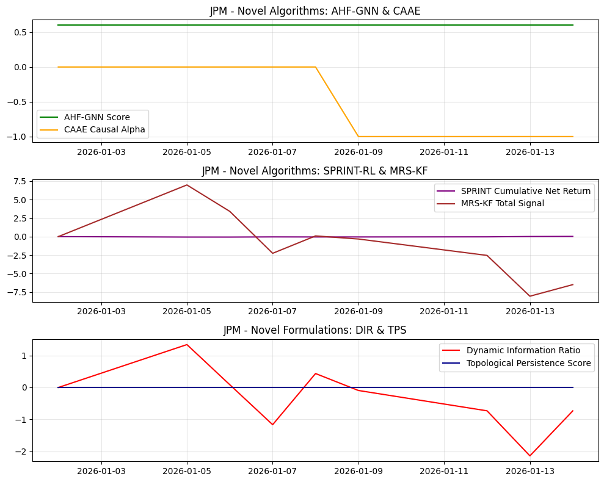
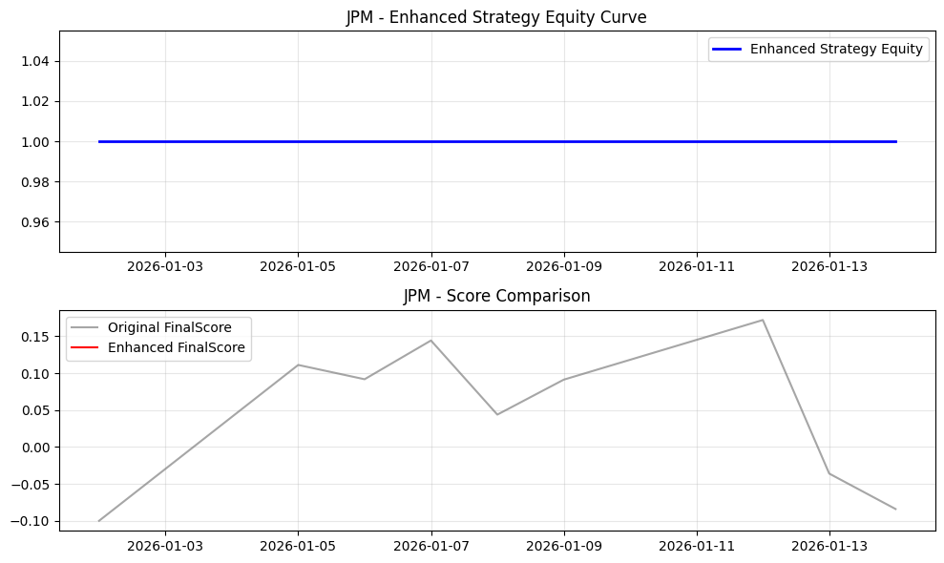
Date | Open | High | Low | Close | Volume | Adj Close | SMA_10 | SMA_20 | SMA_50 | EMA_12 | EMA_26 | RSI | MACD | MACD_Signal | MACD_Hist | BB_Mid | BB_Upper | BB_Lower | BB_Width | BB_Position | Daily_Return | Cumulative_Return | Volatility | MA_Signal | RSI_Signal | MACD_Signal_Flag | BB_Signal | Combined_Base_Signal | Hurst | VolRank | RABE_Regime | MACD_Mag | MA_Mag | RSI_Mag | BB_Mag | RegimeScore | W_trend | W_mean | AMSF_Score | Adaptive_SignalWeight_MACD | Adaptive_SignalWeight_MA | Adaptive_SignalWeight_RSI | Adaptive_SignalWeight_BB | AMSF_Signal | TechPerc | FundPerc | SignalConfidence | alpha_FTCS | FTCS_Score | FTCS_Formula | Drawdown | DPS_PositionSize | Dynamic_PositionSize | CASP_Adjustment | VR_MACD | VR_MACD_Signal | VR_EMA_Span | LWPC_Weight | MHRP_Short | MHRP_Long | MultiHorizon_ForecastBlend | MHRP_ReturnForecast | AHF_GNN_Score | AHF_Centrality | AHF_ClusterID | CAAE_CausalAlpha | CAAE_InstrumentStrength | CAAE_Attribution | SPRINT_Position | SPRINT_Action | SPRINT_ExecutionCost | SPRINT_NetReturn | MRS_Level1 | MRS_Level2 | MRS_Level3 | MRS_Trend | MRS_TotalSignal | MRS_Uncertainty | DFAM_GlobalModel | DFAM_PrivacyNoise | DFAM_FederatedScore | DIR_Alpha | DIR_ResidualVol | DIR_ConditionalVaR | DIR_VaRChange | DIR_Score | NEAD_MarketEntropy | NEAD_InitialAlpha | NEAD_DecayedAlpha | NEAD_DecayFactor | LACM_SpreadCost | LACM_ImpactElasticity | LACM_TradeSize | LACM_ExecutionRate | LACM_TotalCost | TPS_RawPersistence | TPS_NormalizedPersistence | TPS_RobustnessScore | WFO_Factor1 | WFO_Factor2 | WFO_Factor3 | WFO_Factor4 | WFO_WassersteinScore | WFO_OrthogonalityScore | SignalConfidence_Entropy | EnhancedFinalScore | FinalScore | FinalSignal | Position | StrategyRet | Equity
2026-01-02 | 322.5 | 325.73001099 | 320.73999023 | 325.48001099 | 8054000 | 324.01843262 | 325.48001099 | 325.48001099 | 325.48001099 | 325.48001099 | 325.48001099 | 50 | 0 | 0 | 0 | 325.48001099 | 325.48001099 | 325.48001099 | 0 | 0.5 | 0 | 0 |  | -1 | 0 | -1 | 0 | -2 |  |  | Neutral | 0 | 0 | 0 | 0 | 0.5 | 0.5 | 0.5 | 0 | 0.25 | 0.25 | 0.25 | 0.25 | 0 | 33.333333333 | 20 | 1 | 0 | 33.333333333 | 33.333333333 | 0 | 0 | 0 | 0 | 0 | 0 | 18 | 0.058597371945 | 0 | 0 | 0.45 | 0 | 0.59923893095 | 0.37847649783 | 1 | 0 | 0.019598622818 | 0 | 0 | 0 | 0 | 0 | 0 | 0 | 0 | 0 | 0 | 0.4 |  | 1.6450318625 |  | -7.9365079365E-05 | 0.019597088561 |  | 0 | -0.0040498403177 | 1 | 0 | 0 | 0.22313016015 |  | 0.00029473883826 | 525566.18333 | 8759.4363889 |  | 0 | 0 | 0 | 0.33909515079 | -0.20402095943 | 0.31277020917 | -0.24424332639 | 0.28301640735 | 0.23782565758 | 1 |  | -0.1 | 0 | 0 |  | 1
2026-01-05 | 325.5 | 337.25 | 325.19000244 | 334.04000854 | 10752600 | 332.54000854 | 329.76000977 | 329.76000977 | 329.76000977 | 326.79693369 | 326.11408488 | 50 | 0.68284880809 | 0.13656976162 | 0.54627904647 | 329.76000977 | 341.86567441 | 317.65434512 | 24.211329282 | 0.6767766953 | 0.026299610636 | 0.026299610636 | 0.29521239721 | -1 | 0 | 1 | 0 | 0 |  | 100 | Neutral | 0.16209454318 | 0 | 0 | -0.35355339059 | 0.5 | 0.5 | 0.5 | -0.039739046325 | 0.25 | 0.25 | 0.25 | 0.25 | 0 | 11.111111111 | 20 | 0.94243894766 | 0.057561052343 | 11.62276491 | 11.62276491 | 0 | 1000000 | 1000000 | 0 | 3.2609514509 | 0.65219029018 | 6 | 0.058597371945 | 0 | 3.3137509401 | 0.45 | 1.822563017 | 0.59923893095 | 0.37847649783 | 1 | 0 | 0.019598622818 | 0 | -1 | 0 | 0.030521239721 | -0.056820850357 | 1.5015884478 | 1.7531634757 | 1.9567820139 | 1.776119697 | 6.9876536342 | 0.28503433993 |  | 0.11469526872 |  | 0.026220245556 | 0.019597088561 |  | 0 | 1.3379663757 | 1 | 0 | 0 | 0.22313016015 | 0.029521239721 | 0.00029473883826 | 525566.18333 | 8759.4363889 | 0.057106396014 | 0 | 0 | 0 | 0.33909515079 | 0.034275286421 | 0.53956118331 | 0.16549862923 | 0.28301640735 | 0.23782565758 | 0.94246338156 |  | 0.11108916 | 0 | 0 | 0 | 1
2026-01-06 | 332.61999512 | 335.86999512 | 330.6499939 | 334.60998535 | 7660800 | 334.60998535 | 331.37666829 | 331.37666829 | 331.37666829 | 327.99894164 | 326.74341084 | 50 | 1.2555307955 | 0.36036196839 | 0.8951688271 | 331.37666829 | 341.6058704 | 321.14746619 | 20.458404218 | 0.65804346336 | 0.0017063129926 | 0.028050798996 | 0.23361351658 | -1 | 0 | 1 | 0 | 0 |  | 50 | Neutral | 0.26132130865 | 0 | 0 | -0.31608692671 | 0.5 | 0.5 | 0.5 | -0.00062533900062 | 0.25 | 0.25 | 0.25 | 0.25 | 0 | 22.222222222 | 20 | 0.99869286638 | 0.001307133622 | 22.219317481 | 22.219317481 | 0 | 42493.044278 | 42493.044278 | 0 | 3.4131723849 | 1.2043867091 | 18 | 0.058597371945 | 0 | 2.3524975848 | 0.45 | 1.2938736716 | 0.59923893095 | 0.37847649783 | 1 | 0 | 0.019598622818 | 0 | -1 | 0 | 0 | -0.0017063129926 | 1.0641796736 | 0.90121736235 | 0.67498839595 | 0.77172491901 | 3.4121103509 | 0.25590841901 |  | 1.2931109814 |  | 0.0016269479133 | 0.019597088561 |  | 0 | 0.0830198786 | 1 | 0 | 0 | 0.22313016015 | 0.023361351658 | 0.00029473883826 | 525566.18333 | 8759.4363889 | 0.05094650795 | 0 | 0 | 0 | 0.33909515079 | 0.23412621396 | 0.39220846955 | 0.51031575761 | 0.28301640735 | 0.23782565758 | 0.99869286653 |  | 0.091717986681 | 0 | 0 | 0 | 1
2026-01-07 | 331.14001465 | 332.1499939 | 324.6000061 | 326.98999023 | 9815200 | 326.98999023 | 330.27999878 | 330.27999878 | 330.27999878 | 327.84371834 | 326.76167598 | 54.507408953 | 1.0820423627 | 0.50469804725 | 0.57734431541 | 330.27999878 | 339.71401498 | 320.84598258 | 18.868032392 | 0.32563054395 | -0.022772766656 | 0.0046392380394 | 0.31832689034 | -1 | 0 | 1 | 0 | 0 |  | 100 | Neutral | 0.17475113011 | 0 | -0.090148179054 | 0.34873891209 | 0.5 | 0.5 | 0.5 | 0.11654106729 | 0.25 | 0.25 | 0.25 | 0.25 | 0 | 66.666666667 | 20 | 0.85911177336 | 0.14088822664 | 60.091882757 | 60.091882757 | 0.022772766656 | 1000000 | 1000000 | 0 | 0.51321337106 | 1.0661520415 | 6 | 0.058597371945 | 0 | 0.32968888925 | 0.45 | 0.18132888909 | 0.59923893095 | 0.37847649783 | 1 | 0 | 0.019598622818 | 0 | -1 | 1 | 0 | 0.022772766656 | 0.38681222822 | -0.36293932761 | -1.4460764933 | -0.83188573712 | -2.2540893298 | 0.24037715808 |  | 3.5468655289 |  | -0.022852131735 | 0.019597088561 |  | 0 | -1.166098304 | 1 | 0 | 0 | 0.22313016015 | 0.031832689034 | 0.00029473883826 | 525566.18333 | 8759.4363889 | 0.059417845326 | 0 | 0 | 0 | 0.36966396116 | 0.15519120309 | -0.30948369343 | 0.1147665086 | 0.28301640735 | 0.23782565758 | 0.85958344636 |  | 0.14419917429 | 0 | 0 | 0 | 1
2026-01-08 | 326.39001465 | 331.3999939 | 325.6499939 | 329.79000854 | 11737100 | 329.79000854 | 330.18200073 | 330.18200073 | 330.18200073 | 328.14314761 | 326.98599691 | 61.023018542 | 1.1571506938 | 0.63518857655 | 0.5219621172 | 330.18200073 | 338.36384457 | 322.0001569 | 16.363687669 | 0.47604499698 | 0.0085630092485 | 0.013241973126 | 0.28044893891 | -1 | 0 | 1 | 0 | 0 |  | 50 | Neutral | 0.15696261237 | 0 | -0.22046037083 | 0.047910006035 | 0.5 | 0.5 | 0.5 | 0.0039511719511 | 0.25 | 0.25 | 0.25 | 0.25 | 0 | 44.444444444 | 20 | 0.99213559392 | 0.0078644060804 | 44.252203407 | 44.252203407 | 0.014404760819 | 220477.03326 | 220477.03326 | 0 | 0.62069512104 | 0.97706065741 | 18 | 0.058597371945 | 0 | 0.69532677752 | 0.45 | 0.38242972764 | 0.59923893095 | 0.37847649783 | 1 | 0 | 0.019598622818 | 0 | -1 | 0 | 0 | -0.0085630092485 | 0.42624263729 | 0.084252358699 | -0.39065757244 | -0.023184313251 | 0.096653110305 | 0.23166951035 |  | 0.056165806133 |  | 0.0084836441691 | 0.019597088561 |  | 0 | 0.43290329289 | -812.03831071 | 0 |  |  | 0.028044893891 | 0.00029473883826 | 525566.18333 | 8759.4363889 | 0.055630050184 | 0 | 0 | 0 | 0.41385219349 | 0.15481561368 | -0.11074317941 | -0.45445907205 | 0.28301640735 | 0.23782565758 | 0.99213562956 |  | 0.043801835075 | 0 | 0 | 0 | 1
2026-01-09 | 329.33999634 | 331.8999939 | 328.17001343 | 329.19000244 | 6738100 | 329.19000244 | 330.01666768 | 330.01666768 | 330.01666768 | 328.3042022 | 327.14925658 | 59.20593692 | 1.1549456151 | 0.73913998425 | 0.4158056308 | 330.01666768 | 337.3794182 | 322.65391716 | 14.725501042 | 0.44386165604 | -0.0018193580399 | 0.011398523196 | 0.25259008847 | -1 | 0 | 1 | 0 | 0 |  | 40 | Neutral | 0.12564424929 | 0 | -0.1841187384 | 0.11227668792 | 0.5 | 0.5 | 0.5 | 0.019730201371 | 0.25 | 0.25 | 0.25 | 0.25 | 0 | 55.555555556 | 20 | 0.9715414192 | 0.028458580803 | 54.543694905 | 54.543694905 | 0.016197911441 | 1000000 | 1000000 | 0 | 0.59166121729 | 0.89998076939 | 20.4 | 0.058597371945 | 0 | 0.50302594359 | 0.45 | 0.27666426898 | 0.59923893095 | 0.37847649783 | 1 | -1 | 0.019598622818 | -0.019730201371 | -1 | 0 | 0 | 0.0018193580399 | 0.27841036761 | -0.016698429599 | -0.47421903529 | -0.10798556238 | -0.32049265966 | 0.22699306375 |  | 0.011230576008 |  | -0.0018987231192 | 0.019597088561 |  | 0 | -0.09688802055 | -765.46804421 | 0 |  |  | 0.025259008847 | 0.00029473883826 | 525566.18333 | 8759.4363889 | 0.052844165139 | 0 | 0 | 0 | 0.40152892216 | 0.16146055402 | -0.15001322425 | -0.37507572865 | 0.28301640735 | 0.23782565758 | 0.9715445097 |  | 0.09114462483 | 0 | 0 | 0 | 1
2026-01-12 | 321.88000488 | 326.01998901 | 321.23001099 | 324.48999023 | 12805100 | 324.48999023 | 329.22714233 | 329.22714233 | 329.22714233 | 327.71740036 | 326.95227389 | 48.008007025 | 0.76512646719 | 0.74433728084 | 0.020789186355 | 329.22714233 | 337.14098383 | 321.31330084 | 15.827682983 | 0.20070463853 | -0.014277505915 | -0.0030417252014 | 0.25040378783 | -1 | 0 | 1 | 0 | 0 |  | 33.333333333 | Neutral | 0.0064066388919 | 0 | 0.039839859509 | 0.59859072294 | 0.5 | 0.5 | 0.5 | 0.16013927867 | 0.25 | 0.25 | 0.25 | 0.25 | 0 | 77.777777778 | 20 | 0.85039952424 | 0.14960047576 | 69.134194734 | 69.134194734 | 0.03024415158 | 1000000 | 1000000 | 0 | -0.070616743537 | 0.7058612668 | 22 | 0.058597371945 | 0 | -0.082825118433 | 0.45 | -0.045553815138 | 0.59923893095 | 0.37847649783 | 1 | -1 | 0.019598622818 | -0.16013927867 | -1 | 0 | 0 | 0.014277505915 | -0.081016949306 | -0.45488934463 | -1.2161270583 | -0.78703489332 | -2.5390682456 | 0.22473924135 |  | 0.28718159178 |  | -0.014356870994 | 0.019597088561 |  | 0 | -0.73260224087 | -446.20667038 | 0 | 0 | 4.7603852331E+290 | 0.025040378783 | 0.00029473883826 | 525566.18333 | 8759.4363889 | 0.052625535076 | 0 | 0 | 0 | 0.32558564763 | 0.07111618838 | -0.410698975 | 0.21003342749 | 0.28301640735 | 0.23782565758 | 0.85134014016 |  | 0.17195621629 | 0 | 0 | 0 | 1
2026-01-13 | 324.29998779 | 326.85998535 | 310.57000732 | 310.8999939 | 19327700 | 310.8999939 | 326.93624878 | 326.93624878 | 326.93624878 | 325.13010705 | 325.76321611 | 31.035358788 | -0.633109057 | 0.46884801327 | -1.1019570703 | 326.93624878 | 341.82329309 | 312.04920447 | 29.774088614 | -0.038597674331 | -0.04188109571 | -0.044795430127 | 0.32883528697 | -1 | 0 | -1 | 1 | -1 |  | 100 | Neutral | -0.34030815768 | 0 | 0.37929282424 | 1.0771953487 | 0.5 | 0.5 | 0.5 | 0.25619290039 | 0.25 | 0.25 | 0.25 | 0.25 | 0 | 100 | 20 | 0.31288171185 | 0.68711828815 | 45.030536948 | 45.030536948 | 0.070858589083 | 1000000 | 1000000 | 0 | -6.5655887231 | -0.74842873118 | 6 | 0.058597371945 | 0 | -1.3917264935 | 0.45 | -0.76544957142 | 0.59923893095 | 0.37847649783 | 1 | -1 | 0.019598622818 | -0.25619290039 | -1 | 0 | 0 | 0.04188109571 | -0.89084584426 | -1.4972544069 | -3.0842747715 | -2.5823174208 | -8.0546924434 | 0.22390384748 |  | 1.0114785266 |  | -0.041960460789 | 0.019597088561 |  | 0 | -2.1411578898 | -452.03755783 | 0 | 0 | 2.9931292245E+294 | 0.032883528697 | 0.00029473883826 | 525566.18333 | 8759.4363889 | 0.060468684989 | 0 | 0 | 0 | 0.21047879336 | -0.34757565652 | -0.39019656248 | 0.48577232328 | 0.28301640735 | 0.23782565758 | 0.31542149223 |  | -0.036049285423 | 0 | 0 | 0 | 1
2026-01-14 | 308.20001221 | 311.76000977 | 306.11999512 | 306.45010376 | 7711313 | 306.45010376 | 324.66001044 | 324.66001044 | 324.66001044 | 322.25626039 | 324.3326152 | 27.815394161 | -2.0763548027 | -0.04019254993 | -2.0361622528 | 324.66001044 | 344.16504753 | 305.15497336 | 39.010074172 | 0.033199895915 | -0.014312930923 | -0.058467207153 | 0.31109413652 | -1 | 1 | -1 | 0 | -1 |  | 75 | Neutral | -0.58130742537 | 0 | 0.44369211678 | 0.93360020817 | 0.5 | 0.5 | 0.5 | 0.16831385917 | 0.25 | 0.25 | 0.25 | 0.25 | 0 | 88.888888889 | 20 | 0.37133146273 | 0.62866853727 | 45.580611877 | 45.580611877 | 0.084157325915 | 1000000 | 1000000 | 0 | -8.0541184099 | -2.2095666669 | 12 | 0.058597371945 | 0 | -1.6378522823 | 0.45 | -0.90081875526 | 0.59923893095 | 0.37847649783 | 1 | -1 | 0.019598622818 | -0.16831385917 | -1 | 0 | 0 | 0.014312930923 | -0.92944266872 | -1.3107435035 | -2.3788422644 | -1.8703059674 | -6.489334404 | 0.22385562933 |  | 0.45832941667 |  | -0.014392296003 | 0.019597088561 |  | 0 | -0.73440990777 | -452.03755783 | 0 | 0 | 2.9931292245E+294 | 0.031109413652 | 0.00029473883826 | 525566.18333 | 8759.4363889 | 0.058694569945 | 0 | 0 | 0 | 0.18864130555 | -0.83809159714 | 0.07580145484 | -0.1098099936 | 0.28301640735 | 0.23782565758 | 0.37219263601 |  | -0.084062682226 | 0 | 0 | 0 | 1

Portfolio_Equity
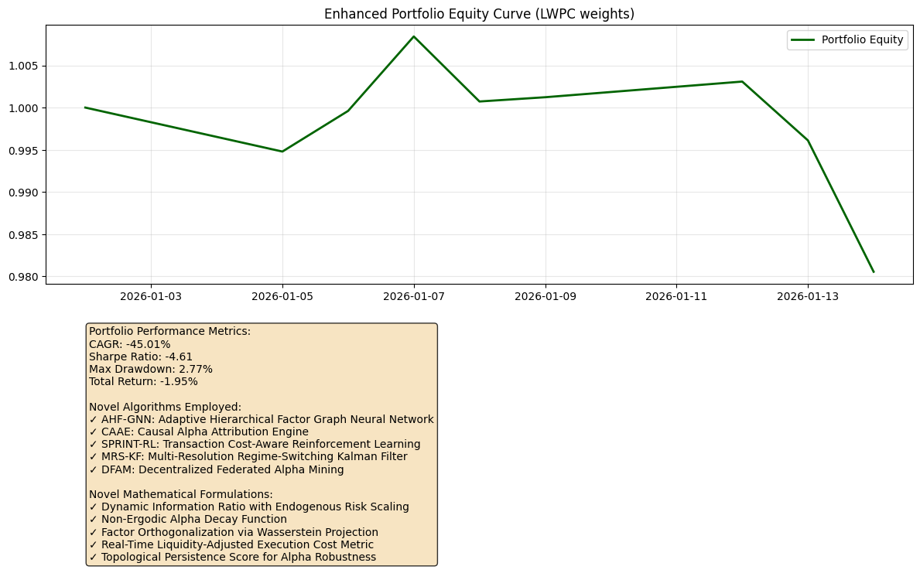
Date | Portfolio_Equity
2026-01-02 | 1
2026-01-05 | 0.99478511
2026-01-06 | 0.99960456918
2026-01-07 | 1.0084321226
2026-01-08 | 1.000721267
2026-01-09 | 1.0012266736
2026-01-12 | 1.0030837717
2026-01-13 | 0.99610628827
2026-01-14 | 0.98053388806

