tmp category list
Accounting
Admin Asst | From elance: | From peopleperhour
Athletics | IT, Web & Mobile | http://www.peopleperhour.com/hourlie/tags/sales-marketing/4900?ref=categories
 | Data Science
Automotive | Design & Multimedia
Business | Writing
Childcare | Marketing & Sales
Construction | Office & Administrative
 | Customer Service &Moderation

Cosmetics | Engineering & Architecture
Creative | Finance & Management
Culinary | Legal
Education | Project Management
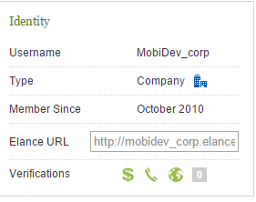
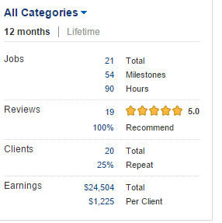
Engineering
Events
Facilities
Financial
HR
Healthcare
IT
Labor
Legal
Logistics
Manufacturing
Marketing
Real Estate
Sales
Science
Security
Service
Social Work
Support
Transport
Veterinary
Writing

