Top 5 Categories
Top 5 Categories by Popularity Score
Category | Sum of Score
Animals | 74,965
Science | 71,168
Healthy Eating | 69,339
Technology | 68,738
Food | 66,676
Grand Total | 350,886

Popularity percentage share from Top 5 Categories

Posts_Overtime
Total Posts Over Time
Row Labels | Count of Content_ID
January | 2,126
February | 1,914
March | 2,012
April | 1,974
May | 2,138
June | 2,021
July | 2,070
August | 2,114
September | 2,022
October | 2,056
November | 2,034
December | 2,092
Grand Total | 24,573

Analysis Dashboard
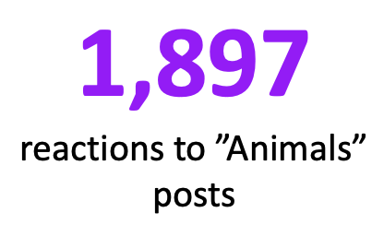
Social Buzz Contents Analysis

Total Posts Over Time
 | Total
January | 2,126
February | 1,914
March | 2,012
April | 1,974
May | 2,138
June | 2,021
July | 2,070
August | 2,114
September | 2,022
October | 2,056
November | 2,034
December | 2,092


Top 5 Categories by Popularity Score
 | Total
Animals | 74,965
Science | 71,168
Healthy Eating | 69,339
Technology | 68,738
Food | 66,676
 | Total
Animals | 74,965
Science | 71,168
Healthy Eating | 69,339
Technology | 68,738
Food | 66,676

