Question 1
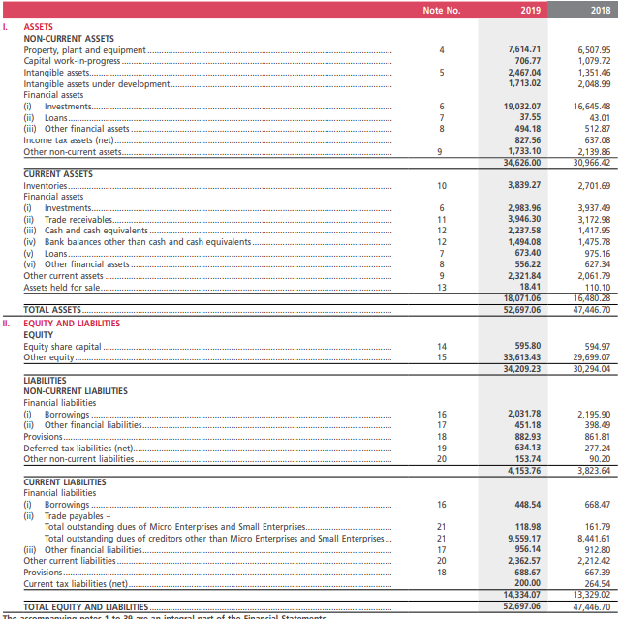
FinShiksha
 | Refer to the balance sheet of Mahindra and Mahindra Ltd given below and answer the following questions:
 |  |  | My Answers
1 | What is the total investments of the company in FY19. | 1 | 22015.34
2 | Company's trade payables have increased by what amount in FY19 when compared with FY18? | 2 | 1074.75
3 | State the level of company's inventory in FY19. | 3 | 3839.27
4 | The total borrowings of the company have increased by what amount in FY19 when Compared with FY18. | 4 | -384.05
5 | Company has invested the largest sum of its capital in which asset? | 5 | Long term Investments

Question 2
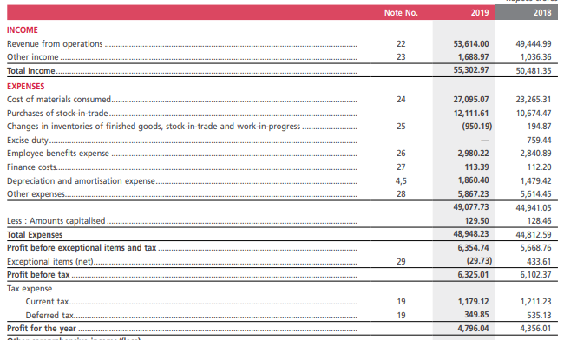
FinShiksha
 | Refer to profit & loss statement of Mahindra and Mahindra Ltd given below and answer the following questions:
 |  |  | My Answers
1 | Which is the largest cost for the company? | 1 | Cost of material consumed
2 | Company's operating revenue has increased by what percentage in FY19 when compared with FY18? | 2 | 8.431612586
3 | State company's total employee cost in FY19. | 3 | 2980.22
4 | Calculate company's EBIT in FY19. | 4 | 6354.01
5 | What is company's net profit in FY19? | 5 | 4796.04

