site characteristics rubric
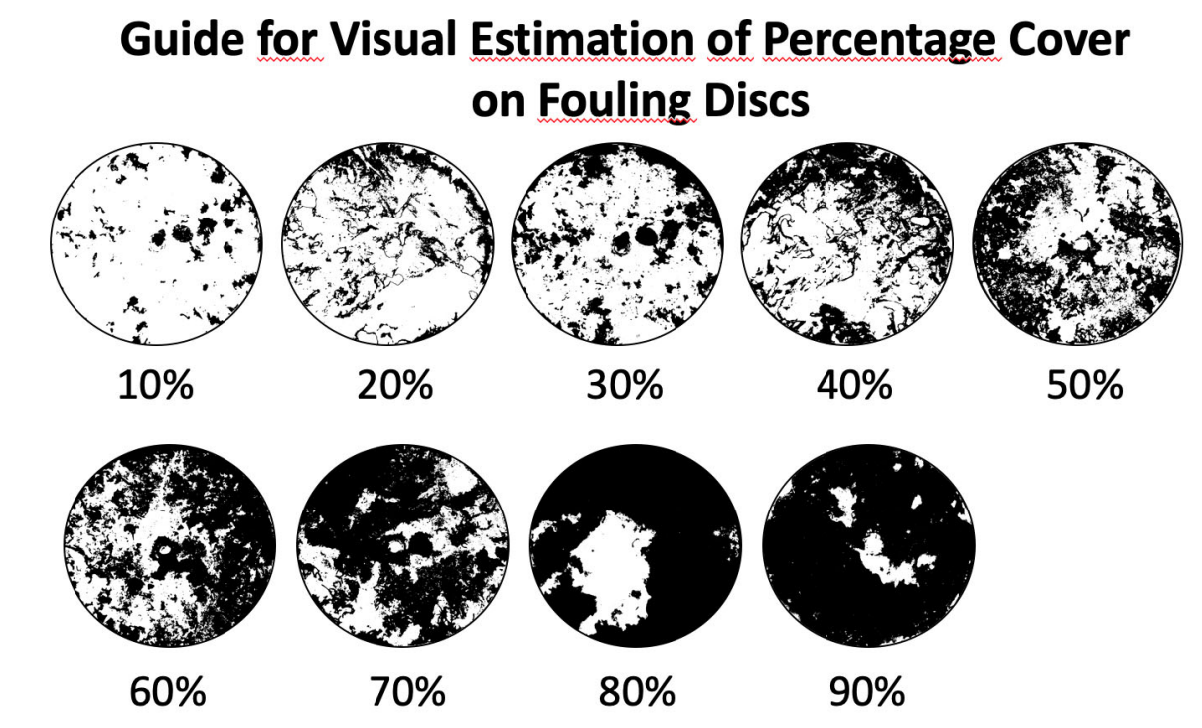
 | reef patchiness | reef extent | wave exposure | relief | slope | currents | urchins (50m2) | Aplodactylus + Olisthops | kelp cover estimated (replicate Rick's project)
1 | continuous reef | sand edge <3m deep | Sheltered, wind waves <1m | <0.5m | <1:10 | none | none | 0 | 0
2 | reef patches 10 - 30m with sand in between | sand edge 3-6m deep | Waves 1-3m | 0.5-1m | 1:10 - 1:5 | weak | 1 - 10 | 1-5 | 20
3 | boulders or reef patches 1- 10m with sand in between | sand edge 6-10m deep | Oceam swell <3m | 1-2m | 1:5 - 1:2 | moderate | 10 - 50 | 5-15 | 40
4 | boulders or patches to 2m large with sand in between | sand edge >10m deep | Open swell from prevailing direction | >2m | >1:2 | strong | >50 | >15 | 60
5 |  |  |  |  |  |  |  |  | 80
6 |  |  |  |  |  |  |  |  | 100
 | Aplodactylus arctidens |  |  | Slope angle chart
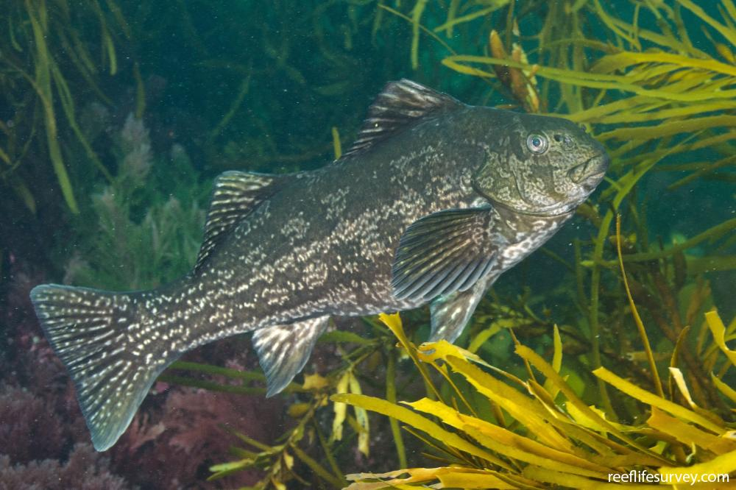
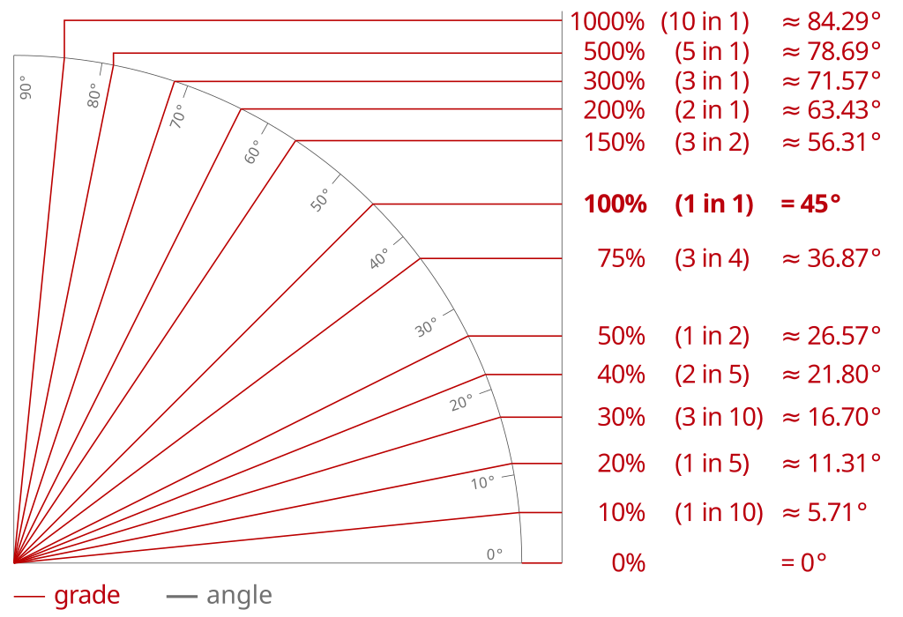

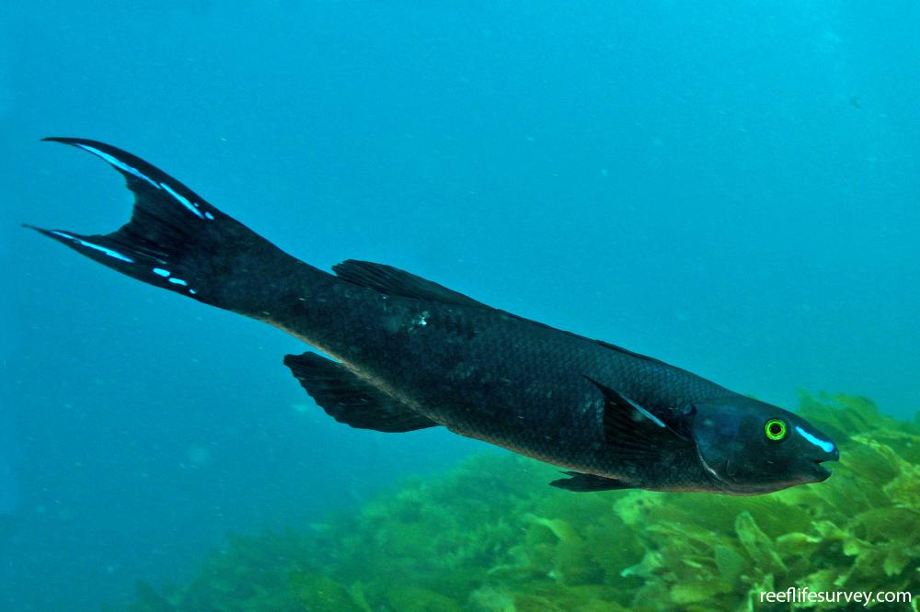
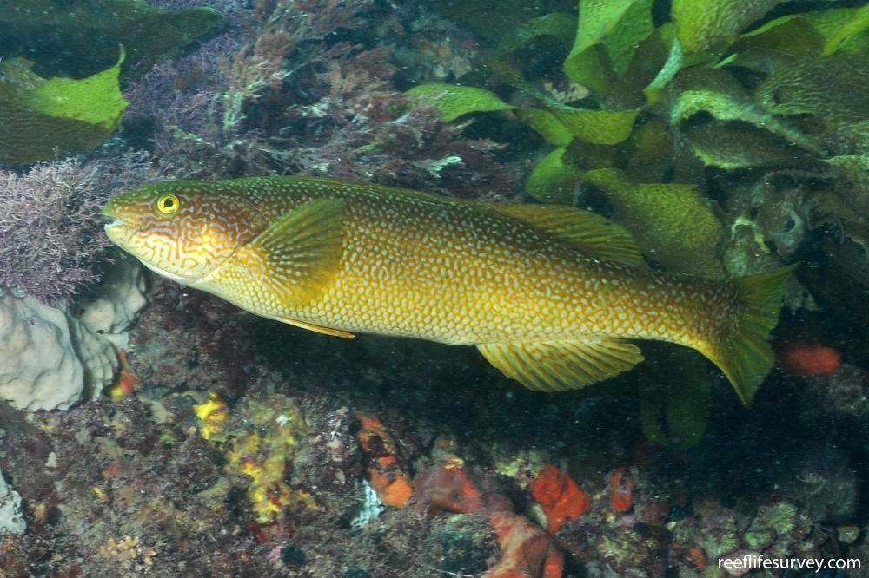
 | Olisthops cyanomelas

survey bearing helper
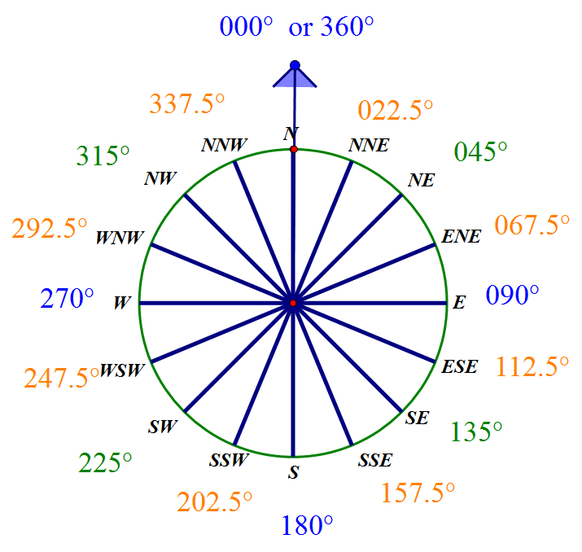

wind prevailing direction
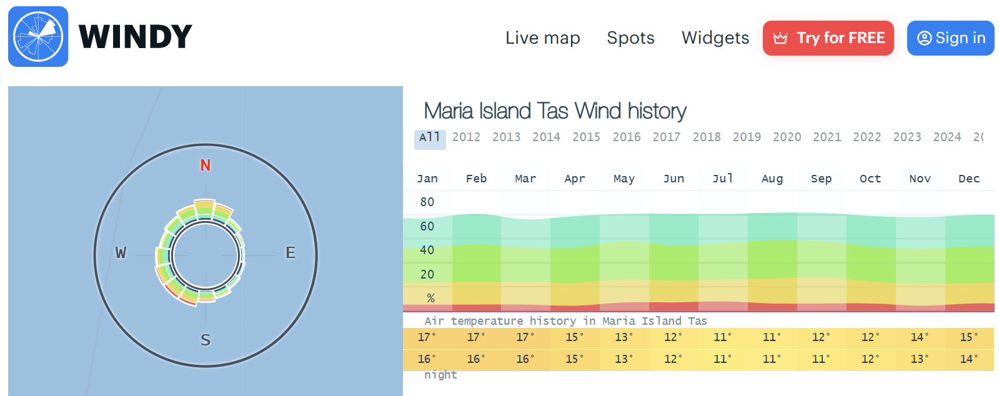
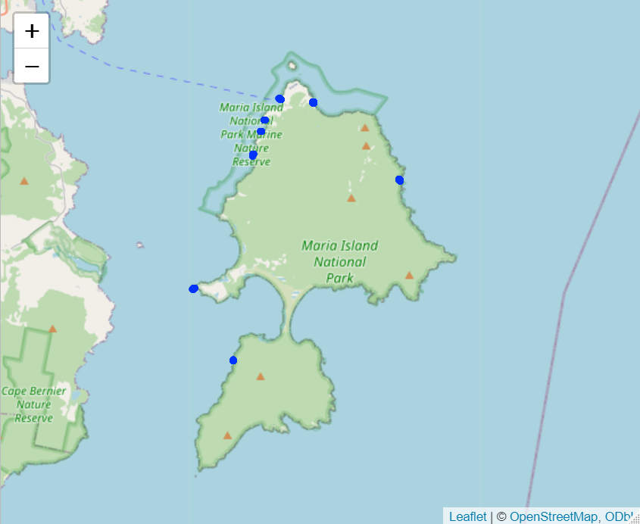
Pt leseur wind rose

