EDA
EDA
Per aspect
Review count |  | Sentence count | Rating count | Sentiment count
"Metric Count ----------------------- ------- Total nr. of reviews: 40024 Max nr. of reviews: 8921 Min nr. of reviews: 6724 Average nr. of reviews: 8004.8" |  | "Metric Count ------------------------- ------------ Total nr. of sentences: 118947 Max nr. of sentences: 57 Min nr. of sentences: 1 Average nr. of sentences: 2.97189" | Nr. of Reviews per Rating: 5.0 15176 4.0 9075 4.5 4455 3.0 3875 3.5 3066 2.5 1353 2.0 1306 1.0 699 0.5 627 1.5 392 | Nr. of reviews per sentiment: positive 31772 negative 8252

 |  | "Average nr. of sentences per aspect {'Access': 3.715902322811197, 'Overview': 4.437731196054254, 'Staff': 1.7686777920410783, 'Toilets': 2.344735276621059, 'Transport & Parking': 2.2722723944349523}"

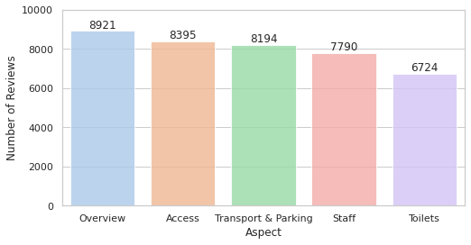
Per venue
Metric Count ----------------------- ----------- Total nr. of reviews: 40024 Max nr. of reviews: 275 Min nr. of reviews: 1 Average nr. of reviews: 6.24107

Nr of reviews | Aspect
8921 | Overview
8395 | Access
8194 | Transport & Parking
7790 | Staff
6724 | Toilets

