Earned Value Sheet
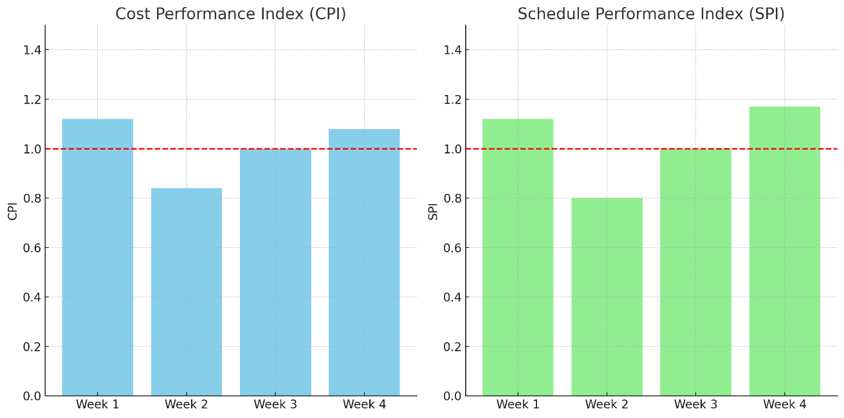
Week | Task | Planned Value (PV) ($) | Earned Value (EV) ($) | Actual Cost (AC) ($) | CPI (EV/AC) | SPI (EV/PV)
Week 1 | YouTube | 2400 | 2700 | 2400 | 1.12 | 1.12
Week 2 | Reddit | 3000 | 2400 | 2850 | 0.84 | 0.8
Week 3 | Wikipedia | 1800 | 1800 | 1800 | 1 | 1
Week 4 | Mediastack | 1800 | 2100 | 1950 | 1.08 | 1.17

Development of Custom Open Source Intelligent

