Project Risk Assessment
PROJECT RISK ASSESSMENT
PROJECT ID | PROJECT NAME |  |  |  |  |  | PROJECT MANAGER
 | Open Source Intelligence (OSINT) Application |  |  |  |  |  | Members: Steve Andraws, Matthew Kall, Lucas Jordan

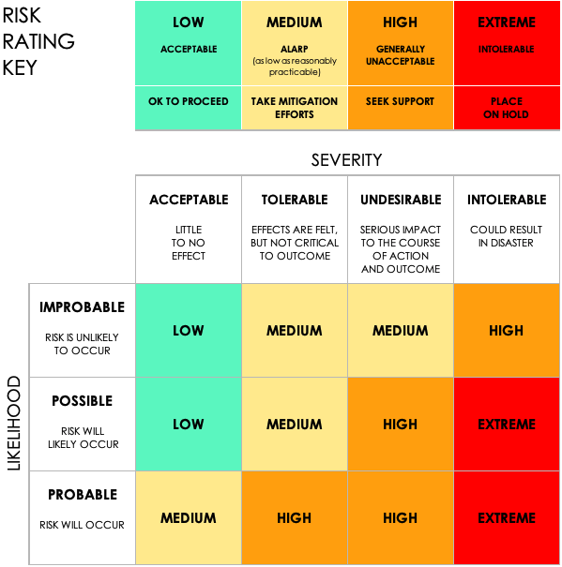
 |  |  | PRE-MITIGATION |  |  |  | POST-MITIGATION
REF / ID | ACTIVITY | RISK | RISK SEVERITY | RISK LIKELIHOOD | RISK LEVEL | MITIGATIONS / WARNINGS / REMEDIES | RISK SEVERITY | RISK LIKELIHOOD | RISK LEVEL | Plan | RISK SEVERITY | RISK LIKELIHOOD | RISK LEVEL | ACCEPTABLE TO PROCEED?
1 | API rate limits or key expiration | 403 error from API or expired token | INTOLERABLE | High | High | Implement key rotation and limit request rates | INTOLERABLE | High | High | Lucas will rotate API keys weekly and maintain backups in OneDrive. Mock data is used during testing. API call logs are reviewed daily for 403 errors. | ACCEPTABLE | IMPROBABLE | LOW | YES
2 | Incomplete GUI functionality | Search button doesn't activate functionality | UNDESIRABLE | Medium | High | Isolate GUI testing and use fallback dialogs | UNDESIRABLE | Medium | High | Matthew will run isolated GUI unit tests and add fallback dialogs. A rollback version of the GUI will be stored in /src/gui_fallback. | TOLERABLE | POSSIBLE | MEDIUM | NO
3 | Last-minute team bottlenecks | Team member unavailable for final review | INTOLERABLE | High | High | Advance delegation, modular task handoff | INTOLERABLE | High | High | Steve will monitor task completion using Microsoft Planner. Tasks not completed 24 hours before deadline will be reassigned and flagged in Teams. | UNDESIRABLE | PROBABLE | HIGH
4 | Integration errors between modules | GUI calls function but receives null or error | INTOLERABLE | Medium | High | Pre-integrate and test with mocks, not live calls | INTOLERABLE | Medium | High | Matthew will implement mock integration testing during every merge cycle. If errors appear, the previous working state will be restored from GitHub. | INTOLERABLE |  | EXTREME
5 | GitHub merge conflicts | Two developers push code to same file | UNDESIRABLE | Medium | Medium | Use branching, commit messages, and pull requests | UNDESIRABLE | Medium | Medium | All team members must use named branches and submit pull requests. Lucas will approve all merges and maintain version integrity.
6 | Presentation delivery failure | Audio/video errors during final presentation | TOLERABLE | Low | Medium | Pre-record demo, use backup device and video | TOLERABLE | Low | Medium | The team will record a backup demo video and store it on OneDrive. Steve will submit the fallback video if live issues occur.
7 | Poor documentation handoff | Multiple conflicting document versions | INTOLERABLE | Medium | Medium | Assign one editor, enforce version control on docs | INTOLERABLE | Medium | Medium | Steve will serve as sole documentation editor. All drafts are submitted through versioned OneDrive with change tracking.
8 | Skill set mismatch | No knowledge of API integration or AI implementation | INTOLERABLE | Medium | High | Limit scope to aligned technologies; training or documentation resources | UNDESIRABLE | Low | Medium | Retrain or rescope
9 | Deadline pressure | Team burnout from 4-week full stack build | INTOLERABLE | High | EXTREME | Delegate early, automate repetitive tasks, and enforce breaks | INTOLERABLE | Medium | High | Stagger workloads
10 | Illness disruption | Team member gets sick near due date | TOLERABLE | Low | Medium | Cross-train on tasks, maintain async task board | TOLERABLE | Low | Low | Shift tasks temporarily
11 | Technical imbalance | Inconsistent coding skills across members | UNDESIRABLE | Medium | Medium | Pair programming and peer code review | UNDESIRABLE | Low | Low | Assign complex modules to stronger devs
12 | Platform variance | API behavior differs across environments | TOLERABLE | Medium | Medium | Test in multiple environments and log results | TOLERABLE | Medium | Low | Use standard library for integration
13 | Integration collapse | Modules fail to communicate at merge | INTOLERABLE | High | EXTREME | Mock data integration testing and debug checkpoints | INTOLERABLE | Medium | High | Revert to standalone mode
14 | Overload or burnout | Workload not spread evenly across team | INTOLERABLE | High | EXTREME | Assignments balanced weekly opt-in task system | INTOLERABLE | Medium | Medium | Weekly check-ins
15 | Leadership vacuum | No clear direction from team leads | UNDESIRABLE | Medium | Medium | Assign rotating lead for each phase of the project | UNDESIRABLE | Low | Low | Final say by rotating lead
16 | Lack of unified vision | Team splinters into divergent goals | INTOLERABLE | Medium | High | Shared project charter and end-goal review | UNDESIRABLE | Low | Medium | Align weekly in live meetings
17 | Untested deliverables | Missed test coverage leads to bugs | INTOLERABLE | High | EXTREME | Regression test cases written for each module | INTOLERABLE | Medium | High | Add testing sprint

