RADON
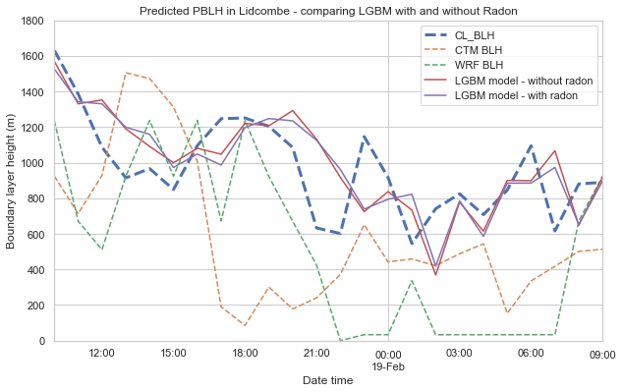
 | CTM model | WRF BLH | LGBM - current model | LBGM - with radon
 | Lidcombe
IOA | 0.39774 | 0.52481 | 0.79079 | 0.77752
RMSE | 585 | 574 | 232 | 231
MAE | 505 | 473 | 182 | 189
Abs MAE | -375 | -429 | 32 | 25
MASE | 2.29637 | 2.15116 | 0.82699 | 0.85818

