Feuil1
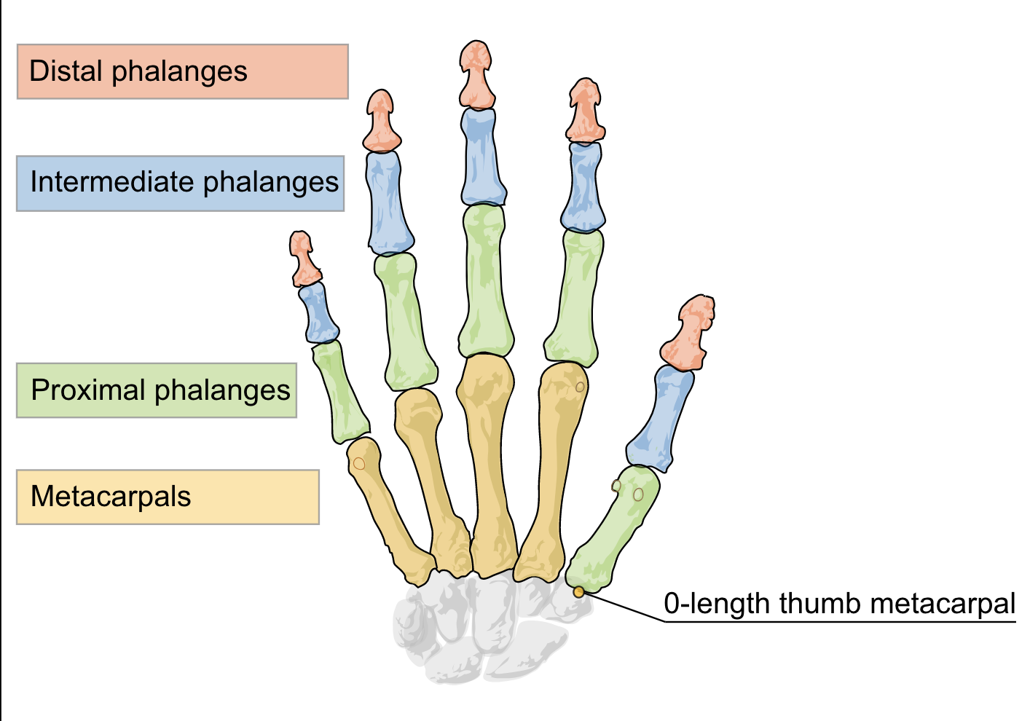
j
Indice | Os | Position
0 |  | prev
1 |  | prev
2 |  | prev
3 |  | prev
4 |  | next
5 |  | next
6 |  | next
7 |  | next

