Sheet1
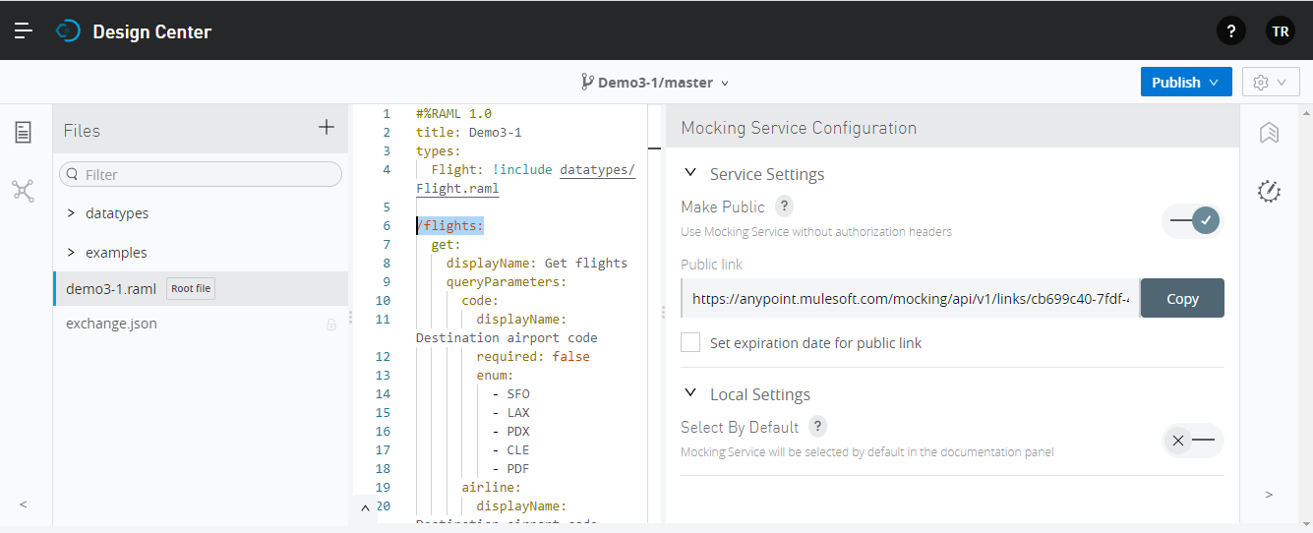

①

②

③

https://anypoint.mulesoft.com/mocking/api/v1/links/cb699c40-7fdf-4c3e-b3a4-9e538cf05161/flights

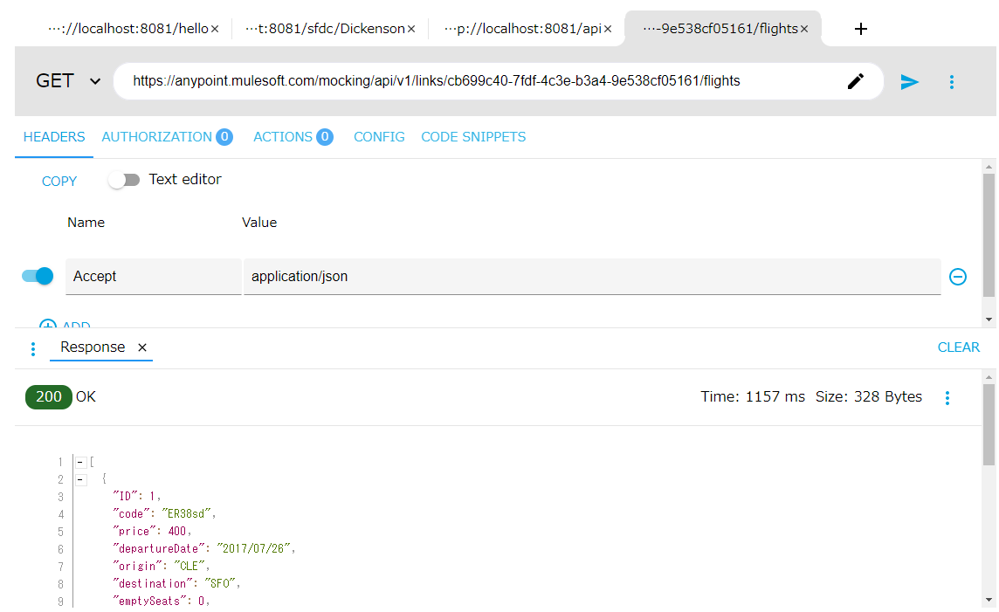

④

