ms-23
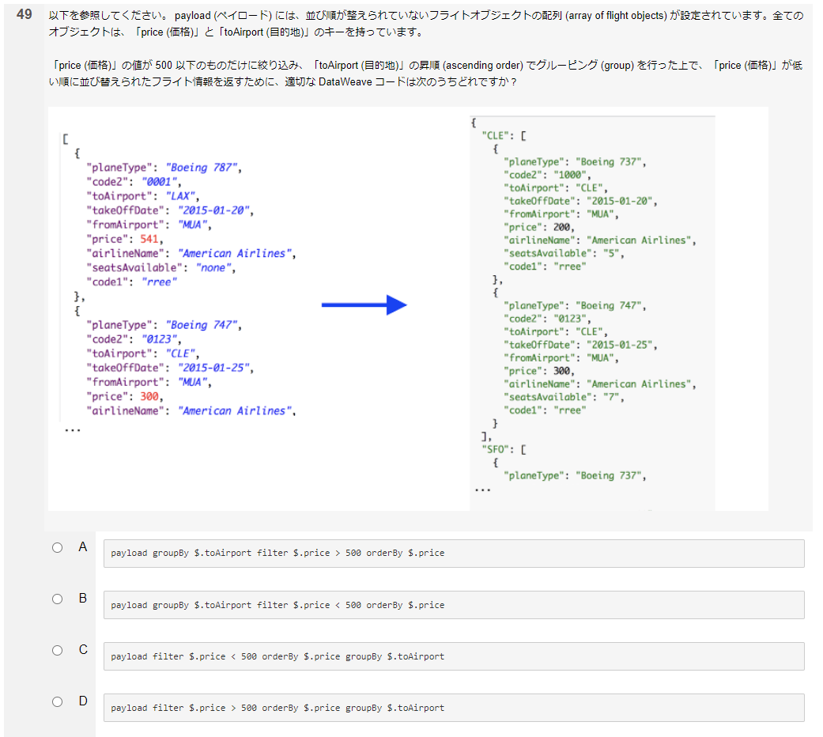

input |  |  |  |  |  | DataWave | output
-------------------------------------------
順番 |  |  | Random |  |  | %dw 2.0
[ |  |  | [ |  |  | output application/dw
 | { |  |  | { |  | ---
 |  | code2: "0001", |  |  | code2: "0006",
 |  | toAirport: "LAX", |  |  | toAirport: "SFO", | A
 |  | fromAirport: "A", |  |  | fromAirport: "B", | payload groupBy $.toAirport filter $.price < 546 orderBy $.price | Error | You called the function 'filter' with these arguments:
 |  | price: 541 |  |  | price: 546 |  |  | 1: Object ({CLE: [{code2: "0006",toAirport: "CLE",fromAirport: "B",price: 546}, {code2: ...)
 | }, |  |  | }, |  | B |  | 2: Function (($:Any, $$:Any) -> ???)
 | { |  |  | { |  | payload groupBy $.toAirport filter $.price > 546 orderBy $.price
 |  | code2: "0002", |  |  | code2: "0002", |  |  | But it expects one of these combinations:
 |  | toAirport: "LAX", |  |  | toAirport: "LAX", |  |  | (Array, Function)
 |  | fromAirport: "B", |  |  | fromAirport: "B", |  |  | (String, Function)
 |  | price: 542 |  |  | price: 542
 | }, |  |  | }, |  |  |  | 4| payload groupBy $.toAirport filter $.price < 546 orderBy $.price
 | { |  |  | { |  |  |  | ^^^^^^
 |  | code2: "0003", |  |  | code2: "0005", |  |  | Trace:
 |  | toAirport: "CLE", |  |  | toAirport: "SFO", |  |  | at main::groupBy (line: 4, column: 29)
 |  | fromAirport: "A", |  |  | fromAirport: "A", |  |  | at main::filter (line: 4, column: 9)
 |  | price: 543 |  |  | price: 545 |  |  | at main::orderBy (line: 4, column: 29)
 | }, |  |  | }, |  |  |  | at main::main (line: 4, column: 50)
 | { |  |  | {
 |  | code2: "0004", |  |  | code2: "0003",
 |  | toAirport: "CLE", |  |  | toAirport: "CLE", | C
 |  | fromAirport: "B", |  |  | fromAirport: "A", | payload filter $.price > 546 orderBy $.price groupBy $.toAirport | Price は XX 以下のため、間違い
 |  | price: 544 |  |  | price: 543
 | }, |  |  | }, |  | D
 |  | { |  |  | { | payload filter $.price < 546 orderBy $.price groupBy $.toAirport
 |  | code2: "0005", |  |  | code2: "0001", |  | {
 |  | toAirport: "SFO", |  |  | toAirport: "LAX", |  | LAX: [
 |  | fromAirport: "A", |  |  | fromAirport: "A", |  | {
 |  | price: 545 |  |  | price: 541 |  | code2: "0001",
 | }, |  |  | }, |  |  | toAirport: "LAX",
 | { |  |  | { |  | ※本当正しいは | fromAirport: "A",
 |  | code2: "0006", |  |  | code2: "0004", | (payload filter $.price < 547 orderBy $.price orderBy $.toAirport groupBy $.toAirport) | price: 541
 |  | toAirport: "SFO", |  |  | toAirport: "CLE", |  | },
 |  | fromAirport: "B", |  |  | fromAirport: "B", |  | {
 |  | price: 546 |  |  | price: 544 |  | code2: "0002",
 | }, |  |  | } |  |  | toAirport: "LAX",
] |  |  | ] |  |  |  | fromAirport: "B",
 |  |  |  |  |  |  | price: 542
 |  |  |  |  |  |  | }
 |  |  |  |  |  |  | ],
 |  |  |  |  |  |  | CLE: [
 |  |  |  |  |  |  | {
 |  |  |  |  |  |  | code2: "0003",
 |  |  |  |  |  |  | toAirport: "CLE",
 |  |  |  |  |  |  | fromAirport: "A",
 |  |  |  |  |  |  | price: 543
 |  |  |  |  |  |  | },
 |  |  |  |  |  |  | {
 |  |  |  |  |  |  | code2: "0004",
 |  |  |  |  |  |  | toAirport: "CLE",
 |  |  |  |  |  |  | fromAirport: "B",
 |  |  |  |  |  |  | price: 544
 |  |  |  |  |  |  | }
 |  |  |  |  |  |  | ],
 |  |  |  |  |  |  | SFO: [
 |  |  |  |  |  |  | {
 |  |  |  |  |  |  | code2: "0005",
 |  |  |  |  |  |  | toAirport: "SFO",
 |  |  |  |  |  |  | fromAirport: "A",
 |  |  |  |  |  |  | price: 545
 |  |  |  |  |  |  | }
 |  |  |  |  |  |  | ]
 |  |  |  |  |  |  | }

